Raw_Data
year | t | passengers | drivers | passengers | drivers | Q_t | Use NLSM to get rho and t2 |  |  | pi_t | Q_t_eq | Q_t_t3 | the square root between Q_t (observed data) and Q_t_eq (fitted data)
2014 | 0 | 8.60% | 1.00% | 9.00% | 1.00% | 0.0800 | rho | -0.0877 | 0.029234 | 0 | 0 | 0 | 0.42573597717
2015 | 1 | 22.30% | 3.50% | 31.00% | 5.00% | 0.2600 | t2 | 3.2 |  | 0.19294 | 0.11108666667 | 0.1110892
2016 | 2 | 28.80% | 5.30% | 60.00% | 10.00% | 0.5000 | t0 | 0 |  | 0.21048 | 0.32741333333 | 0.3274208
2017 | 3 | 30.20% | 13.40% | 90.00% | 23.00% | 0.6700 | t3 | 4.8 |  | 0.05262 | 0.47358 | 0.4735908
2018 | 4 | 2.70% | 70.50% | 93.00% | 94.00% | -0.0100 | pi_t = ρ * (t- t0) (t - t2) |  |  | -0.28064 | 0.37418666667 | 0.3741952
2019 | 5 | 7.40% | 6.30% | 100.00% | 100.00% | 0.0000 | Q_t = 1/3 * ρ * t^3 - 1/2 * ρ * t2 * t^2 |  |  | -0.7893 | -0.14616666667 | -0.14617
 |  | 100.00% | 100.00% |  |  |  | Q_t _t3= - ρ * t^3 + ρ * t3 * t^2
https://www.redalyc.org/journal/841/84172397003/

Fig. 2
This figure copied from their paper
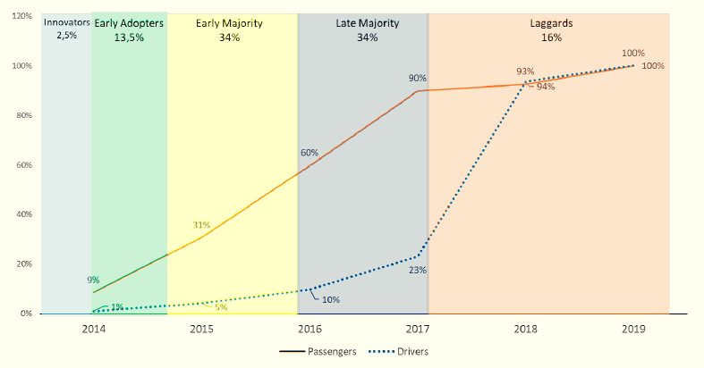
Fig. 1
This figure copied from their paper

Uber Case: Passengers and drivers' adoption curve

NLSM Code
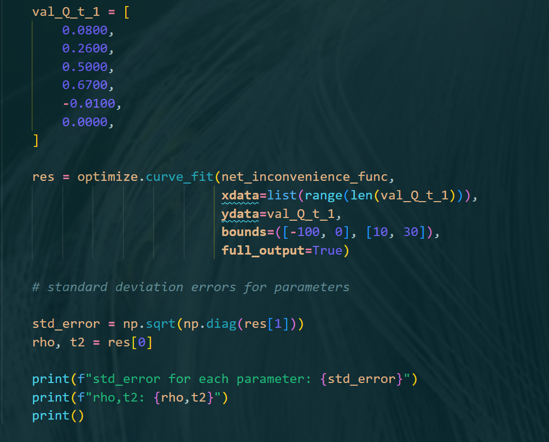
Use NLSM to fit Q_t,
Then, get rho and t2
Results

 | Use NLSM to get rho and t2 |  |  | year | t | pi_t | Q_t_eq | Q_t_t3
 | rho | -0.0877 | 0.029234 | 2014 | 0 | 0 | 0 | 0
 | t2 | 3.2 |  | 2015 | 1 | 0.19294 | 0.11108666667 | 0.1110892
 | t0 | 0 |  | 2016 | 2 | 0.21048 | 0.32741333333 | 0.3274208
 | t3 | 4.8 |  | 2017 | 3 | 0.05262 | 0.47358 | 0.4735908
 | pi_t = ρ * (t- t0) (t - t2) |  |  | 2018 | 4 | -0.28064 | 0.37418666667 | 0.3741952
 | Q_t = 1/3 * ρ * t^3 - 1/2 * ρ * t2 * t^2 |  |  | 2019 | 5 | -0.7893 | -0.14616666667 | -0.14617
 | Q_t _t3= - ρ * t^3 + ρ * t3 * t^2

Analysis Results
Cumulative curve
 | passengers | drivers
2014 | 9.00% | 1.00%
2015 | 31.00% | 5.00%
2016 | 60.00% | 10.00%
2017 | 90.00% | 23.00%
2018 | 93.00% | 94.00%
2019 | 100.00% | 100.00%

Q_t
 | Q_t
2014 | 0.0800
2015 | 0.2600
2016 | 0.5000
2017 | 0.6700
2018 | -0.0100
2019 | 0.0000

 | pi_t
2014 | 0
2015 | 0.19294
2016 | 0.21048
2017 | 0.05262
2018 | -0.28064
2019 | -0.7893

 | Q_t_eq
2014 | 0
2015 | 0.11108666667
2016 | 0.32741333333
2017 | 0.47358
2018 | 0.37418666667
2019 | -0.14616666667
 | Q_t_t3
2014 | 0
2015 | 0.1110892
2016 | 0.3274208
2017 | 0.4735908
2018 | 0.3741952
2019 | -0.14617

Q_t (observed data) and Q_t_eq (fitted data)
 | Q_t | Q_t_eq
2014 | 0.0800 | 0
2015 | 0.2600 | 0.11108666667
2016 | 0.5000 | 0.32741333333
2017 | 0.6700 | 0.47358
2018 | -0.0100 | 0.37418666667
2019 | 0.0000 | -0.14616666667
Q_t (observed data) and Q_t_eq (fitted data)
 | Q_t | Q_t_t3
2014 | 0.0800 | 0
2015 | 0.2600 | 0.1110892
2016 | 0.5000 | 0.3274208
2017 | 0.6700 | 0.4735908
2018 | -0.0100 | 0.3741952
2019 | 0.0000 | -0.14617

