#任务条件说明
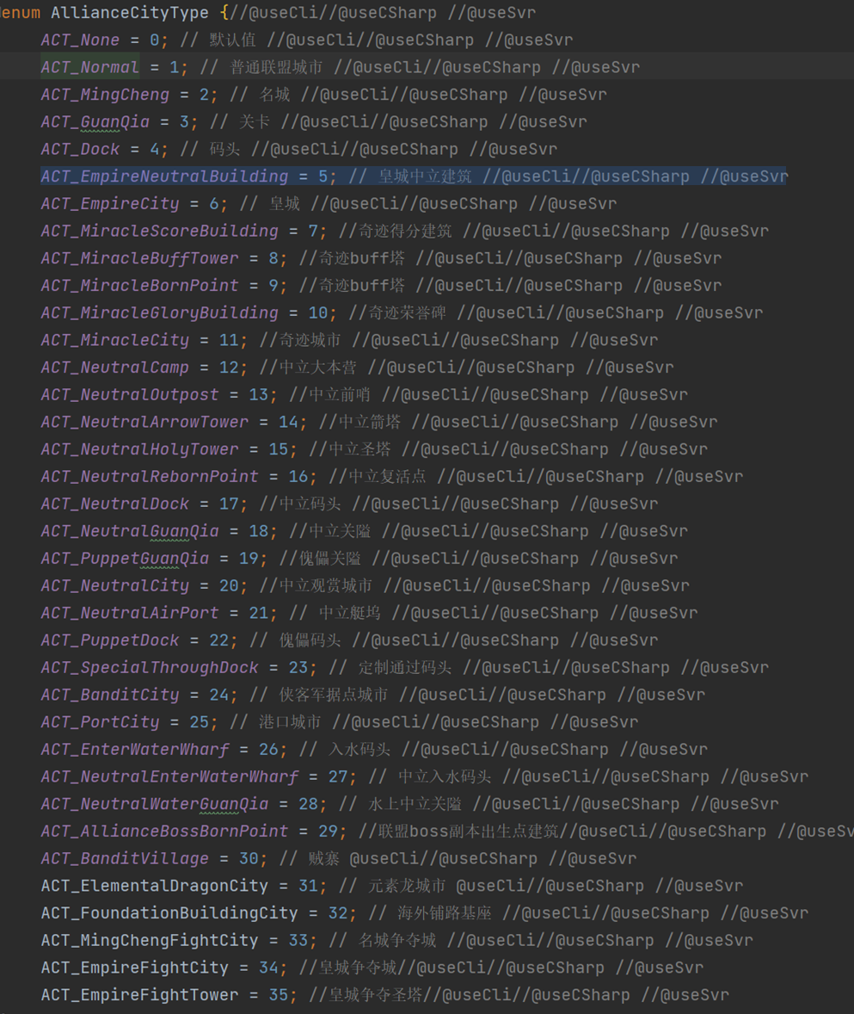
任务模板
任务类型 | 任务条件 | 参数1 | 参数2 | 参数3 | 任务类型 | 参数1 | 参数2 | 参数3 | 配置 | 计数是否需要回退 | 描述
1 | 占领指定等级以上资源田N个 | level：等级 | occupyNum：数量 | needTrace:true | 个人 | 4 | 20 |  | occupyResourceLand{level:4,occupyNum:20,needTrace:true} | FALSE | 占领20个4级资源田
2 | 玩家势力值达到N | territoryPower：势力值 |  |  | 个人 | 100 |  |  | playerTerritoryPower{territoryPower:100} | FALSE | 势力值达到100
3 | 击杀指定等级以上普通野怪 | rarityType：稀有度（MRE_Normal） | level：等级 | killCount：击杀数量 | 个人 |  | 1 | 2 | killRarityMonster{rarityType:MRE_Normal,level:1,killCount:2} | FALSE | 累计击败2个1级以上普通叛军
4 | 击杀指定等级以上稀有野怪 | rarityType：稀有度（MRE_Rare ） | level：等级 | killCount：击杀数量 | 个人 |  | 1 | 2 | killRarityMonster{rarityType:MRE_Rare,level:1,killCount:2} | FALSE | 累计击败2个1级以上稀有叛军
5 | 击杀指定等级以上精英野怪 | rarityType：稀有度（MRE_Elite） | level：等级 | killCount：击杀数量 | 个人 |  | 1 | 2 | killRarityMonster{rarityType:MRE_Elite,level:1,killCount:2} | FALSE | 累计击败2个1级以上精英叛军
 | 击败任意等级蛮族反攻部队3次 |  |  |  | 个人 |  |  |  | killRarityMonster{rarityType:MRE_Elite,level:1,killCount:3} | FALSE
6 | 全服占领指定等级以上资源田N个 | level：等级 | occupyNum：数量 |  | 全服 | 1 | 10 |  | zoneOccupyResourceLand{level:1,occupyNum:10} | FALSE | 全服占领10个1级资源田
7 | 全服占领指定等级以上城市 | level：等级 | occupyNum：数量 |  | 全服 | 3 | 2 |  | zoneOccupyBigSceneCity{cityLevel:3,occupyNum:2} | FALSE | 全服占领2个3级城市
8 | 全服击杀指定等级以上普通野怪 | rarityType：稀有度（MRE_Normal） | level：等级 |  | 全服 | 1 | 2 |  | zoneKillRarityMonster{rarityType:MRE_Normal,level:1,killCount:2} | FALSE | 全服累计击败个2级以上普通叛军
9 | 全服指定等级以上稀有野怪 | rarityType：稀有度（MRE_Rare ） | level：等级 |  | 全服 | 1 | 2 |  | zoneKillRarityMonster{rarityType:MRE_Rare,level:1,killCount:2} | FALSE | 全服累计击败个2级以上稀有叛军
10 | 全服指定等级以上精英野怪 | rarityType：稀有度（MRE_Elite） | level：等级 |  | 全服 | 1 | 2 |  | zoneKillRarityMonster{rarityType:MRE_Elite,level:1,killCount:2} | FALSE | 全服累计击败个2级以上精英叛军
11 | 特定城市被占领 | cityId：名城ID | occupyNum：数量 |  | 全服 | 800054 | 1 |  | zoneOccupySpecificBigSceneCity{cityId:800054,occupyNum:1} | FALSE
12 | 特定名城被占领 | cityLevel | occupyNum：数量 |  | 全服 | 1 | 1 |  | zoneOccupyMingCheng{cityLevel:1,occupyNum:1} | FALSE
 | 全服占领圣像 | level:等级 | count:数量 |  | 全服 | 3 | 1 |  | zoneOccupyBigSceneCity{allianceCityType:5,cityLevel:3,occupyNum:1} | FALSE
 | 全服皇城战获胜X次 |  |  |  |  |  |  |  | zoneEmpireFightWin{count:1}
13 | 联盟指定等级以上资源田N个 |  |  |  | 联盟 | 3 | 100 |  | allianceOccupyResourceLand{level:3,occupyNum:100} | FALSE | 联盟占领100个3级资源田
14 | 联盟占领指定等级以上城市 |  |  |  | 联盟 | 5 | 2 |  | allianceOccupyBigSceneCity{cityLevel:5,occupyNum:2} | TRUE | 联盟占领2个5级城市
15 | 联盟击杀指定等级以上普通野怪 | rarityType：稀有度（MRE_Normal） | level：等级 |  | 联盟 | 3 | 100 |  | allianceKillRarityMonster{rarityType:MRE_Normal,level:3,killCount:100} | FALSE | 联盟累计击败100个3级以上普通叛军
16 | 联盟指定等级以上稀有野怪 | rarityType：稀有度（MRE_Rare ） | level：等级 |  | 联盟 | 4 | 100 |  | allianceKillRarityMonster{rarityType:MRE_Rare,level:4,killCount:100} | FALSE | 联盟累计击败100个4级以上普通叛军
17 | 联盟指定等级以上精英野怪 | rarityType：稀有度（MRE_Elite） | level：等级 |  | 联盟 | 1 | 2 |  | allianceKillRarityMonster{rarityType:MRE_Elite,level:1,killCount:2} | FALSE | 联盟累计击败2个1级以上普通叛军
18 | 联盟占领特定城市 |  |  |  | 联盟 | 800054 | 1 |  | allianceOccupySpecificBigSceneCity{cityId:800054,occupyNum:1} | TRUE
19 | 联盟占领特定名城 |  |  |  | 联盟 | 1 | 10 |  | allianceOccupyMingCheng{cityLevel:1,occupyNum:10} | TRUE
20 | 联盟势力值提升 |  |  |  | 联盟 | 100 |  |  | allianceTerritoryPower{territoryPower:100} | FALSE | 联盟势力值达到100
21 | 联盟建造指定等级以上建筑 | level：等级 | count：数量 |  | 联盟 | 1 | 8 |  | buildOtherBuilding{level:1,count:8} | TRUE | 联盟建造8个联盟建筑
22 | 联盟创建国家 |  |  |  | 联盟 |  |  |  | createCountrySuccess{complete:1} | TRUE | 联盟创建国家
23 | 联盟民心等级达标 |  |  |  | 联盟 |  |  |  | popularSupportLevel{level:1,num:1} | TRUE | 联盟民心等级达标
 | 联盟占领圣像 | level:等级 | count:数量 |  | 联盟 | 3 | 1 |  | allianceOccupyBigSceneCity{allianceCityType:5,cityLevel:3,occupyNum:1} | TRUE
 | 联盟皇城战获胜x次 |  |  |  |  |  |  |  | allianceEmpireFightWin{count:1}

