#天赋效果说明
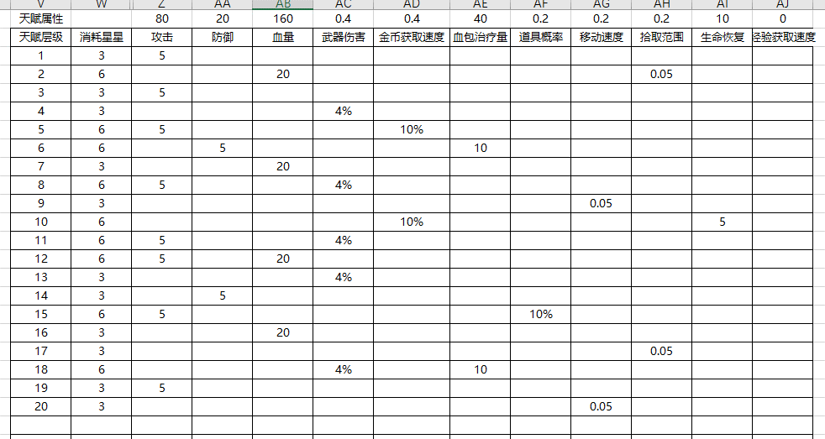
天赋id | 直接获得buffId | 是否解锁英雄数量血量加成 | 增加复活次数 | 触发条件 | 触发后获得buff id | buff持续时间 | 触发获得副玩法道具id | 触发时释放技能id | 杀怪后掉落概率 | 杀怪后掉落副玩法道具id | 血量检测 | buff id

100001 | 999999
100002 | 999998 | 1 | 1 | 1 | 200101 | Y
100003 |  |  | 1 | 1 | 200102 | 3
100004 |  |  |  | 2 | 999888 | 3 | 111
100005 |  |  |  | 3 |  |  |  |  | 0.3 | 111111
100006 |  |  |  | 4 |  |  |  |  |  |  | 0.8-1 | 111111

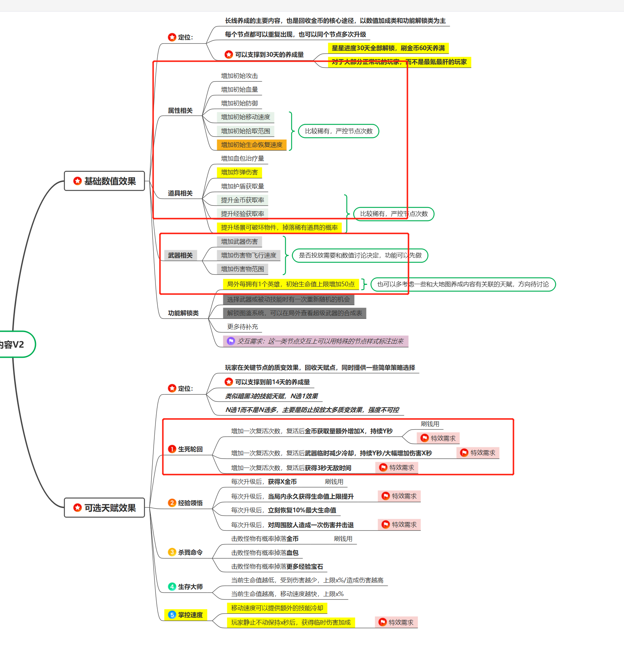

 |  |  |  | 1：复活后触发
 |  |  |  | 2：升级后触发
 |  |  |  | 3：杀怪后触发
 |  |  |  | 4：血量检测触发

