Entity显示资源
convert(ResOutsideNameplate.proto, table_OutsideNameplateSprite,OutsideNameplateSprite.pbin)
id | 图集 | 精灵
id | atlas | sprite
1 | ui_n_icon | icon_n_field_name_01 | 玩家主城
2 | ui_n_icon | icon_n_field_name_05_monster | 普通野怪
3 | ui_n_icon | icon_n_field_name_06_monster | 稀有野怪
4 | ui_n_icon | icon_n_field_name_07_monster | 蛮族挑衅
5 | ui_n_icon | icon_n_field_name_02 | 名城中心
6 | ui_n_icon | icon_n_field_name_04 | 皇城中心
7 | ui_n_icon | icon_n_field_name_mc_hc_01 | 名城\皇城禁卫军
8 | ui_n_icon | icon_n_field_name_05 | 圣像\名城\皇城禁卫军首领
9 | ui_n_icon | icon_n_field_name_mc_hc_yuanzhu | 名城\皇城蛮族援助
10 | ui_n_icon | icon_n_field_name_manzujijie | 蛮族前锋（蛮族集结）
11 | ui_n_icon | icon_n_field_name_manzuyuanzhu | 精英野怪、蛮族头目（建国后）
12 | ui_n_icon | icon_n_field_name_09_jijie | 集结，npc补集结 | 暂不使用
13 | ui_n_icon | icon_n_field_name_06_qiji | 圣象
14 | ui_n_icon | icon_n_field_name_08_tx | 挑衅 | 暂不使用
15 | ui_n_icon | icon_n_field_manzu_01 | 无极缩放蛮族图标配合着等级使用
16 | ui_n_icon | icon_n_field_001
17 | ui_n_icon | icon_n_field_002 | 驻扎
18 | ui_n_icon | icon_n_field_name_08_jijie | 集结，npc补集结 | 暂不使用
19 | ui_n_icon | icon_n_fled_qiji_01 | 普通
20 | ui_n_icon | icon_n_fled_qiji_02 | 精英
21 | ui_n_icon | icon_n_fled_qiji_03 | boss
22 | ui_n_icon | icon_n_fled_yabiao_01 | 护送普通
23 | ui_n_icon | icon_n_fled_yabiao_02 | 护送稀有
24 | ui_n_icon | icon_n_fled_yabiao_03 | 护送精英
25 | ui_n_icon | icon_n_fled_yabiao_04 | 护送BOSS
26 | ui_n_icon | icon_n_fled_yabiao_05 | 护送玩法特殊铭牌
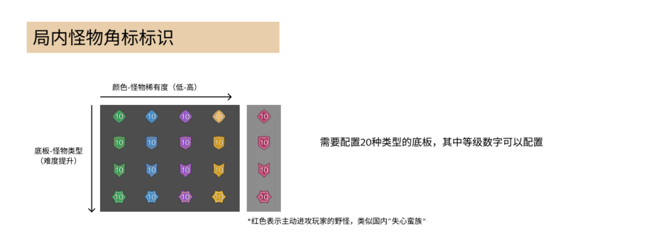
27 | ui_n_icon | icon_n_field_name_22 | 中立战场boss蓝
28 | ui_n_icon | icon_n_field_name_23 | 中立战场boss红
29 | ui_n_icon | icon_n_field_name_06_monster | 中立战场哨兵蓝
30 | ui_n_icon | icon_n_field_name_07_monster | 中立战场哨兵红
31 | ui_n_icon | icon_n_field_name_mc_hc_yuanzhu1 | 中立战场卫兵蓝
32 | ui_n_icon | icon_n_field_name_mc_hc_yuanzhu | 中立战场卫兵红
33 | ui_n_icon | icon_n_field_name_21 | 蛮族试炼野怪
34 | ui_n_icon | icon_n_field_name_mc_hc_yuanzhu | 中立战场/热战区
35 | ui_n_icon | icon_n_field_name_22 | 中立战场/热战区
36 | ui_n_icon | icon_n_field_name_05_monster | 绿1
37 | ui_n_icon | icon_n_field_name_mc_hc_02 | 绿2
38 | ui_n_icon | icon_n_field_name_manzujijie_01 | 绿3
39 | ui_n_icon | icon_n_fogcall_01 | 绿4
40 | ui_n_icon | icon_n_field_name_06_monster | 蓝1
41 | ui_n_icon | icon_n_field_name_mc_hc_yuanzhu1 | 蓝2
42 | ui_n_icon | icon_n_field_name_manzujijie_02 | 蓝3
43 | ui_n_icon | icon_n_fogcall_02 | 蓝4
44 | ui_n_icon | icon_n_field_name_21 | 紫1
45 | ui_n_icon | icon_n_field_name_mc_hc_01 | 紫2
46 | ui_n_icon | icon_n_field_name_manzuyuanzhu | 紫3
47 | ui_n_icon | icon_n_fogcall_03 | 紫4
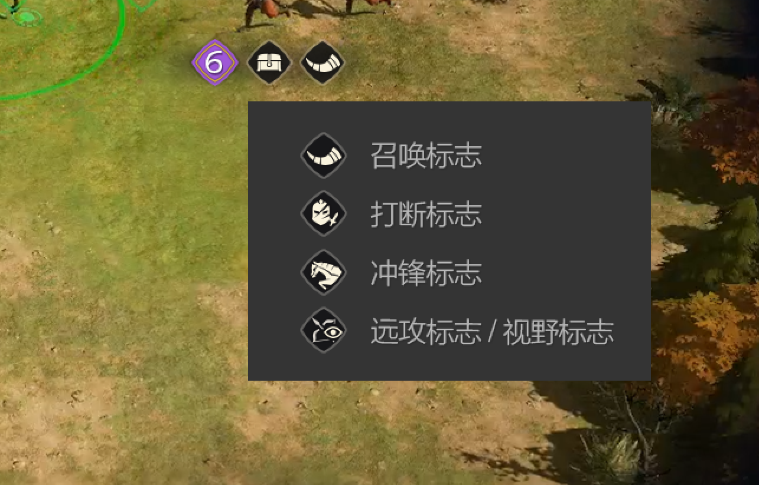
48 | ui_n_icon | icon_n_field_name_09_monster | 橙1
49 | ui_n_icon | icon_n_field_name_05 | 橙2
50 | ui_n_icon | icon_n_field_name_manzujijie | 橙3
51 | ui_n_icon | icon_n_fogcall_04 | 橙4
52 | ui_n_icon | icon_n_field_name_10_monster | 红1
53 | ui_n_icon | icon_n_field_name_mc_hc_03 | 红2
54 | ui_n_icon | icon_n_field_name_manzujijie_03 | 红3
55 | ui_n_icon | icon_n_fogcall_05 | 红4
56 | ui_n_icon | icon_n_fogcall_reward | 宝箱
57 | ui_n_icon | icon_n_fogcall_sword | 剑
58 | ui_n_icon | icon_n_fogcall_pikeman | 枪
59 | ui_n_icon | icon_n_fogcall_cavalry | 骑
60 | ui_n_icon | icon_n_fogcall_arrow | 弓
61 | ui_n_icon | icon_n_creeps_04 | 道具召唤野怪

