Sheet1
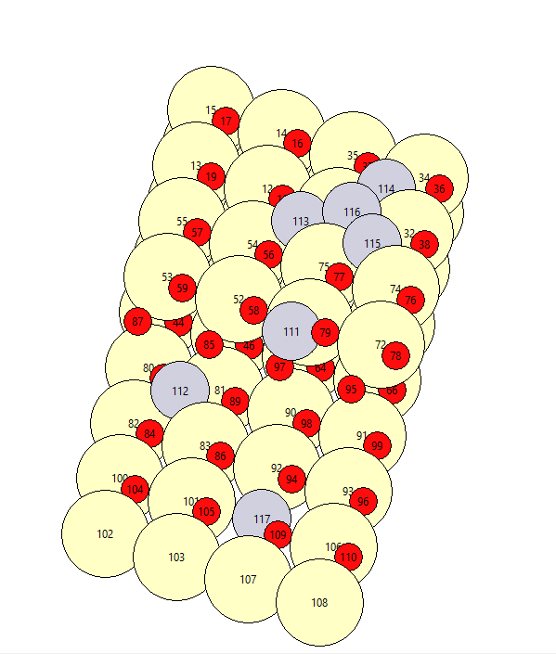

 |  |  |  |  | Atoms need to be deleted
Pddope | 117 | 27.174 | 6.724 | 10.3 | 116
Pdterrace | 112 | 19.41 | 2.24 | 11.5 | 118
Pdstep | 111 | 18.439 | 6.724 | 13.5 | 156
Pd4 | 113 | 11.646 | 6.724 | 14.2 | 158
 | 114 | 9.705 | 10.086 | 14.2 | 117
 | 115 | 13.587 | 10.086 | 14.2 | 119
 | 116 | 11.646 | 8.965 | 14.5 | 157
 |  |  |  |  | 159
 |  |  |  |  | 96
Rotation | 41.7531 | -33.455 | -154.18 |  | 97
 |  |  |  |  | 98
 |  |  |  |  | 99
 |  |  |  |  | 136
 |  |  |  |  | 137
 |  |  |  |  | 138
 |  |  |  |  | 139
 |  |  |  |  | 91
 |  |  |  |  | 127
 |  |  |  |  | 149
 |  |  |  |  | 89
 |  |  |  |  | 125
 |  |  |  |  | 151
 |  |  |  |  | 111
 |  |  |  |  | 147
Pd1 initial |  |  |  |  | 129
 |  |  |  |  | 109
 |  |  |  |  | 145
 |  |  |  |  | 131
 |  |  |  |  | 95
 |  |  |  |  | 94
 |  |  |  |  | 115
 |  |  |  |  | 114
 |  |  |  |  | 93
 |  |  |  |  | 92
 |  |  |  |  | 113
 |  |  |  |  | 112
 |  |  |  |  | 135
 |  |  |  |  | 134
 |  |  |  |  | 155
 |  |  |  |  | 154
 |  |  |  |  | 132
 |  |  |  |  | 133
 |  |  |  |  | 153
 |  |  |  |  | 152

