позиции
Название |  | Ссылка | Артикул | Цена
Закладки клейкие "Centrum", 12x44 мм, 125 шт, ассорти | 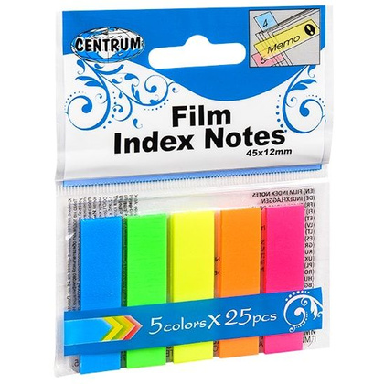 | https://www.officeton.by/articul/zakladki-kleykie-centrum-985351/ | 985351 | 2.09
Бумага для заметок на клейкой основе "Funny notes", 75x75 мм, 400 листов, флуоресцентный ассорти | 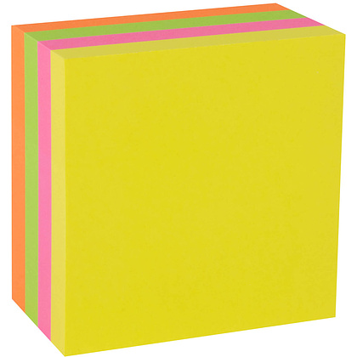 | https://www.officeton.by/articul/bumaga-dlya-zametok-na-kleykoy-osnove-funny-notes-assorti-9105816/ | 9105816 | 13.46
Папка-уголок "Donau", A4, прозрачный красный |  | https://www.officeton.by/articul/papka-ugolok-donau-985389/ | 985389 | 0.91

