Summary
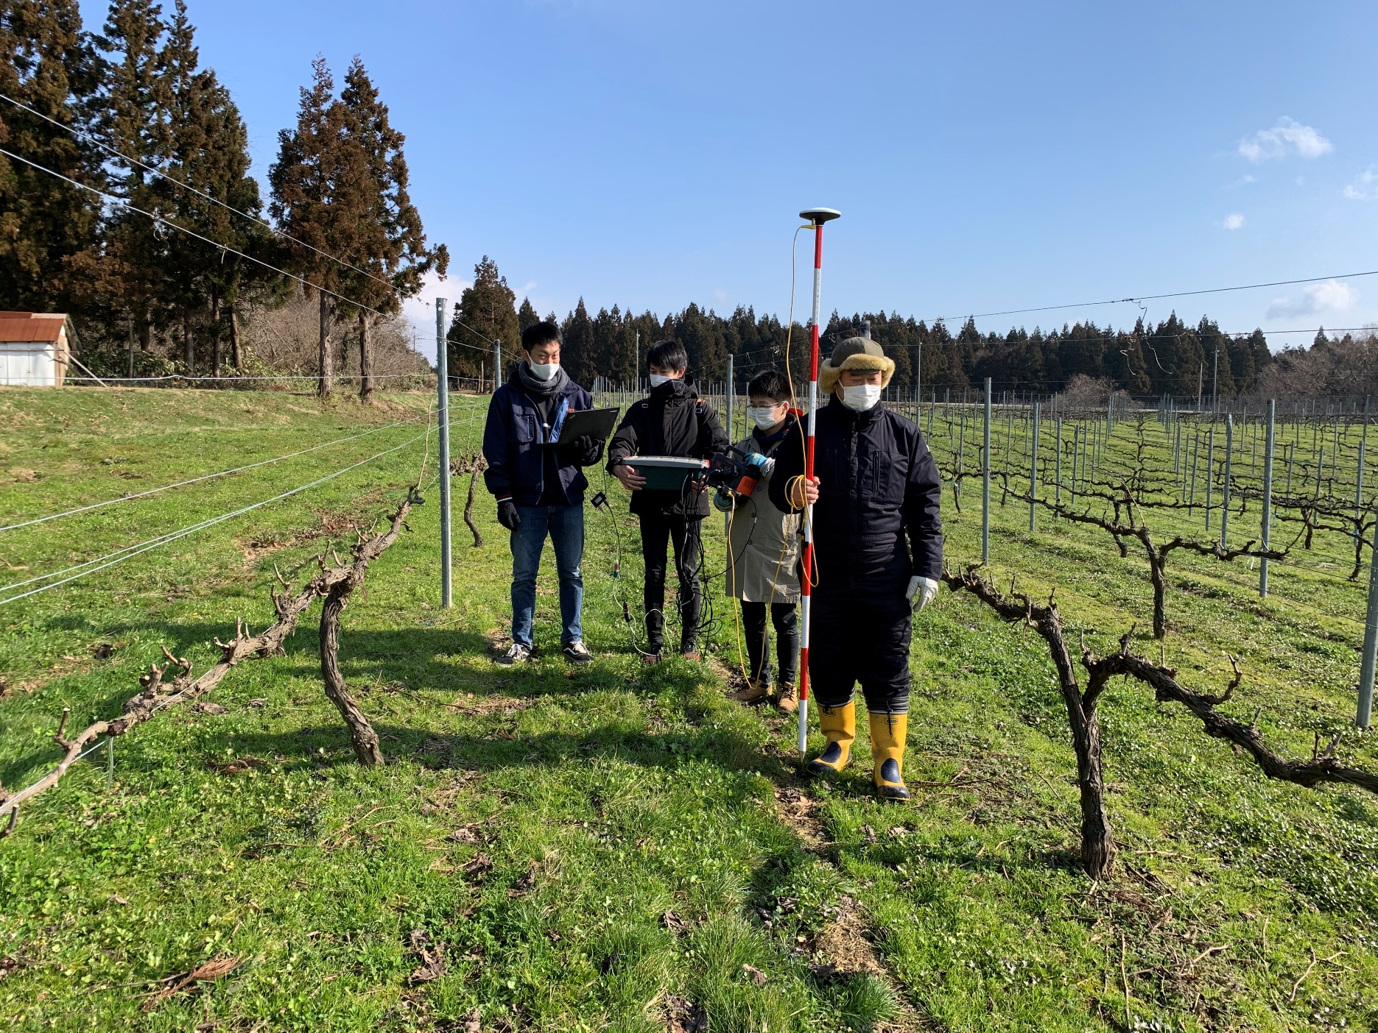

 | Positioning time | Fix ratio | Time to first fix [s] | X std [cm] | Y std [cm] | X ave | Y ave |  | Fixまでの時間 [s] | Fix率 [%]
1_docomo.csv | 0 days 00:23:02.500000000 | 0.95404255319 | 48.4 | 4705.9073434 | 6599.6191011 | 679566.90179 | 4122590.3823 | A社 | 48 | 95
1_sb.csv | 0 days 00:22:58.700000000 | 0.99218368344 | 6.4 | 4651.5854432 | 6642.4361911 | 679566.56294 | 4122589.2139 | B社 | 6 | 99

