comparison 2021
WA level | WA annual | Qld level | Qld annual | NSW level | NSW annual | Vic level | Vic annual |  | min | max | span | steps | mean
P-1.2 | $78,909 | HP3.1 | $75,844 | 1.1 | $68,216 | 1.3 | $71,930 | P1 | $78,909 | $103,257 | $24,348 | 5 | $91,083
P-1.3 | $83,651 | HP3.2 | $80,405 | 1.2 | $72,367 | 1.4 | $75,492 | HP3 | $75,844 | $101,751 | $25,907 | 6 | $88,798
P-1.4 | $88,174 | HP3.3 | $85,651 | 1.3 | $77,356 | 1.5 | $79,346 | P2 | $105,824 | $112,443 | $6,619 | 3 | $109,134
P-1.5 | $95,083 | HP3.4 | $88,975 | 1.4 | $82,666 | 2.1 | $80,557 | HP4 | $112,241 | $120,780 | $8,539 | 4 | $116,511
P-1.6 | $103,257 | HP3.5 | $92,956 | 1.5 | $88,011 | 2.2 | $84,853 | P3 | $117,368 | $121,402 | $4,034 | 2 | $119,385
P-2.1 | $105,824 | HP3.6 | $96,935 | 2.1 | $93,469 | 3.1 | $89,369 | HP5 | $126,974 | $132,489 | $5,515 | 2 | $129,732
P-2.2 | $109,074 | HP3.7 | $101,751 | 2.2 | $96,484 | 3.2 | $93,838
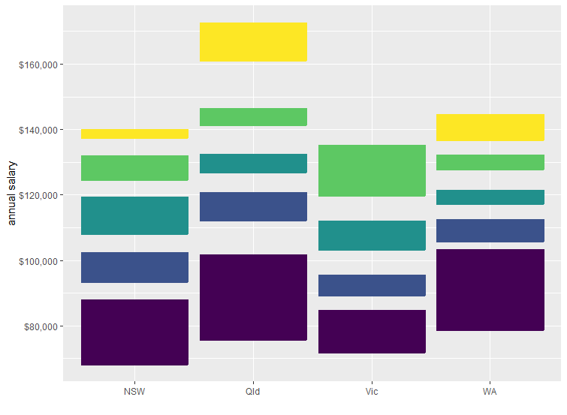
P-2.3 | $112,443 | HP4.1 | $112,241 | 2.3 | $99,507 | 3.3 | $95,491
P-3.1 | $117,368 | HP4.2 | $114,582 | 2.4 | $102,511 | 4.1 | $103,413
P-3.2 | $121,402 | HP4.3 | $117,574 | 3.1 | $108,229 | 4.2 | $106,164
P-4.1 | $127,938 | HP4.4 | $120,780 | 3.2 | $111,777 | 4.3 | $112,011
P-4.2 | $132,198 | HP5.1 | $126,974 | 3.3 | $115,344 | 5.1 | $119,893
P-5.1 | $136,870 | HP5.2 | $132,489 | 3.4 | $119,390 | 5.2 | $126,259
P-5.2 | $144,623 | HP6.1 | $141,467 | 4.1 | $124,705 | 5.3 | $135,149
P-6.1 | $150,626 | HP6.2 | $146,439 | 4.2 | $128,344
P-6.2 | $156,736 | HP7.1 | $161,151 | 4.3 | $131,953
P-7 | $165,664 | HP7.2 | $172,698 | 5.1 | $137,424
P-8 | $171,344 | HP8.1 | $178,959 | 5.2 | $140,007
P-9 | $177,819 | HP8.2 | $186,476 | 6.1 | $142,616
Class 1 | $187,612 | HP8.3 | $194,955 | 6.2 | $145,253
Class 2 | $197,406 | HP8.4 | $210,076
Class 3 | $207,195 | HP8.5 | $218,879
Class 4 | $216,985

Band | WA | Qld | NSW | Vic
1 min | $78,909 | $75,844 | $68,216 | $71,930
1 max | $103,257 | $101,751 | $88,011 | $84,853
2 min | $105,824 | $112,241 | $93,469 | $89,369
2 max | $112,443 | $120,780 | $102,511 | $95,491
3 min | $117,368 | $126,974 | $108,229 | $103,413
3 max | $121,402 | $132,489 | $119,390 | $112,011

