Parametric Analysis
 | T_inf (°C) | T_F (°C) | T_R (°C) | DT (°C) | h_C | Q_F (ton) | Q_R (ton) |  | T_F vs CoP
Max | 30 | -18 | 7 | 10 | 0.8 | 20 | 40 |  | T_R vs CoP
Min | 25 | -24 | 3 | 10 | 0.8 | 20 | 40 |  | T_inf vs CoP

 | Interp factors | h_g | s_g | p vs s | h_f | p vs T
 |  | 0.62 | -0.00125 | 0.0371625 | 1.48 | 0.2618
T_F vs CoP
T_inf (°C) | T_F (°C) | T_R (°C) | T_1 | h_1 | s_1 | p_1 | T_8 | p_8 | p_2 | s_2s | h_2 2.4 bar | h_2 2.8 bar | h_2s | h_2 | h_8 | T_5 | h_5 | p_5 | h_6 | h_7 | m_F | m_R | m_tot | h_3 | p_3 | s_3 2.4 bar | s_3 2.8 bar | s_3 | s_4 | p_4 | h_4 8 bar | h_4 9 bar | h_4s | h_4 | CoP
25 | -24 | 3 | -34 | 226.65 | 0.9481 | 0.7018 | -7 | 2.438 | 2.438 | 0.9481 | 255.56 | 250.00 | 250.53 | 256.50 | 244.31 | 35.00 | 98.780 | 8.87 | 98.780 | 98.780 | 33.002 | 57.995 | 91.00 | 248.73 | 2.44 | 0.9727 | 0.9243 | 0.9289 | 0.9289 | 8.87 | 277.38 | 290.85 | 279.1216 | 286.71887619 | 2.85
25 | -22.5 | 3 | -32.5 | 227.58 | 0.9462 | 0.7575 | -7 | 2.438 | 2.438 | 0.9462 | 256.08 | 250.52 | 251.05 | 256.92 | 244.31 | 35.00 | 98.780 | 8.87 | 98.780 | 98.780 | 32.764 | 57.995 | 90.76 | 248.86 | 2.44 | 0.9722 | 0.9243 | 0.9289 | 0.9289 | 8.87 | 277.40 | 290.86 | 279.1382 | 286.70688141 | 2.88
25 | -21 | 3 | -31 | 228.51 | 0.9443 | 0.8133 | -7 | 2.438 | 2.438 | 0.9443 | 256.60 | 251.05 | 251.58 | 257.34 | 244.31 | 35.00 | 98.780 | 8.87 | 98.780 | 98.780 | 32.529 | 57.995 | 90.52 | 248.99 | 2.44 | 0.9717 | 0.9243 | 0.9288 | 0.9288 | 8.87 | 277.41 | 290.88 | 279.1546 | 286.6949968 | 2.91
25 | -19.5 | 3 | -29.5 | 229.44 | 0.9425 | 0.8690 | -7 | 2.438 | 2.438 | 0.9425 | 257.12 | 251.57 | 252.10 | 257.76 | 244.31 | 35.00 | 98.780 | 8.87 | 98.780 | 98.780 | 32.298 | 57.995 | 90.29 | 249.12 | 2.44 | 0.9713 | 0.9243 | 0.9288 | 0.9288 | 8.87 | 277.43 | 290.90 | 279.1709 | 286.68322086 | 2.94
25 | -18 | 3 | -28 | 230.37 | 0.9406 | 0.9248 | -7 | 2.438 | 2.438 | 0.9406 | 257.65 | 252.09 | 252.62 | 258.18 | 244.31 | 35.00 | 98.780 | 8.87 | 98.780 | 98.780 | 32.069 | 57.995 | 90.06 | 249.25 | 2.44 | 0.9708 | 0.9243 | 0.9287 | 0.9287 | 8.87 | 277.45 | 290.91 | 279.1871 | 286.6715521 | 2.97

T_R vs CoP
T_inf (°C) | T_F (°C) | T_R (°C) | T_1 | h_1 | s_1 | p_1 | T_8 | p_8 | p_2 | s_2s | h_2 2.4 bar | h_2 2.8 bar | h_2s | h_2 | h_8 | T_5 | h_5 | p_5 | h_6 | h_7 | m_F | m_R | m_tot | h_3 | p_3 | s_3 2.4 bar | s_3 2.8 bar | s_3 | s_4 | p_4 | h_4 8 bar | h_4 9 bar | h_4s | h_4 | CoP
25 | -24 | 3 | -34 | 226.65 | 0.9481 | 0.7018 | -7 | 2.438 | 2.438 | 0.9481 | 255.56 | 250.00 | 250.53 | 256.50 | 244.31 | 35.00 | 98.780 | 8.87 | 98.780 | 98.780 | 33.002 | 57.995 | 91.00 | 248.73 | 2.44 | 0.9727 | 0.9243 | 0.9289 | 0.9289 | 8.87 | 277.38 | 290.85 | 279.1216 | 286.71887619 | 2.85
25 | -24 | 4 | -34 | 226.65 | 0.9481 | 0.7018 | -6 | 2.475 | 2.475 | 0.9481 | 255.56 | 250.00 | 251.05 | 257.15 | 244.35 | 35.00 | 98.780 | 8.87 | 98.780 | 98.780 | 33.002 | 57.980 | 90.98 | 248.99 | 2.48 | 0.9717 | 0.9243 | 0.9332 | 0.9332 | 8.87 | 276.03 | 289.46 | 277.7667 | 284.96059333 | 2.96
25 | -24 | 5 | -34 | 226.65 | 0.9481 | 0.7018 | -5 | 2.512 | 2.512 | 0.9481 | 255.56 | 250.00 | 251.57 | 257.80 | 244.38 | 35.00 | 98.780 | 8.87 | 98.780 | 98.780 | 33.002 | 57.965 | 90.97 | 249.25 | 2.51 | 0.9708 | 0.9243 | 0.9374 | 0.9374 | 8.87 | 274.73 | 288.13 | 276.4652 | 283.26911525 | 3.07
25 | -24 | 6 | -34 | 226.65 | 0.9481 | 0.7018 | -4 | 2.550 | 2.550 | 0.9481 | 255.56 | 250.00 | 252.08 | 258.44 | 244.42 | 35.00 | 98.780 | 8.87 | 98.780 | 98.780 | 33.002 | 57.951 | 90.95 | 249.51 | 2.55 | 0.9699 | 0.9243 | 0.9413 | 0.9413 | 8.87 | 273.49 | 286.85 | 275.2172 | 281.6444697 | 3.19
25 | -24 | 7 | -34 | 226.65 | 0.9481 | 0.7018 | -3 | 2.587 | 2.587 | 0.9481 | 255.56 | 250.00 | 252.60 | 259.09 | 244.46 | 35.00 | 98.780 | 8.87 | 98.780 | 98.780 | 33.002 | 57.936 | 90.94 | 249.77 | 2.59 | 0.9689 | 0.9243 | 0.9451 | 0.9451 | 8.87 | 272.30 | 285.63 | 274.0228 | 280.08668444 | 3.31

T_inf vs CoP
T_inf (°C) | T_F (°C) | T_R (°C) | T_1 | h_1 | s_1 | p_1 | T_8 | p_8 | p_2 | s_2s | h_2 2.4 bar | h_2 2.8 bar | h_2s | h_2 | h_8 | T_5 | h_5 | p_5 | h_6 | h_7 | m_F | m_R | m_tot | h_3 | p_3 | s_3 2.4 bar | s_3 2.8 bar | s_3 | s_4 | p_4 | h_4 8 bar | h_4 9 bar | h_4s | h_4 | CoP
25 | -24 | 3 | -34 | 226.65 | 0.9481 | 0.7018 | -7 | 2.438 | 2.438 | 0.9481 | 255.56 | 250.00 | 250.53 | 256.50 | 244.31 | 35.00 | 98.780 | 8.87 | 98.780 | 98.780 | 33.002 | 57.995 | 91.00 | 248.73 | 2.44 | 0.9727 | 0.9243 | 0.9289 | 0.9289 | 8.87 | 277.38 | 290.85 | 279.1216 | 286.71887619 | 2.85
26.25 | -24 | 3 | -34 | 226.65 | 0.9481 | 0.7018 | -7 | 2.438 | 2.438 | 0.9481 | 255.56 | 250.00 | 250.53 | 256.50 | 244.31 | 36.25 | 100.630 | 9.20 | 100.630 | 100.630 | 33.487 | 58.742 | 92.23 | 248.74 | 2.44 | 0.9726 | 0.9243 | 0.9289 | 0.9289 | 9.20 | 277.38 | 290.85 | 274.7154 | 281.20986518 | 3.17
27.5 | -24 | 3 | -34 | 226.65 | 0.9481 | 0.7018 | -7 | 2.438 | 2.438 | 0.9481 | 255.56 | 250.00 | 250.53 | 256.50 | 244.31 | 37.50 | 102.480 | 9.53 | 102.480 | 102.480 | 33.986 | 59.508 | 93.49 | 248.74 | 2.44 | 0.9726 | 0.9243 | 0.9289 | 0.9289 | 9.53 | 277.38 | 290.85 | 270.3092 | 275.70082629 | 3.58
28.75 | -24 | 3 | -34 | 226.65 | 0.9481 | 0.7018 | -7 | 2.438 | 2.438 | 0.9481 | 255.56 | 250.00 | 250.53 | 256.50 | 244.31 | 38.75 | 104.330 | 9.85 | 104.330 | 104.330 | 34.500 | 60.294 | 94.79 | 248.75 | 2.44 | 0.9726 | 0.9243 | 0.9289 | 0.9289 | 9.85 | 277.38 | 290.85 | 265.9030 | 270.1917583 | 4.13
30 | -24 | 3 | -34 | 226.65 | 0.9481 | 0.7018 | -7 | 2.438 | 2.438 | 0.9481 | 255.56 | 250.00 | 250.53 | 256.50 | 244.31 | 40.00 | 106.180 | 10.18 | 106.180 | 106.180 | 35.029 | 61.102 | 96.13 | 248.75 | 2.44 | 0.9726 | 0.9243 | 0.9289 | 0.9289 | 10.18 | 277.38 | 290.85 | 261.4968 | 264.68265994 | 4.91

Freezer Temperature Effect on CoP
Refrigerator Temperature Effect on CoP
Ambient Air Temperature Effect on CoP
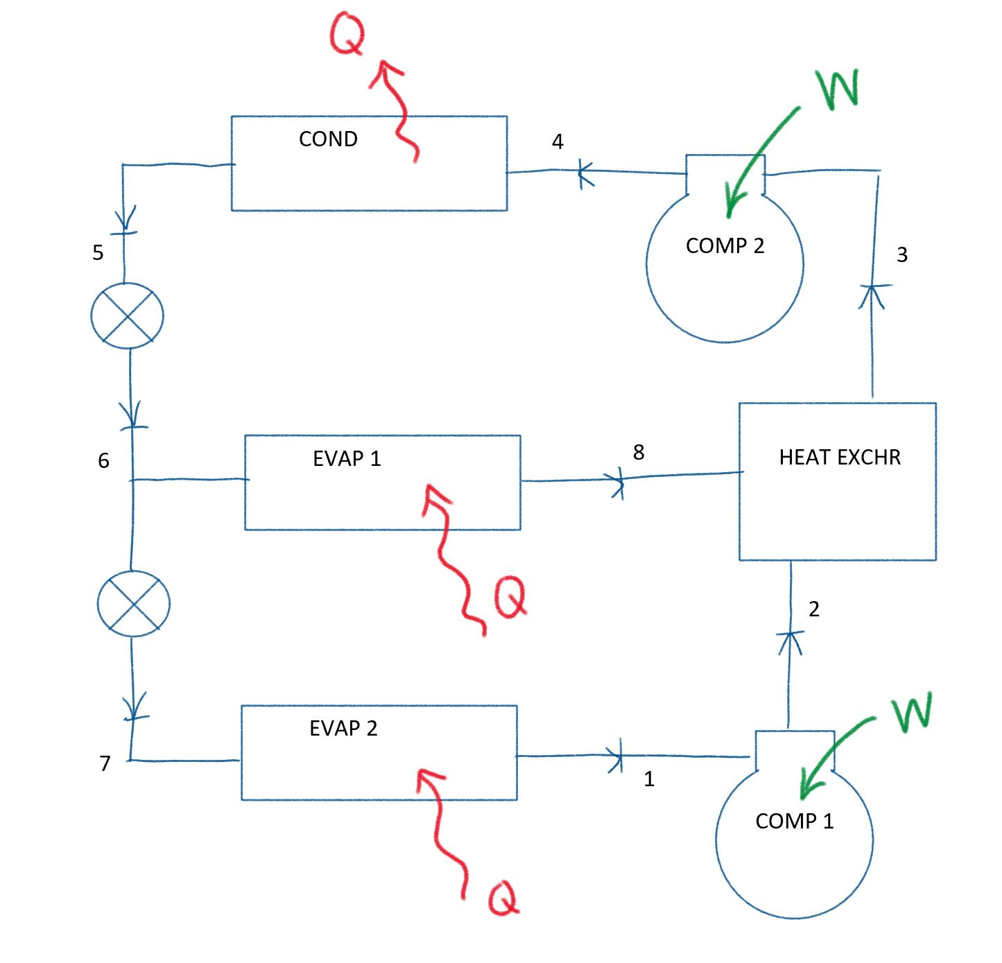

 |  |  |  |  | 0.020 |  |  |  |  |  |  | 0.114 |  |  |  |  |  |  | 0.407

