Combined Results
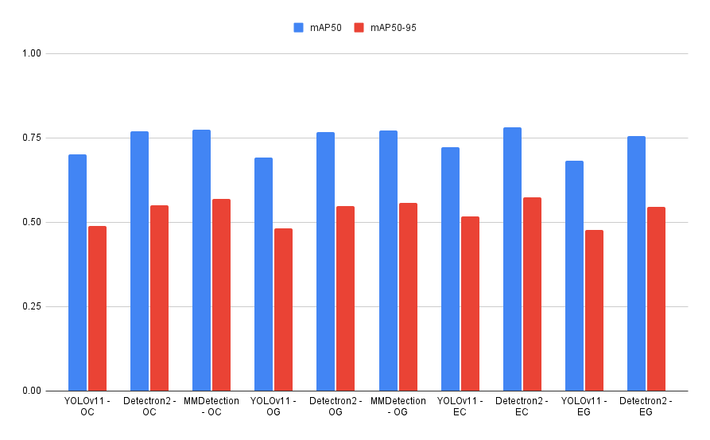
OC = Original Color
OG = Original Greyscale
EC = Enhanced Color
EG = Enhanced Greyscale
 | Class (All) |  |  |  |  |  | mAP50
Original Image size = 1280x1280 | Enhancment | Detector | Precision | Recall | mAP50 | mAP50-95 | Class | First | Second | Third
Enhanced Image size = 2048x2048 | Original - RGB | YOLOv11 - OC | 0.711 | 0.668 | 0.701 | 0.488 | House | MMDetection - OC (95.5%) | YOLOv11 - EC (94.9%) | YOLOv11 - OG (94.7%)
 |  | Detectron2 - OC | - | - | 0.76868 | 0.5497 | Propane | Detectron2 - EG (91.5%) | YOLOv11 - EC (87.6%) | YOLOv11 - EG (86%)
 |  | MMDetection - OC | - | - | 0.773 | 0.568 | Garage | MMDetection - OG (71.3%) | MMDetection - OC (70.2%) | YOLOv11 - EC (69.7%)
 | Original - Greyscale | YOLOv11 - OG | 0.647 | 0.677 | 0.692 | 0.481 | Trailer | MMDetection - OG (93.6%) | Detectron2 - EC (83.8%) | MMDetection - OC (83.1%)
 |  | Detectron2 - OG | - | - | 0.76802 | 0.54829 | Other | Detectron2 - OG (67.5%) | Detectron2 - OC (61.8%) | MMDetection - OC (61.3%)
 |  | MMDetection - OG | - | - | 0.772 | 0.557
 | Enhanced - RGB | YOLOv11 - EC | 0.695 | 0.677 | 0.722 | 0.517
 |  | Detectron2 - EC | - | - | 0.78059 | 0.57381 | mAP50 - 95
 | Enhanced - Greyscale | YOLOv11 - EG | 0.638 | 0.65 | 0.682 | 0.478 | Class | First | Second | Third
 |  | Detectron2 - EG | - | - | 0.75617 | 0.54487 | House | MMDetection - OC (81.9%) | YOLOv11 - EC (80.8%) | YOLOv11 - OG (80.2%)
 |  |  |  |  |  |  | Propane | Detectron2 - EG (47.7%) | Detectron2 - EC (45.6%) | Detectron2 - OG (43.6%)
 |  |  |  |  |  |  | Garage | MMDetection - OC (55.7%) | MMDetection - OG (54.1%) | Detectron2 - EC (53.3%)
 |  |  |  |  |  |  | Trailer | MMDetection - OG (62.4%) | Detectron2 - OC (60%) | Detectron2 - EC (58.6%)
 |  |  |  |  |  |  | Other | Detectron2 - OG (50.2%) | Detectron2 - EC (49.2%) | MMDetection - OC (46.8%)

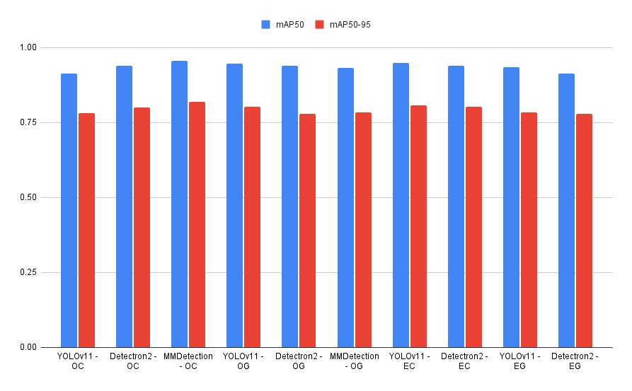

 | Class (Houses)
 | Enhancment | Detector | Precision | Recall | mAP50-95 | mAP50
 | Original - RGB | YOLOv11 - OC | 0.878 | 0.886 | 0.782 | 0.914
 |  | Detectron2 - OC | 0.815 | 0.9 | 0.79985 | 0.93916
 |  | MMDetection - OC | 0.818 | 0.918 | 0.819 | 0.955
 | Original - Greyscale | YOLOv11 - OG | 0.861 | 0.896 | 0.802 | 0.947
 |  | Detectron2 - OG | 0.851 | 0.87 | 0.77956 | 0.93776
 |  | MMDetection - OG | 0.785 | 0.896 | 0.783 | 0.933
 | Enhanced - RGB | YOLOv11 - EC | 0.845 | 0.922 | 0.808 | 0.949
 |  | Detectron2 - EC | 0.799 | 0.873 | 0.80179 | 0.93792
 | Enhanced - Greyscale | YOLOv11 - EG | 0.812 | 0.892 | 0.783 | 0.935
 |  | Detectron2 - EG | 0.806 | 0.896 | 0.77797 | 0.9128

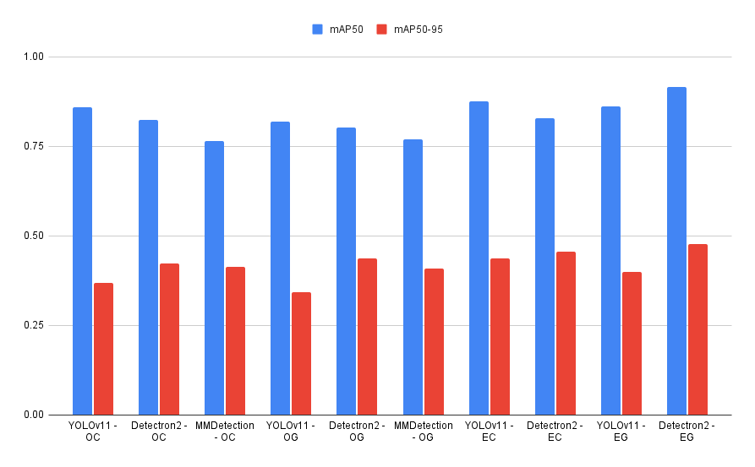

 | Class (Propane)
 | Enhancment | Detector | Precision | Recall | mAP50 | mAP50-95
 | Original - RGB | YOLOv11 - OC | 0.908 | 0.712 | 0.859 | 0.368
 |  | Detectron2 - OC | 0.665 | 0.61 | 0.82318 | 0.42247
 |  | MMDetection - OC | 0.678 | 0.615 | 0.765 | 0.414
 | Original - Greyscale | YOLOv11 - OG | 0.862 | 0.708 | 0.818 | 0.342
 |  | Detectron2 - OG | 0.727 | 0.656 | 0.80279 | 0.4358
 |  | MMDetection - OG | 0.636 | 0.636 | 0.769 | 0.408
 | Enhanced - RGB | YOLOv11 - EC | 0.909 | 0.667 | 0.876 | 0.436
 |  | Detectron2 - EC | 0.718 | 0.651 | 0.82889 | 0.45583
 | Enhanced - Greyscale | YOLOv11 - EG | 0.908 | 0.655 | 0.86 | 0.398
 |  | Detectron2 - EG | 0.541 | 0.703 | 0.91497 | 0.47674

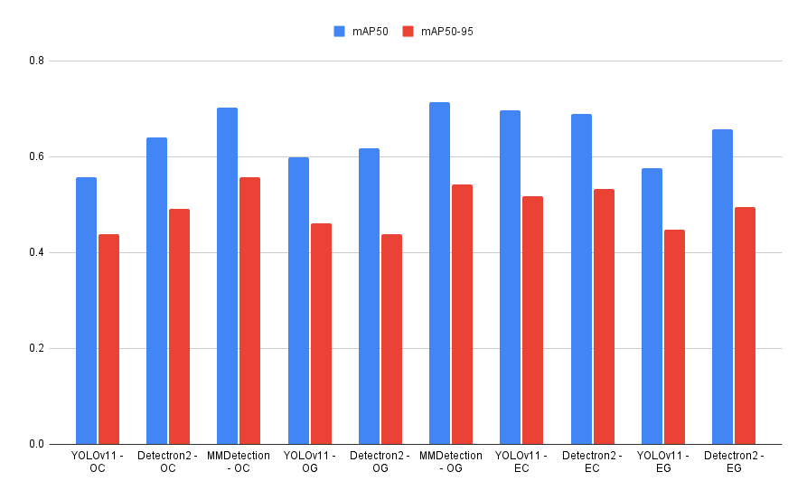

 | Class (Garage)
 | Enhancment | Detector | Precision | Recall | mAP50 | mAP50-95
 | Original - RGB | YOLOv11 - OC | 0.612 | 0.484 | 0.557 | 0.438
 |  | Detectron2 - OC | 0.493 | 0.581 | 0.64017 | 0.49134
 |  | MMDetection - OC | 0.543 | 0.613 | 0.702 | 0.557
 | Original - Greyscale | YOLOv11 - OG | 0.608 | 0.55 | 0.599 | 0.46
 |  | Detectron2 - OG | 0.722 | 0.629 | 0.61687 | 0.43793
 |  | MMDetection - OG | 0.486 | 0.565 | 0.713 | 0.541
 | Enhanced - RGB | YOLOv11 - EC | 0.636 | 0.705 | 0.697 | 0.518
 |  | Detectron2 - EC | 0.459 | 0.806 | 0.68826 | 0.53254
 | Enhanced - Greyscale | YOLOv11 - EG | 0.577 | 0.613 | 0.576 | 0.448
 |  | Detectron2 - EG | 0.429 | 0.629 | 0.65729 | 0.49392

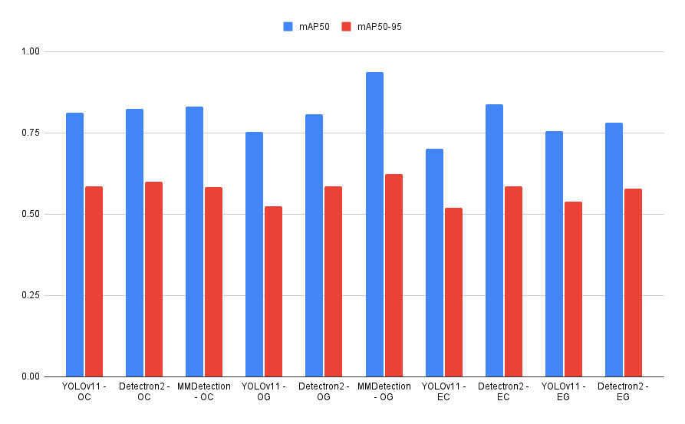

 | Class (Trailer)
 | Enhancment | Detector | Precision | Recall | mAP50 | mAP50-95
 | Original - RGB | YOLOv11 - OC | 0.772 | 0.703 | 0.812 | 0.586
 |  | Detectron2 - OC | 0.718 | 0.757 | 0.82315 | 0.5999
 |  | MMDetection - OC | 0.674 | 0.784 | 0.831 | 0.582
 | Original - Greyscale | YOLOv11 - OG | 0.693 | 0.73 | 0.753 | 0.525
 |  | Detectron2 - OG | 0.638 | 0.811 | 0.80791 | 0.58613
 |  | MMDetection - OG | 0.642 | 0.919 | 0.936 | 0.624
 | Enhanced - RGB | YOLOv11 - EC | 0.572 | 0.811 | 0.701 | 0.52
 |  | Detectron2 - EC | 0.625 | 0.811 | 0.83776 | 0.58647
 | Enhanced - Greyscale | YOLOv11 - EG | 0.611 | 0.811 | 0.756 | 0.538
 |  | Detectron2 - EG | 0.667 | 0.811 | 0.78056 | 0.57895

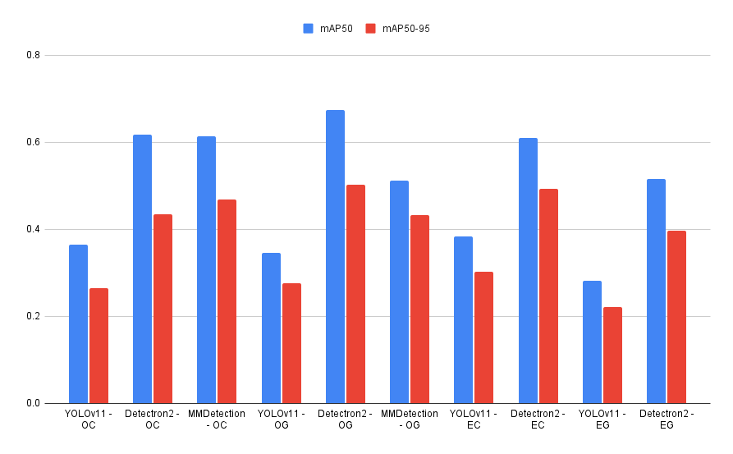

 | Class (Other)
 | Enhancment | Detector | Precision | Recall | mAP50 | mAP50-95
 | Original - RGB | YOLOv11 - OC | 0.384 | 0.556 | 0.364 | 0.264
 |  | Detectron2 - OC | 0.364 | 0.444 | 0.61776 | 0.43493
 |  | MMDetection - OC | 0.37 | 0.556 | 0.613 | 0.468
 | Original - Greyscale | YOLOv11 - OG | 0.21 | 0.5 | 0.345 | 0.276
 |  | Detectron2 - OG | 0.312 | 0.556 | 0.67476 | 0.50203
 |  | MMDetection - OG | 0.333 | 0.5 | 0.512 | 0.432
 | Enhanced - RGB | YOLOv11 - EC | 0.515 | 0.278 | 0.384 | 0.302
 |  | Detectron2 - EC | 0.286 | 0.556 | 0.61012 | 0.49242
 | Enhanced - Greyscale | YOLOv11 - EG | 0.284 | 0.278 | 0.281 | 0.222
 |  | Detectron2 - EG | 0.289 | 0.611 | 0.51522 | 0.39675

