Combined Results
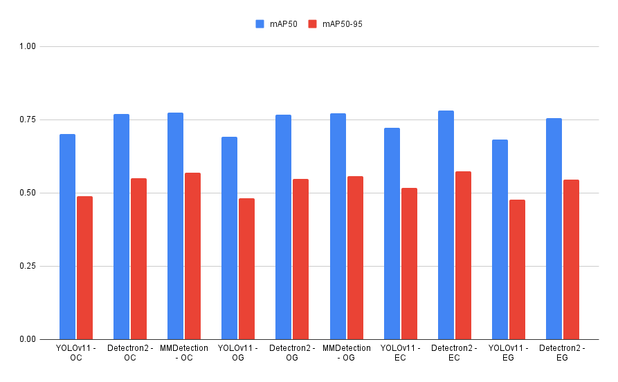
OC = Original Color
OG = Original Greyscale
EC = Enhanced Color
EG = Enhanced Greyscale
 | Class (All)
Original Image size = 1280x1280 | Enhancment | Detector | Precision | Recall | mAP50 | mAP50-95
Enhanced Image size = 2048x2048 | Original - RGB | YOLOv11 - OC | 0.703 | 0.695 | 0.701 | 0.488
 |  | Detectron2 - OC | - | - | 0.76868 | 0.5497
 |  | MMDetection - OC | - | - | 0.773 | 0.568
 | Original - Greyscale | YOLOv11 - OG | 0.66 | 0.676 | 0.692 | 0.481
 |  | Detectron2 - OG | - | - | 0.76802 | 0.54829
 |  | MMDetection - OG | - | - | 0.772 | 0.557
 | Enhanced - RGB | YOLOv11 - EC | 0.683 | 0.684 | 0.722 | 0.517
 |  | Detectron2 - EC | - | - | 0.78059 | 0.57381
 | Enhanced - Greyscale | YOLOv11 - EG | 0.632 | 0.675 | 0.682 | 0.478
 |  | Detectron2 - EG | - | - | 0.75617 | 0.54487

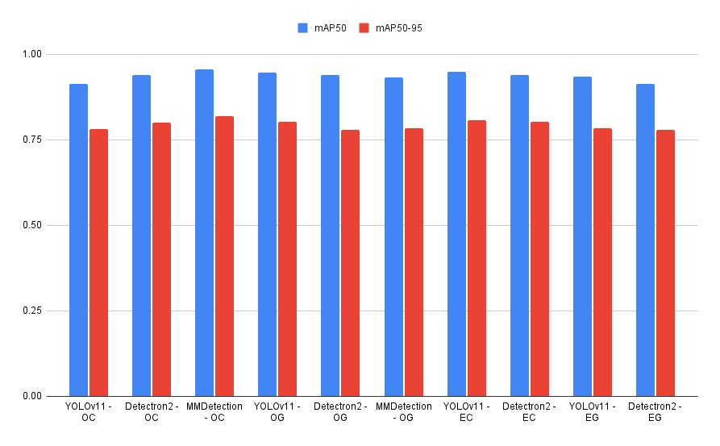

 | Class (Houses)
 | Enhancment | Detector | Precision | Recall | mAP50 | mAP50-95
 | Original - RGB | YOLOv11 - OC | 0.874 | 0.896 | 0.914 | 0.782
 |  | Detectron2 - OC | 0.821 | 0.907 | 0.93916 | 0.79985
 |  | MMDetection - OC | 0.831 | 0.933 | 0.955 | 0.819
 | Original - Greyscale | YOLOv11 - OG | 0.862 | 0.896 | 0.947 | 0.802
 |  | Detectron2 - OG | 0.862 | 0.885 | 0.93776 | 0.77956
 |  | MMDetection - OG | 0.7955 | 0.91 | 0.933 | 0.783
 | Enhanced - RGB | YOLOv11 - EC | 0.867 | 0.922 | 0.949 | 0.808
 |  | Detectron2 - EC | 0.808 | 0.877 | 0.93792 | 0.80179
 | Enhanced - Greyscale | YOLOv11 - EG | 0.819 | 0.911 | 0.935 | 0.783
 |  | Detectron2 - EG | 0.806 | 0.896 | 0.9128 | 0.77797

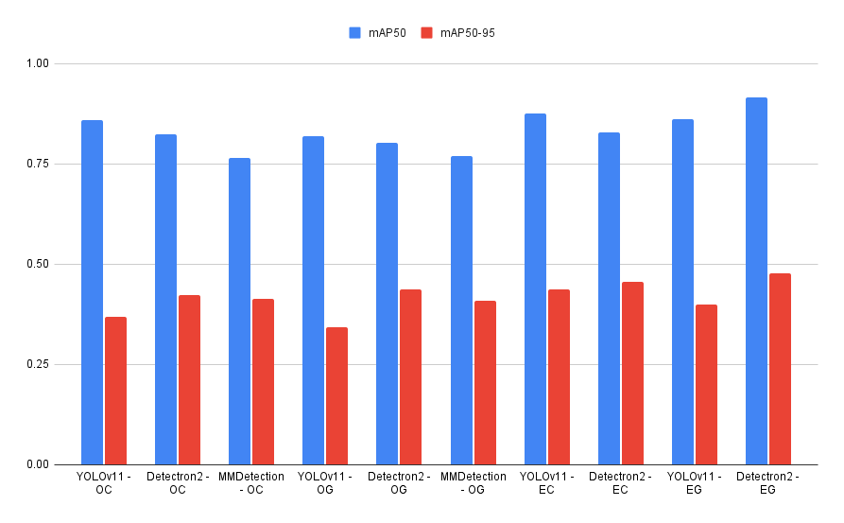

 | Class (Propane)
 | Enhancment | Detector | Precision | Recall | mAP50 | mAP50-95
 | Original - RGB | YOLOv11 - OC | 0.878 | 0.744 | 0.859 | 0.368
 |  | Detectron2 - OC | 0.832 | 0.764 | 0.82318 | 0.42247
 |  | MMDetection - OC | 0.819 | 0.744 | 0.765 | 0.414
 | Original - Greyscale | YOLOv11 - OG | 0.862 | 0.706 | 0.818 | 0.342
 |  | Detectron2 - OG | 0.847 | 0.764 | 0.80279 | 0.4358
 |  | MMDetection - OG | 0.7385 | 0.7385 | 0.769 | 0.408
 | Enhanced - RGB | YOLOv11 - EC | 0.901 | 0.682 | 0.876 | 0.436
 |  | Detectron2 - EC | 0.859 | 0.779 | 0.82889 | 0.45583
 | Enhanced - Greyscale | YOLOv11 - EG | 0.905 | 0.682 | 0.86 | 0.398
 |  | Detectron2 - EG | 0.704 | 0.913 | 0.91497 | 0.47674

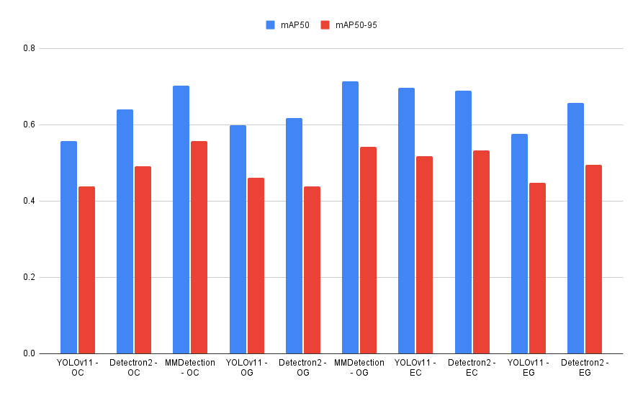

 | Class (Garage)
 | Enhancment | Detector | Precision | Recall | mAP50 | mAP50-95
 | Original - RGB | YOLOv11 - OC | 0.6 | 0.484 | 0.557 | 0.438
 |  | Detectron2 - OC | 0.521 | 0.613 | 0.64017 | 0.49134
 |  | MMDetection - OC | 0.557 | 0.629 | 0.702 | 0.557
 | Original - Greyscale | YOLOv11 - OG | 0.607 | 0.549 | 0.599 | 0.46
 |  | Detectron2 - OG | 0.483 | 0.677 | 0.61687 | 0.43793
 |  | MMDetection - OG | 0.5139 | 0.5968 | 0.713 | 0.541
 | Enhanced - RGB | YOLOv11 - EC | 0.636 | 0.726 | 0.697 | 0.518
 |  | Detectron2 - EC | 0.468 | 0.823 | 0.68826 | 0.53254
 | Enhanced - Greyscale | YOLOv11 - EG | 0.573 | 0.694 | 0.576 | 0.448
 |  | Detectron2 - EG | 0.462 | 0.677 | 0.65729 | 0.49392

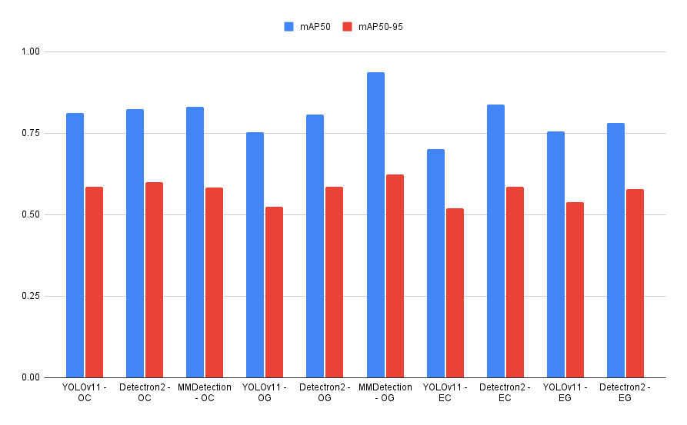

 | Class (Trailer)
 | Enhancment | Detector | Precision | Recall | mAP50 | mAP50-95
 | Original - RGB | YOLOv11 - OC | 0.774 | 0.742 | 0.812 | 0.586
 |  | Detectron2 - OC | 0.718 | 0.757 | 0.82315 | 0.5999
 |  | MMDetection - OC | 0.738 | 0.838 | 0.831 | 0.582
 | Original - Greyscale | YOLOv11 - OG | 0.693 | 0.73 | 0.753 | 0.525
 |  | Detectron2 - OG | 0.66 | 0.838 | 0.80791 | 0.58613
 |  | MMDetection - OG | 0.6792 | 0.9729 | 0.936 | 0.624
 | Enhanced - RGB | YOLOv11 - EC | 0.565 | 0.811 | 0.701 | 0.52
 |  | Detectron2 - EC | 0.667 | 0.865 | 0.83776 | 0.58647
 | Enhanced - Greyscale | YOLOv11 - EG | 0.6 | 0.811 | 0.756 | 0.538
 |  | Detectron2 - EG | 0.705 | 0.838 | 0.78056 | 0.57895

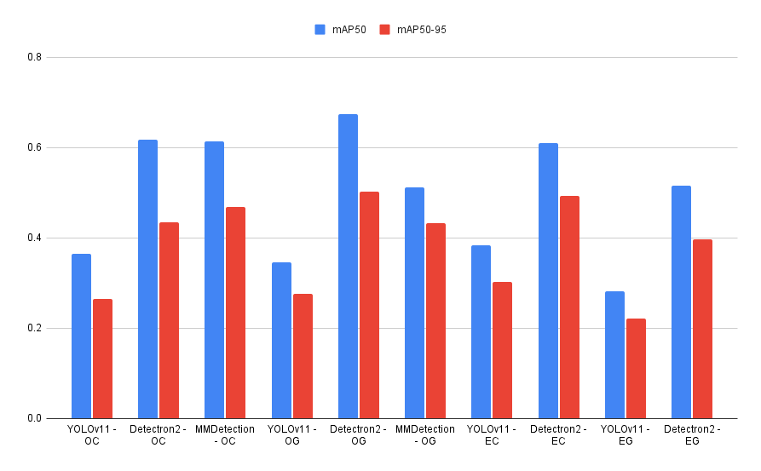

 | Class (Other)
 | Enhancment | Detector | Precision | Recall | mAP50 | mAP50-95
 | Original - RGB | YOLOv11 - OC | 0.39 | 0.611 | 0.364 | 0.264
 |  | Detectron2 - OC | 0.455 | 0.556 | 0.61776 | 0.43493
 |  | MMDetection - OC | 0.44 | 0.611 | 0.613 | 0.468
 | Original - Greyscale | YOLOv11 - OG | 0.275 | 0.5 | 0.345 | 0.276
 |  | Detectron2 - OG | 0.353 | 0.667 | 0.67476 | 0.50203
 |  | MMDetection - OG | 0.3333 | 0.5 | 0.512 | 0.432
 | Enhanced - RGB | YOLOv11 - EC | 0.444 | 0.278 | 0.384 | 0.302
 |  | Detectron2 - EC | 0.314 | 0.611 | 0.61012 | 0.49242
 | Enhanced - Greyscale | YOLOv11 - EG | 0.263 | 0.278 | 0.281 | 0.222
 |  | Detectron2 - EG | 0.316 | 0.667 | 0.51522 | 0.39675

