Axial Forces
Shaft 1 | Directions | Shaft 2 | Directions | Shaft 3 | Directions | Shaft 4 | Directions | Shaft 5 | Directions | Shaft 6 | Directions | Shaft 7 | Directions | Shaft 8 | Directions
F4,3 (lb) |  | F11,10 (lb) |  | F7,6 (lb) |  | F2,1 (lb) |  | F1,2+F1,12 (lb) |  | F6,7 (lb) |  | F9,8 (lb) |  | F12,1+F12,5
475.003142 | -y | 222.2985893 | -x | 211.1125075 | +y | 133.3791536 | +x | 244.5284482 | -x | 105.5562538 | -x | 111.1492946 | +x | 88.91943571 | +x
 |  |  |  |  |  | F3,4 (lb) |  | F8,9 (lb) |  | F5,1 (lb) |  | F10,11 (lb)
 |  |  |  |  |  | 237.501571 | +x | 111.1492946 | -x | 88.91943571 | +x | 222.2985893 | +x
 |  |  |  |  |  | Net Thrust |  | Net Thrust |  | Net Thrust |  | Net Thrust
 |  |  |  |  |  | 370.8807246 | +x | 355.6777428 | -x | 16.63681809 | -x | 333.4478839 | +x

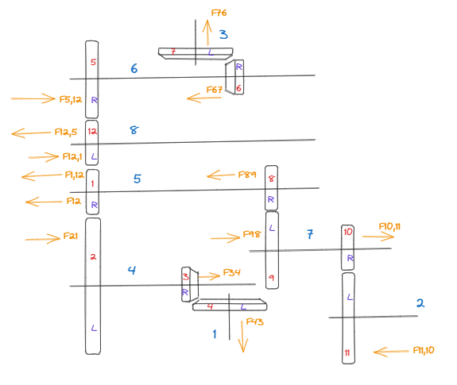
+x
+y
 |  |  |  |  |  |  |  |  |  | Analysis was done based on mode 3 i.e.
 |  |  |  |  |  |  |  |  |  | That is 1, 12,5,6 and 7 has no power flow.
 |  |  |  |  |  |  |  |  |  | I.e. no forces between 1,12 5,6 qand 7.

Mode 1
Shaft 1 | Directions | Shaft 2 | Directions | Shaft 3 | Directions | Shaft 4 | Directions
F4,3 (lb) |  | F11,10 (lb) |  | F7,6 (lb) |  | F2,1 (lb)
475.003142 | -y | 222.2985893 | -x | 211.1125075 | +y | 133.3791536 | +x
 |  |  |  |  |  | F3,4 (lb)
 |  |  |  |  |  | 237.501571 | +x
 |  |  |  |  |  | Net Thrust
 |  |  |  |  |  | 370.8807246 | +x

Shaft 5 | Directions | Shaft 6 | Directions | Shaft 7 | Directions | Shaft 8 | Directions
F1,2+F1,12 (lb) |  | F6,7 (lb) |  | F9,8 (lb) |  | F12,1+F12,5
244.5284482 | -x | 105.5562538 | -x | 111.1492946 | +x | 88.91943571 | +x
F8,9 (lb) |  | F5,12 (lb) |  | F10,11 (lb)
111.1492946 | -x | 88.91943571 | +x | 222.2985893 | +x
Net Thrust |  | Net Thrust |  | Net Thrust
355.6777428 | -x | 16.63681809 | -x | 333.4478839 | +x

Shaft 1
Shaft Length (in) | Bearing 1 Location (in) | Bearing 2 Location (in) | Shear Bearing 1 (lbs) | Shear Bearing 2 (lbs) | Moment Bearing 1 (lbin) | Moment Bearing 2 (lbin) |  |  |  |  |  |  |  |  |  |  | SKF is manufacturer of choice for selection.
4.25 | 2 | 3.5 | 1478.3 | 1518.99 | 2269.91 | 0.1688 |  |  |  |  |  |  |  |  |  |  | Mott recommends using upto date manufacturer catalogs for selection.

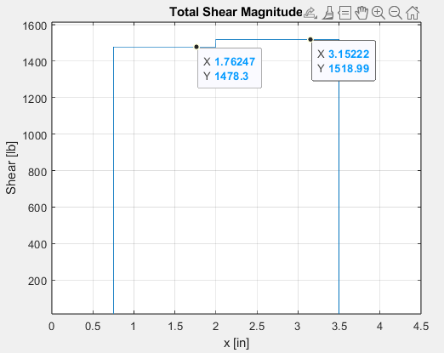
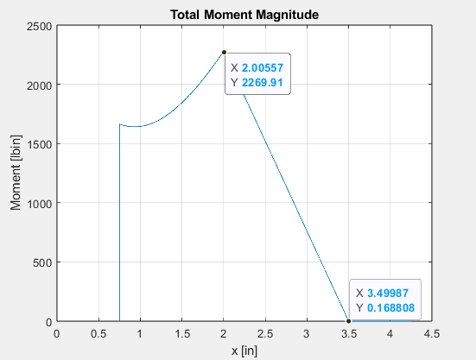

Gear # | No. | Power | Rotational Speed | Torque | Diametral | Pitch Diameter | Spiral | Pressure | Pinion | Face | Mean Radius | Tangential Force | Radial Force | Axial Force | Pitch Line Velocity (fpm) | Quality
 | Teeth | Transmitted (hp) | (rpm) | (lb-in) | Pitch |  | Angle | Angle | Pitch Cone | Width | Of Pinion | (lb) | (lb) | (lb) |  | Number
 |  |  |  |  |  |  | (degrees) | (degrees) | Angle | (in)
 |  |  |  |  |  |  |  |  | (degrees)
4 | 36 | 24 | 450 | 3360 | 6 | 6 | 35 | 20 | n/a | 1 | n/a | 1459.101892 | 237.501571 | 475.003142 | 706.8583471 | A10

Let Bearing 1 and 2 be regular ball bearing. Bearing 1 resists thrust load.

Design life for the bearing is same as for the gears 25000 hours. See table 14-4 Mott.
Design revolutions for both bearings are = |  |  |  |  | 6.75E+08

Bearing 2 Equivalent Load (lb): | V=1 as inner race rotates | Minimum diameter at Bearing 1 Location (in) | Basic Dynamic Load Rating (lb) | k=3 for ball bearing
1518.99 |  | 0.97" | 13324.661113

The smallest ball bearing w.r.t table 14-3 that supports a Basic Dynamic load > 13300 lbs is Bearing Number 6310.

Bearing 1 Equivalent Load (lb): | V=1 as inner race rotates | Minimum diameter at Bearing 1 Location (in) | Basic Dynamic Load Rating (lb) | k=3 for ball bearing | Axial load (lb)
1540.348 |  | 1.35" (34.29mm) | 1.35E+04 |  | 475

Can try reusing the same bearing as Bearing 2 i.e. 6310.

Basic Static Load Rating (lb) | T/C0 | X | Y | New Bearing 1 Equivalent Load (lb): | New Basic Dynamic Load Rating (lb)
8543 | 0.055601076905 | 0.56 | 1.7 | 1635.348 | 14345.35968

New basic dynamic load > than that for 6310.
Can try 6311.

Basic Static Load Rating (lb) | T/C0 | X | Y (extrapolate) |  | T/Co | Y |  | New Bearing 1 Equivalent Load (lb): | New Basic Dynamic Load Rating (lb)
10117 | 0.046950677078 | 0.56 | 1.8 |  | 0.028 | 1.99 |  | 1717.59488 | 15066.833689
 |  |  |  |  | 0.047 | 1.8
 |  |  |  |  | 0.056 | 1.71

Can support new Dynamic load with 6311.

 |  |  |  |  |  |  |  |  | Bearing 2 : 6310
 |  |  |  |  |  |  |  |  | Bearing 1: 6311

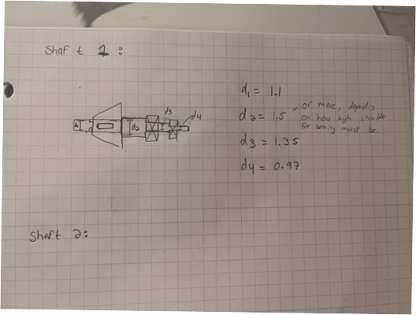

 |  |  |  |  |  |  |  | Retaininf ring: 0.55
 |  |  |  |  |  |  |  | d1 = choose basic size- 0.583 (after applying rr 1.06 factor)
 |  |  |  |  |  |  |  | d2= choose basic size
 |  |  |  |  |  |  |  | d3= 55mm / 2.1654"
 |  |  |  |  |  |  |  | d4= 50mm/1.9685"

Shaft 1 Tapered
Shaft Length (in) | Bearing 1 Location (in) | Bearing 2 Location (in) | Shear Bearing 1 (lbs) | Shear Bearing 2 (lbs) | Moment Bearing 1 (lbin) | Moment Bearing 2 (lbin) |  | Support Bearings |  |  |  |  |  |  |  |  | SKF is manufacturer of choice for selection.
4.25 | 2 | 3.5 | 1478.3 | 1518.99 | 2269.91 | 0.1688 |  |  |  |  |  |  |  |  |  |  | Mott recommends using upto date manufacturer catalogs for selection.

Gear # | No. | Power | Rotational Speed | Torque | Diametral | Pitch Diameter | Spiral | Pressure | Pinion | Face | Mean Radius | Tangential Force | Radial Force | Axial Force | Pitch Line Velocity (fpm) | Quality
 | Teeth | Transmitted (hp) | (rpm) | (lb-in) | Pitch |  | Angle | Angle | Pitch Cone | Width | Of Pinion | (lb) | (lb) | (lb) |  | Number
 |  |  |  |  |  |  | (degrees) | (degrees) | Angle | (in)
 |  |  |  |  |  |  |  |  | (degrees)
4 | 36 | 24 | 450 | 3360 | 6 | 6 | 35 | 20 | n/a | 1 | n/a | 1459.101892 | 237.501571 | 475.003142 | 706.8583471 | A10

Let Bearing 1 and 2 be regular ball bearing. Bearing 1 resists thrust load.

Design life for the bearing is same as for the gears 25000 hours. See table 14-4 Mott.
Design revolutions for both bearings are = |  |  |  |  | 6.75E+08

Bearing 1 Radial Force (lb) | Bearing 2 Radial Force (lb) | Thrust Force(lb) | Equivalent load Bearing 1 | Equivalent load Bearing 2 | Basic Dynamic Load Bearing 1 | Basic Dynamic Load Bearing 2
1478.3 | 1518.99 | 475.003142 | 2.18E+03 | 1518.99 | 1.54E+04 | 1.07E+04

Equivalent load Bearing 1 | Equivalent load Bearing 2 | Basic Dynamic Load Bearing 1 | Basic Dynamic Load Bearing 2 |  | Bearing 2 is satisfied and 30206 works.
2.40E+03 | 1518.99 | 1.69E+04 | 1.07E+04

Equivalent load Bearing 1 | Equivalent load Bearing 2 | Basic Dynamic Load Bearing 1 | Basic Dynamic Load Bearing 2 |  | Bearing 1 satisfied by 33206.
2.30E+03 | 1518.99 | 1.62E+04 | 1.07E+04

 |  |  |  |  |  |  | We can use a single tapered bearing since we know the direction of the axial forces. Even the ball bearings will suffice.

 |  |  |  |  |  |  |  |  |  |  |  |  | BEARING 1 (33206): |  |  |  |  | Bearing 2 (30206)
 |  |  |  |  |  |  |  |  |  |  |  |  | Width: 0.98425 |  |  |  |  | https://medias-at.schaeffler.com/en/product/rotary/rolling-and-plain-bearings/roller-bearings/tapered-roller-bearings/30206-a/p/383368
 |  |  |  |  |  |  |  |  |  |  |  |  | radius shaft: 0.5905
 |  |  |  |  |  |  |  |  |  |  |  |  | Shoulder radius: ( 0.7085) |  |  |  |  |  | Radius shaft:0.5905
 |  |  |  |  |  |  |  |  |  |  |  |  |  |  |  |  |  |  | Width : 0.679
 |  |  |  |  |  |  |  |  |  |  |  |  |  |  |  |  |  |  | Shoulder radius (0.7085-0.7285)

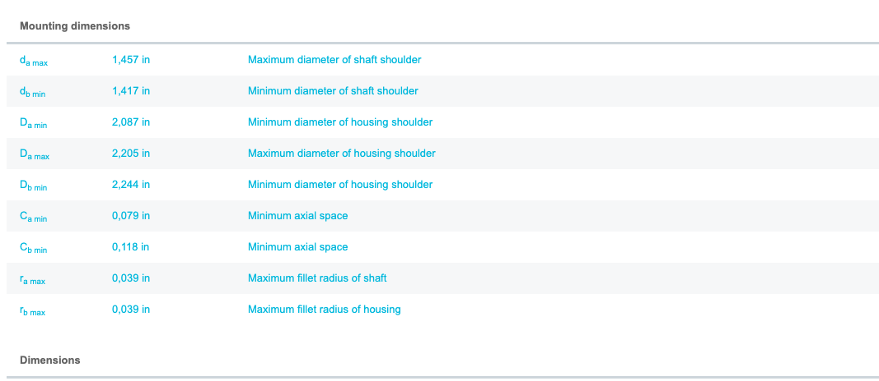

 | https://medias-at.schaeffler.com/en/product/rotary/rolling-and-plain-bearings/roller-bearings/tapered-roller-bearings/33206/p/383840

Shaft 2
Shaft Length (in) | Bearing 1 Location (in) | Bearing 2 Location (in) | Shear Bearing 1 (lbs) | Shear Bearing 2 (lbs) | Moment Bearing 1 (lbin) | Moment Bearing 2 (lbin) |  | Support Bearings
6 | 0.5 | 5.5 | 587.748 | 331.831 | 0 | 0.11755

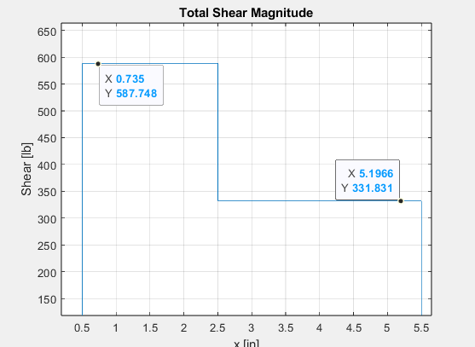
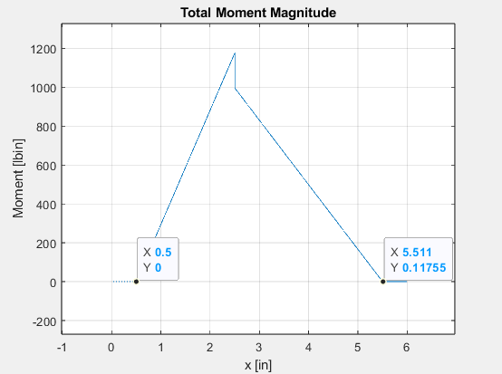

Gear # | No. Teeth | Gear Diameter (in) | Max Power Transmitted (hp) | Face Width (in) | Helix Angle (Degrees) | Normal Pressure Angle (Degrees) | Transverse Pressure Angle (Degrees) | Rotational Speed (rpm) | Torque (lb-in) | Number of Load Cycles / Revolution | Pitch Line Velocity (fpm) | Tangential Force (lb) | Radial Force (lb) | Axial Force (lb) | Normal Force (lb)
11 | 45 | 5.625 | 20 | 3 | 15 | 20 | 20.646896487 | 540 | 2333.3333333 | 1 | 795.21564044 | 829.62962963 | 312.6125034 | 222.29858928 | 914.01781297

Let Bearing 1 and 2 be regular ball bearing. Bearing 1 resists thrust load.

Design life for the bearing is same as for the gears 25000 hours. See table 14-4 Mott.
Design revolutions for both bearings are = |  |  |  |  | 6.75E+08

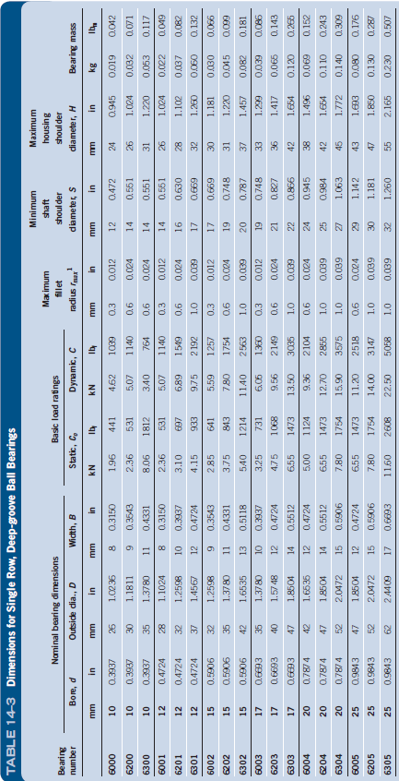
Bearing 2 Equivalent Load (lb): | V=1 as inner race rotates | Minimum diameter at Bearing 1 Location (in) | Basic Dynamic Load Rating (lb) | k=3 for ball bearing | 6305 is first bearing with sufficient C value and bore diameter greater than minimum.
331.831 |  | 0.85 | 2.91E+03

Bearing 1 Equivalent Load (lb): | V=1 as inner race rotates | Minimum diameter at Bearing 1 Location (in) | Basic Dynamic Load Rating (lb) | k=3 for ball bearing | Axial load (lb) | 6306 has bore greater than min. dia and sufficient C value.
662.58676395 |  | 0.7 | 5.81E+03 |  | 222.29858928

Basic Static Load Rating (lb) | T/C0 | X | Y (extrapolate) | New Bearing 1 Equivalent Load (lb): | New Basic Dynamic Load Rating (lb) |  | T/Co | Y
3597 | 0.061801109056 | 0.56 | 1.6768571429 | 743.81156509 | 6.52E+03 |  | 0.056 | 1.71
 |  |  |  |  |  |  | 0.0618 | 1.6768571429
New basic dynamic load > 6317 lbf, iterate again |  |  |  |  |  |  | 0.084 | 1.55

Basic Static Load Rating (lb) | T/C0 | X | Y (extrapolate) | New Bearing 1 Equivalent Load (lb): | New Basic Dynamic Load Rating (lb) |  | T/Co | Y | Try 6307.
4272 | 0.052036186628 | 0.56 | 1.75 | 760.07111905 | 6.67E+03 |  | 0.028 | 1.99
 |  |  |  |  |  |  | 0.052 | 1.75
Satisfied |  |  |  |  |  |  | 0.056 | 1.71

 |  |  |  |  |  | Bearing 1: 6307
 |  |  |  |  |  | Bearing 2: 6305

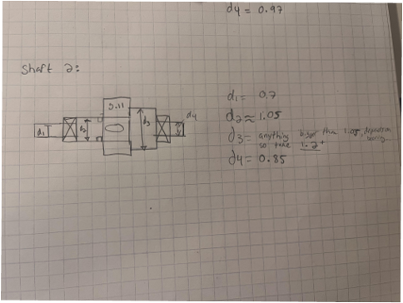

 |  |  |  |  |  |  |  |  | d1= 35mm / 1.3780"
 |  |  |  |  |  |  |  |  | d2= choose basic size > 35mm, gear 11 has pitch diameter 5.625"
 |  |  |  |  |  |  |  |  | d3= choose basic size
 |  |  |  |  |  |  |  |  | d4= 25mm / 0.9483"

Shaft 3
Shaft Length (in) | Bearing 1 Location (in) | Bearing 2 Location (in) | Shear Bearing 1 (lbs) | Shear Bearing 2 (lbs) | Moment Bearing 1 (lbin) | Moment Bearing 2 (lbin) |  | Support Bearings
4.25 | 2 | 3.5 | 675.101 | 675.101 | 1012.57 | 0.075

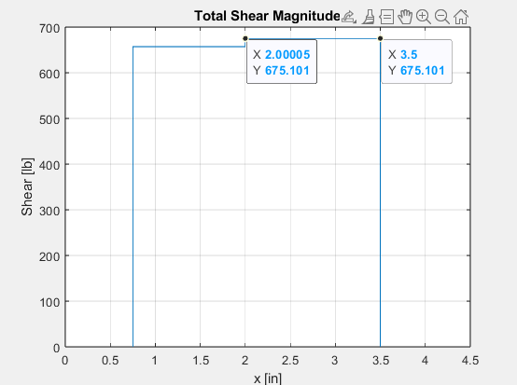
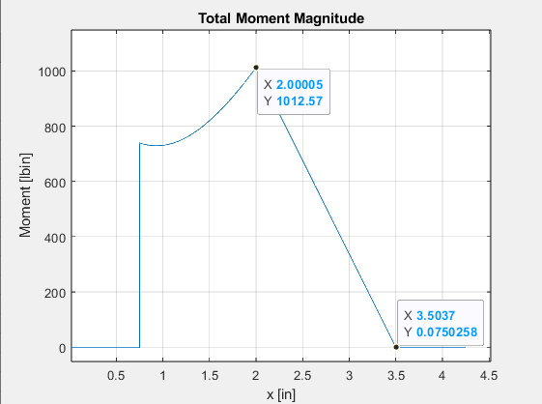

Shaft 3 Axial Force | Directions |  | Bearing 1 Minimum Dia | Bearing 2 Minimum Dia
F7,6 (lb) |  |  | 1.05 | 0.6
211.1125075 | +y

Let Bearing 1 and 2 be regular ball bearing. Bearing 1 resists thrust load.

Design life for the bearing is same as for the gears 25000 hours. See table 14-4 Mott.
Design revolutions for both bearings are = |  |  |  |  | 6.75E+08

Bearing 2 Equivalent Load (lb): | V=1 as inner race rotates | Minimum diameter at Bearing 1 Location (in) | Basic Dynamic Load Rating (lb) | k=3 for ball bearing |  | 6306 has sufficient C-value and bore diameter.
675.101 |  | 0.6 | 5.92E+03

Bearing 1 Equivalent Load (lb): | V=1 as inner race rotates | Minimum diameter at Bearing 1 Location (in) | Basic Dynamic Load Rating (lb) | k=3 for ball bearing | Axial load (lb) |  | 6307 has sufficient C-value and bore diameter.
694.72532125 |  | 1.05 | 6.09E+03 |  | 211.1125075

Basic Static Load Rating (lb) | T/C0 | X | Y | New Bearing 1 Equivalent Load (lb): | New Basic Dynamic Load Rating (lb) |  | T/Co | Y |  | Satisfied
4272 | 0.049417721793 | 0.56 | 1.7758227821 | 752.9549604 | 6.60E+03 |  | 0.028 | 1.99
 |  |  |  |  |  |  | 0.049417721793 | 1.7758227821
 |  |  |  |  |  |  | 0.056 | 1.71

 |  |  |  |  |  |  | Bearing 1: 6307
 |  |  |  |  |  |  | Bearing 2: 6306 |  |  |  | ISSUE: 6306 requires a larger shoulder diameter than 6307' bore diamter; solution is to upsize 6307 bearing to a 6308...

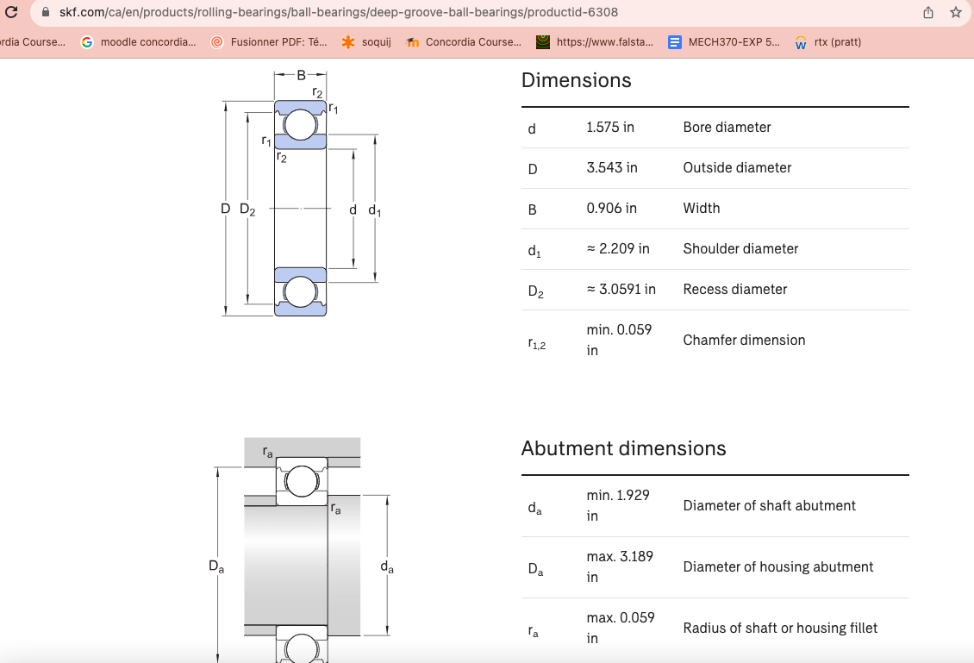
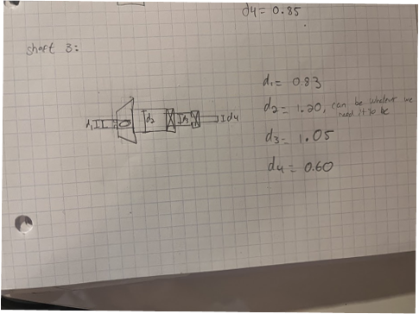

 |  |  |  |  |  |  |  |  | d1= choose basic size
 |  |  |  |  |  |  |  |  | d2= choose basic size
 |  |  |  |  |  |  |  |  | d3= 35mm / 1.378"
 |  |  |  |  |  |  |  |  | d4= 30mm / 1.1811"

Shaft 4
Shaft Length (in) | Bearing 1 Location (in) | Bearing 2 Location (in) | Shear Bearing 1 (lbs) | Shear Bearing 2 (lbs) | Moment Bearing 1 (lbin) | Moment Bearing 2 (lbin) |  | Support Bearings
12 | 0.5 | 9 | 479.359 | 1156.89 | 0 | 2430.08
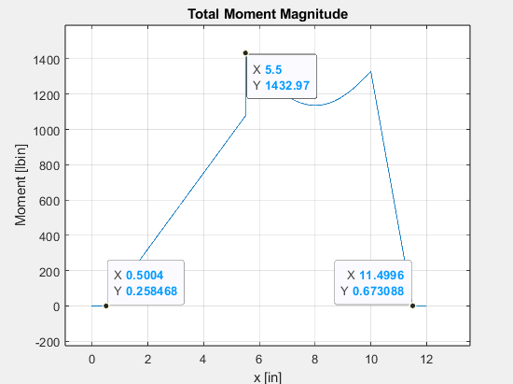

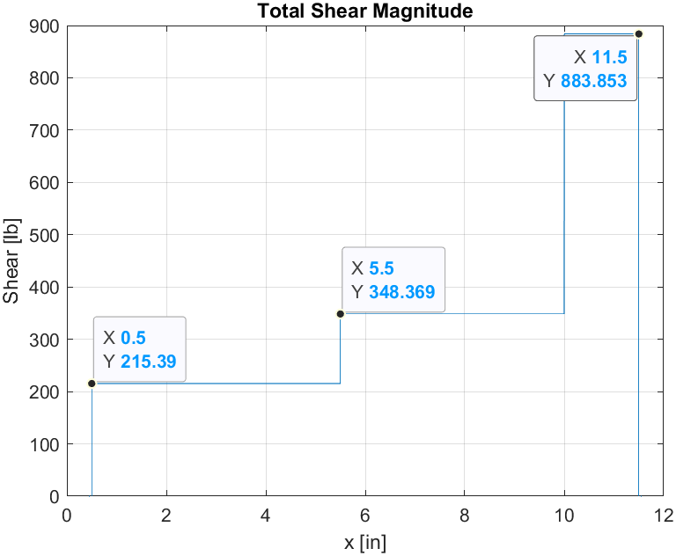

Gear 2 Rollerised:
Gear 2 Location (in) | Shear Gear 2 (lbs) | Moment Gear 2 (lbin)
5.5 | 479.359 | 2396.99

Shaft 4 | Directions |  | Bearing 1 Minimum Dia | Bearing 2 Minimum Dia | Gear 2 Minimum Dia
F2,1 (lb) |  |  | 0.62 | 1.89 | 1.87
133.3791536 | +x
F3,4 (lb)
237.501571 | +x
Net Thrust
370.8807246 | +x

Let Bearing 1 and 2 be regular ball bearing. Bearing 1 resists thrust load.

Design life for the bearing is same as for the gears 25000 hours. See table 14-4 Mott.
Design revolutions for both bearings are = |  |  |  |  | 6.75E+08

Bearing 2 Equivalent Load (lb): | V=1 as inner race rotates | Minimum diameter at Bearing 1 Location (in) | Basic Dynamic Load Rating (lb) | k=3 for ball bearing | 6310 has sufficient bore diameter and C value. |  |  |  | 1.969 |  | 8543 | 14613
1156.89 |  | 1.89 | 1.01E+04

Bearing 1 Equivalent Load (lb): | V=1 as inner race rotates | Minimum diameter at Bearing 1 Location (in) | Basic Dynamic Load Rating (lb) | k=3 for ball bearing | Axial load (lb) | Try 6306
824.7621269 |  | 0.5 | 7.23E+03 |  | 370.8807246

Basic Static Load Rating (lb) | T/C0 | X | Y | New Bearing 1 Equivalent Load (lb): | New Basic Dynamic Load Rating (lb) |  | T/Co | Y | 6306 is satisfactory.
3597 | 0.10310834712 | 0.56 | 1.4765063572 | 816.04878764 | 7.16E+03 |  | 0.084 | 1.55
 |  |  |  |  |  |  | 0.10310834712 | 1.4765063572
 |  |  |  |  |  |  | 0.11 | 1.45

 |  |  |  |  |  |  | Bearing 1: 6306
 |  |  |  |  |  |  | Bearing 2: 6308

Gear 2 Equivalent Load (lb): | V=1 as inner race rotates | Minimum diameter at Bearing 1 Location (in) | Basic Dynamic Load Rating (lb) | k=3 for ball bearing | 6007 satisfies bore size and C-value
479.359 |  | 1.18 | 4.20E+03
 |  |  |  |  | a 6x06 bearing would also work but would not give us a step in the shaft.
 |  |  |  |  |  |  | Bearing Gear 2: 6304 |  |  | - this will not give a high enough shaft diamter to satisfy bearing 1' shoulder requiremetns, must size up..
 |  |  |  |  |  |  | Final Bearing Gear 2: 6008

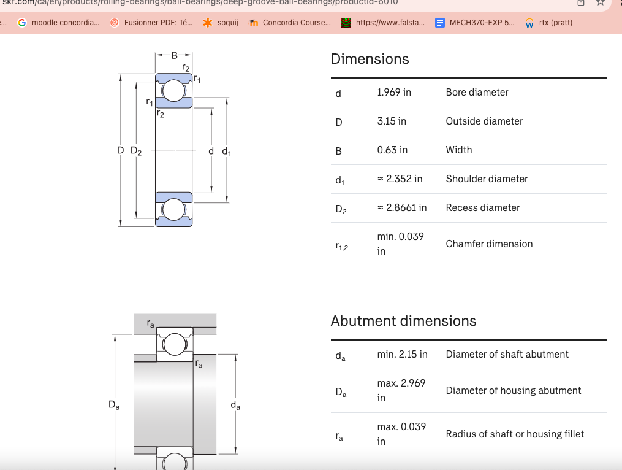
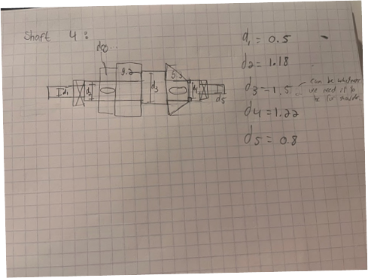
 |  |  |  |  |  |  |  | d1 = 30mm / 1.1811"
 |  |  |  |  |  |  |  | d2 = 35mm / 1.575" |  | WILL NEED A 6008 BEARING in order to satisfy min shoulder of bearing 1 (6306 bearing, min 1.4 d)....
 |  |  |  |  |  |  |  | d3= choose basic size
 |  |  |  |  |  |  |  | d4= choose basic size > 40mm, might eat into teeth of bevel
 |  |  |  |  |  |  |  | d5 =40mm / 1.5748"

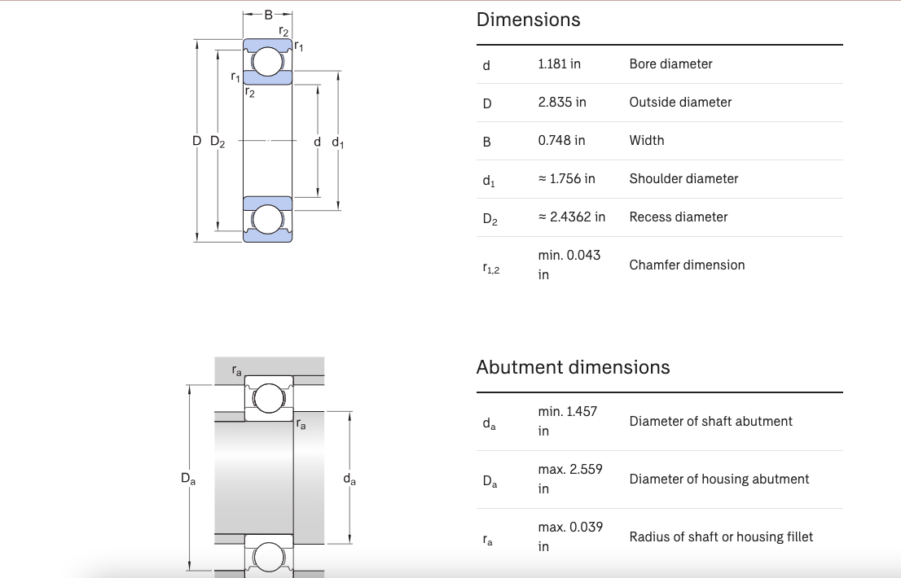
 |  |  |  |  |  |  |  | v2 |  |  |  |  | 6306 beARING,
 |  |  |  |  |  |  |  | d1 = 30mm / 1.1811"
 |  |  |  |  |  |  |  | d2 = 35mm / 1.378"
 |  |  |  |  |  |  |  | d3= choose basic size
 |  |  |  |  |  |  |  | d4= choose basic size > 35mm
 |  |  |  |  |  |  |  | d5 =35mm / 1.378"

Try to find smaller bearing for bearing 2 on SKF.

 | Satisfies minimum bore and C-value.

 |  |  |  |  |  |  |  | Bearing 2: 6307 because previous bearing inetrfered w/ gear 4, output bevel.

 |  |  |  |  |  |  |  | Might shift to the only cylindrical roller bearing i.e. N 207 ECP.

Shaft 5
Shaft Length (in) | Bearing 1 Location (in) | Bearing 2 Location (in) | Shear Bearing 1 (lbs) | Shear Bearing 2 (lbs) | Moment Bearing 1 (lbin) | Moment Bearing 2 (lbin) |  | Support Bearings
12 | 2.5 | 11.5 | 155.885 | 370.481 | 0 | 0

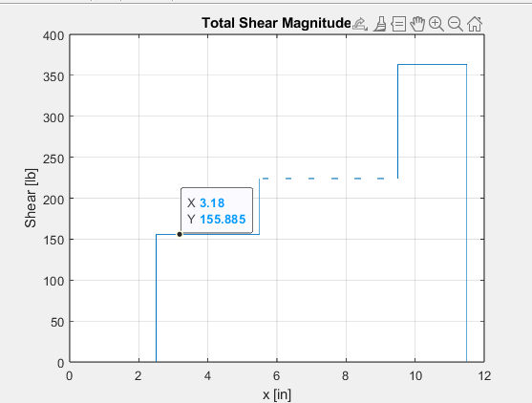
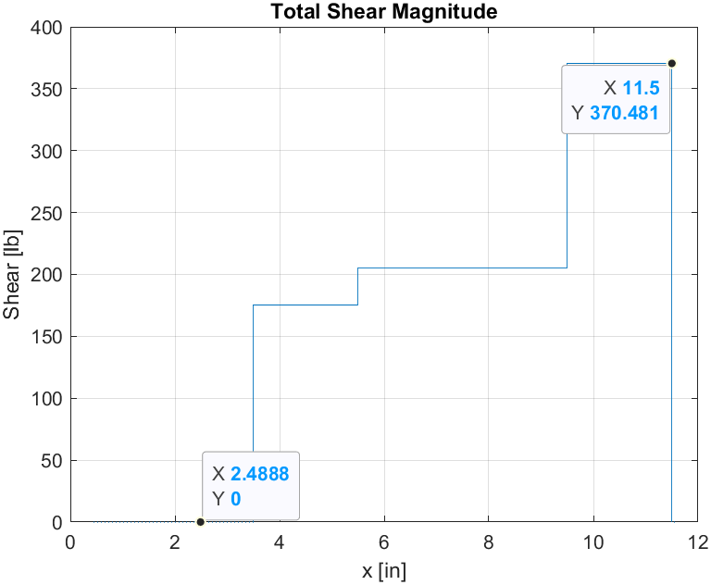
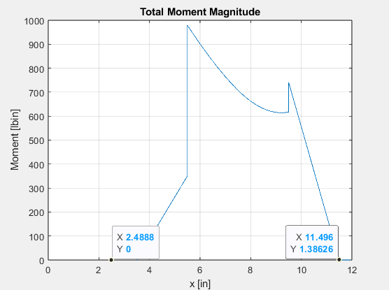

Shaft 5 | Directions |  | Bearing 1 Minimum Dia | Bearing 2 Minimum Dia
F1,2+F1,12 (lb) |  |  | 0.5 | 0.6
244.5284482 | -x
F8,9 (lb)
111.1492946 | -x
Net Thrust
355.6777428 | -x

Let Bearing 1 and 2 be regular ball bearing. Bearing 1 resists thrust load.

Design life for the bearing is same as for the gears 25000 hours. See table 14-4 Mott.
Design revolutions for both bearings are = |  |  |  |  | 6.75E+08

Bearing 2 Equivalent Load (lb): | V=1 as inner race rotates | Minimum diameter at Bearing 2 Location (in) | Basic Dynamic Load Rating (lb) | k=3 for ball bearing | 6304 satisfies bore and C-value
370.481 |  | 0.6 | 3.25E+03

Bearing 1 Equivalent Load (lb): | V=1 as inner race rotates | Minimum diameter at Bearing 1 Location (in) | Basic Dynamic Load Rating (lb) | k=3 for ball bearing | Axial load (lb) | Try 6306
620.8122142 |  | 0.5 | 5.45E+03 |  | 355.6777428

Basic Static Load Rating (lb) | T/C0 | X | Y | New Bearing 1 Equivalent Load (lb): | New Basic Dynamic Load Rating (lb) | Satisfied | T/Co | Y
3372 | 0.10547975765 | 0.56 | 1.4673846154 | 609.21164782 | 5.34E+03 |  | 0.084 | 1.55 |  | Initial basic static loading + 3597 |  | ***i changed the numbers for 6404 bearing and it works..
 |  |  |  |  |  |  | 0.10548 | 1.4673846154 |  | initial T/Co | 0.098882 | **review
 |  |  |  |  |  |  | 0.11 | 1.45

 |  |  |  |  |  |  | Bearing 1: 6306
 |  |  |  |  |  |  | Bearing 2: 6304

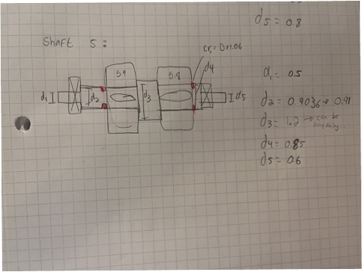

 |  |  |  |  |  |  |  | d1: 30mm/1.1811"
 |  |  |  |  |  |  |  | d2: d3>choose basic size > d1
 |  |  |  |  |  |  |  | d3: largest basic size
 |  |  |  |  |  |  |  | d4: d3>choose basic size > d5
 |  |  |  |  |  |  |  | d5: 20mm / 0.7874"

 |  |  |  |  |  |  |  | PD1: 2.25 and PD8: 2.25, when choosing d2 and d4 ensure sufficient rim

Small gears, will check SKF for smaller / double row ball bearings for Bearing 1.

d1: 30mm/1.1811"
d2: d3>choose basic size > d1 |  |  |  | like 31 mm
d3: largest basic size |  |  |  | like 32mm
d4: d3>choose basic size > d5 |  |  |  | between 32 and 20mm |  |  |  |  | If use 0.25 key, with 32 mm shaft
d5: 20mm / 0.7874" |  |  | ***issue here cause the min shaft shoulder is too big, 1.067, and our max d is 1.02.... gonna use the 6404 since it requires a smaller shoulder (0.96) .... |  |  |  |  |  | 1.38484 | inches from center of gear, have 0.86 inches from tip of tooth.
 |  |  |  |  |  |  |  |  |  | Tip of tooth to root of tooth is ~0.5625, will have high Kb but still within limits for our chosen design. |  |  | 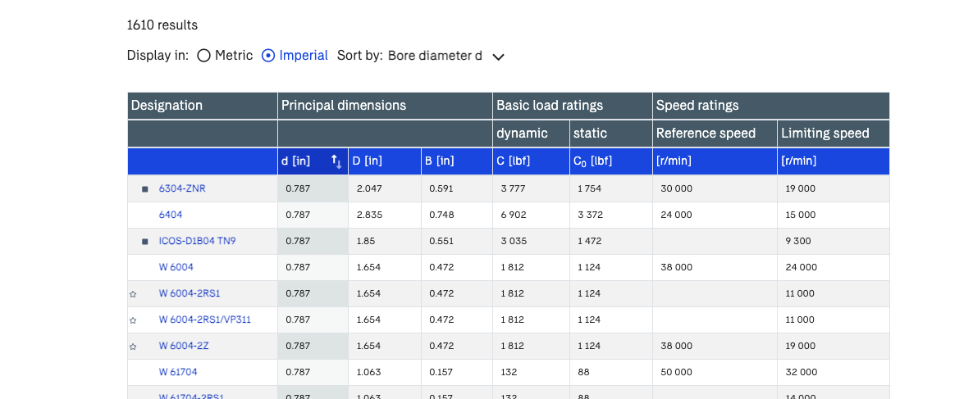
PD1: 2.25 and PD8: 2.25, when choosing d2 and d4 ensure sufficient rim

https://www.skf.com/ca/en/products/rolling-bearings/ball-bearings/deep-groove-ball-bearings#cid-493604

Stronger bearings.. |  |  |  | these would reduce the bore diameter enough: |  |  |  |  | choosing 6404 |  | will use this for bearing 1+2....again review w/ Mo

Shaft 6
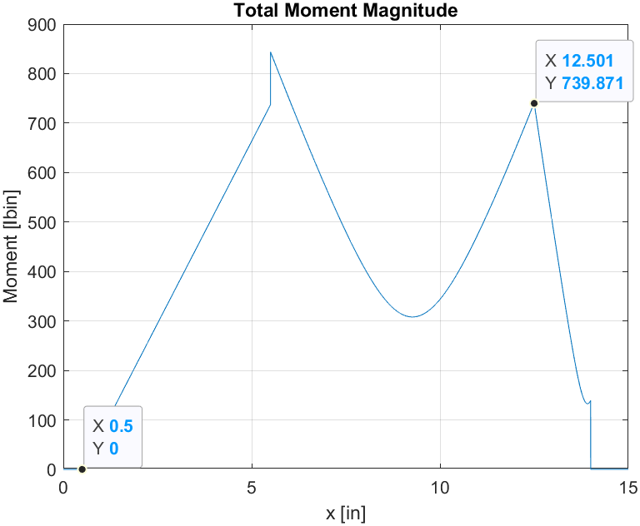
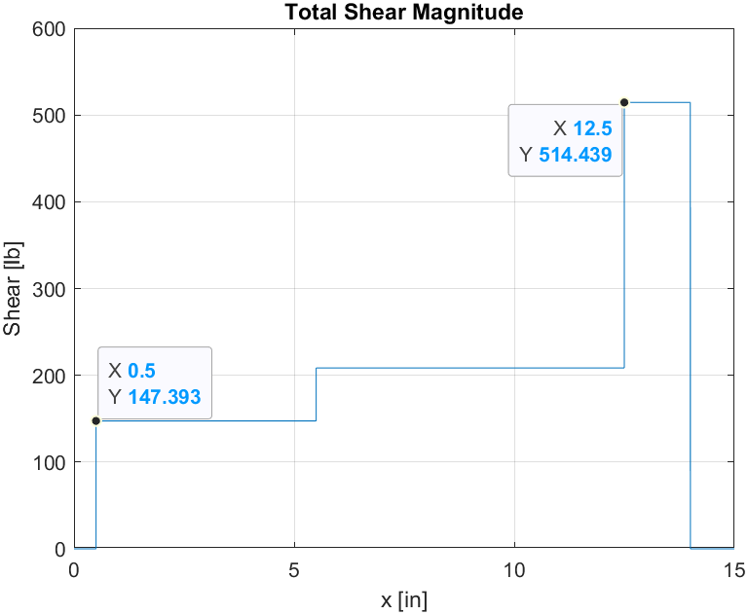
Shaft Length (in) | Bearing 1 Location (in) | Bearing 2 Location (in) | Shear Bearing 1 (lbs) | Shear Bearing 2 (lbs) | Moment Bearing 1 (lbin) | Moment Bearing 2 (lbin) |  | Support Bearings
15 | 0.5 | 12.5 | 147.393 | 514.439 | 0 | 740
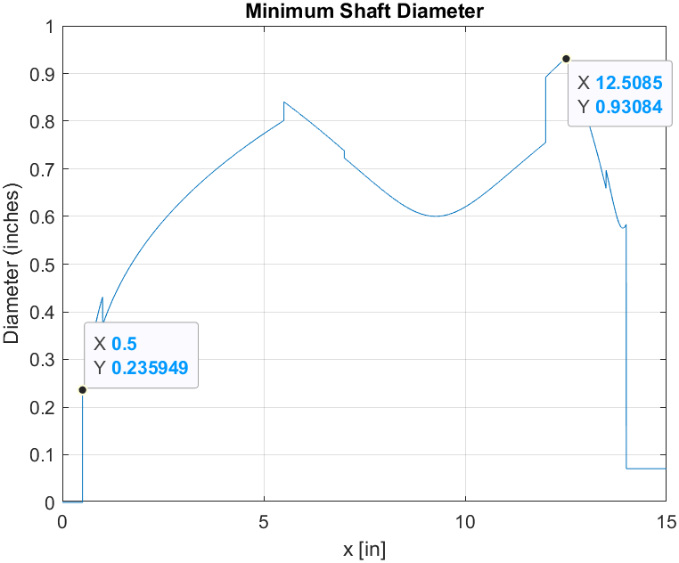

Shaft 6 | Directions |  |  | Bearing 1 Minimum Dia | Bearing 2 Minimum Dia
F67 (lb) |  |  |  | 0.236 | 0.931
79.63 | +x
F5,12(lb)
89 | +x
Net Thrust
168.63 | +x

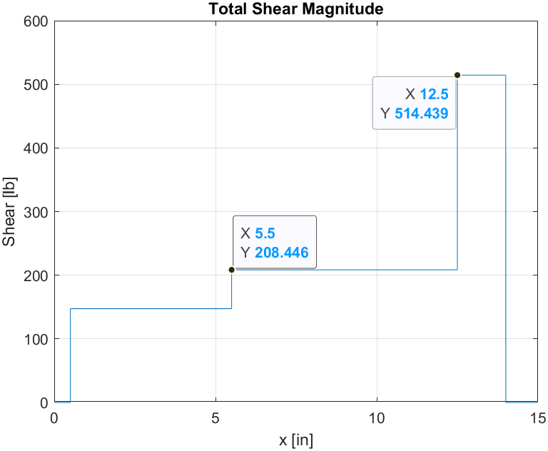
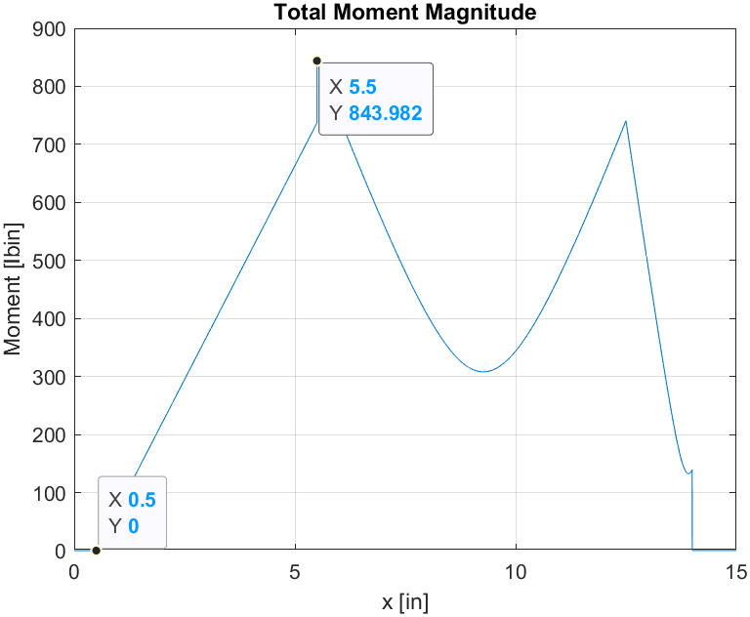
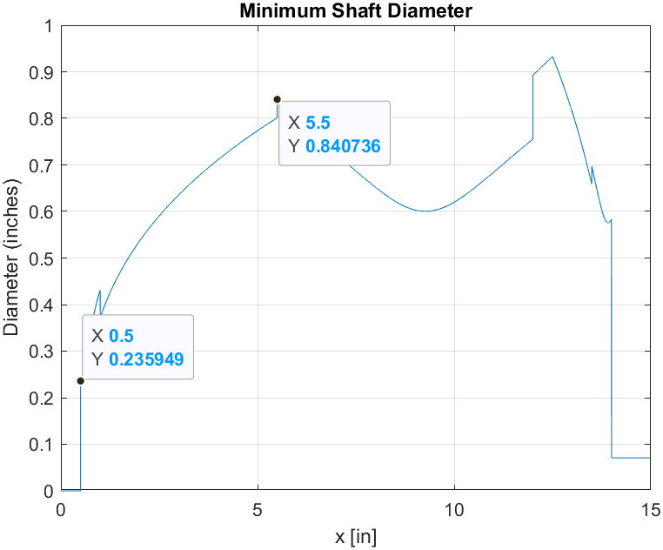
Gear 5 Rollerised:
Gear 5 Location (in) | Shear Gear 5 (lbs) | Moment Gear 5 (lbin)
5.5 | 208.446 | 843.982

Let Bearing 1 and 2 be regular ball bearing. Bearing 1 resists thrust load.

Design life for the bearing is same as for the gears 25000 hours. See table 14-4 Mott.
Design revolutions for both bearings are = |  |  |  |  | 6.75E+08

Bearing 2 Equivalent Load (lb): | V=1 as inner race rotates | Minimum diameter at Bearing 2 Location (in) | Basic Dynamic Load Rating (lb) | k=3 for ball bearing |  | Bearing 2 Minimum Dia
514.439 |  | 0.931 | 4.51E+03 |  |  | 0.931

Choose 6305 bearing 2:

Bearing 1 Equivalent Load (lb): | V=1 as inner race rotates | Minimum diameter at Bearing 1 Location (in) | Basic Dynamic Load Rating (lb) | k=3 for ball bearing | Axial load (lb) |  | Bearing 1 Minimum Dia | Bearing 2 Minimum Dia
335.48508 |  | 0.236 | 2.94E+03 |  | 168.63 |  | 0.236 | 0.931
 |  |  |  |  |  |  | TRY 6303 bearing 1 |  | 0.669

Basic Static Load Rating (lb) | T/C0 | X | Y | New Bearing 1 Equivalent Load (lb): | New Basic Dynamic Load Rating (lb) | Satisfied |  |  |  | T/Co | Y
1472 | 0.11455842391 | 0.56 | 1.45 | 327.05358 | 2.87E+03 |  |  |  |  | 0.084 | 1.55 |  | ***I know this extra[olation doesnt make sense but I will tahe 0.114558 as being close enough tp 0.11, so no extrapolation just use the Y value (1.45) that is for a T/Co of 0.11...
 |  |  |  |  |  |  |  |  |  | 0.11455842391 | 1.8724676003
 |  |  |  |  |  |  |  |  |  | 0.11 | 1.45

Gear 5 Equivalent Load (lb): | V=1 as inner race rotates | Minimum diameter at Bearing 1 Location (in) | Basic Dynamic Load Rating (lb) | k=3 for ball bearing
208.446 |  | 0.85 | 1.83E+03 |  |  | Select : | bearing 6005 | d= 0.984

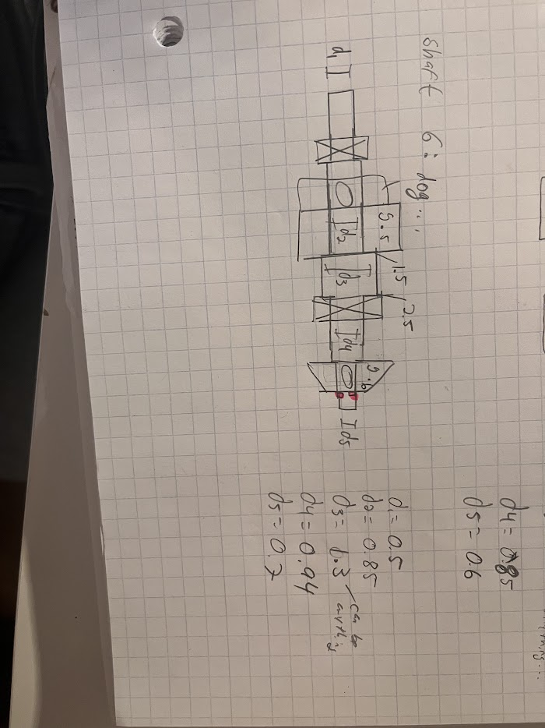

VERSION 2: GOOD VERSION
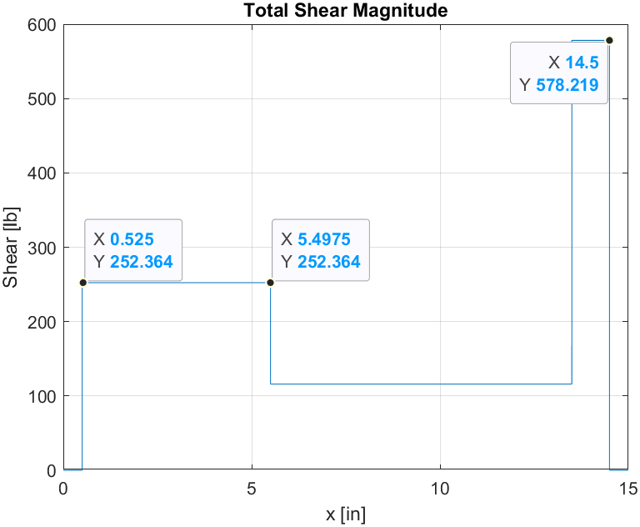
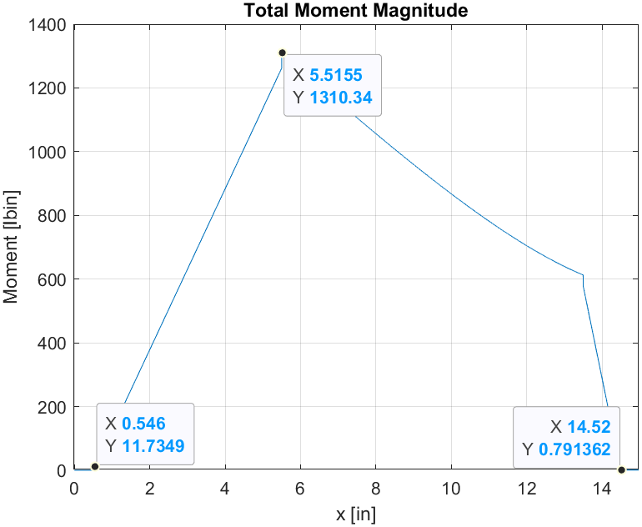
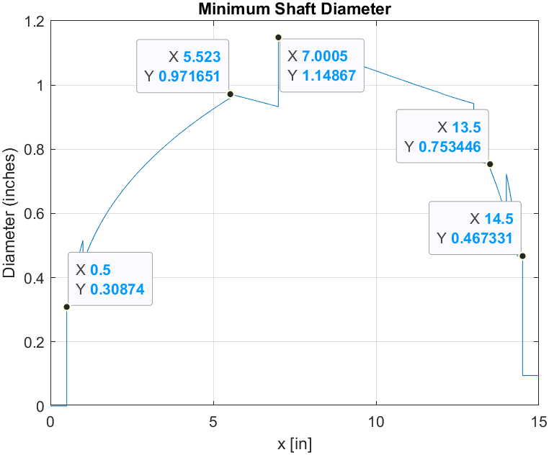
Shaft Length (in) | Bearing 1 Location (in) | Bearing 2 Location (in) | Shear Bearing 1 (lbs) | Shear Bearing 2 (lbs) | Moment Bearing 1 (lbin) | Moment Bearing 2 (lbin)
15 | 0.5 | 14.5 | 252.364 | 578.219 | 0 | 0

Shaft 6 | Directions |  | Bearing 1 Minimum Dia | Bearing 2 Minimum Dia | Gear 5 Bearing Minimum
F67 (lb) |  |  | 0.3087 | 0.467 | 0.97
79.63 | +x
F5,12(lb)
89 | +x
Net Thrust
168.63 | +x

Gear 5 Rollerised:
Gear 5 Location (in) | Shear Gear 5 (lbs) | Moment Gear 5 (lbin)
5.5 | 252.36 | 1310

Let Bearing 1 and 2 be regular ball bearing. Bearing 1 resists thrust load. |  |  |  |  |  |  |  |  |  |  | 6403 bearing info:

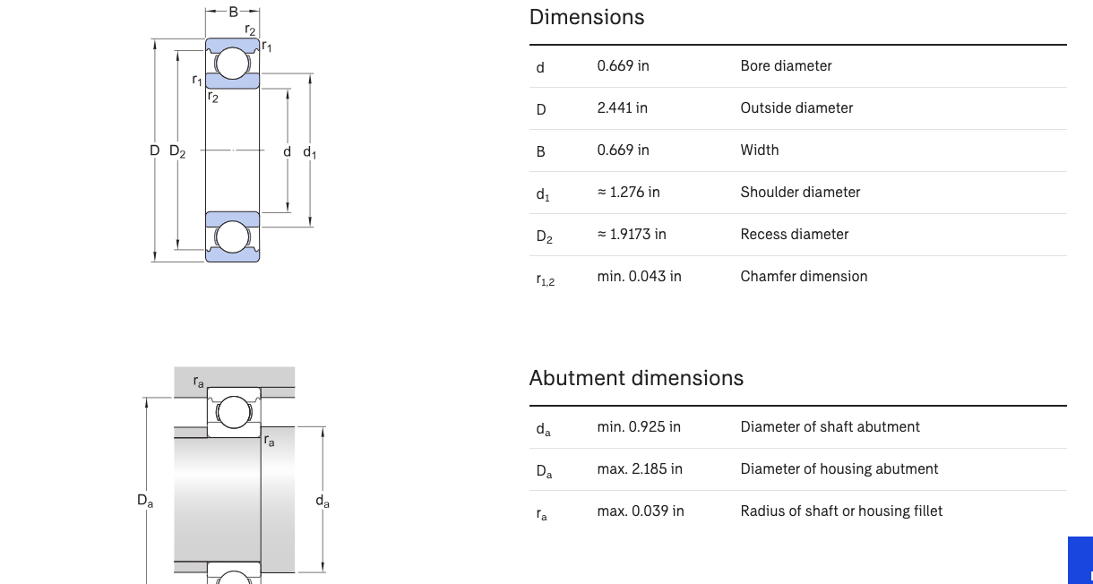
Design life for the bearing is same as for the gears 25000 hours. See table 14-4 Mott.
Design revolutions for both bearings are = |  |  |  |  | 6.75E+08

Bearing 2 Equivalent Load (lb): | V=1 as inner race rotates | Minimum diameter at Bearing 2 Location (in) | Basic Dynamic Load Rating (lb) | k=3 for ball bearing |  | Bearing 2 Minimum Dia
578.219 |  | 0.467 | 5.07E+03 |  |  | 0.467

Choose 6403 bearing 2: |  |  | d= 0.669

Bearing 1 Equivalent Load (lb): | V=1 as inner race rotates | Minimum diameter at Bearing 1 Location (in) | Basic Dynamic Load Rating (lb) | k=3 for ball bearing | Axial load (lb) |  | Bearing 1 Minimum Dia
394.26884 |  | 0.3087 | 3.46E+03 |  | 168.63 |  | 0.3087
 |  |  |  |  |  |  | TRY 6304 bearing 1 |  | 0.787
 |  |  |  |  |  |  |  |  |  |  |  | 6304 bearing info:

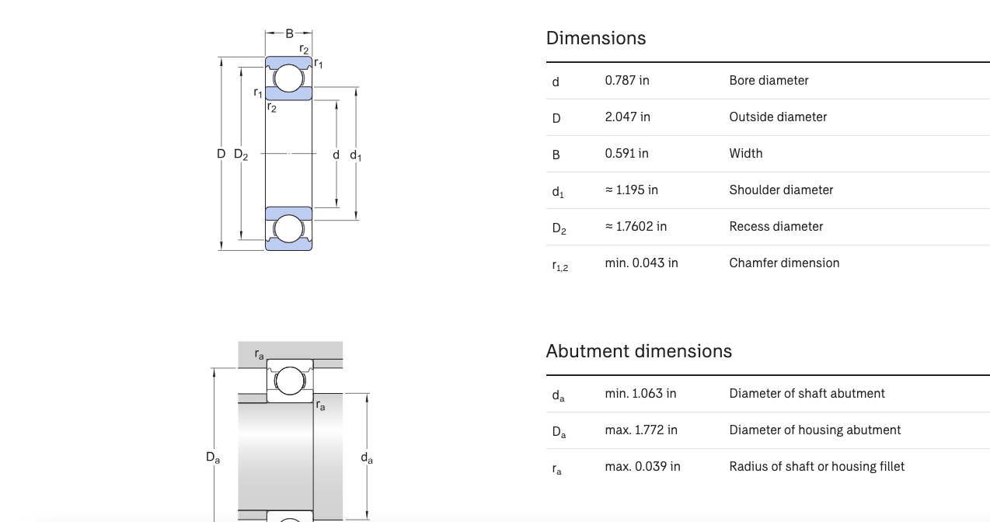
Basic Static Load Rating (lb) | T/C0 | X | Y | New Bearing 1 Equivalent Load (lb): | New Basic Dynamic Load Rating (lb) | Satisfied | T/Co | Y
1754 | 0.096140250855 | 0.56 | 1.5033067275 | 394.82645345 | 3.46E+03 |  | 0.084 | 1.55
 |  |  |  |  |  |  | 0.096140250855 | 1.5033067275
 |  |  |  |  |  |  | 0.11 | 1.45

Gear 5 Equivalent Load (lb): | V=1 as inner race rotates | Minimum diameter at Bearing 1 Location (in) | Basic Dynamic Load Rating (lb) | k=3 for ball bearing
252.36 |  | 0.97 | 2.21E+03 |  |  | Select : | bearing 6206 |  | d= 1.181

 |  |  |  |  |  |  |  |  |  | bearing 6206 info

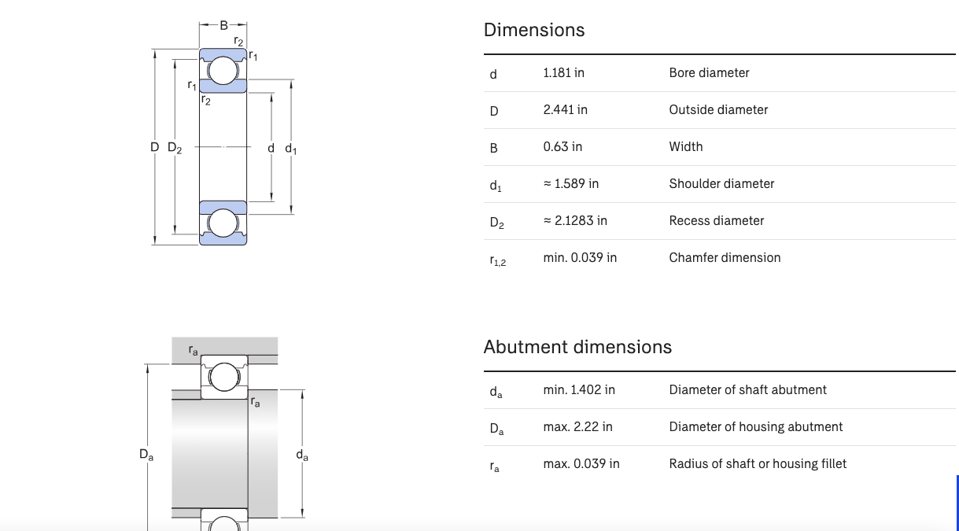

 |  |  |  |  |  |  |  | d1 = 0.787
 |  |  |  |  |  |  |  | d2 = 1.181 |  |  | spline here
 |  |  |  |  |  |  |  | d3 = 1.402+ (can be anything..)
 |  |  |  |  |  |  |  | d4 = 1.250 - based off retaining ring and min shaft d |  |  |  |  |  | key here, 0.25 x 0.25
 |  |  |  |  |  |  |  | d5 = 0.699

Shaft 7
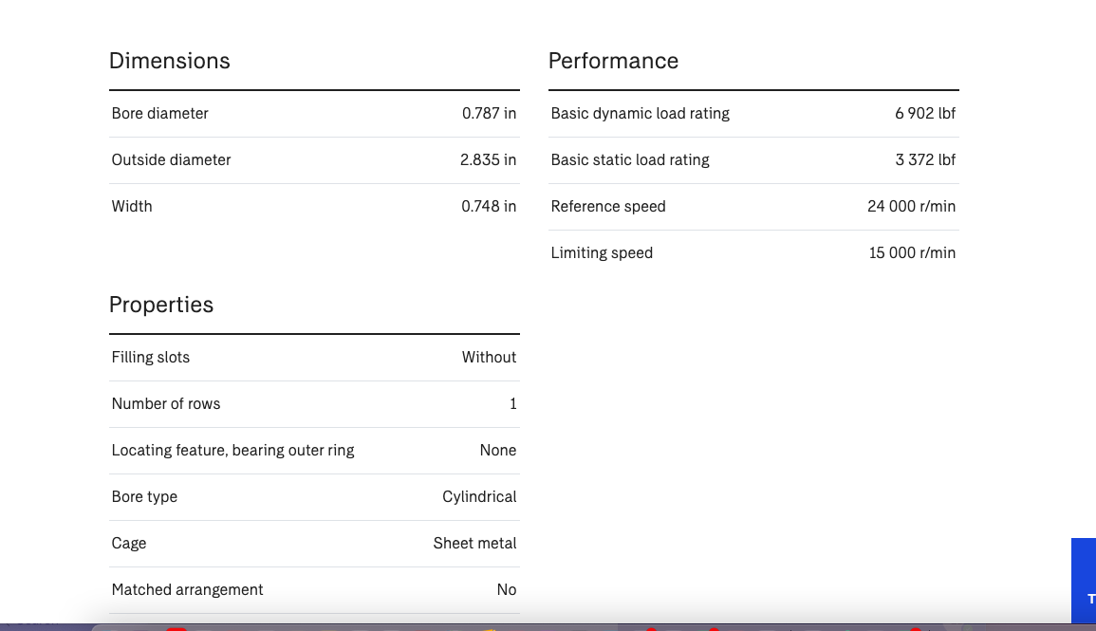
Shaft Length (in) | Bearing 1 Location (in) | Bearing 2 Location (in) | Shear Bearing 1 (lbs) | Shear Bearing 2 (lbs) | Moment Bearing 1 (lbin) | Moment Bearing 2 (lbin) |  | Support Bearings |  | Thrust Load (lb)
12.25 | 0.5 | 11.75 | 146.088 | 614.933 | 0 | 0
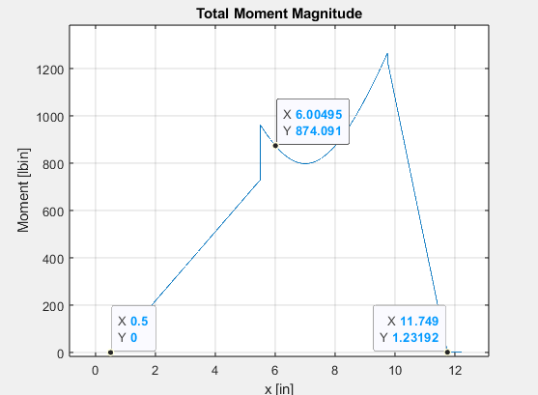

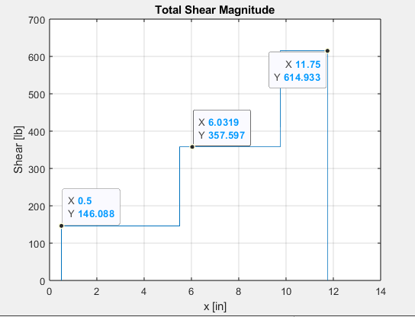

Gear 9 Rollerised:
Gear 9 Location (in) | Shear Gear 9 (lbs) | Moment Gear 9 (lbin)
6 | 357.957 | 874.091

Shaft 7 | Directions |  | Bearing 1 Minimum Dia | Bearing 2 Minimum Dia | Gear 9 Minimum Dia
F9,8 (lb) |  |  | 0.5 | 0.7 | 0.9
111.1492946 | +x
F10,11 (lb)
222.2985893 | +x
Net Thrust
333.4478839 | +x

Let Bearing 1 and 2 be regular ball bearing. Bearing 1 resists thrust load.

Design life for the bearing is same as for the gears 25000 hours. See table 14-4 Mott.
Design revolutions for both bearings are = |  |  |  |  | 6.75E+08

Bearing 2 Equivalent Load (lb): | V=1 as inner race rotates | Minimum diameter at Bearing 2 Location (in) | Basic Dynamic Load Rating (lb) | k=3 for ball bearing | 6306 satisfy bore and C value
614.933 |  | 0.7 | 5.39E+03

Bearing 1 Equivalent Load (lb): | V=1 as inner race rotates | Minimum diameter at Bearing 1 Location (in) | Basic Dynamic Load Rating (lb) | k=3 for ball bearing | Axial load (lb) | Try 6306
581.98110585 |  | 0.5 | 5.11E+03 |  | 333.4478839

Basic Static Load Rating (lb) | T/C0 | X | Y | New Bearing 1 Equivalent Load (lb): | New Basic Dynamic Load Rating (lb) | Satisfied | T/Co | Y
3372 | 0.098887272805 | 0.56 | 1.4927412584 | 579.56069384 | 5.08E+03 |  | 0.084 | 1.55 |  | bearing 6404 satisfies...
 |  |  |  |  |  |  | 0.098887272805 | 1.4927412584
 |  |  |  |  |  |  | 0.11 | 1.45

 |  |  |  |  |  |  | Bearing 1: 6404
 |  |  |  |  |  |  | Bearing 2: 6306

Gear 9 Equivalent Load (lb): | V=1 as inner race rotates | Minimum diameter at Bearing 1 Location (in) | Basic Dynamic Load Rating (lb) | k=3 for ball bearing | 6304 does not satisfy bore requirement
357.957 |  | 0.9 | 3.14E+03
 |  |  |  |  | 6206 satisfy bore size and C-value. No step in shaft.

 |  |  |  |  | 6007 should allow for a step and satisfy bore requirement + C value.
 |  |  |  |  |  |  | Bearing Gear 9: 6007

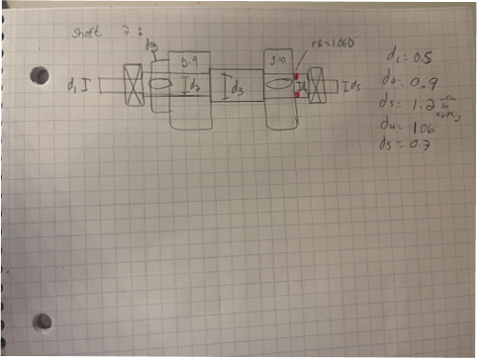

 |  |  |  |  |  |  |  | d1= 30mm/0.787"
 |  |  |  |  |  |  |  | d2= 35mm / 1.378" (2.44" OD, gear 9 is 4.5" OD so should be okay w.r.t teeth) (check)
 |  |  |  |  |  |  |  | d3= choose basic size> d4
 |  |  |  |  |  |  |  | d4= choose basic size> 1.1811"
 |  |  |  |  |  |  |  | d5= 30mm / 1.1811"

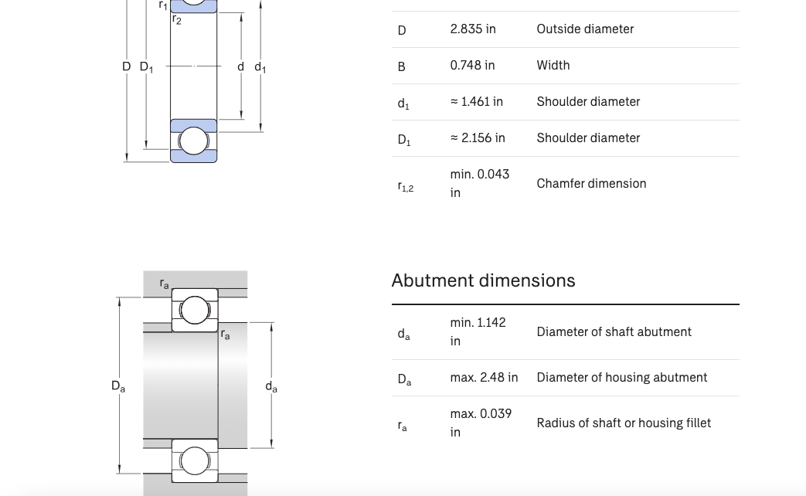
 |  |  |  |  |  |  |  |  | **if issue with diamater of step: 6404

