Company Structure
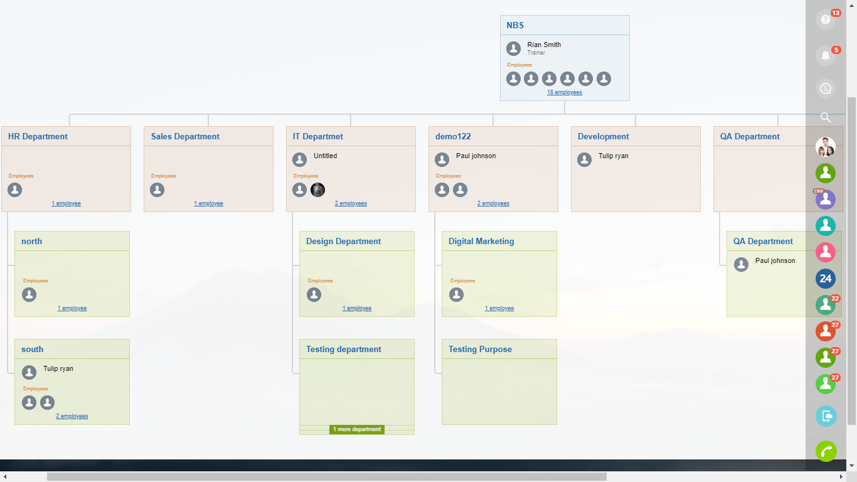
Note: Please refer below screenshot and send us the structure of your company details

