Sheet1
Morgan Guaranty Bank
B. F. Goodrich
Rabobank
11% + f
LIBOR - x
LIBOR - x
11%
11%
LIBOR + 0.5%
 | Issuer A | B. F. Goodrich |  |  |  | Issuer B | Rabobank-Nederland
 | Amount | $50 million |  |  |  | Amount | $50 million
 | Maturity | 8 years |  |  |  | Maturity | 8 years
 | Coupon | LIBOR + 0.5% |  |  |  | Coupon | 11%
 | Coupon frequency | Semiannual |  |  |  | Coupon frequency | Annual

 | Intermediary Guarantor | Morgan Guaranty Bank

 | Nominal | $50,000,000.00
 | Term (years) | 8
 | Fixed Leg Rate | 11%
 | Fixed rate semi- annual equivalent YTM | 10.70% | 11.0% | =((1+C13/2)^2)-1
 | Discount on LIBOR (x%) | 0.40% | <= obtained using Solver to maximize B.F. Goodrich and Rabobank's savings(equally)
Modified
Morgan Guaranty Bank
B. F. Goodrich
Rabobank
10.7%
LIBOR - x
LIBOR - y
10.7%
10.7%
LIBOR + 0.5%
 | Annual Fee paid to Morgan Guaranty Bank (f%) | 0.25% | <= Assuming Morgan's fee is 25 bps
 | Net Discount on LIBOR Received by B.F. Goodrich (y = x+f) | 0.65% | =C15+C14

 | Before the Swap
 | Fixed | Floating (LIBOR + xx)
B. F. Goodrich | 12.50% | LIBOR + 0.5%
Rabobank | 10.70% | LIBOR + 0.25%

Difference | 1.80% | 0.25%
 | =B22-B23 | =C22-C23
 |  |  |  |  |  |  |  |  |  | BreakEven | Profit Distributed Equally
Net Spread | 1.55% | <= Distributed equally among Rabobank, B.F. Goodrich, and Morgan Guaranty Bank (ideal case)
 | =B25-C25 |  |  |  |  |  |  |  | Maximize B.F. Goodrich and Rabobank's savings(equally), assuming Morgan's fee 25 bps
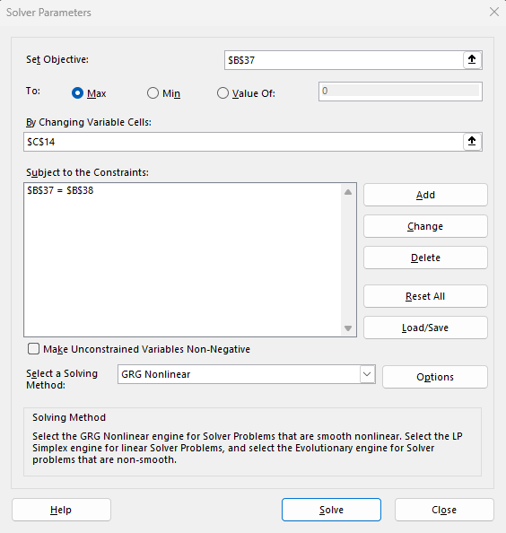
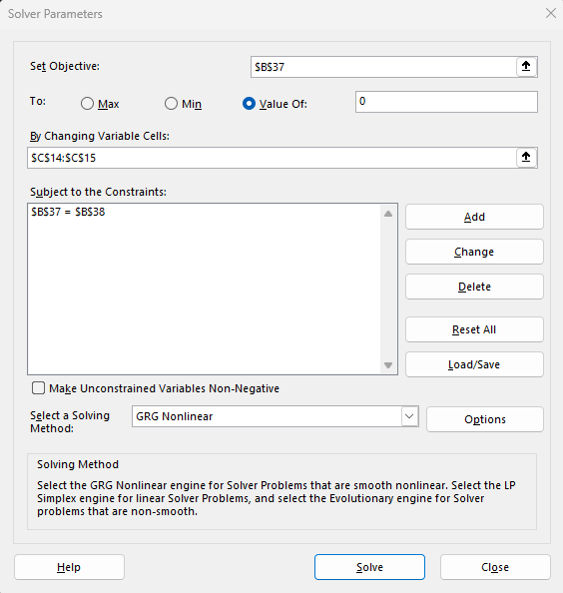
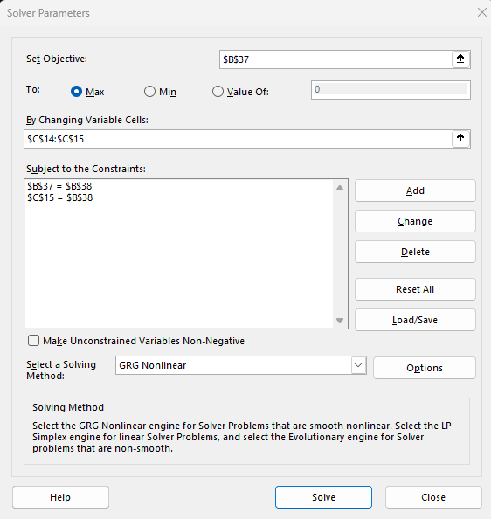

Net Outflow:
B. F. Goodrich | 11.850% | <=LIBOR + 0.5% + 10.7% - (LIBOR - y)
Rabobank | LIBOR - 0.40% | <=LIBOR - x + 10.7% - (10.7%)

Saving:
B. F. Goodrich | 0.650% | =B22-B33
Rabobank | 0.6500% | =C23-B34

Total (must be equal to net spread) | 1.5500% | =B37+B38+C15

BreakEven | Discount on LIBOR (x%) | -0.25% | <= Break Even Obtained using Solver
 | Annual Fee paid to Morgan Guaranty Bank (f%) | 1.55%
 | Net Discount on LIBOR Received by B.F. Goodrich (y = x+f) | 1.30% | =C44+C43

Profit Distributed Equally | Discount on LIBOR (x%) | 0.27% | <= Obtained using Solver
 | Annual Fee paid to Morgan Guaranty Bank (f%) | 0.52%
 | Net Discount on LIBOR Received by B.F. Goodrich (y = x+f) | 0.78% | =C49+C48

Assuming LIBOR Rates:

Fixed-Floating Coupon Rate
 | LIBOR-y | Fixed 10.7%
1 | 0.89% | 10.70%
2 | 10.27% | 10.70%
3 | 9.94% | 10.70%
4 | 2.48% | 10.70%
5 | 11.25% | 10.70%
6 | 7.45% | 10.70%
7 | 0.34% | 10.70%
8 | 4.16% | 10.70%
Year | LIBOR Rate (annual) | LIBOR - y | Fixed Leg (B.F. Goodrich pays) | Floating Rate (B.F. Goodrich receives from Morgan LIBOR-y) | B.F. Goodrich Coupon (LIBOR+0.5) | Net outflow B. F. Goodrich | Fixed Leg (B. F. Goodrich) | Risk
 |  |  | $2,675,000.00 | $222,512.50 | $510,000.00 | $2,962,487.50 | $2,962,487.50
1 | 1.54% | 0.89% | $2,675,000.00 | $222,512.50 | $510,000.00 | $2,962,487.50 | $2,962,487.50 | Morgan is at risk wrt B.F. Goodrich
 |  |  | $2,675,000.00 | $2,567,512.50 | $2,855,000.00 | $2,962,487.50 | $2,962,487.50
2 | 10.92% | 10.27% | $2,675,000.00 | $2,567,512.50 | $2,855,000.00 | $2,962,487.50 | $2,962,487.50 | Morgan is at risk wrt B.F. Goodrich
 |  |  | $2,675,000.00 | $2,485,012.50 | $2,772,500.00 | $2,962,487.50 | $2,962,487.50
3 | 10.59% | 9.94% | $2,675,000.00 | $2,485,012.50 | $2,772,500.00 | $2,962,487.50 | $2,962,487.50 | Morgan is at risk wrt B.F. Goodrich
 |  |  | $2,675,000.00 | $620,012.50 | $907,500.00 | $2,962,487.50 | $2,962,487.50
4 | 3.13% | 2.48% | $2,675,000.00 | $620,012.50 | $907,500.00 | $2,962,487.50 | $2,962,487.50 | Morgan is at risk wrt B.F. Goodrich
 |  |  | $2,675,000.00 | $2,812,512.50 | $3,100,000.00 | $2,962,487.50 | $2,962,487.50
5 | 11.90% | 11.25% | $2,675,000.00 | $2,812,512.50 | $3,100,000.00 | $2,962,487.50 | $2,962,487.50 | -
 |  |  | $2,675,000.00 | $1,862,512.50 | $2,150,000.00 | $2,962,487.50 | $2,962,487.50
6 | 8.10% | 7.45% | $2,675,000.00 | $1,862,512.50 | $2,150,000.00 | $2,962,487.50 | $2,962,487.50 | Morgan is at risk wrt B.F. Goodrich
 |  |  | $2,675,000.00 | $85,012.50 | $372,500.00 | $2,962,487.50 | $2,962,487.50
7 | 0.99% | 0.34% | $2,675,000.00 | $85,012.50 | $372,500.00 | $2,962,487.50 | $2,962,487.50 | Morgan is at risk wrt B.F. Goodrich
 |  |  | $2,675,000.00 | $1,040,012.50 | $1,327,500.00 | $2,962,487.50 | $2,962,487.50
8 | 4.81% | 4.16% | $2,675,000.00 | $1,040,012.50 | $1,327,500.00 | $2,962,487.50 | $2,962,487.50 | Morgan is at risk wrt B.F. Goodrich
 |  | =B72-$C$16 | =$C$13*$C$10/2 | =$C$10*C72/2 | =$C$10*(B72+$C$22)/2 | =D72-E72+F72 | =$C$10*$B$33/2 | =IF(C72<$C$13,"Morgan is at risk wrt B.F. Goodrich","-")

Year | LIBOR Rate (annual) | LIBOR-x | Floating Leg (Rabobank pays LIBOR-x) | Fixed Leg (Rabobank receives from Morgan) | Rabobank Coupon | Net outflow (Rabobank) | Floating Leg (Rabobank) | Risk
 |  |  | $285,012.50 | $2,675,000.00 | $2,675,000.00 | $285,012.50 | $285,012.50
1 | 1.54% | 1.14% | $285,012.50 | $2,675,000.00 | $2,675,000.00 | $285,012.50 | $285,012.50 | -
 |  |  | $2,630,012.50 | $2,675,000.00 | $2,675,000.00 | $2,630,012.50 | $2,630,012.50
2 | 10.92% | 10.52% | $2,630,012.50 | $2,675,000.00 | $2,675,000.00 | $2,630,012.50 | $2,630,012.50 | -
 |  |  | $2,547,512.50 | $2,675,000.00 | $2,675,000.00 | $2,547,512.50 | $2,547,512.50
3 | 10.59% | 10.19% | $2,547,512.50 | $2,675,000.00 | $2,675,000.00 | $2,547,512.50 | $2,547,512.50 | -
 |  |  | $682,512.50 | $2,675,000.00 | $2,675,000.00 | $682,512.50 | $682,512.50
4 | 3.13% | 2.73% | $682,512.50 | $2,675,000.00 | $2,675,000.00 | $682,512.50 | $682,512.50 | -
 |  |  | $2,875,012.50 | $2,675,000.00 | $2,675,000.00 | $2,875,012.50 | $2,875,012.50
5 | 11.90% | 11.50% | $2,875,012.50 | $2,675,000.00 | $2,675,000.00 | $2,875,012.50 | $2,875,012.50 | Morgan is at risk wrt Rabobank
 |  |  | $1,925,012.50 | $2,675,000.00 | $2,675,000.00 | $1,925,012.50 | $1,925,012.50
6 | 8.10% | 7.70% | $1,925,012.50 | $2,675,000.00 | $2,675,000.00 | $1,925,012.50 | $1,925,012.50 | -
 |  |  | $147,512.50 | $2,675,000.00 | $2,675,000.00 | $147,512.50 | $147,512.50
7 | 0.99% | 0.59% | $147,512.50 | $2,675,000.00 | $2,675,000.00 | $147,512.50 | $147,512.50 | -
 |  |  | $1,102,512.50 | $2,675,000.00 | $2,675,000.00 | $1,102,512.50 | $1,102,512.50
8 | 4.81% | 4.41% | $1,102,512.50 | $2,675,000.00 | $2,675,000.00 | $1,102,512.50 | $1,102,512.50 | -
 | =B72 | =B94-$C$14 | =$C$10*(B94-$C$14)/2 | =$C$10*$C$13/2 | =$C$10*$C$13/2 | =D94-E94+F94 | =$C$10*(B94+$B$34)/2 | =IF(C94>$C$13,"Morgan is at risk wrt Rabobank","-")

