Typos
Training Loss |  |  |  |  |  | Validation Loss
Epoch | Base | 9.7% Typos | 30.37% Typos | 49.80% Typos | 69.24% Typos | Epoch | Base | 9.7% Typos | 30.37% Typos | 49.80% Typos | 69.24% Typos
1 | 0.19646 | 0.42445 | 1.38623 | 0.44947 | 0.45703 | 1 | 0.15637 | 0.34383 | 1.25974 | 0.31247 | 0.31127
2 | 0.10580 | 0.40589 | 1.10130 | 0.44251 | 0.45235 | 2 | 0.13592 | 0.32906 | 0.85399 | 0.31759 | 0.31183
3 | 0.06144 | 0.39378 | 0.71126 | 0.43777 | 0.45193 | 3 | 0.17377 | 0.31545 | 0.48349 | 0.30959 | 0.30956
4 | 0.03788 | 0.38509 | 0.51488 | 0.43337 | 0.44766 | 4 | 0.21790 | 0.30765 | 0.38209 | 0.31082 | 0.31099

Training Loss
Validation Loss

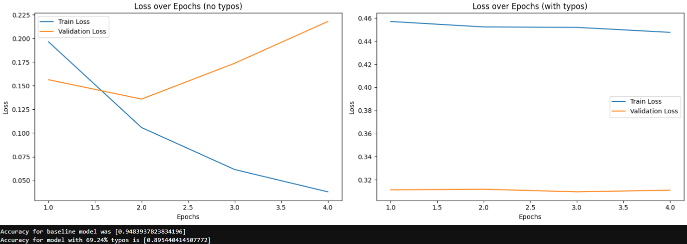

69.24% Typos

Misinterpretation
Training Loss |  |  |  |  | Validation Loss
Epoch | Base | 9.7% Mis. | 30.37% Mis. | 48.59% Mis. | Epoch | Base | 9.7% Mis. | 30.37% Mis. | 48.59% Mis.
1 | 0.19646 | 0.44590 | 0.44753 | 0.42550 | 1 | 0.15637 | 0.31876 | 0.34587 | 0.41192
2 | 0.19646 | 0.41637 | 0.43486 | 0.41929 | 2 | 0.15637 | 0.31738 | 0.34949 | 0.42343
3 | 0.19646 | 0.41259 | 0.43267 | 0.41651 | 3 | 0.15637 | 0.31645 | 0.35291 | 0.42343
4 | 0.19646 | 0.40836 | 0.43040 | 0.41172 | 4 | 0.15637 | 0.30806 | 0.35179 | 0.42836

Training Loss
Validation Loss

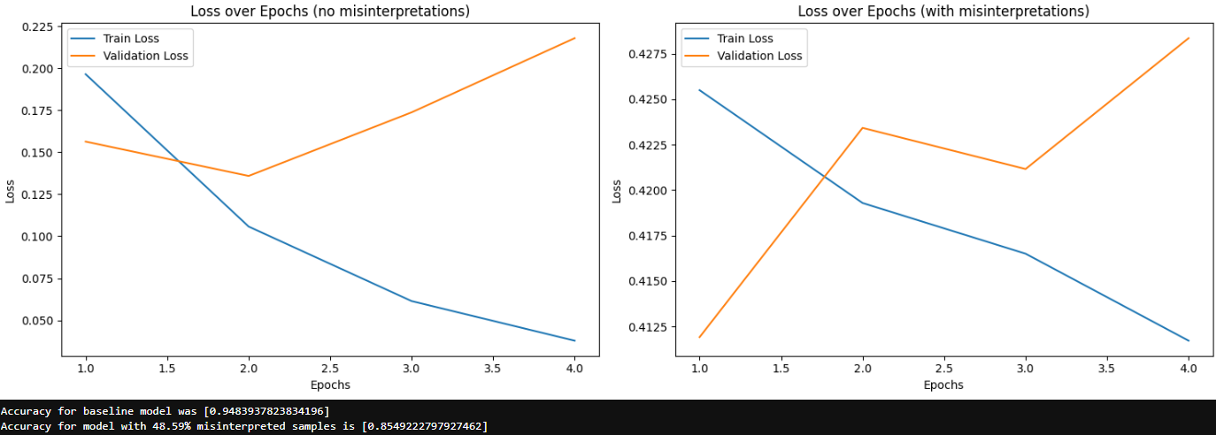

49.59% Misinterpretation

Typos1
Training Loss |  |  |  |  |  | Validation Loss
Epoch | Base | 9.7% Typos | 30.37% Typos | 49.80% Typos | 69.24% Typos | Epoch | Base | 9.7% Typos | 30.37% Typos | 49.80% Typos | 69.24% Typos
1 | 0.19646 | 0.29158 | 0.11694 | 0.17976 | 1.03401 | 1 | 0.15637 | 0.19721 | 0.17276 | 0.17804 | 0.44011
2 | 0.10580 | 0.19894 | 0.10237 | 0.15943 | 0.37084 | 2 | 0.13592 | 0.17863 | 0.17889 | 0.17461 | 0.22439
3 | 0.06144 | 0.16731 | 0.09024 | 0.14074 | 0.25324 | 3 | 0.17377 | 0.16806 | 0.19737 | 0.17400 | 0.19978
4 | 0.03788 | 0.14542 | 0.08207 | 0.12515 | 0.21040 | 4 | 0.21790 | 0.17205 | 0.19084 | 0.18096 | 0.19157

Training Loss
Validation Loss

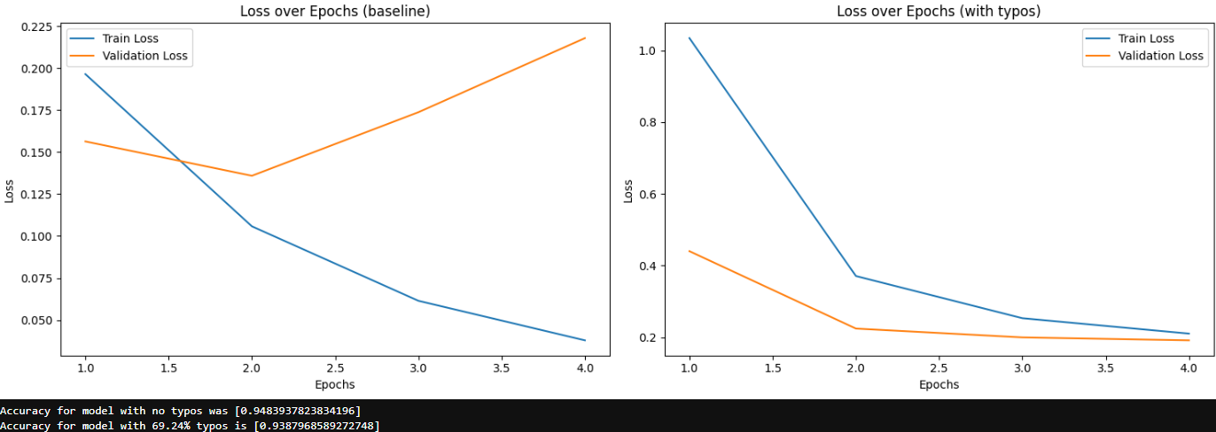

69.24% Typos

Misinterpretation1
Training Loss |  |  |  |  | Validation Loss
Epoch | Base | 9.7% Mis. | 30.37% Mis. | 48.59% Mis. | Epoch | Base | 9.7% Mis. | 30.37% Mis. | 48.59% Mis.
1 | 0.19646 | 0.08263 | 0.05462 | 0.03818 | 1 | 0.15637 | 0.17520 | 0.21555 | 0.24967
2 | 0.10580 | 0.07436 | 0.04929 | 0.03573 | 2 | 0.13592 | 0.18944 | 0.24229 | 0.25384
3 | 0.06144 | 0.06523 | 0.04571 | 0.03367 | 3 | 0.17377 | 0.21904 | 0.24117 | 0.25826
4 | 0.03788 | 0.05855 | 0.04234 | 0.03269 | 4 | 0.21790 | 0.21612 | 0.23855 | 0.25690

Training Loss
Validation Loss

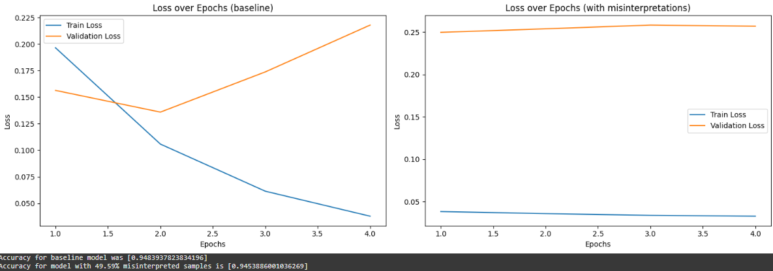

49.59% Misinterpretation

Typos2
Validation Loss
Training Loss |  |  |  |  |  | Validation Loss
Epoch | Base | 9.7% Typos | 39.37% Typos | 49.80% Typos | 69.24% Typos | Epoch | Base | 9.7% Typos | 39.37% Typos | 49.80% Typos | 69.24% Typos
1 | 0.19646 | 0.01960 | 0.00700 | 0.01872 | 0.02092 | 1 | 0.15637 | 0.23510 | 0.29452 | 0.23725 | 0.25705
2 | 0.10580 | 0.00957 | 0.00582 | 0.01120 | 0.01514 | 2 | 0.13592 | 0.27548 | 0.32656 | 0.25753 | 0.26964
3 | 0.06144 | 0.00656 | 0.00628 | 0.00908 | 0.01307 | 3 | 0.17377 | 0.32042 | 0.29668 | 0.28691 | 0.24816
4 | 0.03788 | 0.00656 | 0.00537 | 0.00771 | 0.01162 | 4 | 0.21790 | 0.32502 | 0.32045 | 0.31787 | 0.24816

Training Loss

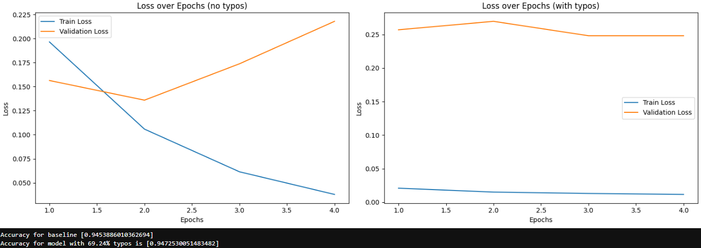

69.24% Typos

Misinterpretation2
Validation Loss
Training Loss |  |  |  |  | Validation Loss
Epoch | Base | 9.7% Mis. | 30.37% Mis. | 48.59% Mis. | Epoch | Base | 9.7% Mis. | 30.37% Mis. | 48.59% Mis.
1 | 0.19646 | 0.00390 | 0.00250 | 0.00243 | 1 | 0.15637 | 0.35729 | 0.38687 | 0.42795
2 | 0.10580 | 0.00388 | 0.00210 | 0.00250 | 2 | 0.13592 | 0.41613 | 0.41705 | 0.40577
3 | 0.06144 | 0.00341 | 0.00259 | 0.00194 | 3 | 0.17377 | 0.37096 | 0.40769 | 0.45143
4 | 0.03788 | 0.00367 | 0.00242 | 0.00184 | 4 | 0.21790 | 0.34319 | 0.35559 | 0.43339
Training Loss

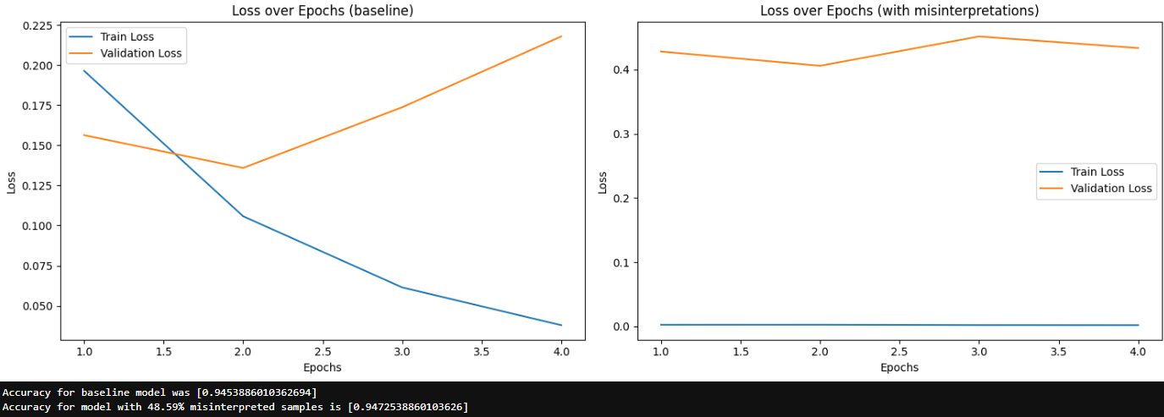

49.59% Misinterpretation

Typos_Compare
Training Loss |  |  |  |  |  |  | Validation Loss
 | Base | 9.7% Typos | 30.37% Typos | 49.80% Typos | 69.24% Typos |  |  | Base | 9.7% Typos | 30.37% Typos | 49.80% Typos | 69.24% Typos
model_new |  | 0.40230 | 0.92842 | 0.44078 | 0.45224 |  | model_new |  | 0.32400 | 0.74483 | 0.31261 | 0.31091
model_new1 |  | 0.20081 | 0.09791 | 0.15127 | 0.46712 |  | model_new1 |  | 0.17899 | 0.18496 | 0.17690 | 0.26396
model_new2 |  | 0.01057 | 0.00612 | 0.01168 | 0.01519 |  | model_new2 |  | 0.28900 | 0.30955 | 0.27489 | 0.25575

1 | 0.02332 | 0.42445 | 1.38623 | 0.44947 | 0.45703 | model_new | 1 | 0.20286 | 0.34383 | 1.25974 | 0.31247 | 0.31127 | model_new
2 | 0.02322 | 0.40589 | 1.10130 | 0.44251 | 0.45235 | model_new | 2 | 0.20286 | 0.32906 | 0.85399 | 0.31759 | 0.31183 | model_new
3 | 0.02267 | 0.39378 | 0.71126 | 0.43777 | 0.45193 | model_new | 3 | 0.20286 | 0.31545 | 0.48349 | 0.30959 | 0.30956 | model_new
4 | 0.02346 | 0.38509 | 0.51488 | 0.43337 | 0.44766 | model_new | 4 | 0.20286 | 0.30765 | 0.38209 | 0.31082 | 0.31099 | model_new
1 | 0.02346 | 0.29158 | 0.11694 | 0.17976 | 1.03401 | model_new1 | 1 | 0.20286 | 0.19721 | 0.17276 | 0.17804 | 0.44011 | model_new1
2 | 0.02346 | 0.19894 | 0.10237 | 0.15943 | 0.37084 | model_new1 | 2 | 0.20286 | 0.17863 | 0.17889 | 0.17461 | 0.22439 | model_new1
3 | 0.02346 | 0.16731 | 0.09024 | 0.14074 | 0.25324 | model_new1 | 3 | 0.20286 | 0.16806 | 0.19737 | 0.17400 | 0.19978 | model_new1
4 | 0.02346 | 0.14542 | 0.08207 | 0.12515 | 0.21040 | model_new1 | 4 | 0.20286 | 0.17205 | 0.19084 | 0.18096 | 0.19157 | model_new1
1 | 0.02346 | 0.01960 | 0.00700 | 0.01872 | 0.02092 | model_new2 | 1 | 0.20286 | 0.23510 | 0.29452 | 0.23725 | 0.25705 | model_new2
2 | 0.02346 | 0.00957 | 0.00582 | 0.01120 | 0.01514 | model_new2 | 2 | 0.20286 | 0.27548 | 0.32656 | 0.25753 | 0.26964 | model_new2
3 | 0.02346 | 0.00656 | 0.00628 | 0.00908 | 0.01307 | model_new2 | 3 | 0.20286 | 0.32042 | 0.29668 | 0.28691 | 0.24816 | model_new2
4 | 0.02346 | 0.00656 | 0.00537 | 0.00771 | 0.01162 | model_new2 | 4 | 0.20286 | 0.32502 | 0.32045 | 0.31787 | 0.24816 | model_new2

Training loss for models with syntactic noise
Validation loss for models with semantic noise

Accuracy (Typos)
Accuracy (syntatic)
 | 9.7% Typos | 30.37% Typos | 49.80% Typos | 69.24% Typos
model_new | 89.53% | 86.87% | 89.56% | 89.54%
model_new1 | 89.65% | 94.55% | 94.25% | 93.87%
model_new2 | 95.00% | 94.56% | 94.07% | 94.72%

Mis_Compare
Training Loss |  |  |  |  |  | Validation Loss
 | Base | 9.7% Mis. | 30.37% Mis. | 49.59% Mis. |  |  | Base | 9.7% Mis. | 30.37% Mis. | 49.59% Mis.
model_new |  | 0.42080 | 0.43637 | 0.41825 |  | model_new |  | 0.31516 | 0.35002 | 0.42178
model_new1 |  | 0.07019 | 0.04799 | 0.03506 |  | model_new1 |  | 0.19995 | 0.23439 | 0.25467
model_new2 |  | 0.00372 | 0.00240 | 0.00217 |  | model_new2 |  | 0.37189 | 0.39180 | 0.42964

1 | 0.02332 | 0.44590 | 0.44753 | 0.42550 | model_new | 1 | 0.20286 | 0.31876 | 0.34587 | 0.41192 | model_new
2 | 0.02322 | 0.41637 | 0.43486 | 0.41929 | model_new | 2 | 0.20286 | 0.31738 | 0.34949 | 0.42343 | model_new
3 | 0.02267 | 0.41259 | 0.43267 | 0.41651 | model_new | 3 | 0.20286 | 0.31645 | 0.35291 | 0.42343 | model_new
4 | 0.02346 | 0.40836 | 0.43040 | 0.41172 | model_new | 4 | 0.20286 | 0.30806 | 0.35179 | 0.42836 | model_new
1 | 0.02346 | 0.08263 | 0.05462 | 0.03818 | model_new1 | 1 | 0.20286 | 0.17520 | 0.21555 | 0.24967 | model_new1
2 | 0.02346 | 0.07436 | 0.04929 | 0.03573 | model_new1 | 2 | 0.20286 | 0.18944 | 0.24229 | 0.25384 | model_new1
3 | 0.02346 | 0.06523 | 0.04571 | 0.03367 | model_new1 | 3 | 0.20286 | 0.21904 | 0.24117 | 0.25826 | model_new1
4 | 0.02346 | 0.05855 | 0.04234 | 0.03269 | model_new1 | 4 | 0.20286 | 0.21612 | 0.23855 | 0.25690 | model_new1
1 | 0.02346 | 0.00390 | 0.00250 | 0.00243 | model_new2 | 1 | 0.20286 | 0.35729 | 0.38687 | 0.42795 | model_new2
2 | 0.02346 | 0.00388 | 0.00210 | 0.00250 | model_new2 | 2 | 0.20286 | 0.41613 | 0.41705 | 0.40577 | model_new2
3 | 0.02346 | 0.00341 | 0.00259 | 0.00194 | model_new2 | 3 | 0.20286 | 0.37096 | 0.40769 | 0.45143 | model_new2
4 | 0.02346 | 0.00367 | 0.00242 | 0.00184 | model_new2 | 4 | 0.20286 | 0.34319 | 0.35559 | 0.43339 | model_new2
Validation loss for models with semantic noise
Training loss for models with syntactic noise

Accuracy (Misinterpretation)
Accuracy (symentic)
 | 9.7% Mis. | 30.37% Mis. | 49.59% Mis.
model_new | 89.41% | 87.54% | 85.49%
model_new1 | 94.54% | 94.51% | 94.53%
model_new2 | 94.72% | 94.71% | 94.72%

