TBR
GaN/Si TBR ~ | 3.00E-08 | m^2K/W | Best Guess TBR from Literature or fitting data |  |  |  | 8.00E-08
THK = | 0.4 | um | Estimate thickness and set value in SYMMIC
Effective Kth ~ | 13.33 | W/mK | This is the resulting 300C 3D effective Bulk thermal conductivity

Thermal Barrier Effective Conductivity
To = | 300 | default value
alpha = | -1.5 | default value
ko = | 13.33 | from calculation

Temp (K) | Kth (Model) | Kth -> SYMMIC
200 | 24.495 | 2.4494897428E-05 | 200
300 | 13.333 | 1.3333333333E-05 | 300
325 | 11.825 | 1.1824848281E-05 | 325
350 | 10.581 | 1.058080114E-05 | 350
375 | 9.541 | 9.540556704E-06 | 375
400 | 8.660 | 8.6602540378E-06 | 400
425 | 7.907 | 7.9074640039E-06 | 425
450 | 7.258 | 7.257747386E-06 | 450
500 | 6.197 | 6.1967733539E-06 | 500
550 | 5.371 | 5.3712650609E-06 | 550
600 | 4.714 | 4.7140452079E-06 | 600
700 | 3.741 | 3.7408781183E-06 | 700
800 | 3.062 | 3.0618621785E-06 | 800
900 | 2.566 | 2.5660011964E-06 | 900

B Device |  |  |  | G Device |  |  |  | 1.366
Tc | Pdiss | TuRaman |  | Tc | Pdiss | TuRaman
25 | 2 | 100 |  | 25 | 2 | 83
25 | 2 | 110 |  | 25 | 2 | 84
25 | 2 | 113 |  | 25 | 2 | 89
25 | 3 | 135 |  | 25 | 3 | 113
25 | 3 | 142 |  | 25 | 3 | 117
25 | 3 | 163 |  | 25 | 3 | 120
25 | 4 | 179 |  | 25 | 4 | 149
25 | 4 | 184 |  | 25 | 4 | 149
25 | 4 | 194 |  | 25 | 4 | 150
80 | 2 | 150 |  | 80 | 2 | 131
80 | 2 | 158 |  | 80 | 2 | 146
80 | 2 | 171 |  | 80 | 2 | 149
80 | 3 | 199 |  | 80 | 3 | 163
80 | 3 | 200 |  | 80 | 3 | 171
80 | 3 | 217 |  | 80 | 3 | 178
80 | 4 | 237 |  | 80 | 4 | 198
80 | 4 | 242 |  | 80 | 4 | 207
80 | 4 | 263 |  | 80 | 4 | 208

AlGaN
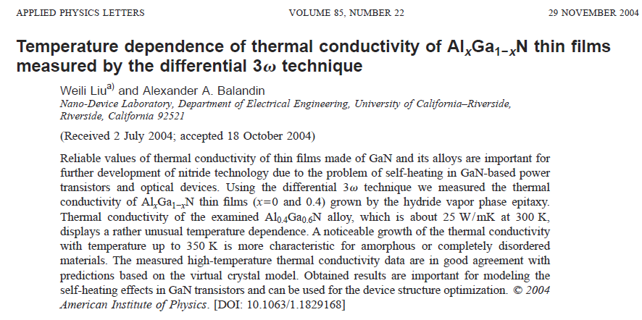
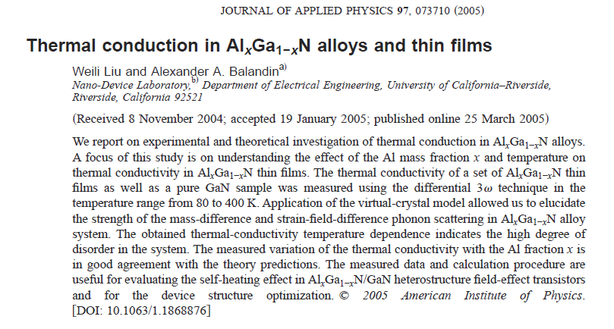
 | –AlGaN κ(T=300K) = 25 W/mK, α = -1.44
25 | W/mK
-1.44 | alpha |  |  | Sydney |  | TAW
300 | To |  | SYMMIC | MMIX |  | SYMMIC | kth 25%
 | 300 | 2.50E-05 | 25.00 | 25 | 75 | 1.50E-05 | 15.00
 | 350 | 2.00E-05 | 20.00 | 20.023345061 | 100 | 2.00E-05 | 20.00
 | 400 | 1.60E-05 | 16.00 | 16.520691747 | 150 | 2.70E-05 | 27.00
 | 450 | 1.40E-05 | 14.00 | 13.943397088 | 200 | 3.80E-05 | 38.00
 | 500 | 1.20E-05 | 12.00 | 11.980579055 | 250 | 5.00E-05 | 50.00
 |  |  |  |  | 300 | 6.50E-05 | 65.00
SYMMIC Copper Model validated against equation
 |  |  |  |  | 350 | 8.00E-05 | 80.00
 |  |  |  |  | 400 | 8.40E-05 | 84.00
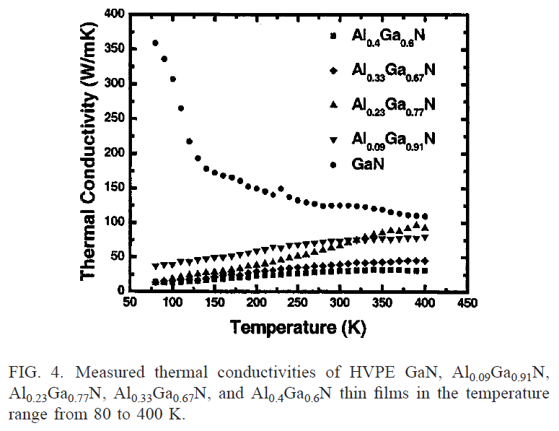
 |  |  |  |  | 500 | 8.20E-05 | 82.00
 |  |  |  |  | 600 | 7.80E-05 | 78.00
 |  |  |  |  | 700 | 7.10E-05 | 71.00

AlGaN Thermal Conductivity
 | SYMMIC 40% Bulk |  | MMIX |  | AlGaN 25% thin film
300 | 25.00 | 300 | 25 | 75 | 15.00
350 | 20.00 | 350 | 20.023345061 | 100 | 20.00
400 | 16.00 | 400 | 16.520691747 | 150 | 27.00
450 | 14.00 | 450 | 13.943397088 | 200 | 38.00
500 | 12.00 | 500 | 11.980579055 | 250 | 50.00
 |  |  |  | 300 | 65.00
 |  |  |  | 350 | 80.00
 |  |  |  | 400 | 84.00
 |  |  |  | 500 | 82.00
 |  |  |  | 600 | 78.00
 |  |  |  | 700 | 71.00

Au
SYMMIC Copper Model validated against equation
-0.066 | m
337.16 | b |  |  | Sydney
300 | To |  | SYMMIC | MMIX
 | 200 | 0.000323 | 323.00 | 323.96
 | 300 | 0.000317 | 317.00 | 317.36
 | 400 | 0.000311 | 311.00 | 310.76
 | 500 | 0.000304 | 304.00 | 304.16
 | 600 | 0.000298 | 298.00 | 297.56
 | 800 | 0.000284 | 284.00 | 284.36
Metal κ(T)

kth = 337.16 - 0.066*T

Gold Thermal Conductivity
 | SYMMIC | MMIX
200 | 323.00 | 323.96
300 | 317.00 | 317.36
400 | 311.00 | 310.76
500 | 304.00 | 304.16
600 | 298.00 | 297.56
800 | 284.00 | 284.36

Al
250 | W/mK |  |  |  |  | b = | 266
-0.13 | alpha |  |  | Exp | Linear | m = | -0.06
300 | To |  | SYMMIC | MODEL | MODEL
 | 200 | 6.46E-05 | 237.00 | 263.53 | 254
 | 300 | 4.15E-05 | 237.00 | 250.00 | 248 |  |  | 200 | 0.000237 | 237
 | 400 | 3.80E-05 | 240.00 | 240.82 | 242 |  |  | 300 | 0.000237 | 237
 | 500 | 3.51E-05 | 236.00 | 233.94 | 236 |  |  | 400 | 0.00024 | 240
 | 600 | 3.25E-05 | 231.00 | 228.46 | 230 |  |  | 500 | 0.000236 | 236
 | 800 | 3.03E-05 | 218.00 | 220.07 | 218 |  |  | 600 | 0.000231 | 231
 |  |  |  |  |  |  |  | 800 | 0.000218 | 218

Bulk Aluminum Thermal Conductivity

Ni
SYMMIC Copper Model validated against equation
-0.089 | m
117.32 | b |  |  | Sydney
300 | To |  | SYMMIC | MMIX
 | 173 | 0.000113 | 113.00 | 101.923
 | 273 | 9.40E-05 | 94.00 | 93.023
 | 373 | 8.30E-05 | 83.00 | 84.123
 | 573 | 6.70E-05 | 67.00 | 66.323

Metal κ(T)

Nickel Thermal Conductivity
 | SYMMIC | MMIX
173 | 113.00 | 101.923
273 | 94.00 | 93.023
373 | 83.00 | 84.123
573 | 67.00 | 66.323

Cu
Metal κ(T)
-0.07 | m |  |  | Sydney
421.19 | b |  | Cu | Cu | C110 | C101 | C194
300 | To |  | SYMMIC | MMIX | TAW | TAW | TAW
 | 200 | 0.000413 | 413.00 | 407.19 | 399 | 403 | 280
 | 300 | 0.000401 | 401.00 | 400.19 | 388 | 391 | 264
 | 400 | 0.000393 | 393.00 | 393.19 | 380 | 383 | 250
 | 500 | 0.000386 | 386.00 | 386.19 | 373 | 376 | 236
 | 600 | 0.000379 | 379.00 | 379.19 | 366 | 369 | 223
 | 800 | 0.000366 | 366.00 | 365.19 | 353 | 356 | 198

SYMMIC Copper Model validated against equation

Copper Thermal Conductivity
C194 Thermal Conductivity

GaAs
41.5 | W/mK
-1.091 | alpha |  |  | FIT
300 | To |  | SYMMIC | MODEL
 | 200 | 6.46E-05 | 64.60 | 64.59
 | 300 | 4.15E-05 | 41.50 | 41.50
 | 325 | 3.80E-05 | 38.00 | 38.03
 | 350 | 3.51E-05 | 35.10 | 35.08
 | 375 | 3.25E-05 | 32.50 | 32.53
 | 400 | 3.03E-05 | 30.30 | 30.32
 | 450 | 2.67E-05 | 26.70 | 26.66
 | 500 | 2.38E-05 | 23.80 | 23.77
 | 600 | 1.95E-05 | 19.50 | 19.48
 | 700 | 1.65E-05 | 16.50 | 16.47
 | 800 | 1.43E-05 | 14.30 | 14.23
Bulk GaAs Thermal Conductivity

SiC
470 | W/mK |  |  |  |  |  | 370 | W/mK
-1.5 | alpha |  | Kx-Ky | Kz | FIT x-y | FIT z | -1.5 | alpha | kx | ky | kz | T | kx | ky | kz
300 | To |  | SYMMIC | SYMMIC | MODEL | MODEL | 300 | To | 0.000863 | 0.000863 | 0.00068 | 200 | 863 | 863 | 680
 | 200 | 6.46E-05 | 863.00 | 680 | 863.45 | 679.73 |  |  | 0.00047 | 0.00047 | 0.00037 | 300 | 470 | 470 | 370
 | 300 | 4.15E-05 | 470.00 | 370 | 470.00 | 370.00 |  |  | 0.000417 | 0.000417 | 0.000328 | 325 | 417 | 417 | 328
 | 325 | 3.80E-05 | 417.00 | 328 | 416.83 | 328.14 |  |  | 0.000373 | 0.000373 | 0.000294 | 350 | 373 | 373 | 294
 | 350 | 3.51E-05 | 373.00 | 294 | 372.97 | 293.62 |  |  | 0.000336 | 0.000336 | 0.000265 | 375 | 336 | 336 | 265
 | 375 | 3.25E-05 | 336.00 | 265 | 336.30 | 264.75 |  |  | 0.000305 | 0.000305 | 0.00024 | 400 | 305 | 305 | 240
 | 400 | 3.03E-05 | 305.00 | 240 | 305.27 | 240.32 |  |  | 2.56E-04 | 0.000256 | 0.000201 | 450 | 256 | 256 | 201
 | 450 | 2.67E-05 | 256.00 | 201 | 255.84 | 201.40 |  |  | 2.18E-04 | 0.000218 | 0.000172 | 500 | 218 | 218 | 172
 | 500 | 2.38E-05 | 218.00 | 172 | 218.44 | 171.96 |  |  | 1.66E-04 | 0.000166 | 0.000131 | 600 | 166 | 166 | 131
 | 600 | 1.95E-05 | 166.00 | 131 | 166.17 | 130.81 |  |  | 1.32E-04 | 0.000132 | 0.000104 | 700 | 132 | 132 | 104
 | 700 | 1.65E-05 | 132.00 | 104 | 131.87 | 103.81 |  |  | 1.08E-04 | 0.000108 | 8.50E-05 | 800 | 108 | 108 | 85
 | 800 | 1.43E-05 | 108.00 | 85 | 107.93 | 84.97
Bulk z-SiC Thermal Conductivity
Bulk xy-SiC Thermal Conductivity

AlN
319 | W/mK
-1.7 | alpha |  | Sydney | FIT
300 | To |  | SYMMIC | MODEL
 | 200 | 0.00078 | 780 | 636
 | 300 | 0.000319 | 319 | 319
 | 400 | 0.000195 | 195 | 196
 | 600 | 0.0001 | 100 | 98
 | 1000 | 4.90E-05 | 49 | 41
Bulk AlN Thermal Conductivity

AlGaAs
20 | W/mK
-1.2 | alpha |  |  | Sydney | FIT
300 | To |  | SYMMIC | SYMMIC | MODEL
 | 300 | 1.14E-05 | 11.40 | 20.00 | 20.00 | 300 | 1.14E-05 | 11.40 | 300 | 2.00E-05 | 20.00
 | 350 |  |  | 16.62 | 16.62 |  |  |  | 350 | 1.66E-05 | 16.62
 | 400 |  |  | 14.16 | 14.16 |  |  |  | 400 | 1.42E-05 | 14.16
 | 450 |  |  | 12.29 | 12.29 |  |  |  | 450 | 1.23E-05 | 12.29
 | 500 |  |  | 10.83 | 10.83 |  |  |  | 500 | 1.08E-05 | 10.83
 | 550 |  |  | 9.66 | 9.66 |  |  |  | 550 | 9.66E-06 | 9.66
 | 600 |  |  | 8.71 | 8.71 |  |  |  | 600 | 8.71E-06 | 8.71

Bulk AlGaAs Thermal Conductivity

GaN
SYMMIC Model validated against equation
 | –GaN κ(T=300K) = 150 W/mK, α = -1.4
150 | W/mK
-1.4 | alpha |  |  | Sydney
300 | To |  | SYMMIC | MMIX
 | 200 | 0.000268 | 268 | 264.61778007
 | 300 | 0.00015 | 150 | 150
 | 325 | 0.000134 | 134 | 134.09862053
 | 350 | 0.00012 | 120 | 120.88314587
 | 375 | 0.000109 | 109 | 109.75321246
 | 400 | 9.90E-05 | 99 | 100.27138826
 | 450 | 8.40E-05 | 84 | 85.028300042
 | 500 | 7.20E-05 | 72 | 73.367379865
 | 600 | 5.60E-05 | 56 | 56.839371244
 | 700 | 4.50E-05 | 45 | 45.806146701
 | 800 | 3.70E-05 | 37 | 37.995751083
GaN Thermal Conductivity

Si
SYMMIC Model validated against equation
 | –Si κ(T=300K) = 156 W/mK, α = -1.3
156 | W/mK
-1.3 | alpha |  |  | Sydney
300 | To |  | SYMMIC | MMIX
 | 200 | 0.000266 | 266 | 264.2671829
 | 300 | 0.000156 | 156 | 156
 | 400 | 0.000105 | 105 | 107.32582629
 | 500 | 8.00E-05 | 80 | 80.301049962
 | 600 | 6.40E-05 | 64 | 63.355686916
 | 700 | 5.20E-05 | 52 | 51.850718339
 | 800 | 4.30E-05 | 43 | 43.587829799

Silicon Thermal Conductivity
 | SYMMIC | Sydney
200 | 266 | 264.2671829
300 | 156 | 156
400 | 105 | 107.32582629
500 | 80 | 80.301049962
600 | 64 | 63.355686916
700 | 52 | 51.850718339
800 | 43 | 43.587829799

