Sheet1
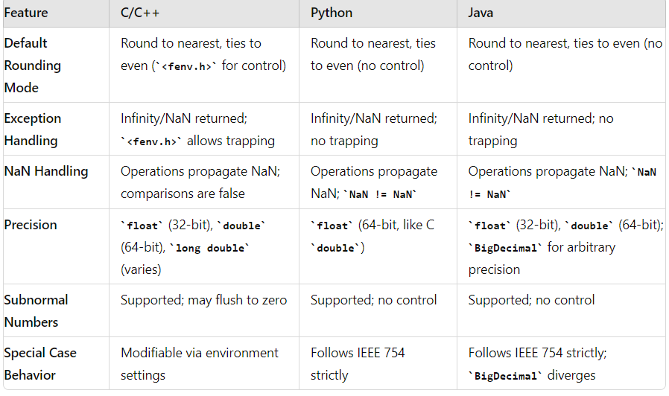
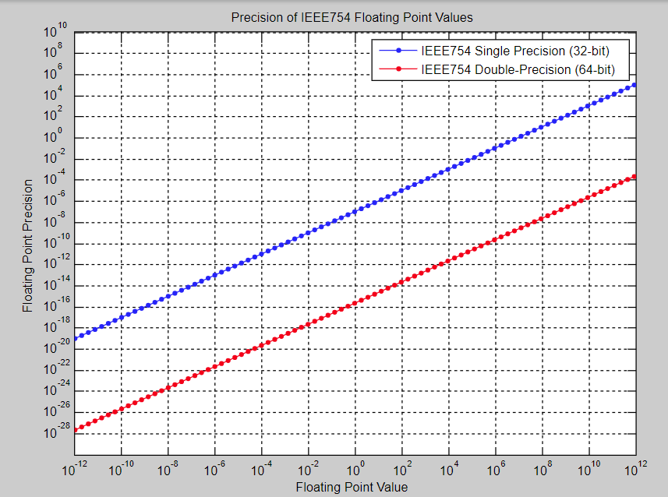
 |  |  | +∞
 |  |  | Loss

 |  |  | (Not zero but very small)
-∞ | -(2-2^-23)*2^127 | 0 |  | (2-2^-23)*2^127 | +∞
 |  |  |  |  | Number

 |  |  | -∞

