Лист1
ID | Summary | Issue Type | Priority | Severity | Description | Steps to Reproduce | Actual Result | Expected Result | Attachments
D1 | There is a symbol "+" in the outgoings on "YOUR OPERATIONS" screen | Functional issue | High | Major | In the "YOUR OPERATIONS" screen when the check box "OUT" is selected outgoings are displayed in format: symbol "-" (outgoing value) [BYN/USD/EUR(it depends on the card selected)] The 5th outgoing value is displayed with symbol "+" | 1. Open the Dash screen 2. Open the screen "YOUR OPERATIONS" 3. Select card (for example, VISA BYN *6654) under title "Card" 4. Select check box "OUT" 5. Click on the calendar "From" in block Period 6. Select date "From" in the calendar (for example, 01/09/2021) 7. Click on the calendar "Till" in the block Period 8. Select date "Till" in the calendar (for example, 31/09/2021) 9. Click "Search" button | Outgoings are displayed separately. The 5th outgoing isn't displayed in required format. It starts with symbol "+" (instead of "-"). It is described like incoming "Income by contract [contract №]" | Outgoings are displayed separately. Each outgoing is displayed in format: • icon • - (outgoing value) [BYN/USD/EUR(it depends on the card selected)] • [01-30/31] month [01-24]:[00-59] | *[the last numbers of the card selected] • type of outgoing (retail, cash) | 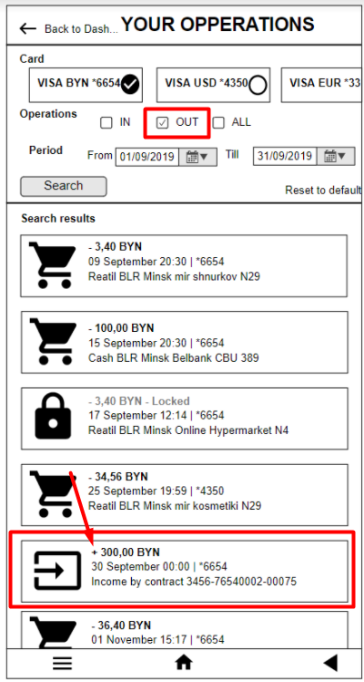
D2 | The screen "YOUR OPERATIONS" has grammar mistake in the header of the screen | GUI Issue | Low | Minor | The word "OPERATIONS" is spelled incorrectly in the header of the screen "YOUR OPERATIONS" | 1. Open the Dash Screen 2. Open the screen "YOUR OPERATIONS" | The title "YOUR OPPERATIONS" is displayed in the top at the screen | The title "YOUR OPERATIONS" is displayed in the top at the screen
D3 | There is an operation with wrong date on the screen "YOUR OPERATIONS" | Functional issue | High | Major | All the operations should have the date format between selected dates "From" to "Till". Selected date is form 01/09/2019 to 31/09/2019. One of the operations has the date 01 November | 1. Open the Dash screen 2. Open the screen "YOUR OPERATIONS" 3. Select card (for example, VISA BYN *6654) under title Card 4. Select check box "OUT" 5. Click on the calendar "From" in block Period 6. Select date "From" in the calendar (for example, 01/09/2021) 7. Click on the calendar "Till" in the block Period 8. Select date "Till" in the calendar (for example, 31/09/2021) 9. Click the button Search | Outgoings are displayed separately. The 6th operation is displayed with date (01 November) that doesn't match with selected period | Outgoings are displayed separately. Each outgoing is displayed in format: • icon • - (outgoing value) [BYN/USD/EUR(it depends on the card selected)] • [01-30/31] month (for example, September) [01-24]:[00-59] | *[the last numbers of the card selected] • type of outgoing (retail, cash) | 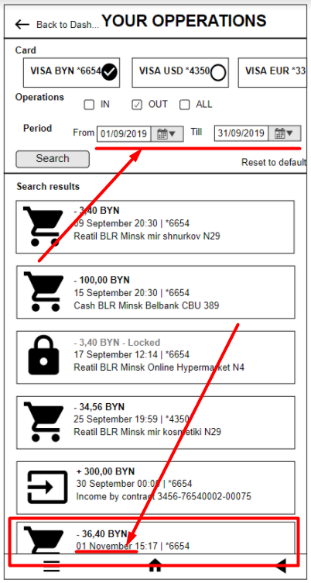
D4 | An operation with wrong card number is displayed on the screen "YOUR OPERATIONS" | Functional issue | High | Major | All the operations should have the number of the selected card after the date of operation. The only 4th operation doesn't have the number of selected card (VISA BYN *6654). It has the number of the second card (VISA USD *4350) | 1. Open the Dash screen 2. Open the screen "YOUR OPERATIONS" 3. Select card (for example, VISA BYN *6654) under title "Card" 4. Select check box "OUT" 5. Click on the calendar "From" in block Period 6. Select date "From" in the calendar (for example, 01/09/2021) 7. Click on the calendar "Till" in the block Period 8. Select date "Till" in the calendar (for example, 31/09/2021) 9. Click the button Search | Outgoings are displayed separately. The 4th operation is displayed with wrong card number (*4350) | Outgoings are displayed separately. Each outgoing is displayed in format: • icon • - (outgoing value) [BYN/USD/EUR(it depends on the card selected)] • [01-30/31] month (for example, September) [01-24]:[00-59] | *[the last numbers of the card selected] (in that case, *6654) • type of outgoing (retail, cash) | 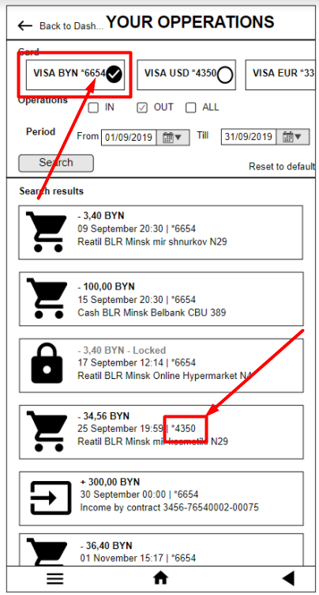
D5 | Three outgoings have grammar mistake in type of operation on the screen "YOUR OPERATIONS" | GUI Issue | Low | Minor | The types of outgoings are retail and cash. 3 of 6 operations have grammar mistake in the word "retail". There is "reatil" instead of "retail" | 1. Open the Dash screen 2. Open the screen "YOUR OPERATIONS" 3. Select card (for example, VISA BYN *6654) under title "Card" 4. Select check box "OUT" 5. Click on the calendar "From" in block Period 6. Select date "From" in the calendar (for example, 01/09/2021) 7. Click on the calendar "Till" in the block Period 8. Select date "Till" in the calendar (for example, 31/09/2021) 9. Click "Search" button | Outgoings are displayed separately. 1st, 3d, 4th operations have the type "reatil" | Outgoings are displayed separately. Each outgoing is displayed in format: • icon • - (outgoing value) [BYN/USD/EUR(it depends on the card selected)] • [01-30/31] month (for example, September) [01-24]:[00-59] | *[the last numbers of the card selected] (in that case, *6654) • type of outgoing (retail, cash) | 