Wireframe
●User: Buyer
1. login view | 2. Buyer signup view
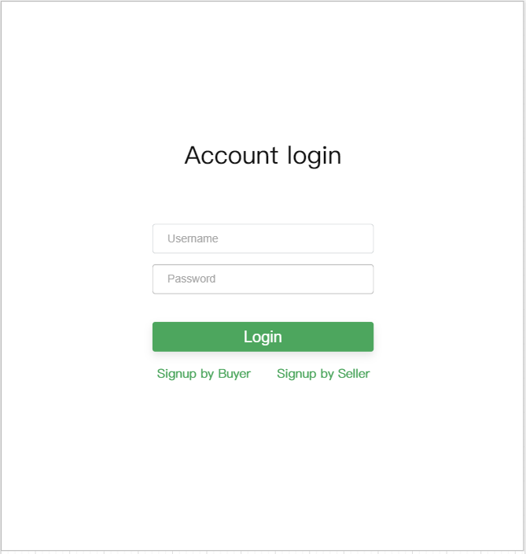
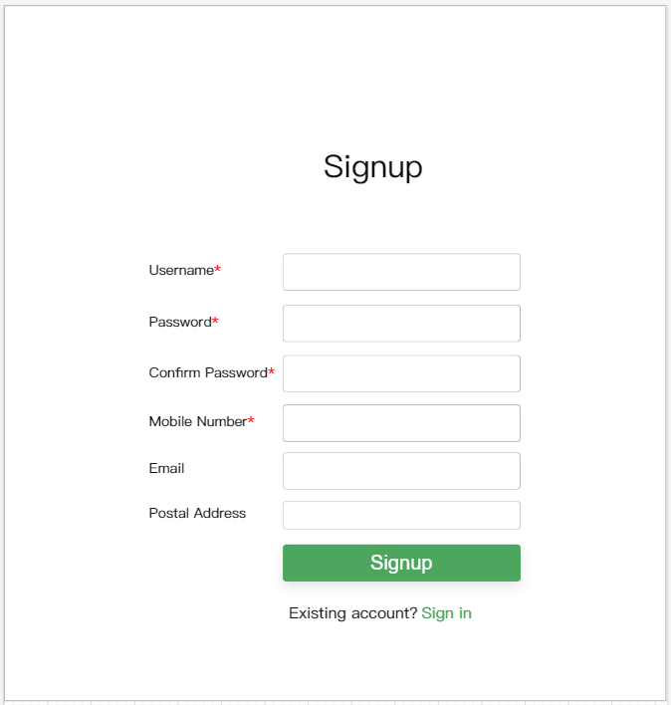

3.Buy Item view | 4. Buy Item detail view
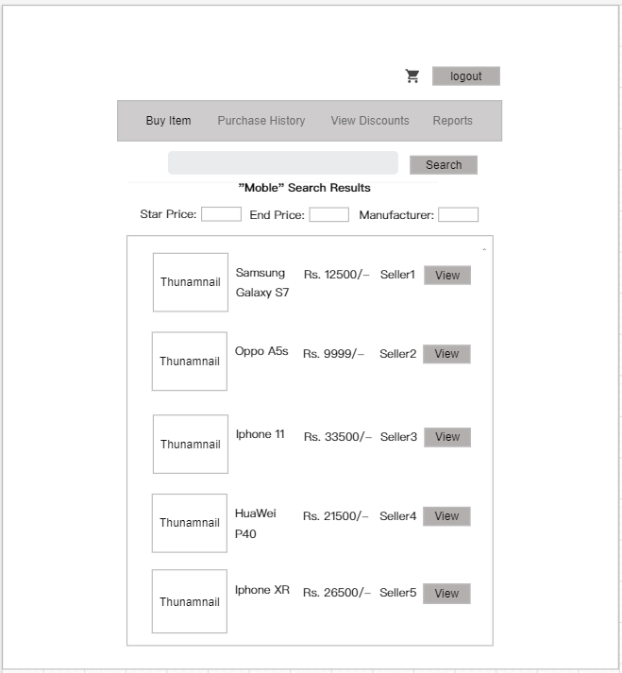
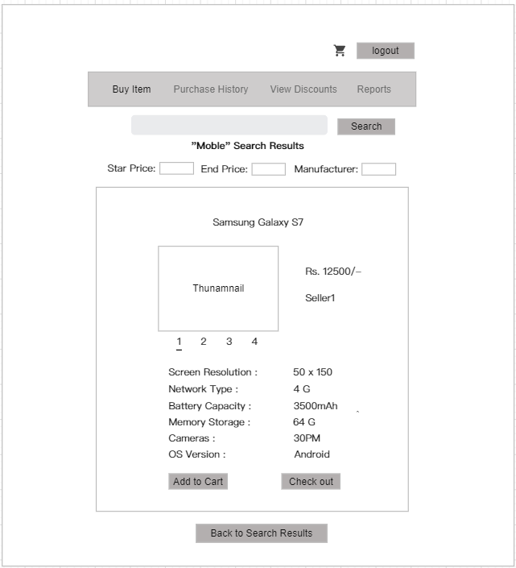

Use scrollbar if required
Use scrollbar if required
Multiple Pictures of Product

Checkout need not be integrated with any Payment gateway ,(rather the Transaction details can be added, to Transaction db Table)

6.Purchase History view | 5.Cart view
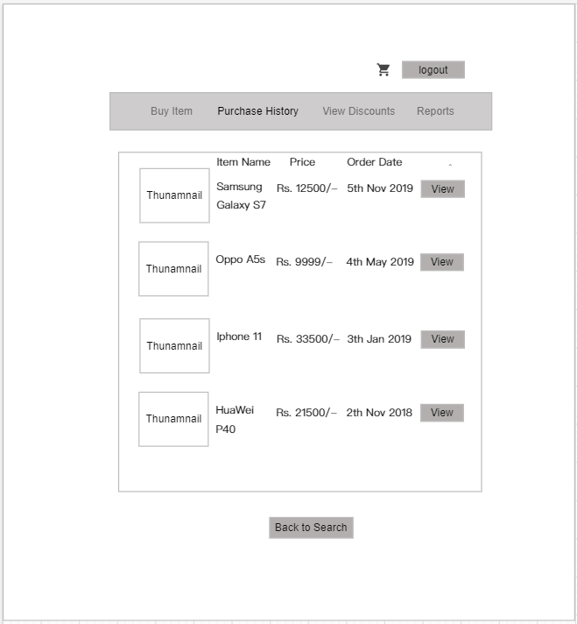
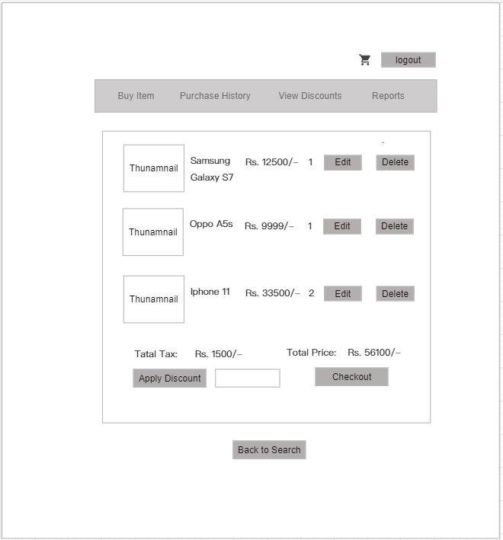

Number of ordered Items, increase or decrease nubmer of items

List of Items purchased in Reverse Chronological order ,use Scrollbar if required

Purchashing Items which are in Shopping Cart,currently

When 'Apply Discount' clicked disaplay small text, for User to fill discount code, and when applied deduct appropriate %

Checkout need not be integrated with any Payment gateway ,(rather the Transaction details can be added, to Transaction db Table)

7.Purchase History detail view | 8.Discounts view
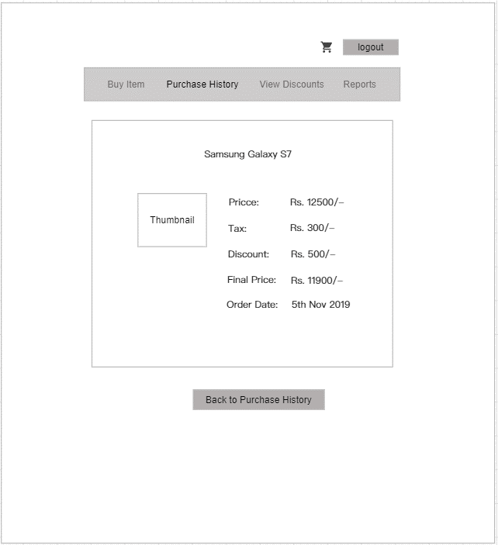
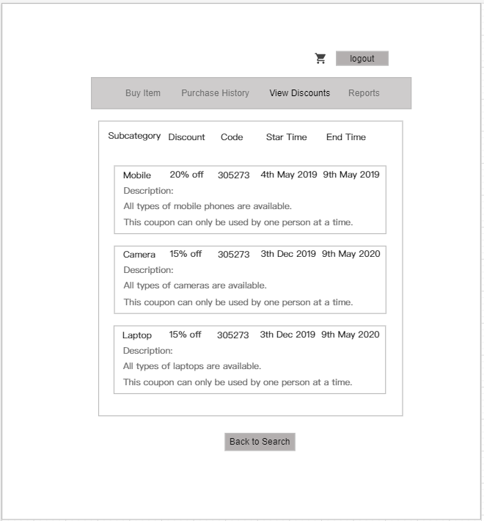

Use scrollbar if required

●User: Selller
1. login view | 9. Reports view
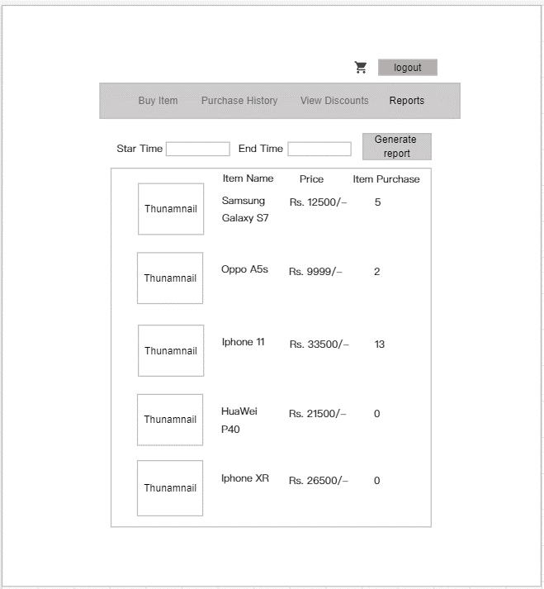

Use scrollbar if required

2. Seller signup view | 3. Add Item view
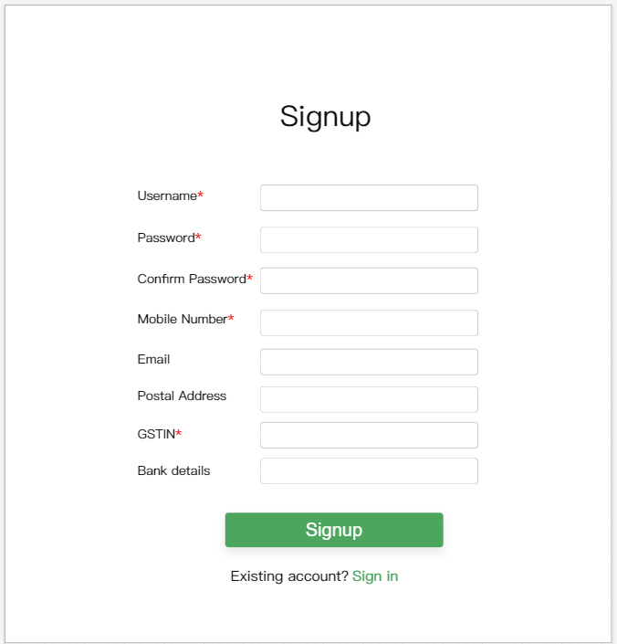
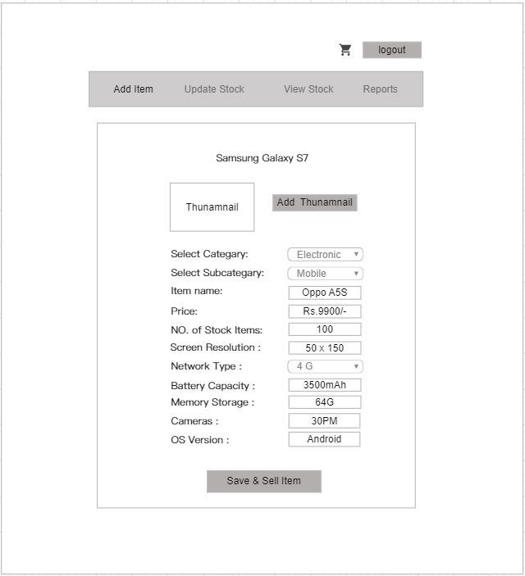

5. View Stock view | 4. Update Stock view
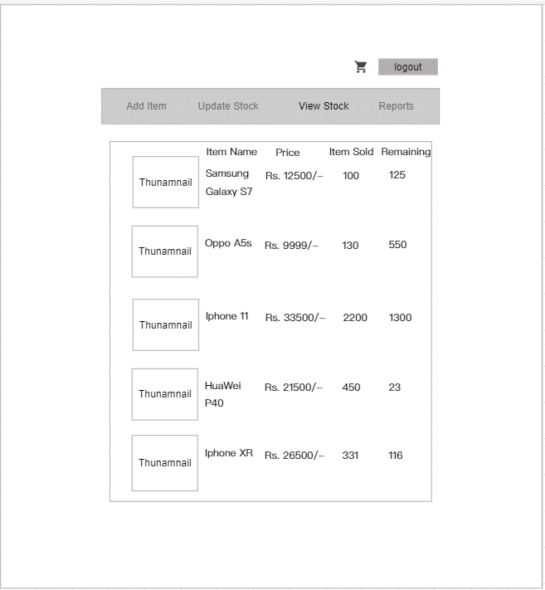
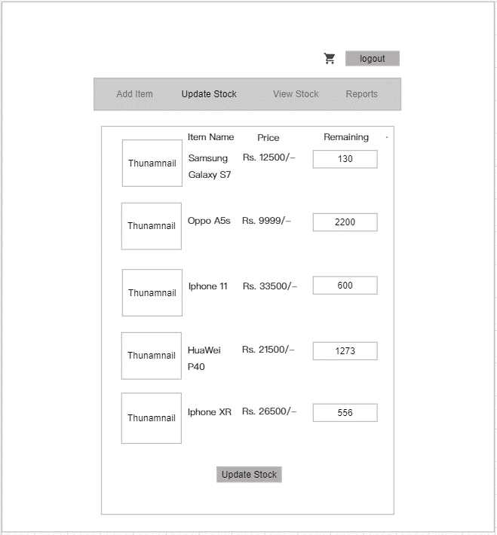

Use scrollbar if required
Use scrollbar if required

6. Reports view
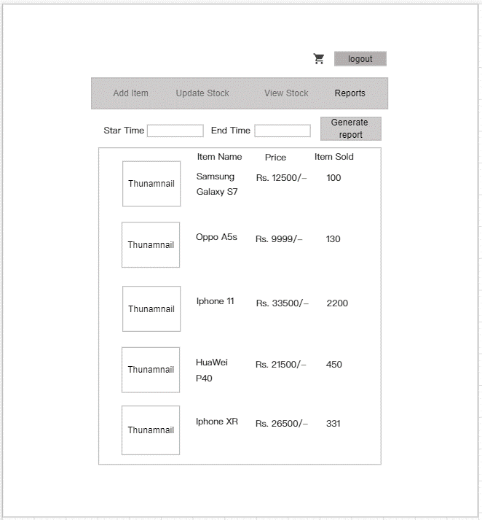

Use scrollbar if required

