财务结算系统截图20240918
应用层密码策略截图
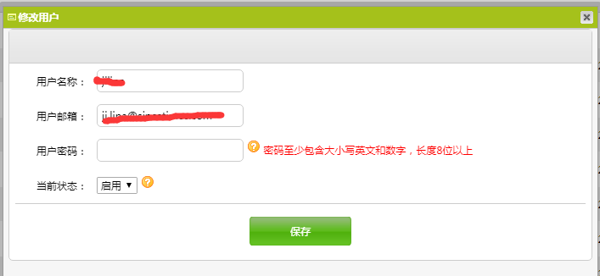

操作系统密码策略截图
密码策略 长度6位以上 含大小写字母符号数字

数据库密码策略截图
密码策略 长度6位以上 含大小写字母符号数字

用户操作日志
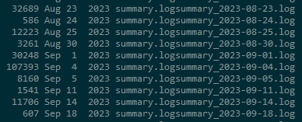

具体日志内容

应用层-管理员账号和权限

角色列表

菜单权限
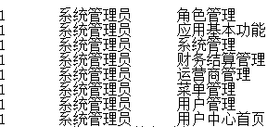

操作系统层-管理员账号和权限
root

数据库层-管理员账号和权限

应用层-账号清单 | 请见第二栏

