Figures
Figure previews regenerated from current paper_plots PNG files
/mnt2/miid/yf/project/SH_RJ/train_launch_minimal/reports/20260624T115247_run3_epoch14_COMPLETE_PACKAGE/paper_plots

FigA_All_Cohort_ROC.png
/mnt2/miid/yf/project/SH_RJ/train_launch_minimal/reports/20260624T115247_run3_epoch14_COMPLETE_PACKAGE/paper_plots/FigA_All_Cohort_ROC.png | 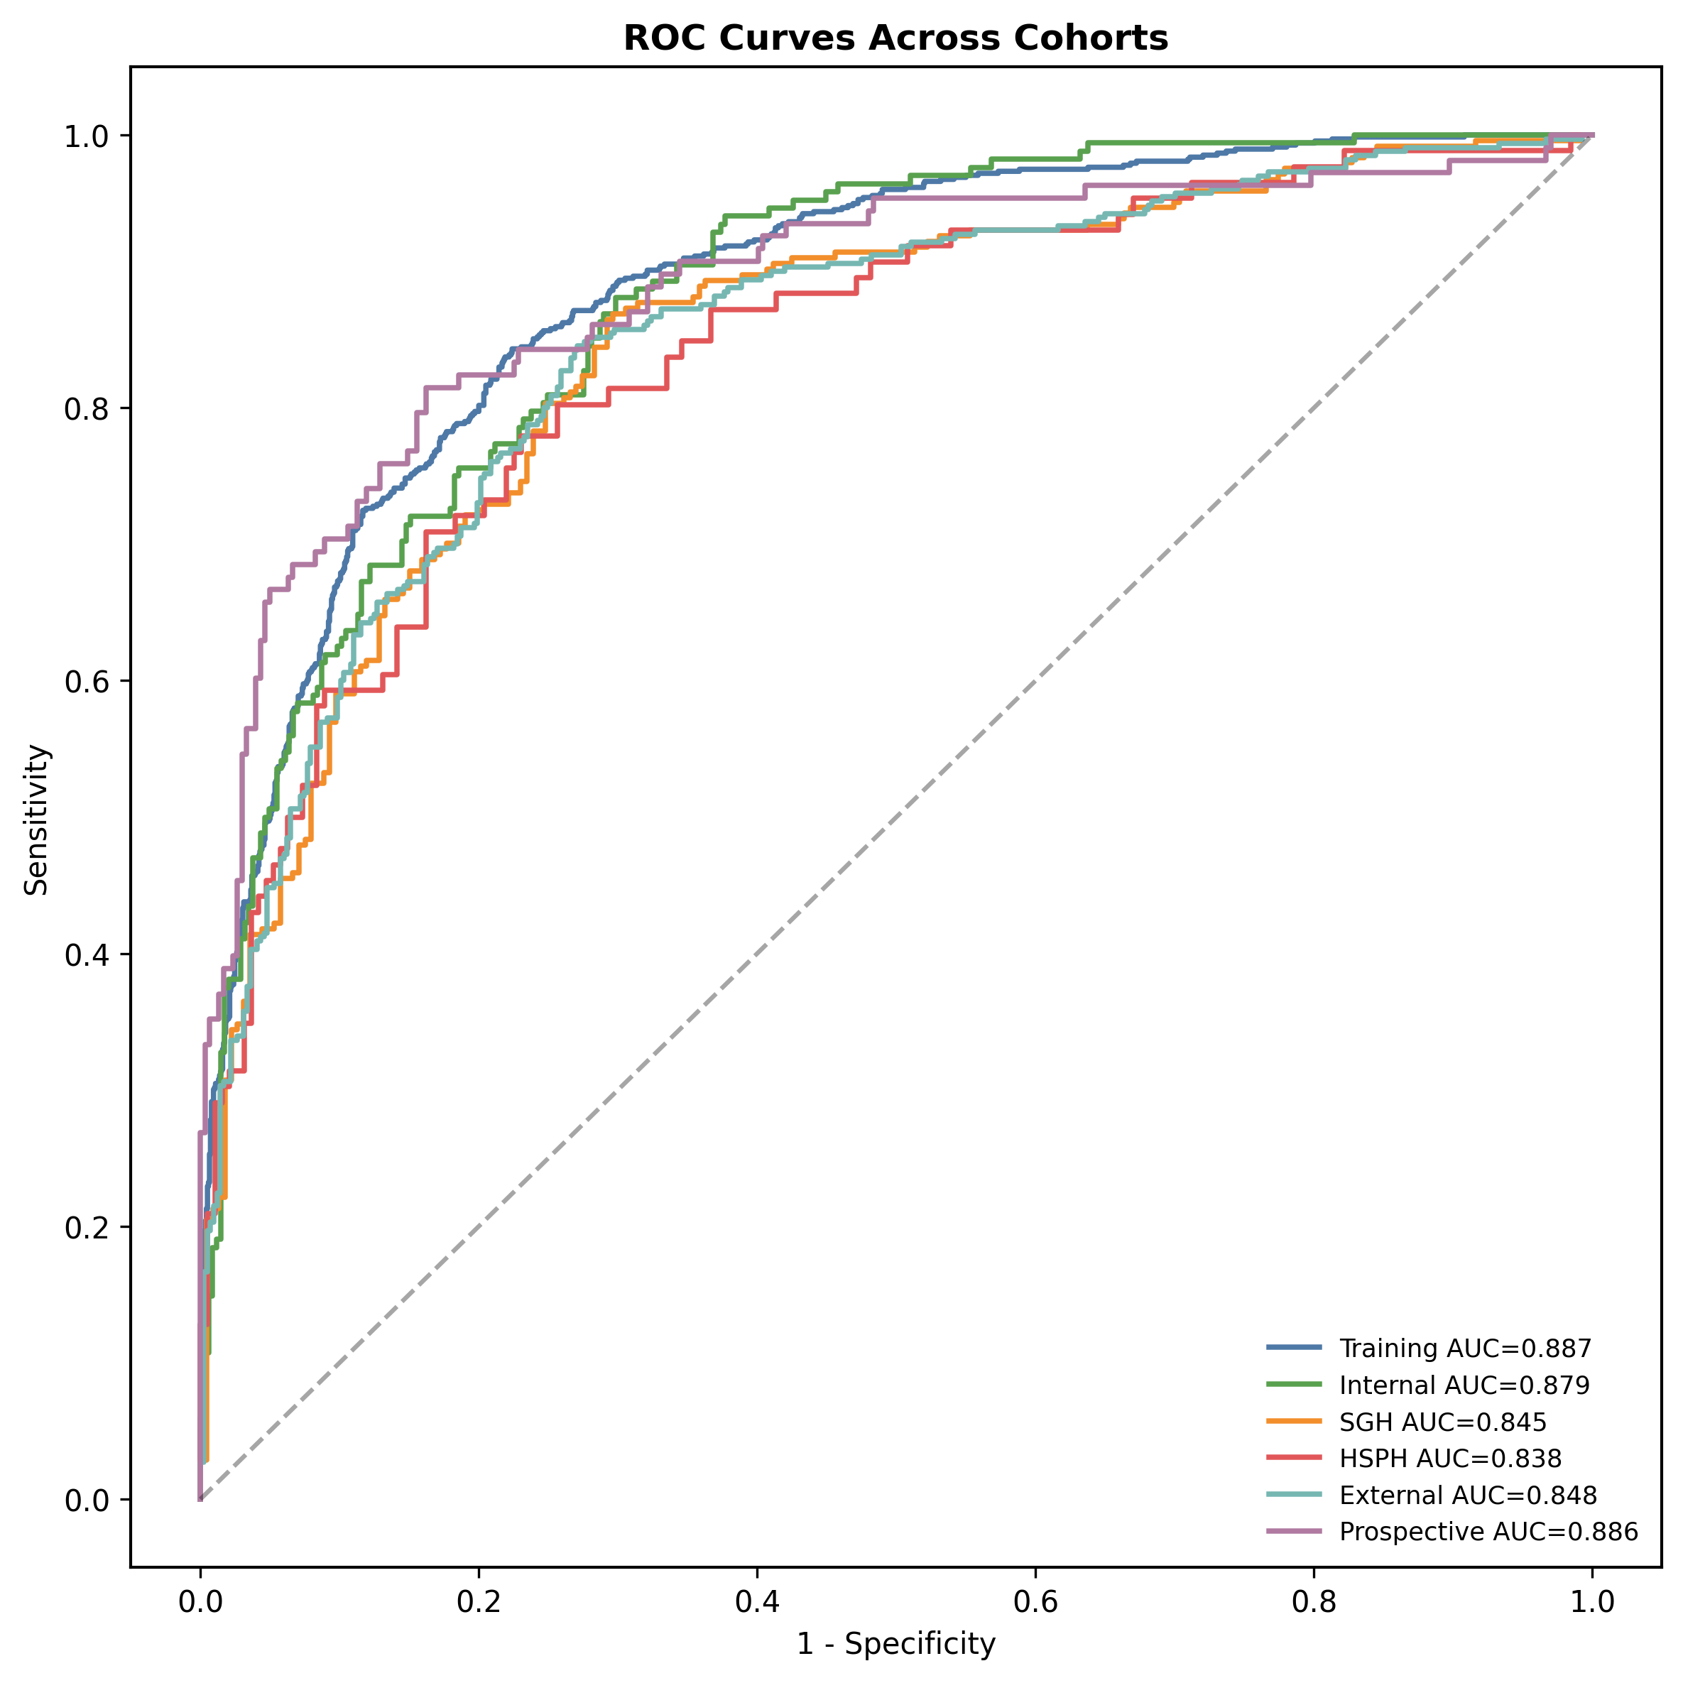

Fig1_Internal_ROC.png
/mnt2/miid/yf/project/SH_RJ/train_launch_minimal/reports/20260624T115247_run3_epoch14_COMPLETE_PACKAGE/paper_plots/Fig1_Internal_ROC.png | 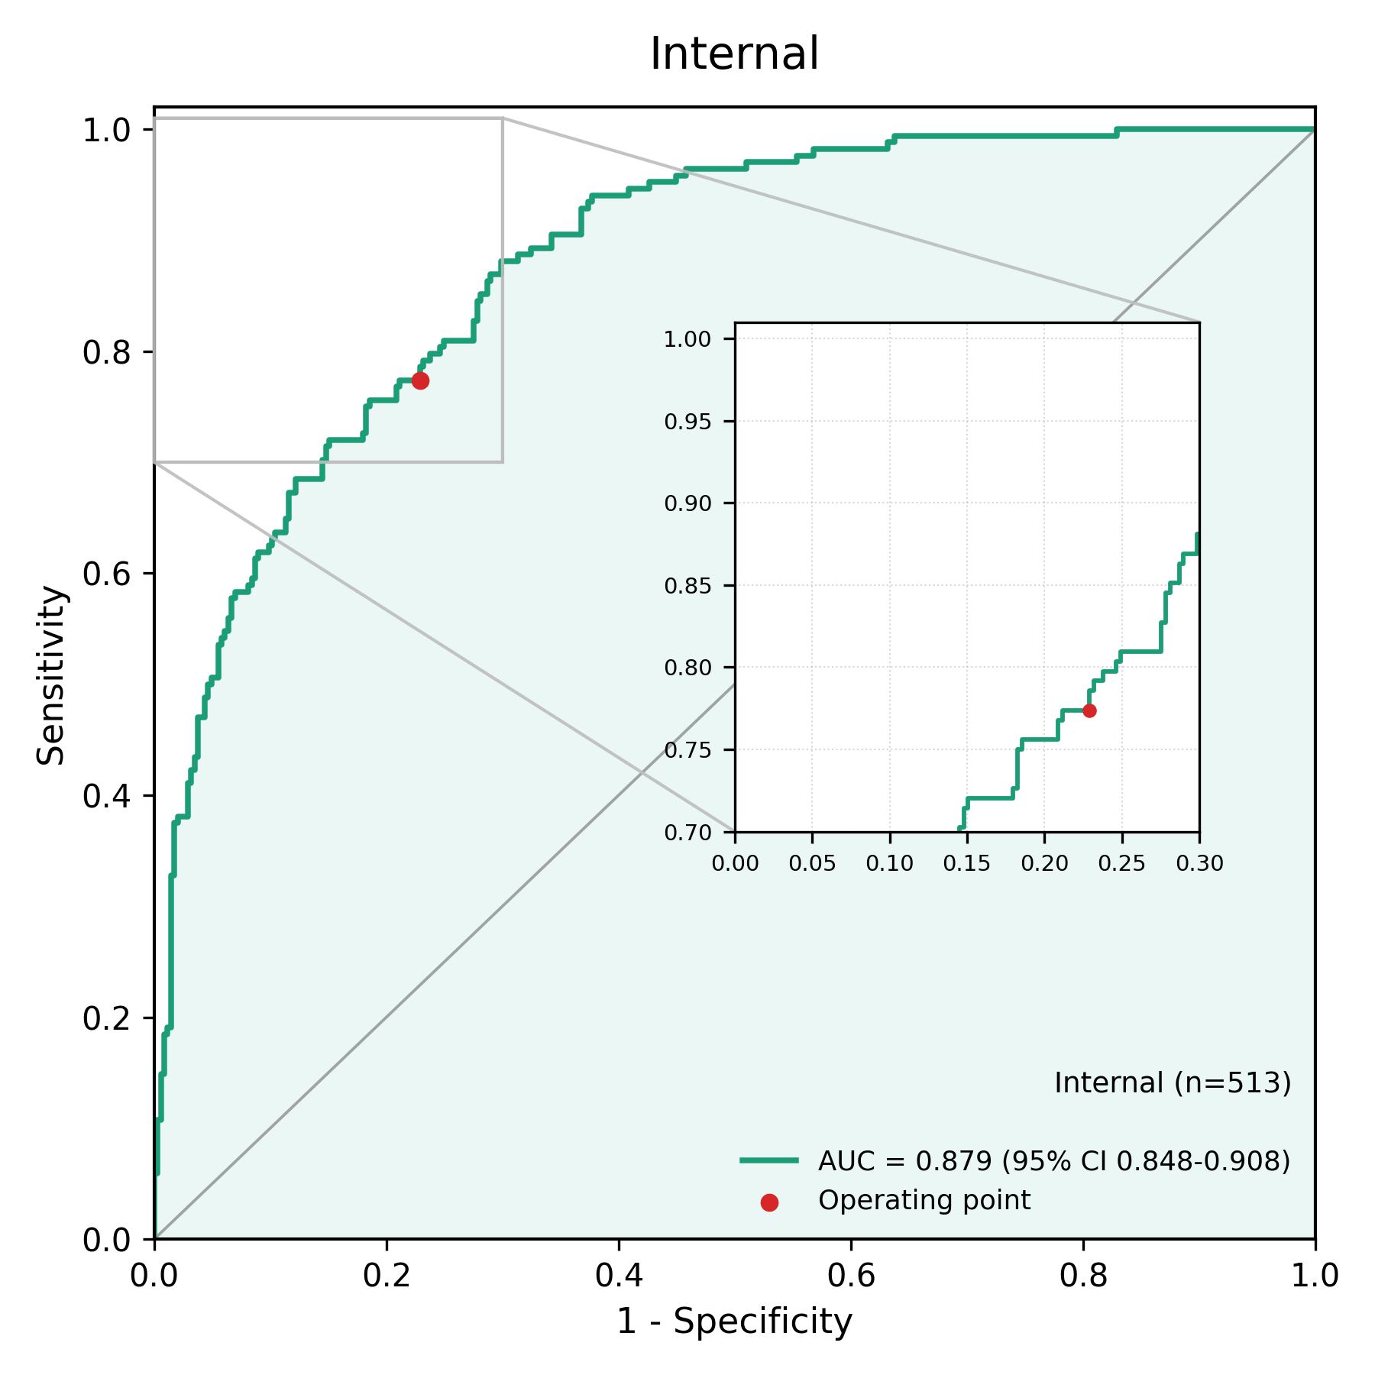

Fig2_External_Combined_ROC.png
/mnt2/miid/yf/project/SH_RJ/train_launch_minimal/reports/20260624T115247_run3_epoch14_COMPLETE_PACKAGE/paper_plots/Fig2_External_Combined_ROC.png | 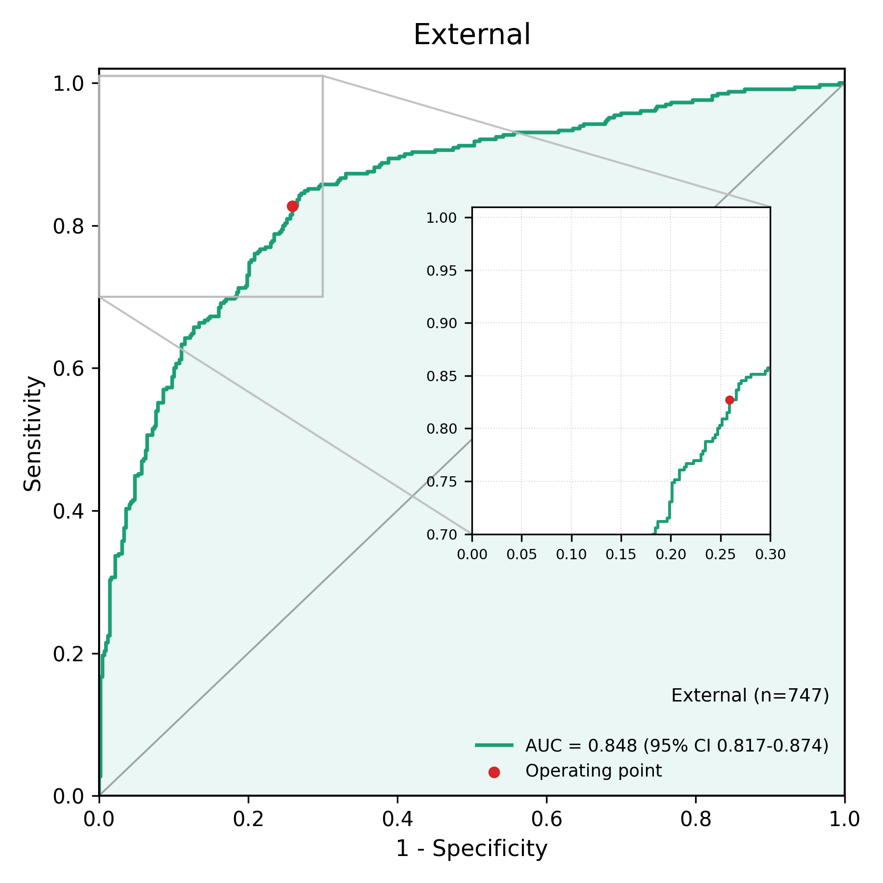

Fig3_Metrics_Bar.png
/mnt2/miid/yf/project/SH_RJ/train_launch_minimal/reports/20260624T115247_run3_epoch14_COMPLETE_PACKAGE/paper_plots/Fig3_Metrics_Bar.png | 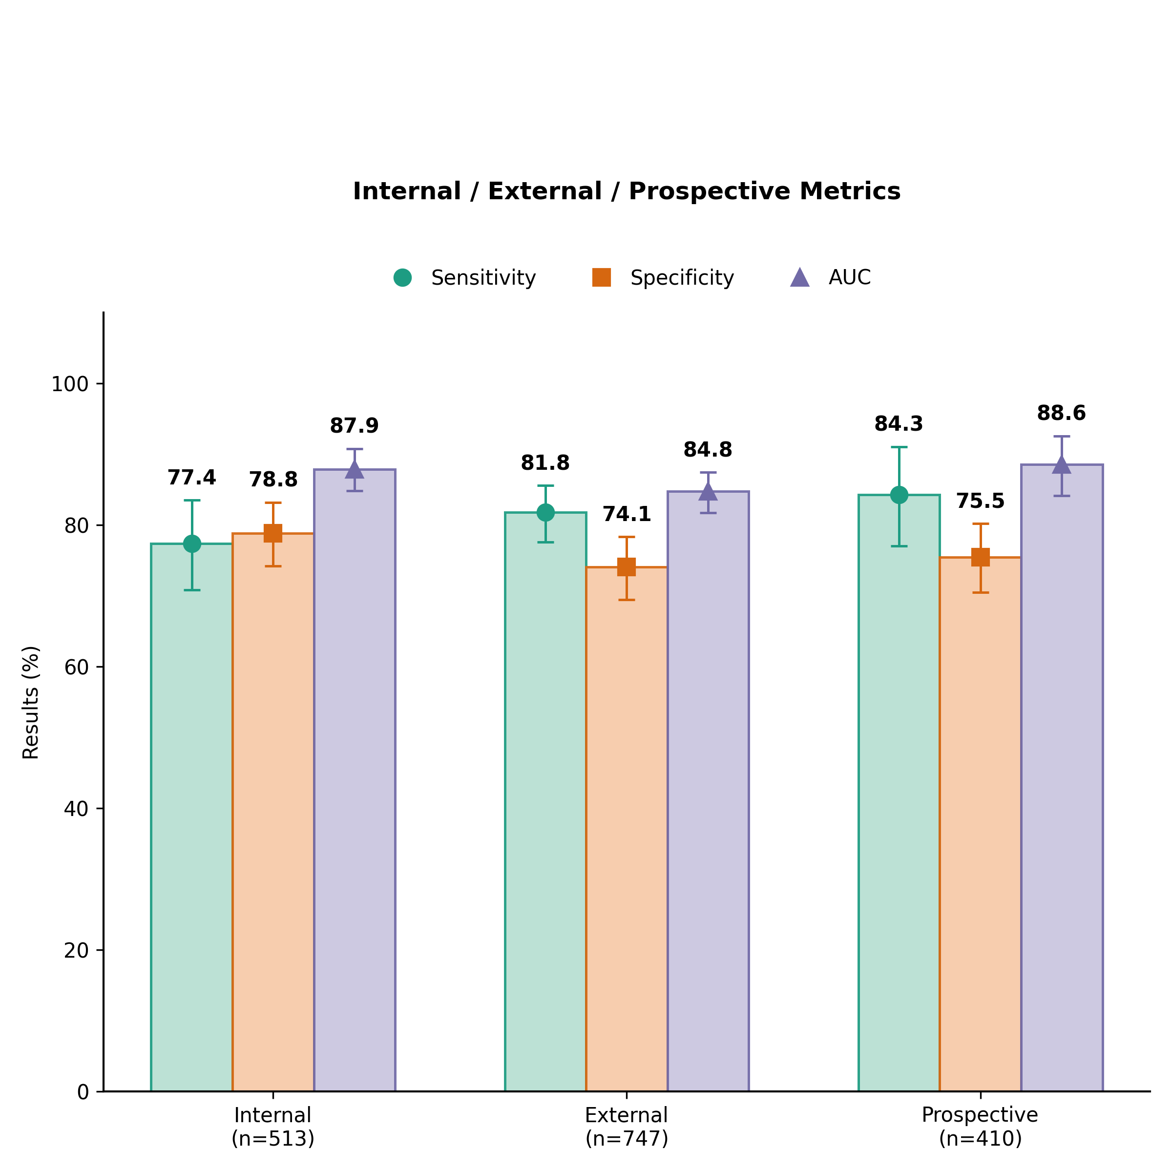

Fig4_1_External_Center_Bars.png
/mnt2/miid/yf/project/SH_RJ/train_launch_minimal/reports/20260624T115247_run3_epoch14_COMPLETE_PACKAGE/paper_plots/Fig4_1_External_Center_Bars.png | 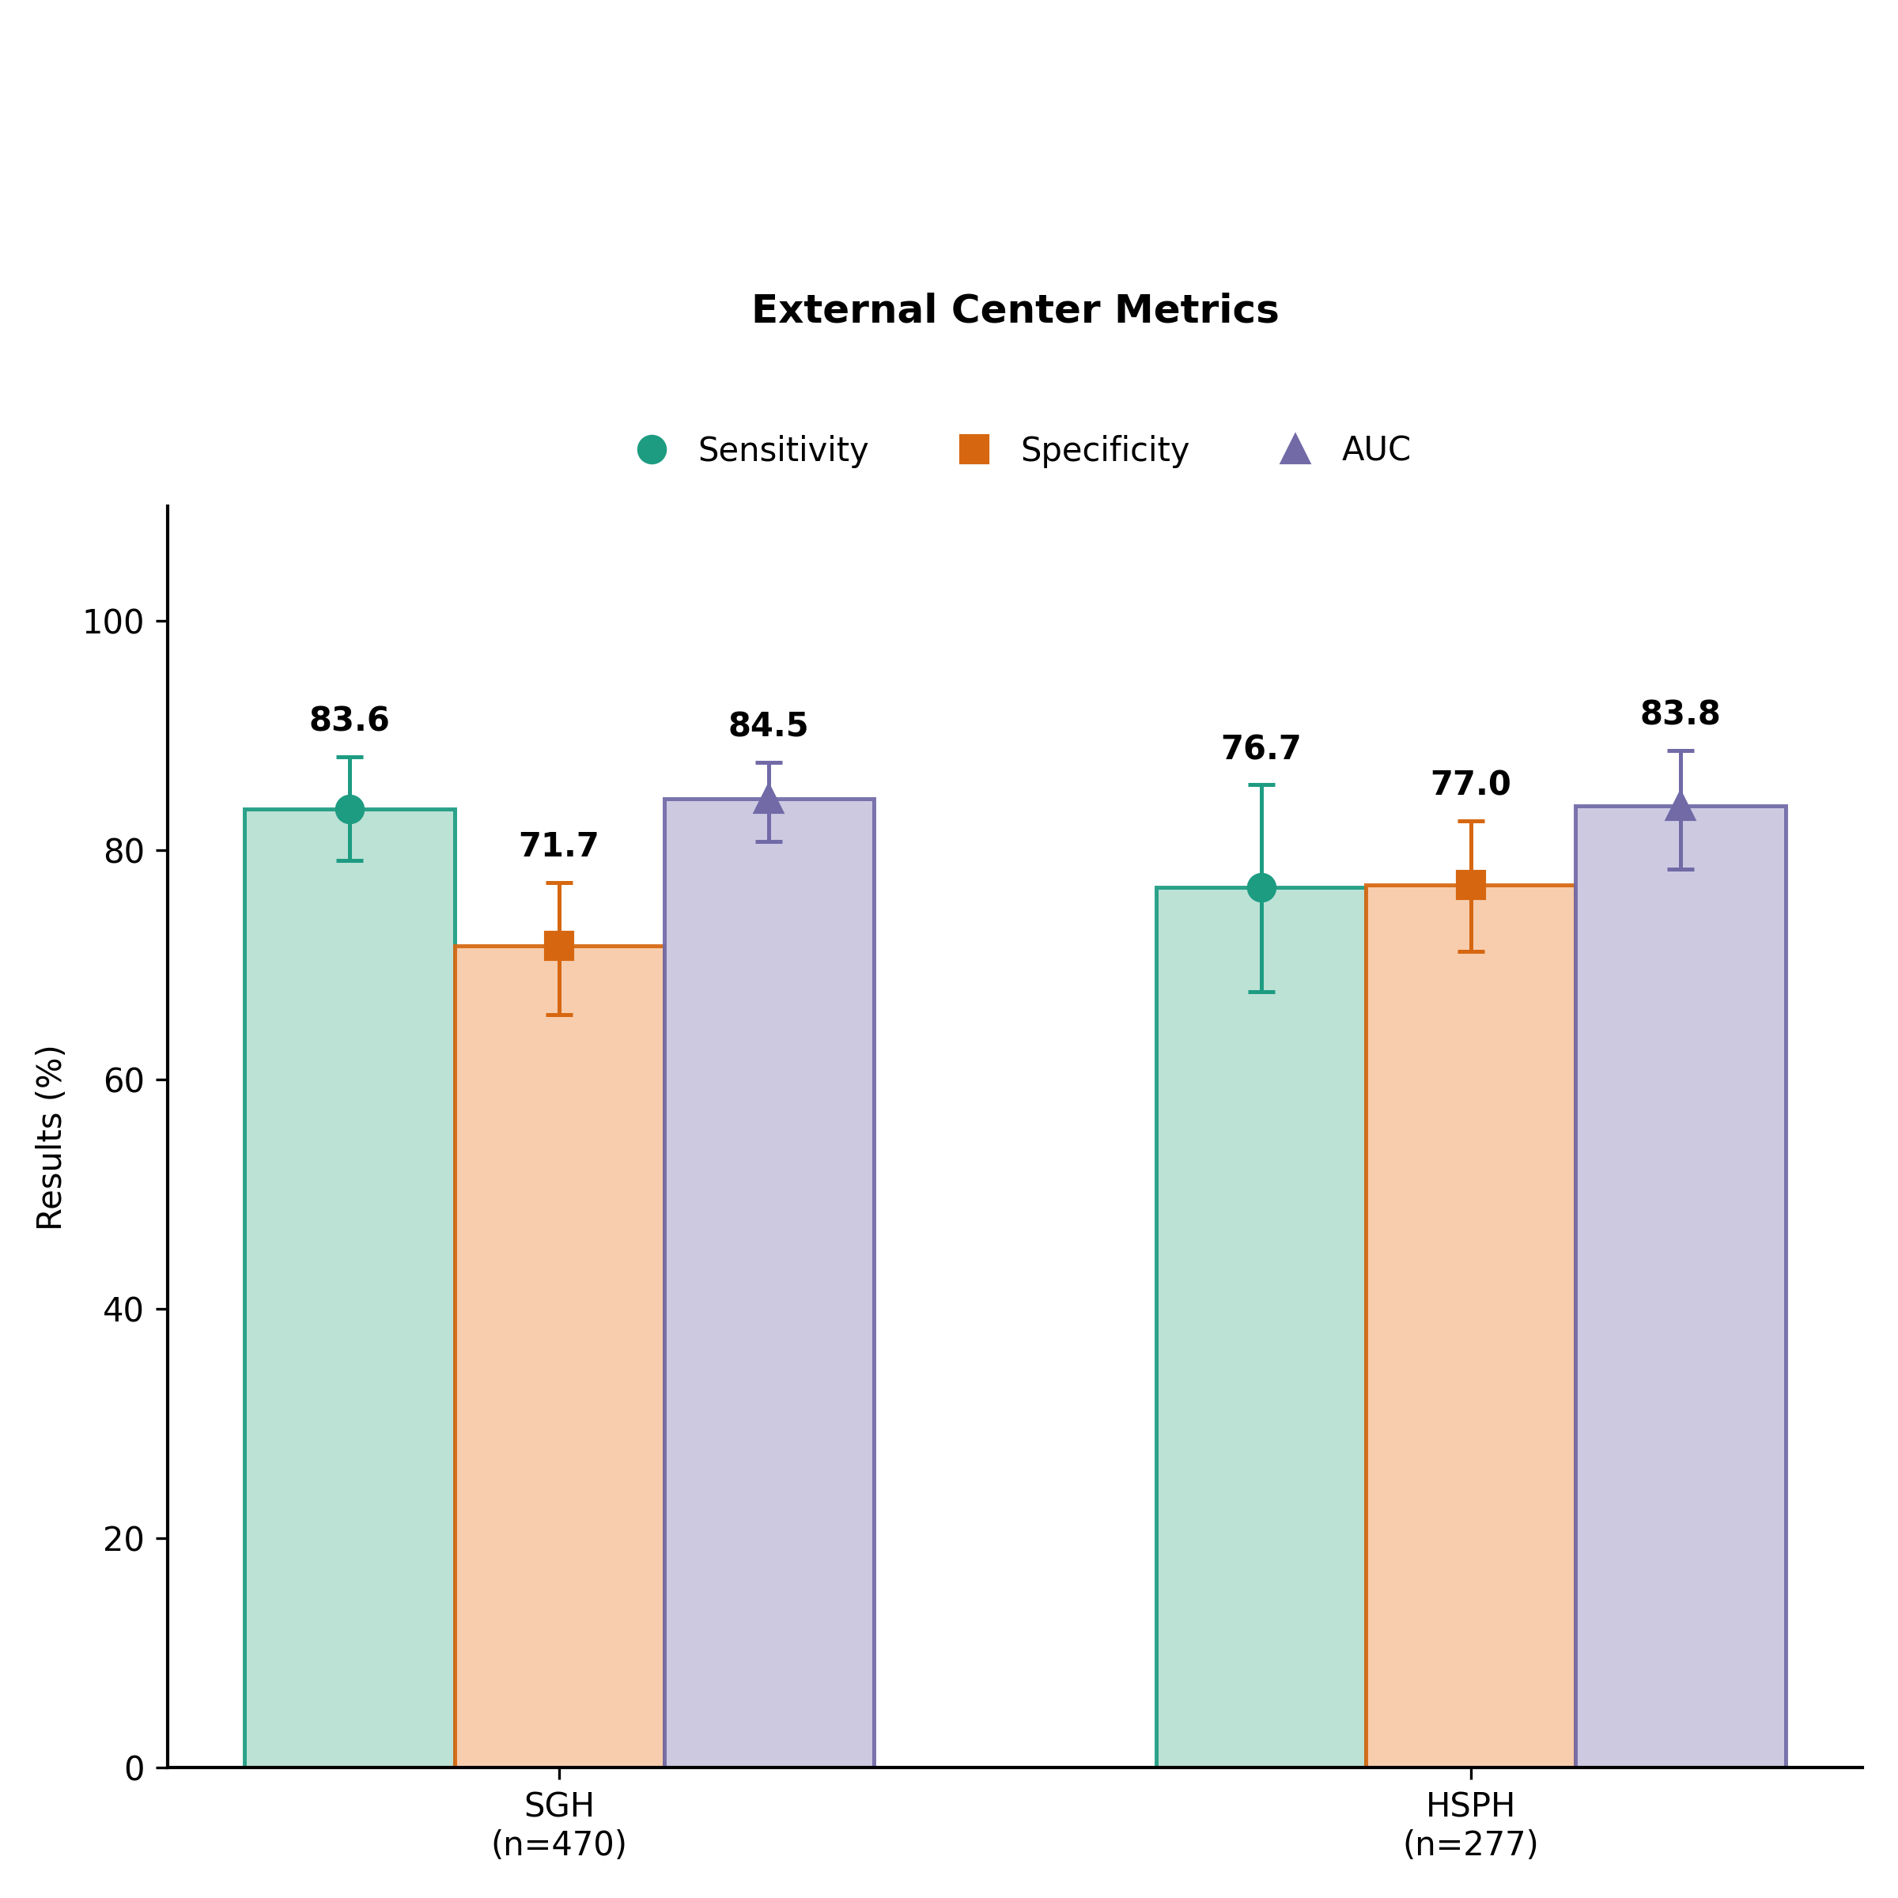

Fig4_2_External_Center_ROCs.png
/mnt2/miid/yf/project/SH_RJ/train_launch_minimal/reports/20260624T115247_run3_epoch14_COMPLETE_PACKAGE/paper_plots/Fig4_2_External_Center_ROCs.png | 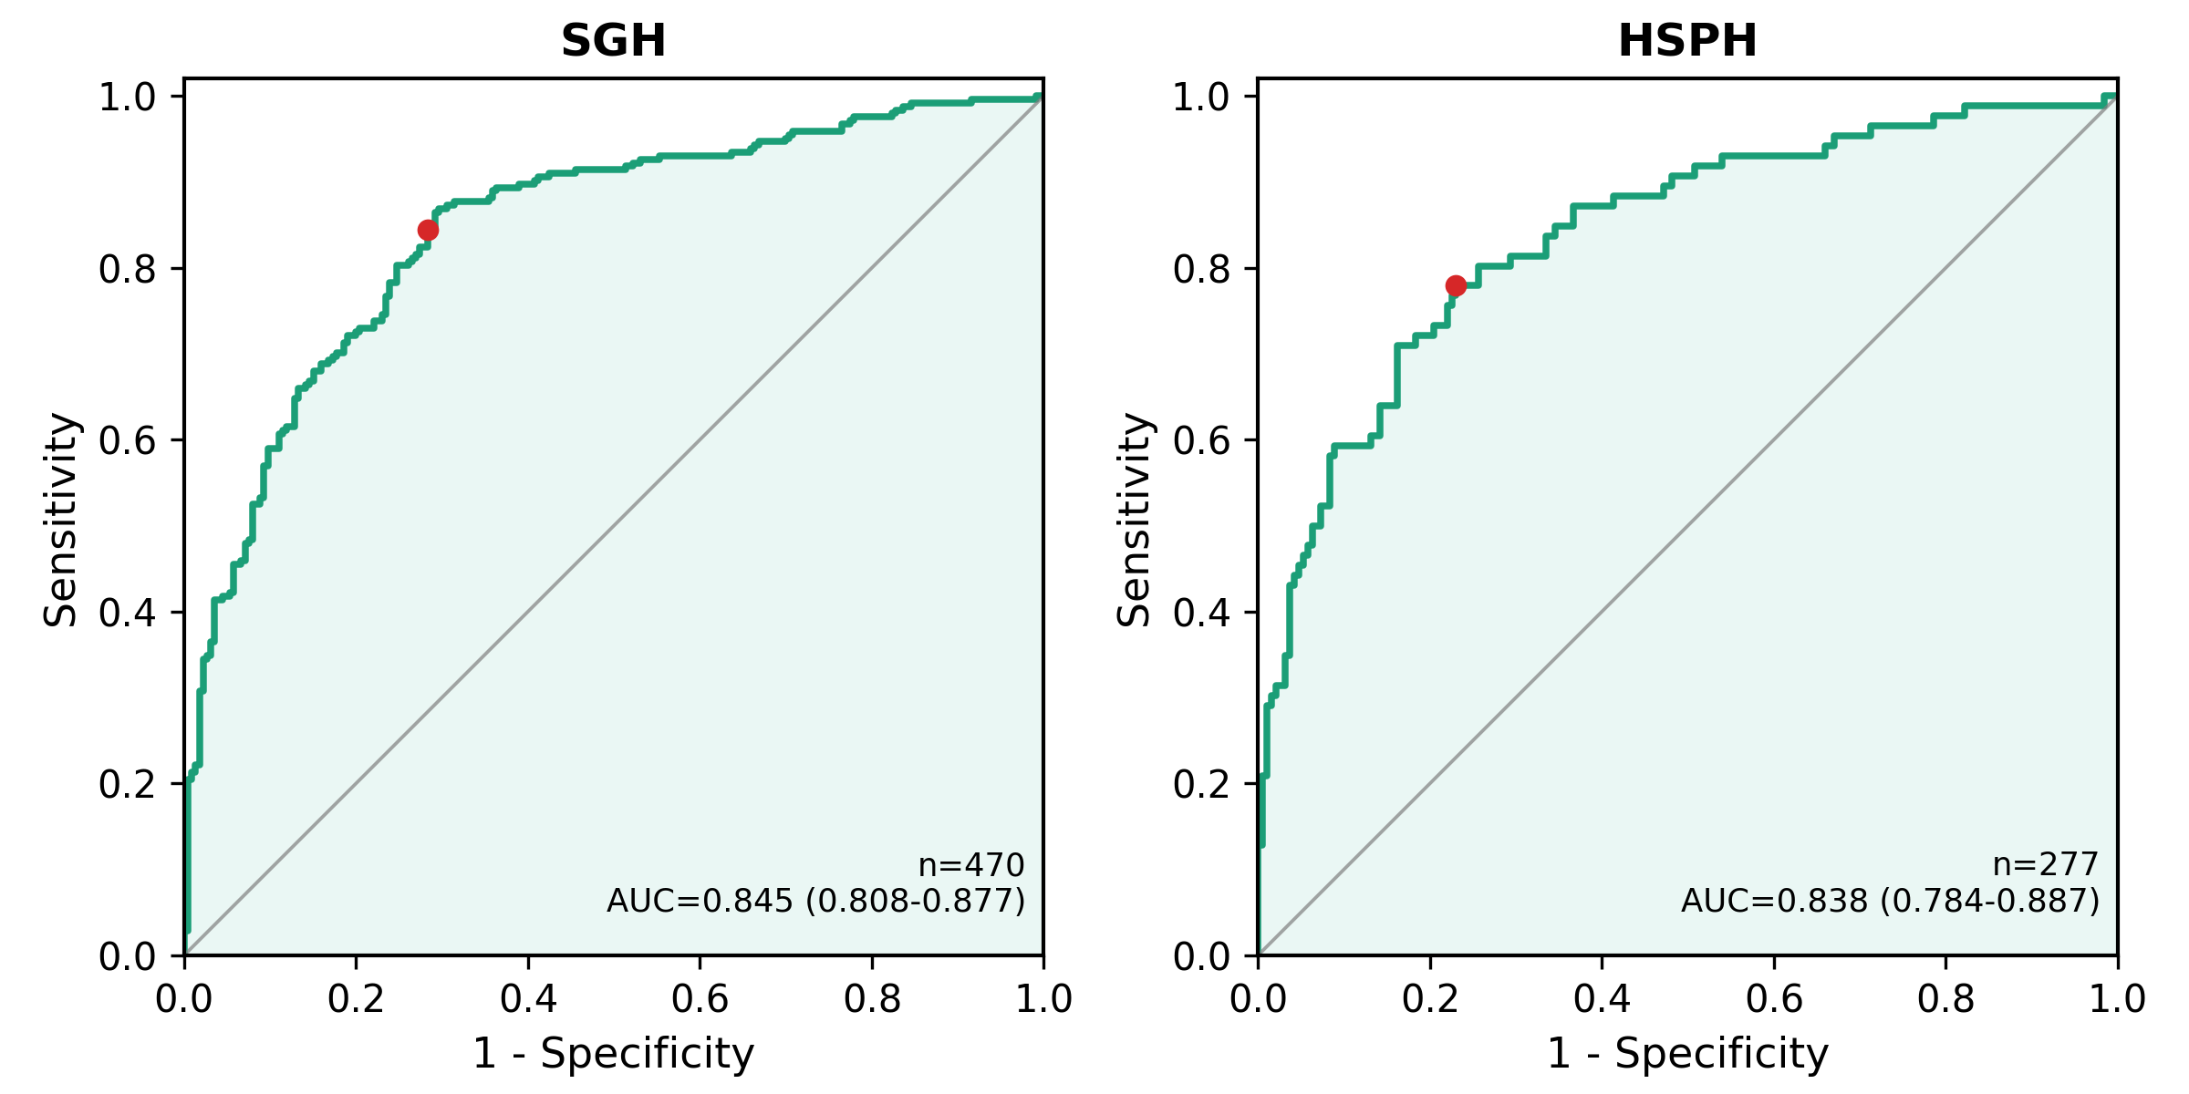

Fig4_3_Prospective_ROC.png
/mnt2/miid/yf/project/SH_RJ/train_launch_minimal/reports/20260624T115247_run3_epoch14_COMPLETE_PACKAGE/paper_plots/Fig4_3_Prospective_ROC.png | 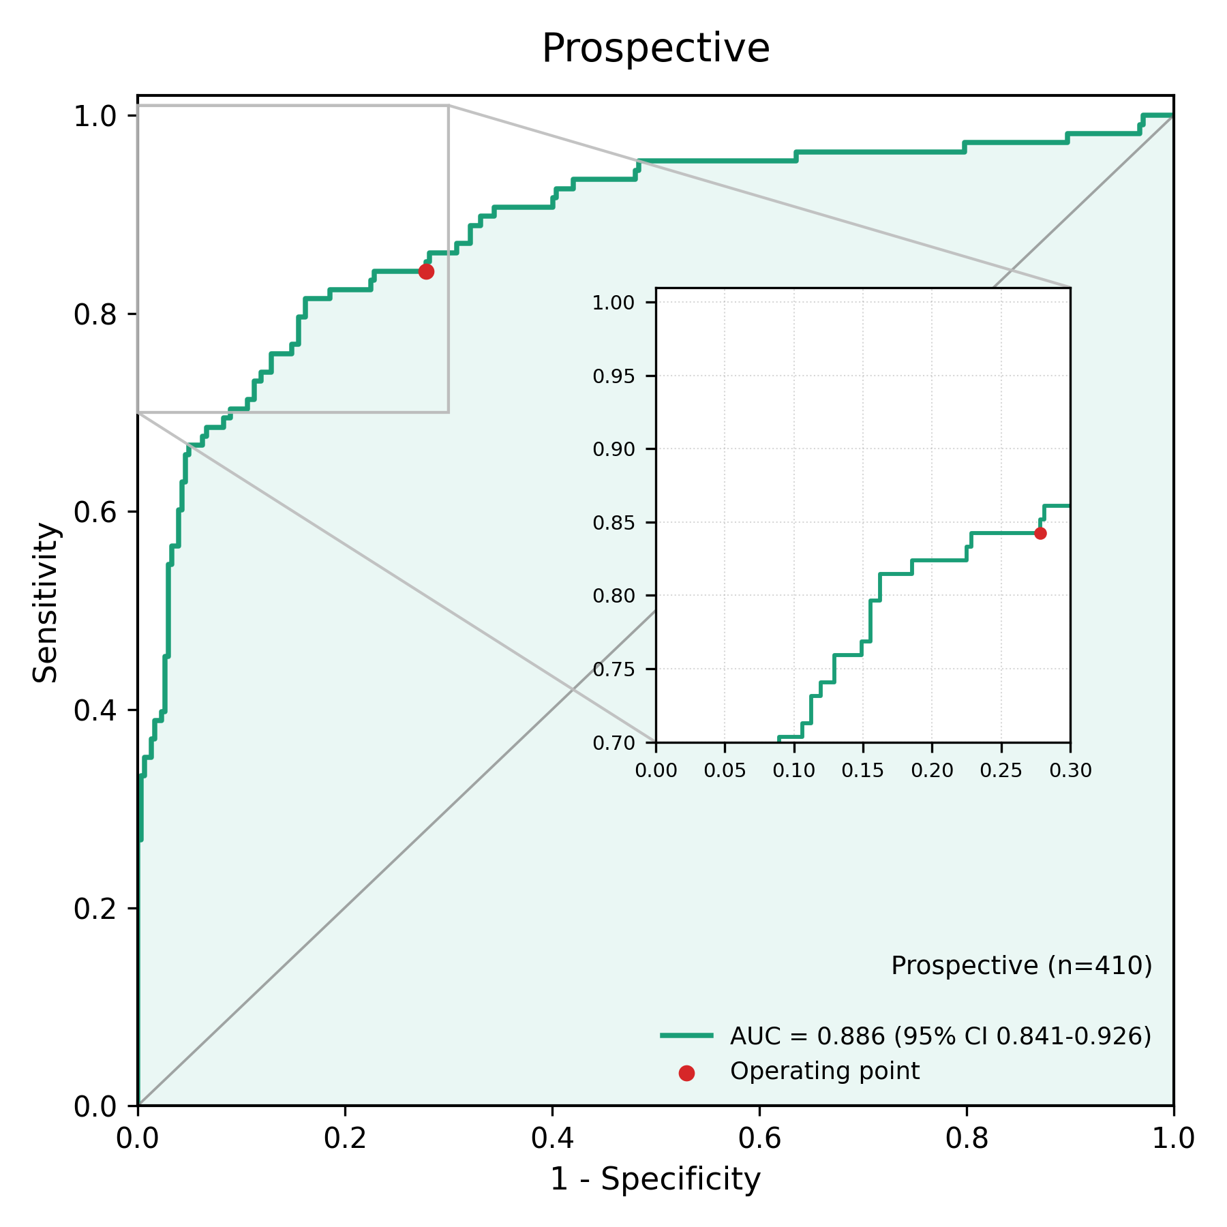

Fig5_Scatter_Scores_Internal.png
/mnt2/miid/yf/project/SH_RJ/train_launch_minimal/reports/20260624T115247_run3_epoch14_COMPLETE_PACKAGE/paper_plots/Fig5_Scatter_Scores_Internal.png | 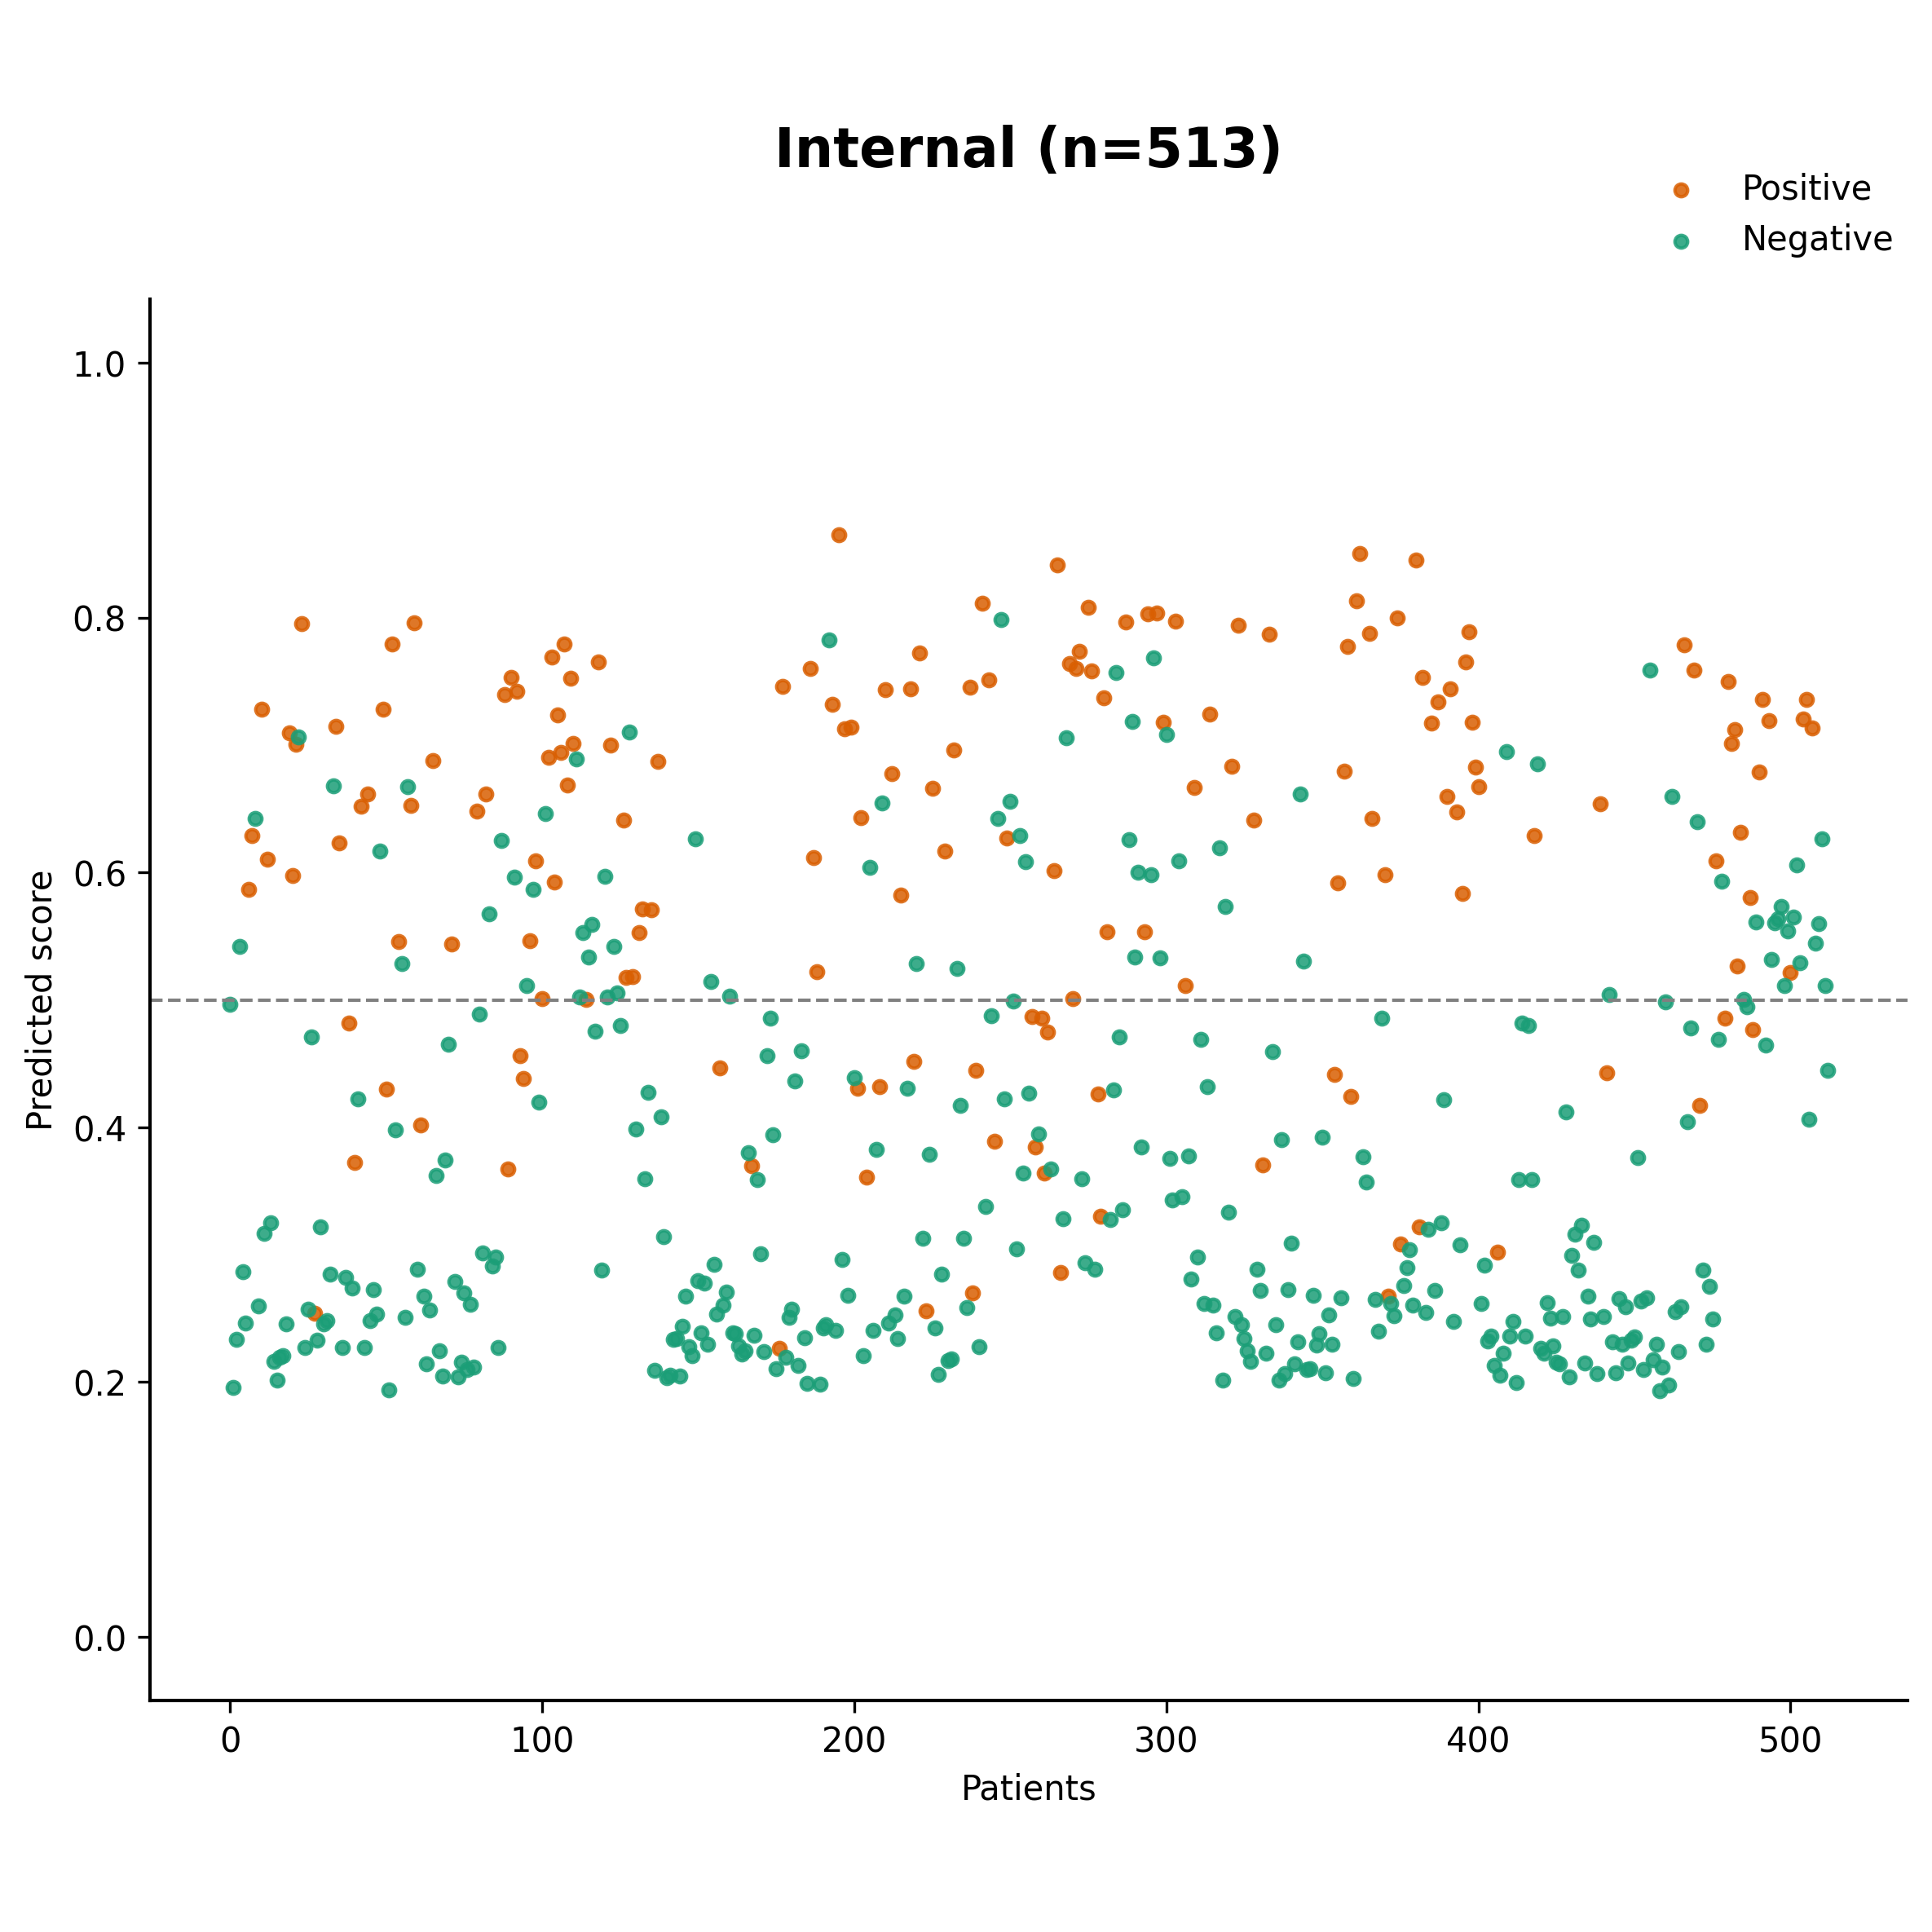

Fig5_Scatter_Scores_External.png
/mnt2/miid/yf/project/SH_RJ/train_launch_minimal/reports/20260624T115247_run3_epoch14_COMPLETE_PACKAGE/paper_plots/Fig5_Scatter_Scores_External.png | 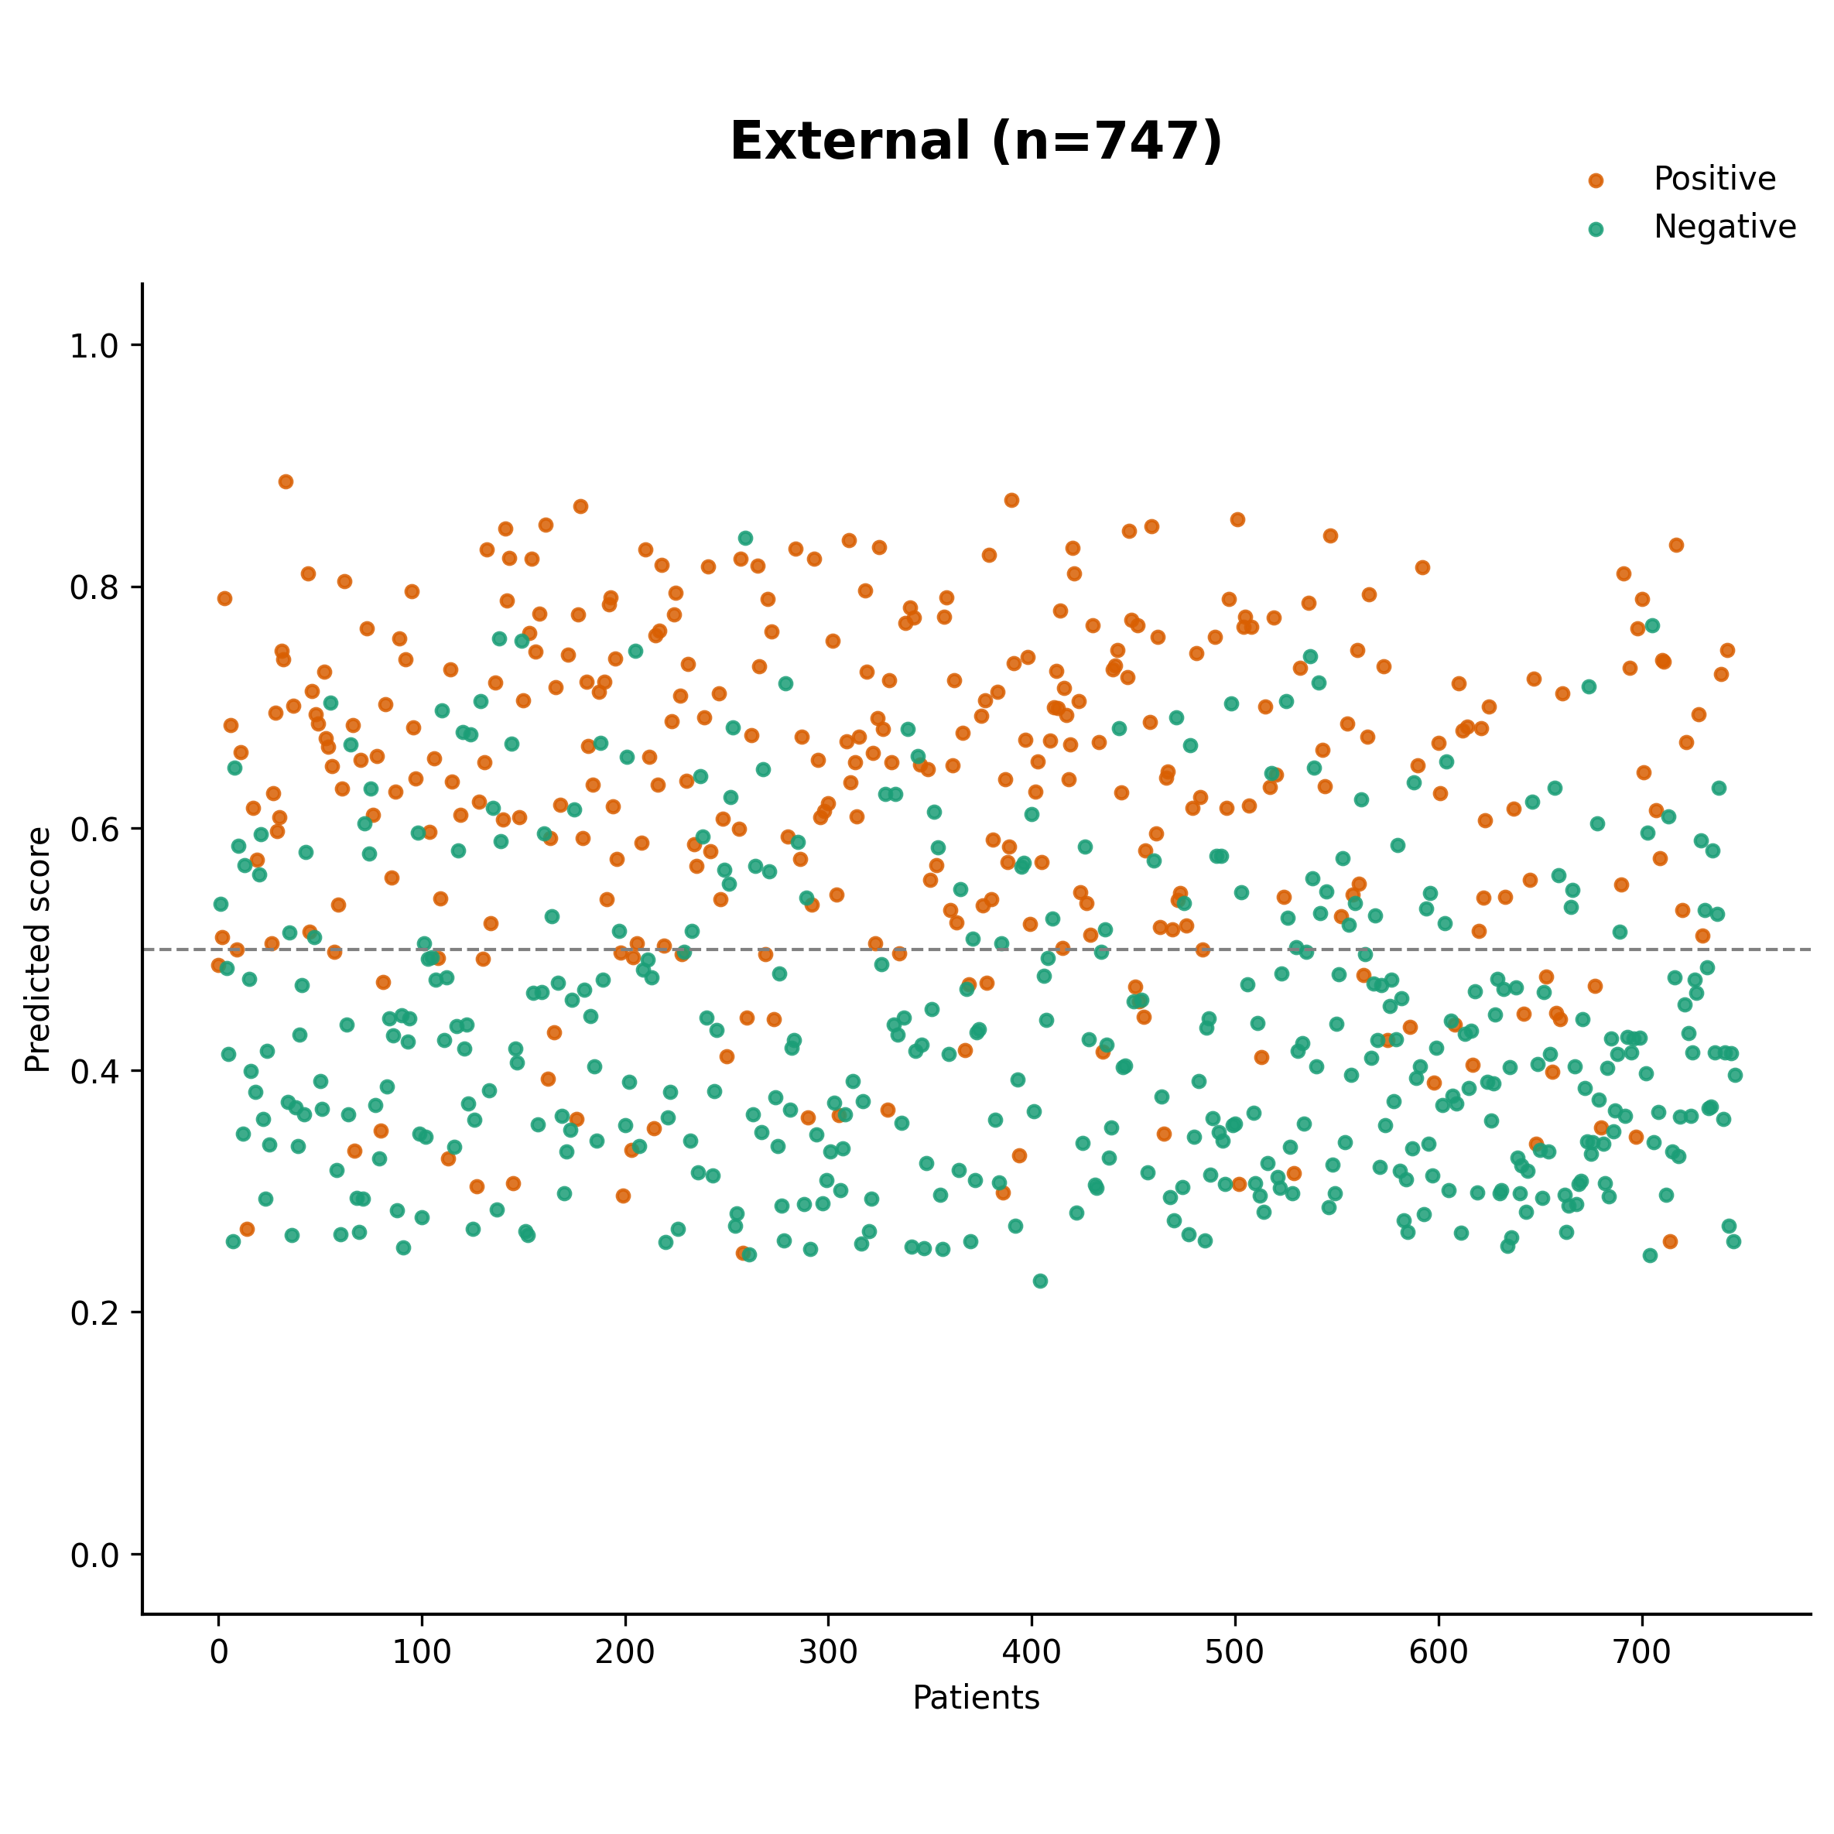

Fig5_Scatter_Scores_Prospective.png
/mnt2/miid/yf/project/SH_RJ/train_launch_minimal/reports/20260624T115247_run3_epoch14_COMPLETE_PACKAGE/paper_plots/Fig5_Scatter_Scores_Prospective.png | 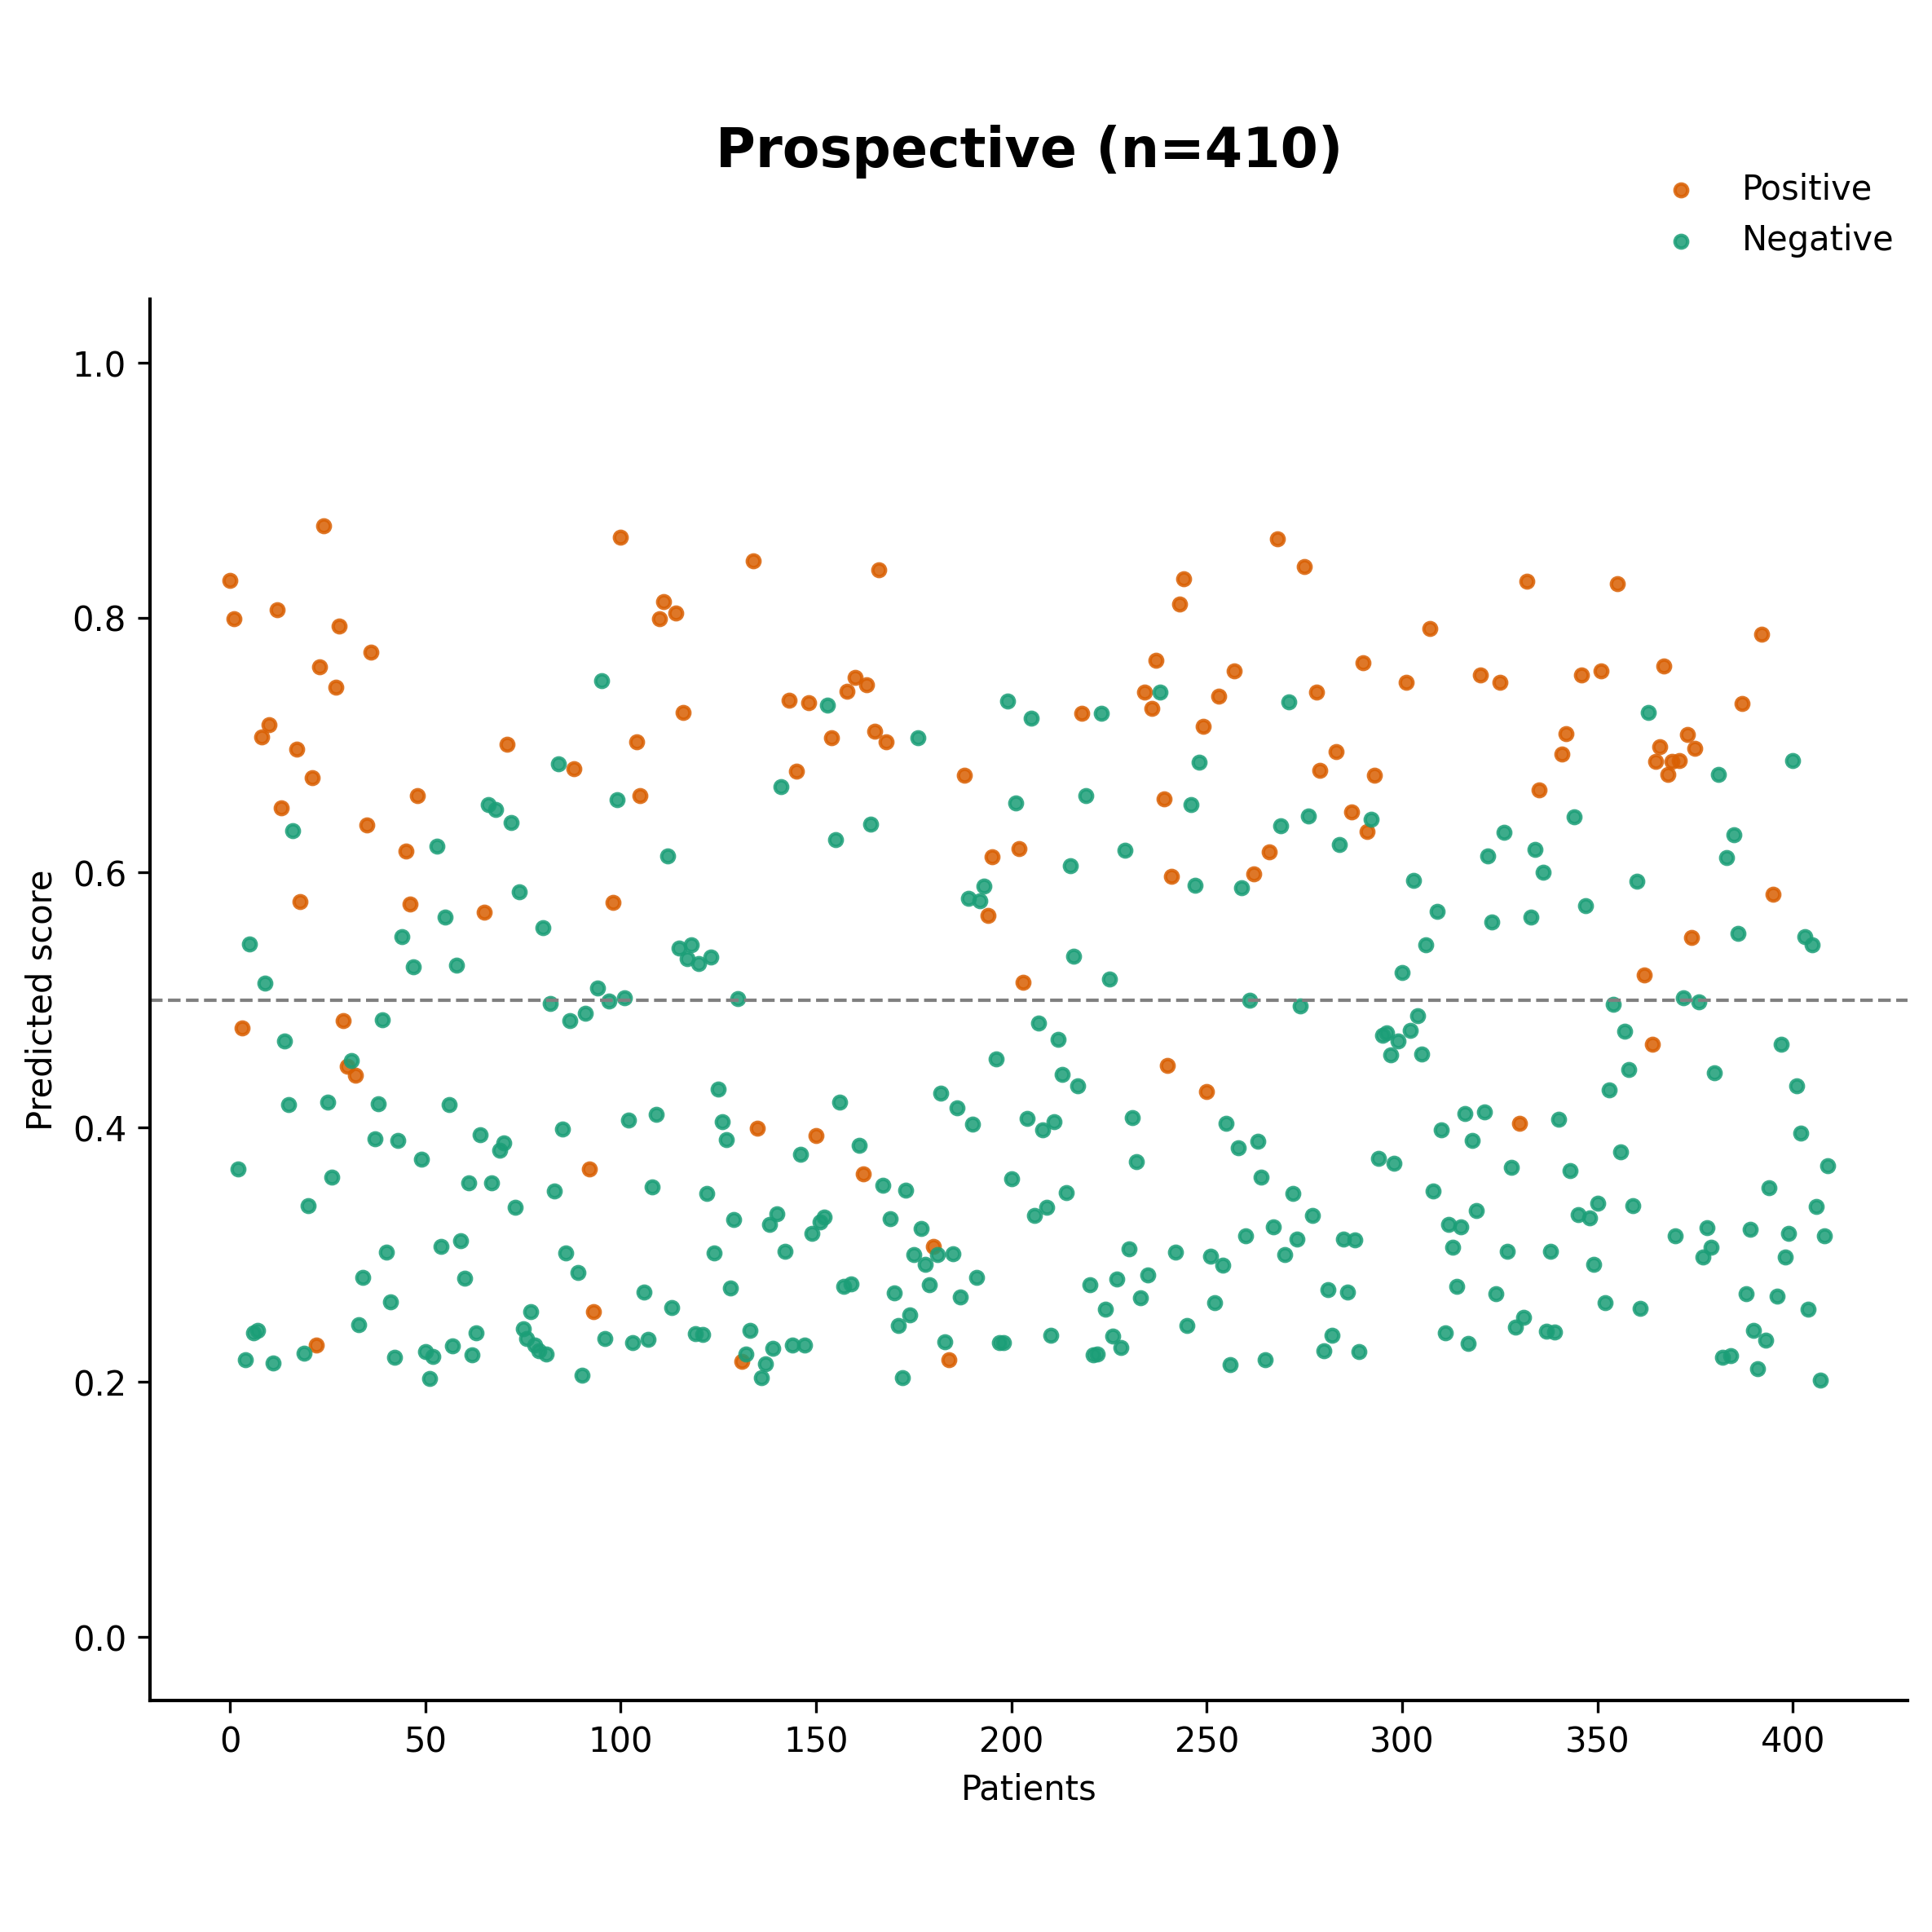

Fig5_Scatter_Scores.png
/mnt2/miid/yf/project/SH_RJ/train_launch_minimal/reports/20260624T115247_run3_epoch14_COMPLETE_PACKAGE/paper_plots/Fig5_Scatter_Scores.png | 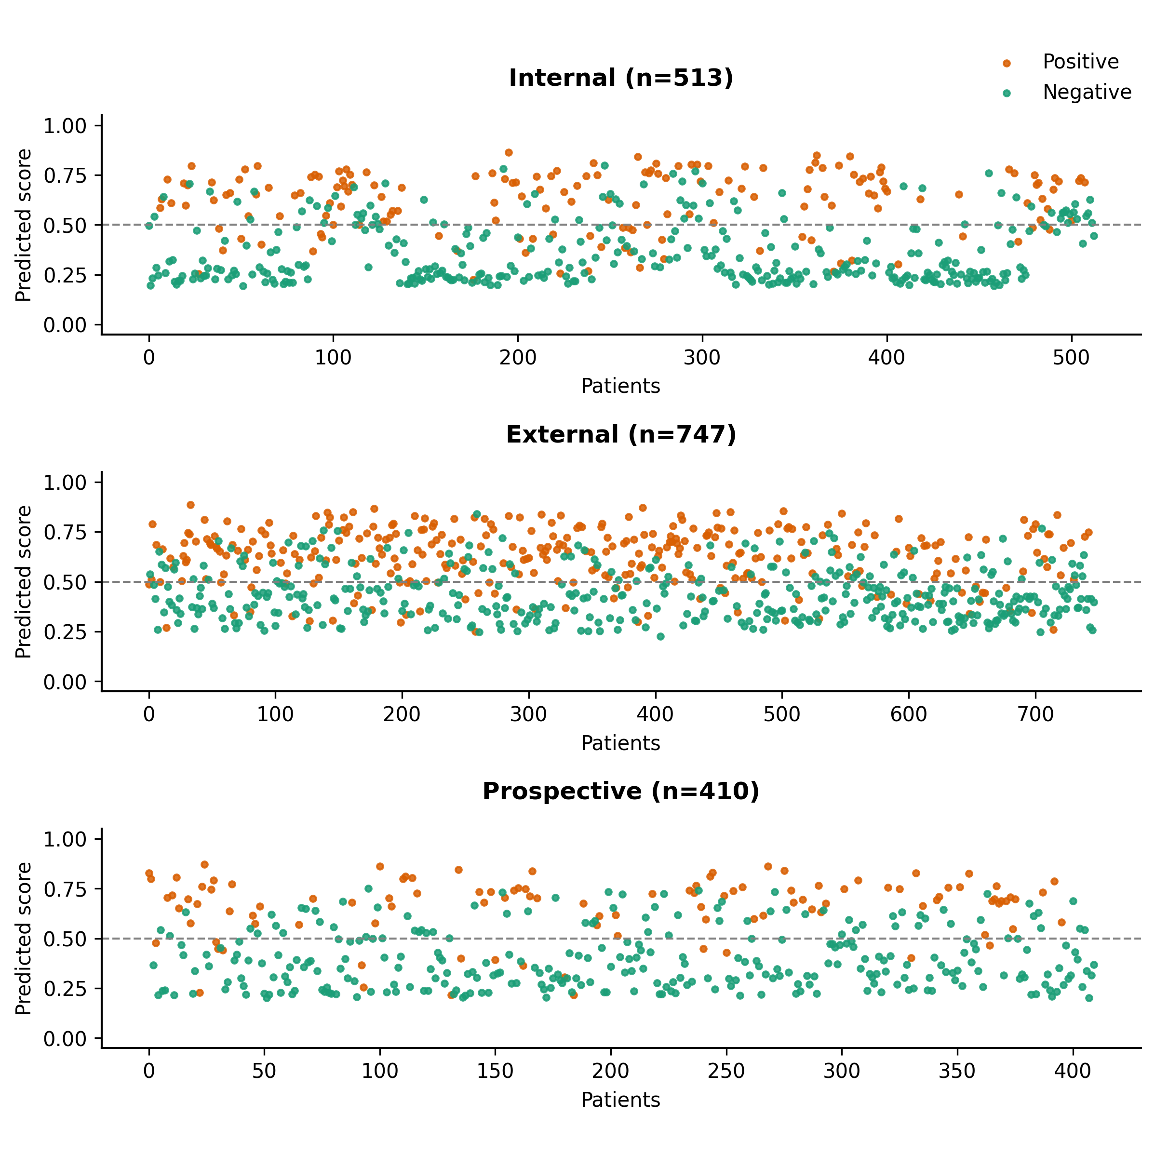

FigC_Confusion_Matrix_Grid.png
/mnt2/miid/yf/project/SH_RJ/train_launch_minimal/reports/20260624T115247_run3_epoch14_COMPLETE_PACKAGE/paper_plots/FigC_Confusion_Matrix_Grid.png | 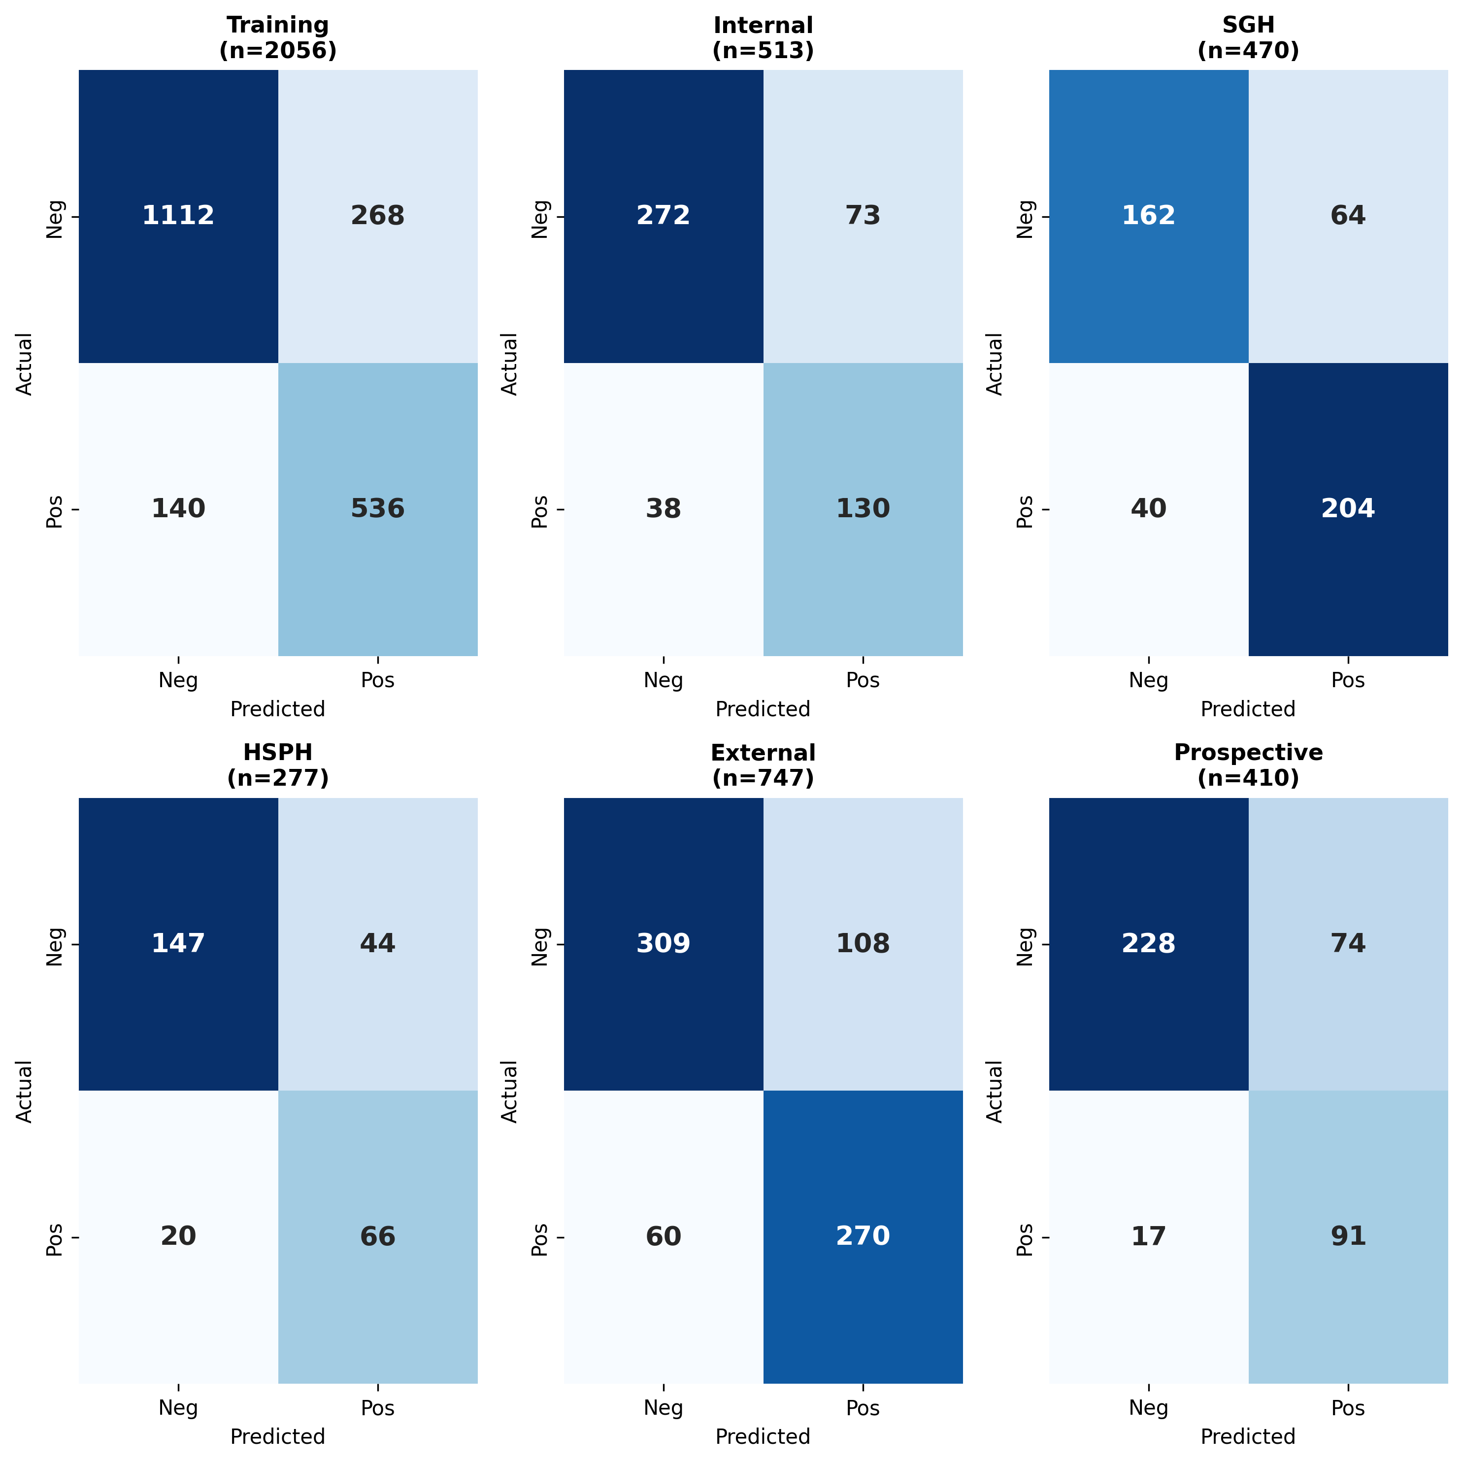

fig2c.png
/mnt2/miid/yf/project/SH_RJ/train_launch_minimal/reports/20260624T115247_run3_epoch14_COMPLETE_PACKAGE/paper_plots/fig2c.png | 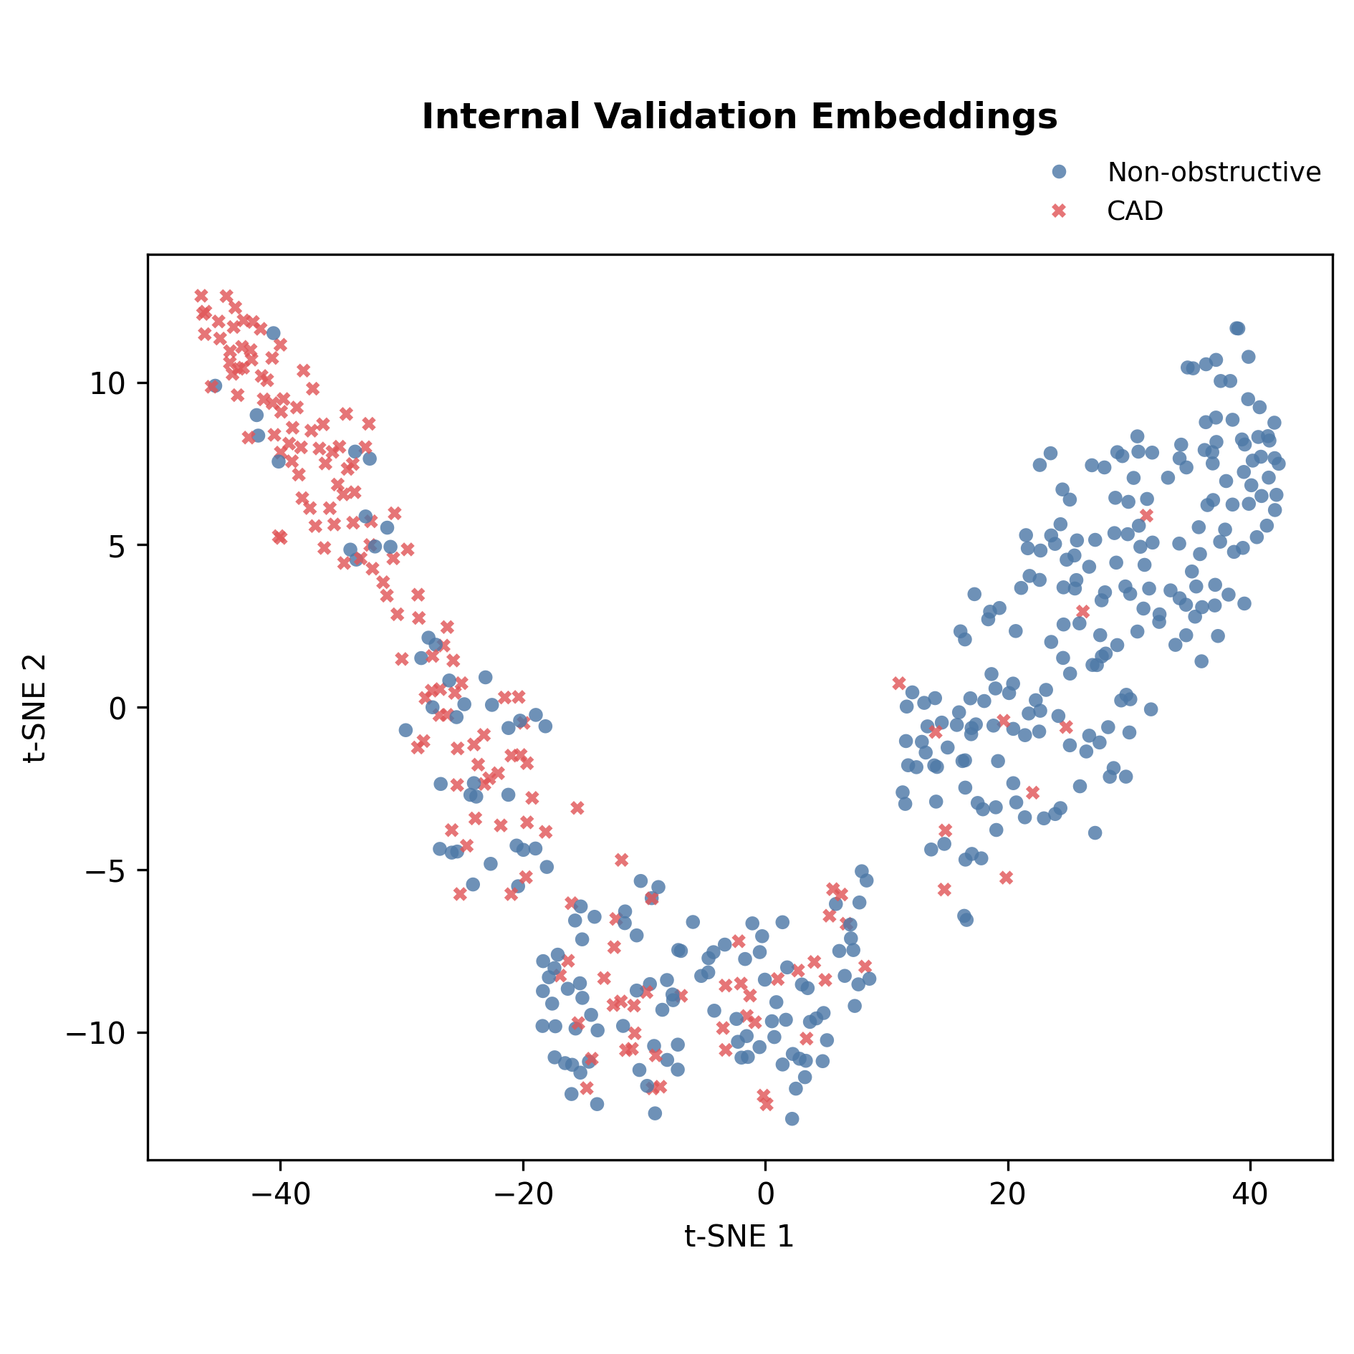

fig3c.png
/mnt2/miid/yf/project/SH_RJ/train_launch_minimal/reports/20260624T115247_run3_epoch14_COMPLETE_PACKAGE/paper_plots/fig3c.png | 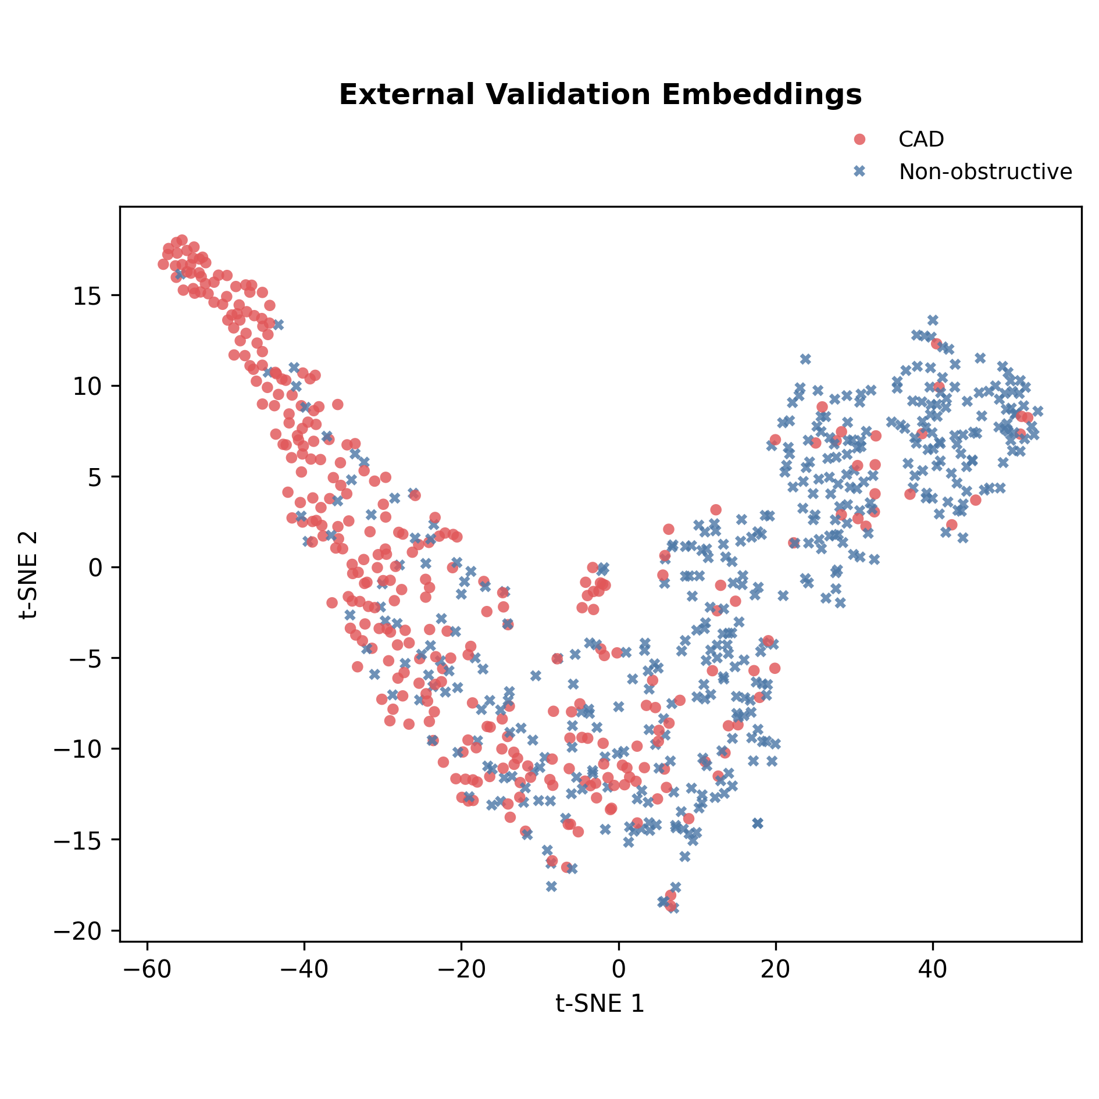

fig4c.png
/mnt2/miid/yf/project/SH_RJ/train_launch_minimal/reports/20260624T115247_run3_epoch14_COMPLETE_PACKAGE/paper_plots/fig4c.png | 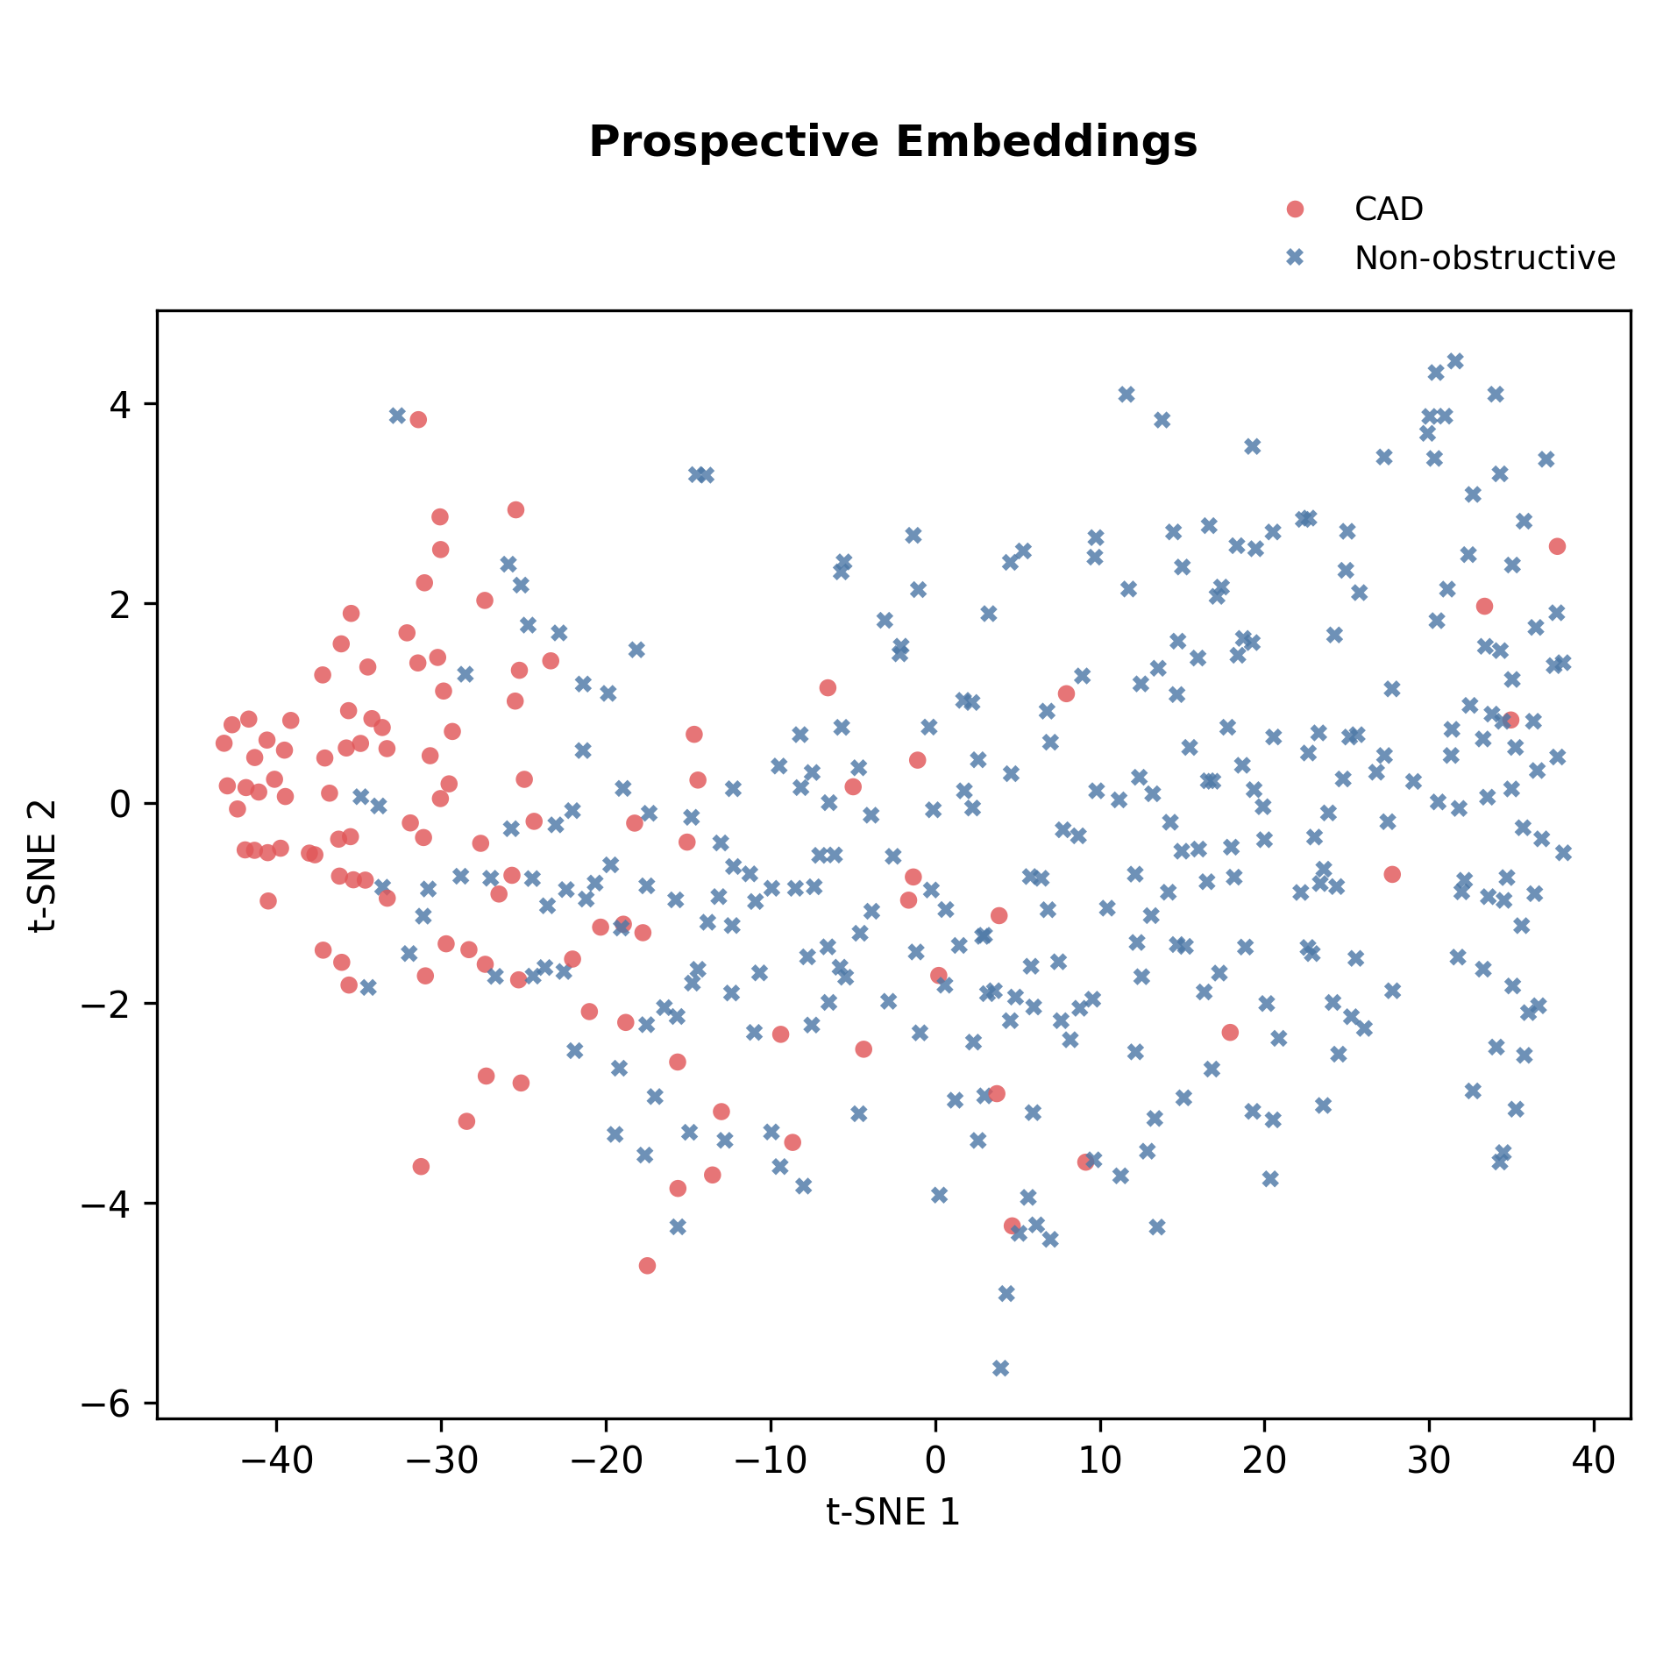

fig5b.png
/mnt2/miid/yf/project/SH_RJ/train_launch_minimal/reports/20260624T115247_run3_epoch14_COMPLETE_PACKAGE/paper_plots/fig5b.png | 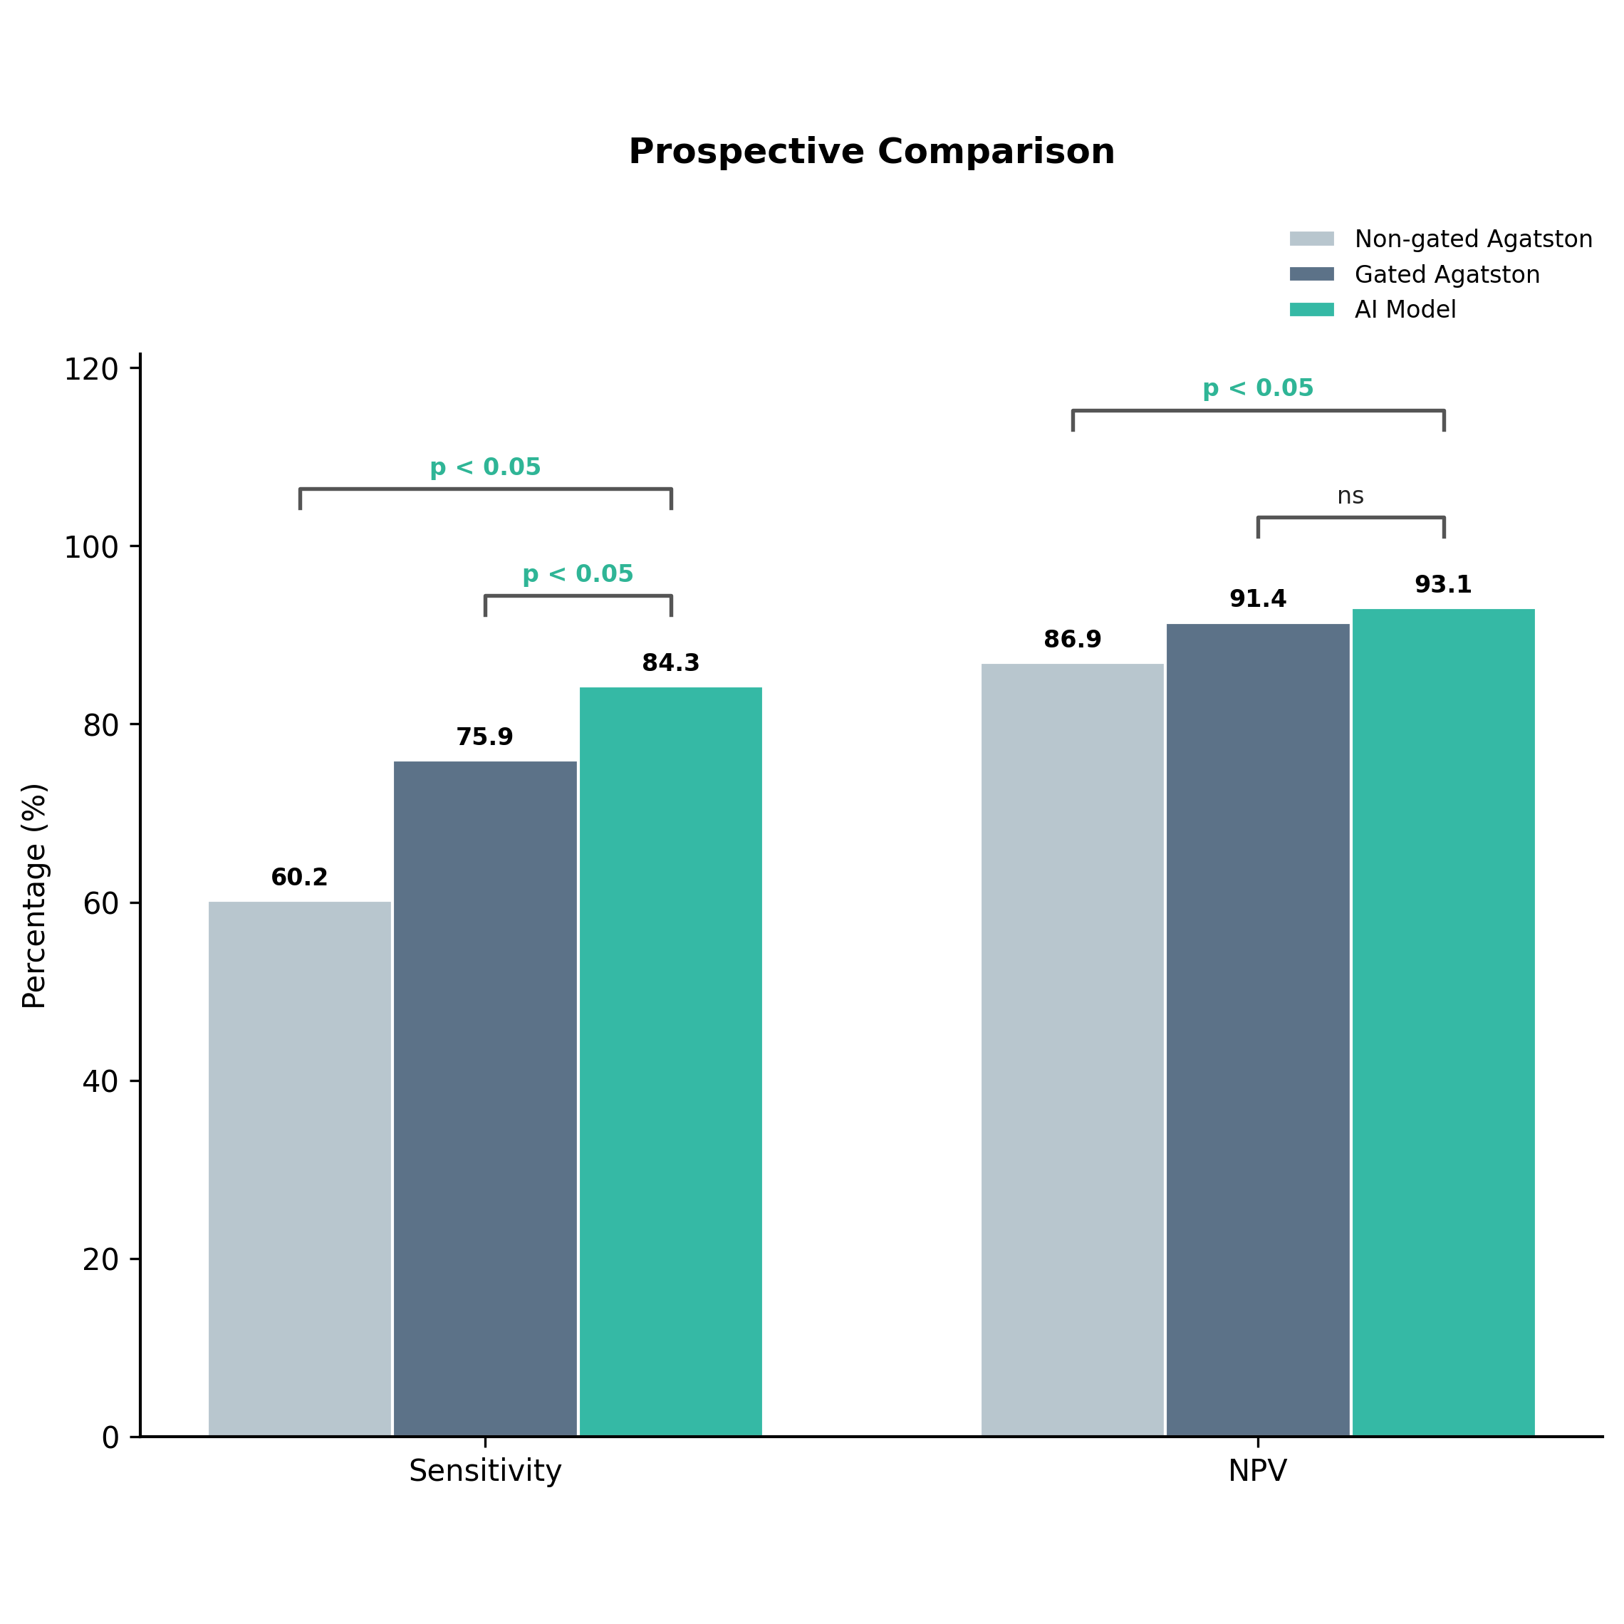

fig5c.png
/mnt2/miid/yf/project/SH_RJ/train_launch_minimal/reports/20260624T115247_run3_epoch14_COMPLETE_PACKAGE/paper_plots/fig5c.png | 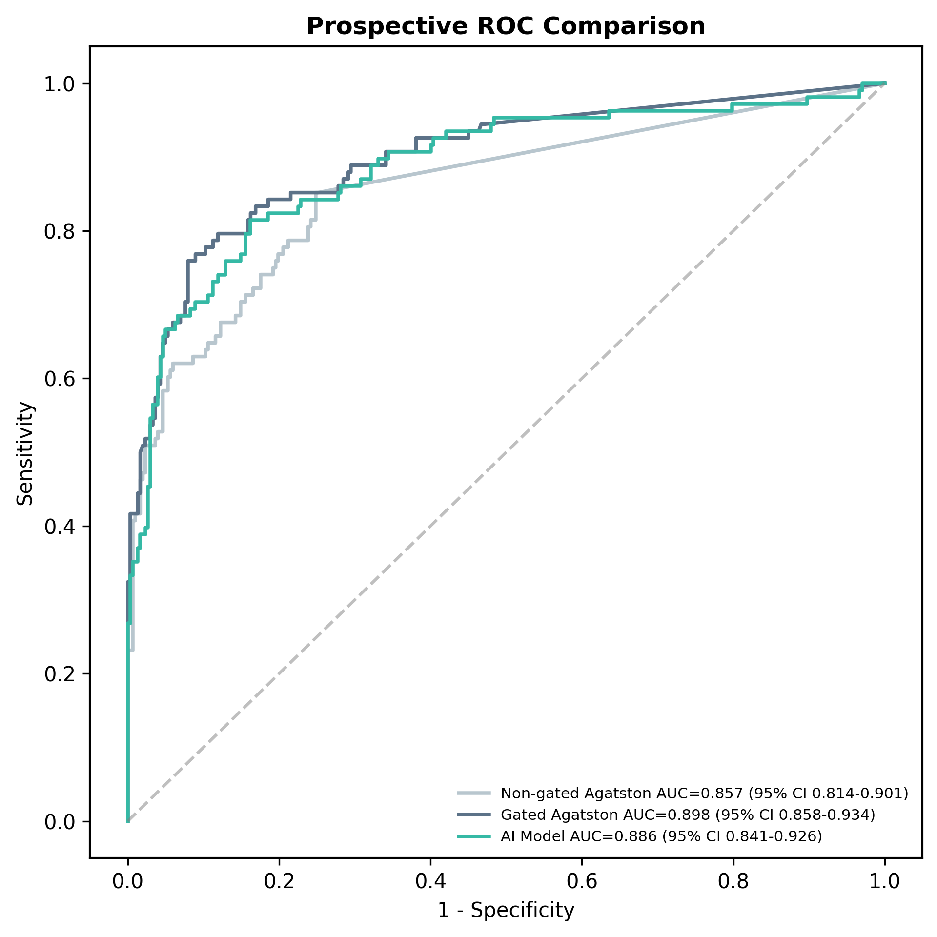

fig5d.png
/mnt2/miid/yf/project/SH_RJ/train_launch_minimal/reports/20260624T115247_run3_epoch14_COMPLETE_PACKAGE/paper_plots/fig5d.png | 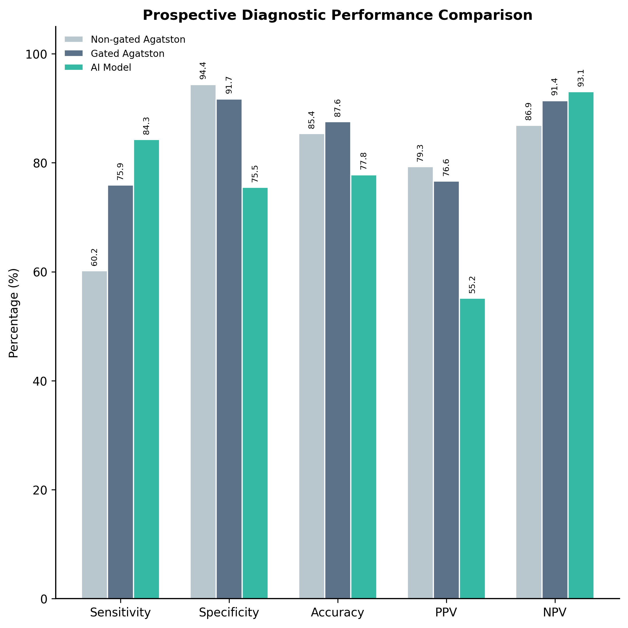

Fig6_External_Prospective_Calcium_AI_ROCs.png
/mnt2/miid/yf/project/SH_RJ/train_launch_minimal/reports/20260624T115247_run3_epoch14_COMPLETE_PACKAGE/paper_plots/Fig6_External_Prospective_Calcium_AI_ROCs.png | 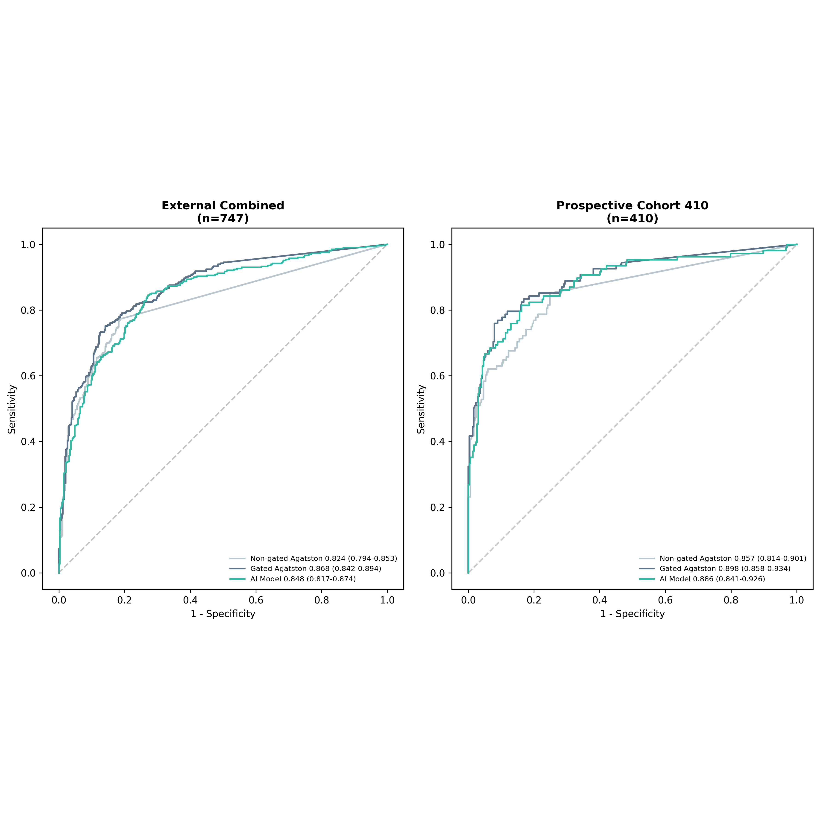

fig_external_calcium_ai_comparison_roc.png
/mnt2/miid/yf/project/SH_RJ/train_launch_minimal/reports/20260624T115247_run3_epoch14_COMPLETE_PACKAGE/paper_plots/fig_external_calcium_ai_comparison_roc.png | 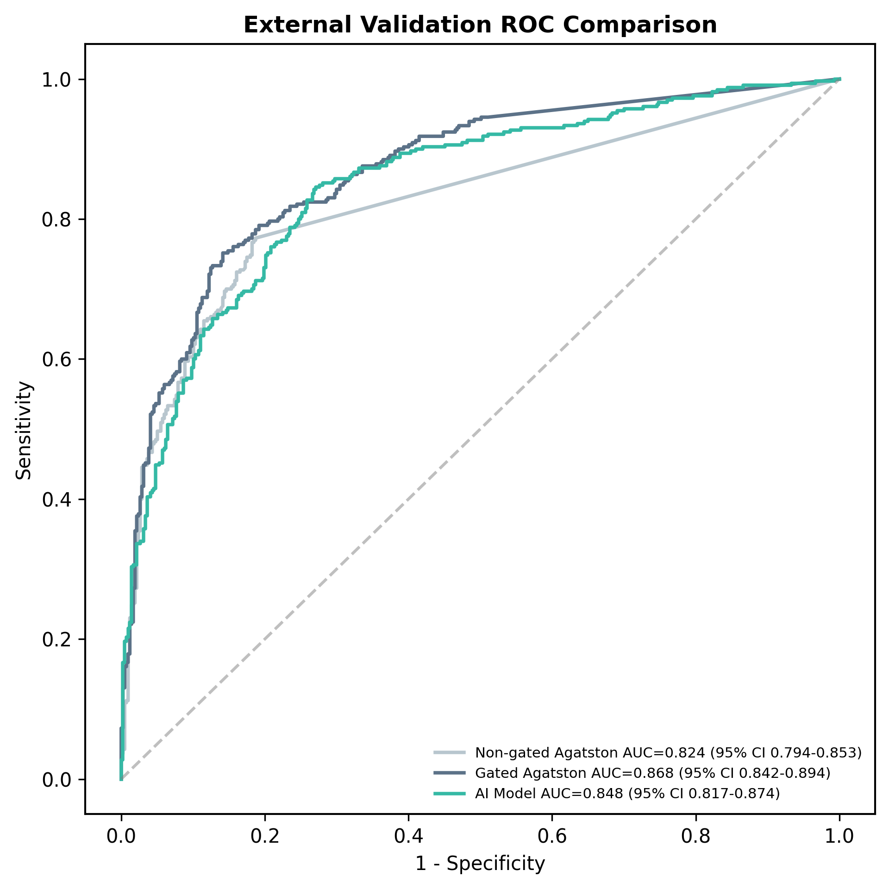

fig_external_calcium_ai_comparison_sens_npv.png
/mnt2/miid/yf/project/SH_RJ/train_launch_minimal/reports/20260624T115247_run3_epoch14_COMPLETE_PACKAGE/paper_plots/fig_external_calcium_ai_comparison_sens_npv.png | 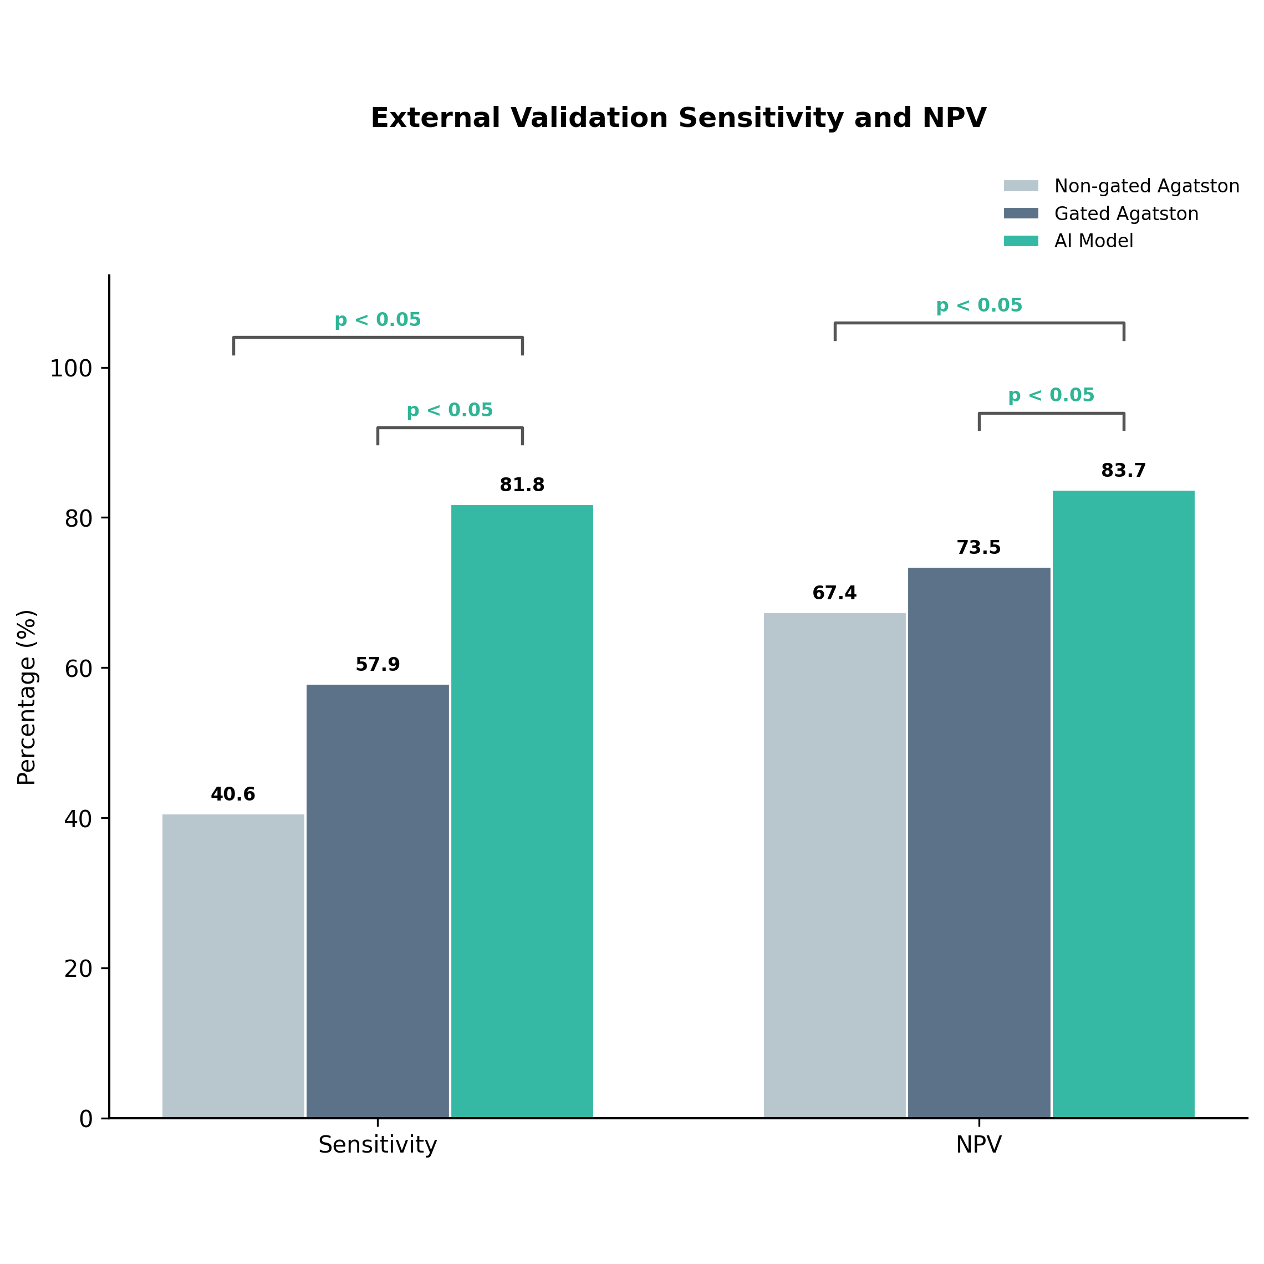

fig_external_calcium_ai_comparison_metrics.png
/mnt2/miid/yf/project/SH_RJ/train_launch_minimal/reports/20260624T115247_run3_epoch14_COMPLETE_PACKAGE/paper_plots/fig_external_calcium_ai_comparison_metrics.png | 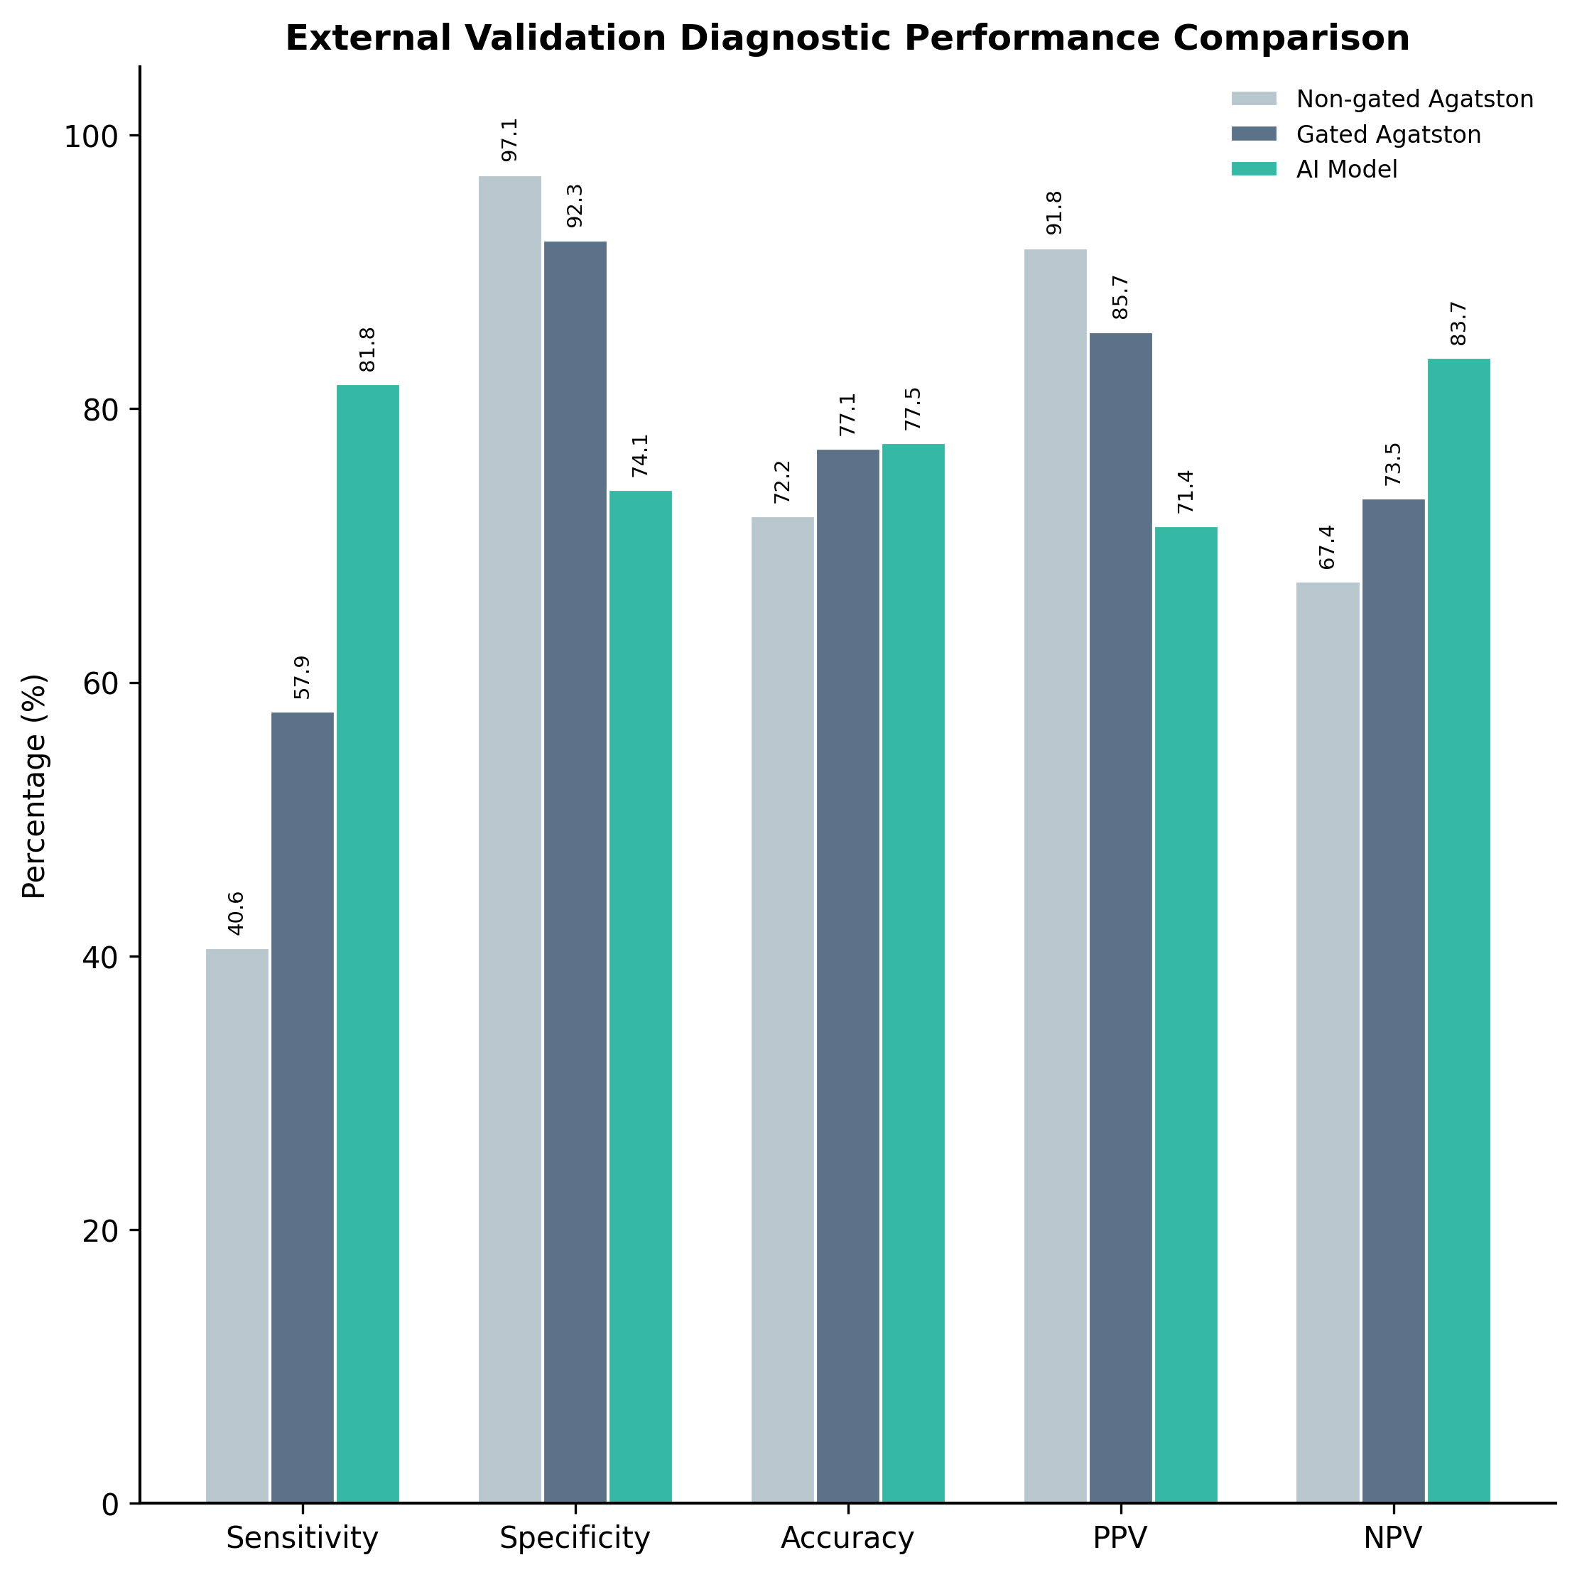

fig5_external_combined_roc.png
/mnt2/miid/yf/project/SH_RJ/train_launch_minimal/reports/20260624T115247_run3_epoch14_COMPLETE_PACKAGE/paper_plots/fig5_external_combined_roc.png | 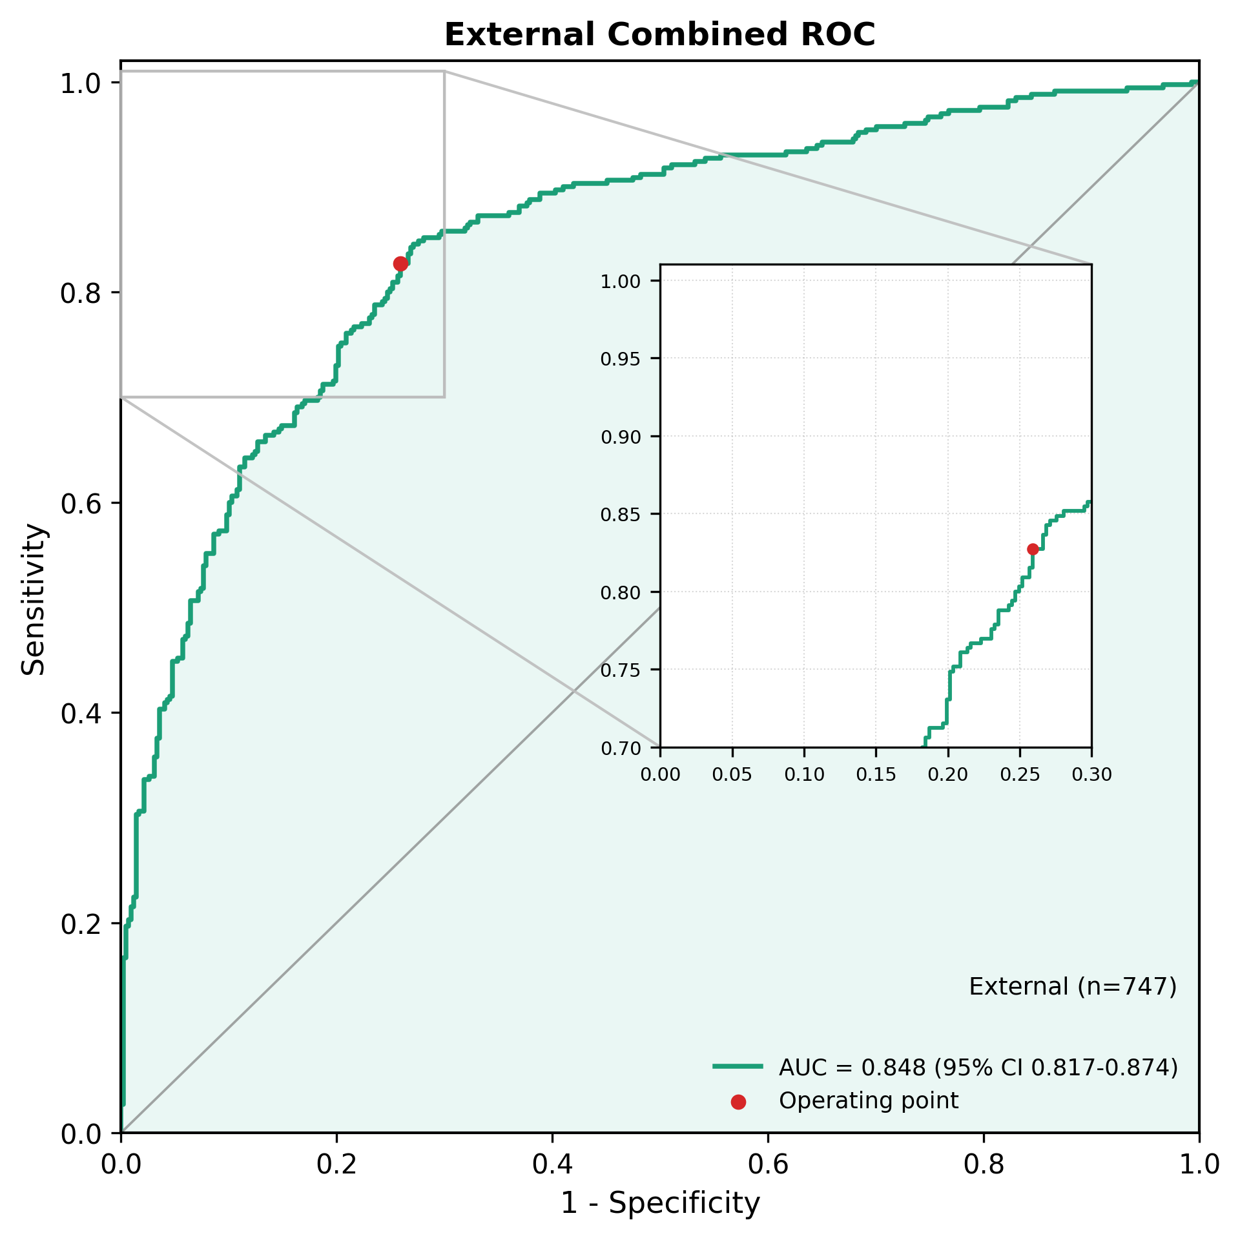

fig5_external_combined_bar.png
/mnt2/miid/yf/project/SH_RJ/train_launch_minimal/reports/20260624T115247_run3_epoch14_COMPLETE_PACKAGE/paper_plots/fig5_external_combined_bar.png | 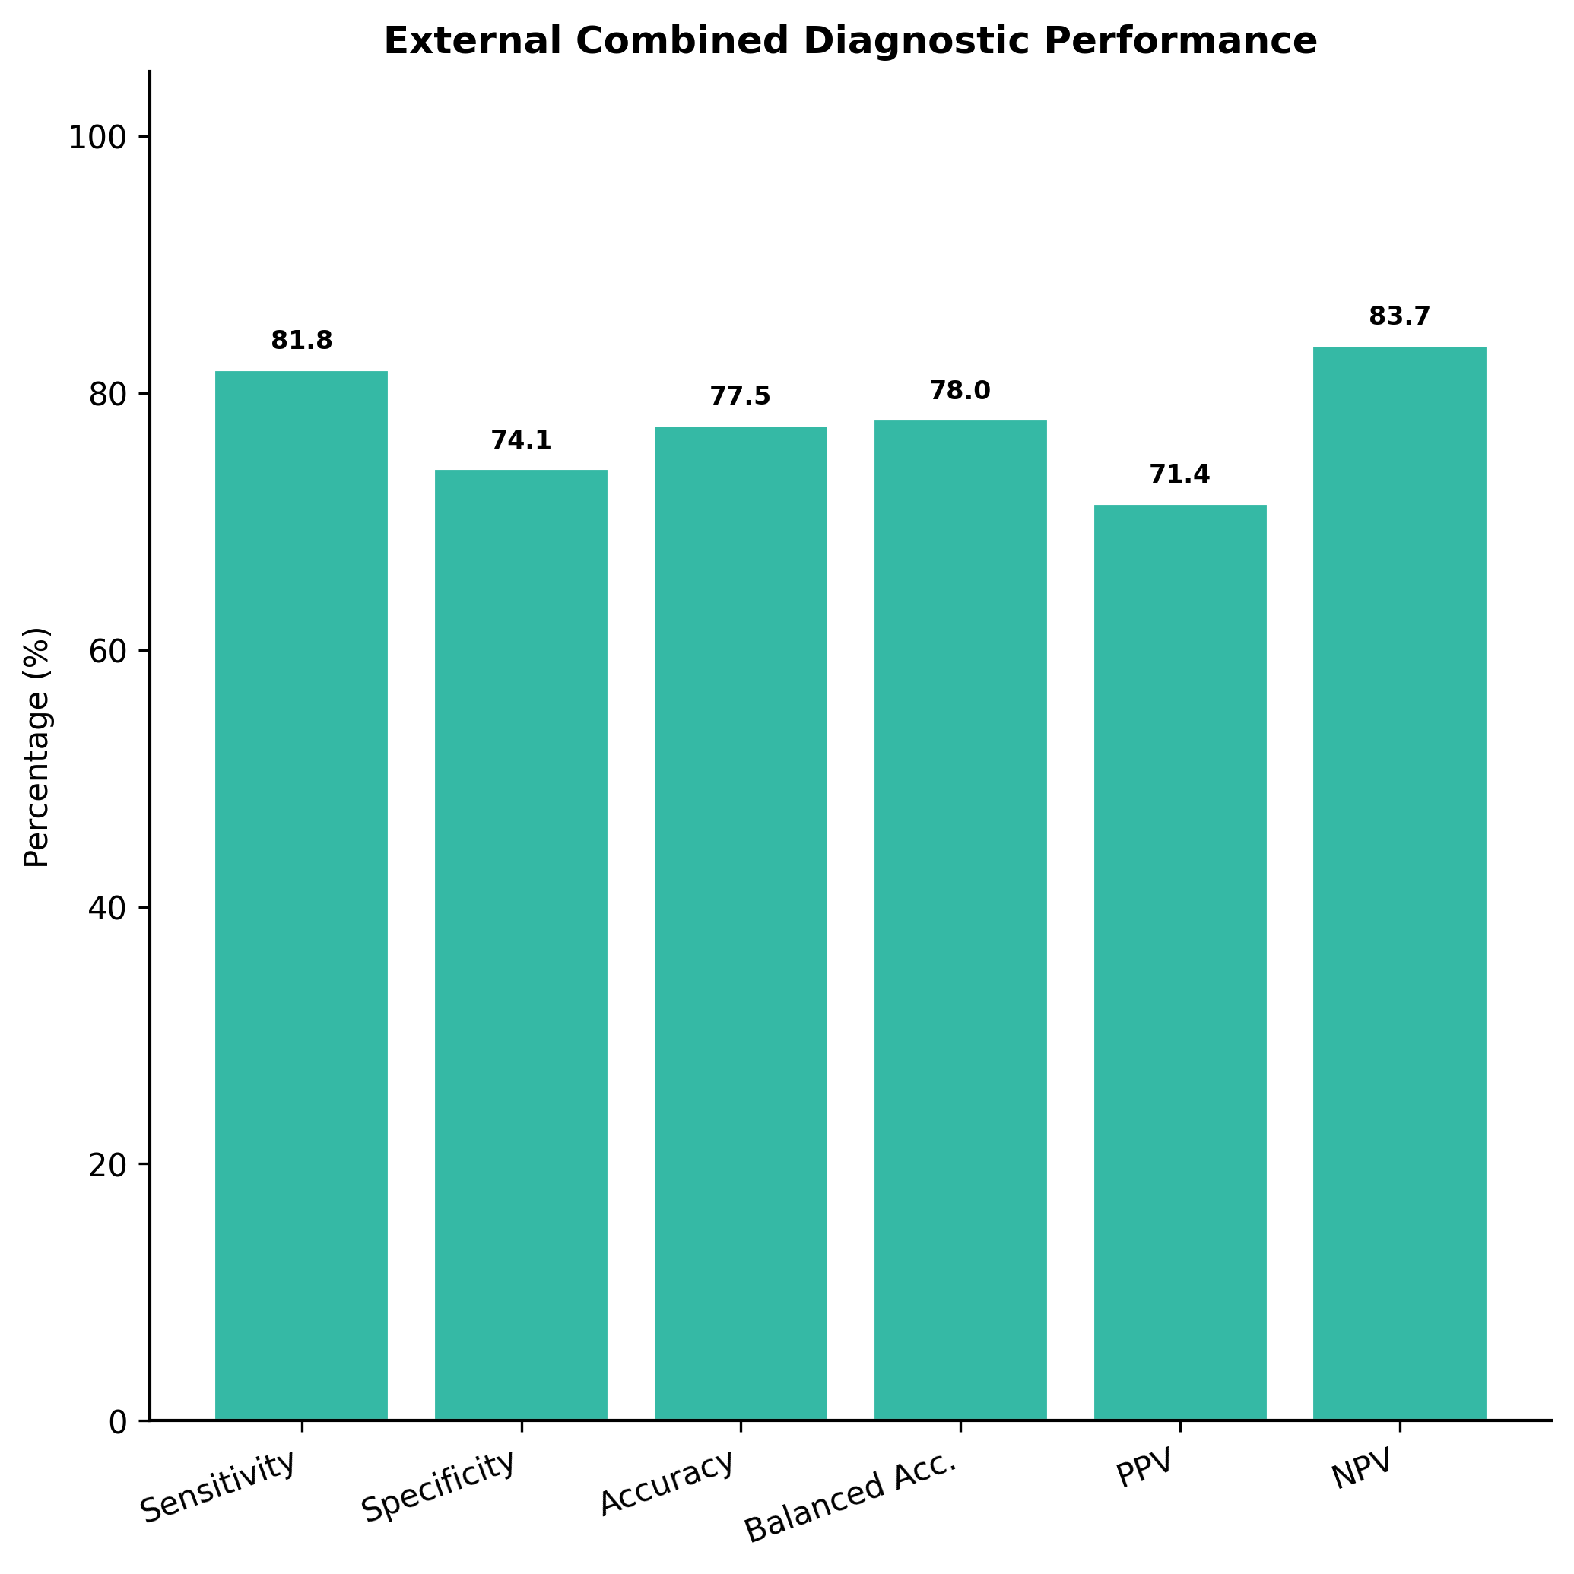

fig5_external_combined_comparison_roc.png
/mnt2/miid/yf/project/SH_RJ/train_launch_minimal/reports/20260624T115247_run3_epoch14_COMPLETE_PACKAGE/paper_plots/fig5_external_combined_comparison_roc.png | 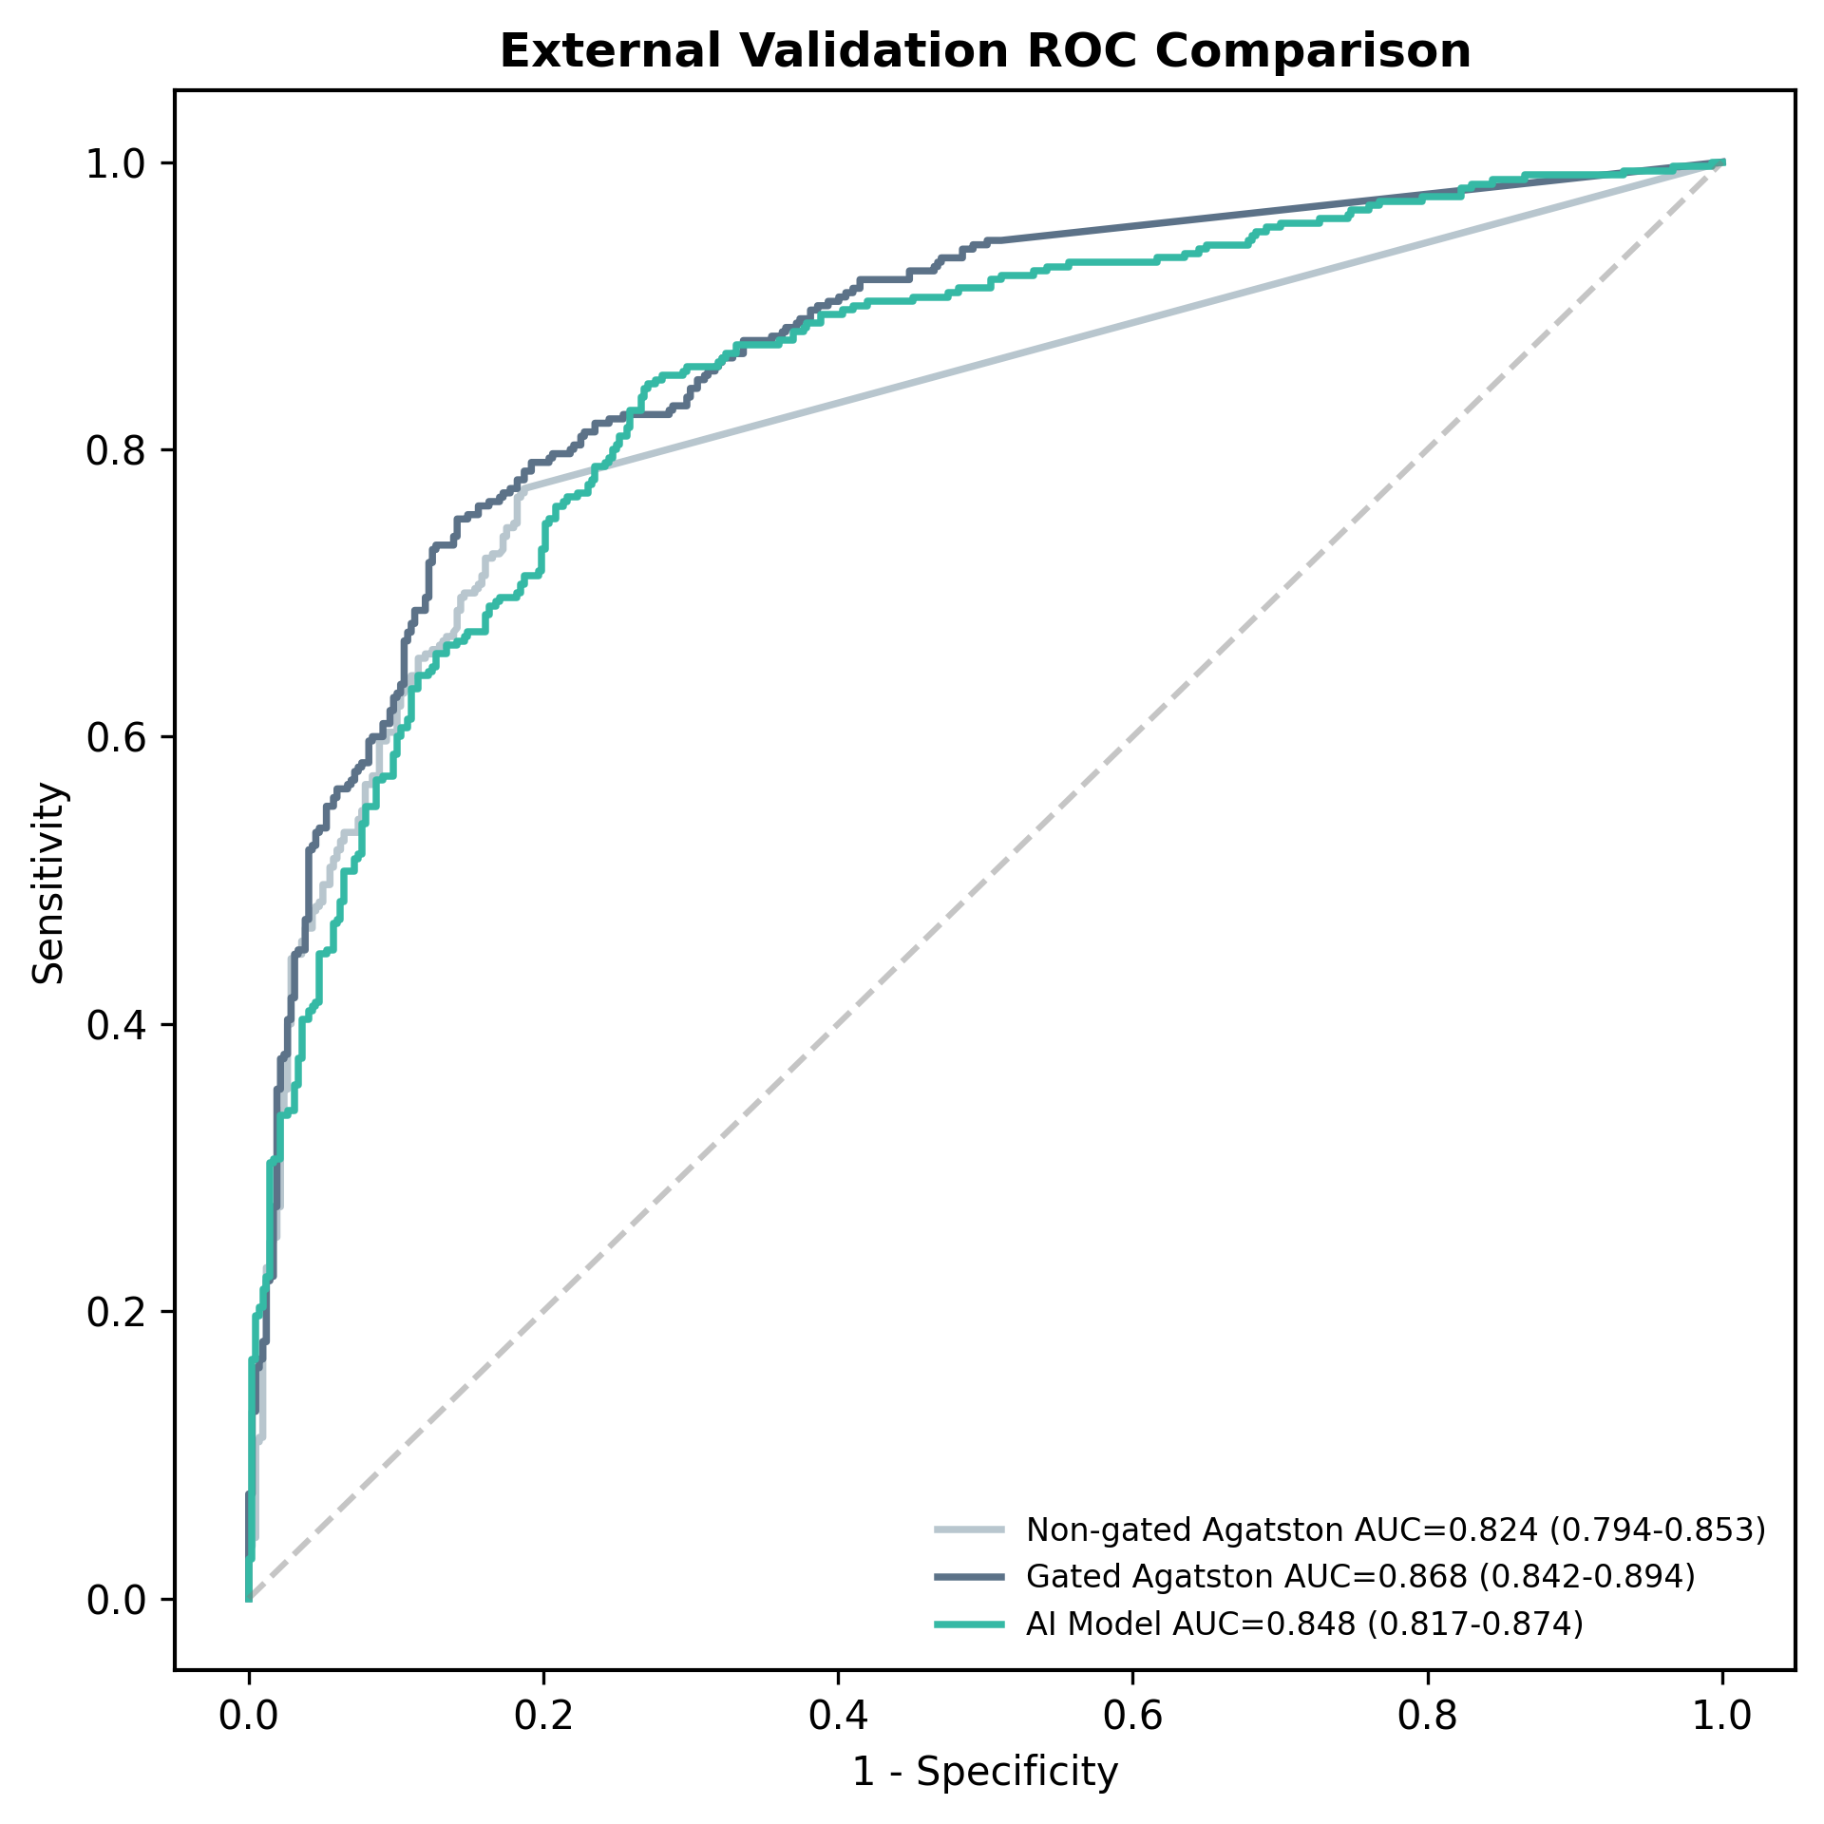

fig5_external_combined_comparison_bar.png
/mnt2/miid/yf/project/SH_RJ/train_launch_minimal/reports/20260624T115247_run3_epoch14_COMPLETE_PACKAGE/paper_plots/fig5_external_combined_comparison_bar.png | 

