服务端计数
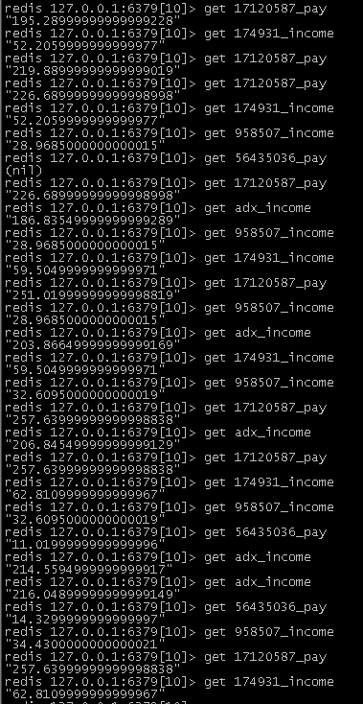
 |  |  |  |  | 请求计数

 |  |  |  |  | 展现计数 |  | 展现报数：http://rtb.baofeng.com/count.php?adxid=47cd93b5a3c065b0269e044d723cc837
 |  |  |  |  |  |  | 请求1次，展现计数+1
 |  |  |  |  | 展现成功率 |  | = impression/request

 |  |  |  |  | request<500 展现成功率 = 100

 | 媒体收入：媒体id_adpositionid_income |  |  |  | request>500 展现成功率 = 实际
 | DSP支出：媒体dspid_adpositionid_pay

 | 序号 | 检查点 |  | 数据 |  |  |  |  |  | 测试结果
 | 1 | 【单个广告位】 SQL媒体收入 -ssp_income 按小时，精确到小数点后两位 get 174931_15746444_income （redis每小时向SQL中存数据） |  | 所属媒体：S-媒体30% 媒体ID：174931 配置：adposition=15746444 dealprice=21.15 展现：1次 分成比例：30% 时间： 2017.05.10 11:00 -1次 2017.05.10 12:00 -0次 |  |  |  | 查表 ssp_income |  | Y
 | 2 | 【单个广告位】 redis媒体收入 按小时，精确到小数点后两位 |  | 所属媒体：S-媒体30% 媒体ID：174931 配置：adposition=15746444 dealprice=21.15 展现：1次 分成比例：30% 时间： 2017.05.10 11:00 -1次 2017.05.10 12:00 -0次 |  |  |  | get 17120587_15746444_request "1" get 17120587_15746444_impression "1" get 174931_15746444_income "6.3449999999999998" get 17120587_15746444_pay "21.1499999999999986" |  | Y
 | 3 | 【单个广告位】 SQL DSP支出 按小时，精确到小数点后两位 |  | 所属媒体：S-媒体30% 媒体ID：174931 配置：adposition=15746444 dealprice=21.15 展现：1次 分成比例：30% 时间： 2017.05.10 11:00 -1次 2017.05.10 12:00 -1次 |  |  |  | 查表 dsp_pay |  | Y
 | 4 | 【单个广告位】 redis DSP支出 按小时，精确到小数点后两位 |  | 所属媒体：S-媒体30% 媒体ID：174931 配置：adposition=15746444 dealprice=21.15 展现：1次 分成比例：30% 时间： 2017.05.10 11:00 -1次 2017.05.10 12:00 -0次 |  |  |  | get 17120587_15746444_request "1" get 17120587_15746444_impression "1" get 174931_15746444_income "6.3449999999999998" get 17120587_15746444_pay "21.1499999999999986" |  | Y
 | 5 | 【单个广告位】 redis 媒体收入 历史，精确到小数点后两位 隔天 |  | 所属媒体：S-媒体30% 媒体ID：174931 配置：adposition=15746444 dealprice=21.15 展现：1次 分成比例：30% 时间： 2017.05.10 11:00 -1次 2017.05.11 12:00 -1次 |  |  |  | redis 127.0.0.1:6379[10]> get 958507_income "2.8105000000000002" redis 127.0.0.1:6379[10]> get 17120587_pay "135.7799999999999937" redis 127.0.0.1:6379[10]> get 958507_income "9.1465000000000005" redis 127.0.0.1:6379[10]> get 17120587_pay "147.2999999999999933" |  | Y
 | 6 | 【单个广告位】 redis DSP支出 历史，精确到小数点后两位 隔天 |  | 所属媒体：S-媒体30% 媒体ID：174931 配置：adposition=15746444 dealprice=21.15 展现：1次 分成比例：30% 时间： 2017.05.10 11:00 -1次 2017.05.11 12:00 -1次 |  |  |  | redis 127.0.0.1:6379[10]> get 958507_income "2.8105000000000002" redis 127.0.0.1:6379[10]> get 17120587_pay "135.7799999999999937" -------------------------------------------------------------- redis 127.0.0.1:6379[10]> get 958507_income "9.1465000000000005" redis 127.0.0.1:6379[10]> get 17120587_pay "147.2999999999999933" |  | Y
 | 7 | 【单个广告位】 redis 展现成功率 每小时清零 展现：73703439_15746431_impression 请求：73703439_15746431_request |  | 配置：adposition=15746431 ADX协商次数：1000 展现：10 1小时后查看redis数据 |  |  |  | 协商次数=0 展现次数=0 |  | Y
 | 8 | 【多个广告位】 SQL媒体收入 -ssp_income 按小时，精确到小数点后两位 |  | 所属媒体：S-媒体30% / S-媒体55% 媒体ID：174931 配置： adposition=15746448 dealprice=1.51 分成比例：30% 展现：3次 adposition=15746449 dealprice=7.31 分成比例：55% 展现：4次 |  |  |  | 查表 ssp_income |  | Y
 | 9 | 【多个广告位】 redis媒体收入 按小时，精确到小数点后两位 |  | 所属媒体：S-媒体30% / S-媒体55% 媒体ID：174931 配置： adposition=15746448 dealprice=1.51 分成比例：30% 展现：3次 adposition=15746449 dealprice=7.31 分成比例：55% 展现：4次 |  |  |  | redis 127.0.0.1:6379[10]> get 17120587_pay "147.2999999999999933" redis 127.0.0.1:6379[10]> get 958507_income "9.1465000000000005" redis 127.0.0.1:6379[10]> get 174931_income "39.2009999999999992" redis 127.0.0.1:6379[10]> get adx_income "140.2724999999999948" --------------------------------------------------------- redis 127.0.0.1:6379[10]> get 17120587_pay "181.06999999999999167" redis 127.0.0.1:6379[10]> get 174931_income "40.5599999999999992" redis 127.0.0.1:6379[10]> get 958507_income "25.2285000000000013" redis 127.0.0.1:6379[10]> get adx_income "156.60149999999999208" |  | Y
 | 10 | 【多个广告位】 SQL DSP支出 按小时，精确到小数点后两位 |  | 所属媒体：S-媒体30% / S-媒体55% 媒体ID：174931 配置： adposition=15746448 dealprice=1.51 分成比例：30% 展现：3次 adposition=15746449 dealprice=7.31 分成比例：55% 展现：4次 |  |  |  | 查表 dsp_pay |  | Y
 | 11 | 【多个广告位】 redis DSP支出 按小时，精确到小数点后两位 |  | 所属媒体：S-媒体30% / S-媒体55% 媒体ID：174931 配置： adposition=15746448 dealprice=1.51 分成比例：30% 展现：3次 adposition=15746449 dealprice=7.31 分成比例：55% 展现：4次 |  |  |  | redis 127.0.0.1:6379[10]> get 17120587_pay "147.2999999999999933" redis 127.0.0.1:6379[10]> get 958507_income "9.1465000000000005" redis 127.0.0.1:6379[10]> get 174931_income "39.2009999999999992" redis 127.0.0.1:6379[10]> get adx_income "140.2724999999999948" --------------------------------------------------------- redis 127.0.0.1:6379[10]> get 17120587_pay "181.06999999999999167" redis 127.0.0.1:6379[10]> get 174931_income "40.5599999999999992" redis 127.0.0.1:6379[10]> get 958507_income "25.2285000000000013" redis 127.0.0.1:6379[10]> get adx_income "156.60149999999999208" |  | Y
 | 12 | 【多个广告位】 redis 媒体收入 历史，精确到小数点后两位 隔天 |  | 所属媒体：S-媒体30% / S-媒体55% 媒体ID：174931 配置： adposition=15746448 dealprice=1.51 分成比例：30% 展现：3次 adposition=15746449 dealprice=7.31 分成比例：55% 展现：4次 --------------------------------------------------------------------------- adposition=15746445 dealprice=7.11 分成比例：30% 展现：2次 |  |  |  | redis 127.0.0.1:6379[10]> get 17120587_pay "181.06999999999999167" ------------------------------------------------ redis 127.0.0.1:6379[10]> get 174931_income "40.5599999999999992" redis 127.0.0.1:6379[10]> get 958507_income "25.2285000000000013" redis 127.0.0.1:6379[10]> get adx_income "156.60149999999999208" redis 127.0.0.1:6379[10]> get 174931_income "44.8259999999999992" redis 127.0.0.1:6379[10]> get adx_income "166.55549999999999268" redis 127.0.0.1:6379[10]> get 17120587_pay "195.28999999999999228" |  | Y
 | 13 | 【多个广告位】 redis DSP支出 历史，精确到小数点后两位 隔天 |  | 所属媒体：S-媒体30% / S-媒体55% 媒体ID：174931 配置： adposition=15746448 dealprice=1.51 分成比例：30% 展现：3次 adposition=15746449 dealprice=7.31 分成比例：55% 展现：4次 --------------------------------------------------------------------------- adposition=15746445 dealprice=7.11 分成比例：30% 展现：2次 |  |  |  | redis 127.0.0.1:6379[10]> get 17120587_pay "181.06999999999999167" redis 127.0.0.1:6379[10]> get 174931_income "40.5599999999999992" redis 127.0.0.1:6379[10]> get 958507_income "25.2285000000000013" redis 127.0.0.1:6379[10]> get adx_income "156.60149999999999208" ------------------------------------------------ redis 127.0.0.1:6379[10]> get 174931_income "44.8259999999999992" redis 127.0.0.1:6379[10]> get adx_income "166.55549999999999268" redis 127.0.0.1:6379[10]> get 17120587_pay "195.28999999999999228" |  | Y | 媒体收入和dsp支出 价格问题 以出价计数 实际应为成交价 eg. 出价3.4 成交价3.31 计数时 用3.31计数
 |  |  |  | 隔天 adposition=15746445 dealprice=8.11 分成比例：30% 展现：3次 adposition=15746449 dealprice=3.31 分成比例：55% 展现：2次 |  |  |  | redis 127.0.0.1:6379[10]> get adx_income "166.55549999999999268" redis 127.0.0.1:6379[10]> get 958507_income "25.2285000000000013" redis 127.0.0.1:6379[10]> get 17120587_pay "195.28999999999999228" redis 127.0.0.1:6379[10]> get 174931_income "52.2059999999999977" redis 127.0.0.1:6379[10]> get 17120587_pay "219.88999999999999019" redis 127.0.0.1:6379[10]> get 17120587_pay "226.68999999999998998" redis 127.0.0.1:6379[10]> get 174931_income "52.2059999999999977" redis 127.0.0.1:6379[10]> get 958507_income "28.9685000000000015" |  | Y
 |  |  |  |  |  |  |  |  | Pass | 13
 |  |  |  |  |  |  |  |  | Fail | 0
 |  |  |  |  |  |  |  |  | ALL | 13

 | ADX收入
 | 1 | redis 127.0.0.1:6379[10]> get adx_income "100.5399999999999956" |  |  |  | dealprice 21.15 展现1次 媒体分成30% ADX70% |  |  |  | Y
 | 2 | redis 127.0.0.1:6379[10]> get adx_income "115.3449999999999953" |  |  |  | dealprice 3.18 展现1次 媒体分成30% ADX70% |  |  |  | Y
 | 3 | redis 127.0.0.1:6379[10]> get adx_income "117.5709999999999953" |  |  |  | dealprice 5.11 展现1次 媒体分成55% ADX45% |  |  |  | Y
 | 4 | redis 127.0.0.1:6379[10]> get adx_income "119.8704999999999954" |  |  |  |  |  |  |  | Y
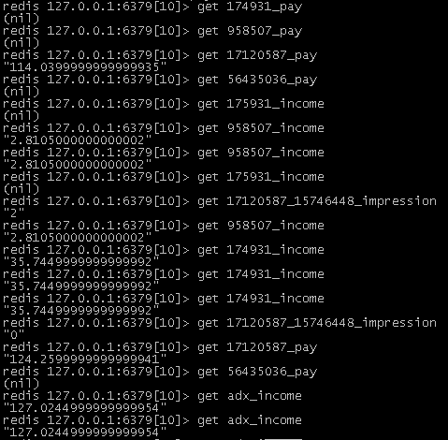
 | 备注：redis和SQL中存储的计数 = 展现次数 * dealprice dealprice为1CPM（1000次展现）价格 实际收入 = 展现次数 * dealprice /1000
 | 【计数】（媒体id：174931 分成30% / 媒体id：958507 分成55%）
 | 2017.05.10 17：00
 | 17120587_pay 147.2999
 | 174931_income 39.200999
 | 958507_income 9.1465
 | adx_income 140.2724999

 | 2017.05.10 18：00
 | 15746448 impression 3 dealprice 1.51 媒体分成30%
 | 15746449 impression 4 dealprice 7.31 媒体分成55%
 | 17120587_pay 181.069999
 | 174931_income 40.559999
 | 958507_income 25.2285
 | adx_income 156.6014999

 | 2017.05.10 19：00
 | 15746448 impression 2 dealprice 7.11 媒体分成30%
 | 17120587_pay 195.28999
 | 174931_income 44.825999
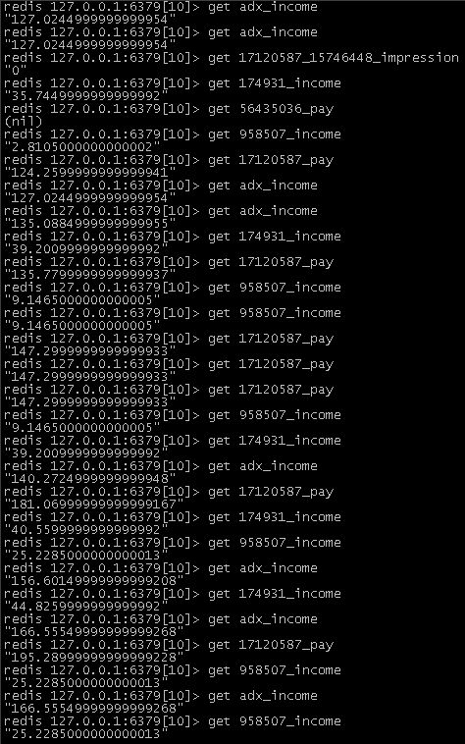
 | adx_income 166.5554999

 | 2017.05.11 10：00
 | 15746445 impression 3 dealprice 8.11 媒体分成30%
 | 15746449 impression 2 dealprice 3.31 媒体分成55%
 | 17120587_pay 226.68999
 | 174931_income 52.20599
 | 958507_income 28.9685
 | adx_income 186.8354999

 | 2017.05.11 11：00
① | 15746445 impression 3 dealprice 8.11 媒体分成30%
② | 15746449 impression 2 dealprice 3.31 媒体分成55%
① | 17120587_pay 251.0199 |  | 竞得
 | 174931_income 59.50499
 | 958507_income 28.9685
 | adx_income 203.86649
② | 17120587_pay 257.6399 |  | 竞得
 | 174931_income 59.50499
 | 958507_income 32.6095
 | adx_income 206.84549
③ | 15746445 impression 3 dealprice 8.11 媒体分成30%
④ | 15746449 impression 2 dealprice 3.31 媒体分成55%
③ | 17120587_pay 257.6399
 | 174931_income 62.81099
 | 958507_income 32.6095
 | adx_income 214.5594
 | 56435036_pay 11.0199 |  | 竞得
④ | 17120587_pay 257.6399
 | 174931_income 62.81099
 | 958507_income 34.43
 | adx_income 216.04899
 | 56435036_pay 14.3299 |  | 竞得

测试结果
测试链接
http://rtb.baofeng.com/index.php?adp=15746431&debug=open
http://rtb.baofeng.com/index.php?adp=15746431&dvc=1&idfa=00000000-0000-0000-0000-000000000000&net=1&gid=appstore&os=iOS&osver=10.3.1&loc=EK.KIHHJF,CCH.EFHJGH&test_city=北京市&debug=open
http://rtb.baofeng.com/index.php?adp=15746431&dvc=2&mnc=00&mac=19:DC:90:FB:LK&ip=192.168.201.51&eb=Apple&em=iPhone&aver=1.0.2&osv=2.0.2&dr=640*480&androidid=123&seconds=15&sid=3&imei=9012312345&idfa=AXV00000-FG00-0LK0-0000-000000035678&userid=123&net=1&gid=appstore&os=iOS&osver=10.3.1&loc=EK.KIHHJF,CCH.EFHJGH&debug=open

遗留底价问题
DSP-01 204/内容为空 adposition:73703439 底价11 出价11
DSP-02 返回正常内容 adposition:29119261 底价8 出价11

DT Log: bf.ad.adx.server.adxxs::appkey=ad&ltype=adxxs&enc=0&log={"itime":"2017-05-03 19:11:42","value":{"adposition":"15746431","dvc":4,"stage":1,"status":1,"ecode":1100,"requestid":"b85e9cac786b18830f586975f723d239"}}
DT Log: bf.ad.adx.server.adxdsp::appkey=ad&ltype=adxdsp&enc=0&log={"itime":"2017-05-03 19:11:42","value":{"adposition":"15746431","dvc":4,"stage":2,"status":1,"ecode":2100,"requestid":"b85e9cac786b18830f586975f723d239"}}
DT Log: bf.ad.adx.server.adxdsp::appkey=ad&ltype=adxdsp&enc=0&log={"itime":"2017-05-03 19:11:42","value":{"adposition":"15746431","dvc":4,"stage":2,"status":2,"ecode":2201,"requestid":"b85e9cac786b18830f586975f723d239","dspid":["29119261","73703439"]}}
DT Log: bf.ad.adx.server.adxrtb::appkey=ad&ltype=adxrtb&enc=0&log={"itime":"2017-05-03 19:11:42","value":{"adposition":"15746431","dvc":4,"stage":3,"status":1,"ecode":3100,"requestid":"b85e9cac786b18830f586975f723d239","biddingid":"e72a01c827b70894e5abe9f4375985f1","dspid":["29119261","73703439"]}}
DT Log: bf.ad.adx.server.adxrtb::appkey=ad&ltype=adxrtb&enc=0&log={"itime":"2017-05-03 19:11:42","value":{"adposition":"15746431","dvc":4,"stage":3,"status":2,"ecode":3201,"requestid":"b85e9cac786b18830f586975f723d239","biddingid":"e72a01c827b70894e5abe9f4375985f1","dspid":["29119261","73703439"]}}
DT Log: bf.ad.adx.server.adxprice::appkey=ad&ltype=adxprice&enc=0&log={"itime":"2017-05-03 19:11:42","value":{"adposition":"15746431","dvc":4,"stage":4,"status":2,"ecode":4201,"requestid":"b85e9cac786b18830f586975f723d239","biddingid":"e72a01c827b70894e5abe9f4375985f1","dspprice":{"29119261":12}}}
DT Log: bf.ad.adx.server.adxprice::appkey=ad&ltype=adxprice&enc=0&log={"itime":"2017-05-03 19:11:42","value":{"adposition":"15746431","dvc":4,"stage":4,"status":3,"ecode":4301,"requestid":"b85e9cac786b18830f586975f723d239","biddingid":"e72a01c827b70894e5abe9f4375985f1","dspprice":{"73703439":0}}}
DT Log: bf.ad.adx.server.adxwin::appkey=ad&ltype=adxwin&enc=0&log={"itime":"2017-05-03 19:11:42","value":{"adposition":"15746431","dvc":4,"stage":5,"status":2,"ecode":5200,"requestid":"b85e9cac786b18830f586975f723d239","biddingid":"e72a01c827b70894e5abe9f4375985f1","dspid":["29119261"],"preprice":"8","offerprice":"12","dealprice":"8.01"}}
DT Log: bf.ad.adx.server.adxxs::appkey=ad&ltype=adxxs&enc=0&log={"itime":"2017-05-03 19:11:42","value":{"adposition":"15746431","dvc":4,"stage":1,"status":2,"ecode":1201,"requestid":"b85e9cac786b18830f586975f723d239","biddingid":"e72a01c827b70894e5abe9f4375985f1"}}

展现报数
{"itime":"2017-05-08+11:36:30","value":{"adposition":"15746431","dvc":"1","stage":1,"status":2,"ecode":1200,"requestid":"65d50b3229a02767c22a7b26c0287331","biddingid":"44da40103929e453dc14097bd375e903","dspid":["29119261"],"crid":"creative112"}}
%7B_vgvzr_L_DBCI-BG-BJ+CCLEHLEB_%2C_inyhr_L%7B_nqcbfvgvba_L_CGIFHFEC_%2C_qip_L_C_%2C_fgntr_LC%2C_fgnghf_LD%2C_rpbqr_LCDBB%2C_erdhrfgvq_L_HGqGBoEDDKnBDIHIpDDnIoDHpBDJIEEC_%2C_ovqqvatvq_L_FFqnFBCBEKDKrFGEqpCFBKIoqEIGrKBE_%2C_qfcvq_L%5B_DKCCKDHC_%5D%2C_pevq_L_perngvirCCD_%7D%7D
加密完整报数
http://co.dtech.baofeng.com/logger.php&appkey=ad&ltype=nqkpyvrag&enc=1&log=%7B_vgvzr_L_DBCI-BG-BJ+CCLEHLEB_%2C_inyhr_L%7B_nqcbfvgvba_L_CGIFHFEC_%2C_qip_L_C_%2C_fgntr_LC%2C_fgnghf_LD%2C_rpbqr_LCDBB%2C_erdhrfgvq_L_HGqGBoEDDKnBDIHIpDDnIoDHpBDJIEEC_%2C_ovqqvatvq_L_FFqnFBCBEKDKrFGEqpCFBKIoqEIGrKBE_%2C_qfcvq_L%5B_DKCCKDHC_%5D%2C_pevq_L_perngvirCCD_%7D%7D

展现报数-最终版
{"itime":"2017-05-08 16:06:56","uid":"6579801022","imei":"6579801022","gid":"appstore","unet":"1","idfa":"00000000-0000-0000-0000-000000000000","value":{"adposition":"15746431","dvc":"3","stage":1,"status":2,"ecode":1200,"requestid":"25bb4947f5d0cbeeddb199bc7846654d","biddingid":"2d649ee8f258d588faf3181085e89306","dspid":["29119261"],"crid":"creative112"}}
%7B_vgvzr_L_DBCI-BG-BJ%20CHLBHLGH_%2C_hvq_L_HGIKJBCBDD_%2C_vzrv_L_HGIKJBCBDD_%2C_tvq_L_nccfgber_%2C_harg_L_C_%2C_vqsn_L_BBBBBBBB-BBBB-BBBB-BBBB-BBBBBBBBBBBB_%2C_inyhr_L%7B_nqcbfvgvba_L_CGIFHFEC_%2C_qip_L_E_%2C_fgntr_LC%2C_fgnghf_LD%2C_rpbqr_LCDBB%2C_erdhrfgvq_L_DGooFKFIsGqBporrqqoCKKopIJFHHGFq_%2C_ovqqvatvq_L_DqHFKrrJsDGJqGJJsnsECJCBJGrJKEBH_%2C_qfcvq_L%5B_DKCCKDHC_%5D%2C_pevq_L_perngvirCCD_%7D%7D
加密完整报数
http://co.dtech.baofeng.com/logger.php&appkey=ad&ltype=nqkpyvrag&enc=1&log=%7B_vgvzr_L_DBCI-BG-BJ%20CHLBHLGH_%2C_hvq_L_HGIKJBCBDD_%2C_vzrv_L_HGIKJBCBDD_%2C_tvq_L_nccfgber_%2C_harg_L_C_%2C_vqsn_L_BBBBBBBB-BBBB-BBBB-BBBB-BBBBBBBBBBBB_%2C_inyhr_L%7B_nqcbfvgvba_L_CGIFHFEC_%2C_qip_L_E_%2C_fgntr_LC%2C_fgnghf_LD%2C_rpbqr_LCDBB%2C_erdhrfgvq_L_DGooFKFIsGqBporrqqoCKKopIJFHHGFq_%2C_ovqqvatvq_L_DqHFKrrJsDGJqGJJsnsECJCBJGrJKEBH_%2C_qfcvq_L%5B_DKCCKDHC_%5D%2C_pevq_L_perngvirCCD_%7D%7D

点击报数
{"itime":"2017-05-08+11:36:30","value":{"adposition":"15746431","dvc":"1","stage":2,"status":2,"ecode":2200,"requestid":"65d50b3229a02767c22a7b26c0287331","biddingid":"44da40103929e453dc14097bd375e903","dspid":["29119261"],"crid":"creative112"}}
%7B_vgvzr_L_DBCI-BG-BJ+CCLEHLEB_%2C_inyhr_L%7B_nqcbfvgvba_L_CGIFHFEC_%2C_qip_L_C_%2C_fgntr_LD%2C_fgnghf_LD%2C_rpbqr_LDDBB%2C_erdhrfgvq_L_HGqGBoEDDKnBDIHIpDDnIoDHpBDJIEEC_%2C_ovqqvatvq_L_FFqnFBCBEKDKrFGEqpCFBKIoqEIGrKBE_%2C_qfcvq_L%5B_DKCCKDHC_%5D%2C_pevq_L_perngvirCCD_%7D%7D
加密完整报数
http://co.dtech.baofeng.com/logger.php&appkey=ad&ltype=nqkpyvrag&enc=1&log=%7B_vgvzr_L_DBCI-BG-BJ+CCLEHLEB_%2C_inyhr_L%7B_nqcbfvgvba_L_CGIFHFEC_%2C_qip_L_C_%2C_fgntr_LD%2C_fgnghf_LD%2C_rpbqr_LDDBB%2C_erdhrfgvq_L_HGqGBoEDDKnBDIHIpDDnIoDHpBDJIEEC_%2C_ovqqvatvq_L_FFqnFBCBEKDKrFGEqpCFBKIoqEIGrKBE_%2C_qfcvq_L%5B_DKCCKDHC_%5D%2C_pevq_L_perngvirCCD_%7D%7D

点击报数-最终版
{"itime":"2017-05-08 16:06:56","uid":"6579801022","imei":"6579801022","gid":"appstore","unet":"1","idfa":"00000000-0000-0000-0000-000000000000","value":{"adposition":"15746431","dvc":"3","stage":2,"status":2,"ecode":2200,"requestid":"25bb4947f5d0cbeeddb199bc7846654d","biddingid":"2d649ee8f258d588faf3181085e89306","dspid":["29119261"],"crid":"creative112"}}
%7B_vgvzr_L_DBCI-BG-BJ%20CHLBHLGH_%2C_hvq_L_HGIKJBCBDD_%2C_vzrv_L_HGIKJBCBDD_%2C_tvq_L_nccfgber_%2C_harg_L_C_%2C_vqsn_L_BBBBBBBB-BBBB-BBBB-BBBB-BBBBBBBBBBBB_%2C_inyhr_L%7B_nqcbfvgvba_L_CGIFHFEC_%2C_qip_L_E_%2C_fgntr_LD%2C_fgnghf_LD%2C_rpbqr_LDDBB%2C_erdhrfgvq_L_DGooFKFIsGqBporrqqoCKKopIJFHHGFq_%2C_ovqqvatvq_L_DqHFKrrJsDGJqGJJsnsECJCBJGrJKEBH_%2C_qfcvq_L%5B_DKCCKDHC_%5D%2C_pevq_L_perngvirCCD_%7D%7D
加密完整报数
http://co.dtech.baofeng.com/logger.php&appkey=ad&ltype=nqkpyvrag&enc=1&log=%7B_vgvzr_L_DBCI-BG-BJ%20CHLBHLGH_%2C_hvq_L_HGIKJBCBDD_%2C_vzrv_L_HGIKJBCBDD_%2C_tvq_L_nccfgber_%2C_harg_L_C_%2C_vqsn_L_BBBBBBBB-BBBB-BBBB-BBBB-BBBBBBBBBBBB_%2C_inyhr_L%7B_nqcbfvgvba_L_CGIFHFEC_%2C_qip_L_E_%2C_fgntr_LD%2C_fgnghf_LD%2C_rpbqr_LDDBB%2C_erdhrfgvq_L_DGooFKFIsGqBporrqqoCKKopIJFHHGFq_%2C_ovqqvatvq_L_DqHFKrrJsDGJqGJJsnsECJCBJGrJKEBH_%2C_qfcvq_L%5B_DKCCKDHC_%5D%2C_pevq_L_perngvirCCD_%7D%7D

case:18 | 筛选失败-无满足的dsp
http://rtb.baofeng.com/index.php?adp=15746431&dvc=1&test_city=北京市&debug=open
禁用DSP-01 和 DSP-02
/**ADP XS Type: 2
IP:
City: 北京市
ADX Times: Y=>2017 m=>05 d=>03 H=>20 i=>08 s=>58 N=>3
ADX Request ID: e80f4f4be684e3d94310c737b1983de1
DT Log: bf.ad.adx.server.adxxs::appkey=ad&ltype=adxxs&enc=0&log={"itime":"2017-05-03 20:08:58","value":{"adposition":"15746431","dvc":1,"stage":1,"status":1,"ecode":1100,"requestid":"e80f4f4be684e3d94310c737b1983de1"}}
DT Log: bf.ad.adx.server.adxdsp::appkey=ad&ltype=adxdsp&enc=0&log={"itime":"2017-05-03 20:08:58","value":{"adposition":"15746431","dvc":1,"stage":2,"status":1,"ecode":2100,"requestid":"e80f4f4be684e3d94310c737b1983de1"}}
DT Log: bf.ad.adx.server.adxdsp::appkey=ad&ltype=adxdsp&enc=0&log={"itime":"2017-05-03 20:08:58","value":{"adposition":"15746431","dvc":1,"stage":2,"status":3,"ecode":2303,"requestid":"e80f4f4be684e3d94310c737b1983de1"}}
DT Log: bf.ad.adx.server.adxxs::appkey=ad&ltype=adxxs&enc=0&log={"itime":"2017-05-03 20:08:58","value":{"adposition":"15746431","dvc":1,"stage":1,"status":2,"ecode":1202,"requestid":"e80f4f4be684e3d94310c737b1983de1","biddingid":""}}
**/

case:1 | 广告位无底价
http://rtb.baofeng.com/index.php?adp=15746431&dvc=1&test_city=北京市&debug=open
/**ADP XS Type: 2
IP: City: 北京市
ADX Times: Y=>2017 m=>05 d=>04 H=>16 i=>41 s=>50 N=>4
ADX Request ID: d8ce32f1274b0a71e69e88045e581dfe Not Set Price: 北京市
DT Log: bf.ad.adx.server.adxxs::appkey=ad&ltype=adxxs&enc=0&log={"itime":"2017-05-04 16:41:50","value":{"adposition":"15746431","dvc":4,"stage":1,"status":1,"ecode":1100,"requestid":"d8ce32f1274b0a71e69e88045e581dfe"}}
DT Log: bf.ad.adx.server.adxdsp::appkey=ad&ltype=adxdsp&enc=0&log={"itime":"2017-05-04 16:41:50","value":{"adposition":"15746431","dvc":4,"stage":2,"status":1,"ecode":2100,"requestid":"d8ce32f1274b0a71e69e88045e581dfe"}}
DT Log: bf.ad.adx.server.adxdsp::appkey=ad&ltype=adxdsp&enc=0&log={"itime":"2017-05-04 16:41:50","value":{"adposition":"15746431","dvc":4,"stage":2,"status":3,"ecode":2302,"requestid":"d8ce32f1274b0a71e69e88045e581dfe"}}
DT Log: bf.ad.adx.server.adxxs::appkey=ad&ltype=adxxs&enc=0&log={"itime":"2017-05-04 16:41:50","value":{"adposition":"15746431","dvc":4,"stage":1,"status":2,"ecode":1202,"requestid":"d8ce32f1274b0a71e69e88045e581dfe","biddingid":""}}
**/

case:2 | 停用广告位
http://rtb.baofeng.com/index.php?adp=15746431&dvc=1&test_city=北京市&debug=open
/**
DT Log: bf.ad.adx.server.adxxs::appkey=ad&lt;ype=adxxs&amp;enc=0&amp;log={"itime":"2017-05-04 18:43:00","value":{"adposition":"15746431","dvc":"1","stage":1,"status":1,"ecode":1100,"requestid":"804b5fc22f62673b14f21980dbde6853"}}
DT Log: bf.ad.adx.server.adxdsp::appkey=ad&lt;ype=adxdsp&amp;enc=0&amp;log={"itime":"2017-05-04 18:43:00","value":{"adposition":"15746431","dvc":"1","stage":2,"status":3,"ecode":2301,"requestid":"804b5fc22f62673b14f21980dbde6853"}}
DT Log: bf.ad.adx.server.adxxs::appkey=ad&lt;ype=adxxs&amp;enc=0&amp;log={"itime":"2017-05-04 18:43:00","value":{"adposition":"15746431","dvc":"1","stage":1,"status":2,"ecode":1202,"requestid":"804b5fc22f62673b14f21980dbde6853","biddingid":""}}
**/

case:19 | Banner广告 通用底价为0
http://rtb.baofeng.com/index.php?adp=15746431&dvc=1&test_city=北京市&debug=open
{"ad":{"dspid":"29119261","img":{"src":"http:\/\/123.jpg","w":"720","h":"265"},"target":"ldp2","atype":1,"package":"package","app_store_id":"app_store_id","pv":[{"type_mma":0,"time":1,"url":{"type_mma":1,"url":"pvUrl1"}},{"type_mma":0,"time":1,"url":{"type_mma":1,"url":"pvUrl2"}},{"type_mma":0,"time":1,"url":"http:\/\/co.dtech.baofeng.com\/logger.php&appkey=ad&ltype=nqkpyvrag&enc=1&log=%7B_vgvzr_L_DBCI-BG-BF+CILDILFJ_%2C_inyhr_L%7B_nqcbfvgvba_L_CGIFHFEC_%2C_qip_LF%2C_fgntr_LC%2C_fgnghf_LD%2C_rpbqr_LCDBB%2C_erdhrfgvq_L_DInDHIKsJJBCDBFpEsDEDCHGDFqDIBIJ_%2C_ovqqvatvq_L_oKBEJqDFHssosopHrGKCCppnoDCooDpr_%2C_qfcvq_L%5B_DKCCKDHC_%5D%2C_pevq_L_perngvirCCD_%7D%7D"},{"type_mma":0,"time":1,"url":"http:\/\/rtb.baofeng.com\/count.php?adxid=27a2679f8801204c3f23216524d27078"}],"click":[{"type_mma":0,"url":{"type_mma":1,"url":"clickUrl1"}},{"type_mma":0,"url":{"type_mma":1,"url":"clickUrl2"}},{"type_mma":0,"url":"http:\/\/co.dtech.baofeng.com\/logger.php&appkey=ad&ltype=nqkpyvrag&enc=1&log=%7B_vgvzr_L_DBCI-BG-BF+CILDILFJ_%2C_inyhr_L%7B_nqcbfvgvba_L_CGIFHFEC_%2C_qip_LF%2C_fgntr_LD%2C_fgnghf_LD%2C_rpbqr_LDDBB%2C_erdhrfgvq_L_DInDHIKsJJBCDBFpEsDEDCHGDFqDIBIJ_%2C_ovqqvatvq_L_oKBEJqDFHssosopHrGKCCppnoDCooDpr_%2C_qfcvq_L%5B_DKCCKDHC_%5D%2C_pevq_L_perngvirCCD_%7D%7D"}]}}/**ADP XS Type: 2
IP:
City: 北京市
ADX Times: Y=>2017 m=>05 d=>04 H=>17 i=>27 s=>48 N=>4
ADX Request ID: 27a2679f8801204c3f23216524d27078
DSP Filter Failed By Block by DSP status: 0=>60684590
DSP Filter Failed By Block by black list: 0=>27158242 1=>99714891 2=>83367953 3=>66969217 4=>50702552
After Filter DSP: 0=>29119261 1=>73703439
Bid Request ID: b9038d246ffbfbc6e5911ccab21bb2ce
Bid Request: [{"method":"POST","dspid":29119261,"url":"http:\/\/192.168.201.250\/S-DSP-02.php","data":"{\"id\":\"b9038d246ffbfbc6e5911ccab21bb2ce\",\"imp\":{\"id\":1,\"banner\":{\"w\":\"720\",\"h\":\"265\",\"pos\":\"0\"},\"tagid\":\"15746431\",\"bidfloor\":0},\"app\":{\"id\":\"2624\",\"name\":\"S-APP-01\",\"bundle\":\"123\",\"storeurl\":\"123\",\"publisher\":{\"id\":\"359321\",\"name\":\"S-\\u66b4\\u98ce\\u4f53\\u80b2-01\",\"cat\":[\"1\"],\"domain\":\"baofeng.com\"}},\"device\":{\"geo\":[],\"devicetype\":2},\"user\":{\"id\":\"83f7c3eb363bbeafb7bf3e260e1109b3\"},\"test\":0}"},{"method":"POST","dspid":73703439,"url":"http:\/\/192.168.201.250\/S-DSP-204.php","data":"{\"id\":\"b9038d246ffbfbc6e5911ccab21bb2ce\",\"imp\":{\"id\":1,\"banner\":{\"w\":\"720\",\"h\":\"265\",\"pos\":\"0\"},\"tagid\":\"15746431\",\"bidfloor\":0},\"app\":{\"id\":\"2624\",\"name\":\"S-APP-01\",\"bundle\":\"123\",\"storeurl\":\"123\",\"publisher\":{\"id\":\"359321\",\"name\":\"S-\\u66b4\\u98ce\\u4f53\\u80b2-01\",\"cat\":[\"1\"],\"domain\":\"baofeng.com\"}},\"device\":{\"geo\":[],\"devicetype\":2},\"user\":{\"id\":\"83f7c3eb363bbeafb7bf3e260e1109b3\"},\"test\":0}"}]
Bid Response: [{"dspid":"29119261","url":"http:\/\/192.168.201.250\/S-DSP-02.php","method":"POST","data":"{\"id\":\"b9038d246ffbfbc6e5911ccab21bb2ce\",\"imp\":{\"id\":1,\"banner\":{\"w\":\"720\",\"h\":\"265\",\"pos\":\"0\"},\"tagid\":\"15746431\",\"bidfloor\":0},\"app\":{\"id\":\"2624\",\"name\":\"S-APP-01\",\"bundle\":\"123\",\"storeurl\":\"123\",\"publisher\":{\"id\":\"359321\",\"name\":\"S-\\u66b4\\u98ce\\u4f53\\u80b2-01\",\"cat\":[\"1\"],\"domain\":\"baofeng.com\"}},\"device\":{\"geo\":[],\"devicetype\":2},\"user\":{\"id\":\"83f7c3eb363bbeafb7bf3e260e1109b3\"},\"test\":0}","status":true,"response":"{\r\n \"id\": \"60002\",\r\n \"seatbid\": [\r\n {\r\n \"bid\": [\r\n {\r\n \"id\": \"2\",\r\n \"impid\": \"102\",\r\n \"price\": 12,\r\n \"nurl\": \"http:\/\/adserver.com\/winnotice?impid=101?id=${AUCTION_ID}&bidid=${AUCTION_BID_ID}&impid=${AUCTION_IMP_ID}&price=${AUCTION_PRICE}\",\r\n \"adm\": \"http:\/\/123.jpg\",\r\n \"crid\": \"creative112\",\r\n \"ext\":\r\n {\r\n \"ldp\":\"ldp2\",\r\n \"pa\":[\r\n {\r\n \"type_mma\":1,\r\n \"url\":\"pvUrl1\"\r\n },\r\n {\r\n \"type_mma\":1,\r\n \"url\":\"pvUrl2\"\r\n }\r\n ],\r\n \"ca\":[\r\n {\r\n \"type_mma\":1,\r\n \"url\":\"clickUrl1\"\r\n },\r\n {\r\n \"type_mma\":1,\r\n
Dsp Bid Datas: {"dspid":"29119261","bidfloor":"0","price":12}
Win Dsp Data: dspid=>29119261 bidfloor=>0 price=>12 winPrice=>0.01
DT Log: bf.ad.adx.server.adxxs::appkey=ad&ltype=adxxs&enc=0&log={"itime":"2017-05-04 18:14:47","value":{"adposition":"15746431","dvc":"1","stage":1,"status":1,"ecode":1100,"requestid":"679ddaca44bab1775396da5c42e845f6"}}
DT Log: bf.ad.adx.server.adxdsp::appkey=ad&ltype=adxdsp&enc=0&log={"itime":"2017-05-04 18:14:47","value":{"adposition":"15746431","dvc":"1","stage":2,"status":1,"ecode":2100,"requestid":"679ddaca44bab1775396da5c42e845f6"}}
DT Log: bf.ad.adx.server.adxdsp::appkey=ad&ltype=adxdsp&enc=0&log={"itime":"2017-05-04 18:14:47","value":{"adposition":"15746431","dvc":"1","stage":2,"status":2,"ecode":2201,"requestid":"679ddaca44bab1775396da5c42e845f6","dspid":["73703439"]}}
DT Log: bf.ad.adx.server.adxrtb::appkey=ad&ltype=adxrtb&enc=0&log={"itime":"2017-05-04 18:14:47","value":{"adposition":"15746431","dvc":"1","stage":3,"status":1,"ecode":3100,"requestid":"679ddaca44bab1775396da5c42e845f6","biddingid":"ae1a8c3bf5b4c5280be950c7c0b6176b","dspid":["73703439"]}}
DT Log: bf.ad.adx.server.adxrtb::appkey=ad&ltype=adxrtb&enc=0&log={"itime":"2017-05-04 18:14:47","value":{"adposition":"15746431","dvc":"1","stage":3,"status":2,"ecode":3201,"requestid":"679ddaca44bab1775396da5c42e845f6","biddingid":"ae1a8c3bf5b4c5280be950c7c0b6176b","dspid":["73703439"]}}
DT Log: bf.ad.adx.server.adxprice::appkey=ad&ltype=adxprice&enc=0&log={"itime":"2017-05-04 18:14:47","value":{"adposition":"15746431","dvc":"1","stage":4,"status":2,"ecode":4201,"requestid":"679ddaca44bab1775396da5c42e845f6","biddingid":"ae1a8c3bf5b4c5280be950c7c0b6176b","dspprice":{"73703439":11}}}
DT Log: bf.ad.adx.server.adxwin::appkey=ad&ltype=adxwin&enc=0&log={"itime":"2017-05-04 18:14:47","value":{"adposition":"15746431","dvc":"1","stage":5,"status":2,"ecode":5200,"requestid":"679ddaca44bab1775396da5c42e845f6","biddingid":"ae1a8c3bf5b4c5280be950c7c0b6176b","dspid":["73703439"],"preprice":"0","offerprice":"11","dealprice":"0.01"}}
DT Log: bf.ad.adx.server.adxxs::appkey=ad&ltype=adxxs&enc=0&log={"itime":"2017-05-04 18:14:47","value":{"adposition":"15746431","dvc":"1","stage":1,"status":2,"ecode":1201,"requestid":"679ddaca44bab1775396da5c42e845f6","biddingid":"ae1a8c3bf5b4c5280be950c7c0b6176b"}}
**/

case:20 | adx请求协商中，adp=不存在的广告位id
http://rtb.baofeng.com/index.php?adp=123&dvc=1&test_city=北京市&debug=open
/**
DT Log: bf.ad.adx.server.adxxs::appkey=ad&ltype=adxxs&enc=0&log={"itime":"2017-05-04 18:50:55","value":{"adposition":"123","dvc":"1","stage":1,"status":1,"ecode":1100,"requestid":"1424ae2549dc91767b5be25135d20f41"}}
DT Log: bf.ad.adx.server.adxdsp::appkey=ad&ltype=adxdsp&enc=0&log={"itime":"2017-05-04 18:50:55","value":{"adposition":"123","dvc":"1","stage":2,"status":3,"ecode":2301,"requestid":"1424ae2549dc91767b5be25135d20f41"}}
DT Log: bf.ad.adx.server.adxxs::appkey=ad&ltype=adxxs&enc=0&log={"itime":"2017-05-04 18:50:55","value":{"adposition":"123","dvc":"1","stage":1,"status":2,"ecode":1202,"requestid":"1424ae2549dc91767b5be25135d20f41","biddingid":""}}
**/

case:21 | adx请求协商中，adp=空
http://rtb.baofeng.com/index.php?adp=&dvc=1&test_city=北京市&debug=open
/**
DT Log: bf.ad.adx.server.adxxs::appkey=ad&ltype=adxxs&enc=0&log={"itime":"2017-05-04 18:50:55","value":{"adposition":"123","dvc":"1","stage":1,"status":1,"ecode":1100,"requestid":"1424ae2549dc91767b5be25135d20f41"}}
DT Log: bf.ad.adx.server.adxxs::appkey=ad&ltype=adxxs&enc=0&log={"itime":"2017-05-04 18:50:55","value":{"adposition":"123","dvc":"1","stage":1,"status":2,"ecode":1202,"requestid":"1424ae2549dc91767b5be25135d20f41","biddingid":""}}
**/

case:16 | dealprice=次高价+0.01
{"ad":{"dspid":"29119261","img":{"src":"http:\/\/123.jpg","w":"720","h":"265"},"target":"ldp2","atype":1,"package":"package","app_store_id":"app_store_id","pv":[{"type_mma":0,"time":1,"url":{"type_mma":1,"url":"pvUrl1"}},{"type_mma":0,"time":1,"url":{"type_mma":1,"url":"pvUrl2"}},{"type_mma":0,"time":1,"url":"http:\/\/co.dtech.baofeng.com\/logger.php&appkey=ad&ltype=nqkpyvrag&enc=1&log=%7B_vgvzr_L_DBCI-BG-BF+CKLCHLCH_%2C_inyhr_L%7B_nqcbfvgvba_L_CGIFHFEC_%2C_qip_L_C_%2C_fgntr_LC%2C_fgnghf_LD%2C_rpbqr_LCDBB%2C_erdhrfgvq_L_rGHqnHoKpnEKDDnnKBKJCGDnJpCJnsro_%2C_ovqqvatvq_L_opqpGFoGGnoKqECGJoFGIqDDpqIGKCsp_%2C_qfcvq_L%5B_DKCCKDHC_%5D%2C_pevq_L_perngvirCCD_%7D%7D"},{"type_mma":0,"time":1,"url":"http:\/\/rtb.baofeng.com\/count.php?adxid=e56da6b9ca3922aa9098152a8c18afeb"}],"click":[{"type_mma":0,"url":{"type_mma":1,"url":"clickUrl1"}},{"type_mma":0,"url":{"type_mma":1,"url":"clickUrl2"}},{"type_mma":0,"url":"http:\/\/co.dtech.baofeng.com\/logger.php&appkey=ad&ltype=nqkpyvrag&enc=1&log=%7B_vgvzr_L_DBCI-BG-BF+CKLCHLCH_%2C_inyhr_L%7B_nqcbfvgvba_L_CGIFHFEC_%2C_qip_L_C_%2C_fgntr_LD%2C_fgnghf_LD%2C_rpbqr_LDDBB%2C_erdhrfgvq_L_rGHqnHoKpnEKDDnnKBKJCGDnJpCJnsro_%2C_ovqqvatvq_L_opqpGFoGGnoKqECGJoFGIqDDpqIGKCsp_%2C_qfcvq_L%5B_DKCCKDHC_%5D%2C_pevq_L_perngvirCCD_%7D%7D"}]}}/**ADP XS Type: 2
IP:
City: 北京市
ADX Times: Y=>2017 m=>05 d=>04 H=>19 i=>16 s=>16 N=>4
ADX Request ID: e56da6b9ca3922aa9098152a8c18afeb
DSP Filter Failed By Block by DSP status: 0=>60684590
DSP Filter Failed By Block by black list: 0=>27158242 1=>99714891 2=>83367953 3=>50702552 4=>66969217
After Filter DSP: 0=>29119261 1=>73703439
Bid Request ID: bcdc54b55ab9d3158b457d22cd7591fc
Bid Request: [{"method":"POST","dspid":29119261,"url":"http:\/\/192.168.201.250\/S-DSP-02.php","data":"{\"id\":\"bcdc54b55ab9d3158b457d22cd7591fc\",\"imp\":{\"id\":1,\"banner\":{\"w\":\"720\",\"h\":\"265\",\"pos\":\"0\"},\"tagid\":\"15746431\",\"bidfloor\":11},\"app\":{\"id\":\"2624\",\"name\":\"S-APP-01\",\"bundle\":\"123\",\"storeurl\":\"123\",\"publisher\":{\"id\":\"359321\",\"name\":\"S-\\u66b4\\u98ce\\u4f53\\u80b2-01\",\"cat\":[\"1\"],\"domain\":\"baofeng.com\"}},\"device\":{\"geo\":[],\"devicetype\":4},\"user\":{\"id\":\"83f7c3eb363bbeafb7bf3e260e1109b3\"},\"test\":0}"},{"method":"POST","dspid":73703439,"url":"http:\/\/192.168.201.250\/S-DSP-01.php","data":"{\"id\":\"bcdc54b55ab9d3158b457d22cd7591fc\",\"imp\":{\"id\":1,\"banner\":{\"w\":\"720\",\"h\":\"265\",\"pos\":\"0\"},\"tagid\":\"15746431\",\"bidfloor\":11},\"app\":{\"id\":\"2624\",\"name\":\"S-APP-01\",\"bundle\":\"123\",\"storeurl\":\"123\",\"publisher\":{\"id\":\"359321\",\"name\":\"S-\\u66b4\\u98ce\\u4f53\\u80b2-01\",\"cat\":[\"1\"],\"domain\":\"baofeng.com\"}},\"device\":{\"geo\":[],\"devicetype\":4},\"user\":{\"id\":\"83f7c3eb363bbeafb7bf3e260e1109b3\"},\"test\":0}"}]
Bid Response: [{"dspid":"29119261","url":"http:\/\/192.168.201.250\/S-DSP-02.php","method":"POST","data":"{\"id\":\"bcdc54b55ab9d3158b457d22cd7591fc\",\"imp\":{\"id\":1,\"banner\":{\"w\":\"720\",\"h\":\"265\",\"pos\":\"0\"},\"tagid\":\"15746431\",\"bidfloor\":11},\"app\":{\"id\":\"2624\",\"name\":\"S-APP-01\",\"bundle\":\"123\",\"storeurl\":\"123\",\"publisher\":{\"id\":\"359321\",\"name\":\"S-\\u66b4\\u98ce\\u4f53\\u80b2-01\",\"cat\":[\"1\"],\"domain\":\"baofeng.com\"}},\"device\":{\"geo\":[],\"devicetype\":4},\"user\":{\"id\":\"83f7c3eb363bbeafb7bf3e260e1109b3\"},\"test\":0}","status":true,"response":"{\r\n \"id\": \"60002\",\r\n \"seatbid\": [\r\n {\r\n \"bid\": [\r\n {\r\n \"id\": \"2\",\r\n \"impid\": \"102\",\r\n \"price\": 12,\r\n \"nurl\": \"http:\/\/adserver.com\/winnotice?impid=101?id=${AUCTION_ID}&bidid=${AUCTION_BID_ID}&impid=${AUCTION_IMP_ID}&price=${AUCTION_PRICE}\",\r\n \"adm\": \"http:\/\/123.jpg\",\r\n \"crid\": \"creative112\",\r\n \"ext\":\r\n {\r\n \"ldp\":\"ldp2\",\r\n \"pa\":[\r\n {\r\n \"type_mma\":1,\r\n \"url\":\"pvUrl1\"\r\n },\r\n {\r\n \"type_mma\":1,\r\n \"url\":\"pvUrl2\"\r\n }\r\n ],\r\n \"ca\":[\r\n {\r\n \"type_mma\":1,\r\n \"url\":\"clickUrl1\"\r\n },\r\n {\r\n \"type_mma\":1,\r\n
Dsp Bid Datas: {"dspid":"29119261","bidfloor":"11","price":12} {"dspid":"73703439","bidfloor":"11","price":11}
Win Dsp Data: dspid=>29119261 bidfloor=>11 price=>12 winPrice=>11.01
DT Log: bf.ad.adx.server.adxxs::appkey=ad&ltype=adxxs&enc=0&log={"itime":"2017-05-04 19:16:16","value":{"adposition":"15746431","dvc":"1","stage":1,"status":1,"ecode":1100,"requestid":"e56da6b9ca3922aa9098152a8c18afeb"}}
DT Log: bf.ad.adx.server.adxdsp::appkey=ad&ltype=adxdsp&enc=0&log={"itime":"2017-05-04 19:16:16","value":{"adposition":"15746431","dvc":"1","stage":2,"status":1,"ecode":2100,"requestid":"e56da6b9ca3922aa9098152a8c18afeb"}}
DT Log: bf.ad.adx.server.adxdsp::appkey=ad&ltype=adxdsp&enc=0&log={"itime":"2017-05-04 19:16:16","value":{"adposition":"15746431","dvc":"1","stage":2,"status":2,"ecode":2201,"requestid":"e56da6b9ca3922aa9098152a8c18afeb","dspid":["29119261","73703439"]}}
DT Log: bf.ad.adx.server.adxrtb::appkey=ad&ltype=adxrtb&enc=0&log={"itime":"2017-05-04 19:16:16","value":{"adposition":"15746431","dvc":"1","stage":3,"status":1,"ecode":3100,"requestid":"e56da6b9ca3922aa9098152a8c18afeb","biddingid":"bcdc54b55ab9d3158b457d22cd7591fc","dspid":["29119261","73703439"]}}
DT Log: bf.ad.adx.server.adxrtb::appkey=ad&ltype=adxrtb&enc=0&log={"itime":"2017-05-04 19:16:16","value":{"adposition":"15746431","dvc":"1","stage":3,"status":2,"ecode":3201,"requestid":"e56da6b9ca3922aa9098152a8c18afeb","biddingid":"bcdc54b55ab9d3158b457d22cd7591fc","dspid":["29119261","73703439"]}}
DT Log: bf.ad.adx.server.adxprice::appkey=ad&ltype=adxprice&enc=0&log={"itime":"2017-05-04 19:16:16","value":{"adposition":"15746431","dvc":"1","stage":4,"status":2,"ecode":4201,"requestid":"e56da6b9ca3922aa9098152a8c18afeb","biddingid":"bcdc54b55ab9d3158b457d22cd7591fc","dspprice":{"29119261":12,"73703439":11}}}
DT Log: bf.ad.adx.server.adxwin::appkey=ad&ltype=adxwin&enc=0&log={"itime":"2017-05-04 19:16:16","value":{"adposition":"15746431","dvc":"1","stage":5,"status":2,"ecode":5200,"requestid":"e56da6b9ca3922aa9098152a8c18afeb","biddingid":"bcdc54b55ab9d3158b457d22cd7591fc","dspid":["29119261"],"preprice":"11","offerprice":"12","dealprice":"11.01"}}
DT Log: bf.ad.adx.server.adxxs::appkey=ad&ltype=adxxs&enc=0&log={"itime":"2017-05-04 19:16:16","value":{"adposition":"15746431","dvc":"1","stage":1,"status":2,"ecode":1201,"requestid":"e56da6b9ca3922aa9098152a8c18afeb","biddingid":"bcdc54b55ab9d3158b457d22cd7591fc"}}
**/

case:3 | dsp过滤 step1：redis中不存在符合条件的dsp_list_广告位类型_尺寸
/**
ADP XS Type: 2
IP:
City: 北京市
ADX Times: Y=>2017 m=>05 d=>04 H=>19 i=>37 s=>53 N=>4
ADX Request ID: c244983da5fd0633a613da37a5015ddb DSP Filter Failed By Block by DSP status: 0=>66969217 1=>60684590
DSP Filter Failed By Block by black list: 0=>73703439 1=>83367953 2=>50702552 3=>27158242 4=>99714891 5=>29119261
DT Log: bf.ad.adx.server.adxxs::appkey=ad&ltype=adxxs&enc=0&log={"itime":"2017-05-04 19:37:53","value":{"adposition":"15746431","dvc":"1","stage":1,"status":1,"ecode":1100,"requestid":"c244983da5fd0633a613da37a5015ddb"}}
DT Log: bf.ad.adx.server.adxdsp::appkey=ad&ltype=adxdsp&enc=0&log={"itime":"2017-05-04 19:37:53","value":{"adposition":"15746431","dvc":"1","stage":2,"status":1,"ecode":2100,"requestid":"c244983da5fd0633a613da37a5015ddb"}}
DT Log: bf.ad.adx.server.adxdsp::appkey=ad&ltype=adxdsp&enc=0&log={"itime":"2017-05-04 19:37:53","value":{"adposition":"15746431","dvc":"1","stage":2,"status":3,"ecode":2303,"requestid":"c244983da5fd0633a613da37a5015ddb"}}
DT Log: bf.ad.adx.server.adxxs::appkey=ad&ltype=adxxs&enc=0&log={"itime":"2017-05-04 19:37:53","value":{"adposition":"15746431","dvc":"1","stage":1,"status":2,"ecode":1202,"requestid":"c244983da5fd0633a613da37a5015ddb","biddingid":""}}
**/

case:6 | 达到QPS限制
DT Log: bf.ad.adx.server.adxxs::appkey=ad&ltype=adxxs&enc=0&log={"itime":"2017-05-05 18:56:42","uid":"00000000-0000-0000-0000-000000000000","gid":"appstore","unet":"1","idfa":"00000000-0000-0000-0000-000000000000","value":{"adposition":"15746431","dvc":"1","stage":1,"status":1,"ecode":1100,"requestid":"fa2d4063f8433c7e3fac869da0871b70"}}
DT Log: bf.ad.adx.server.adxdsp::appkey=ad&ltype=adxdsp&enc=0&log={"itime":"2017-05-05 18:56:42","uid":"00000000-0000-0000-0000-000000000000","gid":"appstore","unet":"1","idfa":"00000000-0000-0000-0000-000000000000","value":{"adposition":"15746431","dvc":"1","stage":2,"status":1,"ecode":2100,"requestid":"fa2d4063f8433c7e3fac869da0871b70"}}
DT Log: bf.ad.adx.server.adxdsp::appkey=ad&ltype=adxdsp&enc=0&log={"itime":"2017-05-05 18:56:42","uid":"00000000-0000-0000-0000-000000000000","gid":"appstore","unet":"1","idfa":"00000000-0000-0000-0000-000000000000","value":{"adposition":"15746431","dvc":"1","stage":2,"status":4,"ecode":2401,"requestid":"fa2d4063f8433c7e3fac869da0871b70","dspid":["73703439"]}}
DT Log: bf.ad.adx.server.adxdsp::appkey=ad&ltype=adxdsp&enc=0&log={"itime":"2017-05-05 18:56:42","uid":"00000000-0000-0000-0000-000000000000","gid":"appstore","unet":"1","idfa":"00000000-0000-0000-0000-000000000000","value":{"adposition":"15746431","dvc":"1","stage":2,"status":2,"ecode":2201,"requestid":"fa2d4063f8433c7e3fac869da0871b70","dspid":["29119261"]}}
DT Log: bf.ad.adx.server.adxrtb::appkey=ad&ltype=adxrtb&enc=0&log={"itime":"2017-05-05 18:56:42","uid":"00000000-0000-0000-0000-000000000000","gid":"appstore","unet":"1","idfa":"00000000-0000-0000-0000-000000000000","value":{"adposition":"15746431","dvc":"1","stage":3,"status":1,"ecode":3100,"requestid":"fa2d4063f8433c7e3fac869da0871b70","biddingid":"6e30d3174d06dc1db6ad0332c66c5197","dspid":["29119261"]}}
DT Log: bf.ad.adx.server.adxrtb::appkey=ad&ltype=adxrtb&enc=0&log={"itime":"2017-05-05 18:56:42","uid":"00000000-0000-0000-0000-000000000000","gid":"appstore","unet":"1","idfa":"00000000-0000-0000-0000-000000000000","value":{"adposition":"15746431","dvc":"1","stage":3,"status":2,"ecode":3201,"requestid":"fa2d4063f8433c7e3fac869da0871b70","biddingid":"6e30d3174d06dc1db6ad0332c66c5197","dspid":["29119261"]}}
DT Log: bf.ad.adx.server.adxprice::appkey=ad&ltype=adxprice&enc=0&log={"itime":"2017-05-05 18:56:42","uid":"00000000-0000-0000-0000-000000000000","gid":"appstore","unet":"1","idfa":"00000000-0000-0000-0000-000000000000","value":{"adposition":"15746431","dvc":"1","stage":4,"status":2,"ecode":4201,"requestid":"fa2d4063f8433c7e3fac869da0871b70","biddingid":"6e30d3174d06dc1db6ad0332c66c5197","dspprice":{"29119261":12}}}
DT Log: bf.ad.adx.server.adxwin::appkey=ad&ltype=adxwin&enc=0&log={"itime":"2017-05-05 18:56:42","uid":"00000000-0000-0000-0000-000000000000","gid":"appstore","unet":"1","idfa":"00000000-0000-0000-0000-000000000000","value":{"adposition":"15746431","dvc":"1","stage":5,"status":2,"ecode":5200,"requestid":"fa2d4063f8433c7e3fac869da0871b70","biddingid":"6e30d3174d06dc1db6ad0332c66c5197","dspid":["29119261"],"preprice":"11.5","offerprice":"12","dealprice":"11.51"}}
DT Log: bf.ad.adx.server.adxxs::appkey=ad&ltype=adxxs&enc=0&log={"itime":"2017-05-05 18:56:42","uid":"00000000-0000-0000-0000-000000000000","gid":"appstore","unet":"1","idfa":"00000000-0000-0000-0000-000000000000","value":{"adposition":"15746431","dvc":"1","stage":1,"status":2,"ecode":1201,"requestid":"fa2d4063f8433c7e3fac869da0871b70","biddingid":"6e30d3174d06dc1db6ad0332c66c5197"}}

case:17 | 随机dsp A或dsp B竞得
【DSP 73703439 竞得】
DT Log: bf.ad.adx.server.adxxs::appkey=ad&ltype=adxxs&enc=0&log={"itime":"2017-05-05 19:31:16","uid":"00000000-0000-0000-0000-000000000000","gid":"appstore","unet":"1","idfa":"00000000-0000-0000-0000-000000000000","value":{"adposition":"15746431","dvc":"1","stage":1,"status":1,"ecode":1100,"requestid":"8812d42e0ad1f8e93b0fa605bf6228f2"}}
DT Log: bf.ad.adx.server.adxdsp::appkey=ad&ltype=adxdsp&enc=0&log={"itime":"2017-05-05 19:31:16","uid":"00000000-0000-0000-0000-000000000000","gid":"appstore","unet":"1","idfa":"00000000-0000-0000-0000-000000000000","value":{"adposition":"15746431","dvc":"1","stage":2,"status":1,"ecode":2100,"requestid":"8812d42e0ad1f8e93b0fa605bf6228f2"}}
DT Log: bf.ad.adx.server.adxdsp::appkey=ad&ltype=adxdsp&enc=0&log={"itime":"2017-05-05 19:31:16","uid":"00000000-0000-0000-0000-000000000000","gid":"appstore","unet":"1","idfa":"00000000-0000-0000-0000-000000000000","value":{"adposition":"15746431","dvc":"1","stage":2,"status":2,"ecode":2201,"requestid":"8812d42e0ad1f8e93b0fa605bf6228f2","dspid":["29119261","73703439"]}}
DT Log: bf.ad.adx.server.adxrtb::appkey=ad&ltype=adxrtb&enc=0&log={"itime":"2017-05-05 19:31:16","uid":"00000000-0000-0000-0000-000000000000","gid":"appstore","unet":"1","idfa":"00000000-0000-0000-0000-000000000000","value":{"adposition":"15746431","dvc":"1","stage":3,"status":1,"ecode":3100,"requestid":"8812d42e0ad1f8e93b0fa605bf6228f2","biddingid":"316efa9767126af25a051577d3663255","dspid":["29119261","73703439"]}}
DT Log: bf.ad.adx.server.adxrtb::appkey=ad&ltype=adxrtb&enc=0&log={"itime":"2017-05-05 19:31:16","uid":"00000000-0000-0000-0000-000000000000","gid":"appstore","unet":"1","idfa":"00000000-0000-0000-0000-000000000000","value":{"adposition":"15746431","dvc":"1","stage":3,"status":2,"ecode":3201,"requestid":"8812d42e0ad1f8e93b0fa605bf6228f2","biddingid":"316efa9767126af25a051577d3663255","dspid":["29119261","73703439"]}}
DT Log: bf.ad.adx.server.adxprice::appkey=ad&ltype=adxprice&enc=0&log={"itime":"2017-05-05 19:31:16","uid":"00000000-0000-0000-0000-000000000000","gid":"appstore","unet":"1","idfa":"00000000-0000-0000-0000-000000000000","value":{"adposition":"15746431","dvc":"1","stage":4,"status":2,"ecode":4201,"requestid":"8812d42e0ad1f8e93b0fa605bf6228f2","biddingid":"316efa9767126af25a051577d3663255","dspprice":{"29119261":12,"73703439":12}}}
DT Log: bf.ad.adx.server.adxwin::appkey=ad&ltype=adxwin&enc=0&log={"itime":"2017-05-05 19:31:16","uid":"00000000-0000-0000-0000-000000000000","gid":"appstore","unet":"1","idfa":"00000000-0000-0000-0000-000000000000","value":{"adposition":"15746431","dvc":"1","stage":5,"status":2,"ecode":5200,"requestid":"8812d42e0ad1f8e93b0fa605bf6228f2","biddingid":"316efa9767126af25a051577d3663255","dspid":["73703439"],"preprice":"11","offerprice":"12","dealprice":"11.01"}}
DT Log: bf.ad.adx.server.adxxs::appkey=ad&ltype=adxxs&enc=0&log={"itime":"2017-05-05 19:31:16","uid":"00000000-0000-0000-0000-000000000000","gid":"appstore","unet":"1","idfa":"00000000-0000-0000-0000-000000000000","value":{"adposition":"15746431","dvc":"1","stage":1,"status":2,"ecode":1201,"requestid":"8812d42e0ad1f8e93b0fa605bf6228f2","biddingid":"316efa9767126af25a051577d3663255"}}

【DSP 29119261 竞得】
DT Log: bf.ad.adx.server.adxxs::appkey=ad&ltype=adxxs&enc=0&log={"itime":"2017-05-05 19:33:02","uid":"00000000-0000-0000-0000-000000000000","gid":"appstore","unet":"1","idfa":"00000000-0000-0000-0000-000000000000","value":{"adposition":"15746431","dvc":"1","stage":1,"status":1,"ecode":1100,"requestid":"32dd666501d10c61d71e5c98961ada27"}}
DT Log: bf.ad.adx.server.adxdsp::appkey=ad&ltype=adxdsp&enc=0&log={"itime":"2017-05-05 19:33:02","uid":"00000000-0000-0000-0000-000000000000","gid":"appstore","unet":"1","idfa":"00000000-0000-0000-0000-000000000000","value":{"adposition":"15746431","dvc":"1","stage":2,"status":1,"ecode":2100,"requestid":"32dd666501d10c61d71e5c98961ada27"}}
DT Log: bf.ad.adx.server.adxdsp::appkey=ad&ltype=adxdsp&enc=0&log={"itime":"2017-05-05 19:33:02","uid":"00000000-0000-0000-0000-000000000000","gid":"appstore","unet":"1","idfa":"00000000-0000-0000-0000-000000000000","value":{"adposition":"15746431","dvc":"1","stage":2,"status":2,"ecode":2201,"requestid":"32dd666501d10c61d71e5c98961ada27","dspid":["29119261","73703439"]}}
DT Log: bf.ad.adx.server.adxrtb::appkey=ad&ltype=adxrtb&enc=0&log={"itime":"2017-05-05 19:33:02","uid":"00000000-0000-0000-0000-000000000000","gid":"appstore","unet":"1","idfa":"00000000-0000-0000-0000-000000000000","value":{"adposition":"15746431","dvc":"1","stage":3,"status":1,"ecode":3100,"requestid":"32dd666501d10c61d71e5c98961ada27","biddingid":"c66ccaa482eeac7870bee36d57b340de","dspid":["29119261","73703439"]}}
DT Log: bf.ad.adx.server.adxrtb::appkey=ad&ltype=adxrtb&enc=0&log={"itime":"2017-05-05 19:33:02","uid":"00000000-0000-0000-0000-000000000000","gid":"appstore","unet":"1","idfa":"00000000-0000-0000-0000-000000000000","value":{"adposition":"15746431","dvc":"1","stage":3,"status":2,"ecode":3201,"requestid":"32dd666501d10c61d71e5c98961ada27","biddingid":"c66ccaa482eeac7870bee36d57b340de","dspid":["29119261","73703439"]}}
DT Log: bf.ad.adx.server.adxprice::appkey=ad&ltype=adxprice&enc=0&log={"itime":"2017-05-05 19:33:02","uid":"00000000-0000-0000-0000-000000000000","gid":"appstore","unet":"1","idfa":"00000000-0000-0000-0000-000000000000","value":{"adposition":"15746431","dvc":"1","stage":4,"status":2,"ecode":4201,"requestid":"32dd666501d10c61d71e5c98961ada27","biddingid":"c66ccaa482eeac7870bee36d57b340de","dspprice":{"29119261":12,"73703439":12}}}
DT Log: bf.ad.adx.server.adxwin::appkey=ad&ltype=adxwin&enc=0&log={"itime":"2017-05-05 19:33:02","uid":"00000000-0000-0000-0000-000000000000","gid":"appstore","unet":"1","idfa":"00000000-0000-0000-0000-000000000000","value":{"adposition":"15746431","dvc":"1","stage":5,"status":2,"ecode":5200,"requestid":"32dd666501d10c61d71e5c98961ada27","biddingid":"c66ccaa482eeac7870bee36d57b340de","dspid":["29119261"],"preprice":"11.5","offerprice":"12","dealprice":"11.51"}}
DT Log: bf.ad.adx.server.adxxs::appkey=ad&ltype=adxxs&enc=0&log={"itime":"2017-05-05 19:33:02","uid":"00000000-0000-0000-0000-000000000000","gid":"appstore","unet":"1","idfa":"00000000-0000-0000-0000-000000000000","value":{"adposition":"15746431","dvc":"1","stage":1,"status":2,"ecode":1201,"requestid":"32dd666501d10c61d71e5c98961ada27","biddingid":"c66ccaa482eeac7870bee36d57b340de"}}

case:7 | QPS达到限制 无满足的dsp
/**ADP XS Type: 2
IP: City: 北京市
ADX Times: Y=>2017 m=>05 d=>05 H=>19 i=>40 s=>33 N=>5
ADX Request ID: 905d0331e8f9574c19a5a3b60356c8a8
DSP Filter Failed By Block by DSP status: 0=>66969217 1=>29119261 2=>60684590 DSP
Filter Failed By Block by black list: 0=>99714891 1=>83367953 2=>50702552 3=>27158242
DSP Filter Failed By Block by DSP QPS limit: 0=>73703439
DT Log: bf.ad.adx.server.adxxs::appkey=ad&ltype=adxxs&enc=0&log={"itime":"2017-05-05 19:40:33","uid":"00000000-0000-0000-0000-000000000000","gid":"appstore","unet":"1","idfa":"00000000-0000-0000-0000-000000000000","value":{"adposition":"15746431","dvc":"1","stage":1,"status":1,"ecode":1100,"requestid":"905d0331e8f9574c19a5a3b60356c8a8"}}
DT Log: bf.ad.adx.server.adxdsp::appkey=ad&ltype=adxdsp&enc=0&log={"itime":"2017-05-05 19:40:33","uid":"00000000-0000-0000-0000-000000000000","gid":"appstore","unet":"1","idfa":"00000000-0000-0000-0000-000000000000","value":{"adposition":"15746431","dvc":"1","stage":2,"status":1,"ecode":2100,"requestid":"905d0331e8f9574c19a5a3b60356c8a8"}}
DT Log: bf.ad.adx.server.adxdsp::appkey=ad&ltype=adxdsp&enc=0&log={"itime":"2017-05-05 19:40:33","uid":"00000000-0000-0000-0000-000000000000","gid":"appstore","unet":"1","idfa":"00000000-0000-0000-0000-000000000000","value":{"adposition":"15746431","dvc":"1","stage":2,"status":4,"ecode":2401,"requestid":"905d0331e8f9574c19a5a3b60356c8a8","dspid":["73703439"]}} DT Log: bf.ad.adx.server.adxdsp::appkey=ad&ltype=adxdsp&enc=0&log={"itime":"2017-05-05 19:40:33","uid":"00000000-0000-0000-0000-000000000000","gid":"appstore","unet":"1","idfa":"00000000-0000-0000-0000-000000000000","value":{"adposition":"15746431","dvc":"1","stage":2,"status":3,"ecode":2303,"requestid":"905d0331e8f9574c19a5a3b60356c8a8"}}
DT Log: bf.ad.adx.server.adxxs::appkey=ad&ltype=adxxs&enc=0&log={"itime":"2017-05-05 19:40:33","uid":"00000000-0000-0000-0000-000000000000","gid":"appstore","unet":"1","idfa":"00000000-0000-0000-0000-000000000000","value":{"adposition":"15746431","dvc":"1","stage":1,"status":2,"ecode":1202,"requestid":"905d0331e8f9574c19a5a3b60356c8a8","biddingid":""}} **/

case:13 | dsp A无底价 dsp A出价<通用底价
DT Log: bf.ad.adx.server.adxxs::appkey=ad&ltype=adxxs&enc=0&log={"itime":"2017-05-05 19:44:43","uid":"00000000-0000-0000-0000-000000000000","gid":"appstore","unet":"1","idfa":"00000000-0000-0000-0000-000000000000","value":{"adposition":"15746431","dvc":"1","stage":1,"status":1,"ecode":1100,"requestid":"8c91e7d8f7085a53d8e6bd98cf300ce2"}}
DT Log: bf.ad.adx.server.adxdsp::appkey=ad&ltype=adxdsp&enc=0&log={"itime":"2017-05-05 19:44:43","uid":"00000000-0000-0000-0000-000000000000","gid":"appstore","unet":"1","idfa":"00000000-0000-0000-0000-000000000000","value":{"adposition":"15746431","dvc":"1","stage":2,"status":1,"ecode":2100,"requestid":"8c91e7d8f7085a53d8e6bd98cf300ce2"}}
DT Log: bf.ad.adx.server.adxdsp::appkey=ad&ltype=adxdsp&enc=0&log={"itime":"2017-05-05 19:44:43","uid":"00000000-0000-0000-0000-000000000000","gid":"appstore","unet":"1","idfa":"00000000-0000-0000-0000-000000000000","value":{"adposition":"15746431","dvc":"1","stage":2,"status":2,"ecode":2201,"requestid":"8c91e7d8f7085a53d8e6bd98cf300ce2","dspid":["73703439"]}} DT Log: bf.ad.adx.server.adxrtb::appkey=ad&ltype=adxrtb&enc=0&log={"itime":"2017-05-05 19:44:43","uid":"00000000-0000-0000-0000-000000000000","gid":"appstore","unet":"1","idfa":"00000000-0000-0000-0000-000000000000","value":{"adposition":"15746431","dvc":"1","stage":3,"status":1,"ecode":3100,"requestid":"8c91e7d8f7085a53d8e6bd98cf300ce2","biddingid":"b54952b19602767f816da0aa2fa35e71","dspid":["73703439"]}}
DT Log: bf.ad.adx.server.adxrtb::appkey=ad&ltype=adxrtb&enc=0&log={"itime":"2017-05-05 19:44:43","uid":"00000000-0000-0000-0000-000000000000","gid":"appstore","unet":"1","idfa":"00000000-0000-0000-0000-000000000000","value":{"adposition":"15746431","dvc":"1","stage":3,"status":2,"ecode":3201,"requestid":"8c91e7d8f7085a53d8e6bd98cf300ce2","biddingid":"b54952b19602767f816da0aa2fa35e71","dspid":["73703439"]}}
DT Log: bf.ad.adx.server.adxprice::appkey=ad&ltype=adxprice&enc=0&log={"itime":"2017-05-05 19:44:43","uid":"00000000-0000-0000-0000-000000000000","gid":"appstore","unet":"1","idfa":"00000000-0000-0000-0000-000000000000","value":{"adposition":"15746431","dvc":"1","stage":4,"status":3,"ecode":4302,"requestid":"8c91e7d8f7085a53d8e6bd98cf300ce2","biddingid":"b54952b19602767f816da0aa2fa35e71","dspprice":{"73703439":0}}}
DT Log: bf.ad.adx.server.adxxs::appkey=ad&ltype=adxxs&enc=0&log={"itime":"2017-05-05 19:44:43","uid":"00000000-0000-0000-0000-000000000000","gid":"appstore","unet":"1","idfa":"00000000-0000-0000-0000-000000000000","value":{"adposition":"15746431","dvc":"1","stage":1,"status":2,"ecode":1202,"requestid":"8c91e7d8f7085a53d8e6bd98cf300ce2","biddingid":"b54952b19602767f816da0aa2fa35e71"}}

case:9 | dsp的bid response>100ms，无响应
DT Log: bf.ad.adx.server.adxxs::appkey=ad&ltype=adxxs&enc=0&log={"itime":"2017-05-08 19:30:24","value":{"adposition":"15746431","dvc":"1","stage":1,"status":1,"ecode":1100,"requestid":"75640bceb0afc7bb0134e1e5d30ad95e"}}
DT Log: bf.ad.adx.server.adxdsp::appkey=ad&ltype=adxdsp&enc=0&log={"itime":"2017-05-08 19:30:24","value":{"adposition":"15746431","dvc":"1","stage":2,"status":1,"ecode":2100,"requestid":"75640bceb0afc7bb0134e1e5d30ad95e"}}
DT Log: bf.ad.adx.server.adxdsp::appkey=ad&ltype=adxdsp&enc=0&log={"itime":"2017-05-08 19:30:24","value":{"adposition":"15746431","dvc":"1","stage":2,"status":2,"ecode":2201,"requestid":"75640bceb0afc7bb0134e1e5d30ad95e","dspid":["29119261"]}}
DT Log: bf.ad.adx.server.adxrtb::appkey=ad&ltype=adxrtb&enc=0&log={"itime":"2017-05-08 19:30:24","value":{"adposition":"15746431","dvc":"1","stage":3,"status":1,"ecode":3100,"requestid":"75640bceb0afc7bb0134e1e5d30ad95e","biddingid":"14875bf30ffbef0cc0a8678c6356ee81","dspid":["29119261"]}}
DT Log: bf.ad.adx.server.adxrtb::appkey=ad&ltype=adxrtb&enc=0&log={"itime":"2017-05-08 19:30:24","value":{"adposition":"15746431","dvc":"1","stage":3,"status":3,"ecode":3301,"requestid":"75640bceb0afc7bb0134e1e5d30ad95e","biddingid":"14875bf30ffbef0cc0a8678c6356ee81","dspid":["29119261"]}}
DT Log: bf.ad.adx.server.adxxs::appkey=ad&ltype=adxxs&enc=0&log={"itime":"2017-05-08 19:30:24","value":{"adposition":"15746431","dvc":"1","stage":1,"status":2,"ecode":1202,"requestid":"75640bceb0afc7bb0134e1e5d30ad95e","biddingid":"14875bf30ffbef0cc0a8678c6356ee81"}}

case:14 | dsp B竞得
DT Log: bf.ad.adx.server.adxxs::appkey=ad&ltype=adxxs&enc=0&log={"itime":"2017-05-08 17:58:04","value":{"adposition":"15746431","dvc":"1","stage":1,"status":1,"ecode":1100,"requestid":"28f1533253f63fad6b69bec74704182c"}}
DT Log: bf.ad.adx.server.adxdsp::appkey=ad&ltype=adxdsp&enc=0&log={"itime":"2017-05-08 17:58:04","value":{"adposition":"15746431","dvc":"1","stage":2,"status":1,"ecode":2100,"requestid":"28f1533253f63fad6b69bec74704182c"}}
DT Log: bf.ad.adx.server.adxdsp::appkey=ad&ltype=adxdsp&enc=0&log={"itime":"2017-05-08 17:58:04","value":{"adposition":"15746431","dvc":"1","stage":2,"status":2,"ecode":2201,"requestid":"28f1533253f63fad6b69bec74704182c","dspid":["29119261","66969217"]}}
DT Log: bf.ad.adx.server.adxrtb::appkey=ad&ltype=adxrtb&enc=0&log={"itime":"2017-05-08 17:58:04","value":{"adposition":"15746431","dvc":"1","stage":3,"status":1,"ecode":3100,"requestid":"28f1533253f63fad6b69bec74704182c","biddingid":"3439b070f105e1a2e9ec94b0683d6f29","dspid":["29119261","66969217"]}}
DT Log: bf.ad.adx.server.adxrtb::appkey=ad&ltype=adxrtb&enc=0&log={"itime":"2017-05-08 17:58:04","value":{"adposition":"15746431","dvc":"1","stage":3,"status":2,"ecode":3201,"requestid":"28f1533253f63fad6b69bec74704182c","biddingid":"3439b070f105e1a2e9ec94b0683d6f29","dspid":["29119261","66969217"]}}
DT Log: bf.ad.adx.server.adxprice::appkey=ad&ltype=adxprice&enc=0&log={"itime":"2017-05-08 17:58:04","value":{"adposition":"15746431","dvc":"1","stage":4,"status":2,"ecode":4201,"requestid":"28f1533253f63fad6b69bec74704182c","biddingid":"3439b070f105e1a2e9ec94b0683d6f29","dspprice":{"29119261":15}}}
DT Log: bf.ad.adx.server.adxprice::appkey=ad&ltype=adxprice&enc=0&log={"itime":"2017-05-08 17:58:04","value":{"adposition":"15746431","dvc":"1","stage":4,"status":3,"ecode":4302,"requestid":"28f1533253f63fad6b69bec74704182c","biddingid":"3439b070f105e1a2e9ec94b0683d6f29","dspprice":{"66969217":0}}}
DT Log: bf.ad.adx.server.adxwin::appkey=ad&ltype=adxwin&enc=0&log={"itime":"2017-05-08 17:58:04","value":{"adposition":"15746431","dvc":"1","stage":5,"status":2,"ecode":5200,"requestid":"28f1533253f63fad6b69bec74704182c","biddingid":"3439b070f105e1a2e9ec94b0683d6f29","dspid":["29119261"],"preprice":"10","offerprice":"15","dealprice":"10.01"}}
DT Log: bf.ad.adx.server.adxxs::appkey=ad&ltype=adxxs&enc=0&log={"itime":"2017-05-08 17:58:04","value":{"adposition":"15746431","dvc":"1","stage":1,"status":2,"ecode":1201,"requestid":"28f1533253f63fad6b69bec74704182c","biddingid":"3439b070f105e1a2e9ec94b0683d6f29"}}

case:12 | dsp A出价<dsp A底价
DT Log: bf.ad.adx.server.adxxs::appkey=ad&ltype=adxxs&enc=0&log={"itime":"2017-05-08 18:06:07","value":{"adposition":"15746431","dvc":"1","stage":1,"status":1,"ecode":1100,"requestid":"e5dd518c4998bda5a6ab4779361ffde1"}}
DT Log: bf.ad.adx.server.adxdsp::appkey=ad&ltype=adxdsp&enc=0&log={"itime":"2017-05-08 18:06:07","value":{"adposition":"15746431","dvc":"1","stage":2,"status":1,"ecode":2100,"requestid":"e5dd518c4998bda5a6ab4779361ffde1"}}
DT Log: bf.ad.adx.server.adxdsp::appkey=ad&ltype=adxdsp&enc=0&log={"itime":"2017-05-08 18:06:07","value":{"adposition":"15746431","dvc":"1","stage":2,"status":2,"ecode":2201,"requestid":"e5dd518c4998bda5a6ab4779361ffde1","dspid":["66969217"]}} DT Log: bf.ad.adx.server.adxrtb::appkey=ad&ltype=adxrtb&enc=0&log={"itime":"2017-05-08 18:06:07","value":{"adposition":"15746431","dvc":"1","stage":3,"status":1,"ecode":3100,"requestid":"e5dd518c4998bda5a6ab4779361ffde1","biddingid":"c4d3d74010178317481b2de348a6e38a","dspid":["66969217"]}}
DT Log: bf.ad.adx.server.adxrtb::appkey=ad&ltype=adxrtb&enc=0&log={"itime":"2017-05-08 18:06:07","value":{"adposition":"15746431","dvc":"1","stage":3,"status":2,"ecode":3201,"requestid":"e5dd518c4998bda5a6ab4779361ffde1","biddingid":"c4d3d74010178317481b2de348a6e38a","dspid":["66969217"]}}
DT Log: bf.ad.adx.server.adxprice::appkey=ad&ltype=adxprice&enc=0&log={"itime":"2017-05-08 18:06:07","value":{"adposition":"15746431","dvc":"1","stage":4,"status":3,"ecode":4302,"requestid":"e5dd518c4998bda5a6ab4779361ffde1","biddingid":"c4d3d74010178317481b2de348a6e38a","dspprice":{"66969217":0}}}
DT Log: bf.ad.adx.server.adxxs::appkey=ad&ltype=adxxs&enc=0&log={"itime":"2017-05-08 18:06:07","value":{"adposition":"15746431","dvc":"1","stage":1,"status":2,"ecode":1202,"requestid":"e5dd518c4998bda5a6ab4779361ffde1","biddingid":"c4d3d74010178317481b2de348a6e38a"}}

case:10 | 返回204 价格为0
DT Log: bf.ad.adx.server.adxxs::appkey=ad&ltype=adxxs&enc=0&log={"itime":"2017-05-08 18:09:59","value":{"adposition":"15746431","dvc":"1","stage":1,"status":1,"ecode":1100,"requestid":"a39010e69178dd42db397068cd57579c"}}
DT Log: bf.ad.adx.server.adxdsp::appkey=ad&ltype=adxdsp&enc=0&log={"itime":"2017-05-08 18:09:59","value":{"adposition":"15746431","dvc":"1","stage":2,"status":1,"ecode":2100,"requestid":"a39010e69178dd42db397068cd57579c"}}
DT Log: bf.ad.adx.server.adxdsp::appkey=ad&ltype=adxdsp&enc=0&log={"itime":"2017-05-08 18:09:59","value":{"adposition":"15746431","dvc":"1","stage":2,"status":2,"ecode":2201,"requestid":"a39010e69178dd42db397068cd57579c","dspid":["73703439"]}}
DT Log: bf.ad.adx.server.adxrtb::appkey=ad&ltype=adxrtb&enc=0&log={"itime":"2017-05-08 18:09:59","value":{"adposition":"15746431","dvc":"1","stage":3,"status":1,"ecode":3100,"requestid":"a39010e69178dd42db397068cd57579c","biddingid":"2330ab8aebfece555cd676c15900804b","dspid":["73703439"]}}
DT Log: bf.ad.adx.server.adxrtb::appkey=ad&ltype=adxrtb&enc=0&log={"itime":"2017-05-08 18:09:59","value":{"adposition":"15746431","dvc":"1","stage":3,"status":2,"ecode":3201,"requestid":"a39010e69178dd42db397068cd57579c","biddingid":"2330ab8aebfece555cd676c15900804b","dspid":["73703439"]}}
DT Log: bf.ad.adx.server.adxprice::appkey=ad&ltype=adxprice&enc=0&log={"itime":"2017-05-08 18:09:59","value":{"adposition":"15746431","dvc":"1","stage":4,"status":3,"ecode":4301,"requestid":"a39010e69178dd42db397068cd57579c","biddingid":"2330ab8aebfece555cd676c15900804b","dspprice":{"73703439":0}}}
DT Log: bf.ad.adx.server.adxxs::appkey=ad&ltype=adxxs&enc=0&log={"itime":"2017-05-08 18:09:59","value":{"adposition":"15746431","dvc":"1","stage":1,"status":2,"ecode":1202,"requestid":"a39010e69178dd42db397068cd57579c","biddingid":"2330ab8aebfece555cd676c15900804b"}}

case:11 | 必填字段缺失 seatbid字段错误
DT Log: bf.ad.adx.server.adxxs::appkey=ad&ltype=adxxs&enc=0&log={"itime":"2017-05-08 18:29:55","value":{"adposition":"15746431","dvc":"1","stage":1,"status":1,"ecode":1100,"requestid":"7e1961b2903a11a61acfdec44a6d4a13"}} DT Log: bf.ad.adx.server.adxdsp::appkey=ad&ltype=adxdsp&enc=0&log={"itime":"2017-05-08 18:29:55","value":{"adposition":"15746431","dvc":"1","stage":2,"status":1,"ecode":2100,"requestid":"7e1961b2903a11a61acfdec44a6d4a13"}}
DT Log: bf.ad.adx.server.adxdsp::appkey=ad&ltype=adxdsp&enc=0&log={"itime":"2017-05-08 18:29:55","value":{"adposition":"15746431","dvc":"1","stage":2,"status":2,"ecode":2201,"requestid":"7e1961b2903a11a61acfdec44a6d4a13","dspid":["73703439"]}}
DT Log: bf.ad.adx.server.adxrtb::appkey=ad&ltype=adxrtb&enc=0&log={"itime":"2017-05-08 18:29:55","value":{"adposition":"15746431","dvc":"1","stage":3,"status":1,"ecode":3100,"requestid":"7e1961b2903a11a61acfdec44a6d4a13","biddingid":"0ce30876078f843057daae8e15320ca4","dspid":["73703439"]}}
DT Log: bf.ad.adx.server.adxrtb::appkey=ad&ltype=adxrtb&enc=0&log={"itime":"2017-05-08 18:29:55","value":{"adposition":"15746431","dvc":"1","stage":3,"status":2,"ecode":3201,"requestid":"7e1961b2903a11a61acfdec44a6d4a13","biddingid":"0ce30876078f843057daae8e15320ca4","dspid":["73703439"]}} DT Log: bf.ad.adx.server.adxprice::appkey=ad&ltype=adxprice&enc=0&log={"itime":"2017-05-08 18:29:55","value":{"adposition":"15746431","dvc":"1","stage":4,"status":3,"ecode":4302,"requestid":"7e1961b2903a11a61acfdec44a6d4a13","biddingid":"0ce30876078f843057daae8e15320ca4","dspprice":{"73703439":0}}}
DT Log: bf.ad.adx.server.adxxs::appkey=ad&ltype=adxxs&enc=0&log={"itime":"2017-05-08 18:29:55","value":{"adposition":"15746431","dvc":"1","stage":1,"status":2,"ecode":1202,"requestid":"7e1961b2903a11a61acfdec44a6d4a13","biddingid":"0ce30876078f843057daae8e15320ca4"}}

case:11 | 必选字段id为空
DT Log: bf.ad.adx.server.adxxs::appkey=ad&ltype=adxxs&enc=0&log={"itime":"2017-05-09 10:11:09","value":{"adposition":"15746431","dvc":"1","stage":1,"status":1,"ecode":1100,"requestid":"67ad309442ca232d2c605d4f0815ba27"}}
DT Log: bf.ad.adx.server.adxdsp::appkey=ad&ltype=adxdsp&enc=0&log={"itime":"2017-05-09 10:11:09","value":{"adposition":"15746431","dvc":"1","stage":2,"status":1,"ecode":2100,"requestid":"67ad309442ca232d2c605d4f0815ba27"}}
DT Log: bf.ad.adx.server.adxdsp::appkey=ad&ltype=adxdsp&enc=0&log={"itime":"2017-05-09 10:11:09","value":{"adposition":"15746431","dvc":"1","stage":2,"status":2,"ecode":2201,"requestid":"67ad309442ca232d2c605d4f0815ba27","dspid":["73703439"]}}
DT Log: bf.ad.adx.server.adxrtb::appkey=ad&ltype=adxrtb&enc=0&log={"itime":"2017-05-09 10:11:09","value":{"adposition":"15746431","dvc":"1","stage":3,"status":1,"ecode":3100,"requestid":"67ad309442ca232d2c605d4f0815ba27","biddingid":"4293a9fee328f2dedd20f4b2f5b81a7d","dspid":["73703439"]}}
DT Log: bf.ad.adx.server.adxrtb::appkey=ad&ltype=adxrtb&enc=0&log={"itime":"2017-05-09 10:11:09","value":{"adposition":"15746431","dvc":"1","stage":3,"status":2,"ecode":3201,"requestid":"67ad309442ca232d2c605d4f0815ba27","biddingid":"4293a9fee328f2dedd20f4b2f5b81a7d","dspid":["73703439"]}}
DT Log: bf.ad.adx.server.adxprice::appkey=ad&ltype=adxprice&enc=0&log={"itime":"2017-05-09 10:11:09","value":{"adposition":"15746431","dvc":"1","stage":4,"status":3,"ecode":4302,"requestid":"67ad309442ca232d2c605d4f0815ba27","biddingid":"4293a9fee328f2dedd20f4b2f5b81a7d","dspprice":"Array"}}
DT Log: bf.ad.adx.server.adxxs::appkey=ad&ltype=adxxs&enc=0&log={"itime":"2017-05-09 10:11:09","value":{"adposition":"15746431","dvc":"1","stage":1,"status":2,"ecode":1202,"requestid":"67ad309442ca232d2c605d4f0815ba27","biddingid":"4293a9fee328f2dedd20f4b2f5b81a7d"}}

case:11 | 必选字段id缺失
DT Log: bf.ad.adx.server.adxxs::appkey=ad&ltype=adxxs&enc=0&log={"itime":"2017-05-09 10:11:09","value":{"adposition":"15746431","dvc":"1","stage":1,"status":1,"ecode":1100,"requestid":"67ad309442ca232d2c605d4f0815ba27"}}
DT Log: bf.ad.adx.server.adxdsp::appkey=ad&ltype=adxdsp&enc=0&log={"itime":"2017-05-09 10:11:09","value":{"adposition":"15746431","dvc":"1","stage":2,"status":1,"ecode":2100,"requestid":"67ad309442ca232d2c605d4f0815ba27"}}
...
case：29
DT Log: bf.ad.adx.server.adxdsp::appkey=ad&ltype=adxdsp&enc=0&log={"itime":"2018-03-20 18:20:08","uid":"88001234567890","imei":"88001234567890","androidid":"12345566","mac":"11:11:22:33:44","mtype":"\"iPhone\"","mos":"6.00.1","ver":"1.02","gid":"221","unet":"1","idfa":"asdasd-123ad1-1ffwwww-12313","value":{"adposition":"15746487","bidtype":0,"dvc":3,"stage":2,"status":2,"ecode":2201,"requestid":"7f1a18bbc3a45e0279646106c6ee7cc5","dspid":[56435036,17120587]}}
DT Log: bf.ad.adx.server.adxrtb::appkey=ad&ltype=adxrtb&enc=0&log={"itime":"2018-03-20 18:20:08","uid":"88001234567890","imei":"88001234567890","androidid":"12345566","mac":"11:11:22:33:44","mtype":"\"iPhone\"","mos":"6.00.1","ver":"1.02","gid":"221","unet":"1","idfa":"asdasd-123ad1-1ffwwww-12313","value":{"adposition":"15746487","bidtype":0,"dvc":3,"stage":3,"status":1,"ecode":3100,"requestid":"7f1a18bbc3a45e0279646106c6ee7cc5","biddingid":"6ab9ee3a24b5a5e09973ba2a0c88f97c","dspid":[56435036,17120587],"rtime":{"56435036":0,"17120587":0}}}
DT Log: bf.ad.adx.server.adxrtb::appkey=ad&ltype=adxrtb&enc=0&log={"itime":"2018-03-20 18:20:08","uid":"88001234567890","imei":"88001234567890","androidid":"12345566","mac":"11:11:22:33:44","mtype":"\"iPhone\"","mos":"6.00.1","ver":"1.02","gid":"221","unet":"1","idfa":"asdasd-123ad1-1ffwwww-12313","value":{"adposition":"15746487","bidtype":0,"dvc":3,"stage":3,"status":2,"ecode":3201,"requestid":"7f1a18bbc3a45e0279646106c6ee7cc5","biddingid":"6ab9ee3a24b5a5e09973ba2a0c88f97c","dspid":[56435036,17120587],"rtime":{"56435036":3,"17120587":4}}}
DT Log: bf.ad.adx.server.adxmat::appkey=ad&ltype=adxmat&enc=0&log={"itime":"2018-03-20 18:20:08","uid":"88001234567890","imei":"88001234567890","androidid":"12345566","mac":"11:11:22:33:44","mtype":"\"iPhone\"","mos":"6.00.1","ver":"1.02","gid":"221","unet":"1","idfa":"asdasd-123ad1-1ffwwww-12313","value":{"adposition":"15746487","dvc":3,"stage":6,"status":3,"ecode":6302,"requestid":"7f1a18bbc3a45e0279646106c6ee7cc5","biddingid":"6ab9ee3a24b5a5e09973ba2a0c88f97c","dspid":[56435036],"crid":"guoqisucaidsp2","dealid":""}}
DT Log: bf.ad.adx.server.adxprice::appkey=ad&ltype=adxprice&enc=0&log={"itime":"2018-03-20 18:20:08","uid":"88001234567890","imei":"88001234567890","androidid":"12345566","mac":"11:11:22:33:44","mtype":"\"iPhone\"","mos":"6.00.1","ver":"1.02","gid":"221","unet":"1","idfa":"asdasd-123ad1-1ffwwww-12313","value":{"adposition":"15746487","bidtype":0,"dvc":3,"stage":4,"status":2,"ecode":4201,"requestid":"7f1a18bbc3a45e0279646106c6ee7cc5","biddingid":"6ab9ee3a24b5a5e09973ba2a0c88f97c","dspprice":{"56435036":4,"17120587":5}}}
DT Log: bf.ad.adx.server.adxwin::appkey=ad&ltype=adxwin&enc=0&log={"itime":"2018-03-20 18:20:08","uid":"88001234567890","imei":"88001234567890","androidid":"12345566","mac":"11:11:22:33:44","mtype":"\"iPhone\"","mos":"6.00.1","ver":"1.02","gid":"221","unet":"1","idfa":"asdasd-123ad1-1ffwwww-12313","value":{"adposition":"15746487","bidtype":0,"dvc":3,"stage":5,"status":2,"ecode":5200,"requestid":"7f1a18bbc3a45e0279646106c6ee7cc5","biddingid":"6ab9ee3a24b5a5e09973ba2a0c88f97c","dspid":[17120587],"preprice":"2","offerprice":"5","dealprice":"4.01"}}
DT Log: bf.ad.adx.server.adxxs::appkey=ad&ltype=adxxs&enc=0&log={"itime":"2018-03-20 18:20:08","uid":"88001234567890","imei":"88001234567890","androidid":"12345566","mac":"11:11:22:33:44","mtype":"\"iPhone\"","mos":"6.00.1","ver":"1.02","gid":"221","unet":"1","idfa":"asdasd-123ad1-1ffwwww-12313","value":{"adposition":"15746487","bidtype":0,"dvc":3,"stage":1,"status":2,"ecode":1201,"requestid":"7f1a18bbc3a45e0279646106c6ee7cc5","biddingid":"6ab9ee3a24b5a5e09973ba2a0c88f97c","dspid":[17120587],"crid":"weiguoqisucaidsp1","is_dadi":0,"adnid":"","tempid":3,"dealid":""}}

素材过审
view-source:http://rtbtest.houyi.baofeng.net/index.php?adp=15746511&debug=open&test_city=%E5%8C%97%E4%BA%AC%E5%B8%82&net=1&mnc=00&ip=192.168.70.164&ua=123123&lct=50.632,100.3&eb=%22Apple%22&em=%22iPhone%22&aver=1.02&os=IOS&osv=6.00.1&dr=640*480&mac=11:11:22:33:44&idfa=asdasd-123ad1-1ffwwww-12313&imei=88001234567890&androidid=12345566&gid=221&dvc=3&debug=open
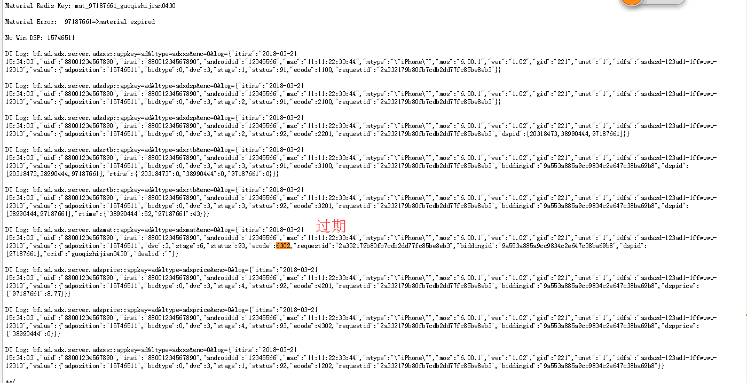

 |  | Material Error: 97187661=>no material in redis

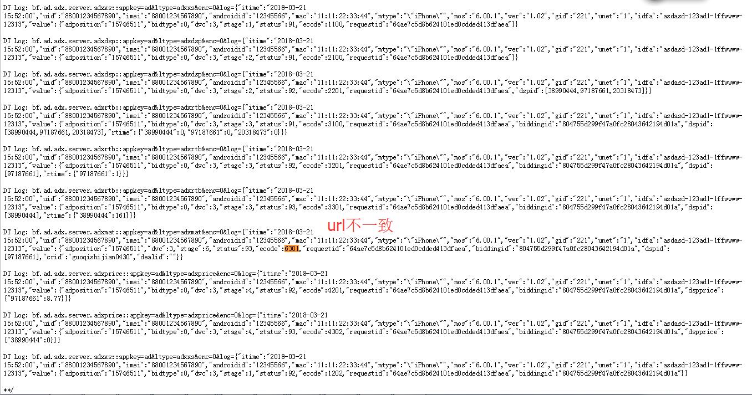

 |  | Material Error: 97187661=>material url not exists in redis:
 |  | http://static.houyi.baofeng.net/adx/2/4670870.jpg

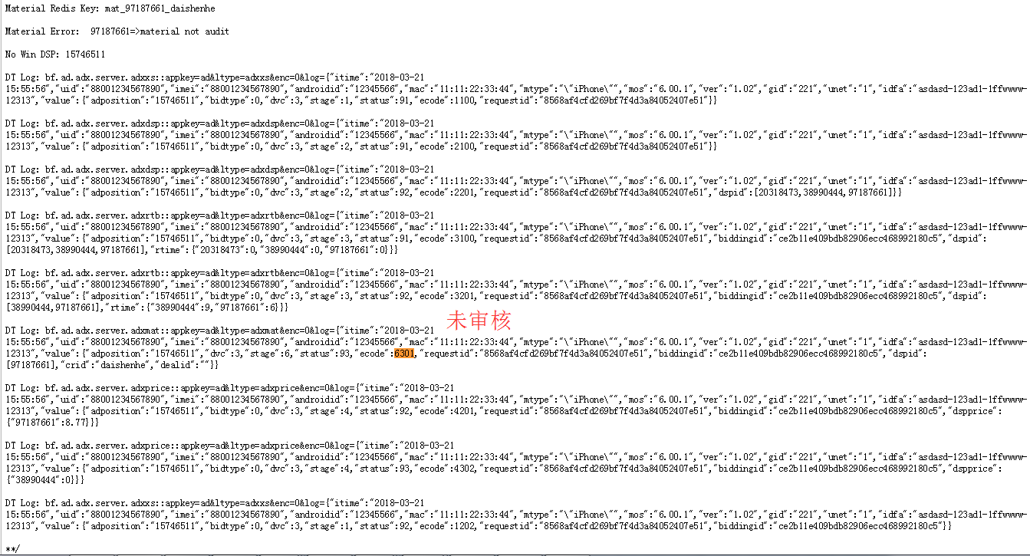

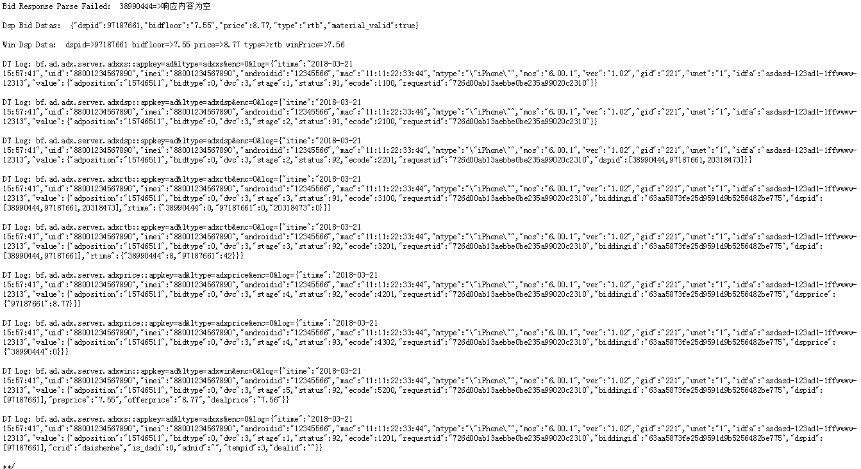

 |  |  | 素材正常情况

备注
...
appkey | ltype | 说明 | 对应topic
ad | adxcm | cookie mapping过程 | bf.ad.adx.server.adxcm

1. 报数格式
2. 必选参数
3. 各阶段Topic和对应时机的ecode值
4. 可选参数
5. DT是否收到报数

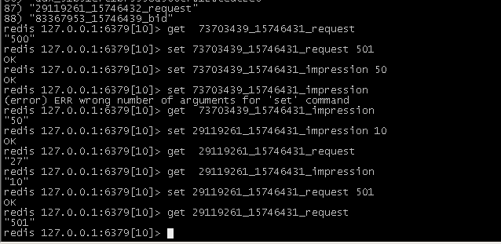
 |  |  |  | 设置请求数以及展现成功率

 |  |  |  | 192.168.90.144

 |  |  |  | select 10

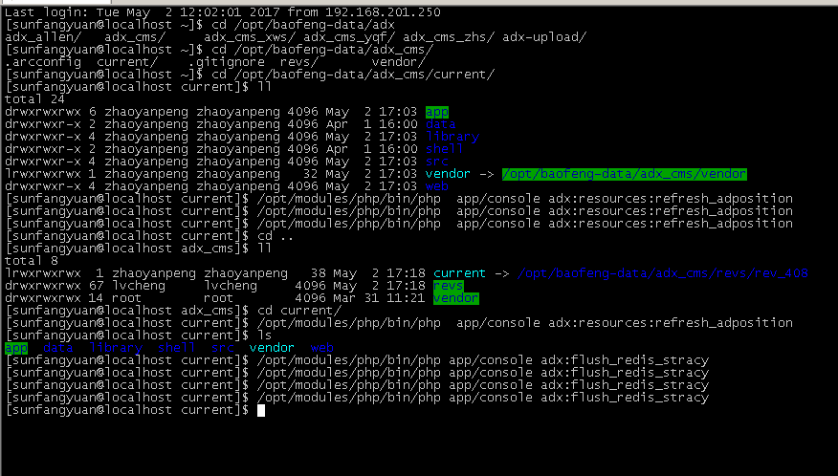
 |  |  |  | 执行脚本刷新策略

 |  |  |  | /opt/modules/php/bin/php app/console adx:flush_redis_stracy

 |  |  |  | 192.168.90.144

 |  |  |  | select 10

 |  |  |  | /opt/modules/php/bin/php /opt/baofeng-data/adx_cms/current/app/console adx:flush_redis_stracy

 |  |  |  | 执行脚本刷新广告位列表

 |  |  |  | /opt/modules/php/bin/php app/console adx:resources:refresh_adposition

 |  |  |  | 192.168.90.144
...

生产环境+JS打底+cookie mapping
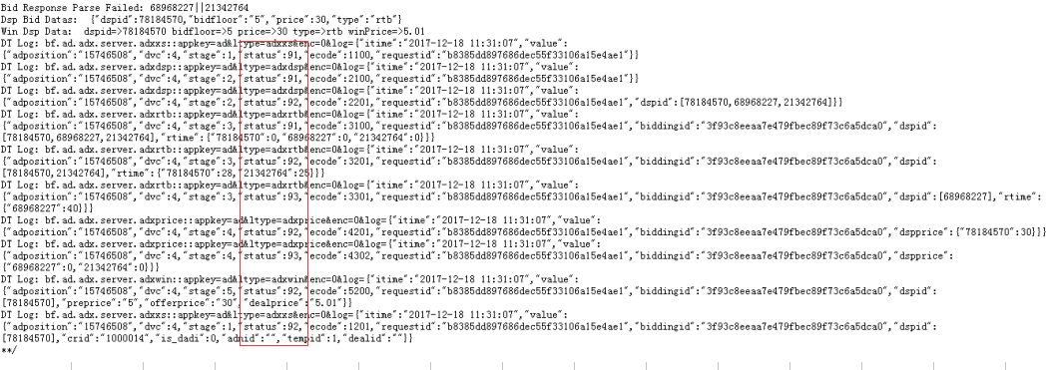
...
JS打底
{"itime":"2017-12-18 12:06:05","value":{"adposition":"15746502","dvc":4,"stage":2,"status":92,"ecode":2200,"requestid":"e881c2369a70f89a37ef8c4fbc8b6ddb","biddingid":"75d07e66c9ac3519fabf0bb4b42b5e72","dspid":[""],"dealprice":"","crid":"112","is_dadi":1,"adnid":"","advertiserid":"","tempid":0,"dealid":""}}

cookie mapping
http://rtbtest.houyi.baofeng.net/cm.php?dspid=78184570

