前帖协商返回
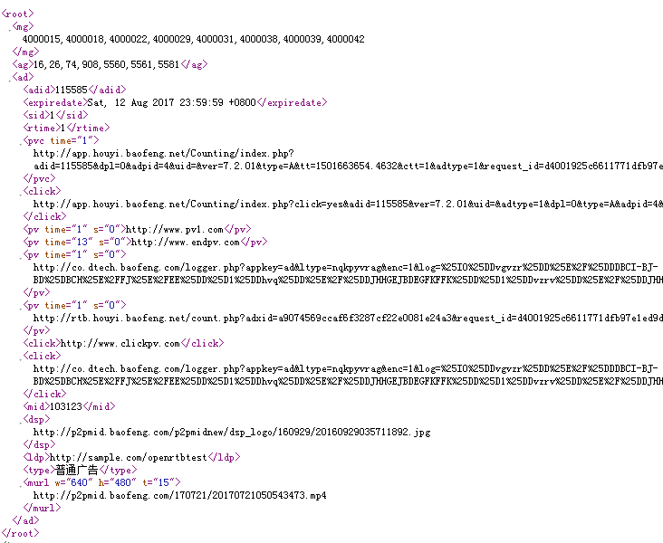
安卓、IOS：

中播协商返回
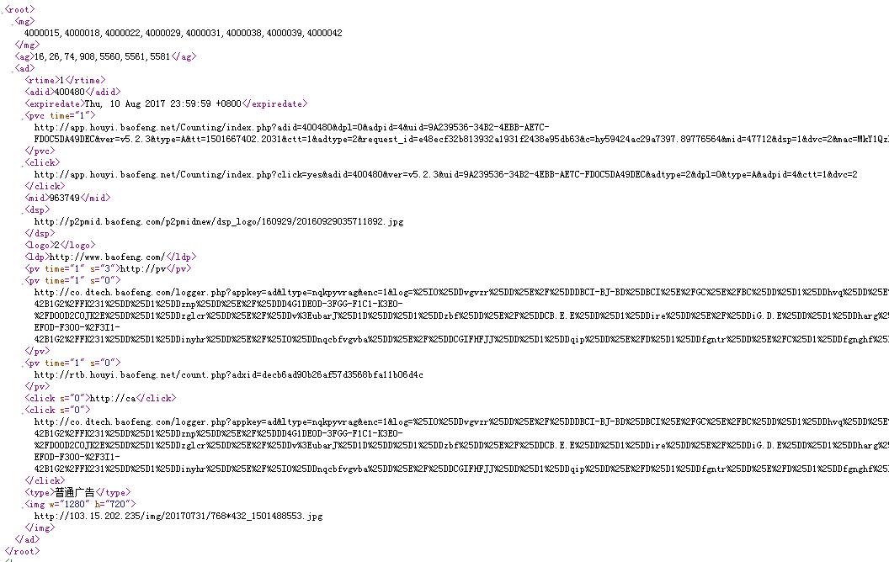

开屏、焦点图、详情页协商返回
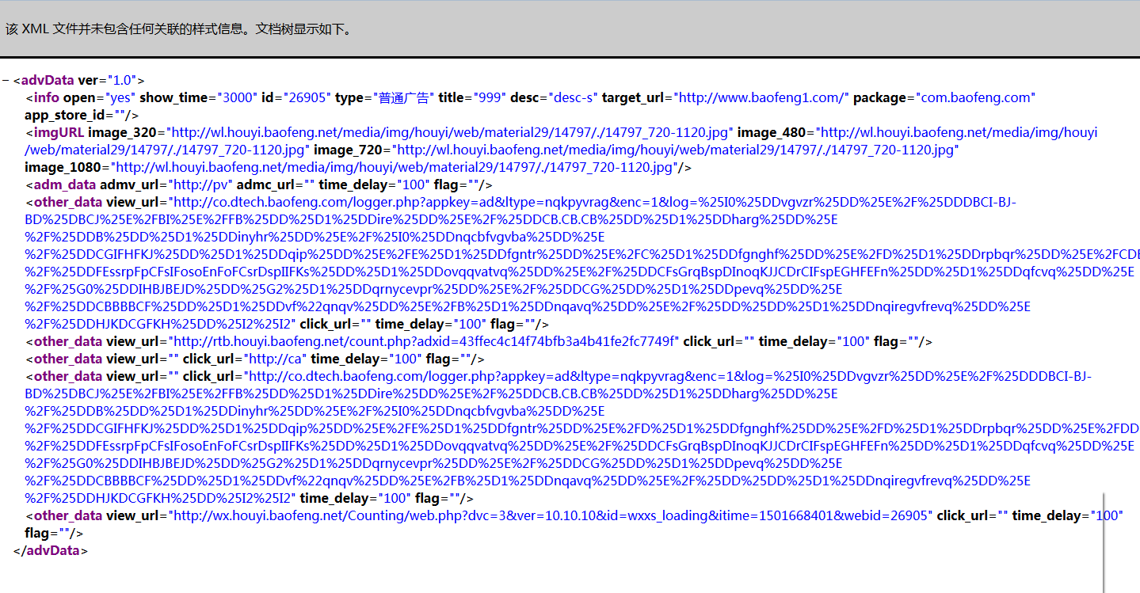

开屏
andriod

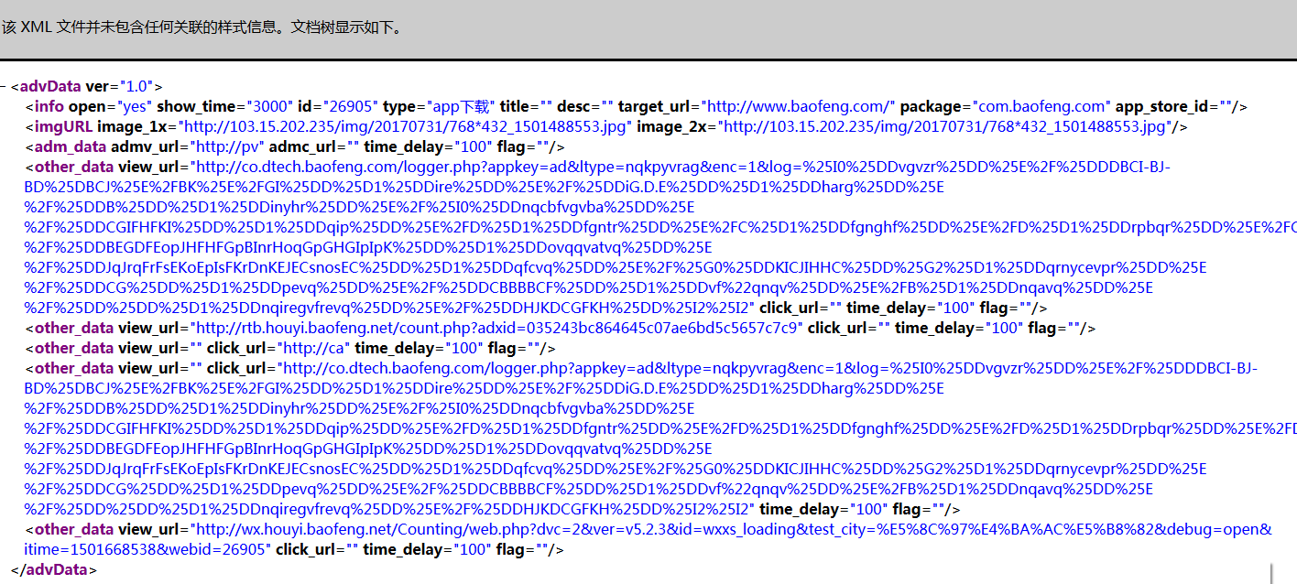
 | title 修改为固定的999+dsp回传的title 例：dsp的title为“title-s” 实际返回协商如图所示
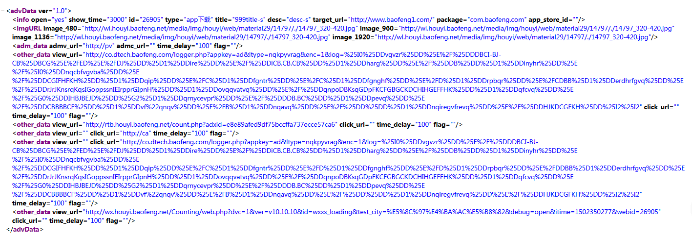

开屏
ios

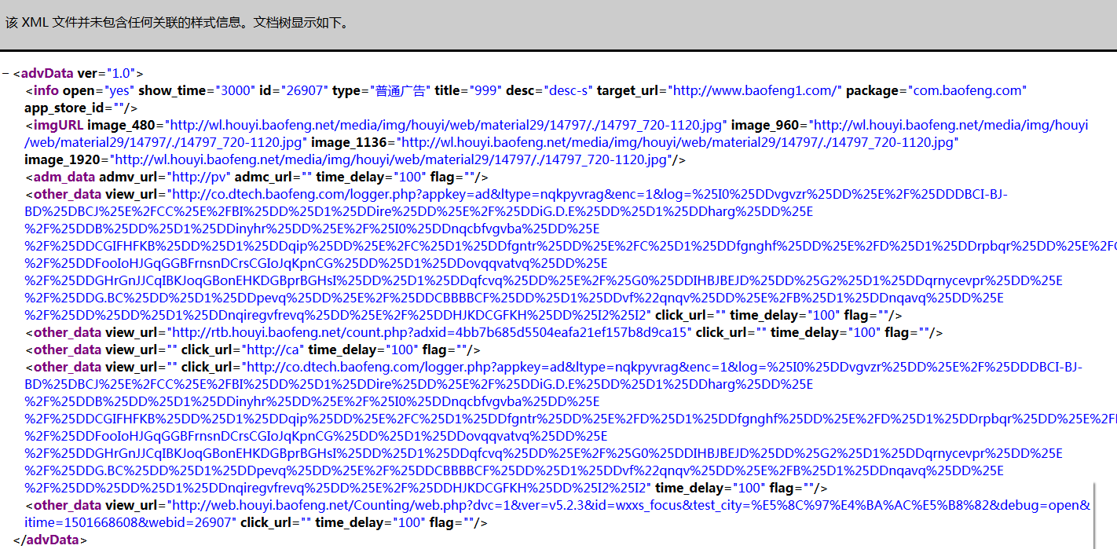

焦点图
ios

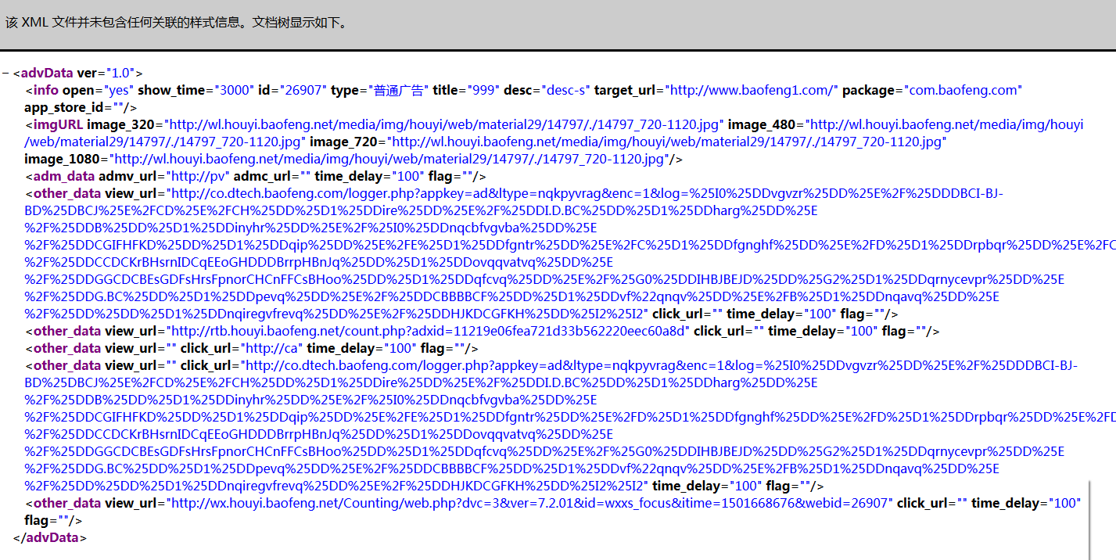

焦点图
andriod

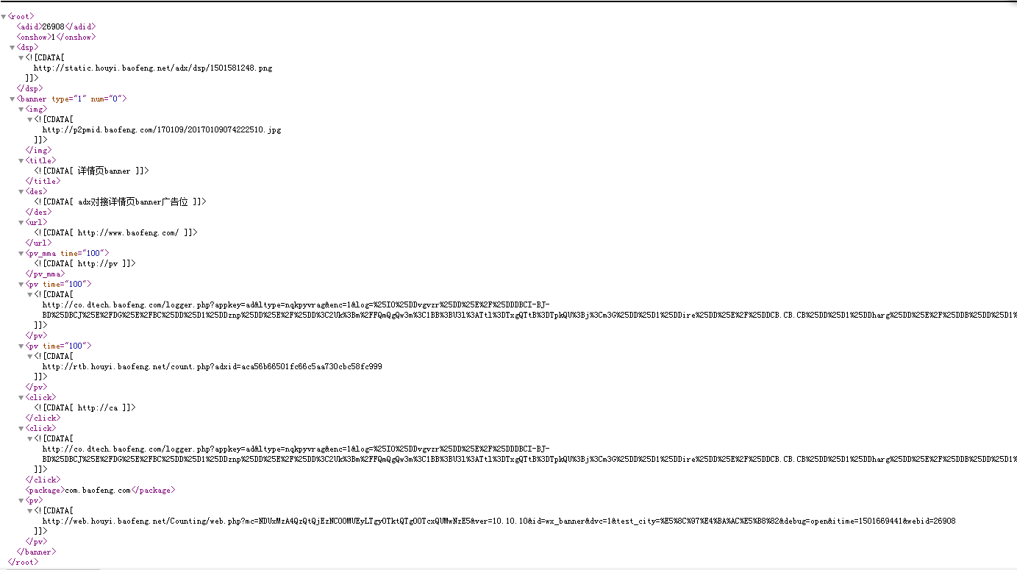

详情页
banner
ios

num=0

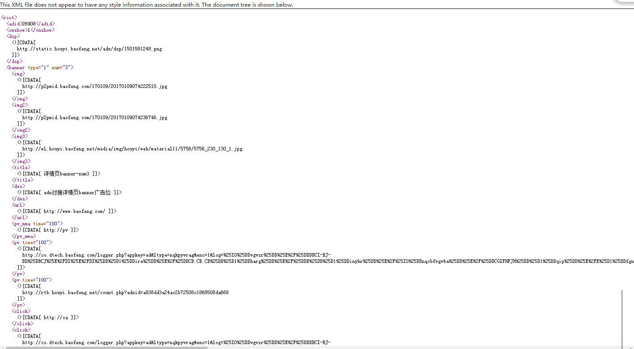

详情页
banner
andriod

num=3

其他
idfa加密规则（muid参数）
检查点 | 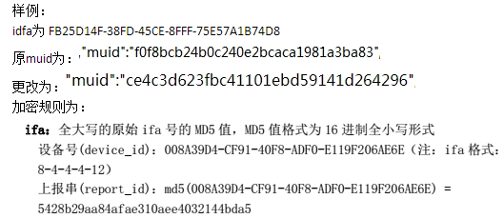
接口链接 | http://app.houyi.baofeng.net/Consultation/index.php?uid=FB25D14F-38FD-45CE-8FFF-75E57A1B74D8&ver=5.2.3&cid=23089203&extend=42000000&adtype=1&dvc=1&cnid=appstore&lev=1&idfa=FB25D14F-38FD-45CE-8FFF-75E57A1B74D8&loc=EK.KIHIFJ,CCH.EFHKFB&jx=iPhone&yyc=2&wh=1242_2208&net=1&brand=apple&osver=10.2&debug=open
测试结果
备注：ios端前贴协商

