Sheet1
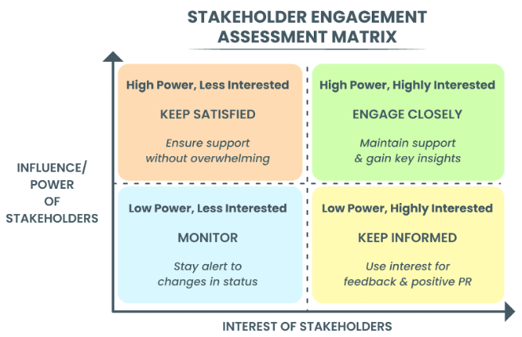
Stakeholder Register
# | Stakeholder Name | Organization | Interest | Influence | Expectations | Engagement Strategy | Comments/Notes
1
2
3
4
5
6
7
8
9
10

