Sheet1
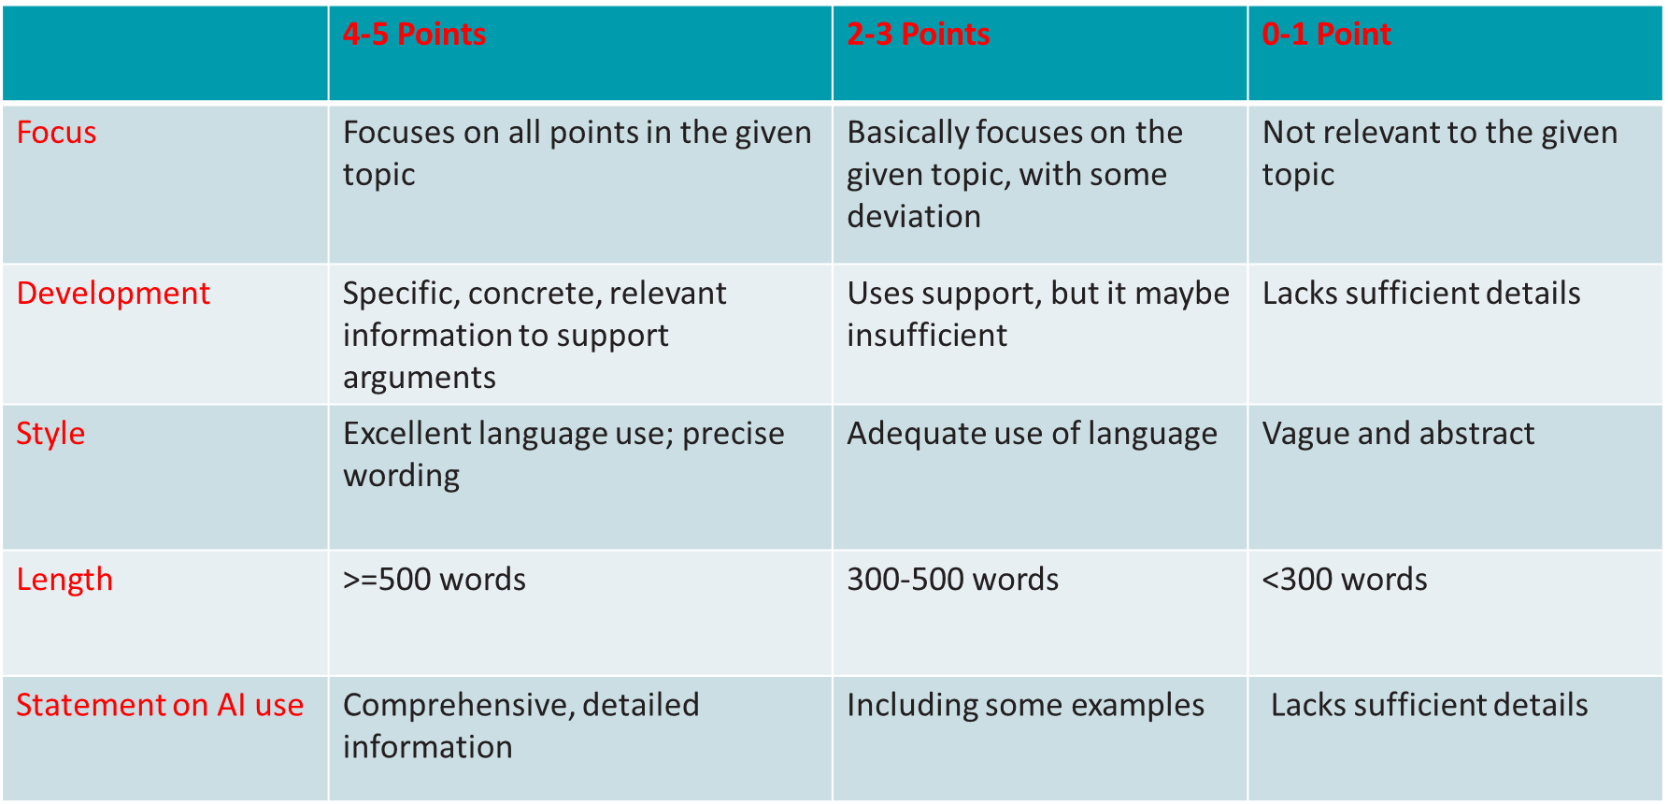
Essay Name | Focus | Development | Style | Length | AI statement | Total | Comments
Essay9 | 4 | 4 | 4 | 5 | 2 | 19 | The majority might be generated by AI.
Essay10 | 3.5 | 4 | 4 | 5 | 5 | 21.5 | Generally OK, but the background part is a bit redundant
Essay11 | 4 | 3 | 4 | 5 | 4 | 20 | Backgound part is aboundant. The maintext include contents generated by AI
Essay12 | 4 | 3 | 3 | 5 | 3 | 18 | Some typo found. Lacking explanation of what is DRFN
Essay13 | 5 | 4 | 4 | 5 | 4 | 22 | Included many solutions to cliamte change, better to focus on one or two
Essay14 | 5 | 4 | 3.5 | 5 | 3 | 20.5 | References were not cited
Essay15 | 5 | 4 | 4 | 5 | 0 | 18 | No AI statement
Essay16 | 5 | 4 | 4 | 5 | 5 | 23 | Generally good
Essay17 | 5 | 4 | 3 | 5 | 5 | 22 | some typo
Essay18 | 4 | 4 | 4 | 5 | 3 | 20 | some typos found
Essay19 | 4 | 4 | 3 | 5 | 3 | 19 | translated from a chinese version
Essay20 | 4 | 4 | 4 | 5 | 3 | 20 | Arguments are not convincing

