Sheet1
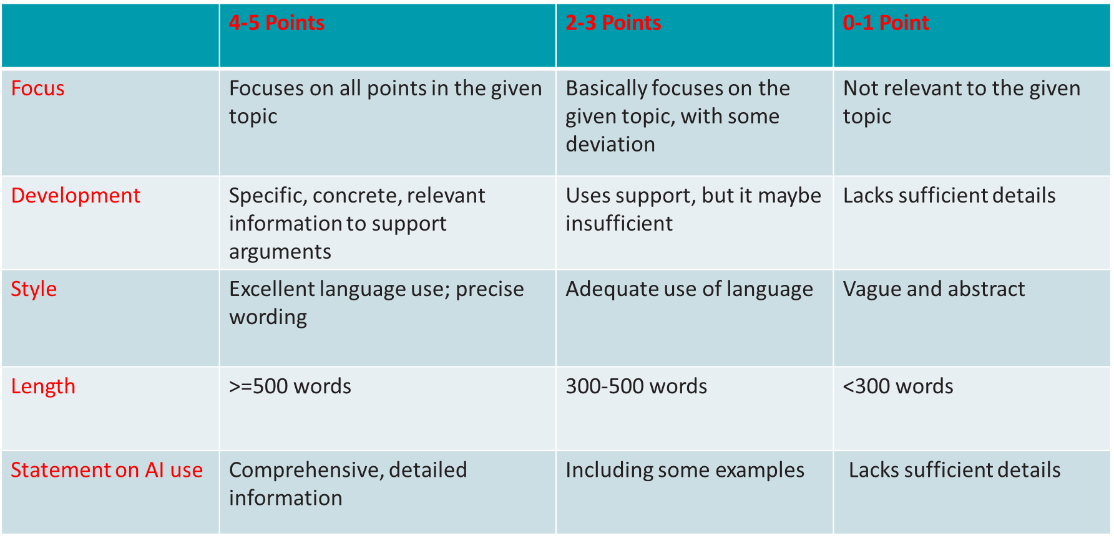
Essay Name | Focus | Development | Style | Length | AI statement | Total | Comments | Essay Topic: What are solutions to climate change
Essay9 | 4 | 4 | 4 | 5 | 2 | 19 | The majority might be generated by AI.
Essay10 | 3.5 | 4 | 4 | 5 | 5 | 21.5 | Generally OK, but the background part is a bit redundant
Essay11 | 4 | 3 | 4 | 5 | 4 | 20 | Backgound part is aboundant. The maintext include contents generated by AI
Essay12 | 4 | 3 | 3 | 5 | 3 | 18 | Some typo found. Lacking explanation of what is DRFN
Essay13 | 5 | 4 | 4 | 5 | 4 | 22 | Included many solutions to cliamte change, better to focus on one or two
Essay14 | 5 | 4 | 3.5 | 5 | 3 | 20.5 | References were not cited
Essay15 | 5 | 4 | 4 | 5 | 0 | 18 | No AI statement
Essay16 | 5 | 4 | 4 | 5 | 5 | 23 | Generally good
Essay17 | 5 | 4 | 3 | 5 | 5 | 22 | some typo
Essay18 | 4 | 4 | 4 | 5 | 3 | 20 | some typos found
Essay19 | 4 | 4 | 3 | 5 | 3 | 19 | translated from a chinese version
Essay20 | 4 | 4 | 4 | 5 | 3 | 20 | Arguments are not convincing
Essay21 | 5 | 5 | 4 | 5 | 3 | 22 | AI statement is too simple
Essay22 | 5 | 5 | 4 | 4 | 3 | 21 | simple AI statement
Essay23 | 5 | 5 | 4 | 5 | 5 | 24 | good
Essay24 | 5 | 5 | 4 | 5 | 5 | 24 | written by her/himself
Essay25 | 5 | 5 | 3 | 5 | 4 | 22 | Did not focus on solutios in the first half
Essay26 | 5 | 4 | 4 | 5 | 3 | 21 | AI statement is too simple
Essay27 | 4 | 4 | 4 | 5 | 3 | 20 | mainly generated by AI
Essay28 | 4 | 4 | 4 | 5 | 2 | 19 | Insuifficient AI statement
Essay29 | 5 | 5 | 5 | 5 | 5 | 25 | good
Essay30 | 4 | 3 | 3 | 5 | 4 | 19 | Mainly generated using AI
Essay31 | 2 | 2 | 2 | 2 | 2 | 10 | AI generated
Essay32 | 3 | 4 | 4 | 5 | 4 | 20 | first half is not about solution
Essay33 | 4 | 4 | 4 | 5 | 5 | 22 | using the example of china, not generic
Essay34 | 4 | 5 | 4 | 5 | 3 | 21 | Insuifficient AI statement
Essay35 | 5 | 5 | 4 | 5 | 3 | 22 | using graphics
Essay36 | 5 | 5 | 4 | 5 | 5 | 24 | a standard essay using AI to assist writing
Essay37 | 4 | 5 | 4 | 5 | 5 | 23 | Spent too many efforts talking about what is cliamte change
Essay38 | 0 | 4 | 4 | 4 | 0 | 12 | No AI statement. Did not focus on the required topic
Essay39 | 5 | 5 | 5 | 5 | 4 | 24 | a standard essay using AI to assist writing
Essay40 | 5 | 5 | 5 | 5 | 4 | 24 | discussed the climate change topic from the AI perspective
Essay41 | 5 | 5 | 5 | 5 | 4 | 24 | a standard essay using AI to assist writing
Essay42 | 4 | 4 | 5 | 5 | 4 | 22 | you are expected to explain solutions for climate change, not just for flooding
Essay43 | 4 | 4 | 5 | 5 | 4 | 22 | heavily rely on Ai
Essay44 | 4 | 4 | 3 | 5 | 2 | 18 | majority generated by AI
Essay45 | 4 | 5 | 4 | 5 | 3 | 21 | heavily rely on Ai
Essay46 | 4 | 4 | 4 | 4 | 3 | 19 | Introduced activities, not solutions. AI statement is too simple
Essay47 | 5 | 5 | 4 | 5 | 3 | 22 | AI statement is too simple
Essay48 | 4 | 5 | 4 | 5 | 3 | 21 | heavily rely on Ai
Essay49 | 4 | 4 | 4 | 4 | 4 | 20 | first half and second half not coherent
Essay50 | 5 | 4 | 4 | 5 | 3 | 21 | AI statement is too simple
Essay51 | 3 | 4 | 4 | 5 | 0 | 16 | No Ai statement
Essay52 | 4 | 5 | 5 | 5 | 4 | 23 | First part is not directly related to solutions
Essay53 | 4 | 4 | 5 | 5 | 4 | 22 | a standard essay using AI to assist writing. First part could be shorter to be less reduandant
Essay54 | 4 | 5 | 5 | 5 | 4 | 23 | a standard essay using AI to assist writing.
Essay55 | 4 | 5 | 5 | 5 | 3 | 22 | a standard essay using AI to assist writing.
Essay56 | 4 | 5 | 5 | 5 | 3 | 22 | a standard essay using AI to assist writing.
Essay57 | 5 | 5 | 4 | 5 | 5 | 24 | a standard essay using AI to assist writing.
Essay58 | 4 | 5 | 5 | 5 | 3 | 22 | AI statement is too simple
Essay59 | 4 | 4 | 5 | 5 | 4 | 22 | a standard essay using AI to assist writing. First half could be shorter to be more concentrated on solutions
Essay60 | 3 | 4 | 5 | 5 | 4 | 21 | did not focus on cliamte change, but on exteme weather events instead
Essay61 | 5 | 5 | 5 | 5 | 0 | 20 | No Ai statement
Essay62 | 5 | 4 | 4 | 4 | 4 | 21 | A bit short
Essay63 | 4 | 5 | 4 | 5 | 5 | 23 | a standard essay using AI to assist writing.
Essay64 | 5 | 5 | 4 | 5 | 5 | 24 | a standard essay using AI to assist writing.
Essay65 | 4 | 3 | 3 | 4 | 3 | 17 | The solutions provided in this essay are not good
Essay66 | 5 | 5 | 5 | 5 | 0 | 20 | No Ai statement
Essay67 | 5 | 5 | 4 | 5 | 5 | 24 | a standard essay using AI to assist writing.
Essay68 | 5 | 5 | 4 | 5 | 5 | 24 | a standard essay using AI to assist writing.
Essay69 | 5 | 4 | 5 | 5 | 5 | 24 | Would be better if reference is used to support the arguments
Essay70 | 5 | 5 | 5 | 5 | 4 | 24 | A typical AI-assisted essay
Essay71 | 5 | 4 | 4 | 5 | 3 | 21 | AI statement too simple
Essay72 | 5 | 4 | 4 | 5 | 5 | 23 | First half is redundant
Essay73 | 5 | 5 | 4 | 5 | 3 | 22 | AI statement too simple
Essay74 | 5 | 5 | 5 | 4 | 5 | 24 | A typical AI-assisted essay
Essay75 | 5 | 4 | 4 | 4 | 2 | 19 | AI statement too simple
Essay76 | 5 | 4 | 5 | 5 | 5 | 24 | A typical AI-assisted essay
Essay77 | 5 | 4 | 5 | 5 | 4 | 23 | A typical AI-assisted essay. First half is not about solutions
Essay78 | 5 | 4 | 4 | 5 | 3 | 21 | A typical AI-assisted essay
Essay79 | 5 | 4 | 4 | 5 | 3 | 21 | A typical AI-assisted essay, second half is mainly generated by AI
Essay80 | 5 | 4 | 4 | 5 | 3 | 21 | A typical AI-assisted essay
Essay81 | 5 | 4 | 3 | 5 | 4 | 21 | a standard essay using AI to assist writing. Some contents seem to be generated directly using AI
Essay82 | 5 | 5 | 5 | 5 | 4 | 24 | a standard essay using AI to assist writing.
Essay83 | 5 | 4 | 4 | 5 | 3 | 21 | a standard essay using AI to assist writing.
Essay84 | 5 | 4 | 4 | 5 | 3 | 21 | a standard essay using AI to assist writing. AI statement is not surfficient
Essay85 | 5 | 3 | 5 | 4 | 3 | 20 | some content in the first half are not solutions
Essay86 | 5 | 5 | 4 | 5 | 3 | 22 | a standard essay using AI to assist writing.
Essay87 | 5 | 5 | 4 | 5 | 5 | 24 | a standard essay using AI to assist writing.
Essay88 | 5 | 5 | 5 | 5 | 5 | 25 | very high quality
Essay89 | 0 | 1 | 3 | 5 | 0 | 9 | Did not focus on the suggested topic, and without AI statement
Essay90 | 2 | 3 | 3 | 5 | 4 | 17 | second part is main generated with AI
Essay91 | 2 | 3 | 3 | 3 | 0 | 11 | Focus is not correct; no AI statement; short than required length
Essay92 | 3 | 3 | 3 | 3 | 0 | 12 | logic is not good; short; no AI statement
Essay93 | 3 | 2 | 3 | 3 | 0 | 11 | No development; no AI statement
Essay94 | 2 | 2 | 2 | 2 | 0 | 8 | No development; no AI statement
Essay95 | 1 | 2 | 2 | 2 | 0 | 7 | No development; no AI statement
Essay96 | 0 | 1 | 2 | 5 | 0 | 8 | Messy logics
Essay97 | 2 | 2 | 2 | 4 | 2 | 12 | Did not talk about soluations
Essay98 | 2 | 2 | 2 | 3 | 2 | 11 | Vague. Just one paragraph
Essay99 | 1 | 2 | 2 | 1 | 0 | 6 | Poor logics
Essay100 | 1 | 1 | 1 | 1 | 0 | 4 | too short; has little to do with the required topic
Essay101
Essay102
Essay103
Essay104
Essay105
Essay106
Essay107
Essay108
Essay109
Essay110
Essay111
Essay112
Essay113
Essay114
Essay115
Essay116
Essay117
Essay118
Essay119
Essay120
Essay121
Essay122
Essay123
Essay124
Essay125
Essay126
Essay127
Essay128
Essay129
Essay130
Essay131
Essay132
Essay133
Essay134
Essay135
Essay136
Essay137
Essay138
Essay139
Essay140
Essay141
Essay142
Essay143
Essay144
Essay145
Essay146
Essay147
Essay148
Essay149
Essay150
Essay151
Essay152
Essay153
Essay154
Essay155
Essay156

