stats
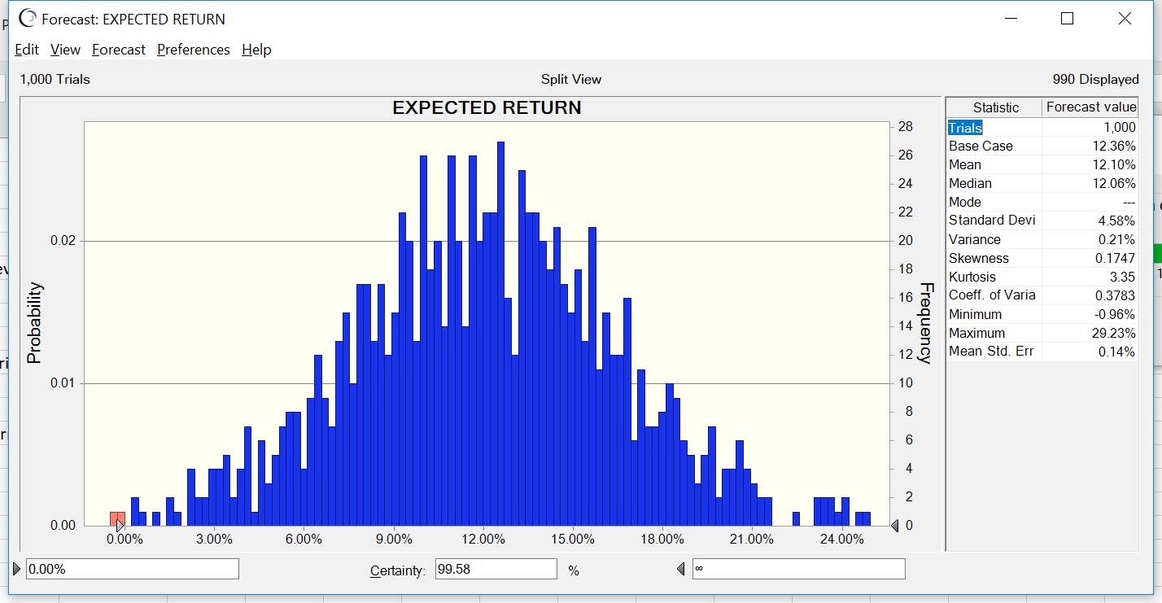
Trials | 1,000
Base Case | 12.36%
Mean | 12.10%
Median | 12.06%
Mode | ---
Standard Deviation | 4.58%
Variance | 0.21%
Skewness | 0.1747
Kurtosis | 3.35
Coeff. of Variation | 0.3783
Minimum | -0.96%
Maximum | 29.23%
Mean Std. Error | 0.14%

