Tx-PA Droop
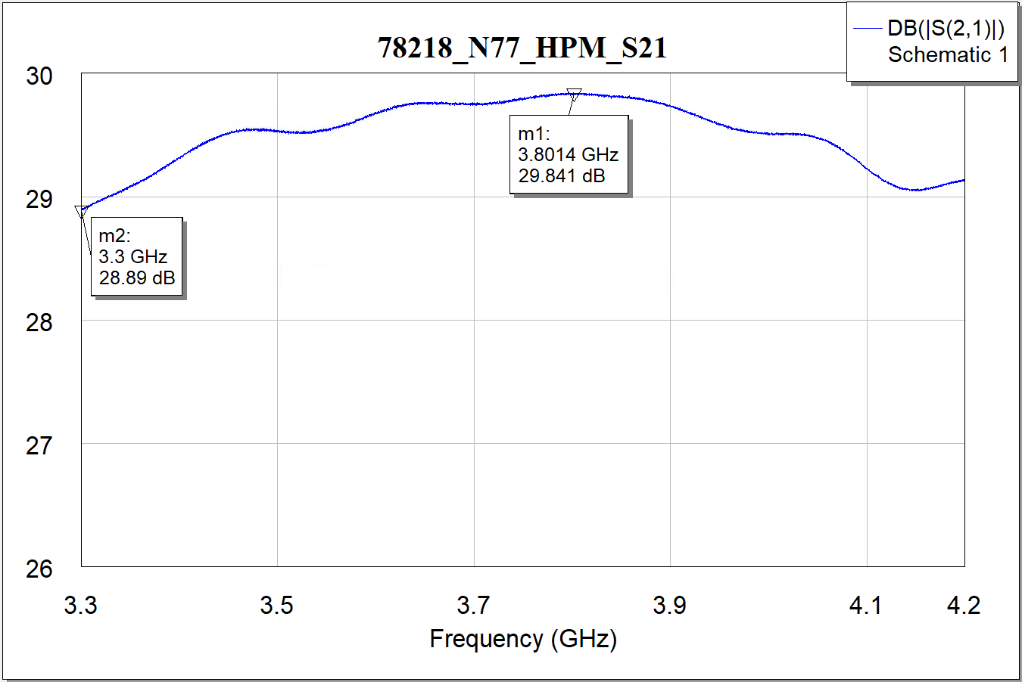
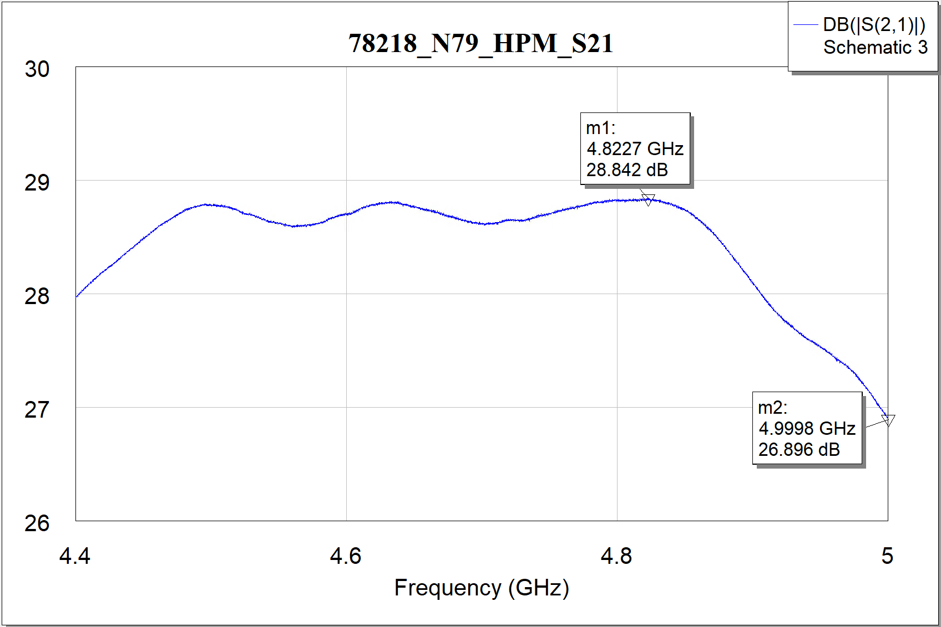
测试项目 | SIP型号 | Band | Start Freq（MHz） | Stop Freq（MHz） | 自动化测试 |  |  | 手动测试 |  |  | Datasheet
 |  |  |  |  | Max Gain（dB） | Min Gain（dB） | 自动化Droop（dB） | Max Gain（dB） | Min Gain（dB） | 手动Droop（dB） | Max Gain（dB） | Min Gain（dB） | 厂家Droop（dB）
TX_PA Droop | QM77055 | B8 | 880 | 915 | 27.65 | 26.6 | 1.04 | 27.45 | 26.38 | 1.07 | 27.31 | 26.50
TX_PA Droop | QM77055 | B12 | 699 | 716 | 26.7 | 25.35 | 1.34 | 26.65 | 25.33 | 1.32 | 26.23 | 25.30
TX_PA Droop | QM77055 | B20 | 832 | 862 | 28.89 | 28.17 | 0.72 | 28.74 | 28.04 | 0.69 | 28.57 | 27.60
TX_PA Droop | QM77055 | B26 | 814 | 849 | 28.8 | 27.88 | 0.92 | 28.68 | 27.78 | 0.90 | 28.56 | 27.50
TX_PA Droop | QM77055 | B28A | 703 | 733 | 27.48 | 25.22 | 2.25 | 27.43 | 25.22 | 2.22 | 27.02 | 25.20
TX_PA Droop | QM77048 | B1 | 1920 | 1980 | 27.41 | 26.43 | 0.98 | 27.46 | 26.42 | 1.05 | 28.27 | 27.58
TX_PA Droop | QM77048 | B34 | 2010 | 2025 | 26.77 | 26.51 | 0.26 | 26.74 | 26.51 | 0.23 | 28.06 | 27.81
TX_PA Droop | QM77048 | B3 | 1710 | 1785 | 26.96 | 24.76 | 2.2 | 27.07 | 24.95 | 2.12 | 27.68 | 25.58
TX_PA Droop | QM77048 | B39 | 1880 | 1920 | 27.85 | 27.61 | 0.24 | 27.91 | 27.68 | 0.23 | 29.04 | 28.55
TX_PA Droop | QM77048 | B7 | 2500 | 2570 | 27.65 | 26.41 | 1.24 | 27.59 | 26.40 | 1.19 | 29.62 | 28.37
TX_PA Droop | QM77048 | B41 | 2496 | 2690 | 28.47 | 26.18 | 2.29 | 28.33 | 26.05 | 2.27 | 30.67 | 28.02
TX_PA Droop | QM77048 | B40 | 2300 | 2400 | 28.52 | 27.61 | 0.9 | 28.45 | 27.58 | 0.87 | 30.64 | 29.27
TX_PA Droop | QM77048 | B41_PC2 | 2496 | 2690 | 28.62 | 26.37 | 2.25 | 28.34 | 26 | 2.34 | / | / | /
TX_PA Droop | QM77048 | B40_PC2 | 2300 | 2400 | 28.61 | 27.73 | 0.88 | 28.38 | 27.51 | 0.87 | / | / | /
TX_PA Droop | VC7535-88 | n77 | 3300 | 4200 | 28.96 | 28.10 |  | 28.57 | 27.71 |  | 29.18 | 28.65
TX_PA Droop | VC7535-88 | n79 | 4400 | 5000 | 28.46 | 27.77 |  | 28.24 | 27.57 |  | 29.03 | 27.95
TX_PA Droop | QM78318 | n77 | 3300 | 4200 | 29.85 | 28.88 |  | 29.84 | 28.89 |  | 31.80 | 30.40
TX_PA Droop | QM78318 | n79 | 4400 | 5000 | 28.86 | 26.90 |  | 28.84 | 26.90 |  | 30.80 | 29.30
TX_PA Droop | QM78218 | n77 | 3300 | 4200 | 31.45 | 27.19 | 4.26 | 30.91 | 26.92 |  | 33.68 | 29.59
TX_PA Droop | QM78218 | n79 | 4400 | 5000 | 28.85 | 26.85 | 1.99 | 28.53 | 26.53 |  | 31.51 | 29.58

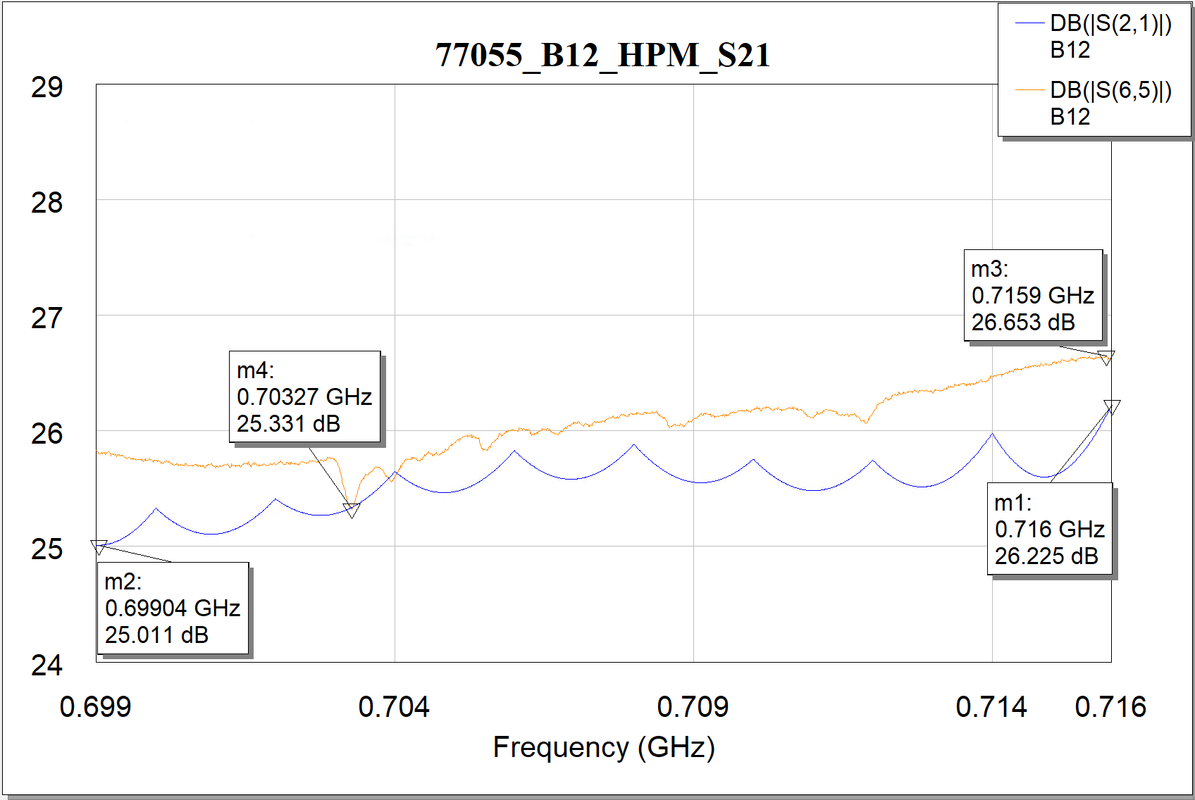
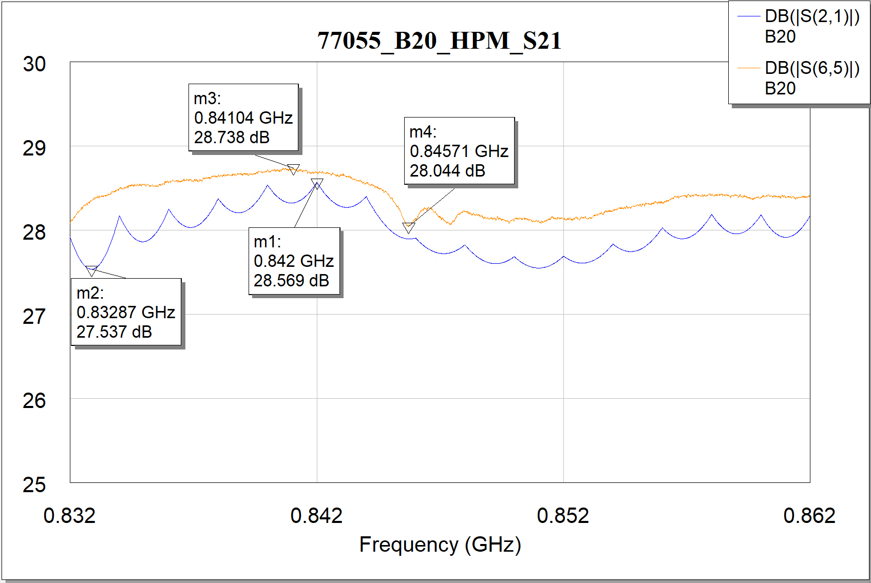
蓝色厂家数据，粉色自测数据
77055
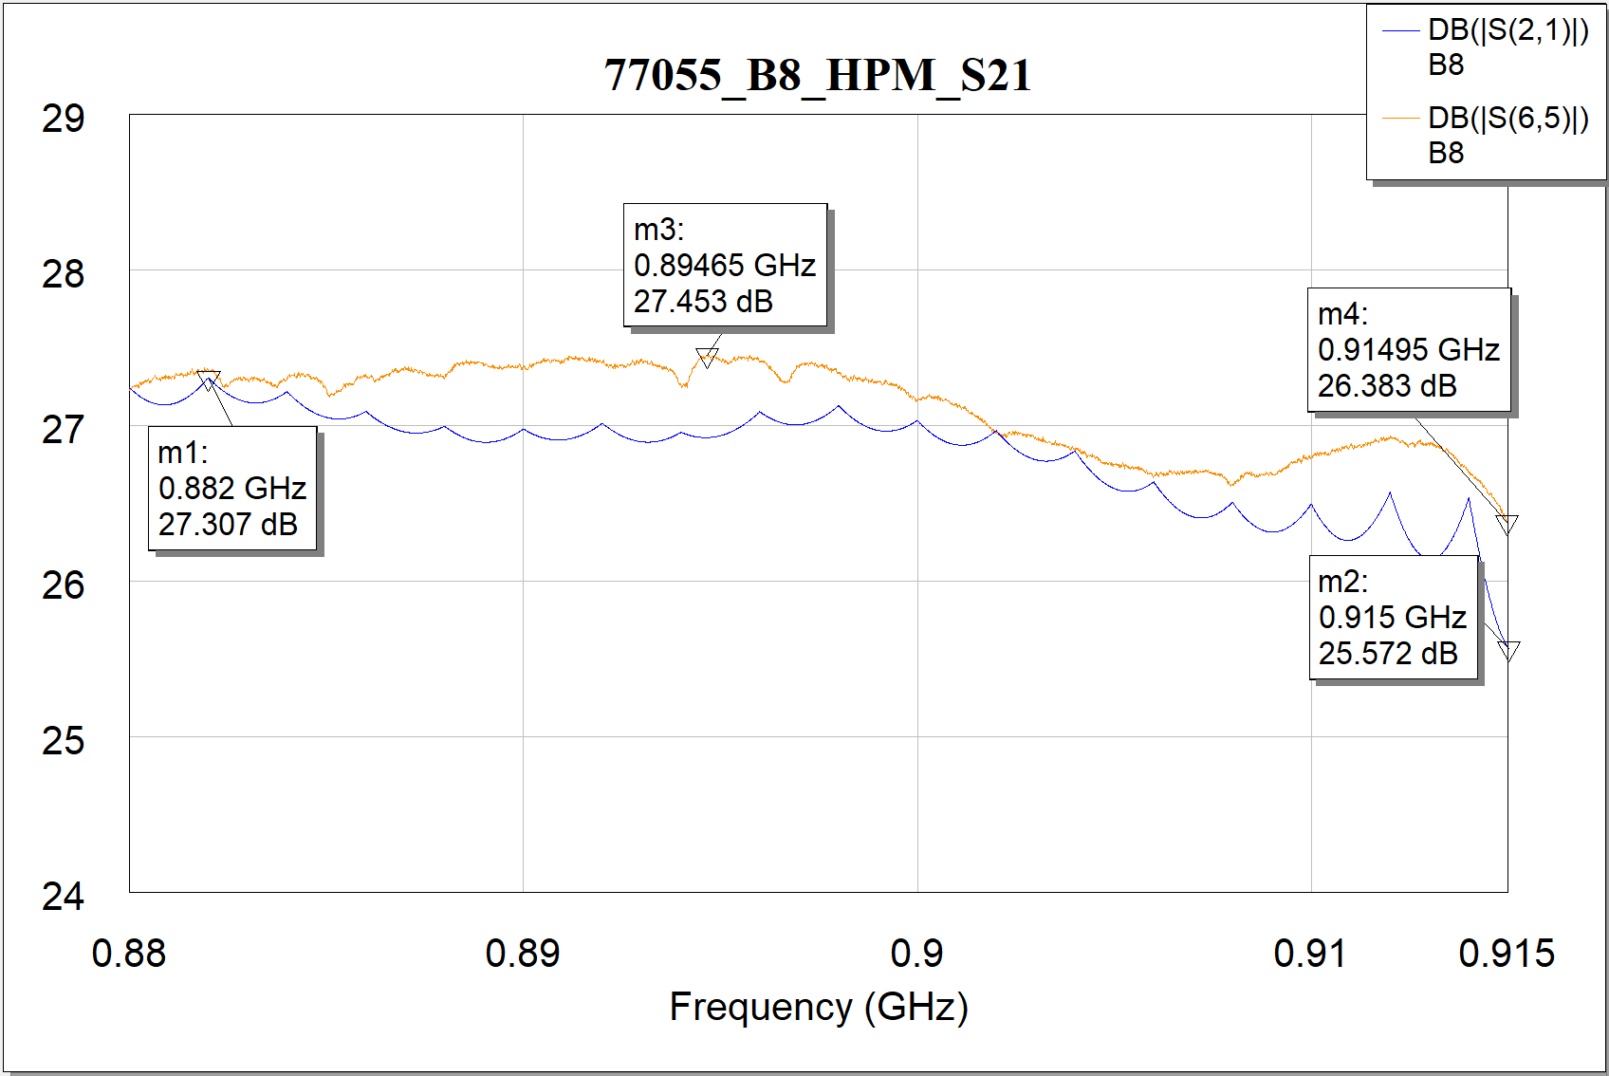

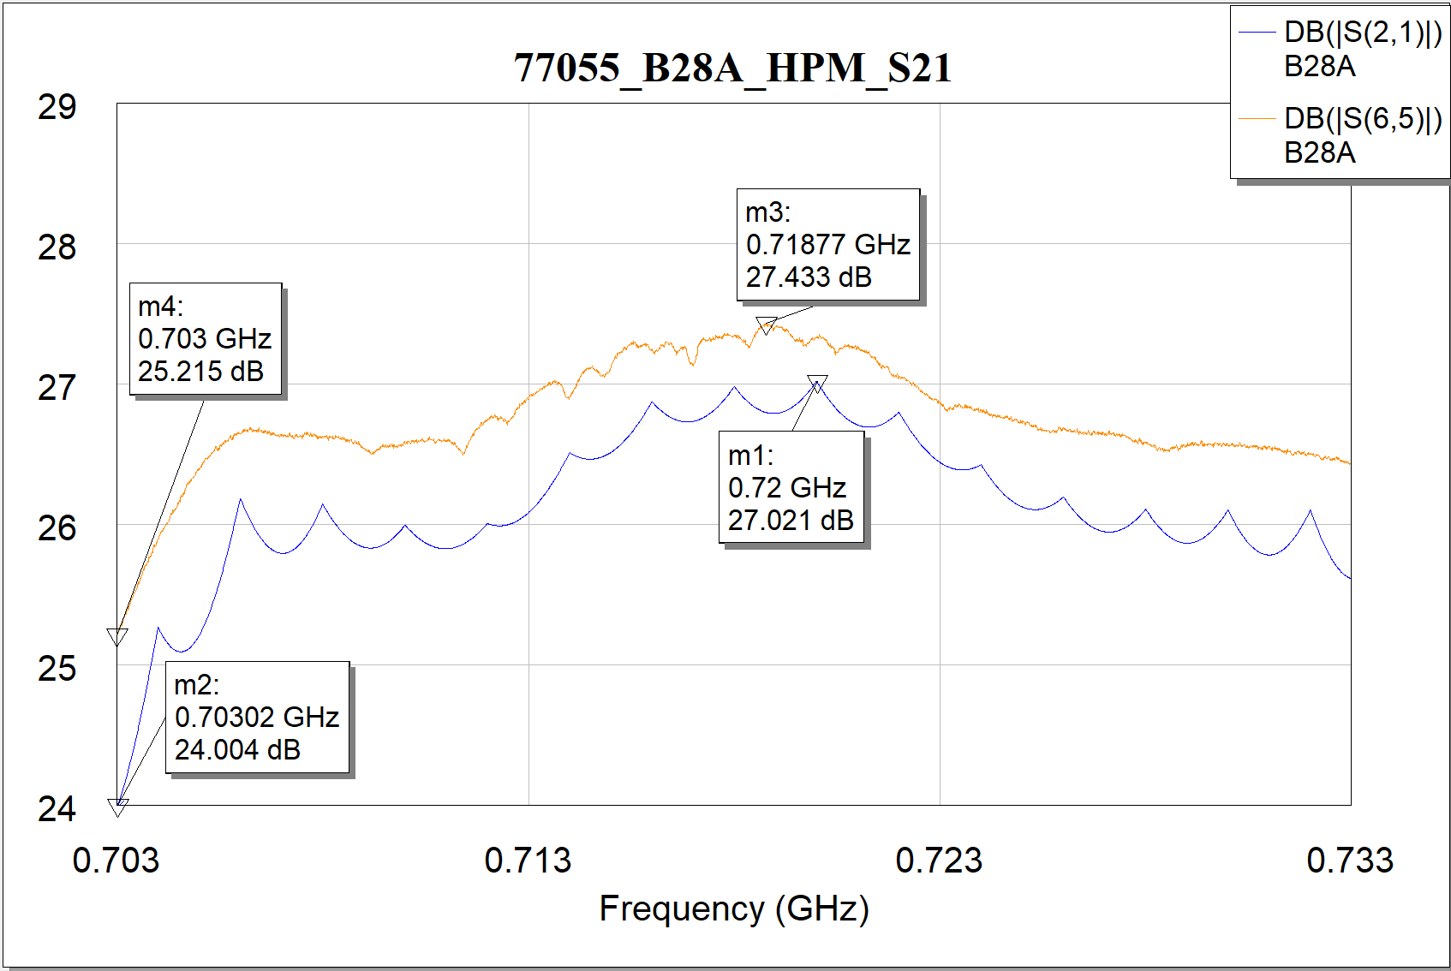
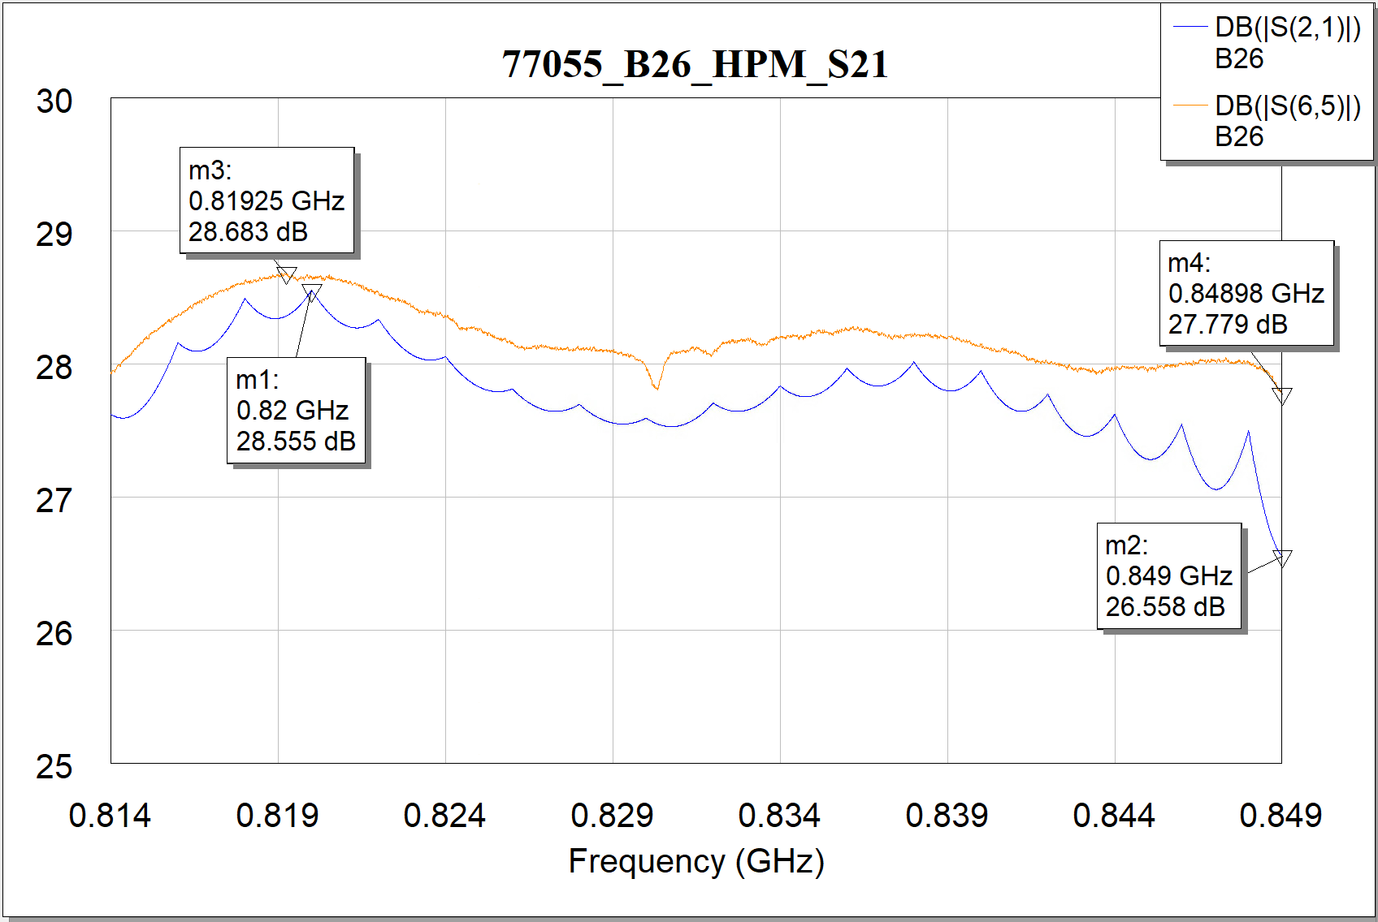

蓝色厂家数据，粉色自测数据
77048
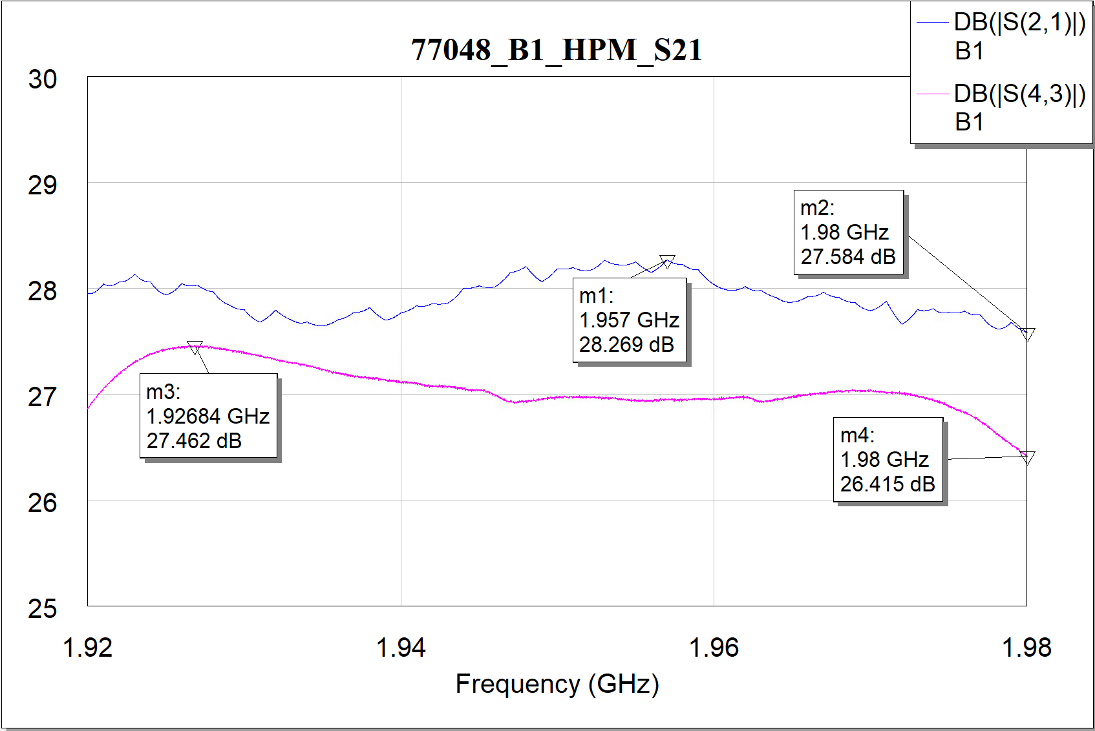
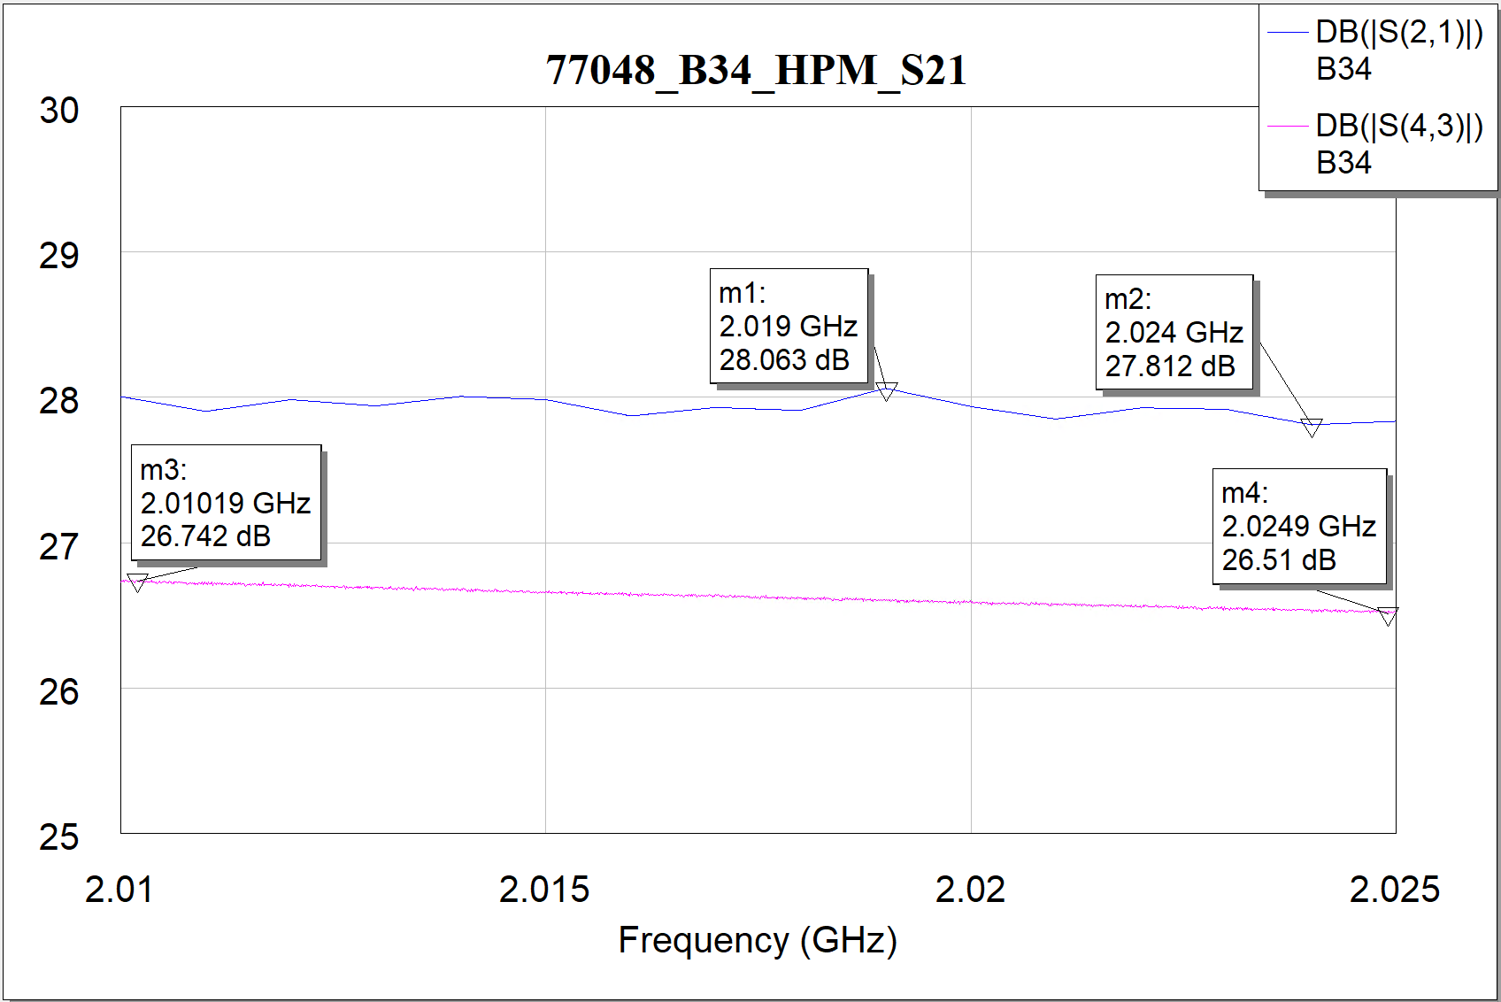
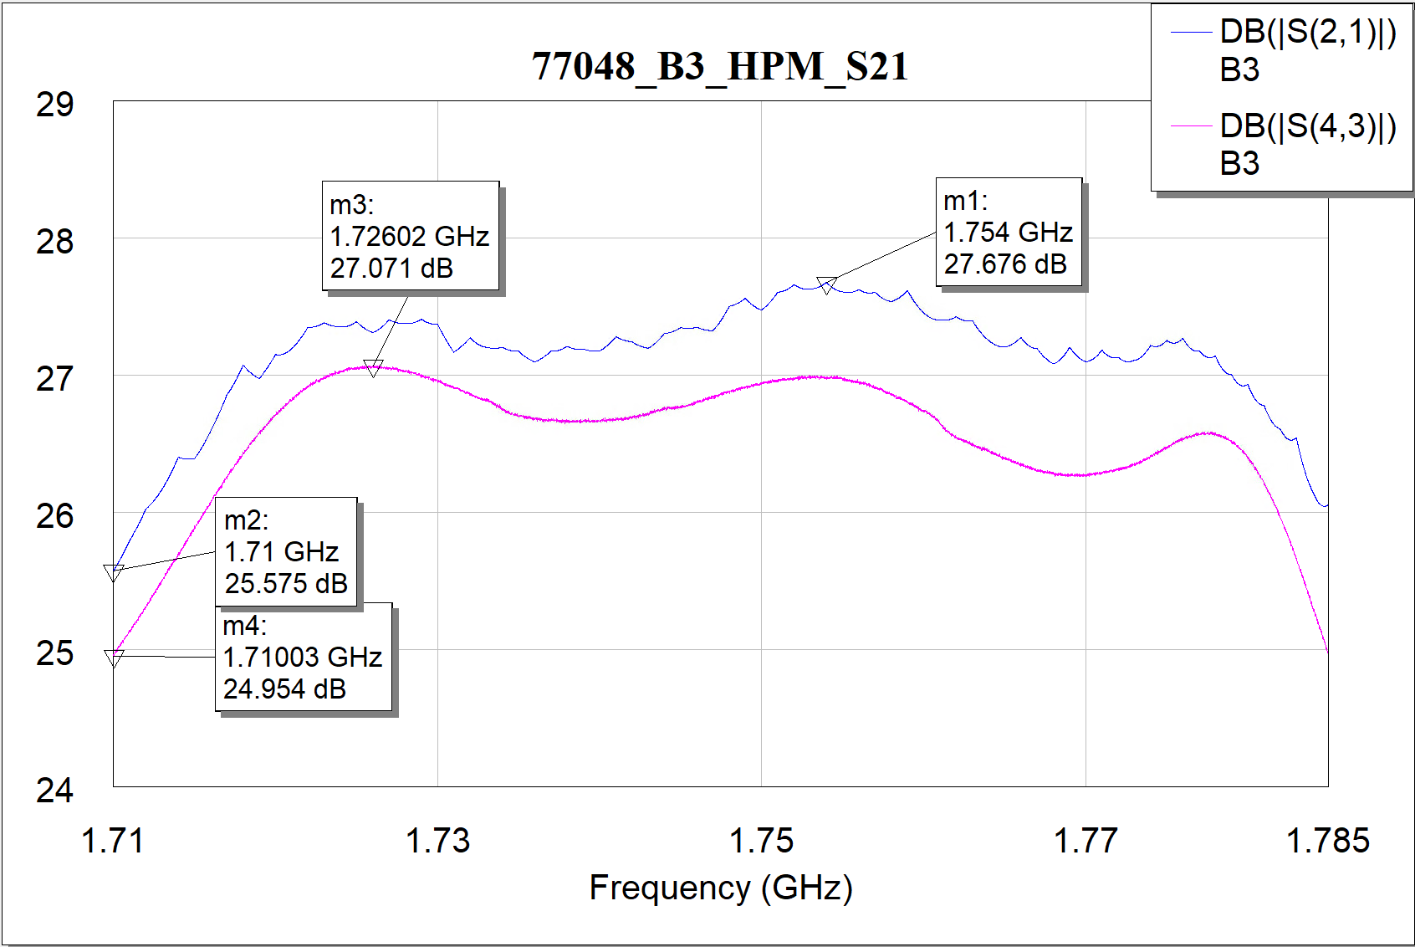
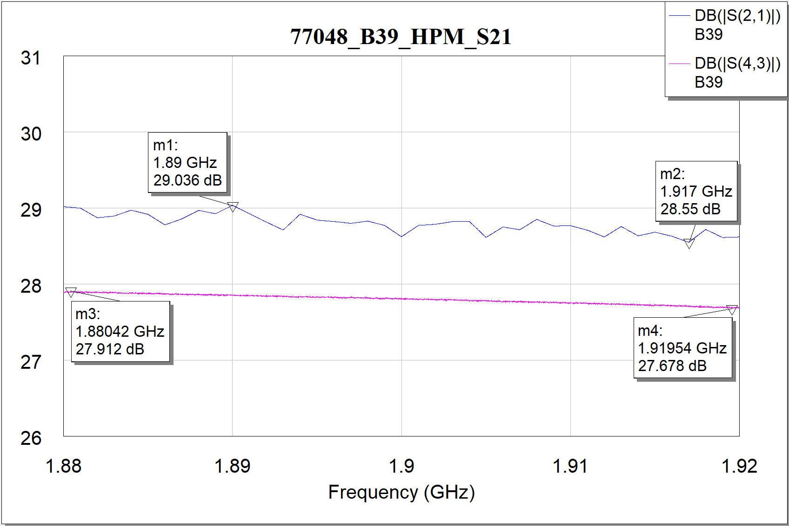

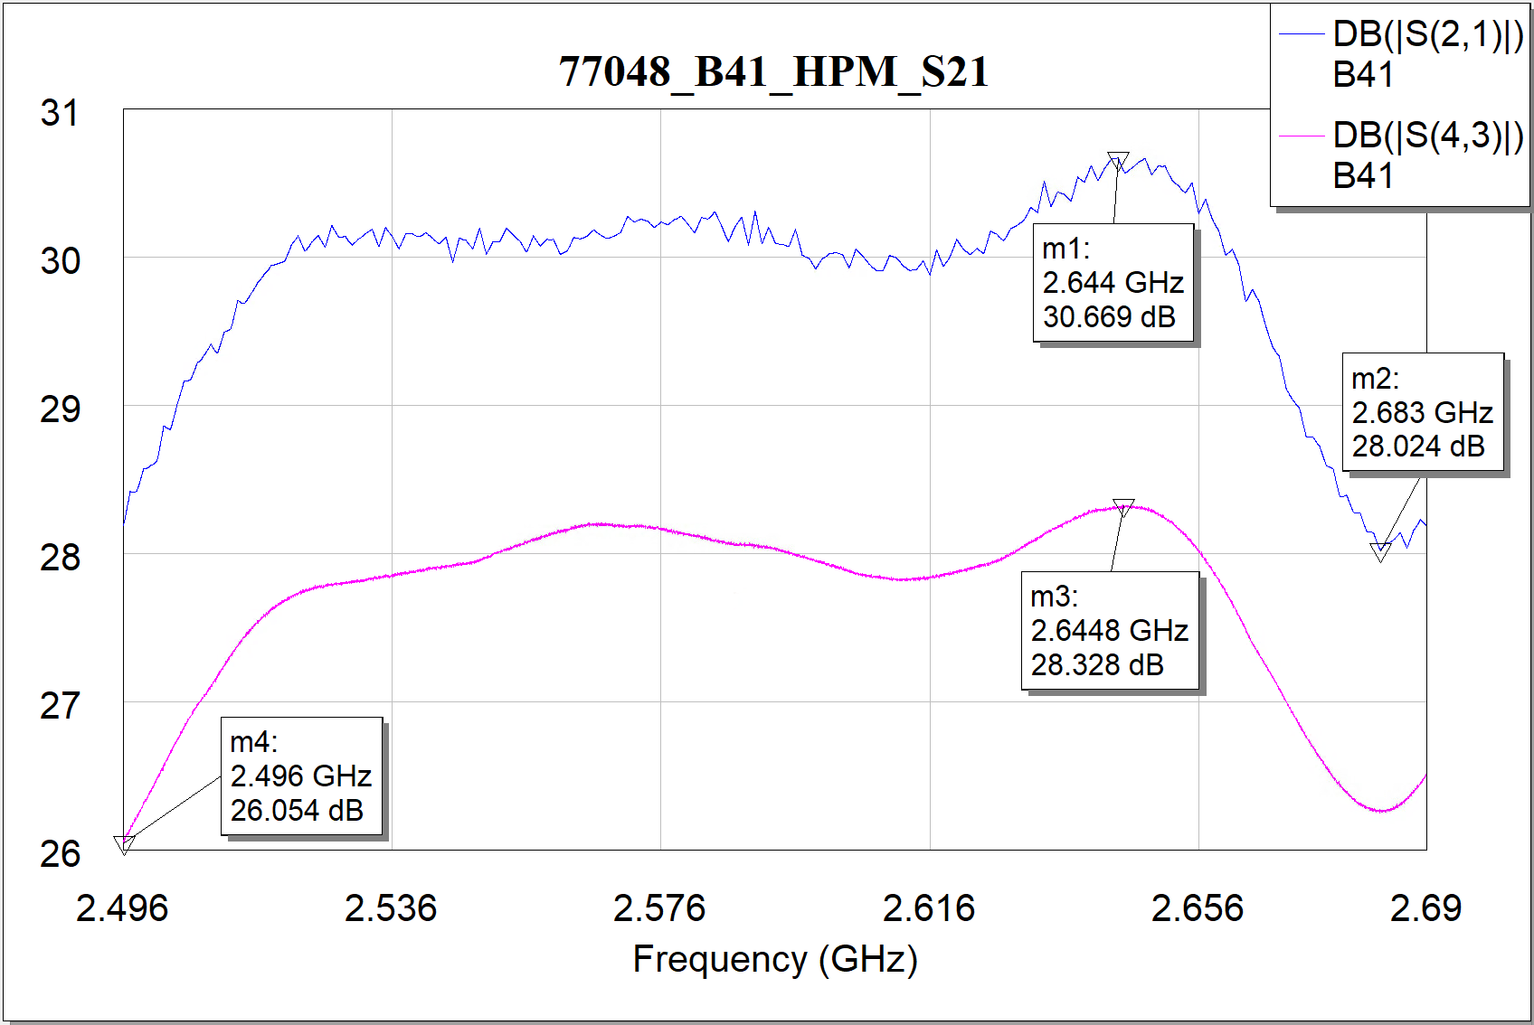
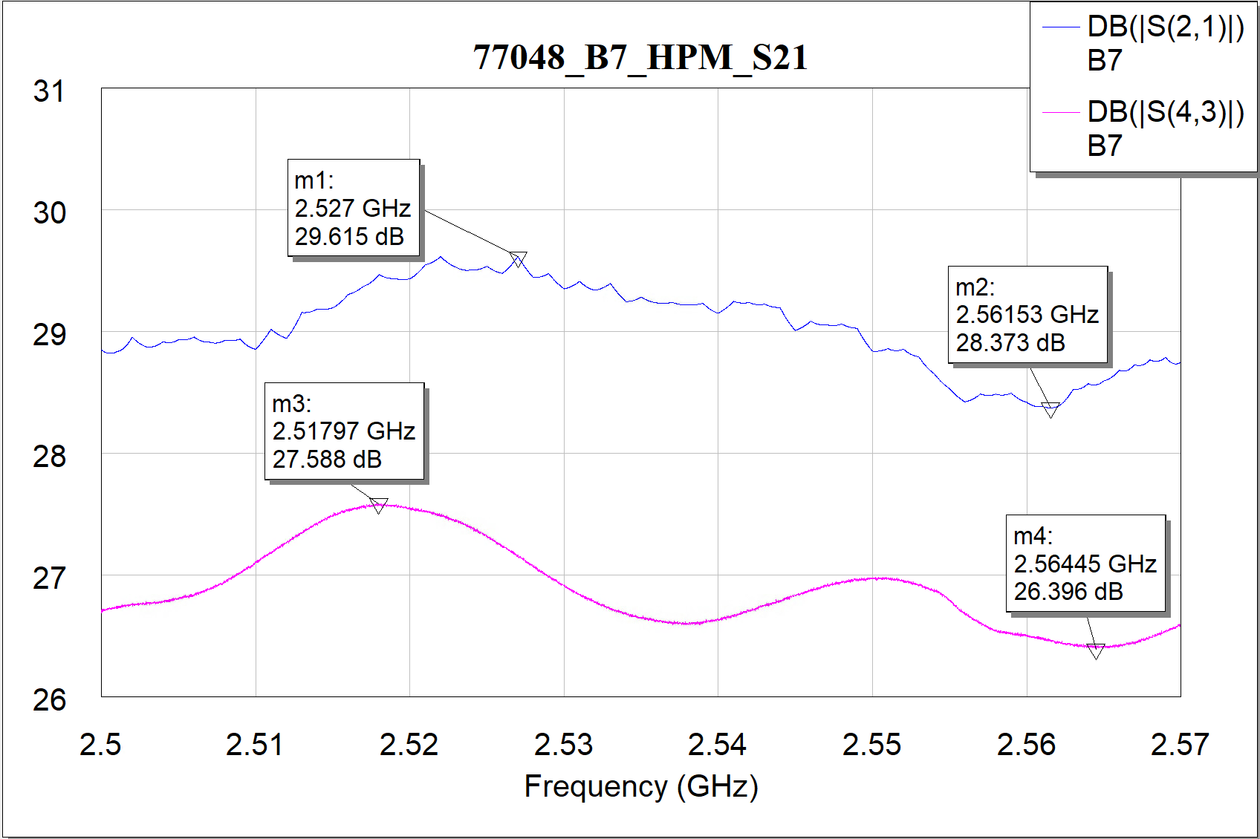
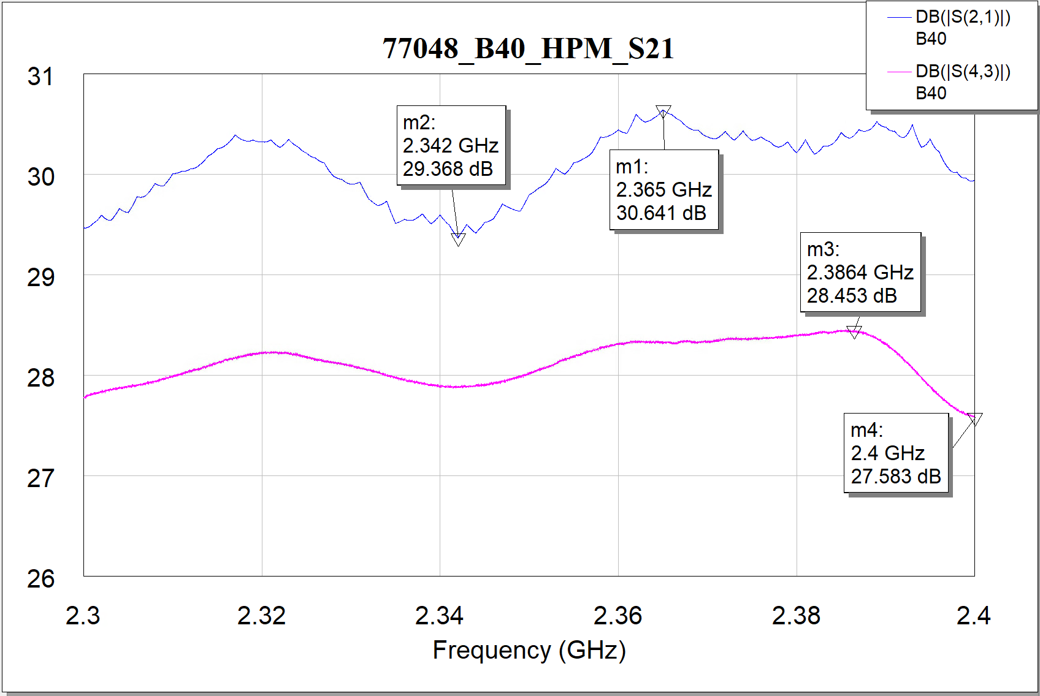

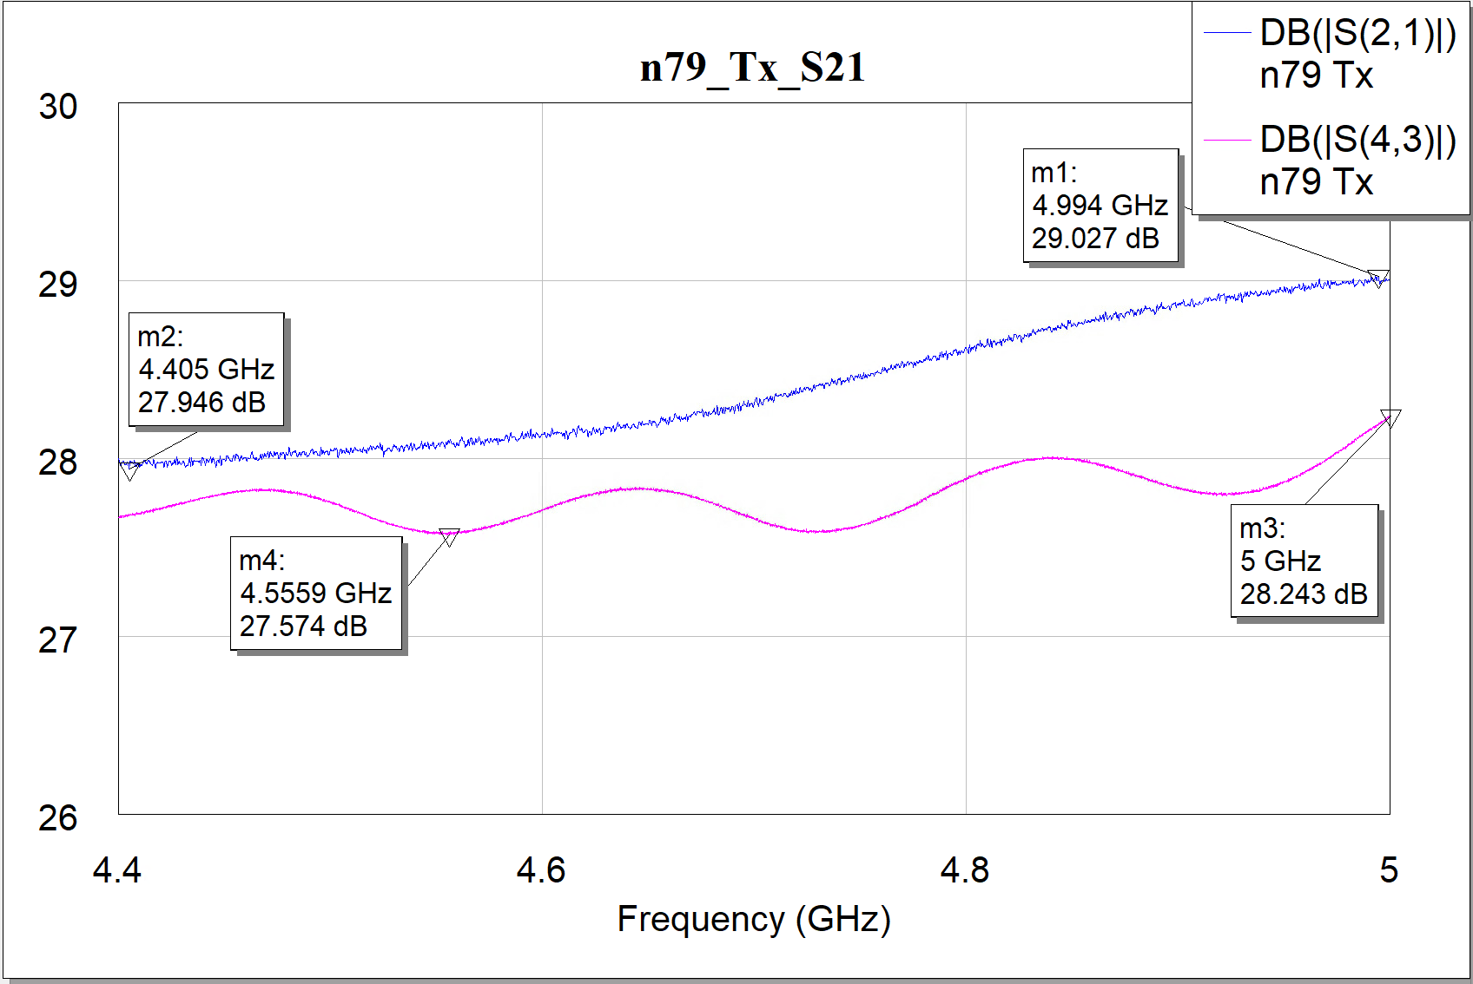
蓝色厂家数据，粉色自测数据
7535-88
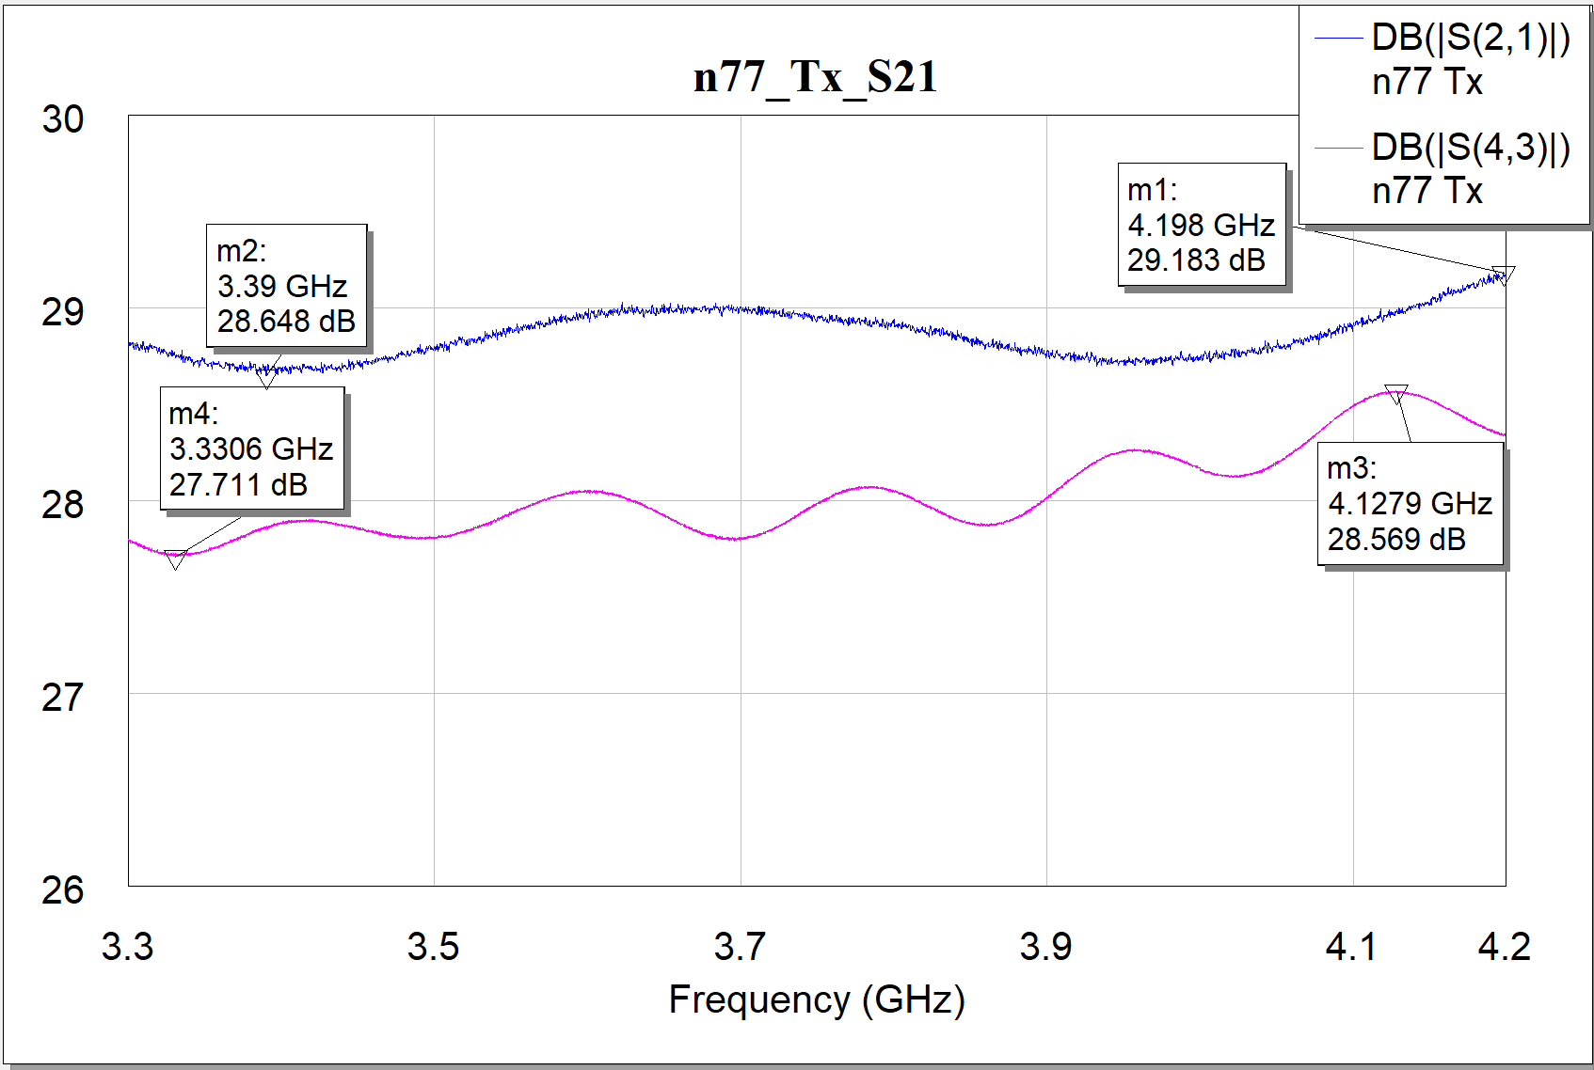

蓝色厂家数据，粉色自测数据
78318

Rx-LNA Droop
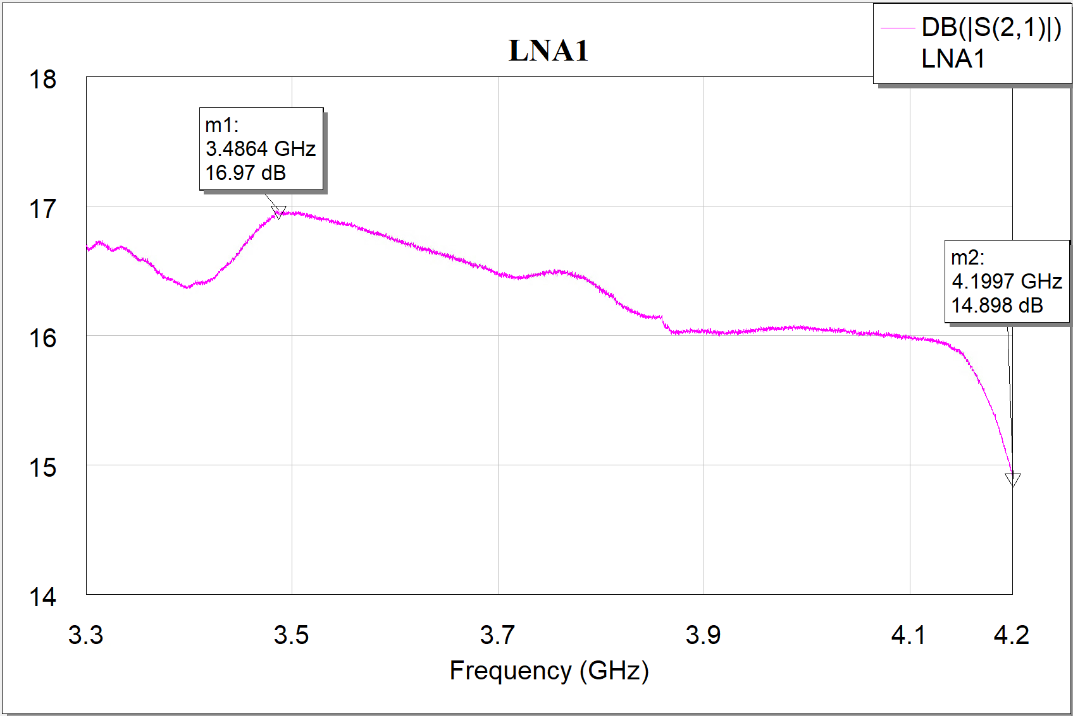
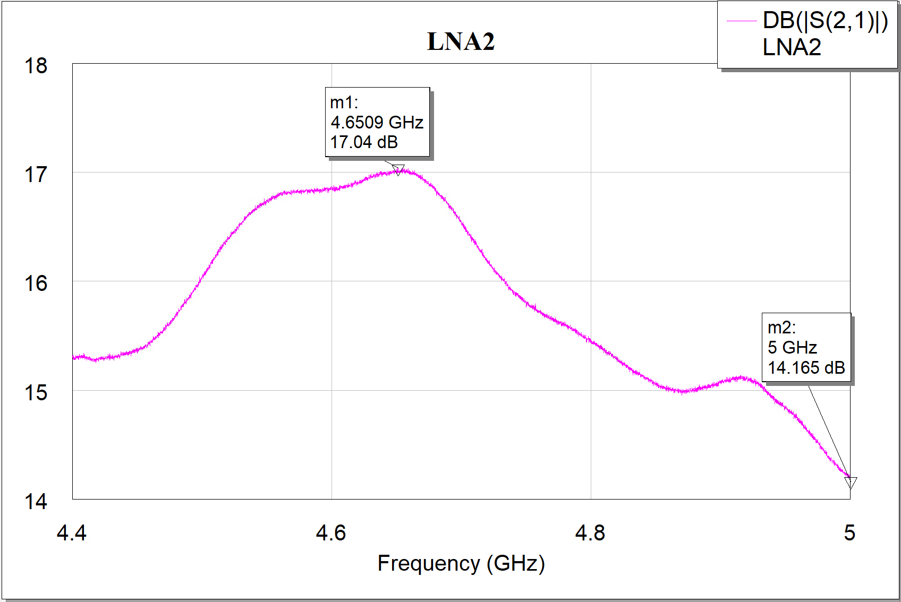
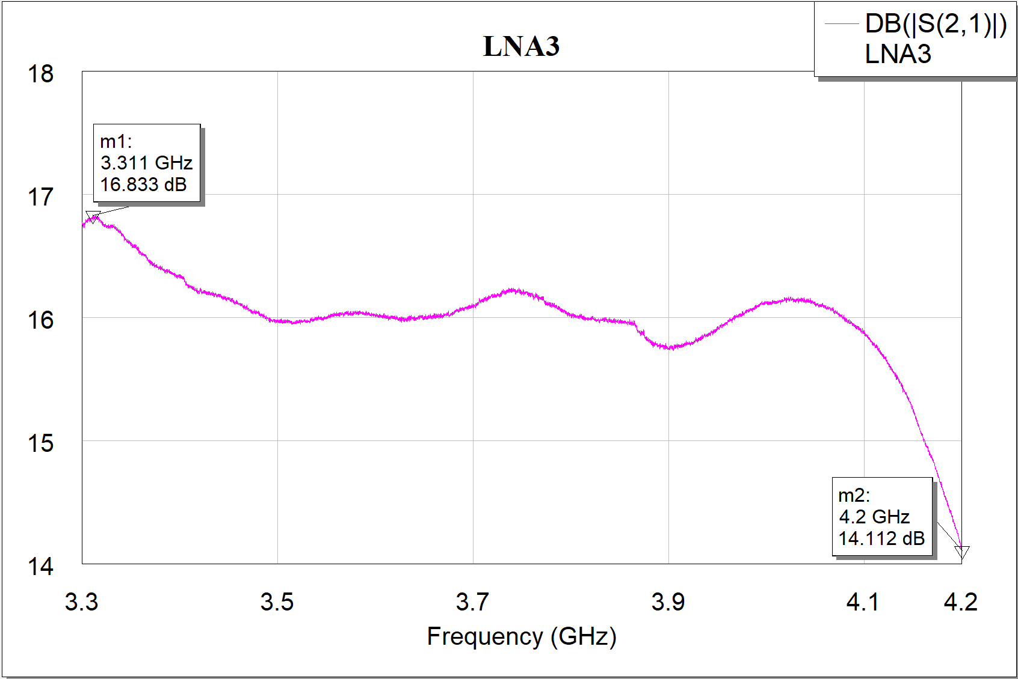
测试项目 | SIP型号 | Band | Start Freq（MHz） | Stop Freq（MHz） | 自动化测试 |  |  | 手动测试 |  |  | 厂家测试
 |  |  |  |  | Max Gain（dB） | Min Gain（dB） | 自动化Droop（dB） | Max Gain（dB） | Min Gain（dB） | 手动Droop（dB） | Max Gain（dB） | Min Gain（dB） | 厂家Droop（dB）
RX_LNA Droop | QM77055 | B8 | 925 | 960 | 12.27 | 11.11 | 1.16 | 12.26 | 11.11 | 1.14 | 11.83 | 10.30
RX_LNA Droop | QM77055 | B12 | 729 | 746 | 12.26 | 11.49 | 0.77 | 12.26 | 11.51 | 0.75 | 12.44 | 11.70
RX_LNA Droop | QM77055 | B20 | 791 | 821 | 13.34 | 11.98 | 1.36 | 13.33 | 11.99 | 1.35 | 13.38 | 12.20
RX_LNA Droop | QM77055 | B26 | 859 | 894 | 13.09 | 12.17 | 0.92 | 13.12 | 12.18 | 0.94 | 13.11 | 12.40
RX_LNA Droop | QM77055 | B28A | 758 | 788 | 12.6 | 11.68 | 0.91 | 12.63 | 11.70 | 0.93 | 12.38 | 11.60
RX_LNA Droop | QM77048 | B1 | 2110 | 2170 | 14.43 | 14.11 | 0.32 | 14.41 | 14.10 |  | 15.52 | 15.18
RX_LNA Droop | QM77048 | B34 | 2010 | 2025 | 13.68 | 13.16 | 0.52 | 13.67 | 13.16 |  | 14.63 | 14.21
RX_LNA Droop | QM77048 | B3 | 1805 | 1880 | 14.57 | 13.33 | 1.24 | 14.55 | 13.32 |  | 16.20 | 14.63
RX_LNA Droop | QM77048 | B39 | 1880 | 1920 | 14.36 | 13.8 | 0.56 | 14.35 | 13.80 |  | 15.78 | 15.40
RX_LNA Droop | QM77048 | B7 | 2620 | 2690 | 13.1 | 11.92 | 1.18 | 13.09 | 11.91 |  | 13.84 | 12.33
RX_LNA Droop | QM77048 | B41 | 2496 | 2690 | 11.96 | 10.25 | 1.71 | 11.85 | 10.22 |  | 12.98 | 10.75
RX_LNA Droop | QM77048 | B40 | 2300 | 2400 | 13.31 | 11.59 | 1.72 | 13.28 | 11.55 |  | 15.30 | 13.06
RX_LNA Droop | QM77048 | B40CA | 2300 | 2400 | 14.06 | 11.86 | 2.2 | 14.03 | 11.84 |  | / | / | /
RX_LNA Droop | VC7535-88 | n77-PRX | 3300 | 4200 | 16.65 | 14.31 |  | 16.65 | 14.34 |  | 17.82 | 14.68
RX_LNA Droop | VC7535-88 | n77-DRX | 3300 | 4200 | 17.57 | 15.34 |  | 17.56 | 15.16 |  | 18.28 | 16.47
RX_LNA Droop | VC7535-88 | n79-PRX | 4400 | 5000 | 17.09 | 15.22 |  | 17.09 | 15.33 |  | 17.64 | 15.60
RX_LNA Droop | VC7535-88 | n79-DRX | 4400 | 5000 | 15.83 | 15.01 |  | 15.84 | 15.02 |  | 16.43 | 16.01
RX_LNA Droop | QM78318 | n77-PRX | 3300 | 4200 | 16.98 | 14.89 |  | 16.97 | 14.90 |  | 17.60 | 15.40
RX_LNA Droop | QM78318 | n77-DRX | 3300 | 4200 | 16.85 | 14.09 |  | 16.83 | 14.11 |  | / | / | /
RX_LNA Droop | QM78318 | n79-PRX | 4400 | 5000 | 17.03 | 14.16 |  | 17.04 | 14.17 |  | 17.90 | 15.40
RX_LNA Droop | QM78318 | n79-DRX | 4400 | 5000 | 17.16 | 14.64 |  | 17.15 | 14.65 |  | / | / | /
RX_LNA Droop | QM78218 | n77-PRX | 3300 | 4200 | 17.36 | 14.14 | 3.22 | 17.33 | 14.14 |  | 17.61 | 15.16
RX_LNA Droop | QM78218 | n77-DRX | 3300 | 4200 | 17.24 | 15.60 | 1.63 | 17.25 | 15.62 |  | 18.00 | 16.20
RX_LNA Droop | QM78218 | n79-PRX | 4400 | 5000 | 14.88 | 13.35 | 1.53 | 14.87 | 13.33 |  | 16.77 | 14.20
RX_LNA Droop | QM78218 | n79-DRX | 4400 | 5000 | 15.01 | 11.23 | 3.78 | 15.07 | 11.26 |  | 16.61 | 13.73

蓝色厂家数据，粉色自测数据
77055
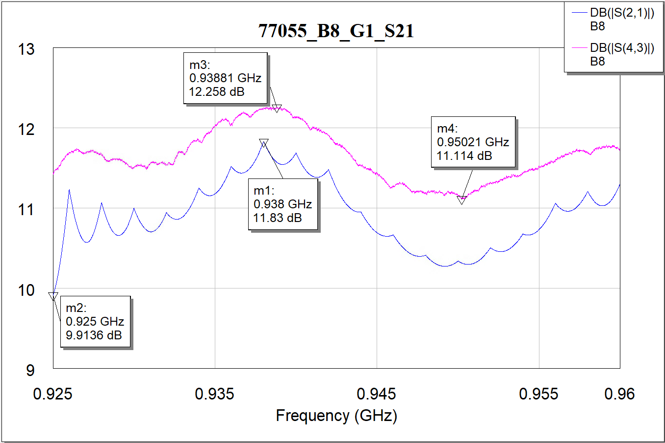
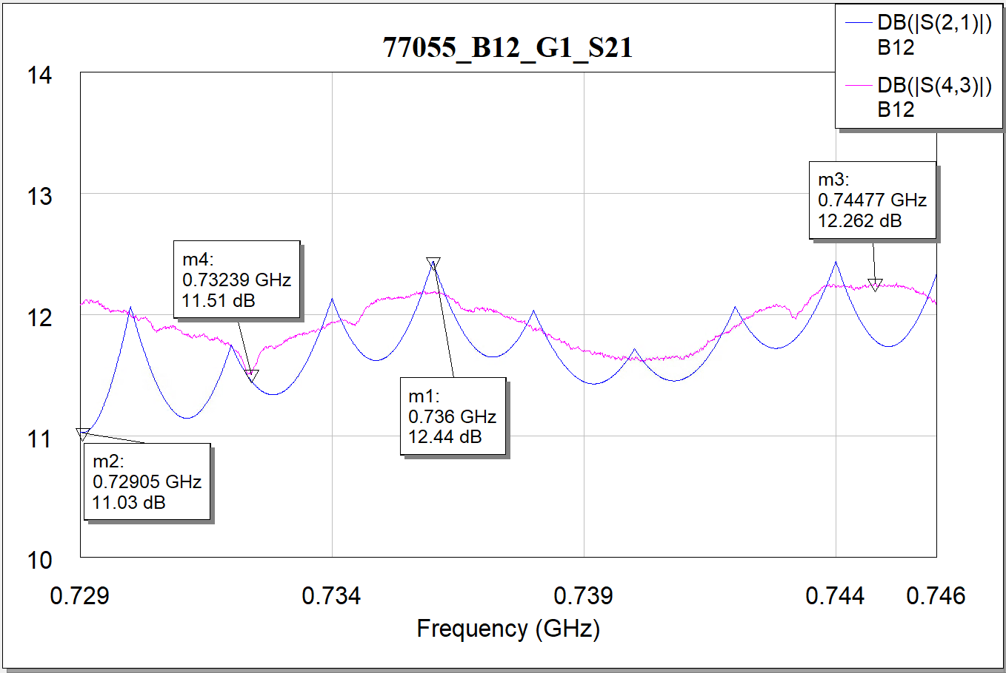
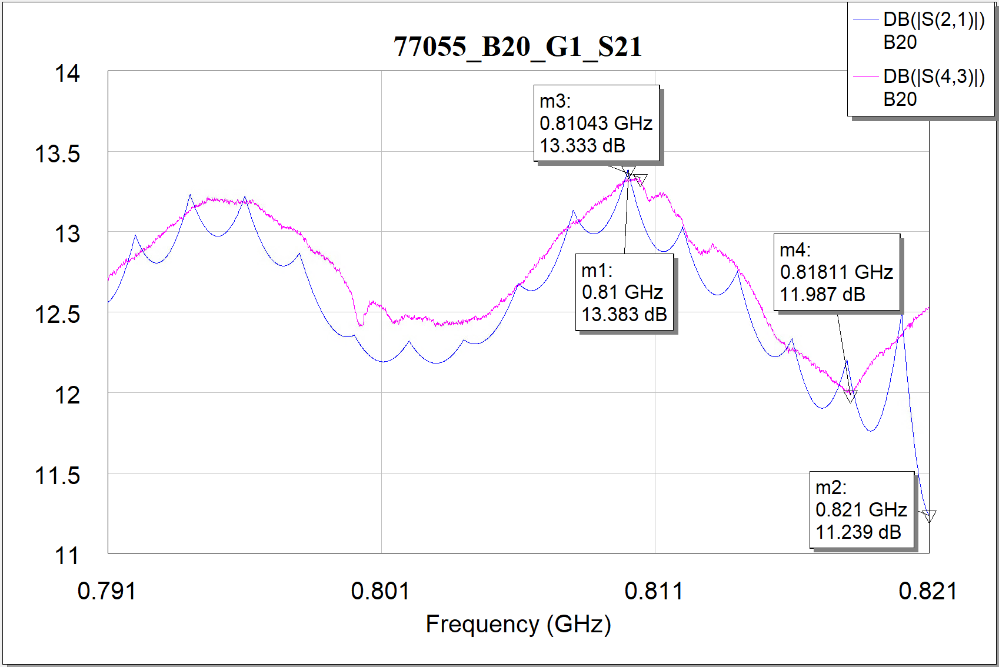

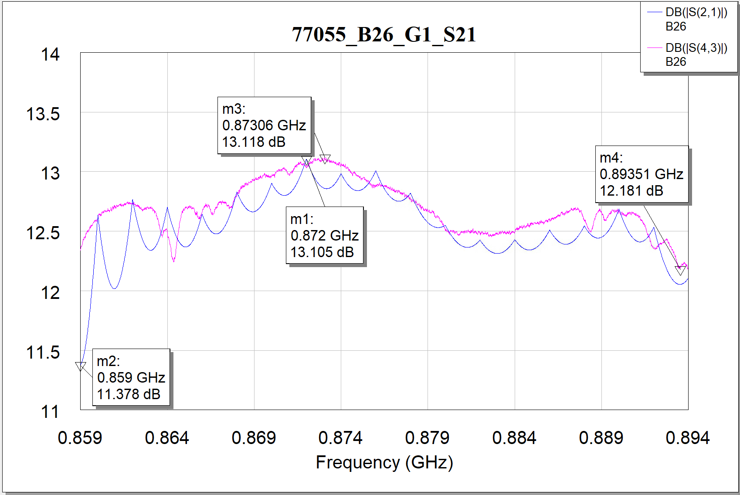
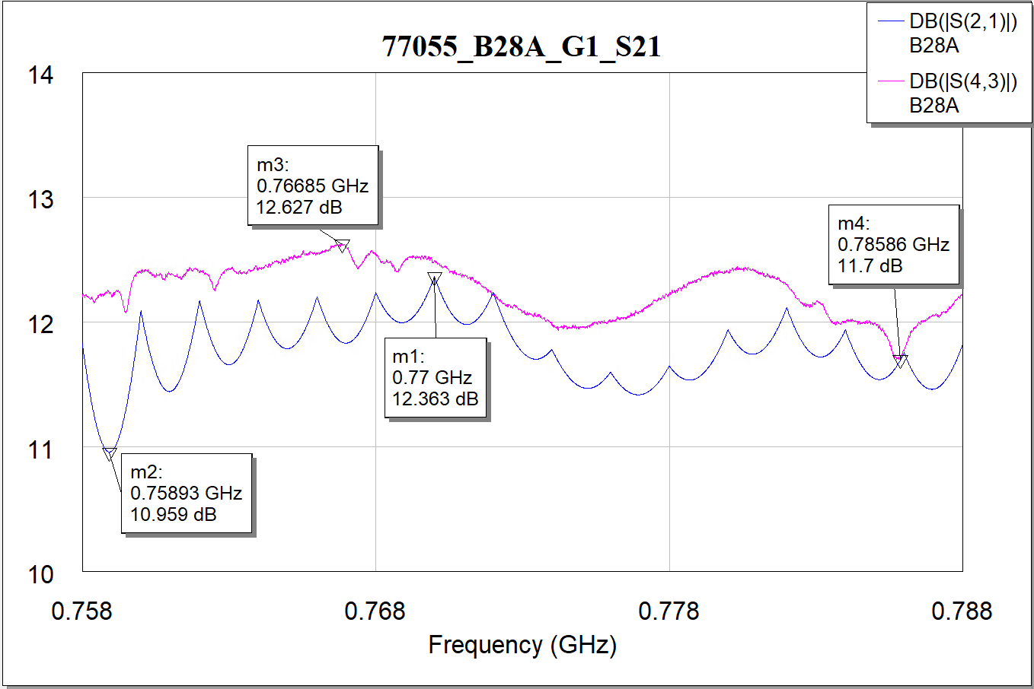

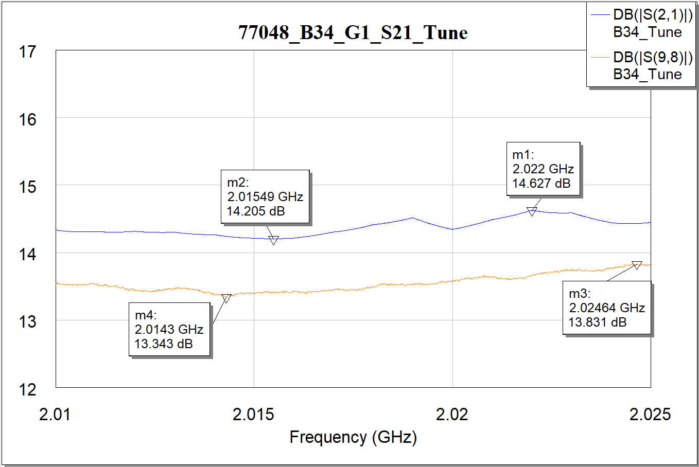
蓝色厂家数据，粉色自测数据
77048
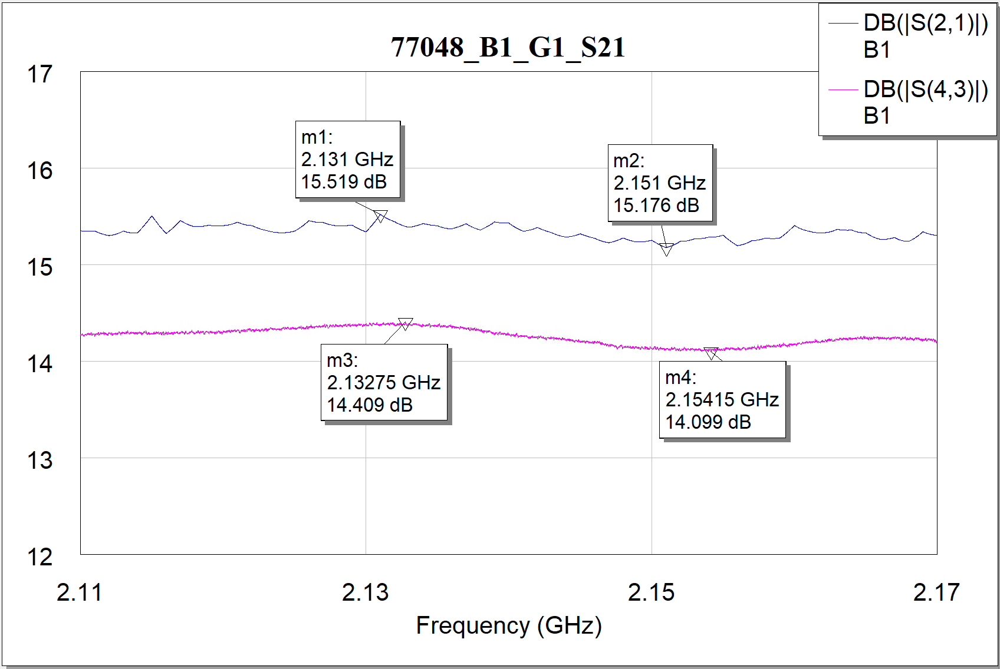
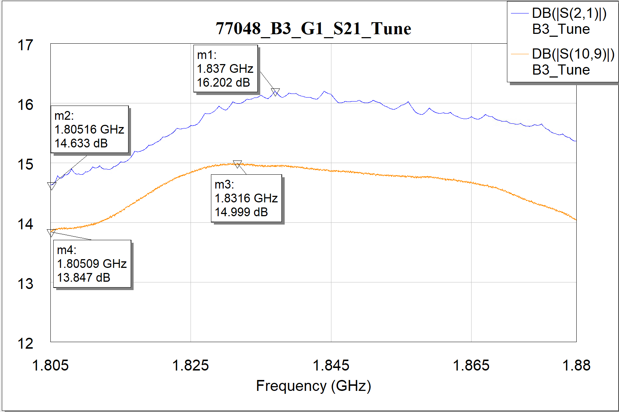
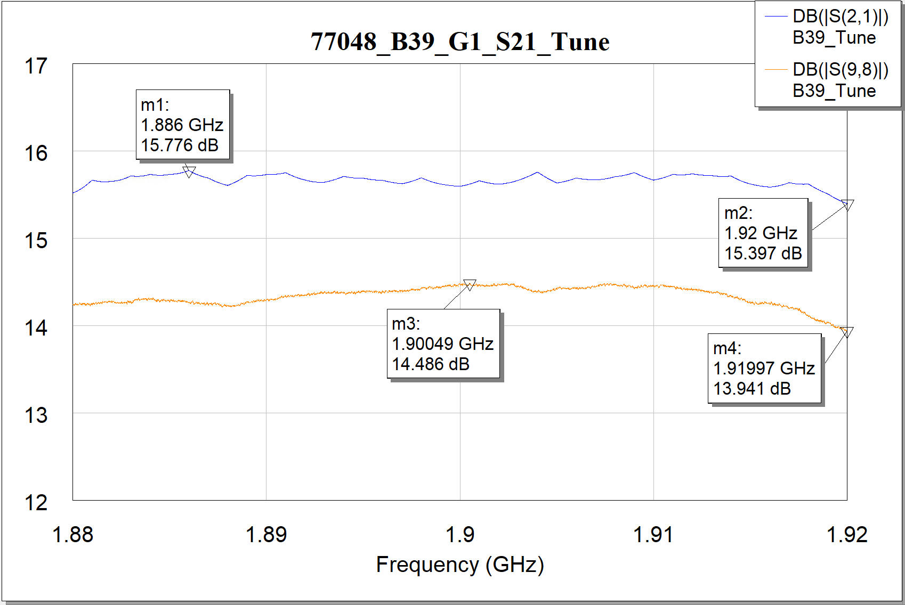

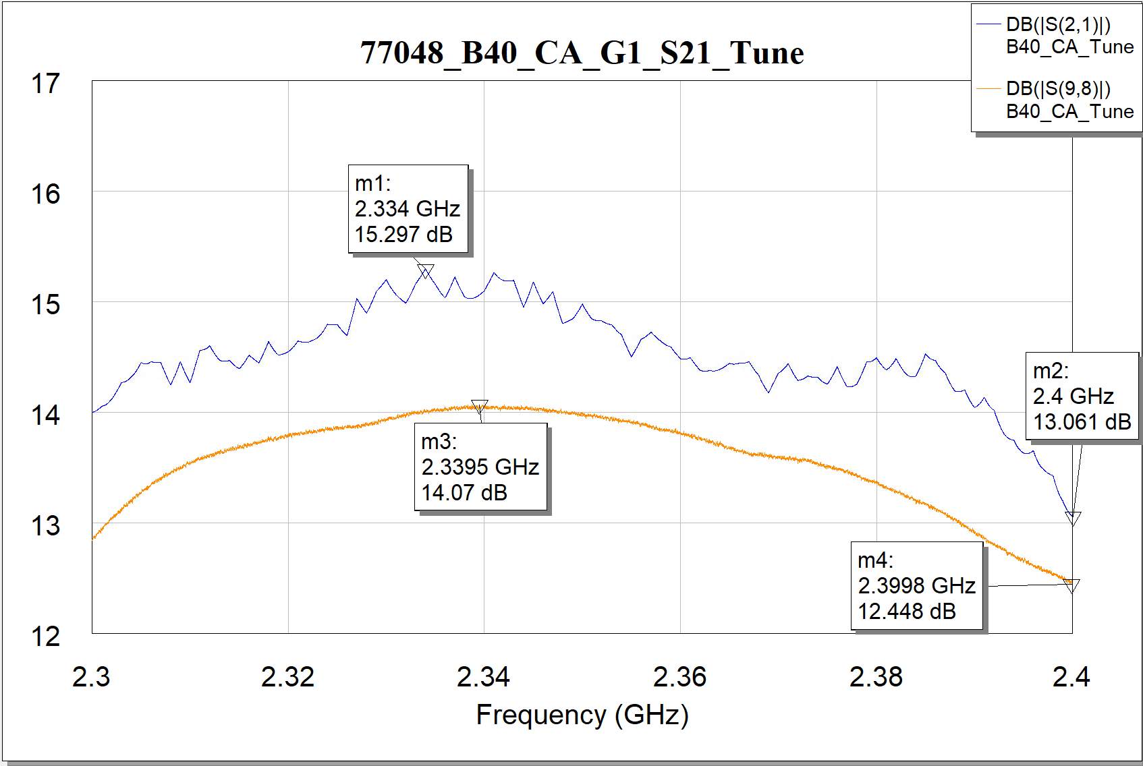
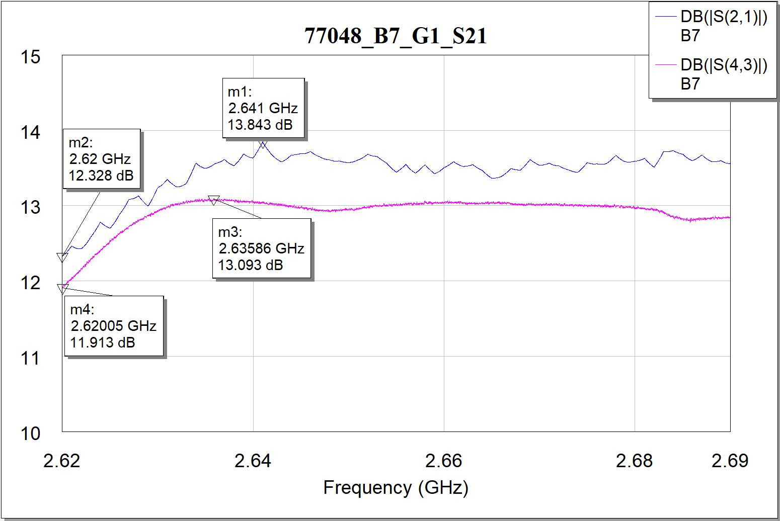
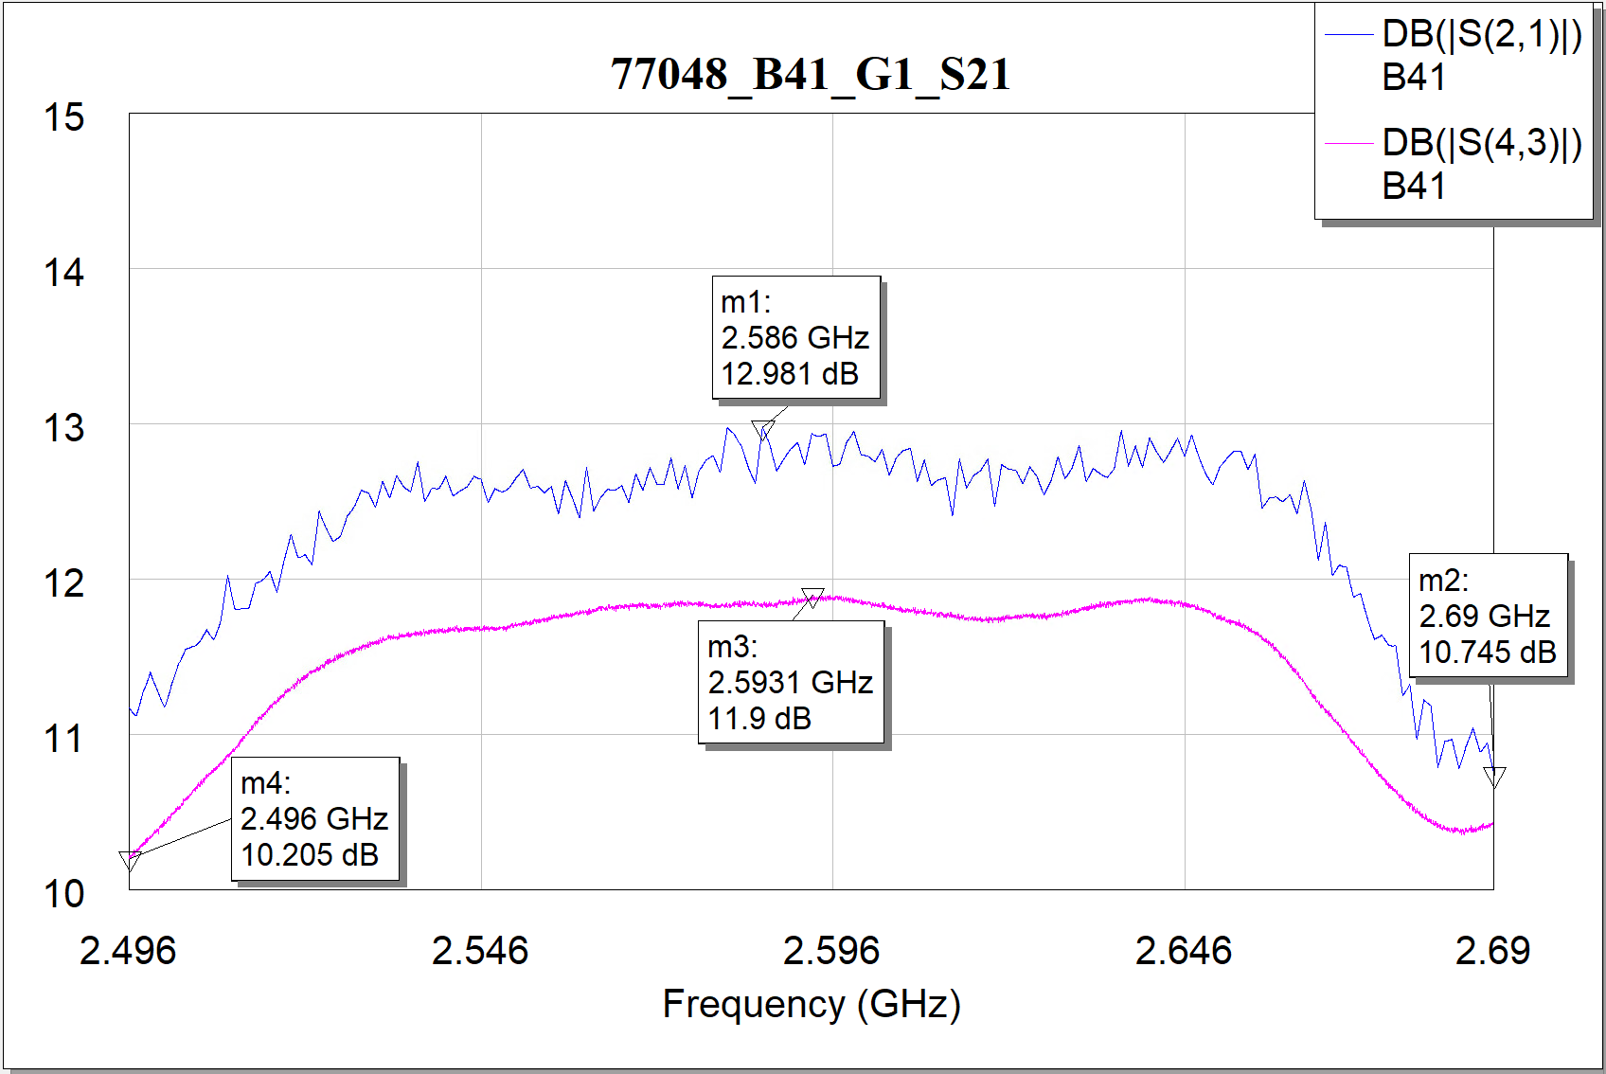

蓝色厂家数据，粉色自测数据
7535-88
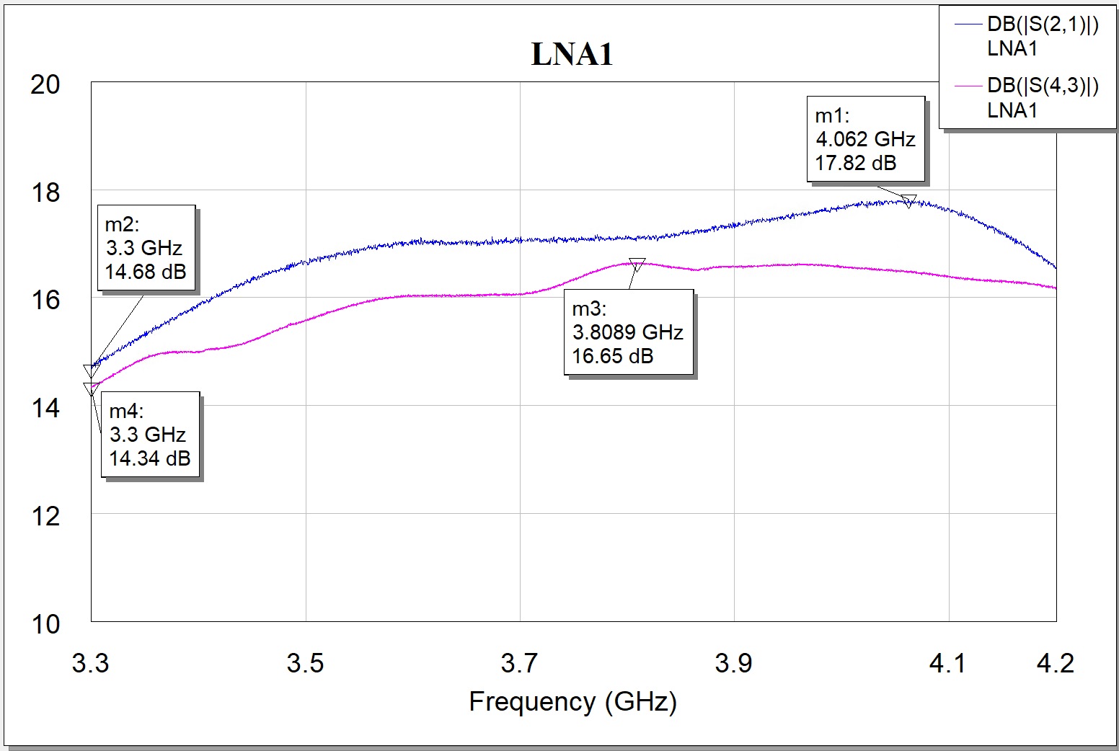
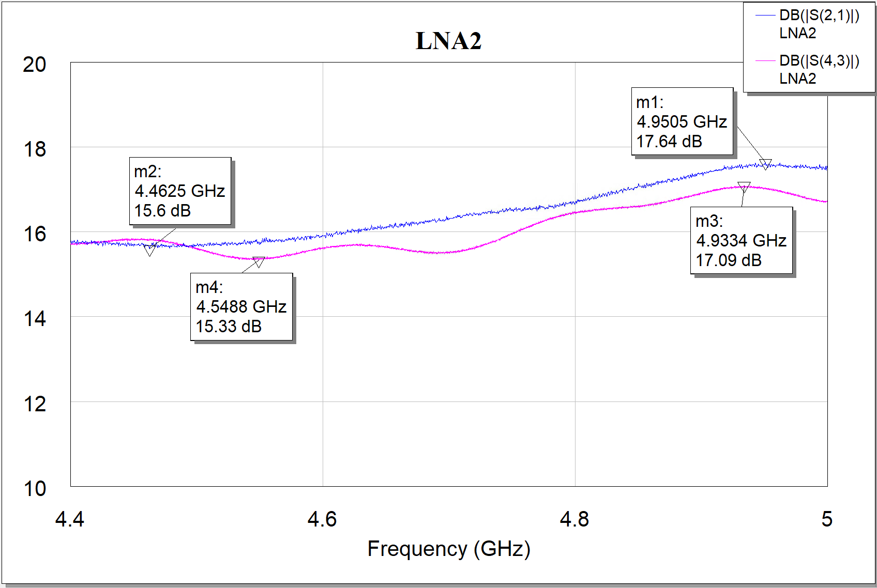
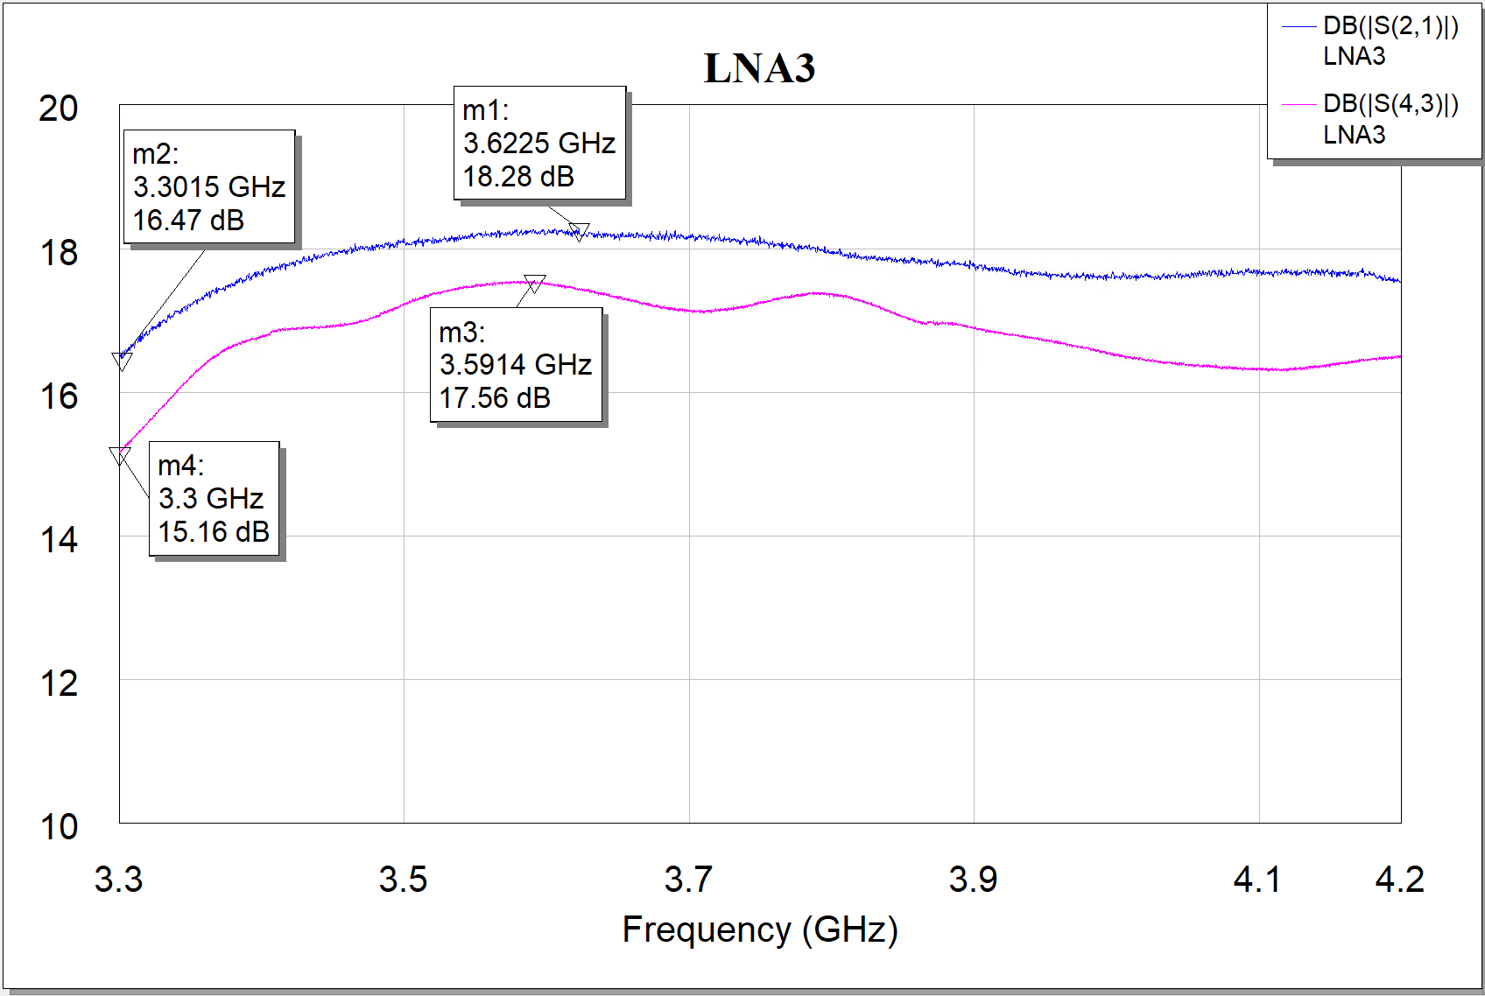
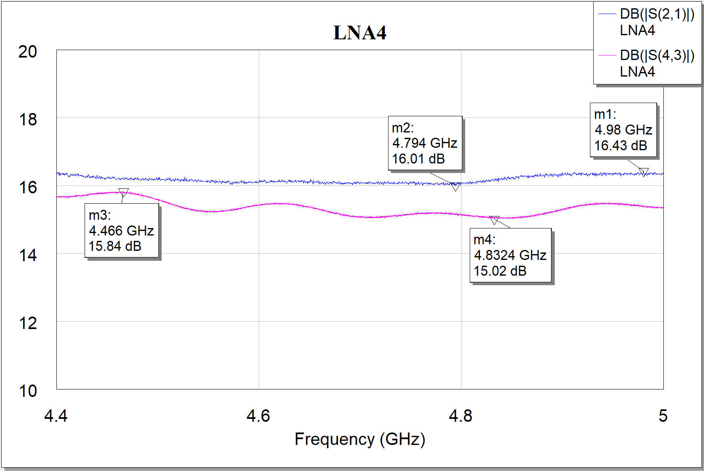

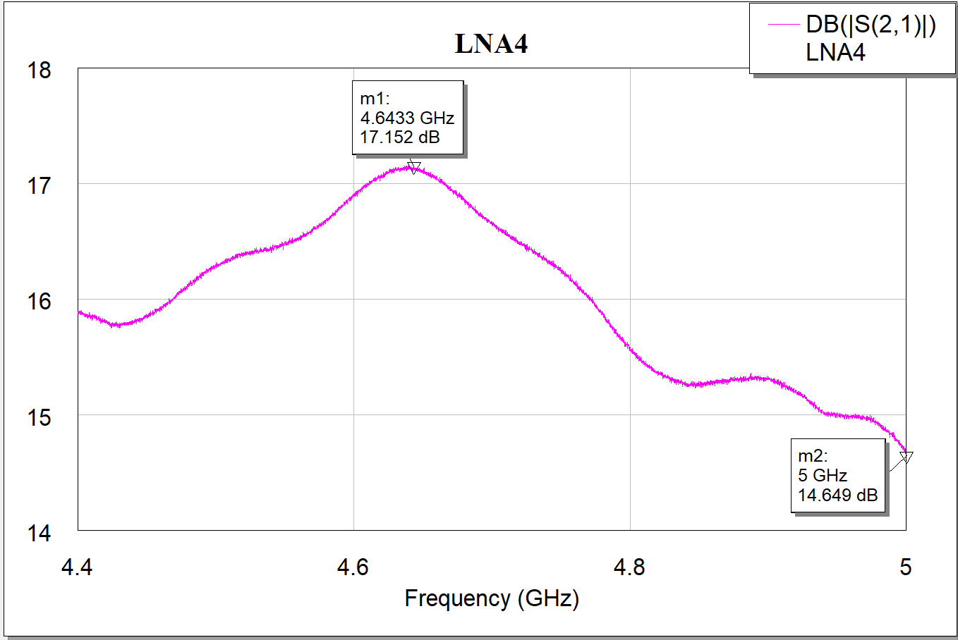
蓝色厂家数据，粉色自测数据
78318

