Sheet1
T |  |  | k1
 | 9.97E-06 | 6042.9639024 | 6.06E+08
 | 9.95E-06 | 1333.5214322 | 1.34E+08
 | 9.80E-06 | 226.03030271 | 2.31E+07
 | 9.77E-06 | 25.48296748 | 2.61E+06
 | 9.47E-06 | 5108.9697745 | 5.39E+08
 | 1.06E-05 | 1211.5276586 | 1.14E+08
 | 1.14E-05 | 220.67340691 | 1.94E+07
 | 1.24E-05 | 26.735193599 | 2.15E+06
 | 5.00E-05 | 84.544105459 | 1.69E+06
 | 1.91E-04 | 220.67340691 | 1.16E+06
 | 4.53E-05 | 649.38163158 | 1.43E+07
 | 1.69E-04 | 1399.0503141 | 8.29E+06
 | 4.15E-05 | 3480.7005884 | 8.38E+07
 | 1.57E-04 | 6189.6581889 | 3.95E+07
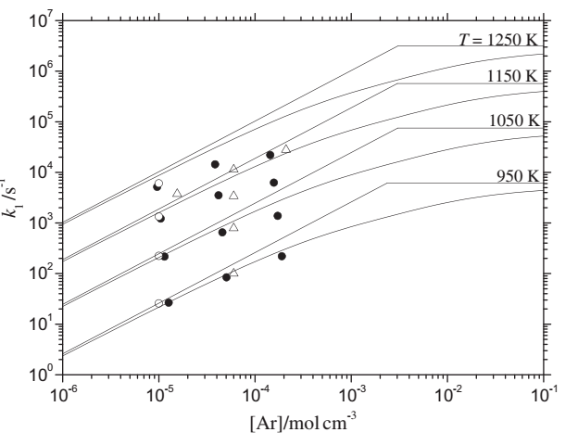
 | 1.44E-04 | 21544.3469 | 1.50E+08
 | 3.81E-05 | 14330.125702 | 3.76E+08
 | 1.55E-05 | 3831.1868496 | 2.47E+08
 | 6.08E-05 | 11547.819847 | 1.90E+08
 | 2.10E-04 | 27384.196343 | 1.30E+08
 | 6.07E-05 | 3317.6711278 | 5.47E+07
 | 5.98E-05 | 805.84218776 | 1.35E+07
 | 6.04E-05 | 102.42752214 | 1.70E+06

