标题+搜索词
一.标题结构 | 注：产品名+“适用于”/“兼容”/“可用于”/“适合”+主要商品品牌，通过前人向亚马逊英文CASE和AI询问，确认"Compatible with"比"for"更好 | *灯饰侵权商标词/IP（部分已出现的） | LEGO,BMW M,HARRY POTTER,HOGWARTS,TRANSFORMERS,Disney,Star Wars,Land Rover,YAMAHA,Pharrell Williams,TAG Heuer
结构1（主题不侵权，不是大IP）
[自有品牌] + 产品名 + Compatible with + LEGO + 主题 + 型号 + Building Blocks/Set，功能 + 产品名 + Compatible with/for + LEGO + 型号 + Model Set，仅含灯光, （不含积木,） 版本 | eg:Kyglaring LED Light Kit Compatible with Lego The Milky Way Galaxy 31212 Building Blocks, Upgrade Touch Control & Dimming, Lighting Accessories for Lego 31212 Model Set, Lights Only, Touch Version | Kyglaring LED灯组 适配乐高银河系31212积木套装，升级触控与调光功能，专为乐高31212模型套装设计的照明配件，仅含灯光组件，触控版 | 1.LED Light Kit定位产品，强调售卖的是配件产品,lego+主题+型号/lego+型号明确产品关键词， 2.包含免责声明（Lights Only，标题过长可以省略Model Set Not Included） 3.Building Blocks/Model Set降低侵权风险，预防商品被错误分类（正确商品类型：TOY BUILDING BLOCK） 4.标题过长的话可以删除版本，后段Compatible with改为for 5.遥控类产品容易被划分为危险品，因此遥控版和遥控声光版后段不加版本名
结构2（主题不侵权，不是大IP）简练版
[自有品牌] + 产品名 + Compatible with + LEGO + 主题 + 型号 + Building Blocks/Set，功能，仅含灯光, （不含积木,） 版本 | eg:Kyglaring LED Light Kit Compatible with Lego Nike Dunk 43008 Building Blocks, Upgrade Touch Control & Dimming, Lights Only, Model Set Not Included, Touch Version | Kyglaring LED灯组套装，适配乐高耐克Dunk 43008积木，升级触控与调光功能，仅含灯光组件，不含模型套装，触控版 | 1.考虑到后段重复，后段删除了产品名 + Compatible with/for + LEGO + 型号 + Model Set 2.主题IP很长的时候，没法使用结构1的时候可以运用结构2 3.结构2一般字符会偏短，都加上免责声明Model Set Not Included 4.遥控类产品容易被划分为危险品，因此遥控版和遥控声光版后段依然不加版本名
结构3（主题是侵权IP或者大IP）
[自有品牌] + 产品名 + Compatible with + LEGO + 型号 + Building Blocks/Set，功能 + 产品名 + Compatible with/for + 主题 + Model Set，仅含灯光, （不含积木,） 版本 | eg:Kyglaring LED Light Kit Compatible with Lego 76223 Building Blocks, Upgraded Lighting Accessories for Marvel Nano Gauntlet Model Set, Lights Only, Classic Version | Kyglaring LED灯组 适配乐高76223积木，漫威纳米手套模型套装升级版照明配件，仅含灯光组件，经典款 | 1.包含侵权IP（Marvel漫威），因此加介词（“适用于”）后面部分保留，标题过长所以把后段的Compatible with改为for 2.遥控类产品容易被划分为危险品，因此遥控版和遥控声光版后段依然不加版本名
 | 触摸版标题模板
结构1 | Kyglaring LED Light Kit Compatible with Lego The Milky Way Galaxy 31212 Building Blocks, Upgrade Touch Control & Dimming, Lighting Accessories for Lego 31212 Model Set, Lights Only, Touch Version | Kyglaring LED灯组 适配乐高银河系31212积木套装，升级触控与调光功能，专为乐高31212模型套装设计的照明配件，仅含灯光组件，触控版 | 复制使用时记得更改产品主题IP和对应型号，Model Set Not Included和版本名是否保留根据标题长度最大不超过200字符和实际美规等其他因素而定，特殊产品可单独撰写
结构2 | Kyglaring LED Light Kit Compatible with Lego Nike Dunk 43008 Building Blocks, Upgrade Touch Control & Dimming, Lights Only, Model Set Not Included, Touch Version | Kyglaring LED灯组套装，适配乐高耐克Dunk 43008积木，升级触控与调光功能，仅含灯光组件，不含模型套装，触控版
 | 经典标准版标题模板
结构1 | Kyglaring LED Light Kit Compatible with Lego Back to the Future Time Machine 10300 Building Blocks, Upgraded Lighting Accessories for Lego 10300 Model Set, Lights Only, Stand Version | Kyglaring LED灯组 适配乐高《回到未来》时光机10300积木，乐高10300模型套装升级版照明配件，仅含灯光组件，支架版
结构2 | Kyglaring Light Kit Compatible with Lego Batman Classic TV Series Batmobile 76328 Building Blocks, Lights Only, Model Set Not Included, Classic Version | Kyglaring灯光套件 适用于乐高蝙蝠侠经典电视系列蝙蝠车76328积木（仅含灯光组件，不含模型套装），经典版
 | 遥控版标题模板
结构1 | Kyglaring LED Light Kit Compatible with Lego Captain Jack Sparrow's Pirate Ship 10365 Building Blocks, Upgrade Remote Control Lighting Accessories for Lego 10365 Model Set, Lights Only | Kyglaring LED灯组 适配乐高杰克船长的海盗船10365积木，升级遥控灯光配件适用于乐高10365模型套装，仅含灯光
结构2 | Kyglaring LED Light Kit Compatible with Lego Ford Bronco SUV 42213 Building Blocks, Upgrade Remote Control, Lights Only, Model Set Not Included | Kyglaring LED灯组 适配乐高福特野马SUV 42213积木套装，升级遥控功能，仅含灯光组件，不含模型套装
 | 声光版标题模板
结构1 | Kyglaring LED Light Kit Compatible with Lego Captain Jack Sparrow's Pirate Ship 10365 Building Blocks, Upgraded Original Movie Sound, Lighting Accessories for Lego 10365 Model Set, Lights Only | Kyglaring LED灯光套件 适配乐高杰克船长的海盗船10365积木，升级原版电影音效，乐高10365模型套装专用灯光配件，仅含灯光组件
结构2 | Kyglaring LED Light Kit Compatible with Lego Captain Jack Sparrow's Pirate Ship 10365 Building Blocks, Upgraded Original Movie Sound, Lights Only, Model Set Not Included | Kyglaring LED灯光套装 适配乐高杰克·斯派洛船长海盗船10365积木，升级原版电影音效，仅含灯光组件，不含模型套装
 | 遥控声光版标题模板
结构1 | Kyglaring LED Light Kit Compatible with Lego The Milky Way Galaxy 31212 Building Blocks, Upgraded Original Movie Sound & Remote Control, Lighting Accessories for Lego 31212 Model Set, Lights Only | Kyglaring LED灯光套装 适配乐高银河系31212积木，升级原版电影音效与遥控器，乐高31212模型套装专用照明配件，仅含灯光组件
结构2 | Kyglaring LED Light Kit Compatible with Lego Death Star 75419 Building Blocks, Upgraded Original Movie Sound & Remote Control, Lights Only, Model Set Not Included | Kyglaring LED灯光套装 适配乐高死星75419积木，升级原版电影音效与遥控器，仅含灯光组件，不含模型套装

二.编写标题时如何找到一个产品的主题IP
方法一.去对应乐高官网搜索对应型号，网址：https://www.lego.com/，先切换地址成美国，再输入产品型号即可，如搜索77255型号，得到产品名闪电麦坤，Lightning McQueen,即为产品IP | 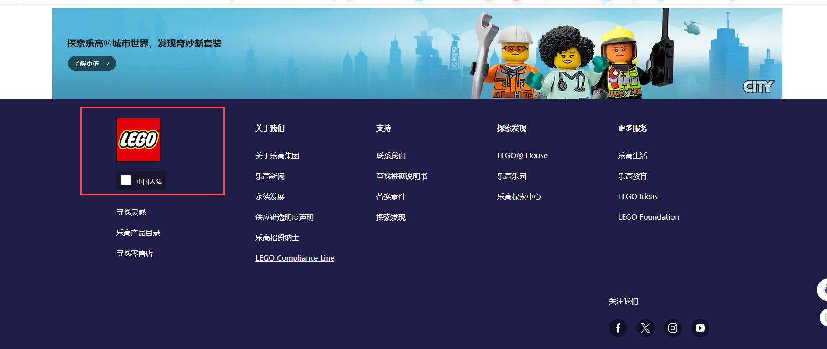 | 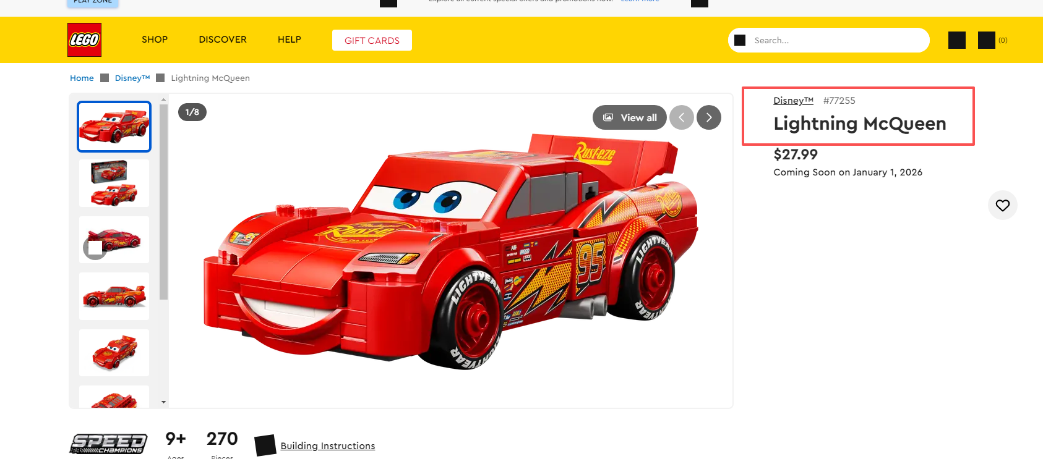
方法二.去卖家精灵工具，查竞品那里，搜索lego+型号，参考卖的最好的竞对的产品主题IP,例如型号21330，第一家竞对卖的是最好的，点击对应ASIN处查看IP,对应IP即是单词lego后的Ideas Home Alone | 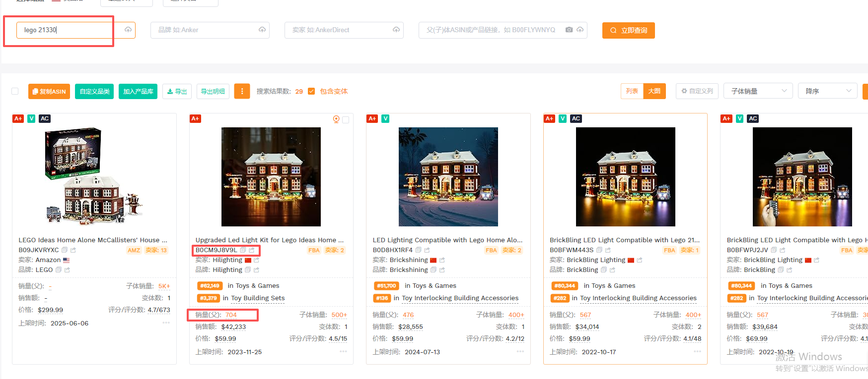 | 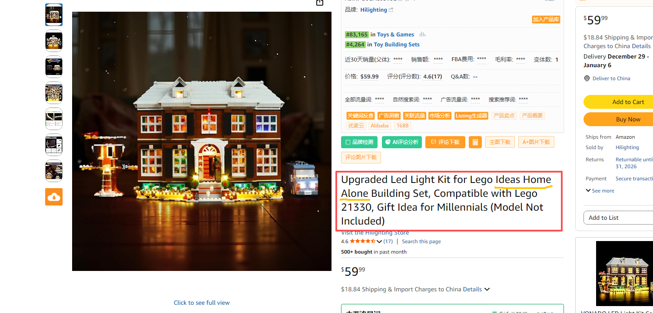
三.产品搜索词
LED Light Kit Compatible with Lego The Milky Way Galaxy 31212 Building Blocks | 目前搜索词为标题前半段不包含自有品牌，涵盖了定位词LED Light Kit和产品重要关键词lego+主题/型号，复制使用时更改主题和型号即可

