竞品对照
原序号 | 产品图 | 品牌 | ASIN（商品编号） | 商品名称 | 整套价（美元） | 9月子体销量SIF | 9月父体销量SIF | 统计月 | 具体规格 | 人工标记 | 差异 | 销量状态／依据 | 9月子体销售额（美元） | 原表子体量（对照）
64 | 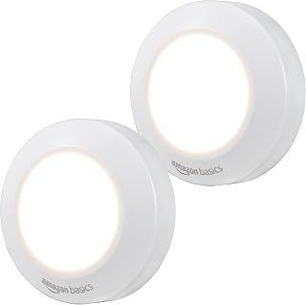 | Amazon Basics | B0B4SC22T4 | Amazon Basics LED Puck Lights, Battery Operated, 50 Lumens, Under Cabinet Lighting, Easy to Install, Easy to Use, Adhesive Backing, 2-Pack, White | 7.57 | 6000 |  | 2026-09 | 供电：AA/AAA干电池｜使用干电池，容量不固定；每只3节AAA；控制：按压；2只装；形态：圆盘／大面积正面发光；发光：白光已披露／单模式：仅按压开关，无切换（前台五点2026-10-15核） | 已纳入 | 人工已纳入；发光颜色／可切换色温或彩光模式：查页后仍缺明确证据，已有明确白光或色温证据，已补入事实与独立统计类别；尚未明确能否切换色温或彩光，模式字段继续需确认，不把白光自动当固定单色。 | 有效同月正值；raw/trend_B0B4SGTMPG_1.json | 46,680.00 | 6000
63 | 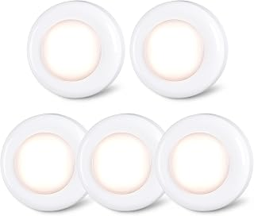 | STAR-SPANGLED | B07SD3T8M1 | STAR-SPANGLED 2.8” LED Puck Lights Under Cabinet AAA Battery, 5 Pack Warm | 8.99 | 5000 |  | 2026-09 | Color: Warm White；普通干电池（AA／AAA，具体见本子体原文）；按压／触摸或遥控；不冒称人体感应；尺寸原文：2.8"D x 2.8"W x 1"H | 已纳入 | 人工已纳入；影响属性分析的字段无需确认项。 | 有效同月正值；raw/trend_B08T7NLLSL_1.json | 49,450.00 | 5000
76 | 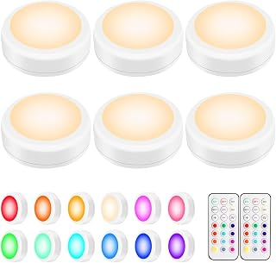 | BLS | B0875RP1SW | BLS LED Puck Lights with Remote Control, Wireless Under Cabinet & Closet Lighting, RGB 13 Color Changing Lights with Dimmer, Timer & AA Battery Operated, Push, Touch, Stick on for Night, White, 6 Pack | 19.85 | 4000 |  | 2026-09 | Color: White；Size: 6 Pack；普通干电池（AA／AAA，具体见本子体原文）；按压／触摸或遥控；不冒称人体感应；尺寸原文：3"D x 3"W x 1.2"H | 已纳入 | 人工已纳入；影响属性分析的字段无需确认项。 | 有效同月正值；raw/trend_B0FNRCK59T_1.json | 78,880.00 | 4000
79 | 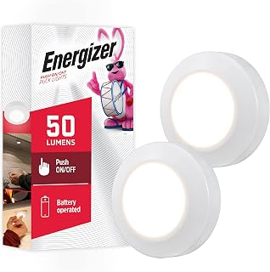 | Energizer | B082LNFTTL | Energizer Battery Powered Puck Lights, Tap On/Off, 50 Lumens 2 Pack | 10.50 | 3000 |  | 2026-09 | Size: 2 Pack；Color: White Puck-Light；普通干电池（AA／AAA，具体见本子体原文）；按压／触摸或遥控；不冒称人体感应；尺寸原文：1.05"D x 5.5"W x 9.75"H | 已纳入 | 人工已纳入；影响属性分析的字段无需确认项。 | 有效同月正值；raw/trend_B082LNFTTL_1.json | 29,970.00 | 3000
66 | 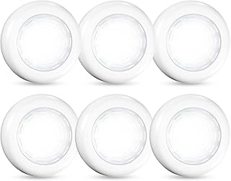 | VICOX | B08TGXVB8B | Tap Light Push Lights, 6 Pack Self-Adhesive Puck Light Battery Powered | 9.99 | 3000 |  | 2026-09 | 供电：AA/AAA干电池｜使用干电池，容量不固定；控制：按压；6只装；形态：圆盘／大面积正面发光；发光：冷白光 | 已纳入 | 人工已纳入；发光颜色／可切换色温或彩光模式：查页后仍缺明确证据，已有明确白光或色温证据，已补入事实与独立统计类别；尚未明确能否切换色温或彩光，模式字段继续需确认，不把白光自动当固定单色。 | 有效同月正值；raw/trend_B0GWH9YWK6_1.json | 29,970.00 | 3000
67 | 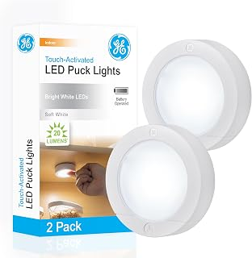 | GE | B01JF94TSU | GE Battery Powered Puck Lights, Touch On/Off, 20 Lumens, 2 Pack | 9.99 | 2000 |  | 2026-09 | Size: 2；普通干电池（AA／AAA，具体见本子体原文）；按压／触摸或遥控；不冒称人体感应；尺寸原文：3"D x 3"W x 0.75"H | 已纳入 | 人工已纳入；影响属性分析的字段无需确认项。 | 有效同月正值；raw/trend_B07RQMC2S2_1.json | 19,980.00 | 2000
65 | 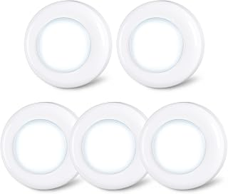 | STAR-SPANGLED | B07S8RWJ71 | STAR-SPANGLED 2.8” LED Puck Lights Under Cabinet AAA Battery, 5 Pack White | 9.99 | 2000 |  | 2026-09 | 供电：AA/AAA干电池｜使用干电池，容量不固定；每只3节AAA；控制：按压；5只装；形态：圆盘／大面积正面发光；发光：白光已披露／单模式：按压开关，无切换（前台五点2026-10-15核） | 已纳入 | 人工已纳入；发光颜色／可切换色温或彩光模式：查页后仍缺明确证据，已有明确白光或色温证据，已补入事实与独立统计类别；尚未明确能否切换色温或彩光，模式字段继续需确认，不把白光自动当固定单色。 | 有效同月正值；raw/trend_B08T7NLLSL_1.json | 19,800.00 | 2000
78 | 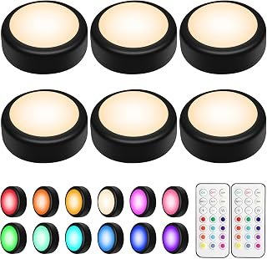 | BLS | B0CMGZGWRK | BLS LED Puck Lights with Remote Control, Wireless Under Cabinet & Closet Lighting, RGB 13 Color Changing Lights with Dimmer, Timer & AA Battery Operated, Push, Touch, Stick on for Night, Black, 6 Pack | 21.98 | 2000 |  | 2026-09 | Color: Black；Size: 6 Pack；普通干电池（AA／AAA，具体见本子体原文）；按压／触摸或遥控；不冒称人体感应；尺寸原文：3"D x 3"W x 1.2"H | 已纳入 | 人工已纳入；影响属性分析的字段无需确认项。 | 有效同月正值；raw/trend_B0FNRCK59T_1.json | 39,720.00 | 2000
31 | 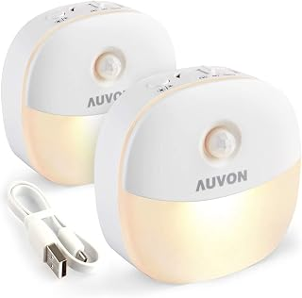 | AUVON | B07MHVTHQS | AUVON Magnetic Rechargeable Night Light, Motion & Dusk-Dawn Sensor, 2 Packs | 17.99 | 1000 |  | 2026-09 | 供电：USB充电｜内置电池，容量未标明；控制：人体感应＋光感门槛（够暗才感应亮）；2只装；形态：圆角方形／下部发光；发光：固定白光／单色温 | SKU｜高相关竞对 | 人工已纳入；内置电池容量（mAh，毫安时）：查页后仍缺明确证据，已检查本子体详情、规格及图库，未找到明确毫安时数值；续航、充电时长和同品牌其他款不能代替本款容量。 | 有效同月正值；raw/trend_B0811Y677F_1.json | 17,520.00 | 1000
62 | 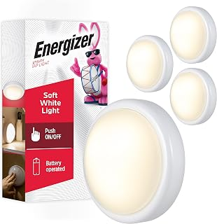 | Energizer | B08GY894Z3 | Energizer Batter Powered Tap Light, Press On/Off, 4 Pack | 20.72 | 1000 |  | 2026-09 | Color: White；Size: 4 Pack；普通干电池（AA／AAA，具体见本子体原文）；按压／触摸或遥控；不冒称人体感应；尺寸原文：5.75"D x 5.8"W x 8.8"H | 已纳入 | 人工已纳入；影响属性分析的字段无需确认项。 | 有效同月正值；raw/trend_B08GY894Z3_1.json | 20,990.00 | 1000
77 | 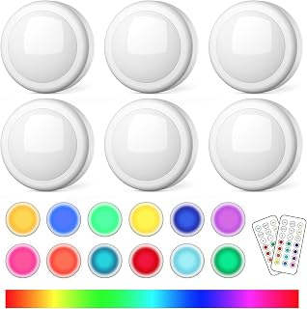 | SEMSMOKS | B08Z7RF3P7 | LED Puck Lights with Remote, AA Battery Powered Operated, 6 Pack | 19.86 | 1000 |  | 2026-09 | Size: 6-packs；Color: White；普通干电池（AA／AAA，具体见本子体原文）；按压／触摸或遥控；不冒称人体感应；尺寸原文：3"D x 3"W x 1.2"H | 已纳入 | 人工已纳入；影响属性分析的字段无需确认项。 | 有效同月正值；raw/trend_B0FQQLVHH2_1.json | 19,860.00 | 1000
73 | 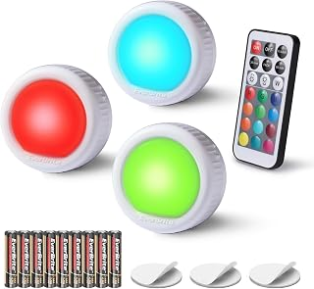 | EverBrite | B094V3ML8D | EverBrite 3-Pack Tap Lights, LED Puck Lights with Remote Control | 9.99 | 1000 |  | 2026-09 | Set name: Round Tap Light；Number of Items: 3；普通干电池（3灯含9节AAA）；按压／触摸或遥控；不冒称人体感应；尺寸原文：2.4"D x 2.4"W x 1.22"H | 已纳入 | 人工已纳入；影响属性分析的字段无需确认项。 | 有效同月正值；raw/trend_B0B243TKVM_1.json | 9,990.00 | 1000
80 | 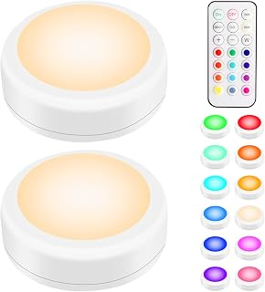 | BLS | B0FNR2MNCJ | BLS LED Puck Lights with Remote Control, Wireless Under Cabinet & Closet Lighting, RGB 13 Color Changing Lights with Dimmer, Timer & AA Battery Operated, Push, Touch, Stick on for Night, White, 2 Pack | 11.99 | 1000 |  | 2026-09 | Color: White；Size: 2 Pack；普通干电池（AA／AAA，具体见本子体原文）；按压／触摸或遥控；不冒称人体感应；尺寸原文：3"D x 3"W x 1.2"H | 已纳入 | 人工已纳入；影响属性分析的字段无需确认项。 | 有效同月正值；raw/trend_B0FNRCK59T_1.json | 11,910.00 | 1000
86 | 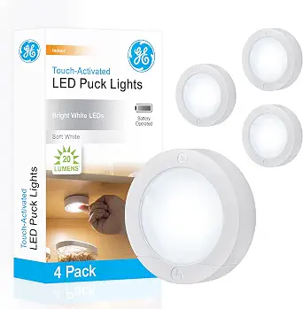 | GE | B07RQMC2S2 | GE Battery Powered Puck Lights, Touch On/Off, 20 Lumens, 4 Pack Under Cabinet Lights for Kitchen, Closet, and Pantry, AAA Battery Operated, Wireless Installation | 15.07 | 500 |  | 2026-09 | 4；供电：普通干电池（具体型号见商品页） | 已纳入 | 人工已纳入；影响属性分析的字段无需确认项。 | 有效同月正值；raw/trend_B07RQMC2S2_1.json | 7,495.00 | 500
8 | 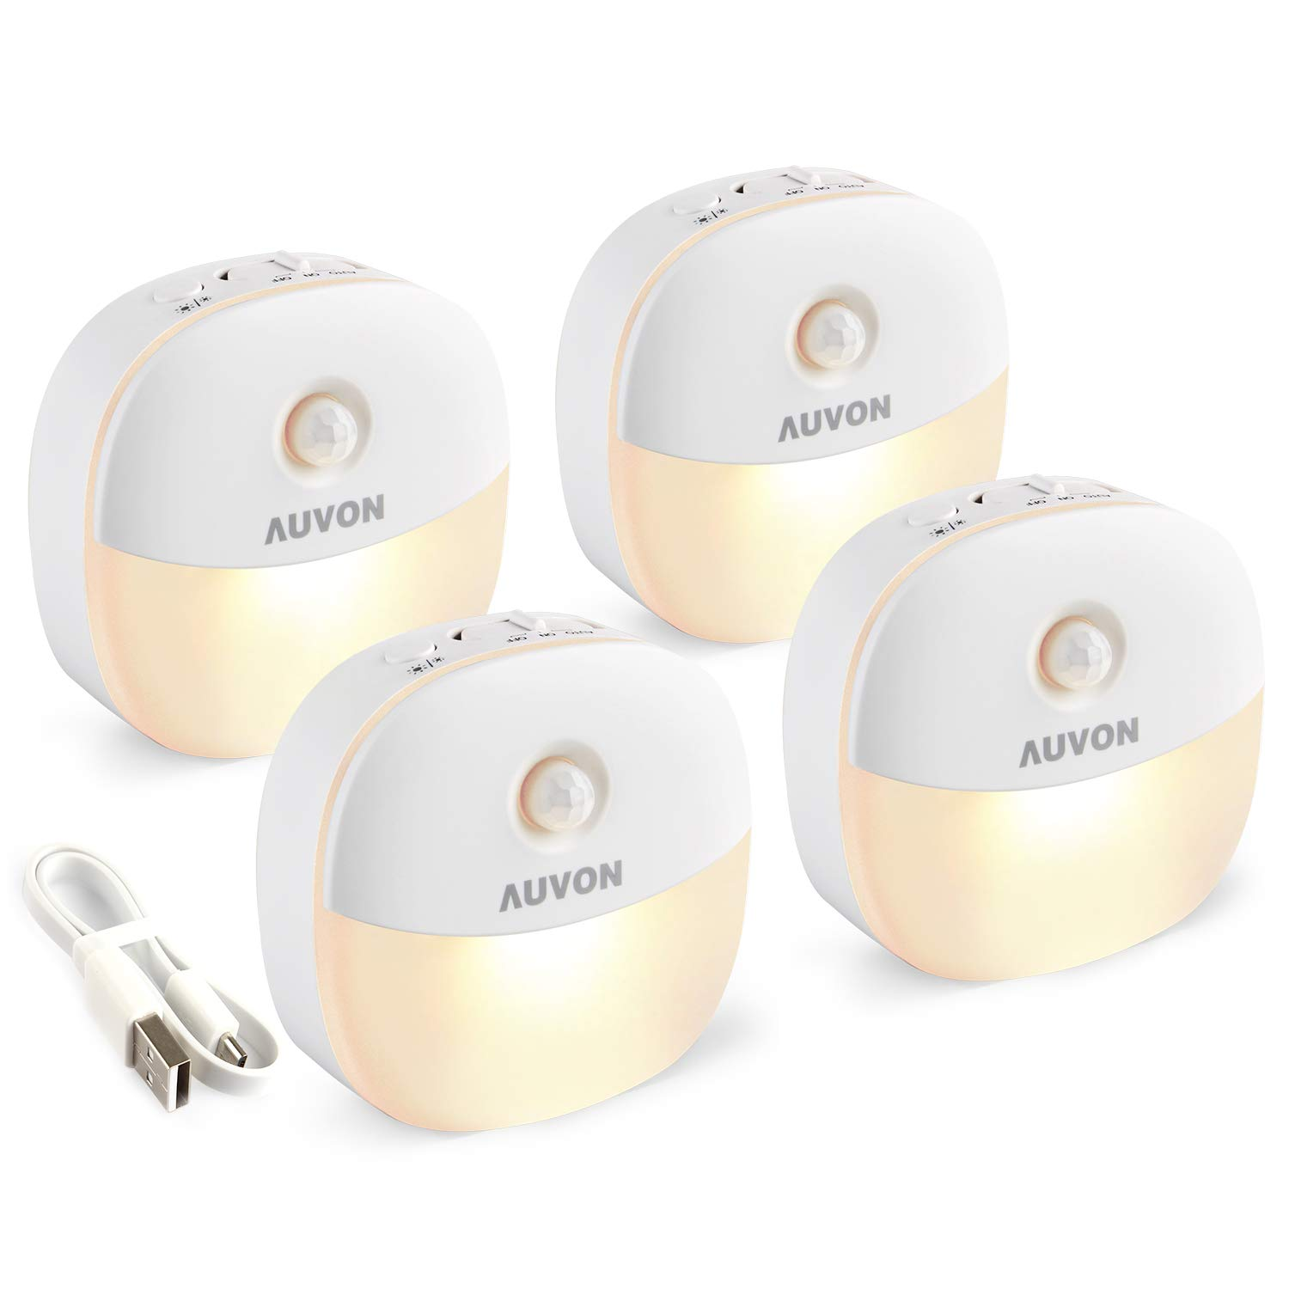 | AUVON | B0811Y677F | AUVON Rechargeable Battery Night Light, Motion & Dusk-Dawn Sensor, 4 Packs Portable Mini LED Night Light, Adjustable Brightness for Bedroom, Bathroom, Hallway, Stairs, Kitchen, Baby Care & Travel | 23.99 | 500 |  | 2026-09 | 供电：USB充电｜内置电池，容量未标明；控制：人体感应＋光感门槛（够暗才感应亮）；4只装；形态：圆角方形／下部发光；发光：白光已披露／高中2档亮度＋AUTO/ON/OFF 3种模式（前台五点2026-10-15核） | SKU｜高相关竞对 | 人工已纳入；发光颜色／可切换色温或彩光模式：查页后仍缺明确证据，已有明确白光或色温证据，已补入事实与独立统计类别；尚未明确能否切换色温或彩光，模式字段继续需确认，不把白光自动当固定单色。；内置电池容量（mAh，毫安时）：查页后仍缺明确证据，已检查本子体详情、规格及图库，未找到明确毫安时数值；续航、充电时长和同品牌其他款不能代替本款容量。 | 有效同月正值；raw/trend_B0811Y677F_1.json | 14,610.00 | 500
88 | 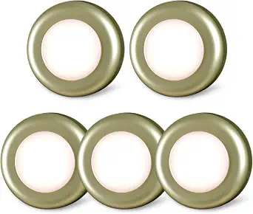 | STAR-SPANGLED | B08T7NLLSL | STAR-SPANGLED 2.8” LED Stick on Push Tap Light Battery, 5 Pack Golden Warm | 8.99 | 500 |  | 2026-09 | Golden - Warm White；供电：普通干电池（具体型号见商品页） | 已纳入 | 人工已纳入；影响属性分析的字段无需确认项。 | 有效同月正值；raw/trend_B08T7NLLSL_1.json | 4,955.00 | 500
1 | 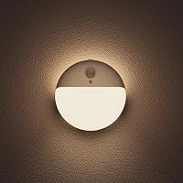 | YUNLEX | B0B54YB1YV | YUNLEX Motion Sensor Night Light Battery Operated, Stick on Light Indoor 2 Pack, 3 Modes, Dimmable 1-15lm, Low Light No Plug, Small Wireless Motion Light for Toilet, Stairs, Bathroom, Warm White | 13.99 | 500 |  | 2026-09 | 3节AAA（7号）电池；2只装；暖白光；可调光；正面／背光／双光源；背胶；1–15lm；约6.7×6.7×1.8cm；感应4m／120°；约15秒关闭 | SKU｜高相关竞对 | 人工已纳入；影响属性分析的字段无需确认项。 | 有效同月正值；raw/trend_B0CC1HRX6M_1.json | 6,775.00 | 500
7 | 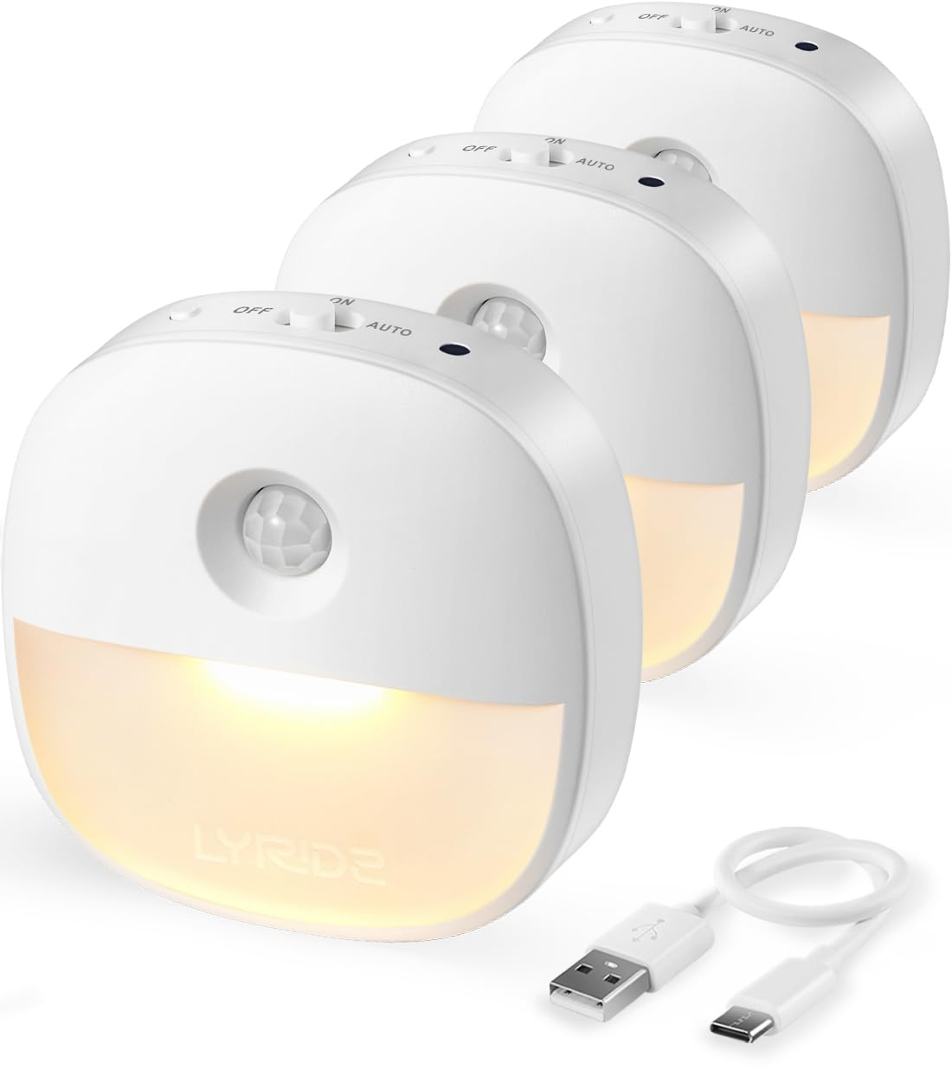 | Lyridz | B0BDLZWVMF | Rechargeable Night Light, Motion Sensor Battery Nightlight, Mini Stick-on LED Closet Light, 1-20LM Dimmable Brightness for Bathroom, Bedroom, Kitchen, Washroom, Stairs, Hallway, 3-Pack | 19.99 | 500 |  | 2026-09 | 供电：USB充电｜内置电池，500mAh；控制：人体感应＋光感门槛（够暗才感应亮）；3只装；形态：圆角方形／下部发光；发光：固定白光／单色温 | SKU｜高相关竞对 | 人工已纳入；影响属性分析的字段无需确认项。 | 有效同月正值；raw/trend_B0FBWD2WT2_1.json | 10,815.00 | 500
127 | 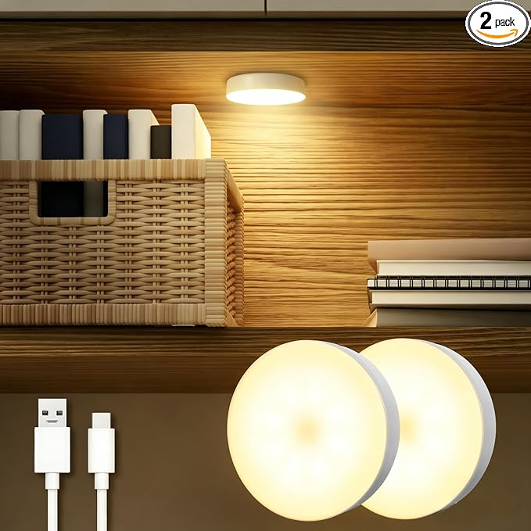 | DAZZY DOT | B0C783C76P | DAZZY DOT Rechargeable Puck Lights 2-Pack, Magnetic Tap Light, Warm Yellow | 20.99 | 500 |  | 2026-09 | Warm Yellow；供电：可充电 | 已纳入 | 人工已纳入；影响属性分析的字段无需确认项。 | 有效同月正值；raw/trend_B0C783C76P_1.json | 10,285.00 | 500
82 | 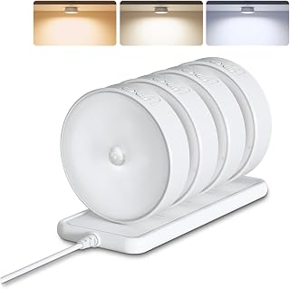 | EZVALO | B0FQ9GXLFN | EZVALO 4 Pack Motion Sensor Closet Lights with Charging Station, 1200mAh Rechargeable LED Under Cabinet Lighting, Puck Light, Dimmable, 3 Color Temps, Magnetic, Stick-On for Kitchen, Closet, Stairs | 29.99 | 500 |  | 2026-09 | Color: White；Set name: 4Pack with Station；内置可充电电池；人体感应（按本子体详情）；尺寸原文：3.3"L x 3.3"W x 1.3"H | 已纳入 | 人工已纳入；影响属性分析的字段无需确认项。 | 有效同月正值；raw/trend_B0FQB6ZX8Q_1.json | 28,590.00 | 1000
56 | 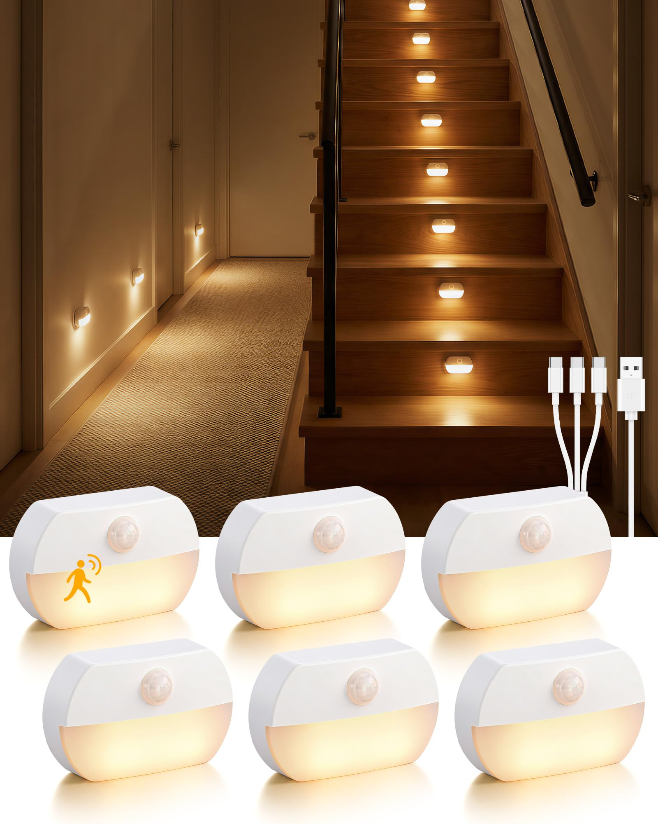 | Lazukes | B0G3X25V5Q | 6 Pack Rechargeable Motion Sensor Stair Lights Indoor Magnetic Night Light | 19.79 | 500 |  | 2026-09 | 供电：USB充电｜内置电池，容量未标明；控制：人体感应；6只装；形态：矩形／下部发光；发光：固定白光／单色温 | 已纳入 | 人工已纳入；内置电池容量（mAh，毫安时）：查页后仍缺明确证据，已检查本子体详情、规格及图库，未找到明确毫安时数值；续航、充电时长和同品牌其他款不能代替本款容量。 | 有效同月正值；raw/trend_B0G3X25V5Q_1.json | 9,990.00 | 500
9 | 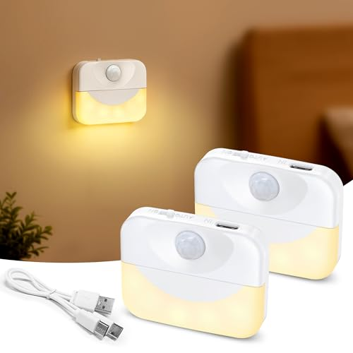 | ZAPOGO | B0GK5WRBJ3 | 2 Pack Rechargeable Stair Light Indoor,Warm White Motion Sensor Night Light Wireless Stick on Anywhere Hallway Lamp,Battery Operated LED Wall Lights for Step, Cabinet, Hallway, Bathroom | 7.49 | 500 |  | 2026-09 | 供电：USB充电｜内置电池，650mAh；控制：人体感应＋光感门槛（够暗才感应亮）；2只装；形态：矩形／下部发光；发光：固定白光／单色温 | 已纳入 | 人工已纳入；影响属性分析的字段无需确认项。 | 有效同月正值；raw/trend_B0GK5WRBJ3_1.json | 3,600.00 | 500
138 | 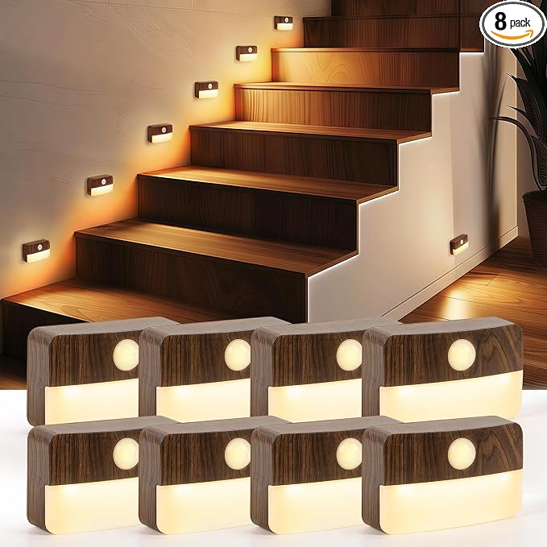 | Guankai | B0HG9NJ3VD | Guankai 8 Pack Motion Sensor Stair Light Indoor, Wireless Battery Operated Closet Lights, Stick on Anywhere Hallway Lamp, Portable Led Night Lamps for Bedroom Under Cabinet Kitchen, Wood Grain | 24.99 | 500 |  | 2026-09 | Wood Grain - Battery Powered / Warm White / 8 Pack；供电：普通干电池（具体型号见商品页） | 已纳入 | 人工已纳入；影响属性分析的字段无需确认项。 | 有效同月正值；raw/trend_B0HG9PBM5T_1.json | 9,996.00 | 400
74 | 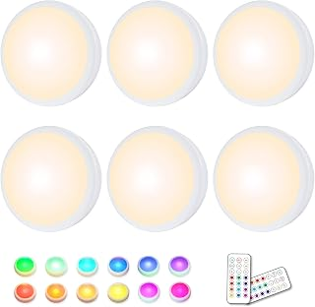 | HELPLEX | B08CRJ9NFM | HELPLEX LED Puck Lights with Remote, 6 Pack Color Changing RGBW Stick-On Light, Battery Powered, Dimmable Under Cabinet Lighting with Timer & Memory, Wireless Push Lights for Kitchen & Closet | 21.68 | 400 |  | 2026-09 | Color: White；Size: 6 Pack；普通干电池（AA／AAA，具体见本子体原文）；按压／触摸或遥控；不冒称人体感应；尺寸原文：1.18"D x 1.97"W x 0.79"H | 已纳入 | 人工已纳入；影响属性分析的字段无需确认项。 | 有效同月正值；raw/trend_B0DRP6P7FS_1.json | 8,380.00 | 400
32 | 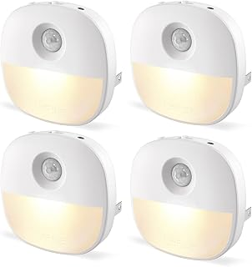 | Lyridz | B0BDLZN34X | Lyridz Plug in Night Light with Motion Sensor and Dusk to Dawn Sensor, Dimmable Warm Nightlight with 1-50lm Adjustable Brightness Indoor for Bedroom, Bathroom, Stairs, Hallway, 4 Pack | 18.99 | 400 |  | 2026-09 | 上部感应、下半面发光；4只插电款 | SKU｜高相关竞对 | 人工已纳入；影响属性分析的字段无需确认项。 | 有效同月正值；raw/trend_B0DMNYYXN3_1.json | 7,596.00 | 400
33 | 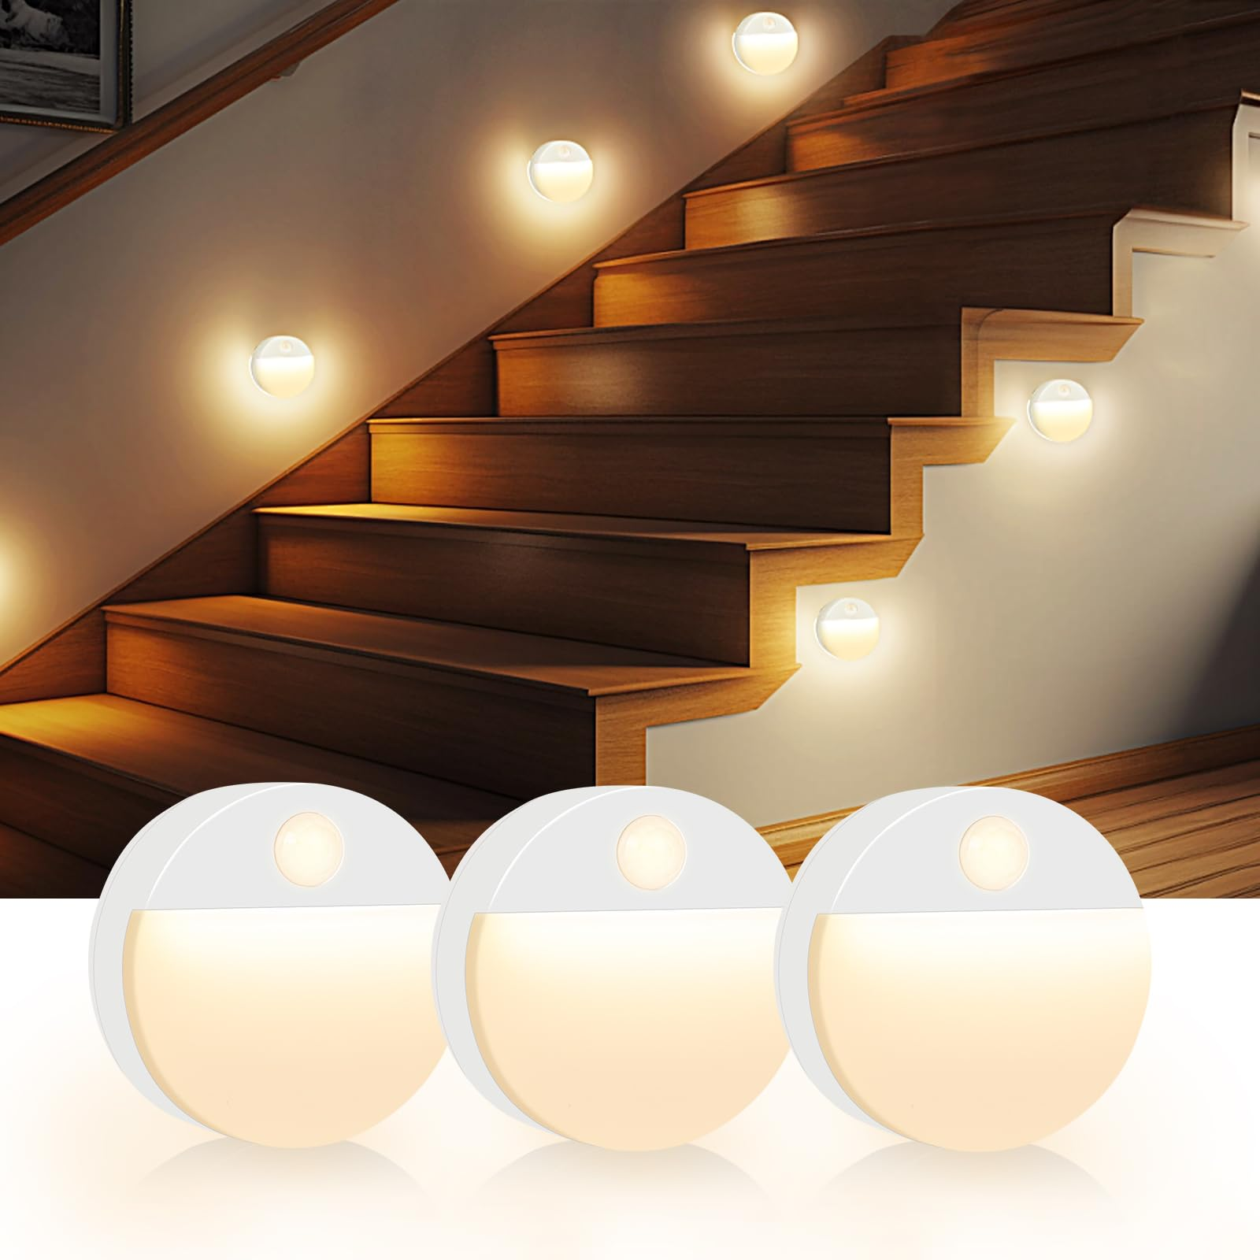 | Guankai | B0DYDWYW71 | Guankai 3 Pack Motion Sensor Stair Night Lights Indoor | 9.99 | 400 |  | 2026-09 | Size: 3 Pack；尺寸原文：2.4"L x 2.4"W x 1.1"H；3只装；本子体3节AAA＋人体感应；大图圆盘上部感应窗、下半面柔光。与原32去重后新增，本商品另有历史审核记录。 | SKU｜高相关竞对 | 人工已纳入；影响属性分析的字段无需确认项。 | 有效同月正值；raw/trend_B0FM7QBD5X_1.json | 4,096.00 | 400
141 | 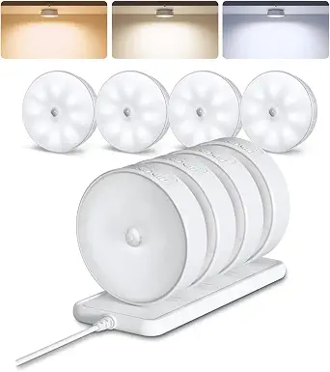 | EZVALO | B0FQB6ZX8Q | EZVALO 8 Pack Motion Sensor Closet Lights with Charging Station, 1200mAh Rechargeable LED Night Lights, Under Cabinet Lights, Puck Light, Dimmable, 3 Color Temps, Magnetic, Stick-On for Kitchen | 43.99 | 400 |  | 2026-09 | 8Pack with Station；供电：可充电 | 已纳入 | 人工已纳入；影响属性分析的字段无需确认项。 | 有效同月正值；raw/trend_B0FQB6ZX8Q_1.json | 16,748.00 | 400
52 | 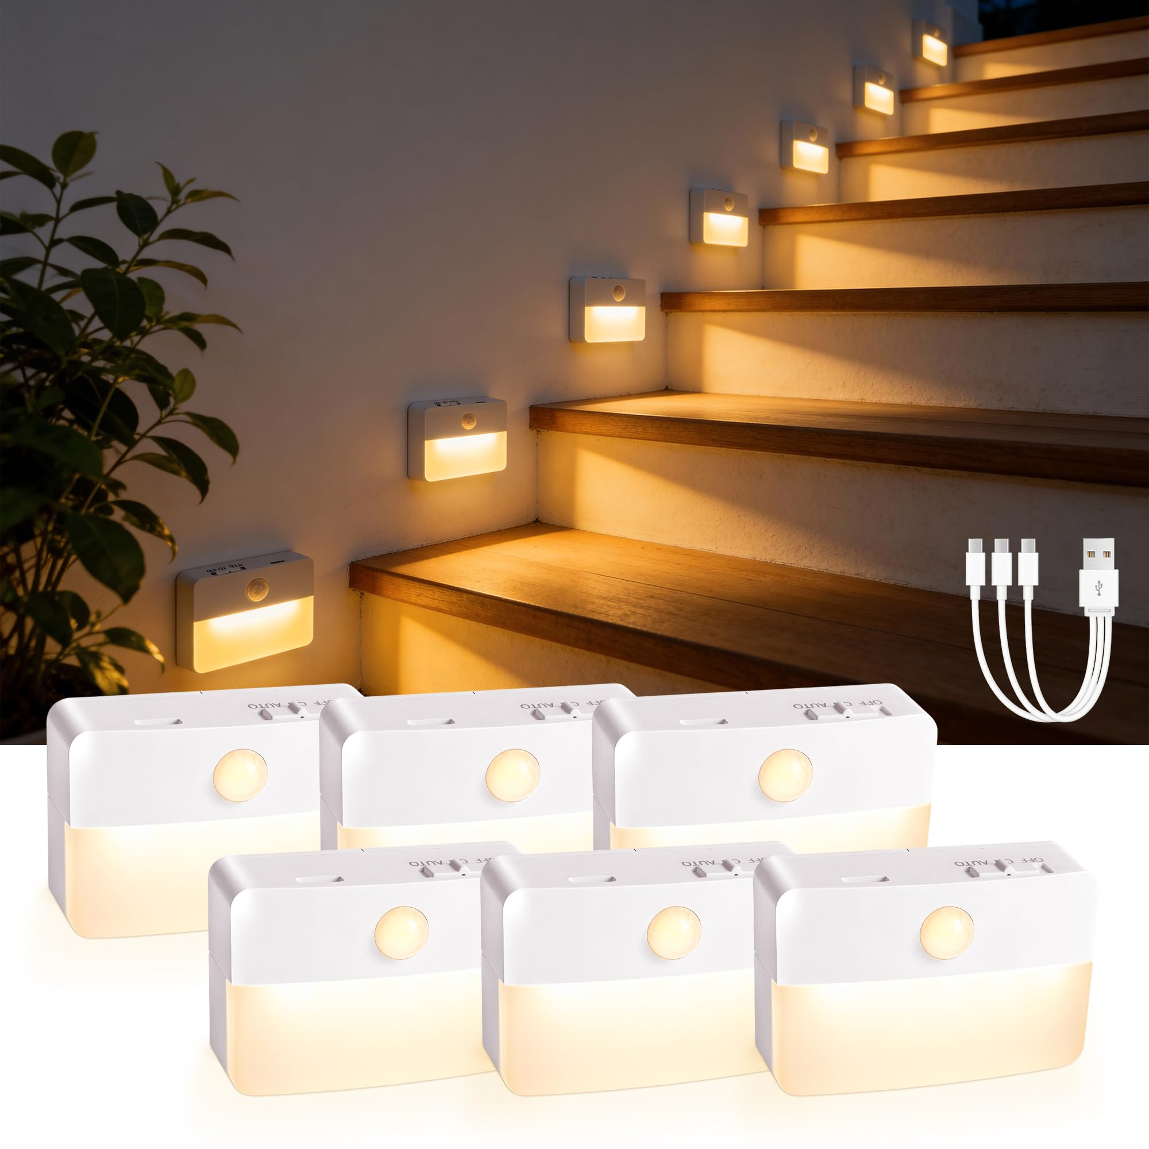 | sooogd | B0GGGLM16L | 6 Pack Rechargeable Stair Lights Indoor, Motion Sensor Night Light | 21.99 | 400 |  | 2026-09 | 供电：USB充电｜内置电池，1000mAh；控制：人体感应＋光感门槛（够暗才感应亮）；6只装；形态：矩形／下部发光；发光：固定白光／单色温 | 已纳入 | 人工已纳入；影响属性分析的字段无需确认项。 | 有效同月正值；raw/trend_B0GGH3P7NX_1.json | 9,292.00 | 400
87 | 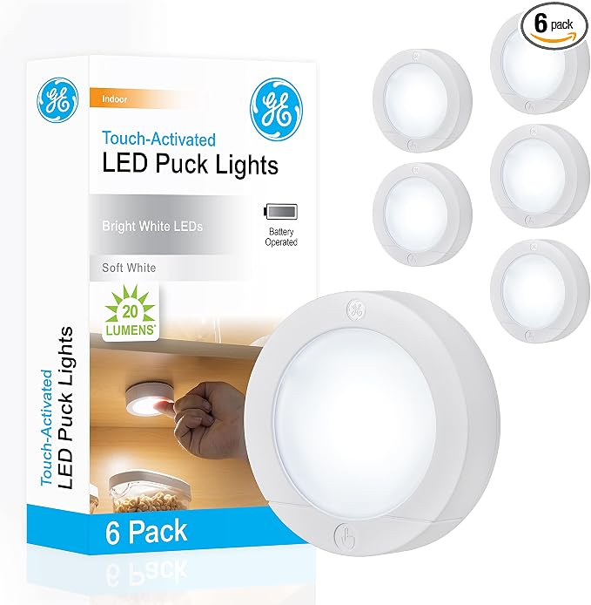 | GE | B07RPPMNXT | GE Battery Powered Puck Lights, Touch On/Off, 20 Lumens, 6 Pack Under Cabinet Lights for Kitchen, Closet, and Pantry, AAA Battery Operated, Wireless Installation | 19.99 | 300 |  | 2026-09 | 6；供电：普通干电池（具体型号见商品页） | 已纳入 | 人工已纳入；影响属性分析的字段无需确认项。 | 有效同月正值；raw/trend_B07RQMC2S2_1.json | 5,997.00 | 300
89 | 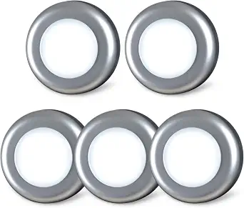 | STAR-SPANGLED | B08T7N5MY5 | STAR-SPANGLED 5 Pack 2.8” Push Tap Lights, Stick on Touch Puck Lights AAA Battery Operated, LED Sticky Button Lights for Classroom, Kitchen, Under Cabinet, Closet (Sliver, Cool White) | 8.99 | 300 |  | 2026-09 | Silver - White；供电：普通干电池（具体型号见商品页） | 已纳入 | 人工已纳入；影响属性分析的字段无需确认项。 | 有效同月正值；raw/trend_B08T7NLLSL_1.json | 2,973.00 | 300
95 | 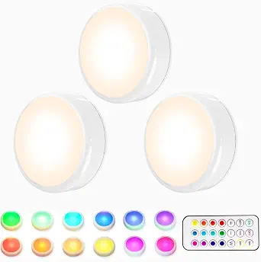 | HELPLEX | B09XPWDGDJ | HELPLEX LED Puck Lights with Remote, 3 Pack Color Changing RGBW Stick-On Light, Battery Powered, Dimmable Under Cabinet Lighting with Timer & Memory, Wireless Push Lights for Kitchen & Closet | 12.98 | 300 |  | 2026-09 | White / 3 Pack；供电：普通干电池（具体型号见商品页） | 已纳入 | 人工已纳入；影响属性分析的字段无需确认项。 | 有效同月正值；raw/trend_B0DRP6P7FS_1.json | 3,768.00 | 300
70 | 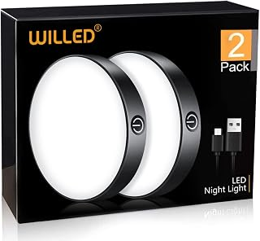 | WILLED | B0BP2FKWWX | WILLED Tap Light Rechargeable, 6000K Dimmable Touch Light Buit-in 1000mAh Large Battery, Stick on Closet Light, Portable LED Puck Night Lights for Cabinet, Wardrobe, Counter, Kitchen, Bedroom (2 Pack) | 18.99 | 300 |  | 2026-09 | Color: Black；Set name: Pure White；内置可充电电池；按压／触摸或遥控；不冒称人体感应；尺寸原文：0.67"D x 3.35"W x 3.35"H | 已纳入 | 人工已纳入；影响属性分析的字段无需确认项。 | 有效同月正值；raw/trend_B0BP2FKWWX_1.json | 5,256.00 | 300
75 | 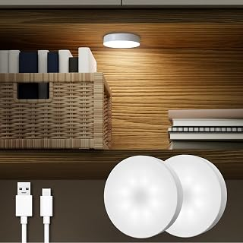 | DAZZY DOT | B0C77ZTQ4L | DAZZY DOT Rechargeable Puck Lights 2-Pack, Magnetic Tap Light, Cool White | 20.99 | 300 |  | 2026-09 | Color: Cool White；内置可充电电池；按压／触摸或遥控；不冒称人体感应；尺寸原文：2.8"L x 2.8"W x 0.7"H | 已纳入 | 人工已纳入；影响属性分析的字段无需确认项。 | 有效同月正值；raw/trend_B0C783C76P_1.json | 6,156.00 | 300
61 | 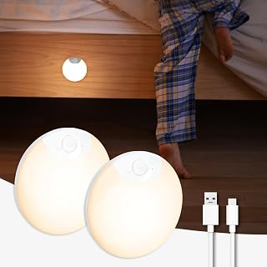 | DAZZY DOT | B0DDY2TF9K | DAZZY DOT Rechargeable Night Light Motion Sensor, Battery Night Light | 16.69 | 300 |  | 2026-09 | Style: 2pc；内置可充电电池；人体感应（按本子体详情）；尺寸原文：3.17"D x 3.17"W x 0.93"H | 已纳入 | 人工已纳入；影响属性分析的字段无需确认项。 | 有效同月正值；raw/trend_B0DDY2TF9K_1.json | 5,007.00 | 300
92 | 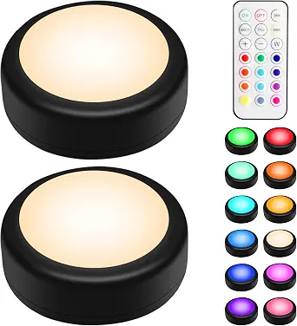 | BLS | B0FNRCK59T | BLS LED Puck Lights with Remote Control, Wireless Under Cabinet & Closet Lighting, RGB 13 Color Changing Lights with Dimmer, Timer & AA Battery Operated, Push, Touch, Stick on for Night, Black, 2 Pack | 12.99 | 300 |  | 2026-09 | Black / 2 Pack；供电：普通干电池（具体型号见商品页） | 已纳入 | 人工已纳入；影响属性分析的字段无需确认项。 | 有效同月正值；raw/trend_B0FNRCK59T_1.json | 3,867.00 | 300
55 | 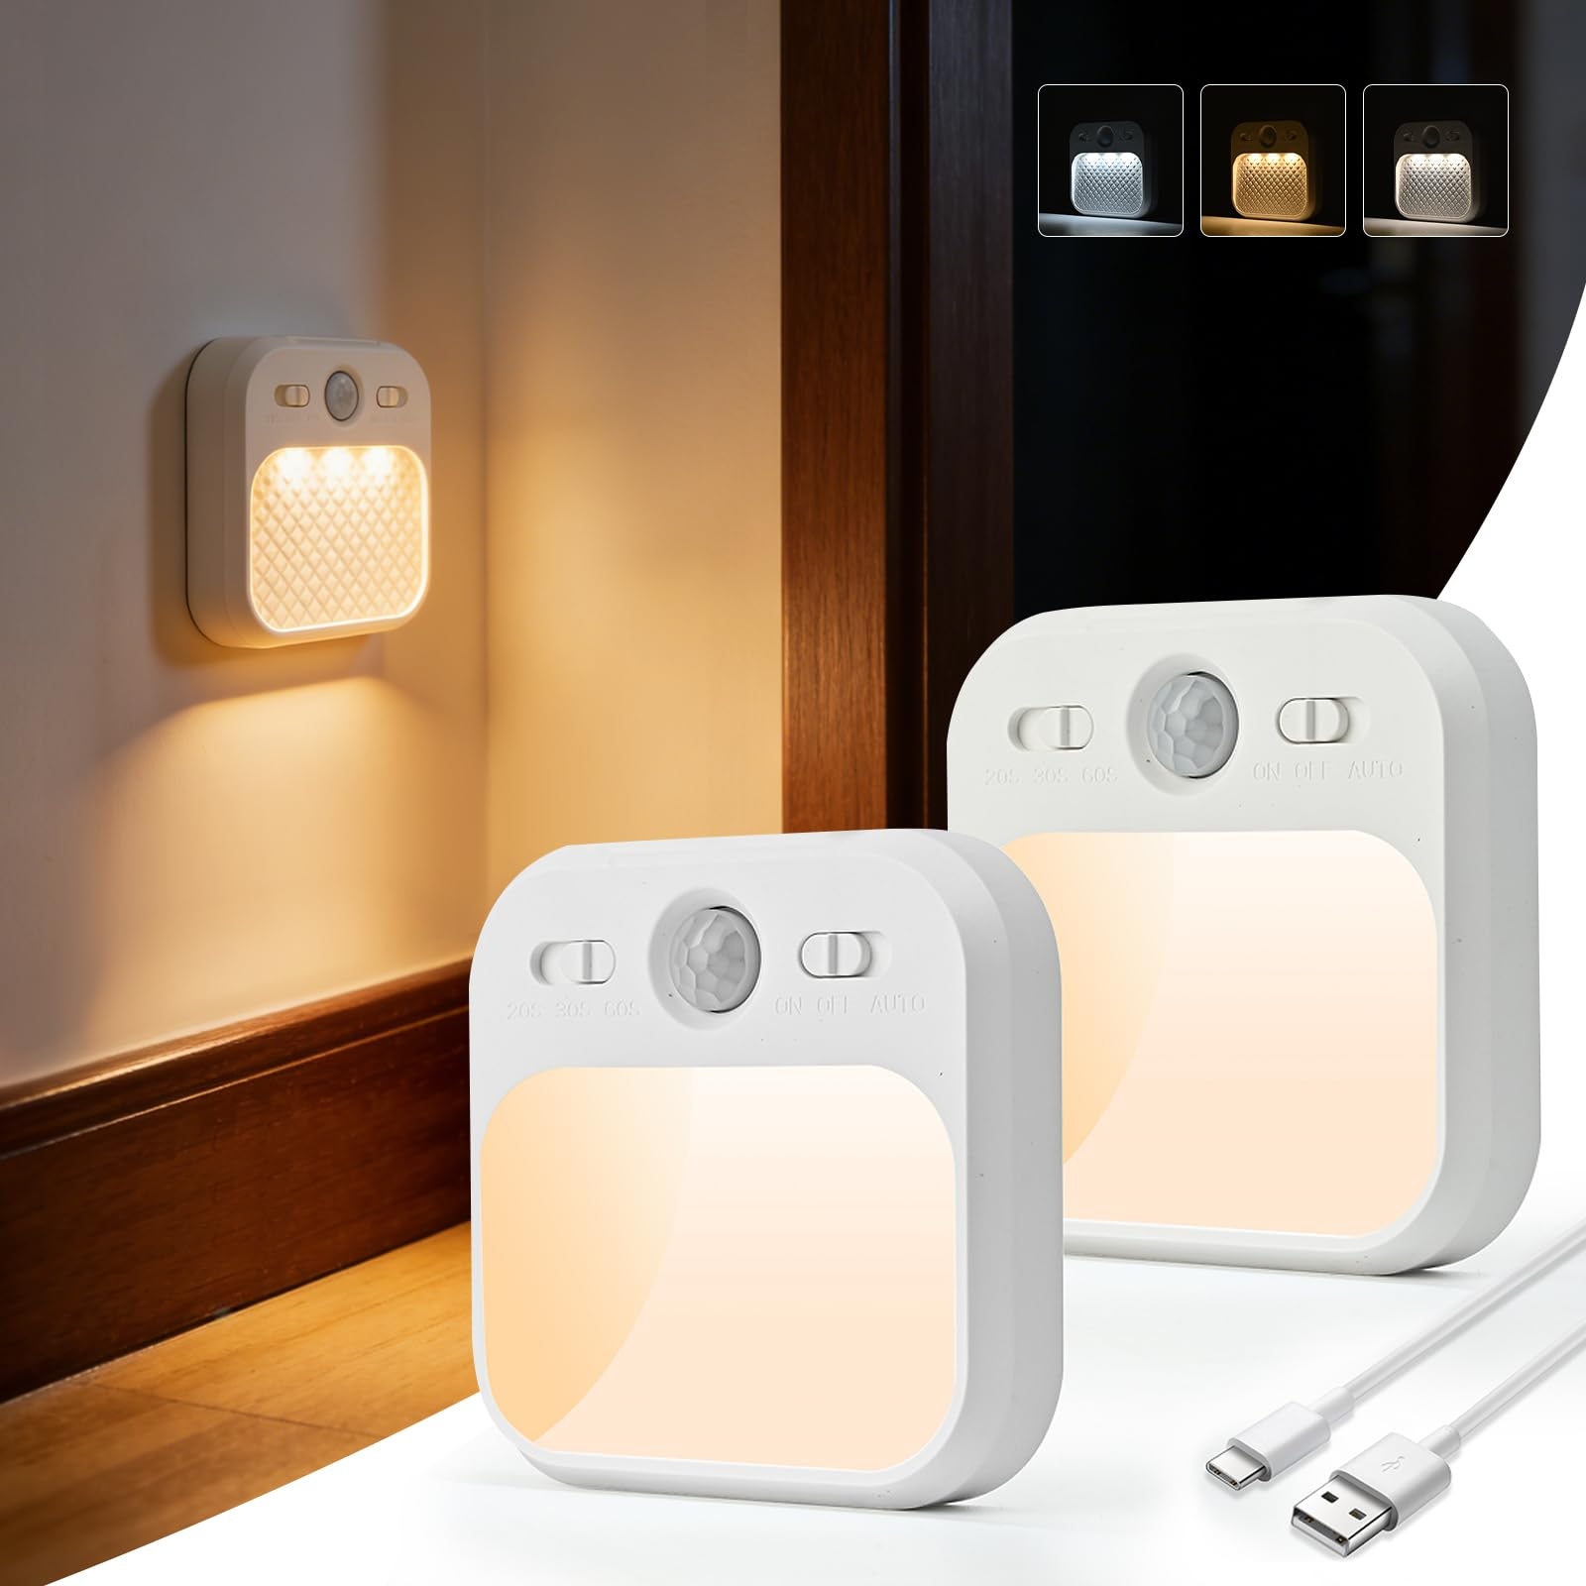 | AmmToo | B0H5C2VW18 | Motion Sensor Night Light Indoor, Rechargeable Dimmable Stair Lights 2Pack | 9.99 | 300 |  | 2026-09 | 供电：USB充电｜内置电池，容量未标明；控制：人体感应＋光感门槛（够暗才感应亮）；2只装；形态：方形／大面积正面发光；发光：可调色温 | 已纳入 | 人工已纳入；内置电池容量（mAh，毫安时）：查页后仍缺明确证据，已检查本子体详情、规格及图库，未找到明确毫安时数值；续航、充电时长和同品牌其他款不能代替本款容量。 | 有效同月正值；raw/trend_B0H5C2VW18_1.json | 3,162.00 | 300
84 | 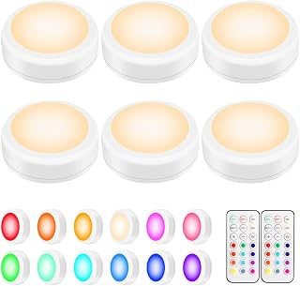 | Alivation | B089DXCPWK | Led Under Cabinet Lighting Battery Operated Lights, 6 Puck Lights with Remote Control, Closet Lights Kitchen Cabinet Lighting Stick on Lights, 13 Color Changing Lights, Touch Push Tap Lights | 19.85 | 200 |  | 2026-09 | Color: White；Size: 6 Pack；普通干电池（AA／AAA，具体见本子体原文）；按压／触摸或遥控；不冒称人体感应；尺寸原文：3"L x 3"W x 1.2"H | 已纳入 | 人工已纳入；影响属性分析的字段无需确认项。 | 有效同月正值；raw/trend_B0D1GBY2YL_1.json | 3,970.00 | 200
40 | 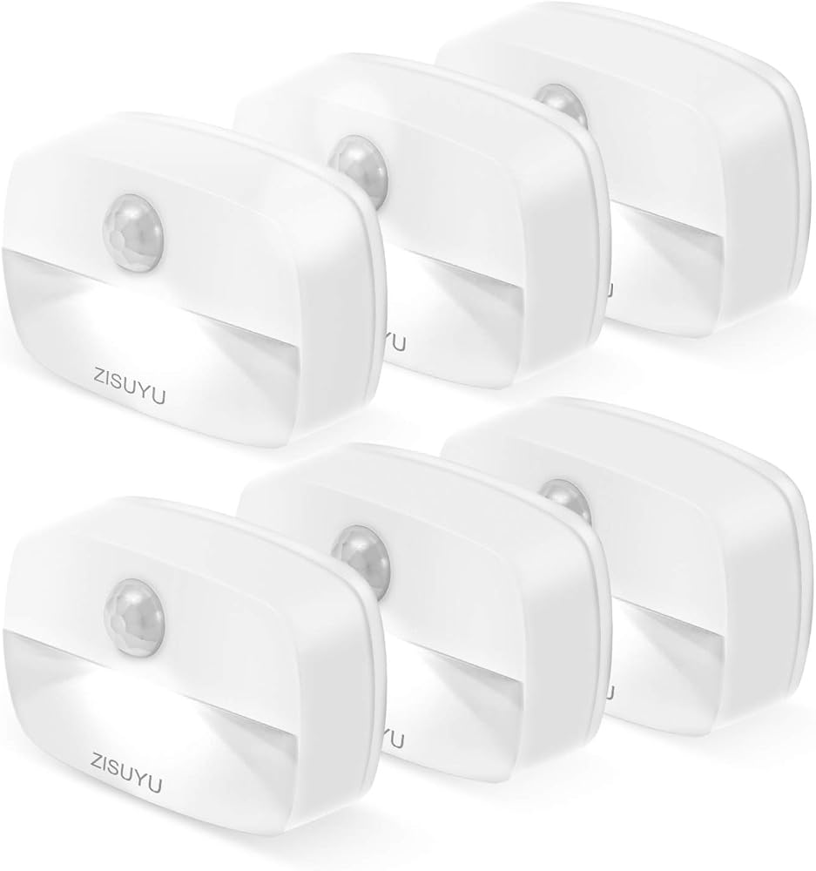 | ZISUYU | B08GJQDJ35 | ZISUYU Mini Motion Sensor Night Light Indoor Battery Operated(White,6 Pack) | 18.99 | 200 |  | 2026-09 | 供电：AA/AAA干电池｜使用干电池，容量不固定；控制：人体感应＋光感门槛（够暗才感应亮）；6只装；形态：矩形／下部发光；发光：冷白光（6000K），30lm | 已纳入 | 人工已纳入；发光颜色／可切换色温或彩光模式：查页后仍缺明确证据，已读取本子体商品详情、规格及图片，未找到可直接确认的数值或模式；保持需确认，不以推断填值。 | 有效同月正值；raw/trend_B08GJQDJ35_1.json | 4,484.00 | 200
110 | 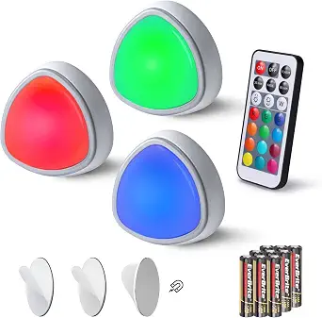 | EverBrite | B0B23XG6KP | EverBrite 3-Pack Tap Lights, LED Puck Lights with Remote Control | 9.99 | 200 |  | 2026-09 | Triangle Tap Light / 3；供电：普通干电池（具体型号见商品页） | 已纳入 | 人工已纳入；影响属性分析的字段无需确认项。 | 有效同月正值；raw/trend_B0B243TKVM_1.json | 1,998.00 | 200
137 | 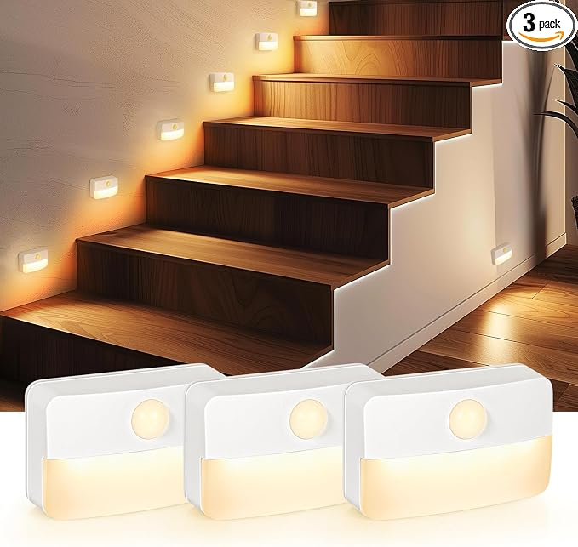 | Guankai | B0DHWTFXYC | Guankai 3 Pack Motion Sensor Stair Light for Indoor, Battery Operated Closet Lights, Wireless Stick on Anywhere Hallway Lamp, Portable Led Night Lamps for Bedroom Under Cabinet Kitchen |  | 200 |  | 2026-09 | 供电：AA/AAA干电池｜使用干电池，容量不固定；每只3节AAA；控制：人体感应＋光感门槛（够暗才感应亮）；3只装；形态：矩形／下部发光；发光：固定白光／单色温 | 已纳入 | 人工已纳入；冻结统计期的整套售价：查页后仍缺明确证据，本次商品页仍未返回本子体报价；原价格快照也缺失。不得使用兄弟款价格或把缺价记成0。 | 有效同月正值；raw/trend_B0HG9PBM5T_1.json | 2,998.00 | 200
53 | 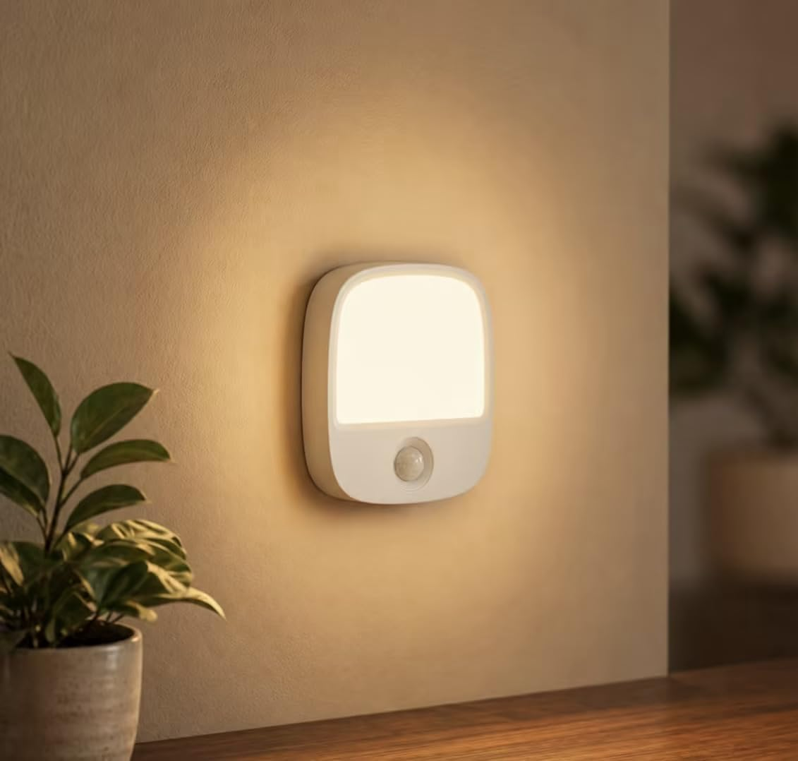 | EZVALO | B0GLWR51X8 | EZVALO Rechargeable Motion Sensor Night Light, Magnetic Stick-On LED Light with 3 Color Temperatures, Dimming & Memory, Portable Cordless Light for Closet, Bedroom, Hallway, Stairs, Bathroom (1 Pack) | 9.99 | 200 |  | 2026-09 | Color: White；Number of Items: 1；尺寸原文：3.15"D x 2.75"W x 0.59"H；可充电；Rechargeable 1000mAh Battery Closet Light: The built-in battery charges in about 3 hours a | 已纳入 | 人工已纳入；影响属性分析的字段无需确认项。 | 有效同月正值；raw/trend_B0GLWR51X8_1.json | 999.00 | 100
30 | 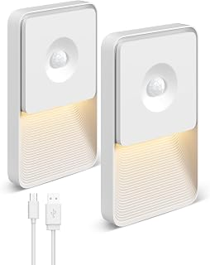 | GOODEA | B0H29579BG | GOODEA 2 Pack Motion Sensor Night Lights, Rechargeable Stair Lights Indoor | 14.99 | 200 |  | 2026-09 | 供电：USB充电｜内置电池，2400mAh；控制：人体感应＋光感门槛（够暗才感应亮）；套装：2只装；形态：矩形／下部发光；发光：固定白光／单色温 | 已纳入 | 人工已纳入；影响属性分析的字段无需确认项。 | 有效同月正值；raw/trend_B0H29579BG_1.json | 2,776.00 | 200
12 | 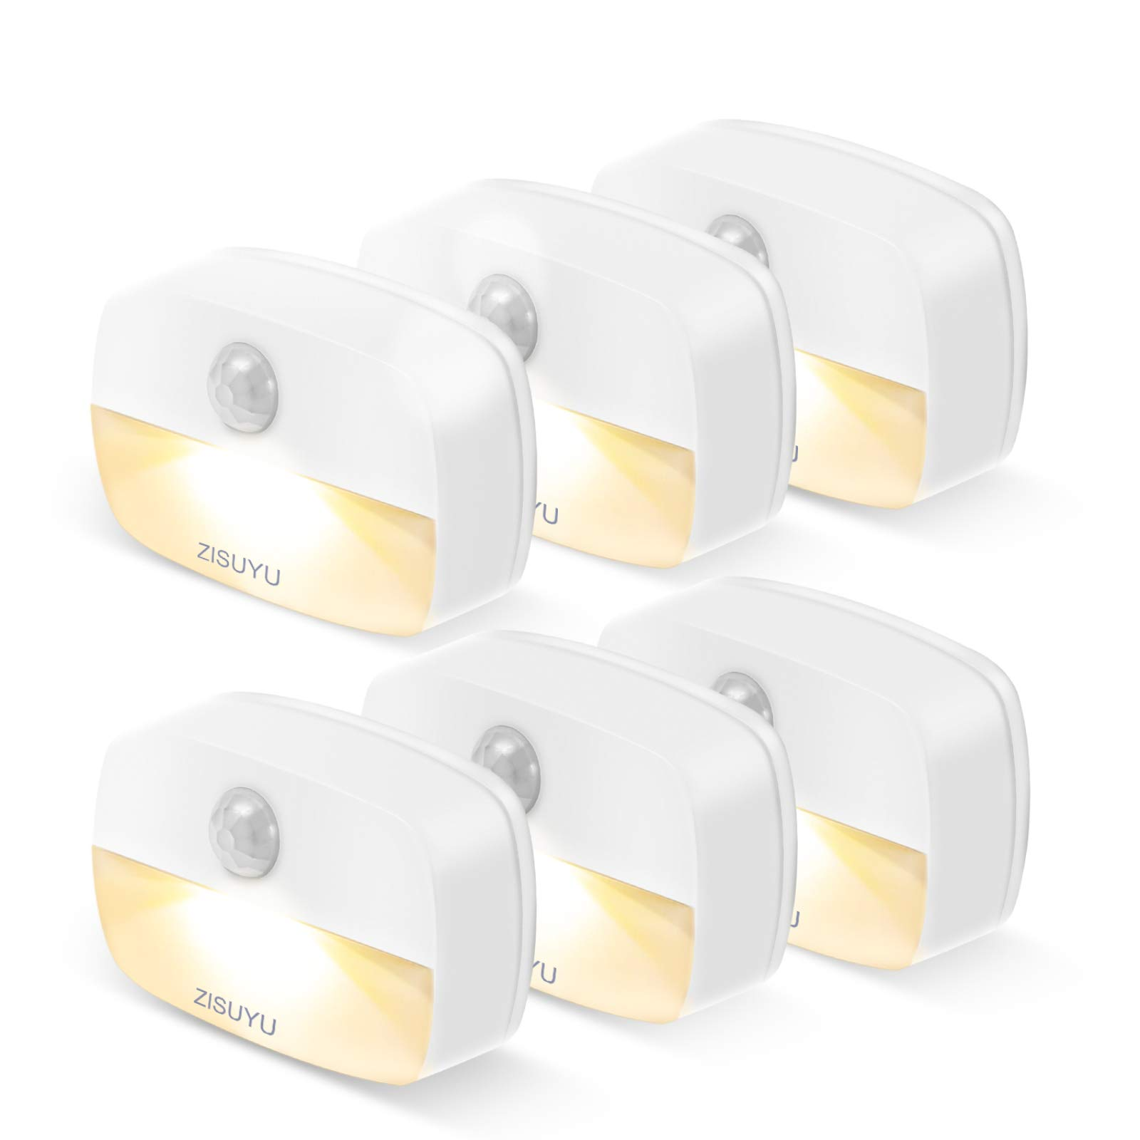 | ZISUYU | B08DYG9926 | ZISUYU Mini Motion Sensor Night Light Indoor Battery Operated(Warm,6 Pack) Stick on Battery Powered Led NightLight Home Lamp Ideal for Stair Closet Hallway Bathroom Bedroom Under Cabinet Kitchen | 19.99 | 100 |  | 2026-09 | 3节AAA电池，不含电池；6只装；暖光；20lm；背胶；4m／120°感应；约30秒关闭 | 已纳入 | 人工已纳入；影响属性分析的字段无需确认项。 | 有效同月正值；raw/trend_B08GJQDJ35_1.json | 2,175.00 | 100
112 | 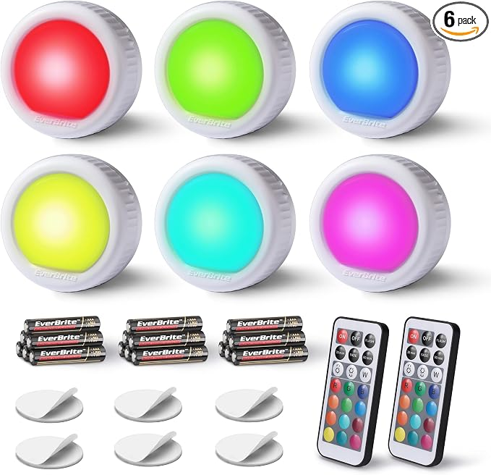 | EverBrite | B094TXYKD1 | EverBrite 6-Pack Tap Lights, LED Puck Lights with Remote Control | 19.99 | 100 |  | 2026-09 | Round Tap Light / 6；供电：普通干电池（具体型号见商品页） | 已纳入 | 人工已纳入；影响属性分析的字段无需确认项。 | 有效同月正值；raw/trend_B0B243TKVM_1.json | 1,999.00 | 100
107 | 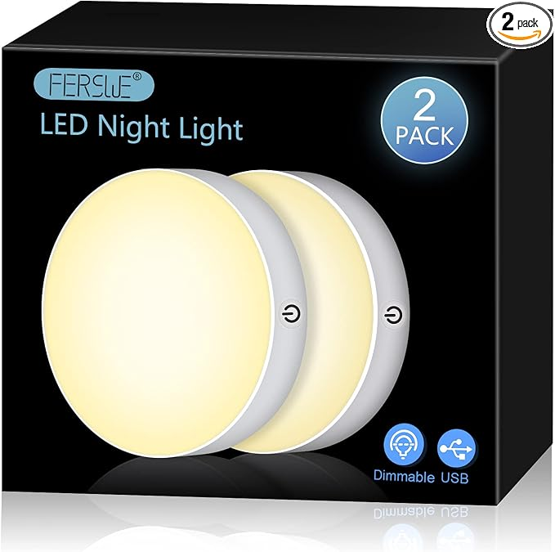 | Ferswe | B09G6V7N54 | Ferswe Dimmable Touch Lights, 3000K Rechargeable Tap Light with 1000mAh Large Battery, Stick on Lights for Closet, Cabinet, Shelf, Wall and Desk(2 Pack) | 16.99 | 100 |  | 2026-09 | White / Warm Yellow；供电：可充电 | 已纳入 | 人工已纳入；影响属性分析的字段无需确认项。 | 有效同月正值；raw/trend_B0BNZWJWSQ_1.json | 1,896.00 | 100
81 | 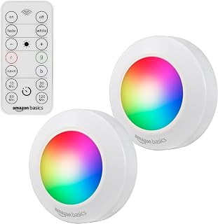 | Amazon Basics | B0B4SG74XQ | Amazon Basics LED Puck Lights, Color Changing, Battery Operated, IR Remote, 40 Lumens, Under Cabinet Lighting, Wireless Stick on Lights, Ideal for Closets, 2-Pack, White | 9.93 | 100 |  | 2026-09 | 每只灯：3节AAA电池；按压灯面开关；2只装；发光分类：RGB／彩色变光；人工确认：人体感应＋遥控＋按压 | 已纳入 | 人工已纳入；影响属性分析的字段无需确认项。 | 有效同月正值；raw/trend_B0B4SGTMPG_1.json | 562.00 | 100
113 | 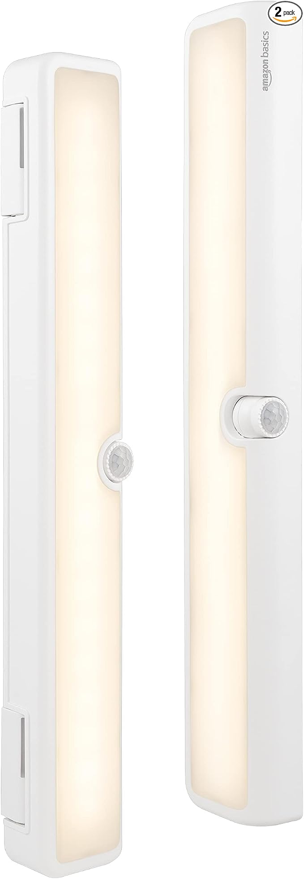 | Amazon Basics | B0B4SGTMPG | Amazon Basics LED Motion Sensor Light Bar, USB/Battery Operated, 250 Lumens, 12 Inches, Swivel, Under Cabinet Lighting for Closet, Kitchen, 2-Pack, White | 19.13 | 100 |  | 2026-09 | 供电：AA/AAA干电池｜使用干电池，容量不固定（标题另标USB可直供，不单列）；控制：人体感应；2只装；形态：长条／条形发光；发光：白光 | 已纳入 | 人工已纳入；发光颜色／可切换色温或彩光模式：查页后仍缺明确证据，已有明确白光或色温证据，已补入事实与独立统计类别；尚未明确能否切换色温或彩光，模式字段继续需确认，不把白光自动当固定单色。 | 有效同月正值；raw/trend_B0B4SGTMPG_1.json | 2,204.00 | 100
13 | 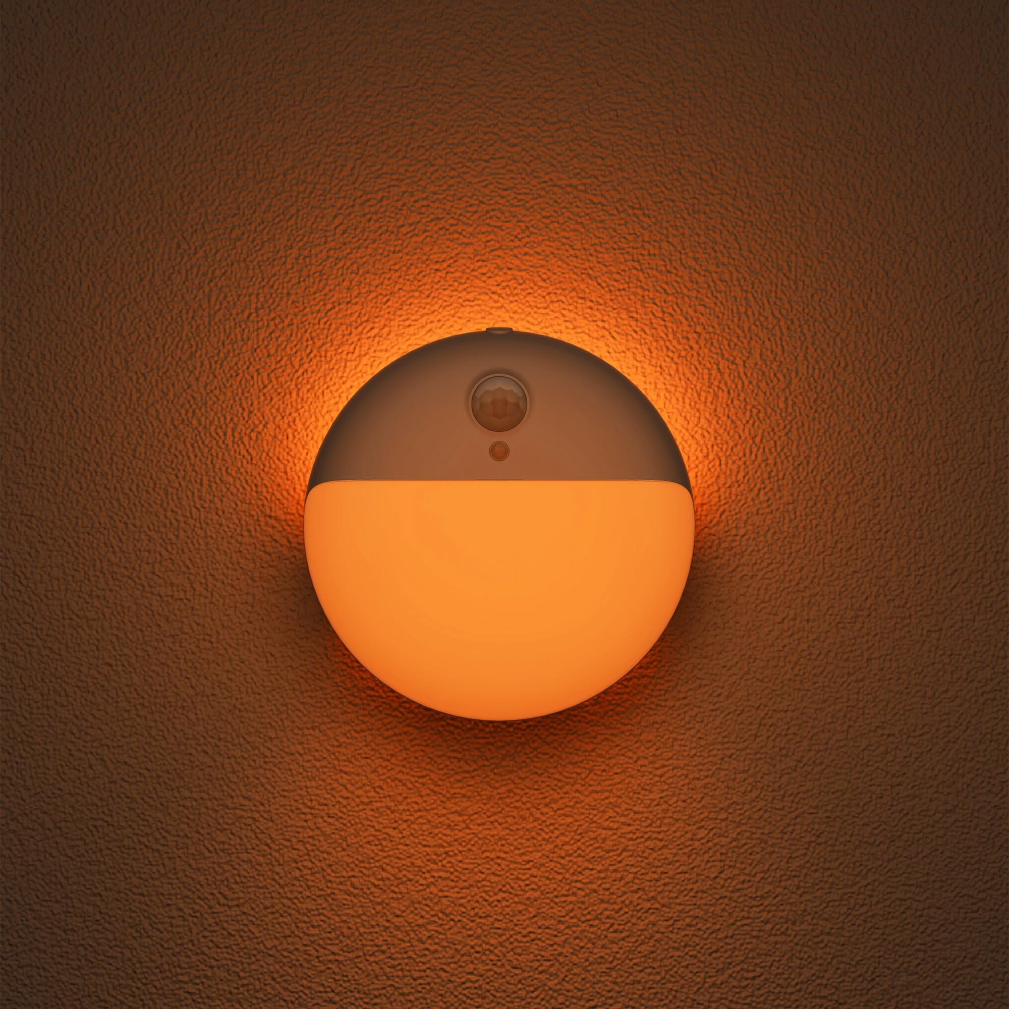 | YUNLEX | B0B54X3XVL | YUNLEX Small Motion Sensor Amber Night Light, 3 Modes, 2 Pack Battery Powered, Dimmable 1-15lm, Soft Glow, No Plug, Wireless Stick on Light for Bedroom, Sleep, Bathroom, Kids, Toilet | 13.99 | 100 |  | 2026-09 | 3节AAA（7号）电池；2只装；琥珀光；可调光；正面／背光／双光源；背胶 | SKU｜高相关竞对 | 人工已纳入；影响属性分析的字段无需确认项。 | 有效同月正值；raw/trend_B0CC1HRX6M_1.json | 1,401.00 | 100
14 | 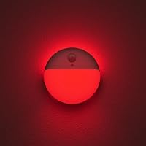 | YUNLEX | B0B54YYL8L | Red Night Light Battery Operated Motion Sensor, 1-10lm, 2 Pack 3 Modes, Dimmable, Small Wireless Stick on Light for Baby Nursery, Sleep, Bedroom, Bathroom, Kids | 13.99 | 100 |  | 2026-09 | 3节AAA（7号）电池；2只装；红光；可调光；正面／背光／双光源；背胶 | 已纳入 | 人工已纳入；影响属性分析的字段无需确认项。 | 有效同月正值；raw/trend_B0CC1HRX6M_1.json | 1,399.00 | 100
20 | 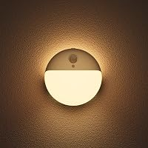 | YUNLEX | B0C59JK9KC | Toilet Light Motion Sensor, Battery Operated Night Light Indoor 2 Pack, 3 Modes, Dimmable 1-15lm, Low Light No Plug, Small Wireless Stick on Light for Bathroom, Stairs, Cabinet, Warm Yellow | 13.99 | 100 |  | 2026-09 | 3节AAA（7号）电池；2只装；暖黄光；可调光；正面／背光／双光源；背胶 | SKU｜高相关竞对 | 人工已纳入；影响属性分析的字段无需确认项。 | 有效同月正值；raw/trend_B0CC1HRX6M_1.json | 1,399.00 | 100
116 |  | Lyridz | B0CB6D13CD | Lyridz Plug in Night Light with Motion Sensor and Dusk to Dawn Sensor, Dimmable Cool White Nightlight with 1-50lm Adjustable Brightness for Bedroom, Bathroom, Stairs, Hallway, 2 Pack | 11.99 | 100 |  | 2026-09 | 2 / Cool White；供电：USB插电｜无内置电池 | 已纳入 | 人工已纳入；影响属性分析的字段无需确认项。 | 有效同月正值；raw/trend_B0DMNYYXN3_1.json | 1,199.00 | 100
119 |  | Lyridz | B0CN8KQP8V | Lyridz Rechargeable Night Light, Motion Sensor Battery Nightlights, Mini Stick-on LED Closet Light, 1-20LM Dimmable Brightness for Bedroom, Kitchen, Washroom, Stairs, Hallway, 3-Pack | 22.99 | 100 |  | 2026-09 | 供电：USB充电｜内置电池，500mAh；控制：人体感应＋光感门槛（够暗才感应亮）；3只装；形态：圆角方形／下部发光；发光：固定白光／单色温 | 已纳入 | 人工已纳入；影响属性分析的字段无需确认项。 | 有效同月正值；raw/trend_B0FBWD2WT2_1.json | 2,236.00 | 100
104 |  | SEMSMOKS | B0CPTDKK68 | Puck Lights with Remote Control Battery Operated LED Push Lights Wireless, 13 Color RGB - for Closet, Bedroom Wall, Under Cabinet, Battery Powered ambient lighting. Convenient 3M Stick On, Black 6Pcs | 22.99 | 100 |  | 2026-09 | 6-packs / Black；供电：普通干电池（具体型号见商品页） | 已纳入 | 人工已纳入；影响属性分析的字段无需确认项。 | 有效同月正值；raw/trend_B0FQQLVHH2_1.json | 2,299.00 | 100
83 |  | DAZZY DOT | B0DDXYW17M | DAZZY DOT Rechargeable Night Light Motion Sensor, Battery Night Light | 25.99 | 100 |  | 2026-09 | Style: 4pc；内置可充电电池；人体感应（按本子体详情）；尺寸原文：3.17"D x 3.17"W x 0.93"H | 已纳入 | 人工已纳入；影响属性分析的字段无需确认项。 | 有效同月正值；raw/trend_B0DDY2TF9K_1.json | 2,599.00 | 100
3 |  | EverBrite | B0DZN8DC88 | EverBrite 2-Pack Rechargeable Round Motion Sensor LED Night Lights 3 Lighting Modes, Touch Control, 3 Color Temperatures & Dimmable, Ideal for Kitchen, Bathroom, Stairs, and Bedroom | 11.69 | 100 |  | 2026-09 | 供电：USB充电｜内置电池，750mAh；控制：人体感应＋光感门槛（够暗才感应亮）、触摸；2只装；形态：圆盘／下半面发光；发光：可调色温 | 已纳入 | 人工已纳入；影响属性分析的字段无需确认项。 | 有效同月正值；raw/trend_B0DZNKG125_1.json | 1,265.00 | 100
118 |  | Lyridz | B0FBWD2WT2 | Lyridz Rechargeable Battery Night Light with Motion Sensor, Dimmable Amber Nightlights for Bathroom, Bedroom, Hallway, Stairs, Pet House, 3 Pack | 23.99 | 100 |  | 2026-09 | 供电：USB充电｜内置电池，500mAh；控制：人体感应＋光感门槛（够暗才感应亮）；套装：3只装；形态：圆角方形／下部发光；发光：固定白光／单色温 | 已纳入 | 人工已纳入；影响属性分析的字段无需确认项。 | 有效同月正值；raw/trend_B0FBWD2WT2_1.json | 2,399.00 | 100
10 |  | DiCUNO | B0FCXXBVPX | DiCUNO Motion Sensor Night Light, Stick-On, Battery Operated, 3000K, 4-Pack Stick-On Nightlight with Dusk to Dawn Sensor, 20lm, Warm White, 0.5W, Night Lights LED for Bedroom, Bathroom, Hallway, Stairs | 11.99 | 100 |  | 2026-09 | 电池供电，商品页未写电池型号（2026-10-15核五点及商品信息）；4只装；3000K暖白；20lm；0.5W；约6.6×5.0×1.5cm；背胶 | 已纳入 | 人工已纳入；影响属性分析的字段无需确认项。 | 有效同月正值；raw/trend_B0FCXXBVPX_1.json | 1,199.00 | 100
140 |  | EZVALO | B0FQ9PYM4F | EZVALO 8 Pack Motion Sensor Closet Lights, 1200mAh Rechargeable Under Cabinet Lights, Night Lights, Puck Lights, Dimmable, 3 Color Temps, Magnetic, Stick-On for Kitchen, Stairs, Closet | 36.99 | 100 |  | 2026-09 | 8Pack；供电：可充电 | 已纳入 | 人工已纳入；影响属性分析的字段无需确认项。 | 有效同月正值；raw/trend_B0FQB6ZX8Q_1.json | 3,535.00 | 100
134 |  | Guankai | B0FQNBD2HY | 16 Pack Rechargeable Motion Sensor Stair Lights for Indoor, Wireless Battery Operated Night Light, Magnetic Led Stick On Portable Lamp for Step Hallway Closet Under Cabinet Bedroom Kitchen Bathroom | 54.99 | 100 |  | 2026-09 | 供电：USB充电｜内置电池，1000mAh；控制：人体感应＋光感门槛（够暗才感应亮）；16只装；形态：矩形／下部发光；发光：固定白光／单色温 | 已纳入 | 人工已纳入；影响属性分析的字段无需确认项。 | 有效同月正值；raw/trend_B0HG9PBM5T_1.json | 5,499.00 | 100
47 |  | ENATECLITE | B0FR2KM6H9 | 2 Pack Waterproof Outdoor/Indoor Motion Sensor Light, Child-Safe Screw-Locked Battery Operated Light, 13ft Range,3000K/4000K/5000K Adjustable LED Lights for Closet, Kitchen, Hallway, Garage | 15.99 | 100 |  | 2026-09 | Color: White；2.95"D x 1.08"W x 3.18"H；普通干电池；人体感应；下半部灯罩 | 已纳入 | 人工已纳入；影响属性分析的字段无需确认项。 | 有效同月正值；raw/trend_B0FR2KM6H9_1.json | 1,599.00 | 100
28 |  | DAZZY DOT | B0G1XM9NB8 | DAZZY DOT Motion Sensor Night Light, 3 Pack Rechargeable LED Stair Lights | 19.00 | 100 |  | 2026-09 | 供电：USB充电｜内置电池，500mAh；控制：人体感应＋光感门槛（够暗才感应亮）；3只装；形态：圆角方形／下部发光；发光：固定白光／单色温 | 已纳入 | 人工已纳入；影响属性分析的字段无需确认项。 | 有效同月正值；raw/trend_B0G1XM9NB8_1.json | 1,789.00 | 100
145 |  | EZVALO | B0GLFSQZ5N | EZVALO Rechargeable Motion Sensor Night Lights, 4 Pack Magnetic Stick-On LED Lights, 3 Color Temperatures, 10%-100% Dimming & Memory, 1000mAh Light for Closet, Bedroom, Hallway, Stairs, Bathroom | 22.99 | 100 |  | 2026-09 | 4；供电：可充电 | 已纳入 | 人工已纳入；影响属性分析的字段无需确认项。 | 有效同月正值；raw/trend_B0GLWR51X8_1.json | 2,414.00 | 100
147 |  | GOODEA | B0H291F3BS | GOODEA 6 Pack Motion Sensor Night Lights, Rechargeable Stair Lights Indoor | 27.99 | 100 |  | 2026-09 | 供电：USB充电｜内置电池，600mAh；控制：人体感应＋光感门槛（够暗才感应亮）；6只装；形态：矩形／下部发光；发光：固定白光／单色温 | 已纳入 | 人工已纳入；影响属性分析的字段无需确认项。 | 有效同月正值；raw/trend_B0H29579BG_1.json | 2,651.00 | 100
39 |  | Boogaa | B0H2ZNW2XN | 10 Pack Motion Sensor Stair Lights Indoor, Automatic Activated Closet Lights Battery Operated, Wireless Hallway Lights with Warm White, Portable LED Night Light for Bedroom, Under Cabinet, Kitchen | 16.99 | 100 |  | 2026-09 | ；尺寸原文：1.57"L x 0.78"W x 2.55"H；10只装；本子体3节AAA＋人体感应；下半面柔光；外壳横向较宽，资料单灯2.59×1.65×0.82英寸，非标准等径圆盘，作为近形差异需确认。 | 已纳入 | 人工已纳入；影响属性分析的字段无需确认项。 | 有效同月正值；raw/trend_B0H2ZNW2XN_1.json | 1,699.00 | 100
72 |  | RTSU | B01A4A094C | RTSU Rechargeable Touch Light, DIY Stick Anywhere Led Night Light Touch Lamp Tap Light (Touch Sensor Switch, Stepless Dimmer, Last Setting Memory, Built-in Battery Powered, Warm White Light) | 15.85 | 50 |  | 2026-09 | 供电：USB充电｜内置电池，500mAh；控制：触摸；1只装；形态：圆盘／大面积正面发光；发光：固定白光／单色温 | 已纳入 | 人工已纳入；影响属性分析的字段无需确认项。 | 有效同月正值；raw/trend_B01A4A094C_1.json | 792.50 | 50
69 |  | RTSU | B072VSRNXN | RTSU Rechargeable Touch Light with Timer, Dimmable Kids Baby Nursery Night Light Lamp, Stick-on Anywhere LED Push Tap Light for Closet Cabinet, Brightness Memory, Warm White Light | 15.89 | 50 |  | 2026-09 | 供电：USB充电｜内置电池，600mAh；控制：触摸；1只装；形态：圆盘／大面积正面发光；发光：固定白光／单色温 | 已纳入 | 人工已纳入；影响属性分析的字段无需确认项。 | 有效同月正值；raw/trend_B072VSRNXN_1.json | 794.50 | 50
29 |  | AURAXY | B09481LN1P | AURAXY Rechargeable Battery Night Light, Motion Sensor Night Light, LED Warm White Magnetic Stick-on Motion Sensored Hallway Light, with Dusk to Dawn Sensor for Stairs, Wall, Closet, Cabinet (3 Pack) | 22.98 | 50 |  | 2026-09 | 供电：USB充电｜内置电池，容量未标明；控制：人体感应＋光感门槛（够暗才感应亮）；3只装；形态：圆盘／上半面发光；发光：固定白光／单色温 | 已纳入 | 人工已纳入；内置电池容量（mAh，毫安时）：查页后仍缺明确证据，已检查本子体详情、规格及图库，未找到明确毫安时数值；续航、充电时长和同品牌其他款不能代替本款容量。 | 有效同月正值；raw/trend_B0BRSMHKPM_1.json | 1,149.00 | 50
15 |  | YUNLEX | B0B54YRMCH | YUNLEX Toilet Light Motion Sensor, Dim Blue Night Light Battery Operated 2 Pack, 3 Modes, Dimmable 1-10lm, Soft Glow, Motion Activated LED Nightlight, Wireless Stick on Light for Kids, Bathroom | 13.99 | 50 |  | 2026-09 | 3节AAA（7号）电池；2只装；蓝光；可调光；正面／背光／双光源；背胶 | 已纳入 | 人工已纳入；影响属性分析的字段无需确认项。 | 有效同月正值；raw/trend_B0CC1HRX6M_1.json | 699.50 | 50
117 |  | Lyridz | B0CB6DYT89 | Lyridz Plug in Night Light with Motion Sensor and Dusk to Dawn Sensor, Dimmable Cool White Nightlight with 1-50lm Adjustable Brightness for Bedroom, Bathroom, Stairs, Hallway, 4 Pack | 19.99 | 50 |  | 2026-09 | 4 / Cool White；供电：USB插电｜无内置电池 | 已纳入 | 人工已纳入；影响属性分析的字段无需确认项。 | 有效同月正值；raw/trend_B0DMNYYXN3_1.json | 999.50 | 50
16 |  | YUNLEX | B0CC1HRX6M | YUNLEX Toilet Night Light Motion Activated, Dim Light Battery Operated 2 Pack, 3 Modes, Dimmable 1-15lm, Wireless Motion Sensor Stick on Light for Bathroom, Stairs, Indoor, Cabinet, Kids, Azure | 13.99 | 50 |  | 2026-09 | 3节AAA（7号）电池；2只装；蓝光；可调光；正面／背光／双光源；背胶 | 已纳入 | 人工已纳入；影响属性分析的字段无需确认项。 | 有效同月正值；raw/trend_B0CC1HRX6M_1.json | 699.50 | 50
59 |  | VST | B0D2PQBPSD | VST Motion Sensor Step Night Light, Rechargeable Battery Powered Led Light with Magnetic Suck Installation for Bedroom Hallway Stair Nursery Kids Room (2.68 inch 3000K 6Pack Silver) | 42.31 | 50 |  | 2026-09 | Color: Silver；Size: 6pack；尺寸原文：2.68"L x 1.65"W x 0.35"H；可充电；【PIR Motion Sensor & battery operated】Sensitive, it can sense and light up within 120° of | 已纳入 | 人工已纳入；影响属性分析的字段无需确认项。 | 有效同月正值；raw/trend_B0D2PQBPSD_1.json | 2,292.50 | 50
5 |  | YUNLEX | B0DYZTW8H8 | YUNLEX Motion Sensor Night Light Battery Operated, Stick on Light Indoor 4 Pack, 3 Modes, Dimmable 1-15lm, Low Light No Plug, Small Wireless Motion Light for Toilet, Stairs, Bathroom, Warm White | 21.99 | 50 |  | 2026-09 | 3节AAA（7号）电池；4只装；暖白光；可调光；正面／背光／双光源；背胶 | SKU｜高相关竞对 | 人工已纳入；影响属性分析的字段无需确认项。 | 有效同月正值；raw/trend_B0DYZW1FDT_1.json | 1,099.50 | 50
11 |  | Consss | B0FDGPFVNQ | Consss Motion Activated Night Light,Nightlights with Light Sensors Dual Color Modes 6000K White Light/3000K Warm Light Adhesive Installation for Bedroom, Kitchen, Stairs, Hallway,Garage,2 Pack | 9.99 | 50 |  | 2026-09 | 3000K暖光／6000K白光切换；约7.5×7.5×3.3cm；120°、约3m感应；约35秒点亮；供电型号和件数没有数据 | 已纳入 | 人工已纳入；影响属性分析的字段无需确认项。 | 有效同月正值；raw/trend_B0FDGPFVNQ_1.json | 499.50 | 50
44 |  | VZZNN | B0FJLQPLMB | 10 Pack Motion Sensor Stair Light Indoor, Battery Operated Night Lights | 25.99 | 50 |  | 2026-09 | ；1.57"L x 1.57"W x 2.55"H；普通干电池；人体感应；下半部灯罩 | 已纳入 | 人工已纳入；影响属性分析的字段无需确认项。 | 有效同月正值；raw/trend_B0FJLQPLMB_1.json | 1,299.50 | 50
124 |  | AMIR | B0FL2H8SFN | AMIR 12 Pack Motion Sensor Stair Lights for Indoor, Battery-Operated LED Night Light, 40 Lumen 6500K, Cordless Closet Light, Tap Light, Safe Lights for Stairs, Hallway, Bathroom, Cabinet, Kitchen | 25.99 | 50 |  | 2026-09 | 12；供电：普通干电池（具体型号见商品页） | 已纳入 | 人工已纳入；影响属性分析的字段无需确认项。 | 有效同月正值；raw/trend_B0FL2H8SFN_1.json | 1,399.50 | 50
100 |  | SEMSMOKS | B0FQPVHQLF | SFMSMOks Ratterv Oneratedl FD Puck liahts with Wireless Remote,13 Color RGB -for Closet, Bedroon Wal, Under Cabinet, Battery Powered Push Lights.Convenient 3M Stick On (White,2-Packs) | 9.98 | 50 |  | 2026-09 | 供电：AA/AAA干电池｜使用干电池，容量不固定；控制：遥控；2只装；形态：圆盘／大面积正面发光；发光：RGB／彩色变光 | 已纳入 | 人工已纳入；影响属性分析的字段无需确认项。 | 有效同月正值；raw/trend_B0FQQLVHH2_1.json | 499.00 | 50
54 |  | Coolilumi | B0FXM727FX | Rechargeable Motion Sensor Night Light, Warm White LED Stair Light | 6.99 | 50 |  | 2026-09 | 供电：USB充电｜内置电池，500mAh；控制：人体感应；1只装；形态：矩形／下部发光；发光：固定白光／单色温 | 已纳入 | 人工已纳入；影响属性分析的字段无需确认项。 | 有效同月正值；raw/trend_B0GRTXNLPL_1.json | 349.50 | 50
85 |  | HOLKPOILOT | B0GCKDSYGJ | HOLKPOILOT Ultra Thin Puck Lights with Remote, LED Under Cabinet & Closet Lighting Wireless, 3 Color Temps & Dimmable Stick On Lights Battery Operated for Kitchen,Counter,Shelves (6pack) | 26.98 | 50 |  | 2026-09 | Color: Black；Size: 6 Pack；普通干电池（AA／AAA，具体见本子体原文）；按压／触摸或遥控；不冒称人体感应；尺寸原文：3.54"L x 3.54"W x 0.68"H | 已纳入 | 人工已纳入；影响属性分析的字段无需确认项。 | 有效同月正值；raw/trend_B0GCKDSYGJ_1.json | 1,349.00 | 50
144 |  | sooogd | B0GGH3P7NX | 9 Pack Rechargeable Motion Sensor Stair Lights Indoor, Automatic Activated LED Night Light Wireless Battery Powered Portable Hallway Step Toilet Closet Lamp for Bedroom Kitchen | 28.49 | 50 |  | 2026-09 | 供电：USB充电｜内置电池，1000mAh；控制：人体感应＋光感门槛（够暗才感应亮）；9只装；形态：矩形／下部发光；发光：固定白光／单色温 | 已纳入 | 人工已纳入；影响属性分析的字段无需确认项。 | 有效同月正值；raw/trend_B0GGH3P7NX_1.json | 1,499.50 | 50
96 |  | VICOX | B0GWGSS5CV | Wood Grain LED Puck Light, 6 Pack Push Lights Tap Light Battery Powered | 16.99 | 50 |  | 2026-09 | Natural Wood 6-Pack；供电：普通干电池（具体型号见商品页） | 已纳入 | 人工已纳入；影响属性分析的字段无需确认项。 | 有效同月正值；raw/trend_B0GWH9YWK6_1.json | 849.50 | 50
97 |  | VICOX | B0GWH9YWK6 | Wood Grain LED Puck Light, 6 Pack Small Push Tap Lights Battery Powered | 16.99 | 50 |  | 2026-09 | Walnut 6-Pack；供电：普通干电池（具体型号见商品页） | 已纳入 | 人工已纳入；影响属性分析的字段无需确认项。 | 有效同月正值；raw/trend_B0GWH9YWK6_1.json | 849.50 | 50
139 |  | Guankai | B0HG9M12L6 | Guankai 8 Pack Motion Sensor Stair Lights for Indoor, Wireless RGB Battery Operated Night Light, Led Stick On Hallway Closet Under Cabinet Stairway Automatic Lamp for Bedroom Kitchen Bathroom | 25.99 | 50 |  | 2026-09 | 供电：USB充电｜内置电池，容量未标明；控制：人体感应；套装：8只装；形态：矩形／下部发光；发光：RGB／彩色变光 | 已纳入 | 人工已纳入；影响属性分析的字段无需确认项。 | 有效同月正值；raw/trend_B0HG9PBM5T_1.json
133 |  | Guankai | B0HG9PBM5T | Guankai 16 Pack Motion Sensor Stair Light for Indoor, Battery Operated Closet Lights, Wireless Stick on Anywhere Hallway Lamp, Portable Led Night Lamps for Bedroom Under Cabinet Kitchen, Wood Grain | 51.99 | 50 |  | 2026-09 | Wood Grain - Battery Powered / Warm White / 16 Pack；供电：普通干电池（具体型号见商品页） | 已纳入 | 人工已纳入；影响属性分析的字段无需确认项。 | 有效同月正值；raw/trend_B0HG9PBM5T_1.json | 2,599.50 | 50
27 |  | AMIR | B07FNJ34YN | AMIR Upgraded Motion Sensor Stair Light Indoor (Warm White - Pack of 3) | 12.99 |  |  | 2026-09 | 3节AAA电池；3只装；暖光；约7.1×7.1×2.8cm；背胶；3m／120°感应 | 已纳入 | 人工已纳入；影响属性分析的字段无需确认项。 | 原始0未证实；查询已完成，未取有效同月值
68 |  | WILLED | B07PVYDMKF | WILLED Dimmable Touch Light Buit-in 1000mAh Large Battery Rechargeable LED Tap Lights | Magnet Stick on Closet Portable Puck Night for Cabinet, Wardrobe, Counter, Kitchen, Bedroom(2 Pack) | 19.99 |  |  | 2026-09 | Color: White；Set name: Pure White；内置可充电电池；按压／触摸或遥控；不冒称人体感应；尺寸原文：1.9"D x 1.5"W x 3.9"H | 已纳入 | 人工已纳入；影响属性分析的字段无需确认项。 | 原始0未证实；查询已完成，未取有效同月值
6 |  | AMIR | B07X1N24XF | AMIR Upgraded Motion Sensor Stair Light Indoor (White - Pack of 3) Battery Operated, Cordless Stick-On LED Night Light for Closet, Hallway, Bathroom, Kitchen, Cabinet, Energy Efficient | 11.69 |  |  | 2026-09 | 3节AAA电池；3只装；白光；约7.1×7.1×2.8cm；背胶；3m／120°感应；约20秒关闭 | 已纳入 | 人工已纳入；影响属性分析的字段无需确认项。 | 原始0未证实；查询已完成，未取有效同月值
23 |  | LAKIQ | B088LN1VJC | LAKIQ 3/6 Pack LED Night Light Battery Powered Motion Sensor Lights Round Cabinet Lighting with Infrared Sensor Dusk to Down Sensor Stick-Anywhere Stair Lights Hallway Bedroom (White Light, 3 Pack) | 24.95 |  |  | 2026-09 | 3节AAA电池；3只装；白光；直径8cm、厚2.7cm；磁吸＋背胶 | SKU｜高相关竞对 | 人工已纳入；影响属性分析的字段无需确认项。 | 没有数据同月值；查询已完成，未取有效同月值
21 |  | LAKIQ | B088LNNG5Q | LAKIQ 3/6 Pack LED Night Light Battery Powered Motion Sensor Lights Round Cabinet Lighting with Infrared Sensor Dusk to Down Sensor Stick-Anywhere Stair Lights Hallway Bedroom (White Light, 6 Pack) | 38.95 |  |  | 2026-09 | 3节AAA电池；6只装；白光；直径8cm、厚2.7cm；磁吸＋背胶 | SKU｜高相关竞对 | 人工已纳入；影响属性分析的字段无需确认项。 | 没有数据同月值；查询已完成，未取有效同月值
2 |  | LAKIQ | B088LT7KPC | LAKIQ 3/6 Pack LED Night Light Battery Powered Motion Sensor Lights Round Cabinet Lighting with Infrared Sensor Dusk to Down Sensor Stick-Anywhere Stair Lights Hallway Bedroom (Warm Light, 3 Pack) | 24.95 |  |  | 2026-09 | 3节AAA（7号）电池，不含电池；3只装；暖光；直径8cm、厚2.7cm；磁吸＋背胶；感应约15英尺、120° | SKU｜高相关竞对 | 人工已纳入；影响属性分析的字段无需确认项。 | 没有数据同月值；查询已完成，未取有效同月值
22 |  | LAKIQ | B088LXJKN6 | LAKIQ 3/6 Pack LED Night Light Battery Powered Motion Sensor Lights Round Cabinet Lighting with Infrared Sensor Dusk to Down Sensor Stick-Anywhere Stair Lights Hallway Bedroom (Warm Light, 6 Pack) | 38.95 |  |  | 2026-09 | 3节AAA电池；6只装；暖光；直径8cm、厚2.7cm；磁吸＋背胶 | SKU｜高相关竞对 | 人工已纳入；影响属性分析的字段无需确认项。 | 没有数据同月值；查询已完成，未取有效同月值
90 |  | AMIR | B08TM6L93X | AMIR Upgraded Motion Sensor Stair Light Indoor (White - Pack of 6) | 21.99 |  |  | 2026-09 | 供电：AA/AAA干电池｜使用干电池，容量不固定；控制：人体感应＋光感门槛（够暗才感应亮）；6只装；形态：圆角方形／下部发光；发光：白光 | 已纳入 | 人工已纳入；发光颜色／可切换色温或彩光模式：查页后仍缺明确证据，已有明确白光或色温证据，已补入事实与独立统计类别；尚未明确能否切换色温或彩光，模式字段继续需确认，不把白光自动当固定单色。 | 原始0未证实；查询已完成，未取有效同月值 | 1,099.50 | 50
71 |  | Ferswe | B08Z7T7QHJ | Rechargeable Tap Lights, Dimmable Touch Night Lights with 1000mAh Large Battery, Stick on Light for Closet, Bedroom, Bathroom and Cabinet (2 Pack) | 16.99 |  |  | 2026-09 | Color: White；Set name: Cool White；内置可充电电池；按压／触摸或遥控；不冒称人体感应；尺寸原文：3.35"D x 3.35"W x 0.67"H | 已纳入 | 人工已纳入；影响属性分析的字段无需确认项。 | 原始0未证实；查询已完成，未取有效同月值 | 1,896.00 | 100
125 |  | WILLED | B091B72J29 | WILLED 3000K Dimmable Touch Lights, Battery Rechargeable Tap Lights, Magnet Stick on Closet Light, Portable LED Puck Night Lights for Cabinet, Wardrobe, Counter, Kitchen, Bedroom (2 Pack) | 21.99 |  |  | 2026-09 | White / Warm White；供电：可充电 | 已纳入 | 人工已纳入；影响属性分析的字段无需确认项。 | 原始0未证实；查询已完成，未取有效同月值
111 |  | EverBrite | B0B243TKVM | EverBrite 6-Pack Tap Lights, LED Puck Lights with Remote Control | 19.99 |  |  | 2026-09 | Triangle Tap Light / 6；供电：普通干电池（具体型号见商品页） | 已纳入 | 人工已纳入；影响属性分析的字段无需确认项。 | 原始0未证实；查询已完成，未取有效同月值
114 |  | YUNLEX | B0B54Y6M5Q | YUNLEX Toilet Light Motion Sensor 2 Pack, LED Nightlight Battery Powered | 13.99 |  |  | 2026-09 | Daylight White；供电：普通干电池（具体型号见商品页） | 已纳入 | 人工已纳入；影响属性分析的字段无需确认项。 | 原始0未证实；查询已完成，未取有效同月值
123 |  | AMIR | B0B8MQN3F1 | AMIR 6 Pack Mini Motion Sensor Stair Light for Indoor, Battery-Powered LED Night Light, 40 Lumen 3000K, Cordless Closet Lights, Safe Lights for Stairs, Hallway, Bathroom, Kitchen, Cabinet | 16.99 |  |  | 2026-09 | 供电：AA/AAA干电池｜使用干电池，容量不固定；每只3节AAA；控制：人体感应＋光感门槛（够暗才感应亮）；6只装；形态：矩形／下部发光；发光：固定白光／单色温 | 已纳入 | 人工已纳入；影响属性分析的字段无需确认项。 | 原始0未证实；查询已完成，未取有效同月值
45 |  | JXTZ | B0BFGJPJP2 | 【2 PACK】 Motion Sensor Night Light, Stick-On Motion Sensor Lights Indoor, Battery Powered Under Cabinet Kitchen Lights with Adhesive Pads, Auto/On/Off for Cupboard Wardrobe Stair Kitchen | 8.99 |  |  | 2026-09 | Color: White；Size: 2PCS；1.57 x 1.57 x 2.52 inches；普通干电池；人体感应；下半部灯罩 | 已纳入 | 人工已纳入；影响属性分析的字段无需确认项。 | 原始0未证实；查询已完成，未取有效同月值
48 |  | AMIR | B0BFVG4SMH | AMIR 2 Pack Mini Motion Sensor Stair Light for Indoor, Battery-Powered LED Night Light, 40 Lumen 3000K, Cordless Closet Lights, Safe Lights for Stairs, Hallway, Bathroom, Kitchen, Cabinet | 8.99 |  |  | 2026-09 | Color: Warm White；Number of Items: 2；3.54 x 3.07 x 1.34 inches；普通干电池；人体感应；下半部灯罩 | 已纳入 | 人工已纳入；影响属性分析的字段无需确认项。 | 原始0未证实；查询已完成，未取有效同月值
43 |  | AMIR | B0BFW1DPN2 | AMIR 2 Pack Mini Motion Sensor Stair Light for Indoor, Battery-Powered LED Night Light, 40 Lumen 6500K, Cordless Closet Lights, Safe Lights for Stairs, Hallway, Bathroom, Kitchen, Cabinet | 8.99 |  |  | 2026-09 | Item Package Quantity: 2；Color: White；2.56"L x 0.79"W x 1.57"H；普通干电池；人体感应；下半部灯罩 | 已纳入 | 人工已纳入；影响属性分析的字段无需确认项。 | 原始0未证实；查询已完成，未取有效同月值
41 |  | JXTZ | B0BKFHXGK1 | 【2 Pack】Motion Sensor Night Light, Stick-On Motion Sensor Lights Indoor, Battery Powered Under Cabinet Kitchen Lights with Adhesive Pads, Auto/On/Off for Cupboard Wardrobe Stair Kitchen- Warm White | 8.99 |  |  | 2026-09 | Color: Warm White；Size: 2PCS；3.35 x 3.03 x 1.34 inches；普通干电池；人体感应；下半部灯罩 | 已纳入 | 人工已纳入；影响属性分析的字段无需确认项。 | 原始0未证实；查询已完成，未取有效同月值
122 |  | AMIR | B0BM3S8CPZ | AMIR 4 Pack Mini Motion Sensor Stair Light for Indoor, Battery-Powered LED Night Light, 40 Lumen 3000K, Cordless Closet Lights, Safe Lights for Stairs, Hallway, Bathroom, Kitchen, Cabinet | 14.99 |  |  | 2026-09 | 4；供电：普通干电池（具体型号见商品页） | 已纳入 | 人工已纳入；影响属性分析的字段无需确认项。 | 原始0未证实；查询已完成，未取有效同月值
105 |  | Ferswe | B0BNM7K6W8 | Ferswe Rechargeable Tap Light 6000K, Dimmable Touch Light with 1000mAh Large Battery，Brightness Adjustable, Stick on Lights for Closet, Cabinet, Counter, Kitchen, Bedroom and Wall(2 Pack) | 17.99 |  |  | 2026-09 | Black / Cool White；供电：可充电 | 已纳入 | 人工已纳入；影响属性分析的字段无需确认项。 | 原始0未证实；查询已完成，未取有效同月值
106 |  | Ferswe | B0BNZWJWSQ | Ferswe Dimmable Touch Light, 3000K Rechargeable Touch Lights Stick on, Closet Light with 1000mAh Large Battery, LED Night Light for Closet, Counter, Kitchen, Bedroom and Wall(2 Pack) | 17.99 |  |  | 2026-09 | Black / Warm Yellow；供电：可充电 | 已纳入 | 人工已纳入；影响属性分析的字段无需确认项。 | 原始0未证实；查询已完成，未取有效同月值
126 |  | WILLED | B0BP2F2DLY | WILLED Tap Light Rechargeable, 3000K Dimmable Touch Light Buit-in 1000mAh Large Battery, Stick on Closet Light, Portable LED Puck Night Lights for Cabinet, Wardrobe, Counter, Kitchen, Bedroom (2 Pack) | 20.99 |  |  | 2026-09 | Black / Warm White；供电：可充电 | 已纳入 | 人工已纳入；影响属性分析的字段无需确认项。 | 原始0未证实；查询已完成，未取有效同月值
120 |  | JXTZ | B0BRQ2RC9N | 【4 Pack】 Motion Sensor Night Light, Stick-On Motion Sensor Lights Indoor, Battery Powered Under Cabinet Kitchen Lights with Adhesive Pads, Auto/On/Off for Cupboard Wardrobe Stair Kitchen- Warm White | 13.99 |  |  | 2026-09 | Warm White / 4 PCS；供电：普通干电池（具体型号见商品页） | 已纳入 | 人工已纳入；影响属性分析的字段无需确认项。 | 没有数据同月值；查询已完成，未取有效同月值
108 |  | AURAXY | B0BRSMFQCF | AURAXY Rechargeable Motion Sensor Night Light, Battery Night Lights LED Cool White Magnetic Stick-on Motion Sensored Hallway Light, with Dusk to Dawn Sensor for Stair, Wall, Bedroom, Bathroom(6 Pack) | 40.98 |  |  | 2026-09 | 供电：USB充电｜内置电池，容量未标明；控制：人体感应＋光感门槛（够暗才感应亮）；6只装；形态：圆盘／上半面发光；发光：固定白光／单色温 | 已纳入 | 人工已纳入；内置电池容量（mAh，毫安时）：查页后仍缺明确证据，已检查本子体详情、规格及图库，未找到明确毫安时数值；续航、充电时长和同品牌其他款不能代替本款容量。 | 没有数据同月值；查询已完成，未取有效同月值
109 |  | AURAXY | B0BRSMHKPM | AURAXY Rechargeable Motion Sensor Night Light, Battery Night Lights LED Cool White Magnetic Stick-on Motion Sensored Hallway Light, with Dusk to Dawn Sensor for Stair, Wall, Bedroom, Bathroom(3 Pack) | 22.99 |  |  | 2026-09 | 供电：USB充电｜内置电池，容量未标明；控制：人体感应＋光感门槛（够暗才感应亮）；3只装；形态：圆盘／上半面发光；发光：固定白光／单色温 | 已纳入 | 人工已纳入；内置电池容量（mAh，毫安时）：查页后仍缺明确证据，已检查本子体详情、规格及图库，未找到明确毫安时数值；续航、充电时长和同品牌其他款不能代替本款容量。 | 原始0未证实；查询已完成，未取有效同月值
60 |  | junlit | B0BZH895GY | Rechargeable Mini Night Light, Warm White Motion Sensor Light, Stick-on LED Closet Light, Stick Anywhere, Wall-Mounted Dimmable Brightness for Wall, Stairs, Cabinet, Hallway, 2Pack | 12.99 |  |  | 2026-09 | 供电：USB充电｜内置电池，500mAh；控制：人体感应；2只装；形态：圆盘／下半面发光；发光：可调色温 | 已纳入 | 人工已纳入；影响属性分析的字段无需确认项。 | 原始0未证实；查询已完成，未取有效同月值
19 |  | YUNLEX | B0C59HGY8B | YUNLEX 2 Pack Toilets Light Motion Sensor, Battery Operated Night Light 3 Modes, Dimmable 1-15lm, Soft Gold Yellow, Smart Bulbs, Wireless Motion Activated Light for Bathroom, Bedroom, Room Decor | 13.99 |  |  | 2026-09 | 3节AAA（7号）电池；2只装；黄光；可调光；正面／背光／双光源；背胶 | SKU｜高相关竞对 | 人工已纳入；影响属性分析的字段无需确认项。 | 原始0未证实；查询已完成，未取有效同月值
17 |  | YUNLEX | B0CC1DQYXZ | YUNLEX Pink Motion Sensor Night Light Battery Operated, Dim Light,1-15lm 2 Pack, 3 Modes, Dimmable, Wireless Motion Activated Light, Stick on, Pink Light for Girls, Bathroom, Bedroom, Room Decor | 13.99 |  |  | 2026-09 | 3节AAA（7号）电池；2只装；粉光；可调光；正面／背光／双光源；背胶 | 已纳入 | 人工已纳入；影响属性分析的字段无需确认项。 | 原始0未证实；查询已完成，未取有效同月值
18 |  | YUNLEX | B0CC1GR3PL | YUNLEX Purple Motion Sensor Night Light Battery Operated, Dim Sticky Light 2 Pack, 3 Modes, Dimmable 1-15lm, Soft Glow, Wireless Motion Activated Violet Light for Girls, Bathroom, Bedroom, Adults | 13.99 |  |  | 2026-09 | 3节AAA（7号）电池；2只装；紫光；可调光；正面／背光／双光源；背胶 | 已纳入 | 人工已纳入；影响属性分析的字段无需确认项。 | 原始0未证实；查询已完成，未取有效同月值
128 |  | AMIR | B0CY3RCJR2 | AMIR Upgraded Mini Motion Sensor Light Battery-Powered, Cordless Stick-on LED Night Light, Wall Light, Closet Lights, Safe Lights for Stairs, Hallway, Bathroom, Kitchen, Cabinet (Pack of 6 - White) | 18.59 |  |  | 2026-09 | 6 / White；供电：普通干电池（具体型号见商品页） | 已纳入 | 人工已纳入；影响属性分析的字段无需确认项。 | 原始0未证实；查询已完成，未取有效同月值
38 |  | AMIR | B0CY3SGH6C | AMIR Upgraded Mini Motion Sensor Light Battery-Powered, Cordless Stick-on LED Night Light, Wall Light, Closet Lights, Safe Lights for Stairs, Hallway, Bathroom, Kitchen, Cabinet (Pack of 4 - White) | 14.99 |  |  | 2026-09 | 供电：AA/AAA干电池｜使用干电池，容量不固定；控制：人体感应＋光感门槛（够暗才感应亮）；4只装；形态：圆盘／下半面发光；发光：白光，35lm | SKU｜高相关竞对 | 人工已纳入；发光颜色／可切换色温或彩光模式：查页后仍缺明确证据，已有明确白光或色温证据，已补入事实与独立统计类别；尚未明确能否切换色温或彩光，模式字段继续需确认，不把白光自动当固定单色。 | 原始0未证实；查询已完成，未取有效同月值
4 |  | LOFICOPER | B0CY4CPC78 | LOFICOPER Motion Sensor Night Light, Stick-On Anywhere, Battery Operated Smart PIR Infrared Sensor, 4m/13ft Detect Range, Auto-on/off, Eye-friendly, for Stair, Cabinet, Closet, Hallway, Bedroom | 13.99 |  |  | 2026-09 | 供电：AA/AAA干电池｜使用干电池，容量不固定；每只3节AAA；控制：人体感应＋光感门槛（够暗才感应亮）；6只装；形态：圆盘／下半面发光；发光：白光已披露／前台五点仅写20lm，未写切换模式（2026-10-15核） | SKU｜高相关竞对 | 人工已纳入；发光颜色／可切换色温或彩光模式：查页后仍缺明确证据，已有明确白光或色温证据，已补入事实与独立统计类别；尚未明确能否切换色温或彩光，模式字段继续需确认，不把白光自动当固定单色。 | 原始0未证实；查询已完成，未取有效同月值
129 |  | AMIR | B0CY4JKF3N | AMIR Upgraded Mini Motion Sensor Light Battery-Powered, Cordless Stick-on LED Night Light, Wall Lights, Closet Lights, Safe Light for Stairs, Hallway, Bathroom, Kitchen, Cabinet (6 PCS - Warm White) | 18.59 |  |  | 2026-09 | 6 / Warm White；供电：普通干电池（具体型号见商品页） | 已纳入 | 人工已纳入；影响属性分析的字段无需确认项。 | 原始0未证实；查询已完成，未取有效同月值
93 |  | Alivation | B0D1GBY2YL | Alivation Puck Lights with Remote Control, LED Under Cabinet Lights Wireless, LED Lights Battery Operated, Tap Lights Battery Powered, Stick on Push Lights for Closet, Kitchen, Wall, Counter (Black) | 19.98 |  |  | 2026-09 | Black；供电：普通干电池（具体型号见商品页） | 已纳入 | 人工已纳入；影响属性分析的字段无需确认项。 | 原始0未证实；查询已完成，未取有效同月值 | 999.00 | 50
49 |  | PATIKIL | B0D5Y2KVSX | PATIKIL Indoor Smart Stair Lights Motion Sensor, 3pcs Battery Operated Under Counter Lighting for Kitchen, Bedroom, Closet, Warm Light | 19.79 |  |  | 2026-09 | Color: Warm White；3.74 x 3.31 x 3.31 inches；普通干电池；人体感应；下半部灯罩 | 已纳入 | 人工已纳入；影响属性分析的字段无需确认项。 | 没有数据同月值；查询已完成，未取有效同月值
115 |  | Lyridz | B0DMNYYXN3 | Lyridz Plug in Night Light with Motion Sensor and Dusk to Dawn Sensor, Dimmable Warm Nightlight with 1-50lm Adjustable Brightness Indoor for Bedroom, Bathroom, Stairs, Hallway, 1 Pack | 7.99 |  |  | 2026-09 | 1 / Warm White；供电：USB插电｜无内置电池 | 已纳入 | 人工已纳入；影响属性分析的字段无需确认项。 | 原始0未证实；查询已完成，未取有效同月值
94 |  | HELPLEX | B0DRP6P7FS | HELPLEX LED Puck Lights with Remote, 6 Pack Color Changing RGBW Stick-On Light, Battery Powered, Dimmable Under Cabinet Lighting with Timer & Memory, Wireless Push Lights for Kitchen & Closet, Blue | 18.90 |  |  | 2026-09 | Blue / 6 Pack；供电：普通干电池（具体型号见商品页） | 已纳入 | 人工已纳入；影响属性分析的字段无需确认项。 | 原始0未证实；查询已完成，未取有效同月值
26 |  | YUNLEX | B0DYZSMT4L | YUNLEX Motion Sensor Night Light Battery Operated, Stick on Light Indoor 6 Pack, 3 Modes, Dimmable 1-15lm, Low Light No Plug, Small Wireless Motion Light for Toilet, Stairs, Bathroom, Warm White | 24.99 |  |  | 2026-09 | 电池供电（每只3节AAA，前台五点2026-10-15核）；6只装；暖白光；3种照明模式；标题注明1–15lm可调 | SKU｜高相关竞对 | 人工已纳入；影响属性分析的字段无需确认项。 | 原始0未证实；查询已完成，未取有效同月值
25 |  | YUNLEX | B0DYZVRDQ4 | YUNLEX Toilet Light Motion Sensor 6 Pack, LED Nightlight Battery Powered 3 Modes, Dimmable 1-15lm, Wireless Motion Activated Light, Sticky Light for Bathroom, Stairs, Indoor, Daylight White | 24.99 |  |  | 2026-09 | 3节AAA（7号）电池；6只装；白光；可调光；正面／背光／双光源；背胶 | SKU｜高相关竞对 | 人工已纳入；影响属性分析的字段无需确认项。 | 原始0未证实；查询已完成，未取有效同月值
130 |  | YUNLEX | B0DYZW1FDT | YUNLEX Toilet Light Motion Sensor 4 Pack, LED Nightlight Battery Powered | 22.99 |  |  | 2026-09 | Daylight White / 4 Pack；供电：普通干电池（具体型号见商品页） | 已纳入 | 人工已纳入；影响属性分析的字段无需确认项。 | 原始0未证实；查询已完成，未取有效同月值
24 |  | EverBrite | B0DZNBZW17 | EverBrite 6-Pack Rechargeable Round Motion Sensor LED Night Lights 3 Lighting Modes, Touch Control, 3 Color Temperatures & Dimmable, Ideal for Kitchen, Bathroom, Stairs, and Bedroom | 27.99 |  |  | 2026-09 | 供电：USB充电｜内置电池，750mAh；控制：人体感应＋光感门槛（够暗才感应亮）、触摸；6只装；形态：圆盘／下半面发光；发光：可调色温 | 已纳入 | 人工已纳入；影响属性分析的字段无需确认项。 | 原始0未证实；查询已完成，未取有效同月值
131 |  | EverBrite | B0DZNG8PYD | EverBrite 6-Pack Rechargeable Square Motion Sensor LED Night Lights | 25.19 |  |  | 2026-09 | 供电：USB充电｜内置电池，750mAh；控制：人体感应＋光感门槛（够暗才感应亮）、触摸；6只装；形态：矩形／下部发光；发光：可调色温 | 已纳入 | 人工已纳入；影响属性分析的字段无需确认项。 | 原始0未证实；查询已完成，未取有效同月值
132 |  | EverBrite | B0DZNKG125 | EverBrite 2-Pack Rechargeable Square Motion Sensor LED Night Lights | 11.69 |  |  | 2026-09 | 供电：USB充电｜内置电池，750mAh；控制：人体感应＋光感门槛（够暗才感应亮）、触摸；2只装；形态：矩形／下部发光；发光：可调色温 | 已纳入 | 人工已纳入；影响属性分析的字段无需确认项。 | 原始0未证实；查询已完成，未取有效同月值
50 |  | Guankai | B0F66DL3V8 | 16 Pack Motion Sensor Stair Light Indoor, Battery Operated Night Lights | 49.99 |  |  | 2026-09 | Color: White - Battery Powered；Light color: Warm White；Size: 16 Pack；2.5"L x 0.7"W x 1.5"H；普通干电池；人体感应；下半部灯罩 | 已纳入 | 人工已纳入；影响属性分析的字段无需确认项。 | 没有数据同月值；查询已完成，未取有效同月值 | 9,998.00 | 200
58 |  | Coolilumi | B0FD8PNWC4 | Motion Sensor Night Lights, 6 Pack White Rechargeable LED Stair Lights | 22.89 |  |  | 2026-09 | 供电：USB充电｜内置电池，500mAh；控制：人体感应；6只装；形态：矩形／下部发光；发光：固定白光／单色温 | 已纳入 | 人工已纳入；影响属性分析的字段无需确认项。 | 原始0未证实；查询已完成，未取有效同月值
46 |  | AMIR | B0FL2KT837 | AMIR 12 Pack Motion Sensor Stair Lights for Indoor, Battery-Operated LED Night Light, 40 Lumen 3000K, Cordless Closet Light, Tap Light, Safe Lights for Stairs, Hallway, Bathroom, Cabinet, Kitchen | 25.99 |  |  | 2026-09 | Color: Warm White；Number of Items: 12；7.48"D x 6.49"W x 1.18"H；普通干电池；人体感应；下半部灯罩 | 已纳入 | 人工已纳入；影响属性分析的字段无需确认项。 | 原始0未证实；查询已完成，未取有效同月值
37 |  | Guankai | B0FM7QBD5X | 12 Pack Motion Sensor Stair Light for Indoor, Battery Operated Night Lights, Led Stick On Puck Lighting Closet Lamp, Motion Activated Lamps for Step, Cabinet, Hallway, Bathroom | 29.99 |  |  | 2026-09 | Size: 12 Pack；尺寸原文：2.4"L x 2.4"W x 1.1"H；12只装；本子体3节AAA＋人体感应；大图为圆盘上部感应窗、下半面柔光。发现于真实搜索页，不由同父体自动加入。 | SKU｜高相关竞对 | 人工已纳入；影响属性分析的字段无需确认项。 | 原始0未证实；查询已完成，未取有效同月值
102 |  | SEMSMOKS | B0FQPV8B5P | SEMSMOKS Battery Operated LED Puck Lights with Wireless Remote, 13 Color RGB - for Closet, Bedroom Wall, Under Cabinet, Battery Powered Push Lights. Convenient 3M Stick On (Black, 3pcs) | 13.99 |  |  | 2026-09 | 3-packs / Black；供电：普通干电池（具体型号见商品页） | 已纳入 | 人工已纳入；影响属性分析的字段无需确认项。 | 原始0未证实；查询已完成，未取有效同月值
101 |  | SEMSMOKS | B0FQQ3W12D | SEMSMOKS Battery Operated LED Puck Lights with Wireless Remote, 13 Color RGB - for Closet, Bedroom Wall, Under Cabinet, Battery Powered Push Lights. Convenient 3M Stick On(White, 3-Packs) | 13.99 |  |  | 2026-09 | 3-packs / White；供电：普通干电池（具体型号见商品页） | 已纳入 | 人工已纳入；影响属性分析的字段无需确认项。 | 原始0未证实；查询已完成，未取有效同月值
103 |  | SEMSMOKS | B0FQQLVHH2 | SEMSMOKS Battery Operated LED Push Lights with Wireless Remote, 13 Color RGB - for Closet, Bedroom Wall, Under Cabinet, Battery Powered Puck Lights. Convenient 3M Stick On(Black, 2-Packs) | 12.99 |  |  | 2026-09 | 2-packs / Black；供电：普通干电池（具体型号见商品页） | 已纳入 | 人工已纳入；影响属性分析的字段无需确认项。 | 没有数据同月值；查询已完成，未取有效同月值
142 |  | ENATECLITE | B0FQTXDMHT | 2-Pack Motion Sensor Night Light, 3CCT, Waterproof, Magnetic | 15.99 |  |  | 2026-09 | 供电：AA/AAA干电池｜使用干电池，容量不固定；每只3节AAA；控制：人体感应＋光感门槛（够暗才感应亮）；2只装；形态：圆角方形／狭缝下照；发光：可调色温 | 已纳入 | 人工已纳入；影响属性分析的字段无需确认项。 | 原始0未证实；查询已完成，未取有效同月值
121 |  | JXTZ | B0FVDLH5MS | 12 Pack Motion Sensor Night Light, Stick-On Motion Sensor Lights Indoor, Battery Powered Under Cabinet Kitchen Lights with Adhesive Pads, Auto/On/Off for Cupboard Wardrobe Stair Kitchen- Warm White | 25.99 |  |  | 2026-09 | Warm White / 12PCS；供电：普通干电池（具体型号见商品页） | 已纳入 | 人工已纳入；影响属性分析的字段无需确认项。 | 没有数据同月值；查询已完成，未取有效同月值
146 |  | VIHOSE | B0G3V3PXHZ | VIHOSE 16 Pack Motion Sensor Stair Light for Indoor, Battery Operated Closet Lights, LED Stick On Night Lamp, Sensor Motion Activated Lamp for Step Cabinet Hallway Bedroom Kitchen Bathroom | 29.99 |  |  | 2026-09 | 供电：AA/AAA干电池｜使用干电池，容量不固定；每只3节AAA；控制：人体感应＋光感门槛（够暗才感应亮）；16只装；形态：圆盘／下半面发光；发光：固定白光／单色温 | 已纳入 | 人工已纳入；影响属性分析的字段无需确认项。 | 原始0未证实；查询已完成，未取有效同月值
98 |  | VICOX | B0G58C5JWJ | Tap Light Push Lights, 36 Pack Stick on Puck Lights Battery Operated | 42.99 |  |  | 2026-09 | 供电：AA/AAA干电池｜使用干电池，容量不固定；控制：按压；36只装；形态：圆盘／点状灯珠发光；发光：冷白光 | 已纳入 | 人工已纳入；发光颜色／可切换色温或彩光模式：查页后仍缺明确证据，已有明确白光或色温证据，已补入事实与独立统计类别；尚未明确能否切换色温或彩光，模式字段继续需确认，不把白光自动当固定单色。 | 没有数据同月值；查询已完成，未取有效同月值
99 |  | VICOX | B0G58H6CGS | Tap Light Push Lights, 84 Pack Stick on Puck Lights Battery Operated | 89.99 |  |  | 2026-09 | 供电：AA/AAA干电池｜使用干电池，容量不固定；控制：按压；84只装；形态：圆盘／点状灯珠发光；发光：冷白光 | 已纳入 | 人工已纳入；发光颜色／可切换色温或彩光模式：查页后仍缺明确证据，已有明确白光或色温证据，已补入事实与独立统计类别；尚未明确能否切换色温或彩光，模式字段继续需确认，不把白光自动当固定单色。 | 没有数据同月值；查询已完成，未取有效同月值
143 |  | Coolilumi | B0GRTX2M6J | Motion Sensor Night Lights, 3 Pack Rechargeable LED Stair Lights | 15.99 |  |  | 2026-09 | 供电：USB充电｜内置电池，500mAh；控制：人体感应；3只装；形态：矩形／下部发光；发光：固定白光／单色温 | 已纳入 | 人工已纳入；影响属性分析的字段无需确认项。 | 原始0未证实；查询已完成，未取有效同月值
42 |  | Coolilumi | B0GRTXNLPL | Motion Sensor Night Light, 1 Pack Battery Operated LED Stair Light | 5.29 |  |  | 2026-09 | Size: 1 Pack；Set name: Battery Operated；；普通干电池；人体感应；下半部灯罩 | 已纳入 | 人工已纳入；影响属性分析的字段无需确认项。 | 原始0未证实；查询已完成，未取有效同月值
34 |  | VIHOSE | B0GYMMXP6X | VIHOSE 8 Pack Motion Sensor Stair Light for Indoor, Battery Operated Closet Lights, LED Stick on Night Lamp, Sensor Motion Activated Lamp for Step Cabinet Hallway Bedroom Kitchen Bathroom | 21.99 |  |  | 2026-09 | Item Package Quantity: 8；尺寸原文：2.36"L x 2.36"W x 0.83"H；8只装；大图圆盘上部感应窗、下半面发光，详情有暗环境人体感应；只证明电池供电，普通干电池类型未明确，待人工补证，不标合格。 | SKU｜高相关竞对 | 人工已纳入；影响属性分析的字段无需确认项。 | 原始0未证实；查询已完成，未取有效同月值
35 |  | CQTLED | B0GZL95ST9 | LED Motion Sensor Night Light, Dusk to Dawn Sensor, 3000K Soft White, AAA Alkaline Battery Operated, Auto On/Off, Mini Light for Stairs, Cabinet, Hallway (4-Pack) | 19.99 |  |  | 2026-09 | ；尺寸原文：2.6"D x 0.6"W x 2"H；4只装；详情主述2节AAA＋人体感应，但同文AA／AAA与总节数冲突；圆壳下半部三角格栅光窗，与我方平整半圆灯罩存在差异，需确认。 | 已纳入 | 人工已纳入；影响属性分析的字段无需确认项。 | 原始0未证实；查询已完成，未取有效同月值
91 |  | AMIR | B0H118QW2L | AMIR Upgraded Motion Sensor Stair Light Indoor (Warm White - Pack of 6) | 19.99 |  |  | 2026-09 | Warm White / 6；供电：普通干电池（具体型号见商品页） | 已纳入 | 人工已纳入；影响属性分析的字段无需确认项。 | 原始0未证实；查询已完成，未取有效同月值
36 |  | Ropoloogy | B0H1CMYZWQ | 12 Pcs Stick-on Motion Sensor Stair Light Indoor Warm White LED Night Light | 26.99 |  |  | 2026-09 | ；尺寸原文：9.65"L x 5.2"W x 1.97"H；12只装；详情3节AAA＋人体感应；下半部弧形透镜发光。大图外壳横向较宽，与标准圆盘比例不同；资料尺寸可能为套装包装，需确认外形与测量范围。 | 已纳入 | 人工已纳入；影响属性分析的字段无需确认项。 | 原始0未证实；查询已完成，未取有效同月值
148 |  | Nuxiuay | B0H9DFHJSF | Motion Sensor Night Lights USB-C Rechargeable, 3-Level Dimmable, Compact Ultra Slim, Magnet Install, for Indoor Hallway, Bedroom, Closet, Stairs (6pack) | 22.99 |  |  | 2026-09 | 6pack；供电：可充电 | 已纳入 | 人工已纳入；影响属性分析的字段无需确认项。 | 原始0未证实；查询已完成，未取有效同月值
51 |  | Nuxiuay | B0H9DJRBPR | Motion Sensor Night Lights USB-C Rechargeable, 3-Level Dimmable, Compact Ultra Slim, Magnet Install, for Indoor Hallway, Bedroom, Closet, Stairs (2pack) | 12.99 |  |  | 2026-09 | Set name: 2pack；尺寸原文：0.71"D x 2.76"W x 2.76"H；可充电；USB-C RECHARGEABLE: Built-in 400mAh battery powers the light wirelessly, eliminating the n | 已纳入 | 人工已纳入；影响属性分析的字段无需确认项。 | 原始0未证实；查询已完成，未取有效同月值
57 |  | Yiliaw | B0HCYM8YNS | Yiliaw 2 Pack Motion Sensor Night Lights, Stair Lights Rechargeable Indoor | 9.99 |  |  | 2026-09 | 供电：USB充电｜内置电池，容量未标明；控制：人体感应＋光感门槛（够暗才感应亮）；2只装；形态：圆角方形／边缘或背面发光；发光：可调色温 | 已纳入 | 人工已纳入；内置电池容量（mAh，毫安时）：查页后仍缺明确证据，已检查本子体详情、规格及图库，未找到明确毫安时数值；续航、充电时长和同品牌其他款不能代替本款容量。 | 没有数据同月值；查询已完成，未取有效同月值
150 |  | Yiliaw | B0HCYQZWY7 | Yiliaw 6 Pack Motion Sensor Night Lights, Stair Lights Rechargeable Indoor | 24.99 |  |  | 2026-09 | 供电：USB充电｜内置电池，容量未标明；控制：人体感应＋光感门槛（够暗才感应亮）；6只装；形态：圆角方形／边缘或背面发光；发光：可调色温 | 已纳入 | 人工已纳入；内置电池容量（mAh，毫安时）：查页后仍缺明确证据，已检查本子体详情、规格及图库，未找到明确毫安时数值；续航、充电时长和同品牌其他款不能代替本款容量。 | 没有数据同月值；查询已完成，未取有效同月值
151 |  | Yiliaw | B0HCYV1FXR | Yiliaw 8 Pack Motion Sensor Night Lights, Stair Lights Rechargeable Indoor | 28.99 |  |  | 2026-09 | 供电：USB充电｜内置电池，容量未标明；控制：人体感应＋光感门槛（够暗才感应亮）；8只装；形态：圆角方形／边缘或背面发光；发光：可调色温 | 已纳入 | 人工已纳入；内置电池容量（mAh，毫安时）：查页后仍缺明确证据，已检查本子体详情、规格及图库，未找到明确毫安时数值；续航、充电时长和同品牌其他款不能代替本款容量。 | 没有数据同月值；查询已完成，未取有效同月值
149 |  | Yiliaw | B0HCYVW612 | Yiliaw 4 Pack Motion Sensor Night Lights, Stair Lights Rechargeable Indoor | 15.99 |  |  | 2026-09 | 供电：USB充电｜内置电池，容量未标明；控制：人体感应＋光感门槛（够暗才感应亮）；4只装；形态：圆角方形／边缘或背面发光；发光：可调色温 | 已纳入 | 人工已纳入；内置电池容量（mAh，毫安时）：查页后仍缺明确证据，已检查本子体详情、规格及图库，未找到明确毫安时数值；续航、充电时长和同品牌其他款不能代替本款容量。 | 没有数据同月值；查询已完成，未取有效同月值
136 |  | Guankai | B0HG162YKS | Guankai 3 Pack Motion Sensor Stair Lights Indoor, RGB Battery Operated Night Light, Wireless Closet Under Cabinet Step Portable Led Stick On Hallway Lamp for Bedroom Kitchen Bathroom | 11.99 |  |  | 2026-09 | White - Battery Powered / RGB / 3 Pack；供电：普通干电池（具体型号见商品页） | 已纳入 | 人工已纳入；影响属性分析的字段无需确认项。 | 原始0未证实；查询已完成，未取有效同月值
135 |  | Guankai | B0HG16JL8D | Guankai 16 Pack Motion Sensor Stair Lights for Indoor, Wireless RGB Battery Operated Night Light, Led Stick On Hallway Closet Under Cabinet Stairway Automatic Lamp for Bedroom Kitchen Bathroom | 51.99 |  |  | 2026-09 | White - Battery Powered / RGB / 16 Pack；供电：普通干电池（具体型号见商品页） | 已纳入 | 人工已纳入；影响属性分析的字段无需确认项。 | 没有数据同月值；查询已完成，未取有效同月值

