Note
Note :

1. must on grid in writing DB after data conversion
2. Version code : Determine if modification is needed based on the page "process".
 | (1) If the "cell name" field contains "VC", the mask house needs to modify the Version code when a new version is released.
 | (2) If "VC" is absent from the "cell name" field , no Version code is set ,and Mask house needn't make changes.
3. Sizing first.
4. Layer table :
 | datatone | layer no | mask area
 | - | - | If Posi , keep dark ; If Nega. Keep clear
 | D | no draw | If Posi , keep clear ; If Nega. Keep dark
 | CMT | CMT | Fully follow Customer Mask Tooling form
5. Please see the OPC sheet
6. If use NEGA resist mask ,
 | "Data Tone:C" : please OR layer "L220" of fa data.
 | "Data Tone:D" : please NOT layer "L220" of fa data.
7. For process or products with independent specification, please double check
8. Registration Point 1~24 pls refer to OI (Reticle Design Manual)
9. Sheet"tooling"-Chip : "**-CMT" : gds file send to mask house by Customer.
10. Sheet"tooling"-Database & Top cell : "Null" : no gds
列 1~22 : 請勿修改
單一產品有要備註, 則在Special Note 下command
11. MPC for fa data of 1F,1G,SP layers for process ID of "038DR" or"025DR" .

Special Note :

floorplan
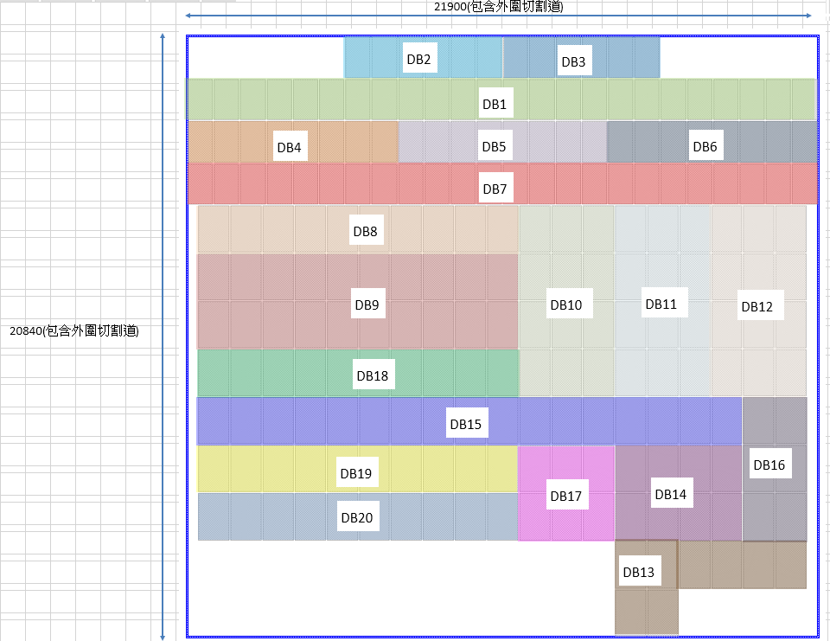
 | < floorplan >
no | cell name | X | Y | R
 | AMCLJR21A_frame | 0 | 0 | 0
 | Main_die_LBC_ 1X1 | 0 | 0 | R0
 | DB1 | -10465 | 8200 | R0
 | DB2 | -5005 | 9660 | R0
 | DB3 | 455 | 9660 | R0
 | DB4 | -10465 | 6740 | R0
 | DB5 | -3185 | 6740 | R0
 | DB6 | 4095 | 6740 | R0
 | DB7 | -10465 | 5280 | R0
 | DB8 | -9990 | 3720 | R0
 | DB9 | -9990 | 400 | R0
 | DB10 | 1110 | -1260 | R0
 | DB11 | 4440 | -1260 | R0
 | DB12 | 7770 | -1260 | R0
 | DB13 | 4440 | -7900 | R0
 | DB13 | 4440 | -9560 | R0
 | DB14 | 4440 | -6240 | R0
 | DB15 | -9990 | -2920 | R0
 | DB16 | 8880 | -6240 | R0
 | DB17 | 1110 | -6240 | R0
 | DB18 | -9990 | -1260 | R0
 | DB19 | -9990 | -4580 | R0
 | DB20 | -9990 | -6240 | R0
 | M_CDBAR_1 | 7067 | -10327 | R0
 | M_CDBAR_1 | -7059 | 10327 | R0
 | M_CDBAR_1 | -6839 | -10327 | R0
 | M_CDBAR_1 | 7067 | 10327 | R0
 | M_ETCHBOX_1 | -1634 | -7662 | R90
 | M_ETCHBOX_1 | 1698 | -7134 | R0
 | MTC001 | -4178 | -9278 | R0
 | MTC002 | -6708 | -7735 | R0
 | MTC003 | -9274 | 9947.5 | R0
 | MTC004 | -9340 | 9361 | R0
 | MTC005 | 7040 | 9361 | R0
 | MTC006 | -7332 | 9268.5 | R0
 | MTPSMC001 | 7040 | 9239.5 | R0
 | MTPSMC002 | 7040 | 9172.5 | R0
 | MTPSMC003 | 7040 | 9108 | R0
 | MTPSMC004 | 7040 | 9048 | R0
 | MTPSMC005 | -9340 | 9010 | R0
 | MTPSMC006 | -50 | -7394 | R0
 | MTPSMC007 | -50 | -7454 | R0

floorplan2
5x |  |  | 4x |  |  | 2X
Frame Array = 1X1 |  |  | Frame Array = 1X1 |  |  | Frame Array = 2X2

fa
fa
fa
fa
fa
fa

Field Window |  | on mask | Field Window |  | on mask | Field Window |  | on mask
XLB | -10950 | -54750 | XLB | -10950 | -43800 | XLB | -21870 | -43740
YLB | -10420 | -52100 | YLB | -10420 | -41680 | YLB | -20810 | -41620
XRT | 10950 | 54750 | XRT | 10950 | 43800 | XRT | 21870 | 43740
YRT | 10420 | 52100 | YRT | 10420 | 41680 | YRT | 20810 | 41620
Field Step |  |  | Field Step |  |  | Field Step
X | 21840 |  | X | 21840 |  | X | 43680
Y | 20780 |  | Y | 20780 |  | Y | 41560
Frame LBC center Location |  |  | Frame LBC center Location |  |  | Frame LBC center Location
X | 0 |  | X | 0 |  | X | -10920
Y | 0 |  | Y | 0 |  | Y | -10390

process
< process mark >
no | cell name | X | Y | R
 | PMLSCHD_GENTEN_A_STD_04_F_C11_60X60 | -10920 | -10390 | R0
 | PMLSCHD_KLAIN_6S_STD_02_F_C11_60X50 | 10920 | 10322 | R90
 | PMLSCHD_KLAIN_6S_STD_02_F_C11_60X50 | 10852 | 10390 | R0
 | PMLSCHD_KLAIN_6S_STD_02_F_C11_60X50 | 10920 | -10322 | R90
 | PMLSCHD_KLAIN_6S_STD_02_F_C11_60X50 | -10852 | 10390 | R0
 | PMLSCHD_KLAIN_5S_STD_02_F_C11_60X50 | 10784 | 10390 | R0
 | PMLSCHD_KLAIN_5S_STD_02_F_C11_60X50 | -10784 | 10390 | R0
 | PMLSCHD_KLAIN_5S_STD_02_F_C11_60X50 | 10920 | -10254 | R90
 | PMLSCHD_KLAIN_5S_STD_02_F_C11_60X50 | 10920 | 10254 | R90
 | PMLSCHD_KLAIN_1M_STD_01_F_C11_60X50 | -10716 | 10390 | R0
 | PMLSCHD_KLAIN_1M_STD_01_F_C11_60X50 | 10716 | 10390 | R0
 | PMLSCHD_KLAIN_1M_STD_01_F_C11_60X50 | 10920 | -10186 | R90
 | PMLSCHD_KLAIN_1M_STD_01_F_C11_60X50 | 10920 | 10186 | R90
 | PMLSCHD_KLAIN_2M_STD_01_F_C11_60X50 | 10648 | 10390 | R0
 | PMLSCHD_KLAIN_2M_STD_01_F_C11_60X50 | 10920 | -10118 | R90
 | PMLSCHD_KLAIN_2M_STD_01_F_C11_60X50 | -10648 | 10390 | R0
 | PMLSCHD_KLAIN_2M_STD_01_F_C11_60X50 | 10920 | 10118 | R90
 | PMLSCHD_KLAOUT_6S_STD_02_F_C11_60X50 | 10852 | -10390 | R0
 | PMLSCHD_KLAOUT_6S_STD_02_F_C11_60X50 | -10920 | 10322 | R90
 | PMLSCHD_KLAOUT_6S_STD_02_F_C11_60X50 | -10852 | -10390 | R0
 | PMLSCHD_KLAOUT_6S_STD_02_F_C11_60X50 | -10920 | -10322 | R90
 | PMLSCHD_KLAOUT_5S_STD_02_F_C11_60X50 | -10784 | -10390 | R0
 | PMLSCHD_KLAOUT_5S_STD_02_F_C11_60X50 | -10920 | -10254 | R90
 | PMLSCHD_KLAOUT_5S_STD_02_F_C11_60X50 | 10784 | -10390 | R0
 | PMLSCHD_KLAOUT_5S_STD_02_F_C11_60X50 | -10920 | 10254 | R90
 | PMLSCHD_KLAOUT_1M_STD_01_F_C11_60X50 | -10716 | -10390 | R0
 | PMLSCHD_KLAOUT_1M_STD_01_F_C11_60X50 | -10920 | 10186 | R90
 | PMLSCHD_KLAOUT_1M_STD_01_F_C11_60X50 | -10920 | -10186 | R90
 | PMLSCHD_KLAOUT_1M_STD_01_F_C11_60X50 | 10716 | -10390 | R0
 | PMLSCHD_KLAOUT_2M_STD_01_F_C11_60X50 | 10648 | -10390 | R0
 | PMLSCHD_KLAOUT_2M_STD_01_F_C11_60X50 | -10920 | -10118 | R90
 | PMLSCHD_KLAOUT_2M_STD_01_F_C11_60X50 | -10920 | 10118 | R90
 | PMLSCHD_KLAOUT_2M_STD_01_F_C11_60X50 | -10648 | -10390 | R0
 | PMLSCHD_KLA_A_STD_07_F_C11_3540X50 | 9070 | 10327 | R180
 | PMLSCHD_KLA_A_STD_07_F_C11_3540X50 | -8842 | -10327 | R0
 | PMLSCHD_KLA_A_STD_07_F_C11_3540X50 | -9062 | 10327 | R180
 | PMLSCHD_KLA_A_STD_07_F_C11_3540X50 | 9070 | -10327 | R0
 | PMLSCHD_SEM_A_STD_04_F_C11_180X40 | -10742 | -10330 | R0
*(1) | P350MCSB3V100V_MCLJR_VC_1 | -10860 | 10065 | R90
 | PMLSCHD_VNR_A_STD_08_F_C11_4340X50 | -8662 | 10269 | R0
 | PMLSCHD_VNR_PI_STD_02_F_C11_500X50 | -6234 | 10327 | R0
 | PMLSCHD_VNR_PI_STD_02_F_C11_500X50 | -10857 | 9488 | R90
 | PMLSCHD_WAD_A_STD_02_F_C11_40X40 | -10860 | -10330 | R0
 | PMLSCHD_WAL_A_STD_02_F_C11_40X40 | -10860 | -10282 | R90
Note :
(1) If the "cell name" field contains "VC", the mask house needs to modify the Version code when a new version is released.
(2) If "VC" is absent from the "cell name" field , no Version code is set ,and Mask house needn't make changes.

