Cover sheet
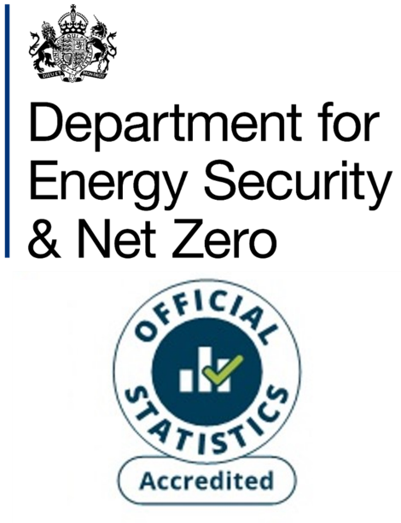
Subnational electricity consumption, Great Britain, 2005 - 2023
This workbook presents Accredited Official Statistics on electricity consumption by country/region and local authority in Great Britain.
The electricity consumption years used in these statistics cover two slightly different periods. Half-hourly data (generally higher-consuming non-domestic meters) covers consumption over the calendar year (January to December). For non-half hourly data (almost all domestic and the vast majority of non-domestic meters) the electricity years cover the months February to January (for example the 2023 electricity year was February 2023 to January 2024).
Contents
Following this Cover sheet this workbook contains the electricity consumption estimates which are presented in the form of one sheet for each of the years 2005 - 2023.
Publication dates
Publication date: 19 December 2024
Next update: December 2025
Revisions
The statistics for the years 2015 onwards are revised each year to reflect additional/new information acquired. This includes:
- Updates to the National Statistics Postcodes Lookup (NSPL), which is used to match postcodes to local authorities. These updates reflect changes to postcodes and local authorities. The latest version of the NSPL is used for each year for 2015 onwards for consistency across the time series.
- Updates to the meter address information resulting in corrections and updates to postcodes. The most recent valid postcode information for each meter is used across all years for 2015 onwards for consistency across the time series.
- Additional information gathered about earlier years, from investigating anomalous year-on-year changes in consumption.
Methodology
These figures are based on meter level electricity consumption data provided by data aggregators (who compile this data behalf of electricity suppliers).
Electricity data is divided between domestic and non-domestic categories according to the meter’s profile class. Domestic consumption is based on Non-Half Hourly (NHH) meters with profiles 1 and 2 (these are the standard domestic and economy 7 tariffs respectively). Non-domestic consumption is based on NHH meters with profiles 3 to 8 and all Half Hourly meters. Additionally, profile 1 and 2 meters are re-allocated to the non-domestic sector if their annual consumption is greater than 100,000 kWh; or if their annual consumption is greater than 50,000 kWh and the address information for the meter suggests that it is non-domestic.
The figures on the numbers of households, used to calculate average domestic consumption per household, are based on the following data sources:
England: Household projections for England, table 406
Wales: Households by local authority and year
Scotland: Estimates of Households and Dwellings
Household estimates were not available for Wales for the years 2021-2023 at time of publication. Therefore, the figures for each local authority in Wales, for the years 2021-2023, were derived by applying growth factors to the estimates for 2020. The growth factors used were the average growth rates in the number of households for each local authority between 2015 and 2020.
For more information about these electricity consumption statistics, see Section 3 of:
Subnational energy statistics methodology note
Units
The figures for average (mean and median) electricity consumption per meter point are presented in kilowatt hours (kWh).
The figures for total electricity consumption are presented in gigawatt hours (GWh). 1GWh = 1 million kWh.
Elsewhere, energy statistics are often presented in kilotonnes of oil equivalent (ktoe). 1 ktoe = 11.63 GWh.
Other subnational energy consumption publications
Subnational gas consumption in Great Britain
Subnational electricity consumption in Great Britain
Subnational road transport consumption in the UK
Subnational residual fuel consumption in the UK (non-electricity, non-gas, non-road transport)
Subnational total final consumption for the UK (aggregating consumption from across the other publications)
Contact details
Responsible statistician: Hiten Shah
energyefficiency.stats@energysecurity.gov.uk
newsdesk@energysecurity.gov.uk

