1. Title Page
Instacart Grocery Basket Analysis

Date: November 14, 2023
Analyst: Yan Peng

Contents:
Data Citation
Population Flow
Consistency checks
Wrangling steps
Column derivations
Visualizations
Recommendations

3. Population Flow
Title page

Population flow

Exclusion flag
Condition: max_order < 5
Obervations to be removed: 1441570
Final total count of order_products_all: 30993489

Orders_products_combined
Orders_products_merged
Orders_products_all

Total: 32435059
Total: 32434489
Total: 32435059

4. Consistency checks
 |  |  |  | Title page
Consistency checks

Dataset | Missing values | Missing values treatment | Duplicates
orders | None |  | None
products | Column "product_name" has 16 missing values. | Discarded | 5
orders_products_prior | None |  | None
customers | Column "first_name" has 11259 missing values. | Ignored | None

5. Wrangling steps
 |  |  |  | Title page
Wrangling steps

Columns dropped | Columns renamed | Columns' type changed | Comment/Reason
"eval_set" from orders.csv |  |  | It only has one value "prior", indicating that this was the prior data set released by Instacart.
 |  | "order_id" and "user_id" from orders.csv changed into string | Columns contain nominal data.
 |  | "product_id", "aisle_id", and "department_id" from products.csv changed into string | Columns contain nominal data.

6. Column derivations
 |  |  |  | Title page

Column derivations and aggregations

Dataset | New column | Column/s it was derived from | Conditions
orders_products_derived | price_label | prices | High-range product: price > 15; Mid-range product: price <= 15 & price > 5; Low-range product: price <= 5
orders_products_derived | busiest_days | orders_day_of_week | Busiest days: two days with the most orders; Least busy: two days with the least orders; Regularly busy: all other days
orders_products_derived | busiest_period_of_day | order_hour_of_day | Most orders: order number above the third quantile; Fewest orders: order number below the first quantile; Average orders: all other hours
orders_products_flagged | loyalty_flag | grouped by user_id, aggregation of order_number | Loyal customer: total order number of customer (TON) > 40; Regular customer: TON <= 40 & TON > 10; New customer: TON <= 10
orders_products_flagged | spending_flag | grouped by user_id, aggregation of prices | Low spender: average item price purchased by customer (AIP) < 10; High spender: AIP >= 10
orders_products_flagged | order_freq_flag | grouped by user_id, aggregation of days_since_prior_order | Non-frequent customer: median of days since prior order by customer (MDP) > 20; Regular customer: MDP > 10 & MDP <= 20; Frequent customer: MDP <= 10
orders_products_all | region | state | States are grouped into four regions: Northwest, Midwest, South, West
orders_products_all | activity_flag | max_order | Active customers: max_order >= 5; Low-activity customers: max_order < 5

7. Visualizations
 |  |  | Title page

Visualisations


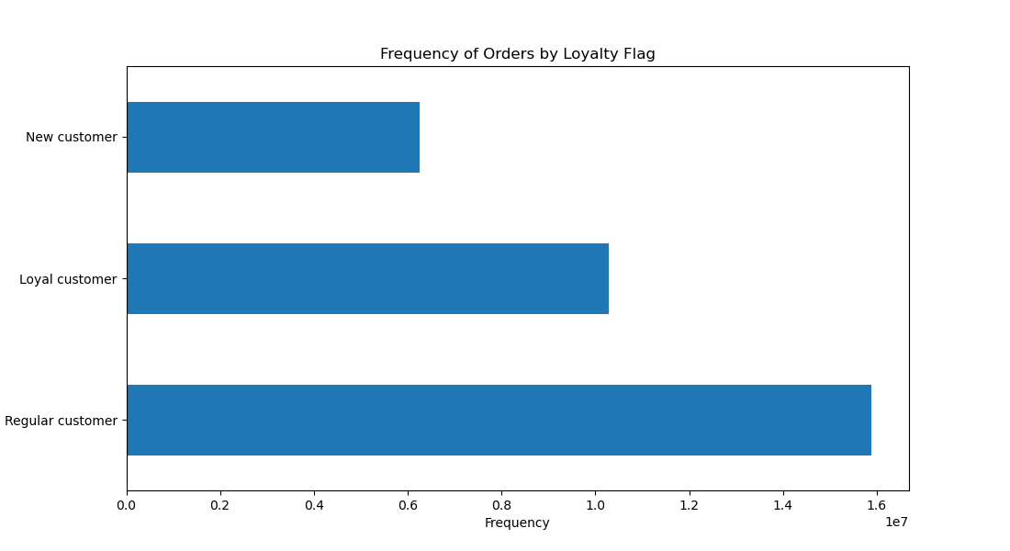
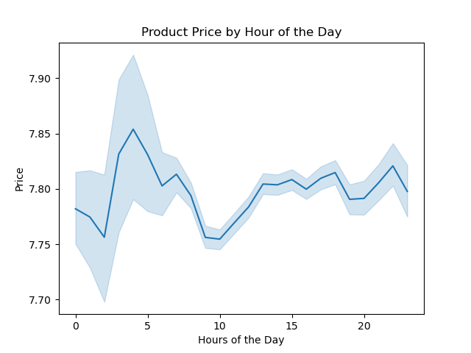

Chart 1: Frequency of Orders by Hour of the Day. The product order frequency at each hour is shown. Order placements are relatively low after midnight and during the night. The volume begins to increase in the early morning, reaching its peak between 10:00 and 15:00, before gradually tapering off thereafter. | Chart 2: Frequency of Orders by Loyalty Flag. Although Loyal customers place more orders than Regular ones (per definition), the latter show more product orders, indicating that there is a greater number of Regular customers than Loyal customers (see also Key Question 5.1 in 8. Recommendations). | Chart 3: Product Price by Hour of the Day. The average prices of products ordered during the day are similar (~$7.80).
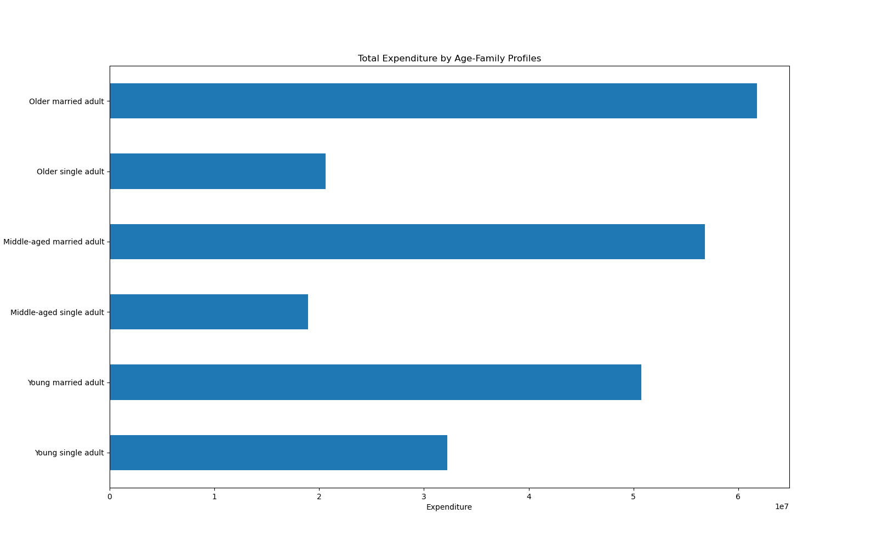

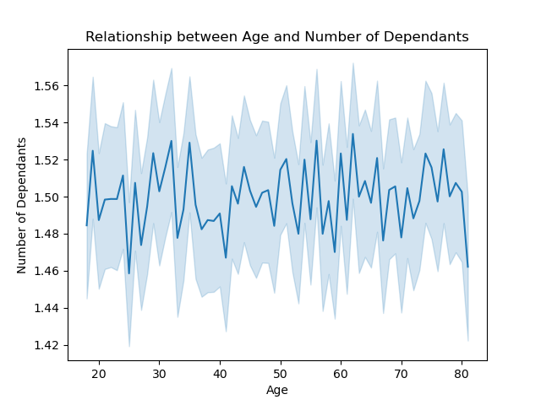
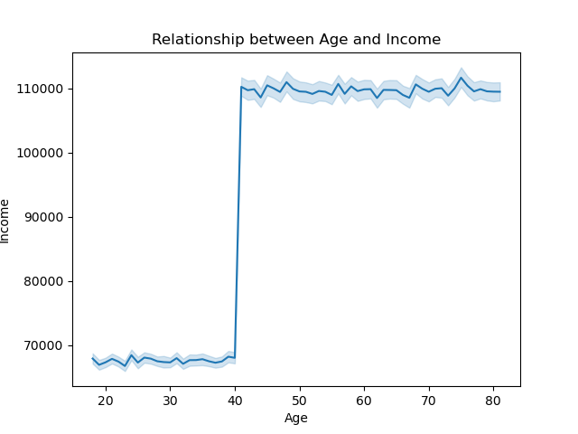

Chart 4: Relationship between Age and Number of Dependants. The number of dependants stays relatively consistent across all ages. | Chart 5: Relationship between Age and Income. There is a clear distinction in income between those younger than 40 years of age and those older than 40, with customers under 40 earning less than $70000 and those over 40 earning around $110000. | Chart 6: Total Expenditure by Age-Family Profiles. Married users spend more money in total than single users.

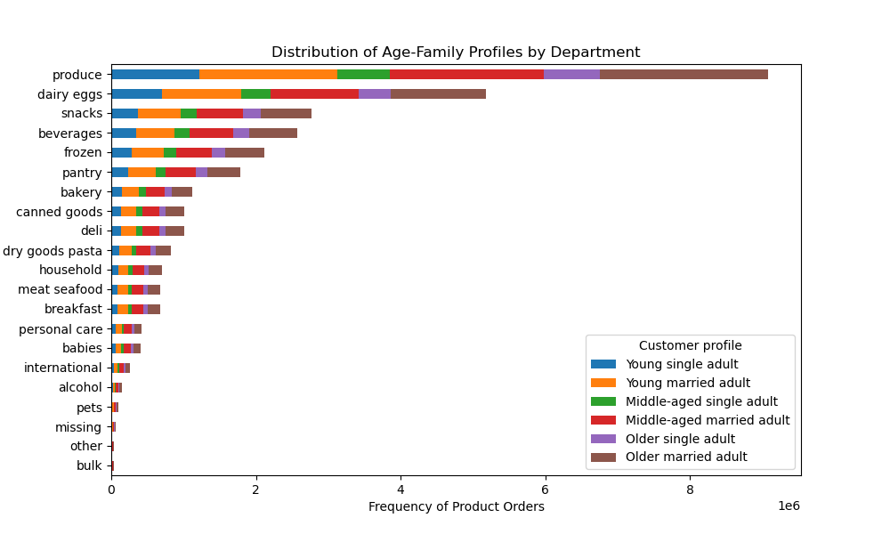
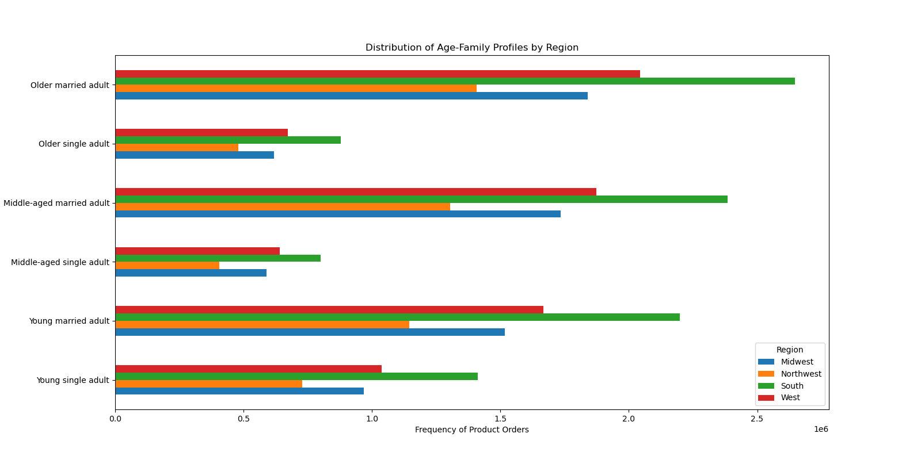

Chart 7: Distribution of Age-Family Profiles by Region. Married people purchase more items than single people across all four regions. |  | Chart 8: Distribution of Age-Family Profiles by Department. Married people purchase more items than single people across all departments.

8. Recommendations
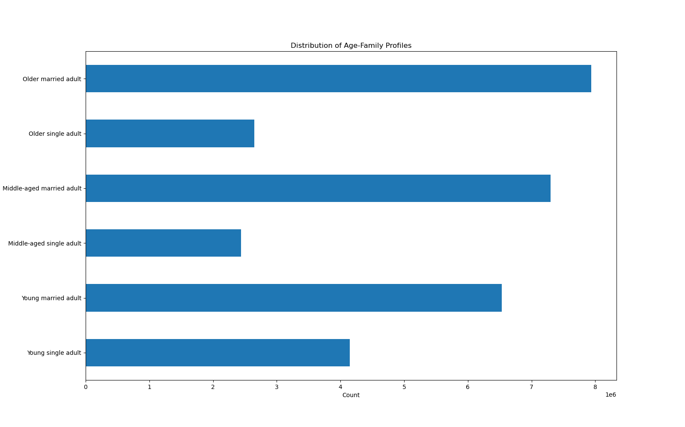
 |  |  |  |  |  |  | Title page

Recommendations

Key Question 1: The sales team needs to know what the busiest days of the week and hours of the day are (i.e., the days and times with the most orders) in order to schedule ads at times when there are fewer orders. |  | 1. The two charts below show that the busiest days of the week are Saturday and Sunday, with the busiest period of the day from 10:00-16:00. NB: These two charts are based on orders. Product orders show a similar trend (see 7. Visualizations).
Key Question 2: They also want to know whether there are particular times of the day when people spend the most money, as this might inform the type of products they advertise at these times. |  | 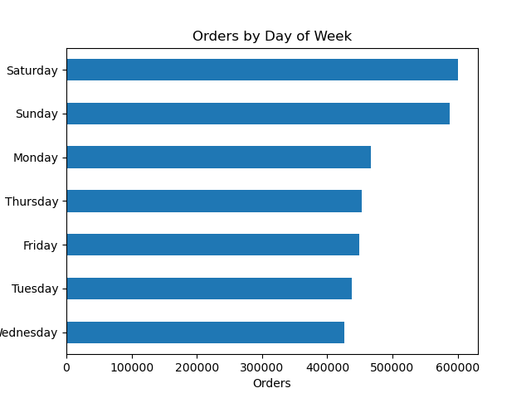 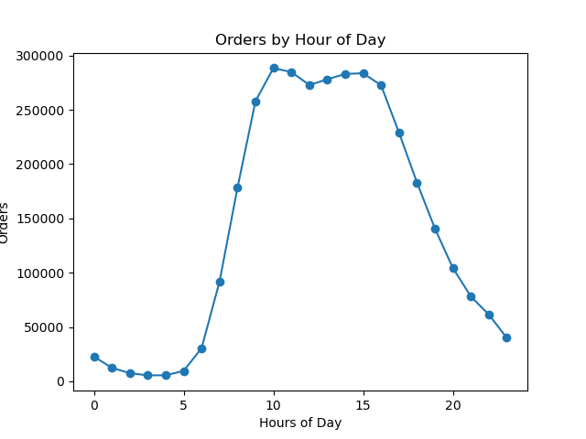 2. Customers spend the most money between 9am and 4pm.
Key Question 3: Instacart has a lot of products with different price tags. Marketing and sales want to use simpler price range groupings to help direct their efforts. | 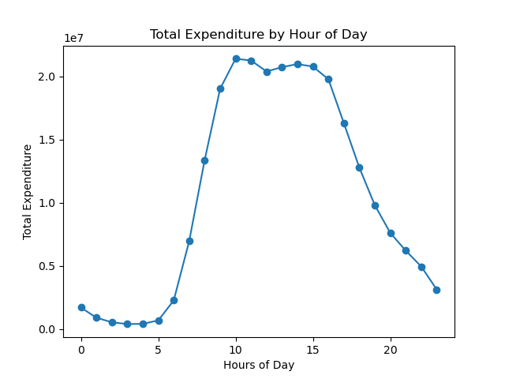 | 3. Products are categorized into three price ranges (see also derived column "price_label" in 6. Column derivations). The two charts below show that most of the products and sold items are mid-range products, whereas high-range products make up the smallest group. Instacart should increase the number of high-range products if they want to increase sales for this price range.
Key Question 4: Are there certain types of products that are more popular than others? The marketing and sales teams want to know which departments have the highest frequency of product orders. | 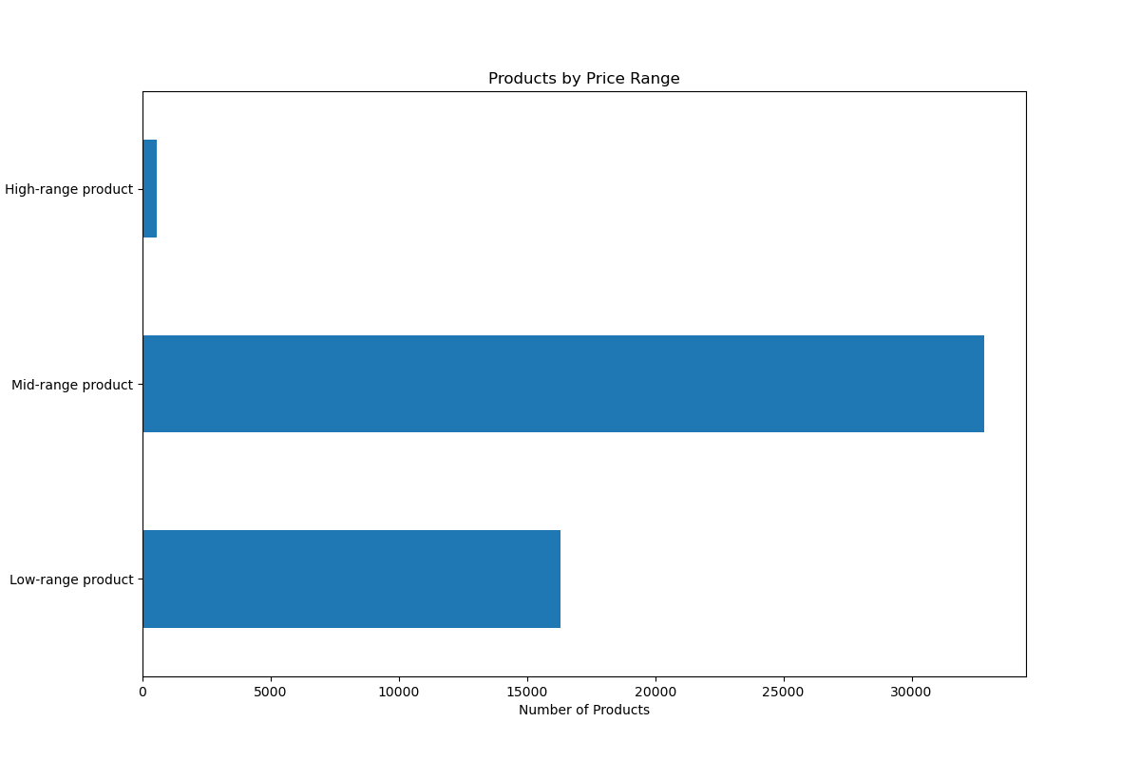 | 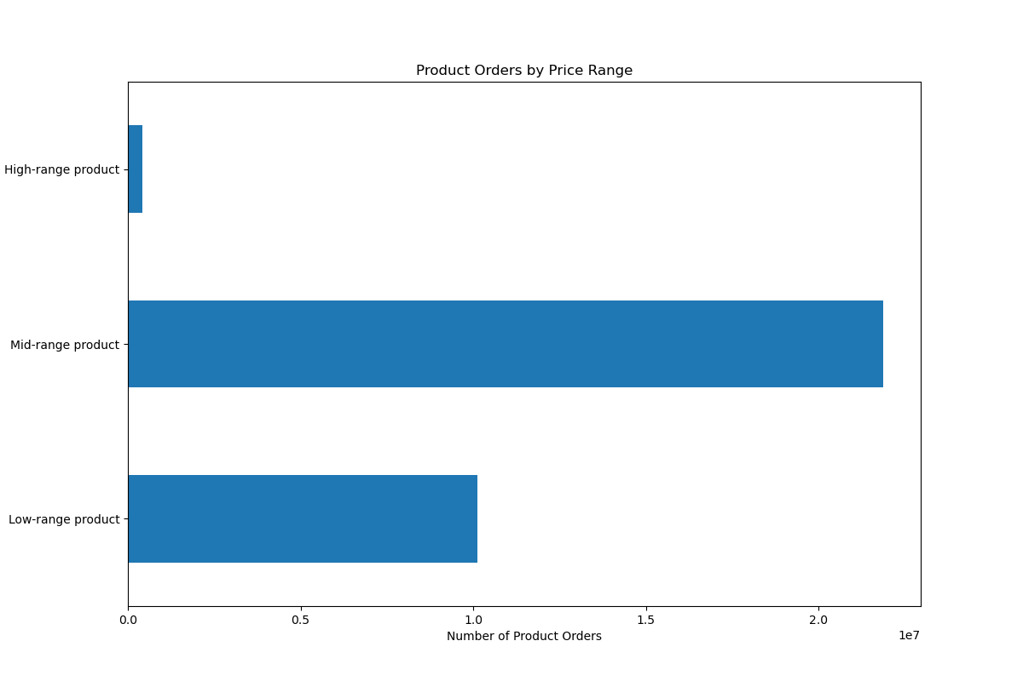 4. The chart below shows that the departments of "produce" and "dairy eggs" have the highest product orders, followed by "snacks", "beverages", "frozen", and "pantry".
Key Question 5: The marketing and sales teams are particularly interested in the different types of customers in their system and how their ordering behaviors differ. | 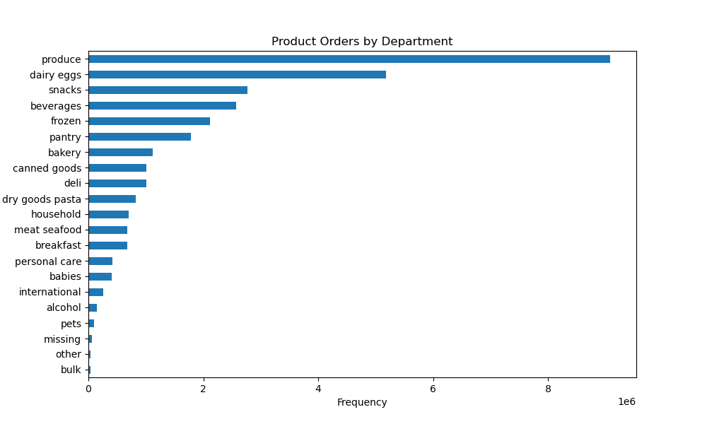
5.1: What’s the distribution among users in regards to their brand loyalty (i.e., how often do they return to Instacart)? |  | 5.1 The chart below shows that the largest group of users are New customers, followed by Regular customers. The number of Loyal customers only amounts to a fraction of these two groups (see table on the right for numbers). Nearly half of the New customers are non-frequent users, while more than half of the Regular customers return to Instacart frequently. Loyal customers all return to Instacart frequently, which makes them the most profitable. Therefore, Instacart should aim to convert more regular customers into loyal ones by personalizing services, building trust, creating loyalty programs that reward customers for repeat purchases etc. | loyalty_flag | Frequent customer | Regular customer | Non-frequent customer
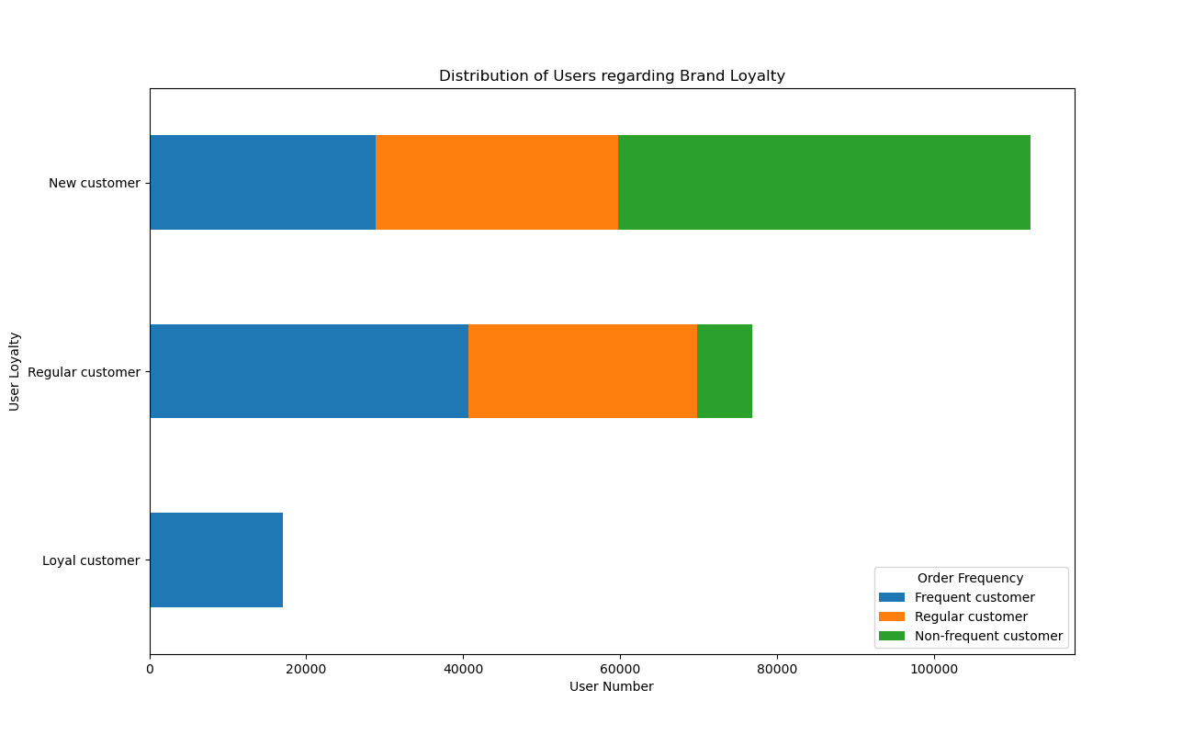
 |  |  | Loyal customer | 17008 | 9 | 0
 |  |  | Regular customer | 40733 | 29092 | 7039
 |  |  | New customer | 28850 | 30901 | 52577

5.2 Are there differences in ordering habits based on a customer’s region? |  | 5.2 The two charts below show that the South region has the most product orders and the highest sales. Instacart could keep focusing on this region while expanding into the Northwest region, which has the most potential for growth.
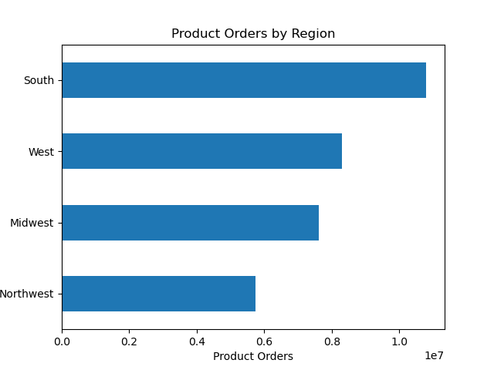


5.3 What different classifications does the demographic information suggest? Age? Income? Certain types of goods? Family status?
 |  | 5.3 I use the following classification for customer profiles based on age and family status: Young single (or living with parents and siblings)/married adult (age 18-39), Middle-aged single/married adult (40-59), Older single (or divorced/widowed)/married adult (60+) Notes: - The stats show that only young adults appear in the category "living with parents and siblings" and only older adults in "divorced/widowed". These customers are thus integrated into their respective singles' category. - Previous analysis has shown that customers under 40 years old have an income below $70000, whereas the income level of customers over 40 is around $110000. In the current classification, the first income group is thus implied in the profiles of Young and Middle-aged adult and the second in Older adult.

5.4 What differences can you find in ordering habits of different customer profiles? |  | 5.4 The two charts below reflect product orders purchased by the age-family profiles and their total expenditure, respectively. It can be concluded that married people purchase more items and spend more money than single people. Within the singles group, young adults purchase more items and spend more money than older adults. This holds for all regions and departments (see Chart 7 and 8 in 7. Visualizations). Instacart should look into products that potentially attract (especially young) single adults and create a community or expand the existing one for this segment of customers.

