运单信息
下单模板 入仓请携带入仓单 |  |  |  |  |  |  |  |  |  |  |  |  |  |  | 黄色为必填选项 黄标区域下单的时候一定要注意以下几点 因我司打单、配舱 、海外仓分拣派送等都是按照黄标区操作，所以一定要重视 ： 1、 亚马逊地址这个地方 “仓库代码”一定不能填错 不然会送错仓 2 、私人地址卡派/海派黄标区就填 “私人地址” 3 卡派私人地址下单系统搜索XX渠道私人地址卡派，例如“奥克兰私人地址卡派”，沃尔玛地址，仓库代码前加上沃尔玛，例：沃尔玛ORD1S 4 留仓自提黄标区就填 “留仓自提”，如果下单填错造成的丢件，我司不做任何赔偿！！！！ 5.导入前请先核对仓库代码的地方是否有前后空格字符需要进行删除且是否有按标准进行填写
发件人信息 |  |  |  |  |  | 收件人信息
Ref./批次跟踪号: | FBA1977YJD6G |  |  | 箱数/件数: | 9 | Consignee收件人: | ABE8
Shipper发件人: | 1 |  |  |  |  | Company Name公司名: | Amazon.com Services, Inc.
Company Name公司名: | $1.00 |  |  |  |  | Country国家/区域: | US |  |  |  | code邮编: | 08518
Address地址: | $1.00 |  |  |  |  | Address地址: | 401 Independence Road
City城市名: |  |  |  | Province省: |  | City城市名: | Florence |  |  |  | Province州省: | NJ
Postal Code邮编: | 1 |  |  | Phone电话: | 1 | Phone电话: | 1 |  |  |  | FBA仓库代码: | ABE8
额外服务: | 非报关件 |  |  |  |  |  | #N/A
备注: | 实重货/ 实重157( 3月22日 - 2026年3月28日） |  |  |  |  |  | #N/A
FBA编号 | Reference ID | 材积CM(长*宽*高) | 箱数 | 单件毛重(KGS) | 海关编码 HSCODE | 中文品名 | 英文品名 | 数量 (PCS) | 单价 (USD) | 品牌 | 规格型号 | 材质 | 用途 | 产品图片
FBA1977YJD6G | 2Q3Z3PWV | 52*51*28 | 4 | 17.00 | 6402200000 | 凉拖鞋 | Sandals | 160 | 8 | SHULOOK | FT02 | PU+leather/PU+皮革 | 穿戴/wear | 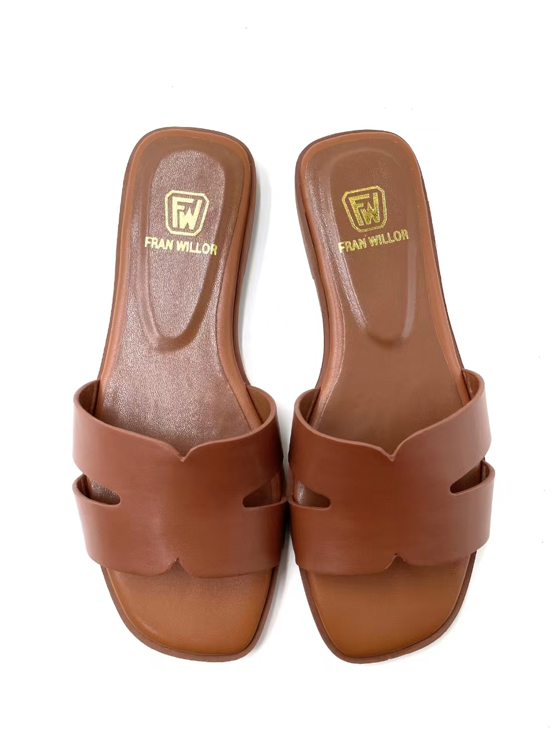
FBA1977YJD6G | 2Q3Z3PWV | 55*51*31 | 5 | 17.00 | 6402200000 | 凉拖鞋 | Sandals | 200 | 8 | SHULOOK | FT02 | PU+leather/PU+皮革 | 穿戴/wear

