模板
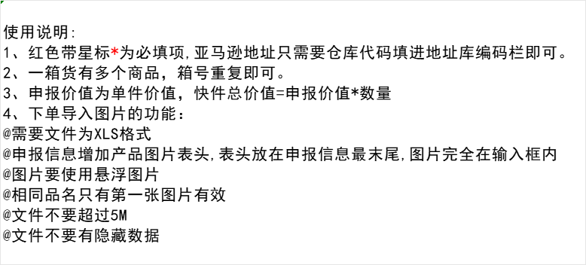
 | 义乌亿阳国际物流有限公司
客户订单号* （客户单号） |  |  |  |  |  | 带电* | 否
服务*（选择对应渠道） |  |  |  |  |  | 带磁* | 否
所在货站* （选择对应到货仓库） |  |  |  |  |  | 液体* | 否
地址库编码* （选择对应仓库代码 私人勿选） |  |  |  |  |  | 粉末* | 否
收件人姓名* （私人地址删除格式后填写） | #N/A |  |  |  |  | 危险品* | 否
收件人公司（选择填写） |  |  |  |  |  | 报关方式*
收件人地址一* （私人地址删除格式后填写） | #N/A |  |  |  |  | 交税方式* | 包税
收件人地址二 |  |  |  |  |  | 申报币种* | 美元
收件人城市* （私人地址删除格式后填写） | #N/A |  |  |  |  | 购买保险*
收件人省份/州* （私人地址删除格式后填写） | #N/A |  |  |  |  | 保价* （购买保险时必填）
收件人邮编* （私人地址删除格式后填写） | #N/A |  |  |  |  | 备注
收件人国家代码(二字代码)* | US
收件人电话* （私人地址删除格式后填写） | #N/A
收件人邮箱（选择填写）
箱数*(总件数） | 7
货箱编号* | PO Number （亚马逊追踪编码） | 亚马逊预约配送时段 | 亚马逊上架总数量 | 货箱重量(KG) | 货箱长度(CM) | 货箱宽度(CM) | 货箱高度(CM) | 产品中文品名* | 产品英文品名* | 产品申报单价* | 产品申报数量* | 产品材质* | 产品海关编码* | 产品用途* | 产品品牌 | 产品型号 | 产品销售链接 | 产品图片*
FBA111111111U000001-5 |  |  |  |  |  |  |  | 袜子 | socks
FBA111111111U000006-7 |  |  |  |  |  |  |  | 玻璃杯 | Glass

