运单信息
下单模板 入仓请携带入仓单 |  |  |  |  |  |  |  |  |  |  |  |  |  |  | 黄色为必填选项 黄标区域下单的时候一定要注意以下几点 因我司打单、配舱 、海外仓分拣派送等都是按照黄标区操作，所以一定要重视 ： 1、 亚马逊地址这个地方 “仓库代码”一定不能填错 不然会送错仓 2 、私人地址卡派/海派黄标区就填 “私人地址” 3 卡派私人地址下单系统搜索XX渠道私人地址卡派，例如“奥克兰私人地址卡派”，沃尔玛地址，仓库代码前加上沃尔玛，例：沃尔玛ORD1S 4 留仓自提黄标区就填 “留仓自提”，如果下单填错造成的丢件，我司不做任何赔偿！！！！ 5.导入前请先核对仓库代码的地方是否有前后空格字符需要进行删除且是否有按标准进行填写
发件人信息 |  |  |  |  |  | 收件人信息
Ref./FBA号: | EHSD250573 |  |  | 箱数/件数: | 21 | Consignee收件人: | Amarjit Kaur
Shipper发件人: |  |  |  |  |  | Company Name公司名:
Company Name公司名: | FUZHOU BRIDGE TRADING CO.,LTD |  |  |  |  | Country国家/区域: | Ireland |  |  |  | code邮编: | V14 ND78
Address地址: | FLOOR 4,PLANT 8,NO.3 TIELING EAST ROAD ,MINHOU ECONOMIC AND TECHNOLOGICAL DEVELOPMENT ZONE,JINGXI TOWN,MINHOU COUNTRY,FUZHOU,FUJIAN CHINA |  |  |  |  | Address地址: | Amarjit Kaur +353 838108060, 73 Cluainin, Shannon, County Clare, V14ND78, Ireland
 | FUZHOU |  |  | Province省: | FUJIAN | City城市名: | Shannon |  |  |  | Province州省: | County Clare
Postal Code邮编: | 350102 |  |  | Phone电话: |  | Phone电话: | 353 838108060 |  |  |  | FBA仓库代码:
额外服务: | 非报关件 |  |  |  |  |  | #VALUE!
备注: | EHSD250573 |  |  |  |  |  | #VALUE!
FBA编号 | Reference ID | 材积CM(长*宽*高) | 箱数 | 单件毛重(KGS) | 海关编码 HSCODE | 中文品名 | 英文品名 | *单箱数量 （一箱里面的产品数量，如有多个产品需分别列举出来） | 单价 (USD) | 品牌 | 规格型号 | 材质 | 用途 | 产品图片
 |  | 30*51.5*41 | 17 | 11.55 | 4420909090 | 竹制收纳盒 | bamboo box | 9套/箱的，16箱 6套/箱的，1箱 | 4.5 | 无品牌 | 无型号 | 毛竹 | 厨房用 | 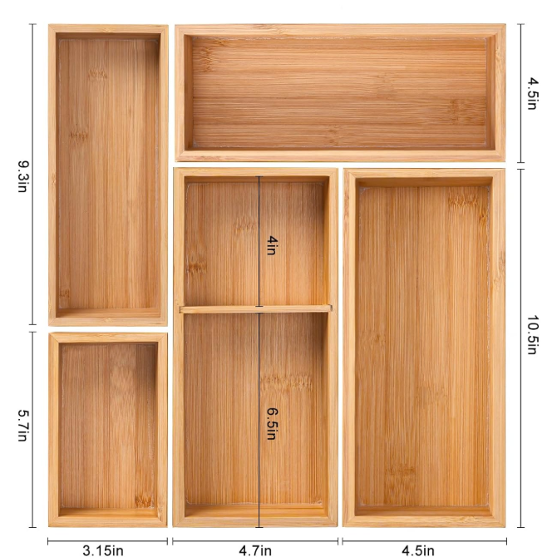
 |  | 57.5*23*60 | 2 | 13.15 | 8510200000 | 剪发套装 | Hair curling set | 125 | 4.5 | 无品牌 | 无型号 | 毛竹 | 厨房用 | 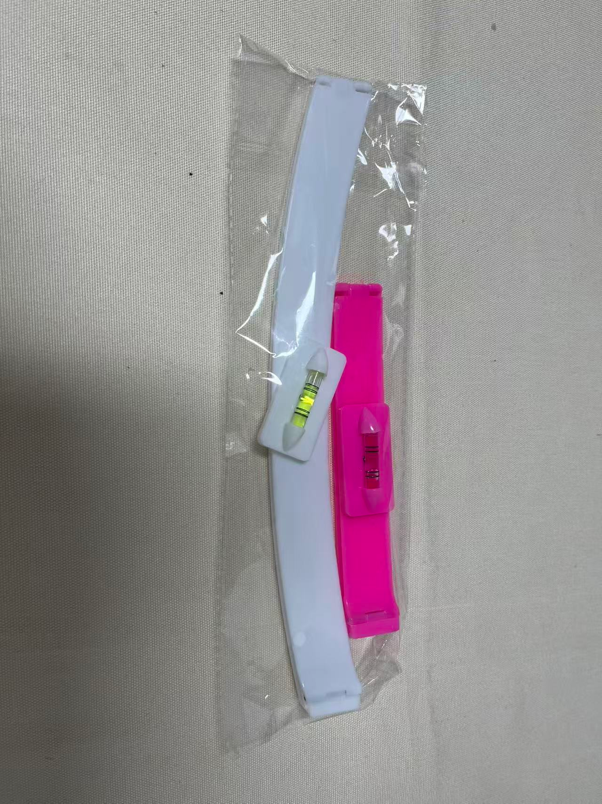
 |  | 54.2*56*28.5 | 2 | 19.3 | 9615900000 | 卷发套装 | Hair curling set | 150套/箱的，1箱 150套/箱的，1箱 | 4.5 | 无品牌 | 无型号 | 毛竹 | 厨房用 | 