Sheet1
Classification | Item | Method
 | PROCESS DRAWING & CONTROL PLAN | EYE
 | INSPECTION GAUGES | EYE
 | COOLANT NOZZLES ORIENTATION | HAND
 | COMPONENT CLAMPING PADS | TOOL
 | SUB EQUIPMENTS ARE IN PROPER POSITION | EYE
 | COOLANT LEAKAGE | EYE
 | ROBOT CELL DOOR | EYE
 | LIGHT CURTAIN | HAND
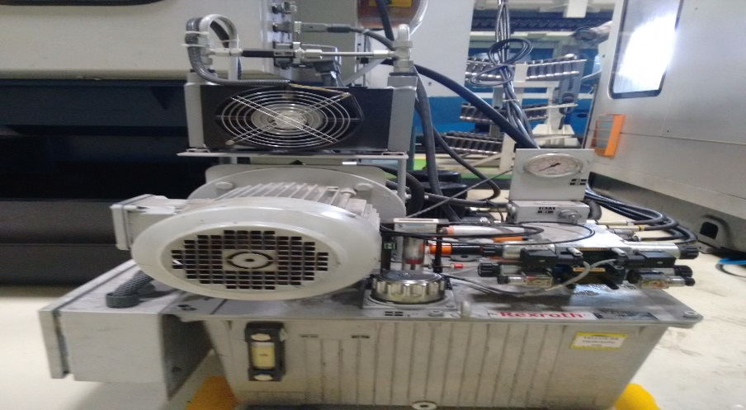 | HYDRAULIC OIL LEAKAGE | EYE

