Readme
IEA World Energy Outlook 2024
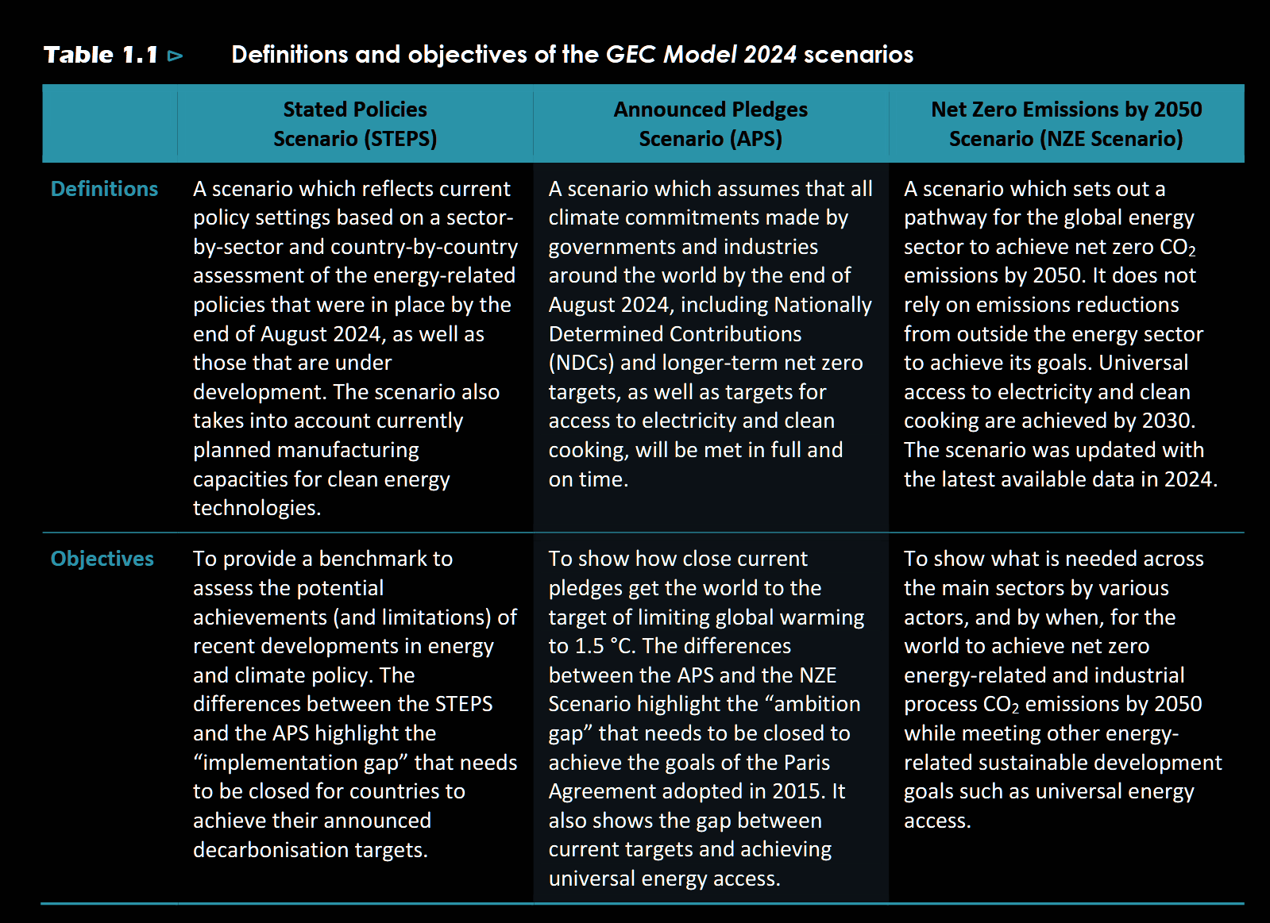
WEO2024_Free_DataSet

 |  | Stated Policies (Mt CO₂)
Electricity and heat sectors | 2023 | 2030 | 2035 | 2040 | 2050
Coal | 11269 | 9607 | 7460 | 6134 | 4583
Oil | 638 | 333 | 262 | 199 | 117
Natural gas | 3211 | 3239 | 3126 | 3012 | 2929
Bioenergy and waste | 144 | 131 | 120 | 124 | 128

Electricity and heat sectors |  | Announced Pledges (Mt CO₂)
Coal | 11269 | 8425 | 4917 | 2831 | 1330
Oil | 638 | 267 | 182 | 122 | 66
Natural gas | 3211 | 2965 | 2437 | 2053 | 1461
Bioenergy and waste | 144 | 104 | -19 | -112 | -216

Electricity and heat sectors |  | Net Zero Emissions by 2050 (Mt CO₂)
Coal | 11269 | 5646 | 1709 | 35 | 20
Oil | 638 | 169 | 66 | 18 | 0
Natural gas | 3211 | 2992 | 1442 | 635 | 111
Bioenergy and waste | 144 | 55 | -163 | -304 | -430

