产品
*SKU | 品名 | 主图 | 品牌 | 图片链接
B10-MJB2-BK | 木头脚挫2只装 Foot Scraper Pedicure Foot File, Professional Foot Rasp File Foot Scrubber, Premium Callus Remover for Feet to Remove Dead Skin, Hard Skin, Cracked Heels, Perfect Foot Care Pedicure Tools (2 Pack) | 查看原图 | AM8:00 | https://image.distributetop.com/lingxing-erp/901126217325126144/20221207/a070807258714e84b0a933eecc28c174.jpeg
B10-KJJ2-WT | 可降解两只灰色 | 查看原图 | AM8:00 | https://image.distributetop.com/lingxing-erp/901126217325126144/20221207/6972867b65a941b7be162020b21889e8.jpeg
B10-KJJYZ-WT | 可降解树叶 气垫 | 查看原图 | AM8:00 | https://image.distributetop.com/lingxing-erp/901126217325126144/20221207/fe05e58b045a4f71afb5a4e9cb3a4f6f.jpeg
B10-KJJQD-WT | 可降解胶皮 |  | AM8:00
B10-JMY802-BU | 洗脸仪 |  | AM8:00
B10-TFS2-PK | 库存通风梳2支 |  | ecoed
B10-QDTF2-PK | 库存头梳混装 |  | ecoed
B10-EGG2-GN | 蛋梳2支 |  | ecoed
B10-ZJJ5-PK | 眉镊套装 | 查看原图 | ecoed | https://image.distributetop.com/lingxing-erp/901126217325126144/20221207/2e2bf66e97a643369eecfb030ba4d2f5.jpeg
B10-JMY802-PK | 洗脸仪-粉 |  | AM8:00
B10-MJQ1-BU | 电动磨脚器 | 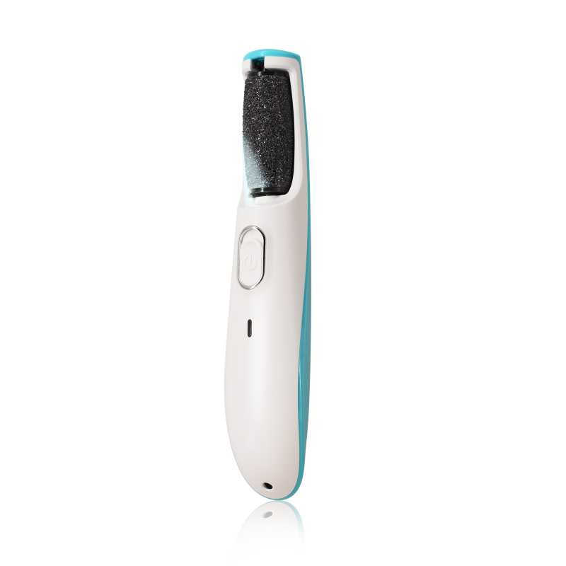 查看原图 | AM8:00 | https://image.distributetop.com/erp-vue/901126217325126144/20220805/213eb6b939bd48058fd720add1e93a48.jpeg
B10-MJQ1-PK | 粉色电动磨脚器 | 查看原图 | AM8:00 | https://image.umaicloud.com/erp-vue/901126217325126144/20220113/060f1a9bc2bf4bb9ba06756cf3e2b97d.jpeg
B10-ZMS3D-BR | bass同款 | 查看原图 | AM8:00 | https://image.distributetop.com/lingxing-erp/901126217325126144/20221207/de31a4ccb86f4532b42f1bb9d3a66245.jpeg
B10-YG2-BR | 水曲柳圆筒 | 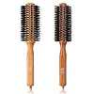 查看原图 | ecoed | https://image.distributetop.com/lingxing-erp/901126217325126144/20221207/f62f65ad4679481db1c3f71f6e9fa896.jpeg
B10-YGZMS-BR | 圆筒+气垫 | 查看原图 | ecoed | https://image.distributetop.com/lingxing-erp/901126217325126144/20221207/79ae67b8a804451da0e2cd34bde12cc6.jpeg
20SD939-AS | 理发刀 | 查看原图 | AM8:00 | https://image.distributetop.com/lingxing-erp/901126217325126144/20221207/757516239d4742ac8ebf0b4f424d667f.jpeg
B10-ZMS2-BR | 猪鬃梳 | 查看原图 | AM8:00 | https://image.distributetop.com/lingxing-erp/901126217325126144/20221207/376c84da017a48a48162abf9e6b6e239.jpeg
MNHZS | 迷你化妆刷 |  | ecoed
ZJ20 | 金属支架20寸 | 查看原图 | ecoed | https://image.distributetop.com/lingxing-erp/901126217325126144/20221207/f36f41a57f704efe90dfa569c4ccf884.jpeg
ZJ21 | 木板纸巾架短 | 查看原图 | ecoed | https://image.distributetop.com/lingxing-erp/901126217325126144/20221207/ff4e34ec404a4a55b86cb6fed60e1102.jpeg
ZJ22 | 木板纸巾架长 | 查看原图 | ecoed | https://image.distributetop.com/lingxing-erp/901126217325126144/20221207/2e1062238204480e88a2565797fac2e0.jpeg
B10-QDS2-GN | 绿色大板梳 | 查看原图 | ecoed | https://image.distributetop.com/lingxing-erp/901126217325126144/20221207/5f6e70cfaa7a4818922350c012e3de7d.jpeg
B10-GTS2-4JZ-BK | 黑色铝筒 | 查看原图 | AM8:00 | https://image.distributetop.com/lingxing-erp/901126217325126144/20221207/fd9a5d39009b4729b783513ee1903ac8.jpeg
B10-ZMS3D-NEW | bass同款 | 查看原图 | AM8:00 | https://image.distributetop.com/lingxing-erp/901126217325126144/20221207/04a6a72f86fd464db99758dbbc4fc67d.jpeg
B10-HB03-KIDSBU | 3只装儿童头梳 | 查看原图 | ecoed | https://image.distributetop.com/lingxing-erp/901126217325126144/20221207/6d52243f3e954321ae1cc420dbc3612e.jpeg
B10-HB04-ADULTBU | 4只装头梳 |  | ecoed
B10-YSZJ2-GY | 浴室支架 |  | ecoed
B10-TJ2-12 | 金属支架12寸 | 查看原图 | ecoed | https://image.distributetop.com/lingxing-erp/901126217325126144/20221207/8522adfd38174192bb16b3c416bdc2da.jpeg
B10-TJ2-16 | 金属支架16寸 | 查看原图 | ecoed | https://image.distributetop.com/lingxing-erp/901126217325126144/20221207/afc107dea6a642689f49b73f82bb0a0c.jpeg
B10-TJ2-20 | 金属支架20寸 | 查看原图 | ecoed | https://image.distributetop.com/lingxing-erp/901126217325126144/20221207/72535cc2b7b246f9a8bf2b098d88be38.jpeg
0L-03DP-XC8R | 猪鬃木桶梳2.1寸两只 | 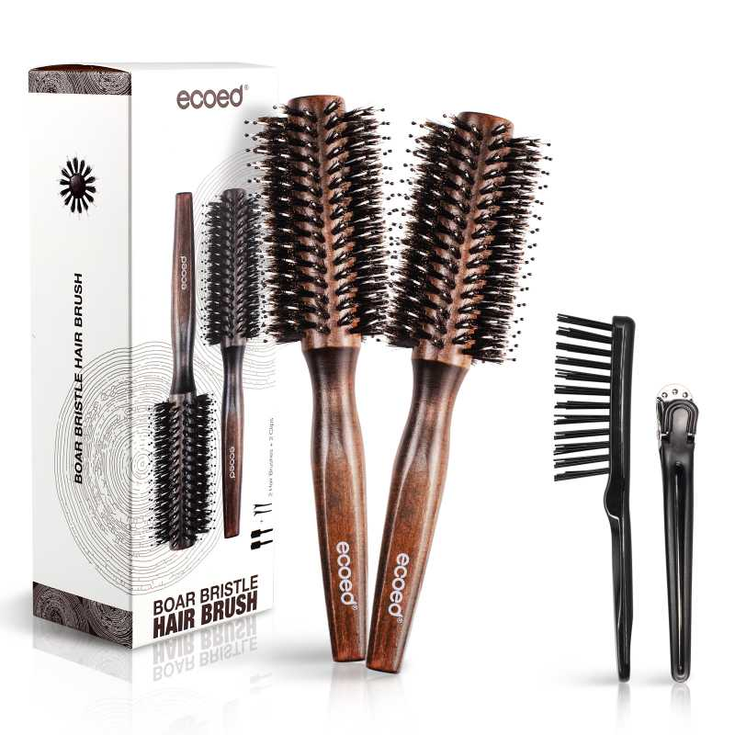 查看原图 | ecoed | https://image.distributetop.com/lingxing-erp/901126217325126144/20221207/010d95112ac74cec8bcb5543007bafb8.jpeg
OV-GAQM-PFGI | 铝桶梳0.9/1.7（两把装） | 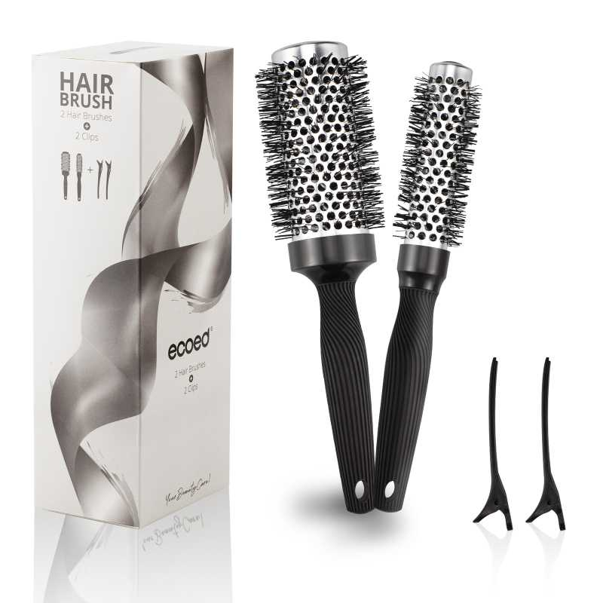 查看原图 | ecoed | https://image.distributetop.com/lingxing-erp/901126217325126144/20221207/5a83d03072c140dbb62cc5209bf92be7.jpeg
NF-NTN3-LC5B | 铝桶梳1.3/2.1（两只组合装） | 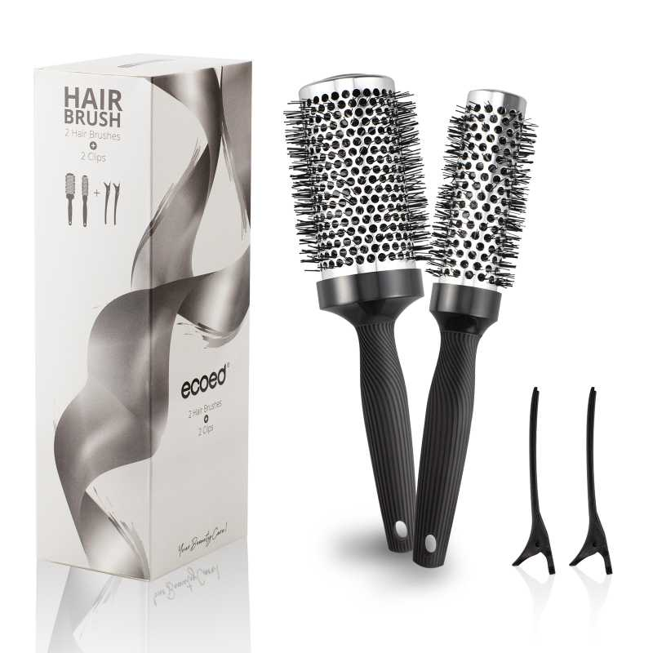 查看原图 | ecoed | https://image.distributetop.com/lingxing-erp/901126217325126144/20221207/59375b9d665445b6b8858bc7fcb52d3a.jpeg
3I-OEE1-VHAB | 可降解树叶梳（粉色） | 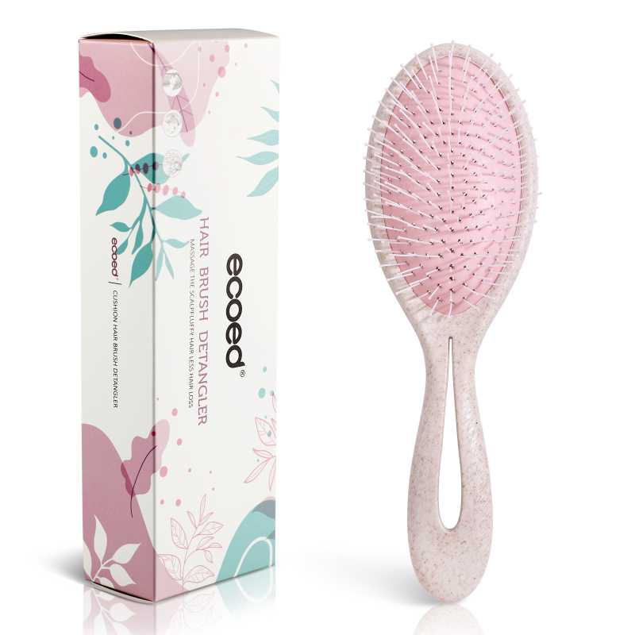 查看原图 | ecoed | https://image.distributetop.com/lingxing-erp/901126217325126144/20221207/26e052850e5e4432afcb533edf892758.jpeg
0L-REVP-RPUM | 可降解树叶梳（蓝色） | 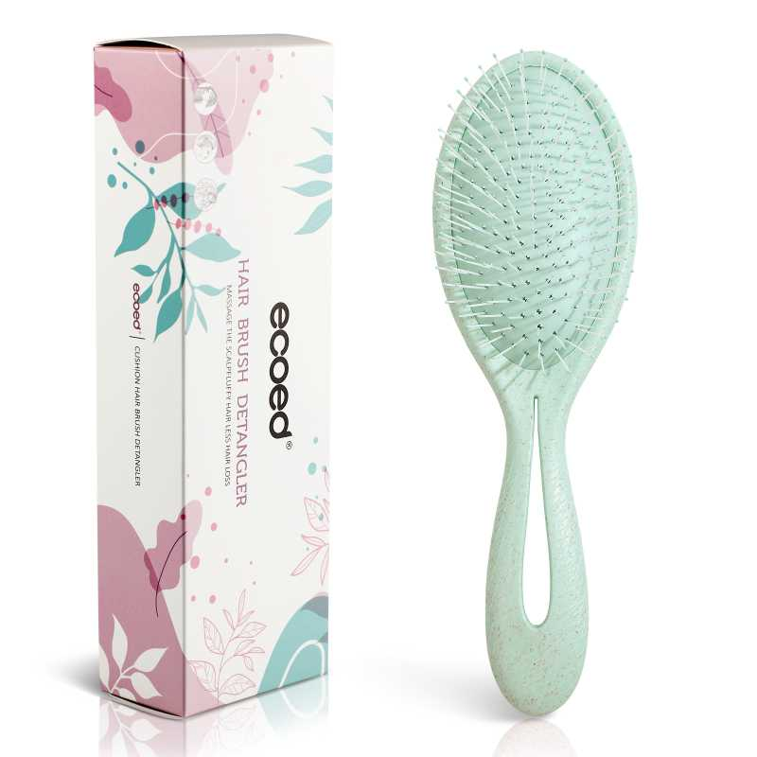 查看原图 | ecoed | https://image.distributetop.com/lingxing-erp/901126217325126144/20221207/604cebec825f4cc08f08405f1c047d22.jpeg
QD-UD8P-33PE | 弹性塑料梳 | 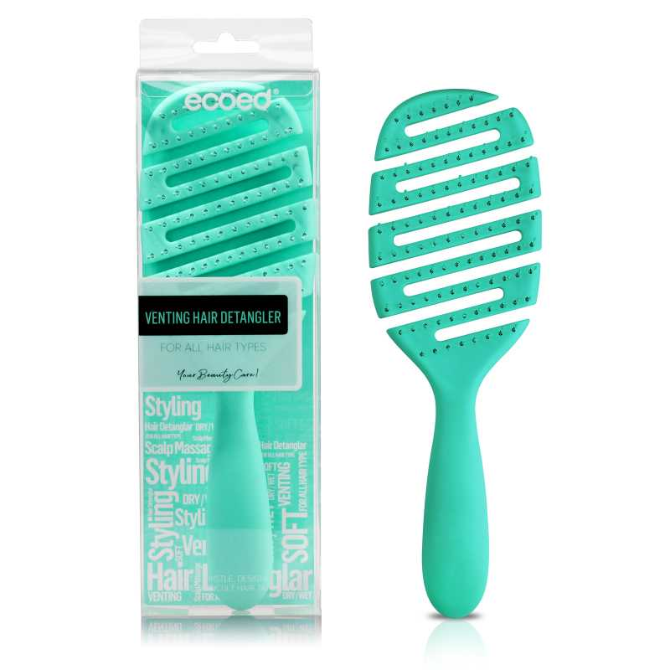 查看原图 | AM8:00 | https://image.distributetop.com/lingxing-erp/901126217325126144/20221207/d0f96c5ed4894b56aaee9292cf3669a5.jpeg
3T-MBP4-WAZR | 可降解铝筒（三支装） | 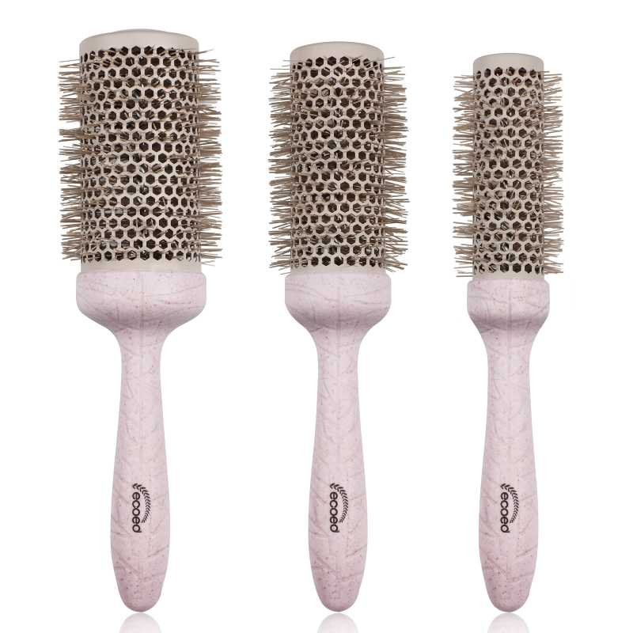 查看原图 | ecoed | https://image.distributetop.com/lingxing-erp/901126217325126144/20221207/a67ef281501f44a892ebf654a0dcef40.jpeg
large | ecoed 陶瓷漆铝筒 1.3寸&2.1寸 | 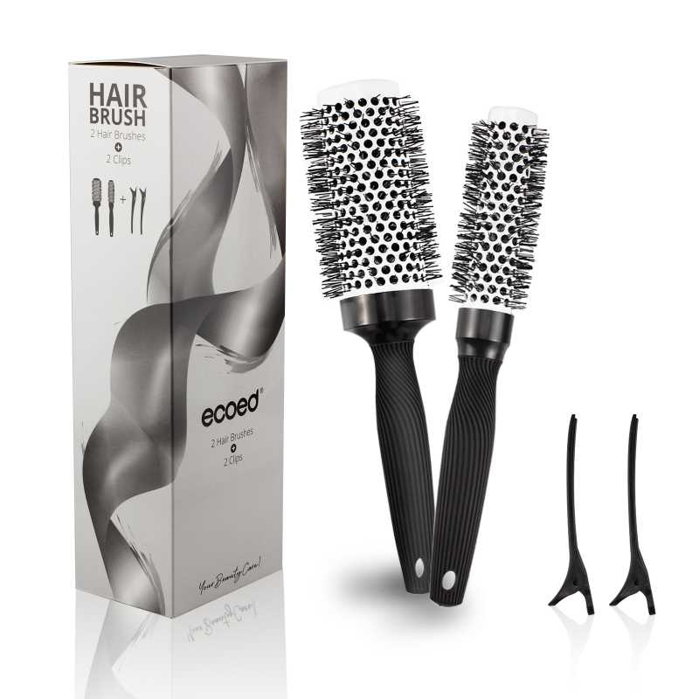 查看原图 | ecoed | https://image.distributetop.com/lingxing-erp/901126217325126144/20221207/e0320759b5bb4ee4b986f2ff78b8997e.jpeg
small | ecoed 陶瓷漆铝筒 0.9寸&1.7寸 | 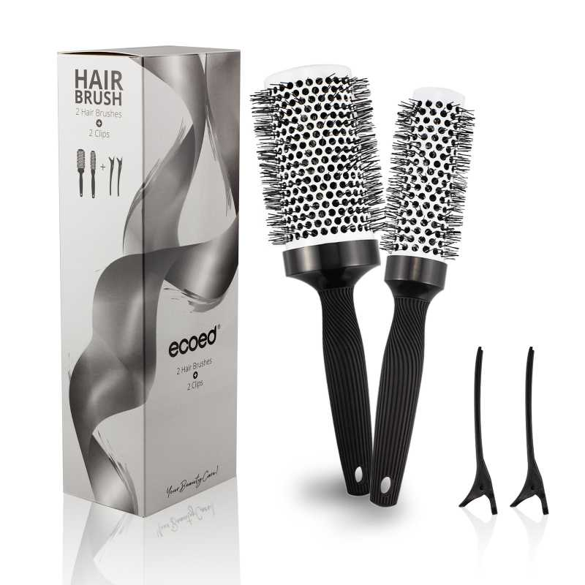 查看原图 | ecoed | https://image.distributetop.com/lingxing-erp/901126217325126144/20221207/408d364eb44d43afa7c97442c86d330d.jpeg
Elasticbrush01 | ecoed 可降解绿色鱼骨梳 | 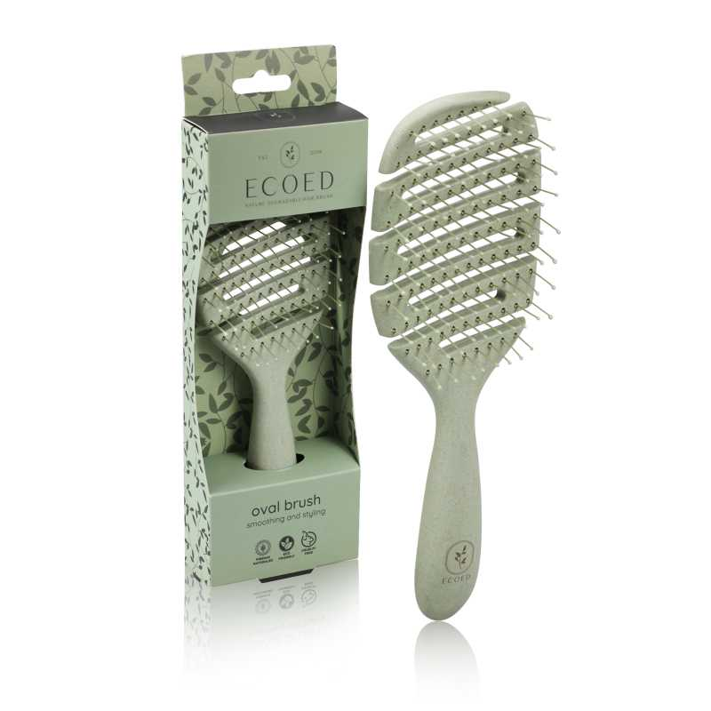 查看原图 | ecoed | https://image.distributetop.com/erp-vue/901126217325126144/20221219/e88fee6b63564b5890e8f80eb3ae47f4.jpeg
Elasticbrush02 | ecoed 可降解黄色鱼骨梳 | 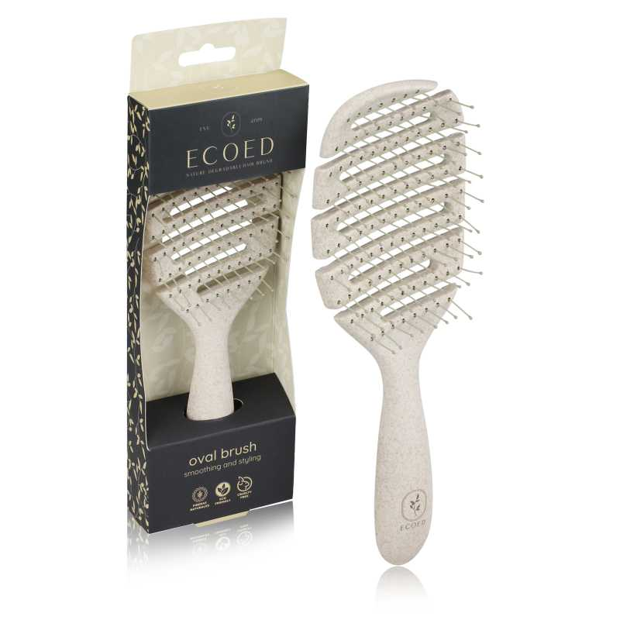 查看原图 | ecoed | https://image.distributetop.com/erp-vue/901126217325126144/20221219/baf088dcb919497193d1a09aa84064f0.jpeg
Elasticbrush03 | ecoed 可降解蓝色蚊香梳 | 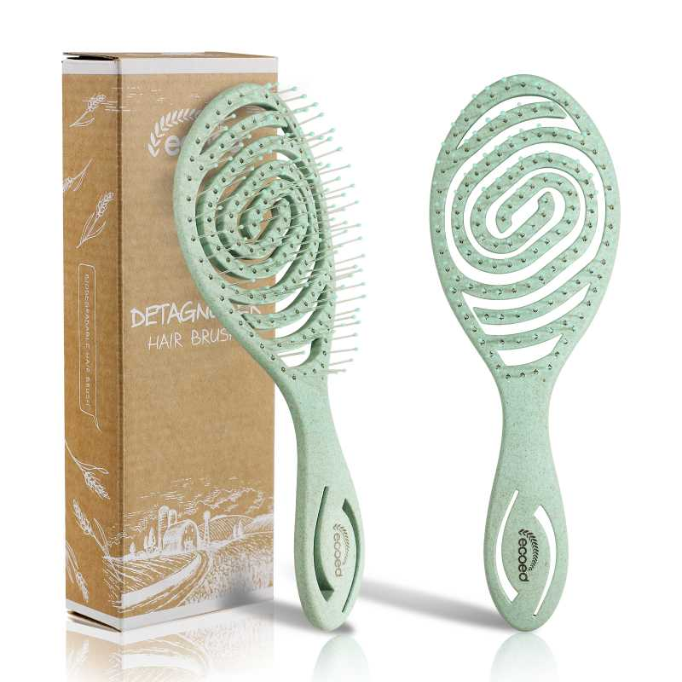 查看原图 | ecoed | https://image.distributetop.com/lingxing-erp/901126217325126144/20221207/ab988ba0273944edb0a0f3dde27e8686.jpeg
Elasticbrush04 | ecoed 可降解黄色蚊香梳 | 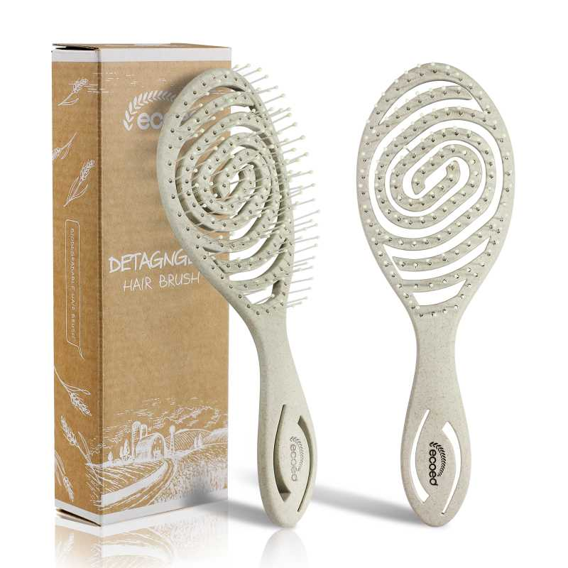 查看原图 | ecoed | https://image.distributetop.com/lingxing-erp/901126217325126144/20221207/e873015c60c446748ac57349dd6dcada.jpeg
FSC-WB01 | FSC漂白榉木头梳（木针） | 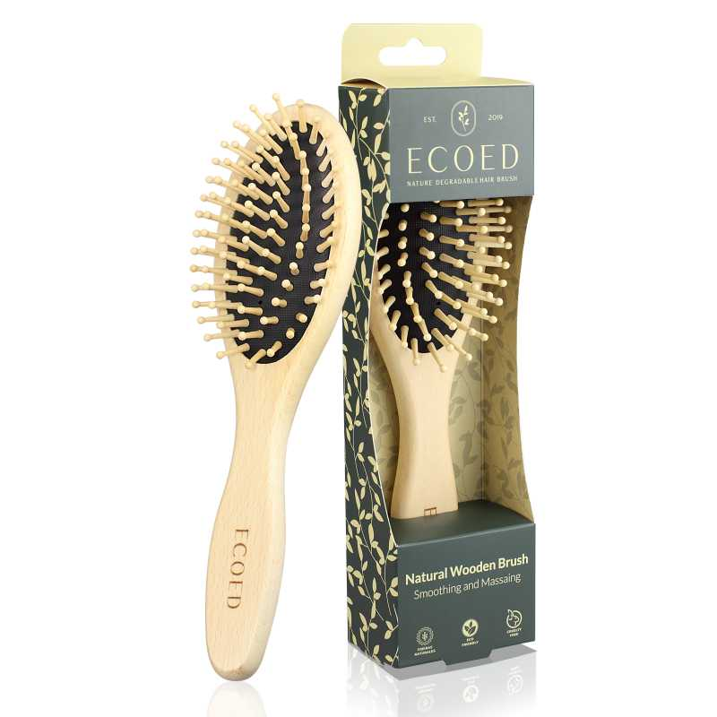 查看原图 | ecoed | https://image.distributetop.com/lingxing-erp/901126217325126144/20221207/537701386bde4898b4dd36c0801678a8.jpeg
FSC-WB02 | FSC漂白榉木头梳(尼龙针) | 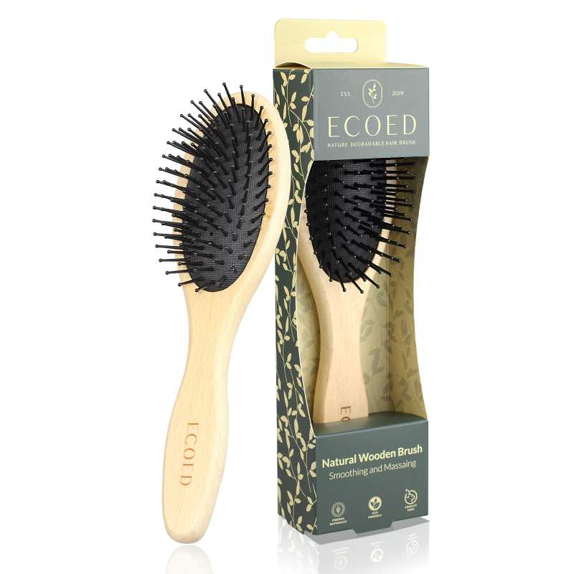 查看原图 | ecoed | https://image.distributetop.com/lingxing-erp/901126217325126144/20221207/3f2babf877c843ee892ca8496245fcdc.jpeg
ST1122-1 | norsewood棕黑色气垫梳8.5*24.5*1.3 | 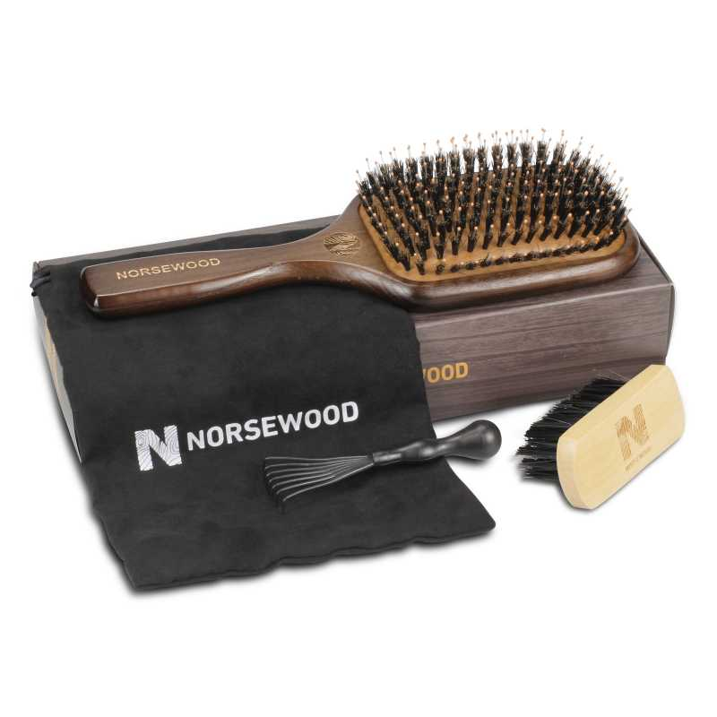 查看原图 | norsewood | https://image.distributetop.com/erp-vue/901126217325126144/20221215/7ae1b81fa49540ae9b8704a05d38664e.jpeg
C7522 | 黑色弹性漆铝桶55cm | 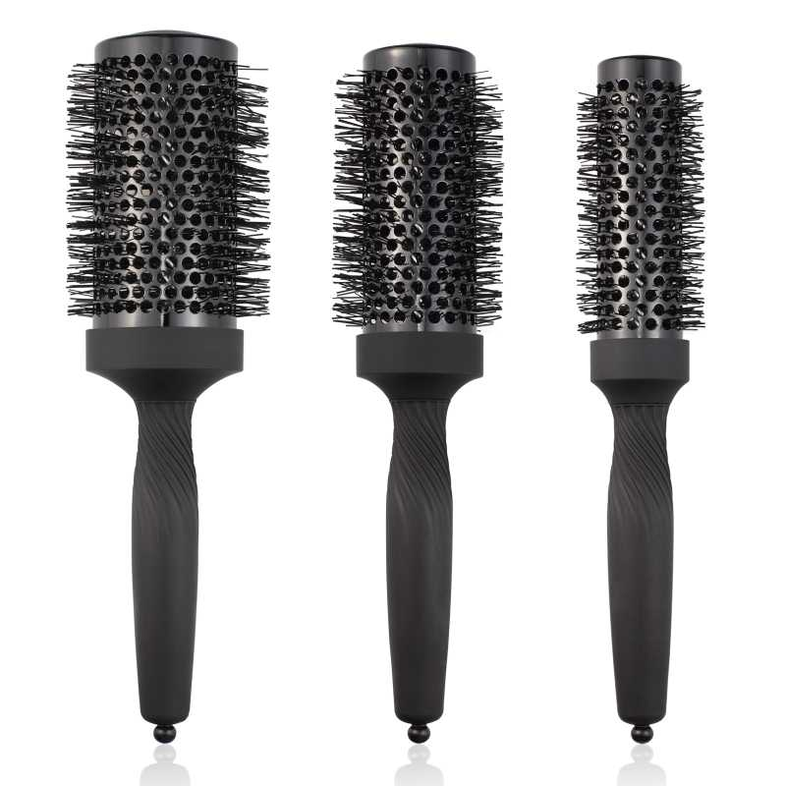 查看原图 | Ellen Evyse | https://image.distributetop.com/lingxing-erp/901126217325126144/20221207/f3f5f13bf69142efa47aa04162526321.jpeg
C7523 | 黑色弹性漆铝筒45cm | 查看原图 | Ellen Evyse | https://image.distributetop.com/lingxing-erp/901126217325126144/20221207/405db6eea6184ca490d5cd9b117d0eb7.jpeg
C7524 | 黑色弹性漆铝筒35cm | 查看原图 | Ellen Evyse | https://image.distributetop.com/lingxing-erp/901126217325126144/20221207/d2f9f925c99f4e26b3f43f36e24572bd.jpeg
Elasticbrush05 | ecoed 可降解蓝色鱼骨梳 | 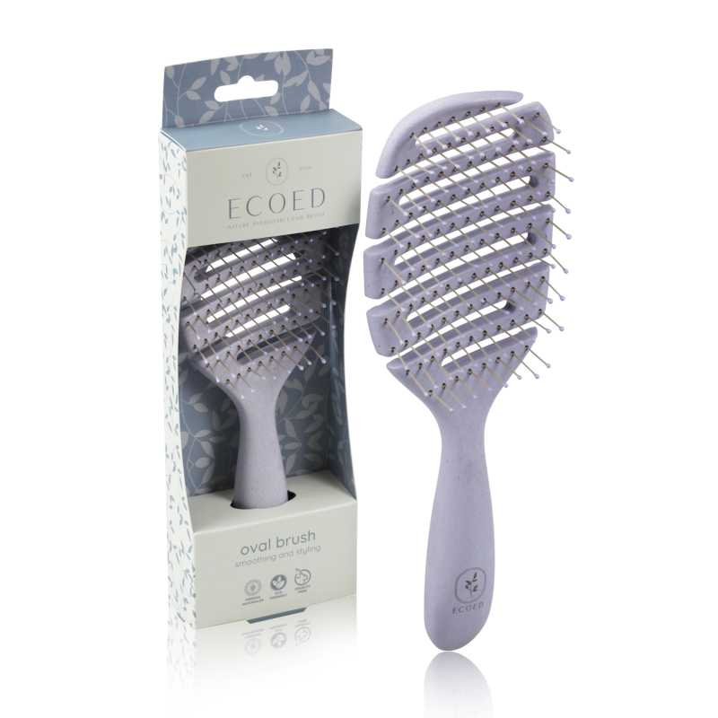 查看原图 | ecoed | https://image.distributetop.com/lingxing-erp/901126217325126144/20221207/7e21a48338d3459e96fc712fba7c0f7f.jpeg
Elasticbrush06 | ecoed 可降解粉色鱼骨梳 | 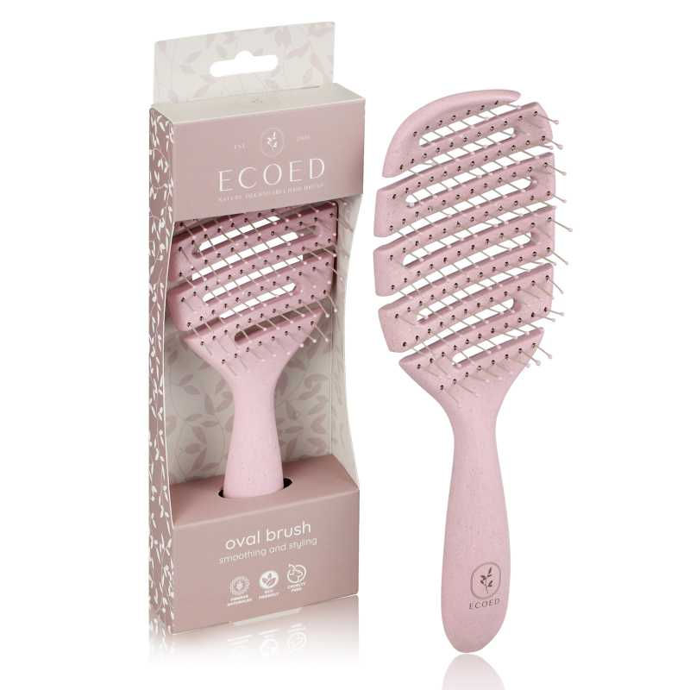 查看原图 | ecoed | https://image.distributetop.com/lingxing-erp/901126217325126144/20221207/4d1d8be6176341ac868ea652d5255d5b.jpeg
EC401 | ECOED长条搓背刷 | 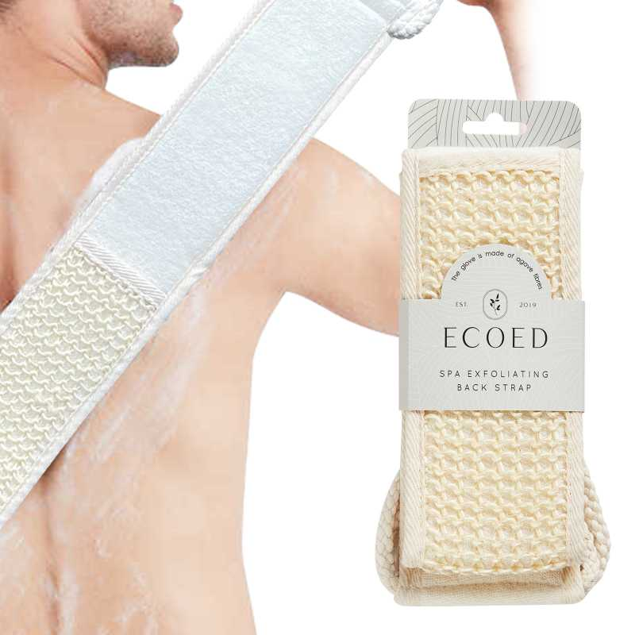 查看原图 | ecoed | https://image.distributetop.com/erp-vue/901126217325126144/20221215/e38643e73ee24c66a2d0a4340bf53fbd.jpeg
EC402 | Ecoed手套搓背 | 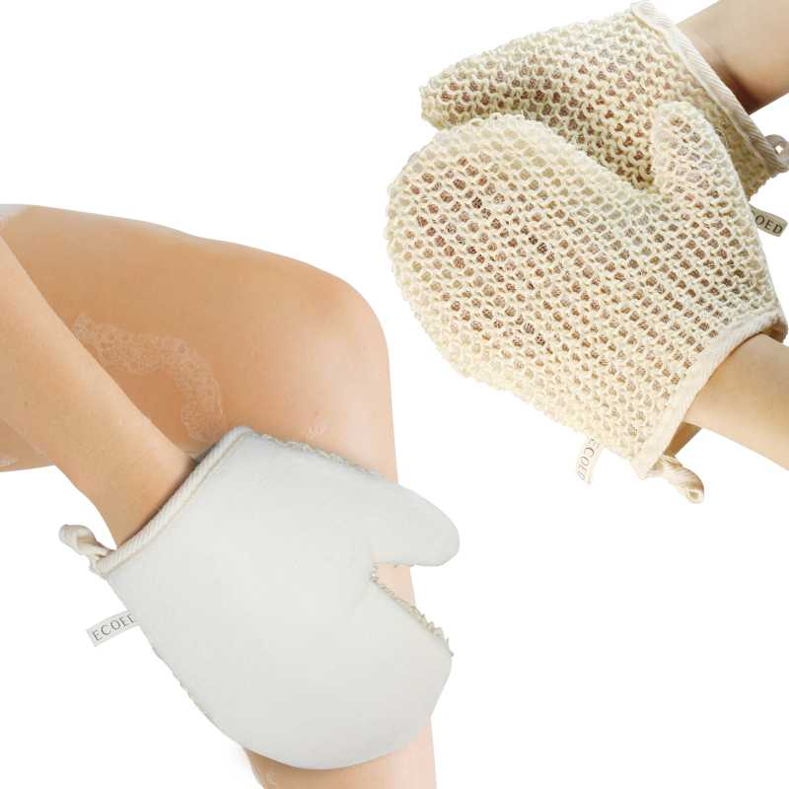 查看原图 | ecoed | https://image.distributetop.com/lingxing-erp/901126217325126144/20221207/918159b67e324843a77aea0e7ba1fda0.jpeg
EC403 | Ecoed咖啡渣浴刷 | 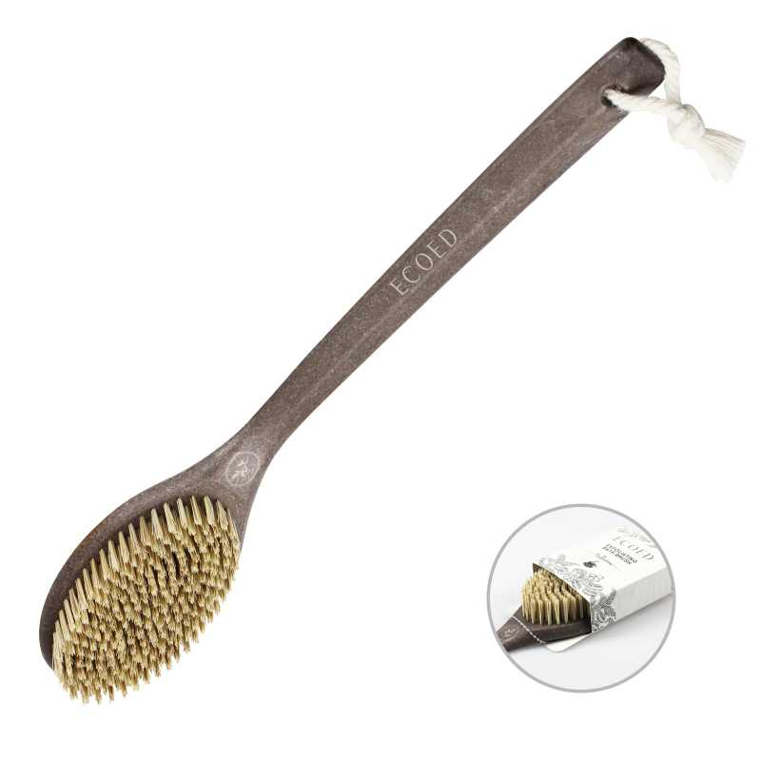 查看原图 | ecoed | https://image.distributetop.com/lingxing-erp/901126217325126144/20221207/a2f902e7220445fa8cb86705da4082f0.jpeg
EC404 | Ecoed洗头刷绿色单只装细针 | 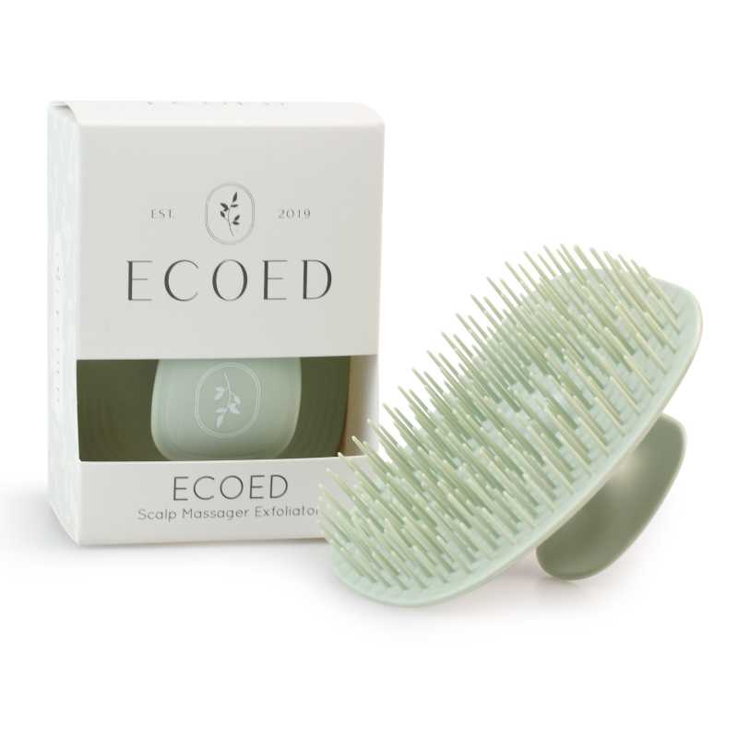 查看原图 | ecoed | https://image.distributetop.com/lingxing-erp/901126217325126144/20221207/716b31ee3b89418c850ef4a18f184ee4.jpeg
EC-5001 | ECOED粉色指甲钳套装新22 | 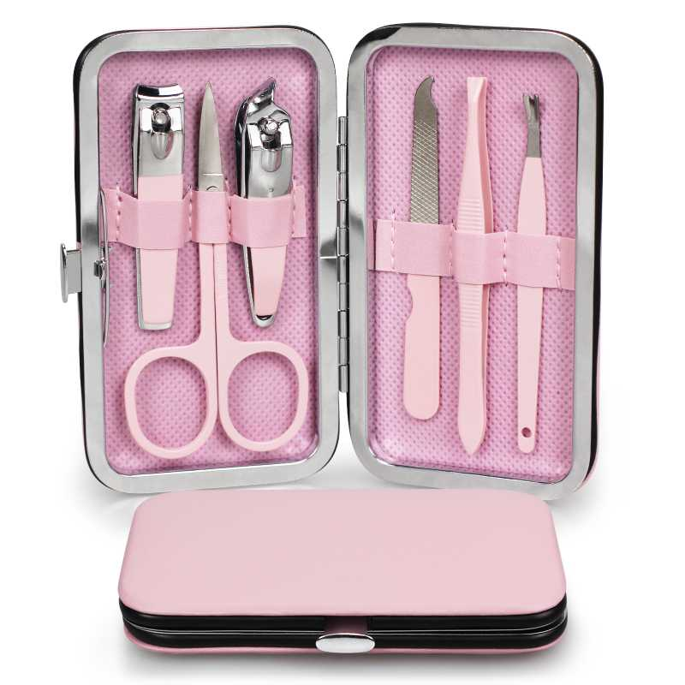 查看原图 | ecoed | https://image.distributetop.com/erp-vue/901126217325126144/20230323/efc34f301c434378b248f32ba53ad7fc.jpeg
OG-G953-1R3D | Ellen Evyse 五只装扁梳 | 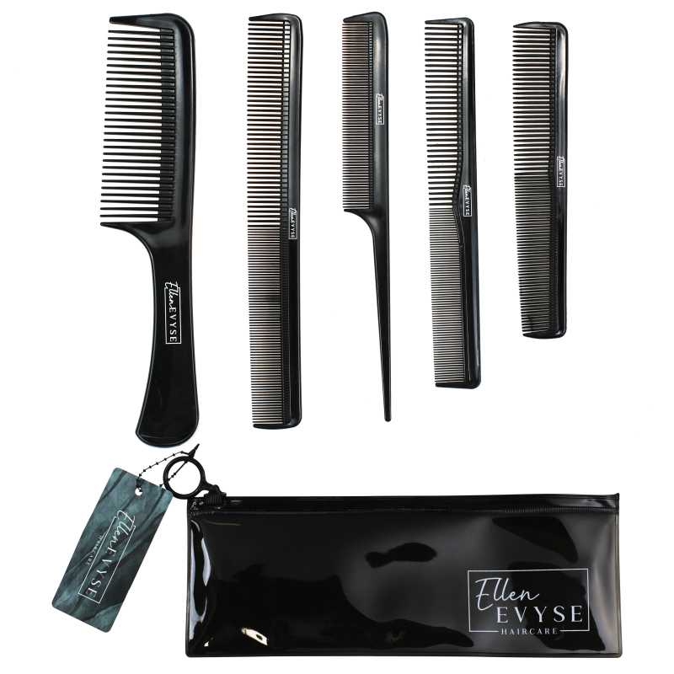 查看原图 | Ellen Evyse | https://image.distributetop.com/erp-vue/901126217325126144/20221215/dae3f1915b224e5cb1d3040148f6991e.jpeg
VY-SMJG-GQX7 | 电动磨脚器 磨头 4只装 | 查看原图 | AM8:00 | https://image.distributetop.com/lingxing-erp/901126217325126144/20221207/8252fb2a661f4e8da6deaf3b0ae4ddfd.jpeg
DE-RQQ1-W67Q | ecoed两只装黑色猪鬃梳 | 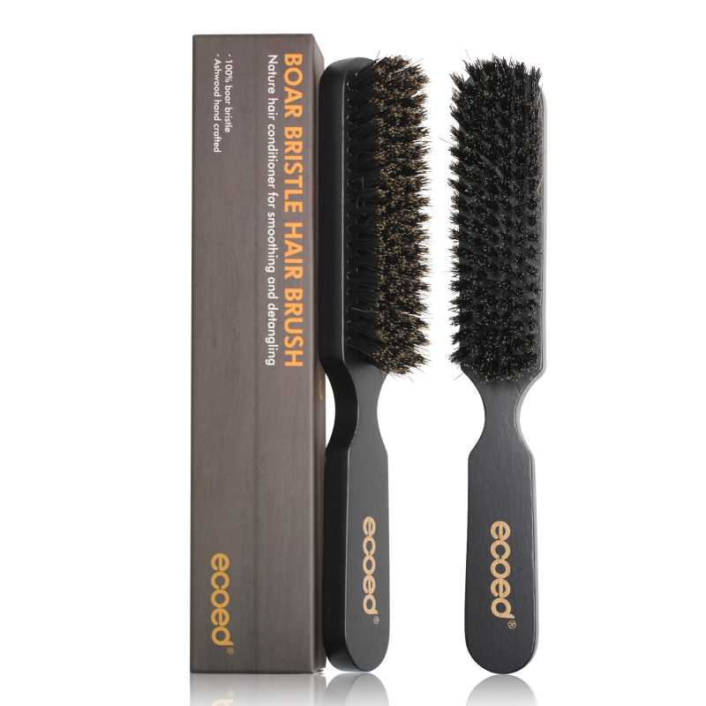 查看原图 | ecoed | https://image.distributetop.com/lingxing-erp/901126217325126144/20221207/3c9e4b6f3f904a19b0bd78870a8d3bae.jpeg
48-82P3-QSFG | BASS新款胡子梳 | 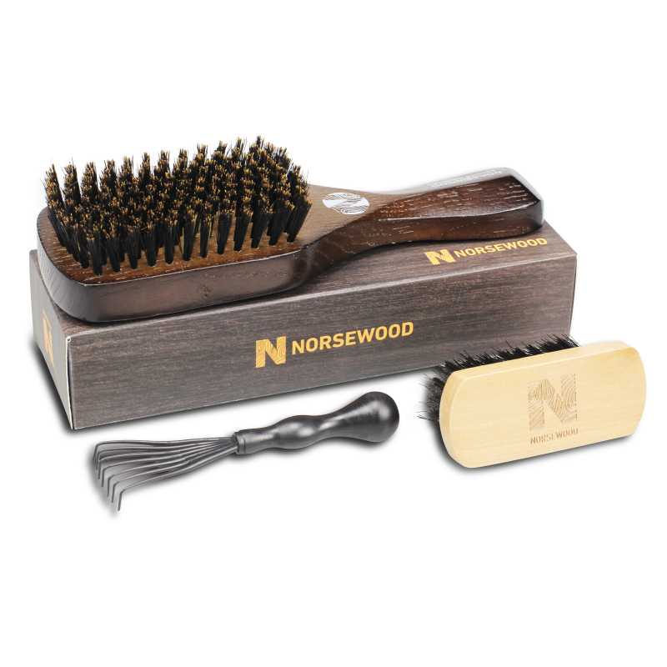 查看原图 | norsewood | https://image.distributetop.com/erp-vue/901126217325126144/20221209/5100b71fb5b34163896c73e0b8756aff.jpeg
EC04-GREEN | 化妆刷套装GREEN | 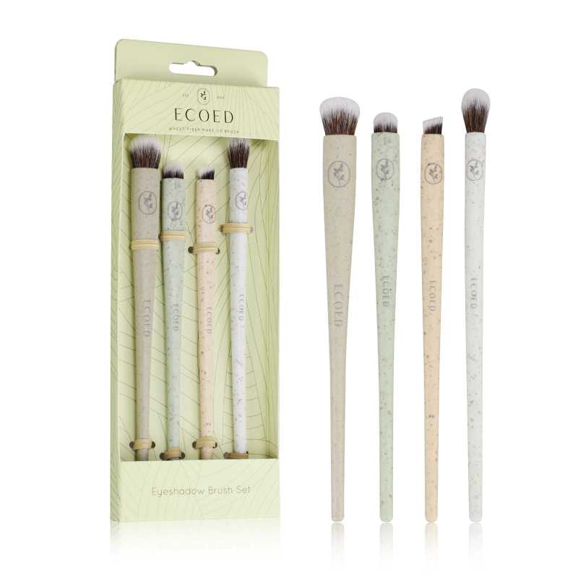 查看原图 | ecoed | https://image.distributetop.com/erp-vue/901126217325126144/20221215/2661bf2424254d149567648a2c0430d2.jpeg
EC04-NATURAL | 化妆刷套装NATURAL | 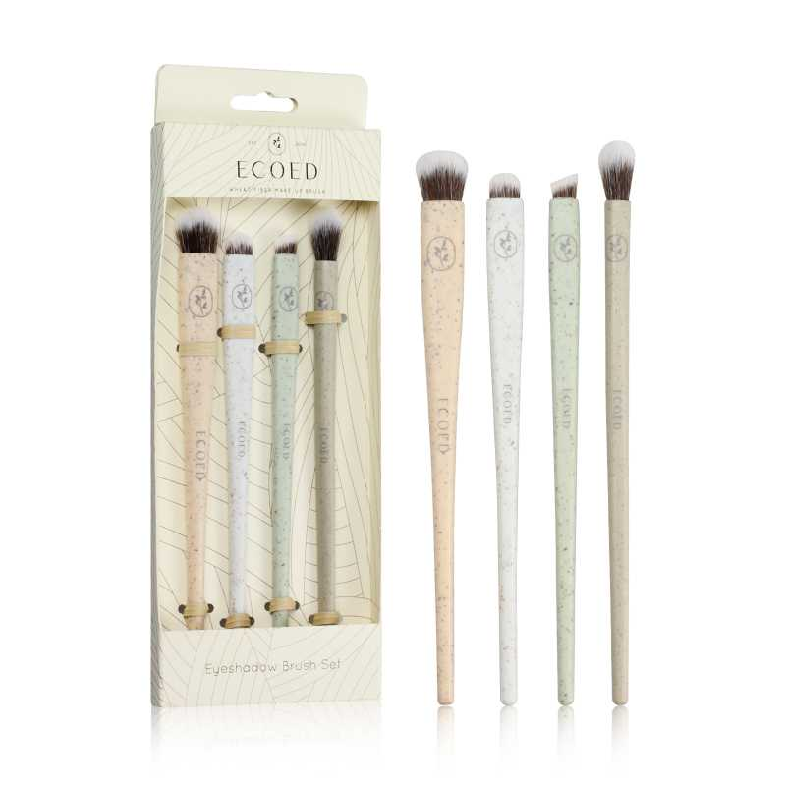 查看原图 | ecoed | https://image.distributetop.com/erp-vue/901126217325126144/20221215/f141f2a51b084964a01681bb103a1fb4.jpeg
EC-D1-PINK | 化妆刷大头 PINK | 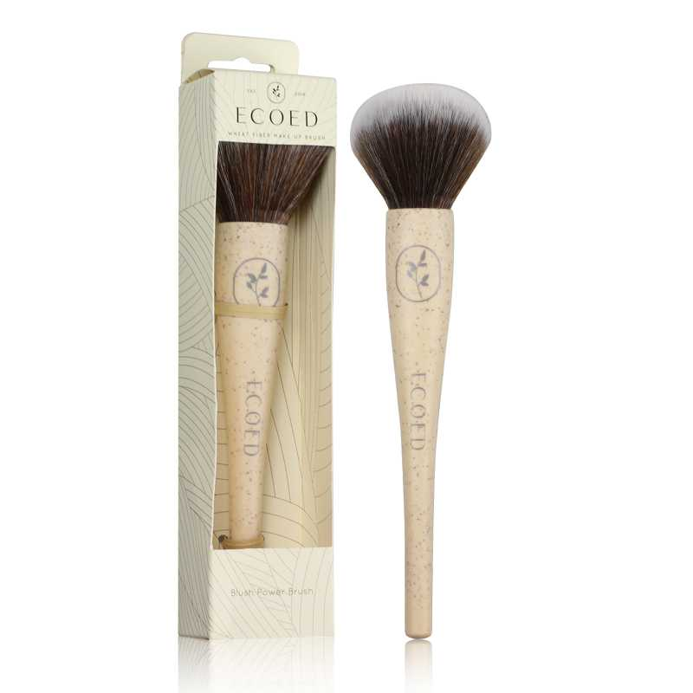 查看原图 | ecoed | https://image.distributetop.com/erp-vue/901126217325126144/20221215/af1fabc924254bb2b267c76d5829cb65.jpeg
EC-D1-GREEN | 化妆刷大头 GREEN | 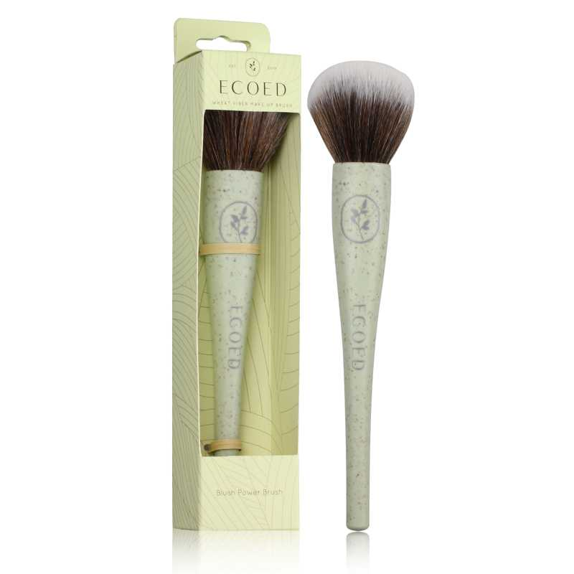 查看原图 | ecoed | https://image.distributetop.com/erp-vue/901126217325126144/20221215/3b8b37b5ffdb410b8370247534f8b7e3.jpeg
EC-D1-NATURAL | 化妆刷大头 NATURAL | 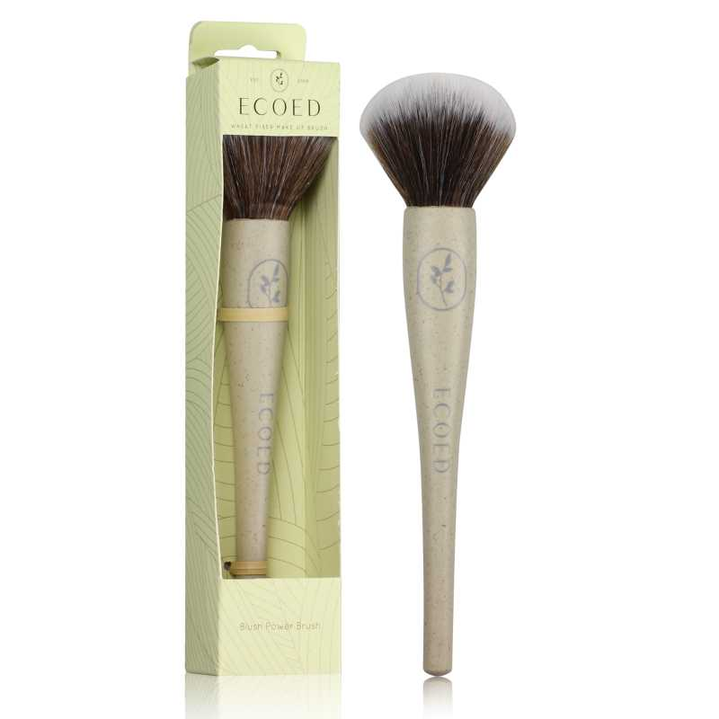 查看原图 | ecoed | https://image.distributetop.com/erp-vue/901126217325126144/20221215/5c009b6eabf14a899571fee43c3a0d5c.jpeg
EC-D1-CYAN | 化妆刷大头 CYAN | 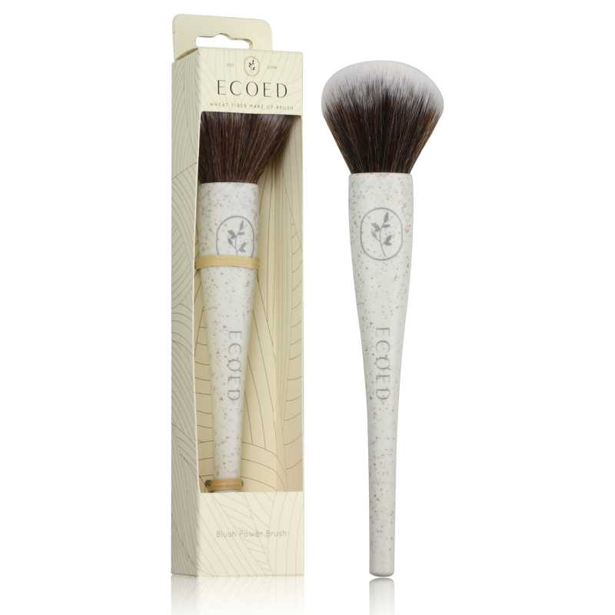 查看原图 | ecoed | https://image.distributetop.com/erp-vue/901126217325126144/20221215/20c2195efd884a3d9c1aea8432771ed4.jpeg
EC-P3-PINK | 化妆刷平头PINK | 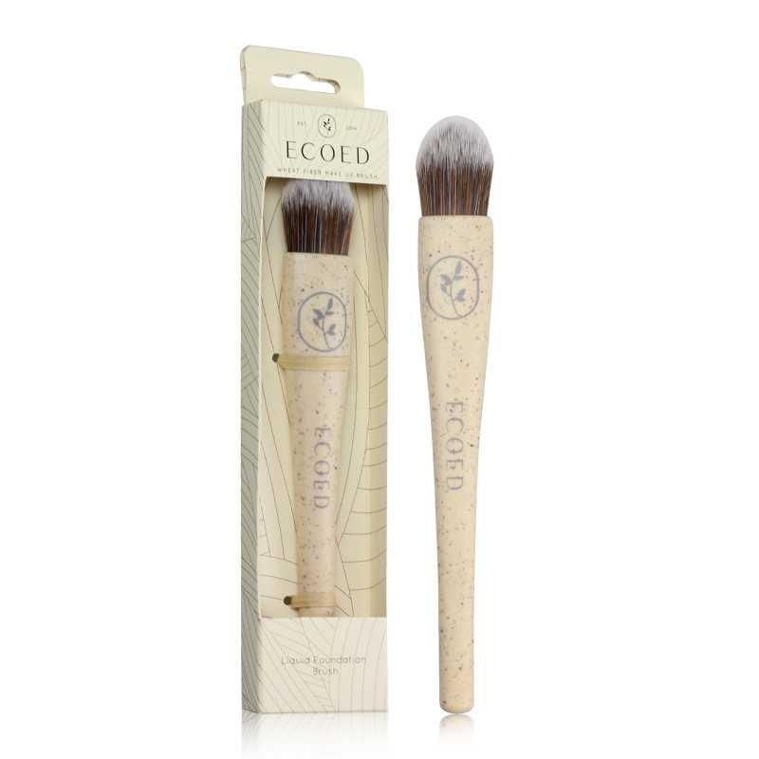 查看原图 | ecoed | https://image.distributetop.com/erp-vue/901126217325126144/20221215/6e9649f6202e49ae8e8d4f7d1bdc486e.jpeg
EC-P3-GREEN | 化妆刷平头GREEN | 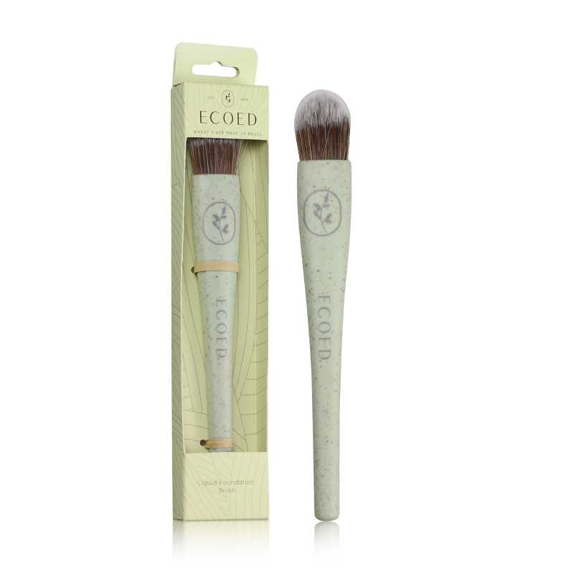 查看原图 | ecoed | https://image.distributetop.com/erp-vue/901126217325126144/20221215/e3408078be8b4241b01a3182848b279a.jpeg
EC-P3-NATURAL | 化妆刷平头NATURAL | 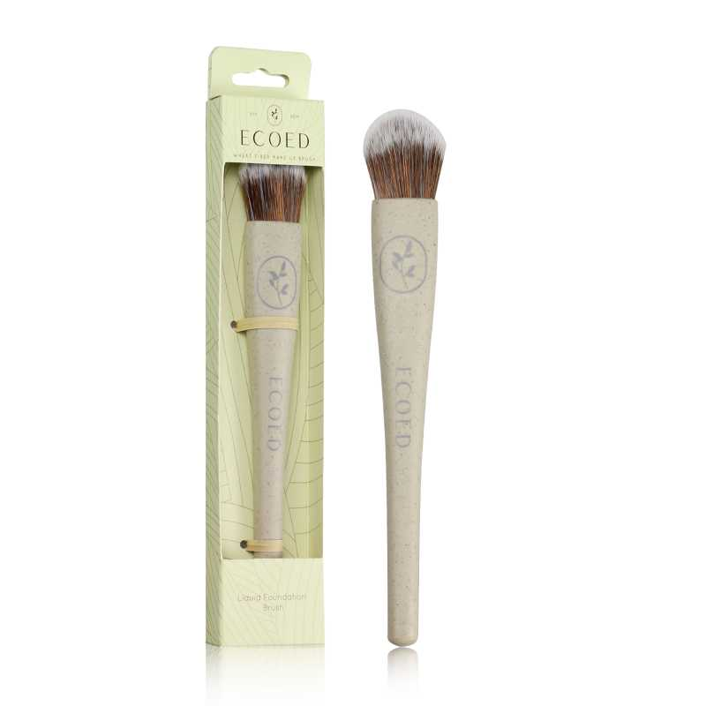 查看原图 | ecoed | https://image.distributetop.com/erp-vue/901126217325126144/20221215/1b931ccb6f5f4f13b640a37f9135e35b.jpeg
EC-P3-CYAN | 化妆刷平头CYAN | 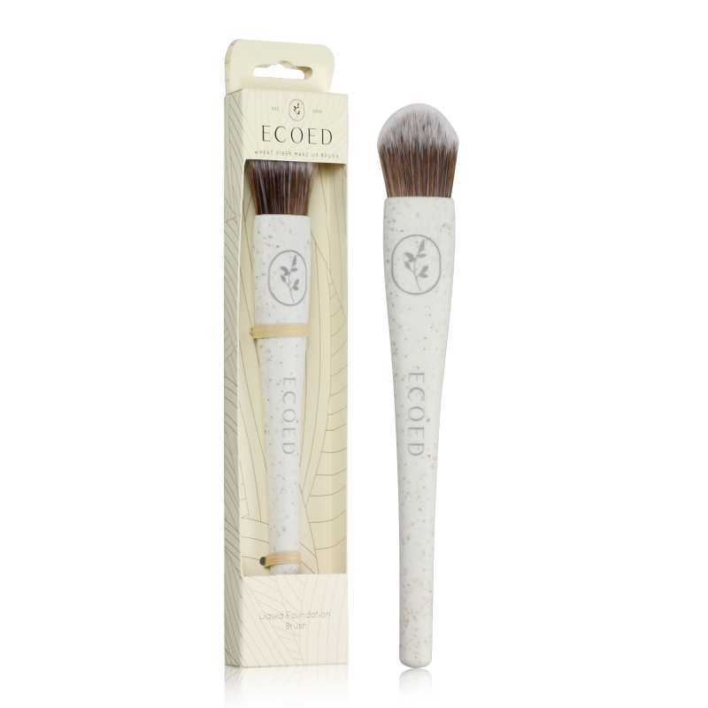 查看原图 | ecoed | https://image.distributetop.com/erp-vue/901126217325126144/20221215/b9525e5291d74c949728c815b7390e2b.jpeg
EC-X2-PINK | 化妆刷斜头PINK | 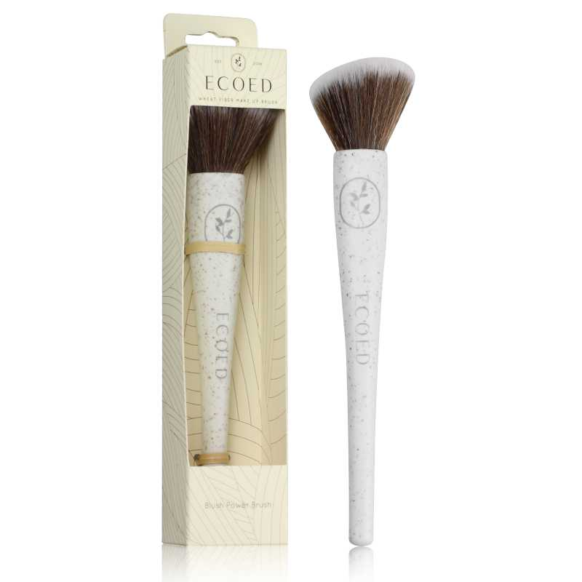 查看原图 | ecoed | https://image.distributetop.com/erp-vue/901126217325126144/20221215/51cf2ef0bfce457d9f23b7071f376be4.jpeg
EC-X2-GREEN | 化妆刷斜头GREEN | 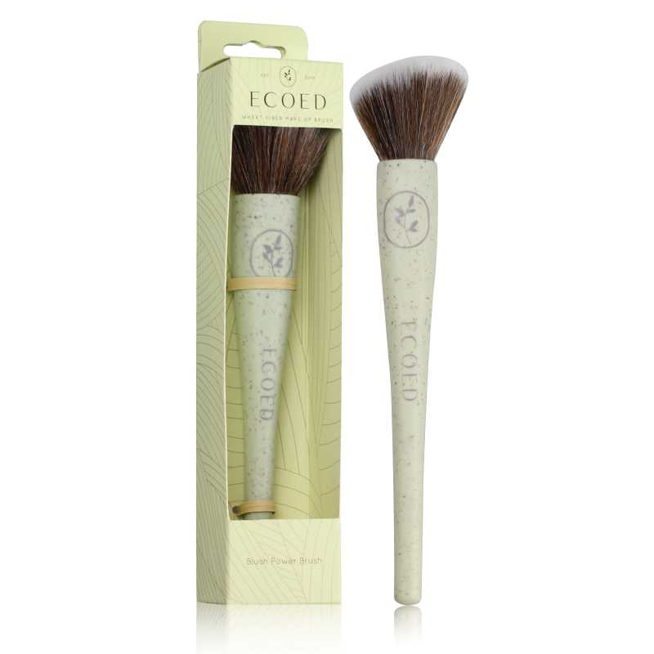 查看原图 | ecoed | https://image.distributetop.com/erp-vue/901126217325126144/20221215/09495e9b94a24313b45a99441e68acd2.jpeg
EC-X2-NATURAL | 化妆刷斜头NATURAL | 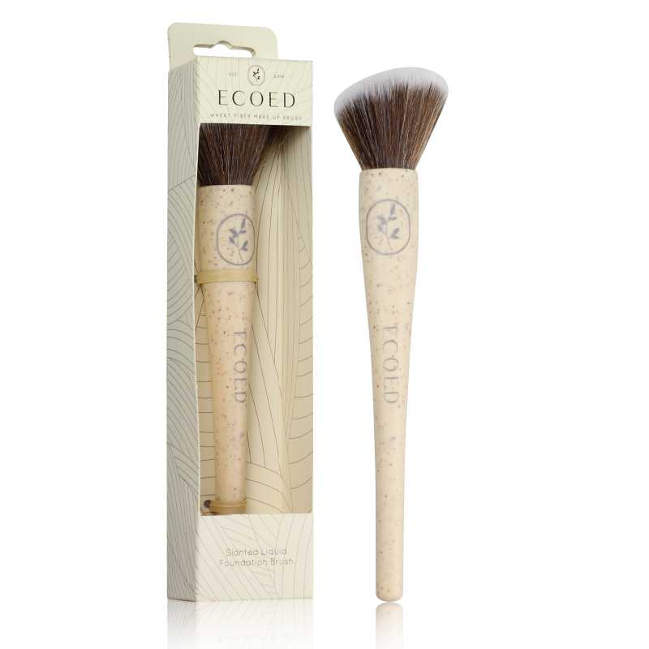 查看原图 | ecoed | https://image.distributetop.com/erp-vue/901126217325126144/20221215/b3d532c8884e4c15a245809781af11c9.jpeg
EC-X2-CYAN | 化妆刷斜头CYAN | 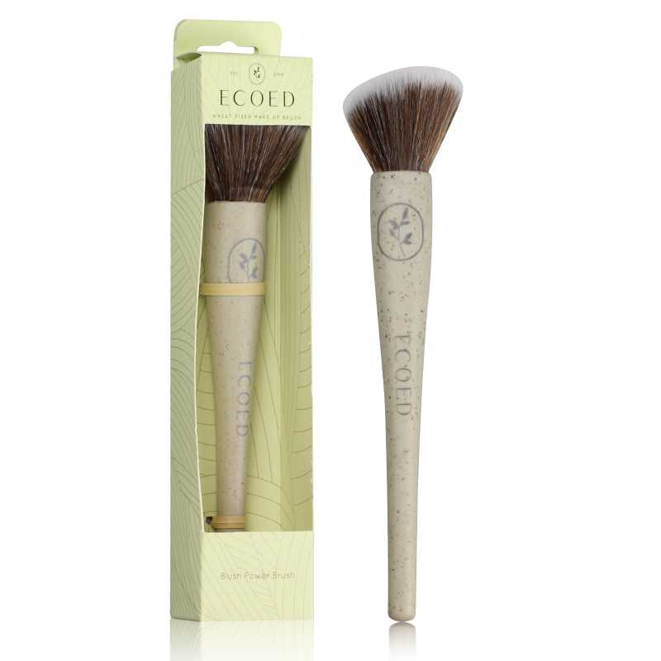 查看原图 | ecoed | https://image.distributetop.com/erp-vue/901126217325126144/20221215/da7f9a627670412da16b8203e3763e97.jpeg
US-CIBD-Z6QO | 电动磨脚器（LED显示屏） | 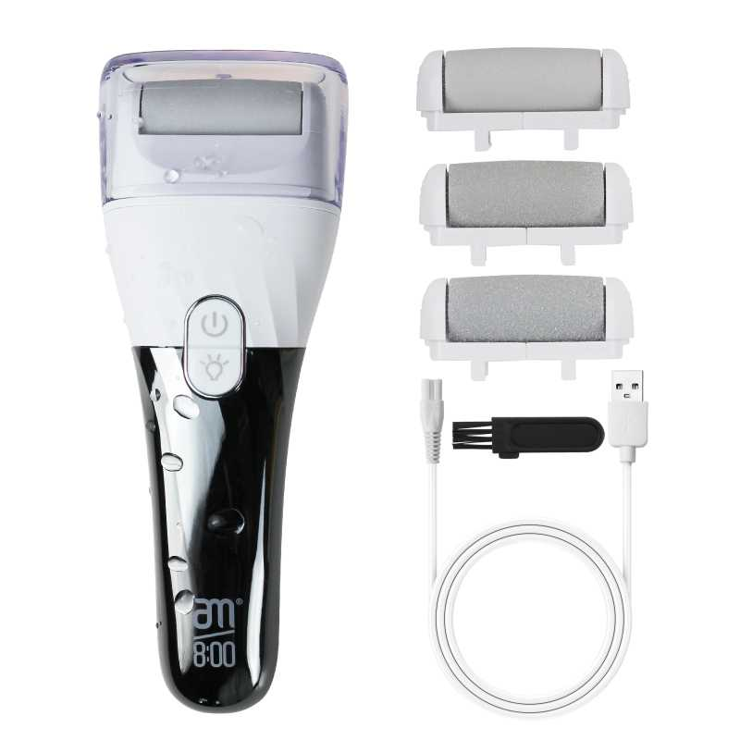 查看原图 | AM8:00 | https://image.distributetop.com/erp-vue/901126217325126144/20221215/6fab9a9c743f4f92bb1512dbda20f907.jpeg
B10-MJB2-BK2 | 黑白木头脚挫2只装 | 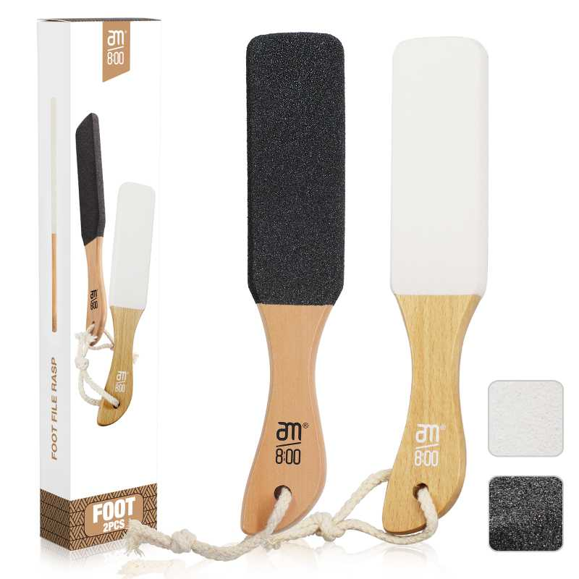 查看原图 | AM8:00 | https://image.distributetop.com/erp-vue/901126217325126144/20221219/9075a22b3fe440329af046a444353858.jpeg
CJ-W5RH-VZ3L | ecoed可降解气垫梳两只装 | 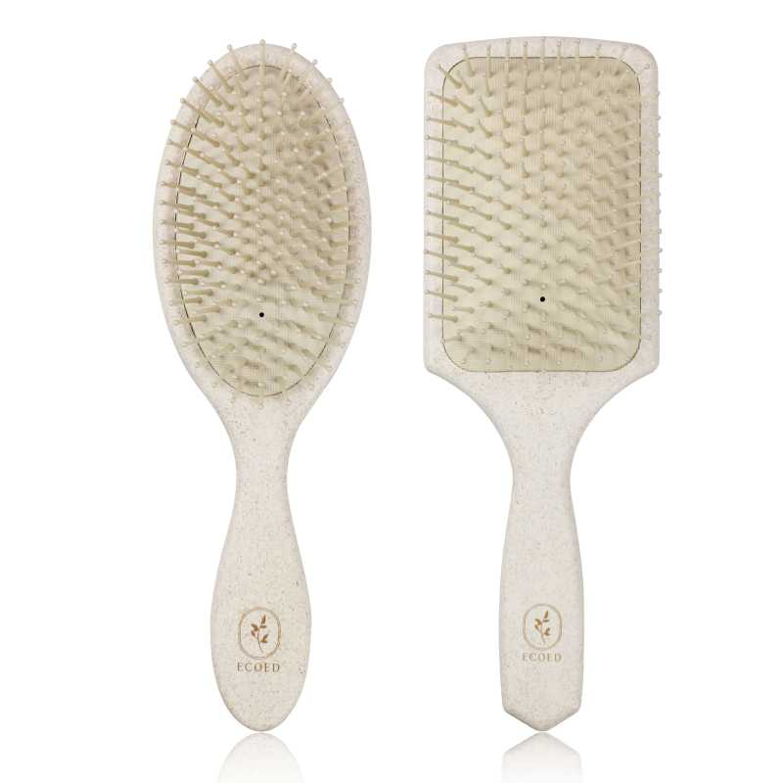 查看原图 | ecoed | https://image.distributetop.com/erp-vue/901126217325126144/20221220/e5a3ba95d5ef401c97535f78697a27d1.jpeg
ZW-IXRC-4OB2 | ecoed可降解通风梳 | 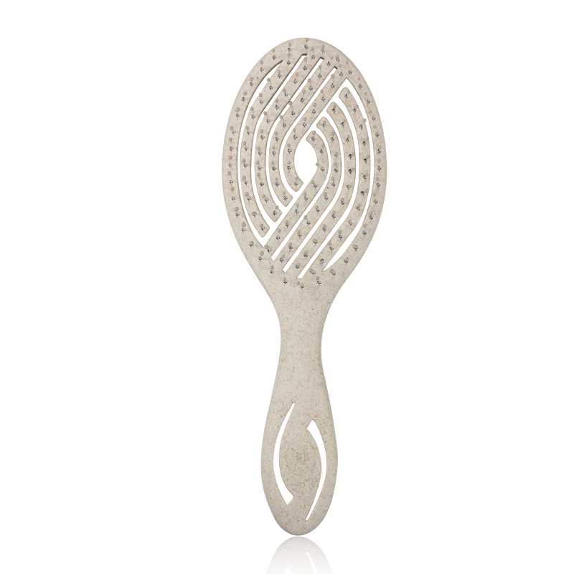 查看原图 | ecoed | https://image.distributetop.com/erp-vue/901126217325126144/20221220/88675474774948f2b02a78795cb8375e.jpeg
C7526 | ellen evyse黑色弹性漆铝筒2只装1.3/1.7in | 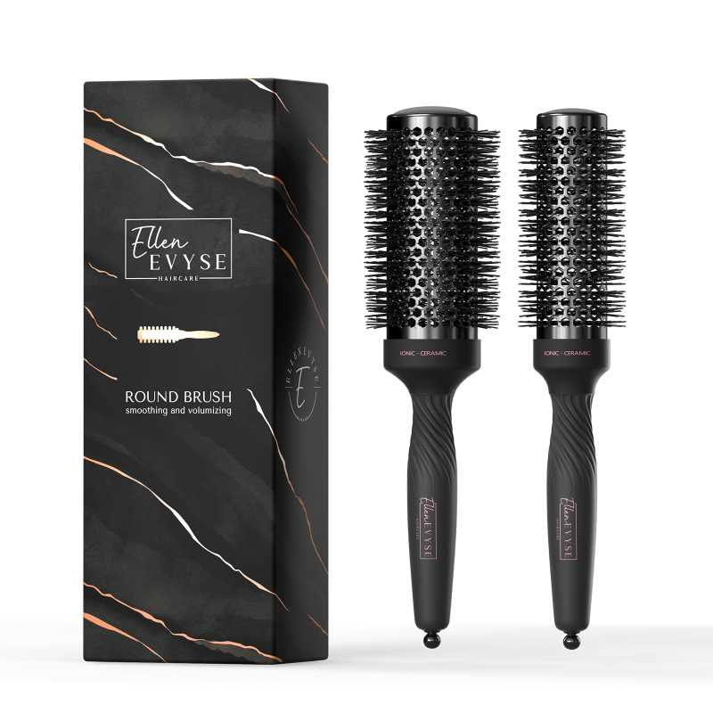 查看原图 | Ellen Evyse | https://image.distributetop.com/erp-vue/901126217325126144/20231218/a16170bbb4004f0a87f7f994e7dbac73.jpeg
7S-HA5T-5D0X | Ecoed洗头刷原色单只装细针 | 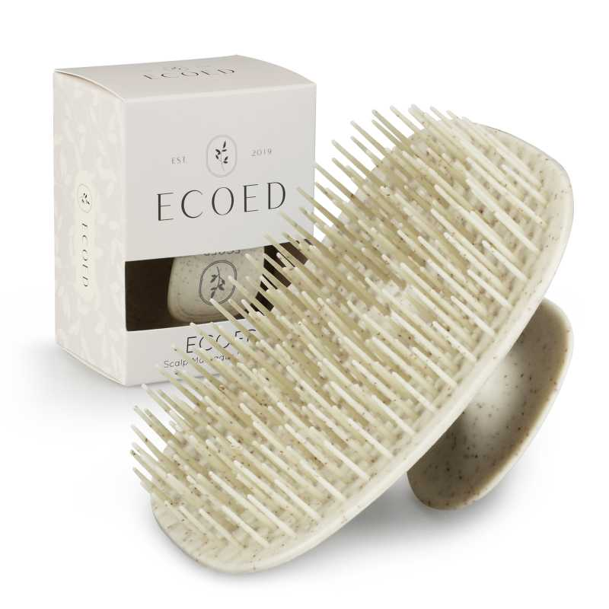 查看原图 | ecoed | https://image.distributetop.com/erp-vue/901126217325126144/20230404/e0e13e8c17914890a62e64c4965b00d2.jpeg
ZW-YI7D-KWFL | Ecoed洗头刷蓝色单只装细针 | 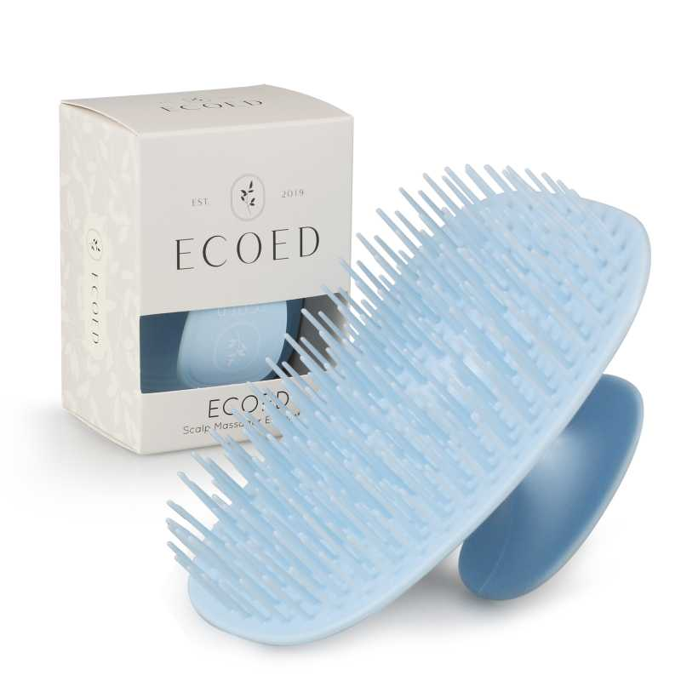 查看原图 | ecoed | https://image.distributetop.com/erp-vue/901126217325126144/20230130/8ed6480fa0664c61a6e3ff0d4a59adda.jpeg
5V-GW44-8VVX | Ecoed洗头刷粉色单只装细针 |  查看原图 | ecoed | https://image.distributetop.com/erp-vue/901126217325126144/20240329/508c31a1699e4f0dafabc32c73df5f4b.jpeg
2EC-Pink | Ecoed洗头刷粉色两只装细针 |  查看原图 | ecoed | https://image.distributetop.com/erp-vue/901126217325126144/20240329/ff8453b99459437ab1ed52b0b3130e82.jpeg
2EC-Blue | Ecoed洗头刷蓝色两只装细针 |  查看原图 | ecoed | https://image.distributetop.com/erp-vue/901126217325126144/20230130/905de3ea856d40c49469f1d402f8e312.jpeg
2EC-Green | Ecoed洗头刷绿色两只装细针 |  查看原图 | ecoed | https://image.distributetop.com/erp-vue/901126217325126144/20230130/8cc7689c86194a5eac77626772601951.jpeg
2EC-Yellow | Ecoed洗头刷原色两只装细针 |  查看原图 | ecoed | https://image.distributetop.com/erp-vue/901126217325126144/20230404/3f7be038538b43bdb141263d49c985e1.jpeg
0O-TK37-GTR9 | ecoed指甲挑 |  查看原图 | ecoed | https://image.distributetop.com/erp-vue/901126217325126144/20221215/12a2352c45da4162b51b9394f126c151.jpeg
BB101-2 | boxxbrush盒子梳玫红色 |  查看原图 | Boxbrush | https://image.distributetop.com/erp-vue/901126217325126144/20230404/d2dcc4120bcc40a1a7e5defdf51e4918.jpeg
EC205 | ECOED可降解铝筒3只装 |  查看原图 | ecoed | https://image.distributetop.com/erp-vue/901126217325126144/20240425/8c0d77f4f37e4fccadf61dc278419d8e.jpeg
Elasticbrush07 | ecoed 可降解咖啡渣鱼骨梳 | 查看原图 | ecoed | https://image.distributetop.com/lingxing-erp/901126217325126144/20221207/7e21a48338d3459e96fc712fba7c0f7f.jpeg
BB101-3 | boxxbrush盒子梳紫色 |  查看原图 | Boxbrush | https://image.distributetop.com/erp-vue/901126217325126144/20230404/df66d0266d5b4bbf88c6c5077551bcb3.jpeg
EC407 | Ecoed浴帽40pc |  查看原图 | ecoed | https://image.distributetop.com/erp-vue/901126217325126144/20230911/b3364c84745c498cae849596675c3ff6.jpeg
NW230517 | norsewood 浴刷套装 |  查看原图 | norsewood | https://image.distributetop.com/erp-vue/901126217325126144/20231026/97ed52b8ba5847ada1d083fefb37138b.jpeg
EC405-1-Blue | ecoed 洗头刷405单只装蓝色粗针 |  | ecoed
EC405-1-Green | ecoed洗头刷405单只装绿色粗针 |  | ecoed
EC405-1-Pink | ecoed 洗头刷405单只装粉色粗 |  | ecoed
EC405-1-Grey | ecoed 洗头刷405单只装原色粗针 |  | ecoed
EC405-2-Blue | ecoed 洗头刷405两只装蓝色粗针 |  | ecoed
EC405-2-Green | ecoed 洗头刷405两只装绿色粗针 |  | ecoed
EC405-2-Pink | ecoed 洗头刷405两只装粉色粗针 |  | ecoed
EC405-2-Grey | ecoed 洗头刷405两只装原色粗针 |  | ecoed
EC405-3-Blue | ecoed 洗头刷405单只装蓝色50硬 |  查看原图 | ecoed | https://image.distributetop.com/erp-vue/901126217325126144/20231026/95c84582bcc341588a1a87869fd6b7ec.jpeg
EC405-3-Green | ecoed 洗头刷405单只装绿色50硬 |  查看原图 | ecoed | https://image.distributetop.com/erp-vue/901126217325126144/20230802/bb5b7f1ac5764d45a86e8cc05e0d3ed3.jpeg
EC405-3-Pink | ecoed 洗头刷405单只装棕色50硬 |  查看原图 | ecoed | https://image.distributetop.com/erp-vue/901126217325126144/20240918/c0c725c77bf6480698d11495b8fb4304.jpeg
EC405-3-Grey | ecoed 洗头刷405单只装原色50硬 |  查看原图 | ecoed | https://image.distributetop.com/erp-vue/901126217325126144/20240918/8460c0b4a86e43e181302b8867a62e36.jpeg
EC413-1 | ecoed弹性漆TT梳粉色 |  | ecoed
EE213 | EllenEvyse 通风梳黑色弹性漆 |  查看原图 | Ellen Evyse | https://image.distributetop.com/erp-vue/901126217325126144/20230814/b84eed22bb2140a69558937fbd4adad3.jpeg
7A-D31U-0BLD | NORSEWOOD浴刷 禾木 | 查看原图 | norsewood | https://image.distributetop.com/erp-vue/901126217325126144/20230911/6cb86531583447bfb41f529107a40344.jpeg
EC403-2 | Ecoed原色浴刷 |  查看原图 | ecoed | https://image.distributetop.com/erp-vue/901126217325126144/20231026/c405a3d59e124b1f9d86914a0a706be7.jpeg
EC403-3 | Ecoed绿色浴刷 |  查看原图 | ecoed | https://image.distributetop.com/erp-vue/901126217325126144/20231026/e0ca285d7f624cf4a880ed8734e01f45.jpeg
AM201 | AM800电镀通风猪鬃梳 |  查看原图 | AM8:00 | https://image.distributetop.com/erp-vue/901126217325126144/20231218/f238f511c9e84d79b1c52add371eba19.jpeg
ECSB-2Green | Ecoed洗头刷绿色组合装 |  查看原图 | ecoed | https://image.distributetop.com/erp-vue/901126217325126144/20231121/980046c40e3b4e13b3be4064dc2b40eb.jpeg
ECSB-2Blue | Ecoed洗头刷蓝色组合装 |  查看原图 | ecoed | https://image.distributetop.com/erp-vue/901126217325126144/20231121/6ac661643a424531a1a0fd25e3ad6ab7.jpeg
ST1122-3 | norsewood棕色宝塔针气垫梳 |  查看原图 | norsewood | https://image.distributetop.com/erp-vue/901126217325126144/20240417/609233d267bc41b0935d72d8427f6098.jpeg
EC-ZZ01 | ECOED麦桔杆通风猪鬃梳 |  查看原图 | ecoed | https://image.distributetop.com/erp-vue/901126217325126144/20240325/49c2158feed343c8931eda5285cf25b7.jpeg
NW-GRAY1 | norsewood灰色榉木气垫猪鬃梳（bass） | 查看原图 | norsewood | https://image.distributetop.com/erp-vue/901126217325126144/20221215/7ae1b81fa49540ae9b8704a05d38664e.jpeg
NW-GRAY2 | norsewood灰色榉木气垫梳尼龙针（bass） | 查看原图 | norsewood | https://image.distributetop.com/erp-vue/901126217325126144/20221215/7ae1b81fa49540ae9b8704a05d38664e.jpeg
NW-GRAY3 | norsewood灰色榉木气垫梳木针（bass） | 查看原图 | norsewood | https://image.distributetop.com/erp-vue/901126217325126144/20221215/7ae1b81fa49540ae9b8704a05d38664e.jpeg
EC-FR-01 | 洗脸巾80g，20*25 |  查看原图 | ecoed | https://image.distributetop.com/erp-vue/901126217325126144/20240417/a4898bab70314215bc5566396c45484b.jpeg
EERB2.11.7 | ellen evyse黑色弹性漆铝筒2只装2.1/1.7in | 查看原图 | Ellen Evyse | https://image.distributetop.com/erp-vue/901126217325126144/20231218/a16170bbb4004f0a87f7f994e7dbac73.jpeg
EERB2.11.3 | ellen evyse黑色弹性漆铝筒2只装2.1/1.3in | 查看原图 | Ellen Evyse | https://image.distributetop.com/erp-vue/901126217325126144/20231218/a16170bbb4004f0a87f7f994e7dbac73.jpeg
JHk124 | 补单专用采购商品
RR-6NGL-SJ6F | 洗脸巾80g，20*25 （双只） |  查看原图 | ecoed | https://image.distributetop.com/erp-vue/901126217325126144/20240417/3a675ca4aa9c417c93422f79f5304617.jpeg
ECSB-TPR1 | 洗头刷TPR绿色 |  查看原图 | ecoed | https://image.distributetop.com/erp-vue/901126217325126144/20240530/19b01f8db3934874b79c345aa9bc3058.jpeg
ZQ-R8SK-ROL2 | 金色陶瓷漆圆桶刷2.1&1.3in | 查看原图 | Ellen Evyse | https://image.distributetop.com/erp-vue/901126217325126144/20240426/daf0c5c076ad435cb71eb665b61bfa4a.jpeg
17-A1KN-KJGW | 黑人卷发定型梳(蓝色) |  查看原图 | AM8:00 | https://image.distributetop.com/erp-vue/901126217325126144/20240823/4e322578d27a475ebb447e87c3225e7d.jpeg
EX-1L2K-CN3N | 卷发通风梳 | 查看原图 | AM8:00 | https://image.distributetop.com/erp-vue/901126217325126144/20241011/8ebd0c5d1e0f48c0a858b05fee71f1f3.jpeg
AM-MN01 | 伸缩梳 |  查看原图 | AM8:00 | https://image.distributetop.com/erp-vue/901126217325126144/20241015/35e863f91e4147dfa3d194d22edc1628.jpeg
AMSC-green | 卷发梳睡帽套装 |  查看原图 | AM8:00 | https://image.distributetop.com/erp-vue/901126217325126144/20241204/33e33e49e4134ae7bc392e74141b03a9.jpeg
AMCB-black | 尼龙卷发定型梳(蓝色) |  查看原图 | AM8:00 | https://image.distributetop.com/erp-vue/901126217325126144/20250123/fb21aeb6d27b4d8a8dd14589a5d0b300.jpeg
EEHB-NBB | 黑红猪鬃气垫梳 | 查看原图 | Ellen Evyse | https://image.distributetop.com/erp-vue/901126217325126144/20250120/30f93ff4f4374e5f889b46cc2bfb5ff9.jpeg
AMCB-Pink | 卷发定型梳粉色 | 查看原图 | AM8:00 | https://image.distributetop.com/erp-vue/901126217325126144/20250415/44e7a6bd07df43c0b005d9587d46cc25.jpeg
AMCB-Blue | 卷发定型梳蓝色 | 查看原图 | AM8:00 | https://image.distributetop.com/erp-vue/901126217325126144/20250415/bb16daf2eaf5499ea584420c5fdb802f.jpeg
HL-M1WU-VR62 | 白色铝筒 | 查看原图 | AM8:00 | https://image.distributetop.com/erp-vue/901126217325126144/20250417/23a8ced8c55c49b192ce0a896ef0e90a.jpeg
EE321 | EE鬓角背头组合刷套装 |  | Ellen Evyse
AMCB-01 | 尼龙卷发定型梳粉色 |  查看原图 | AM8:00 | https://image.distributetop.com/erp-vue/901126217325126144/20250826/deab06da5f424185af25ed20d7b759b7.jpeg
AMGFF-01 | 新款脚皮锉 | 查看原图 | AM8:00 | https://image.distributetop.com/erp-vue/901126217325126144/20250716/ce7a0b6418194076924e6ef4a711abf4.png
NW-BNHB | 椭圆猪鬃气垫梳 | 查看原图 | norsewood | https://image.distributetop.com/erp-vue/901126217325126144/20250812/822f040d13b24a89a1a5f37e7600ab83.jpeg

