Ticket Status Change
【Single Change】Single change in FOMS Admin (cant include the status change by check-in , cause we need to ensure the data completeness) |  |  |  |  |  |  |  | 【Bulk change】Bulk change in FOMS Admin
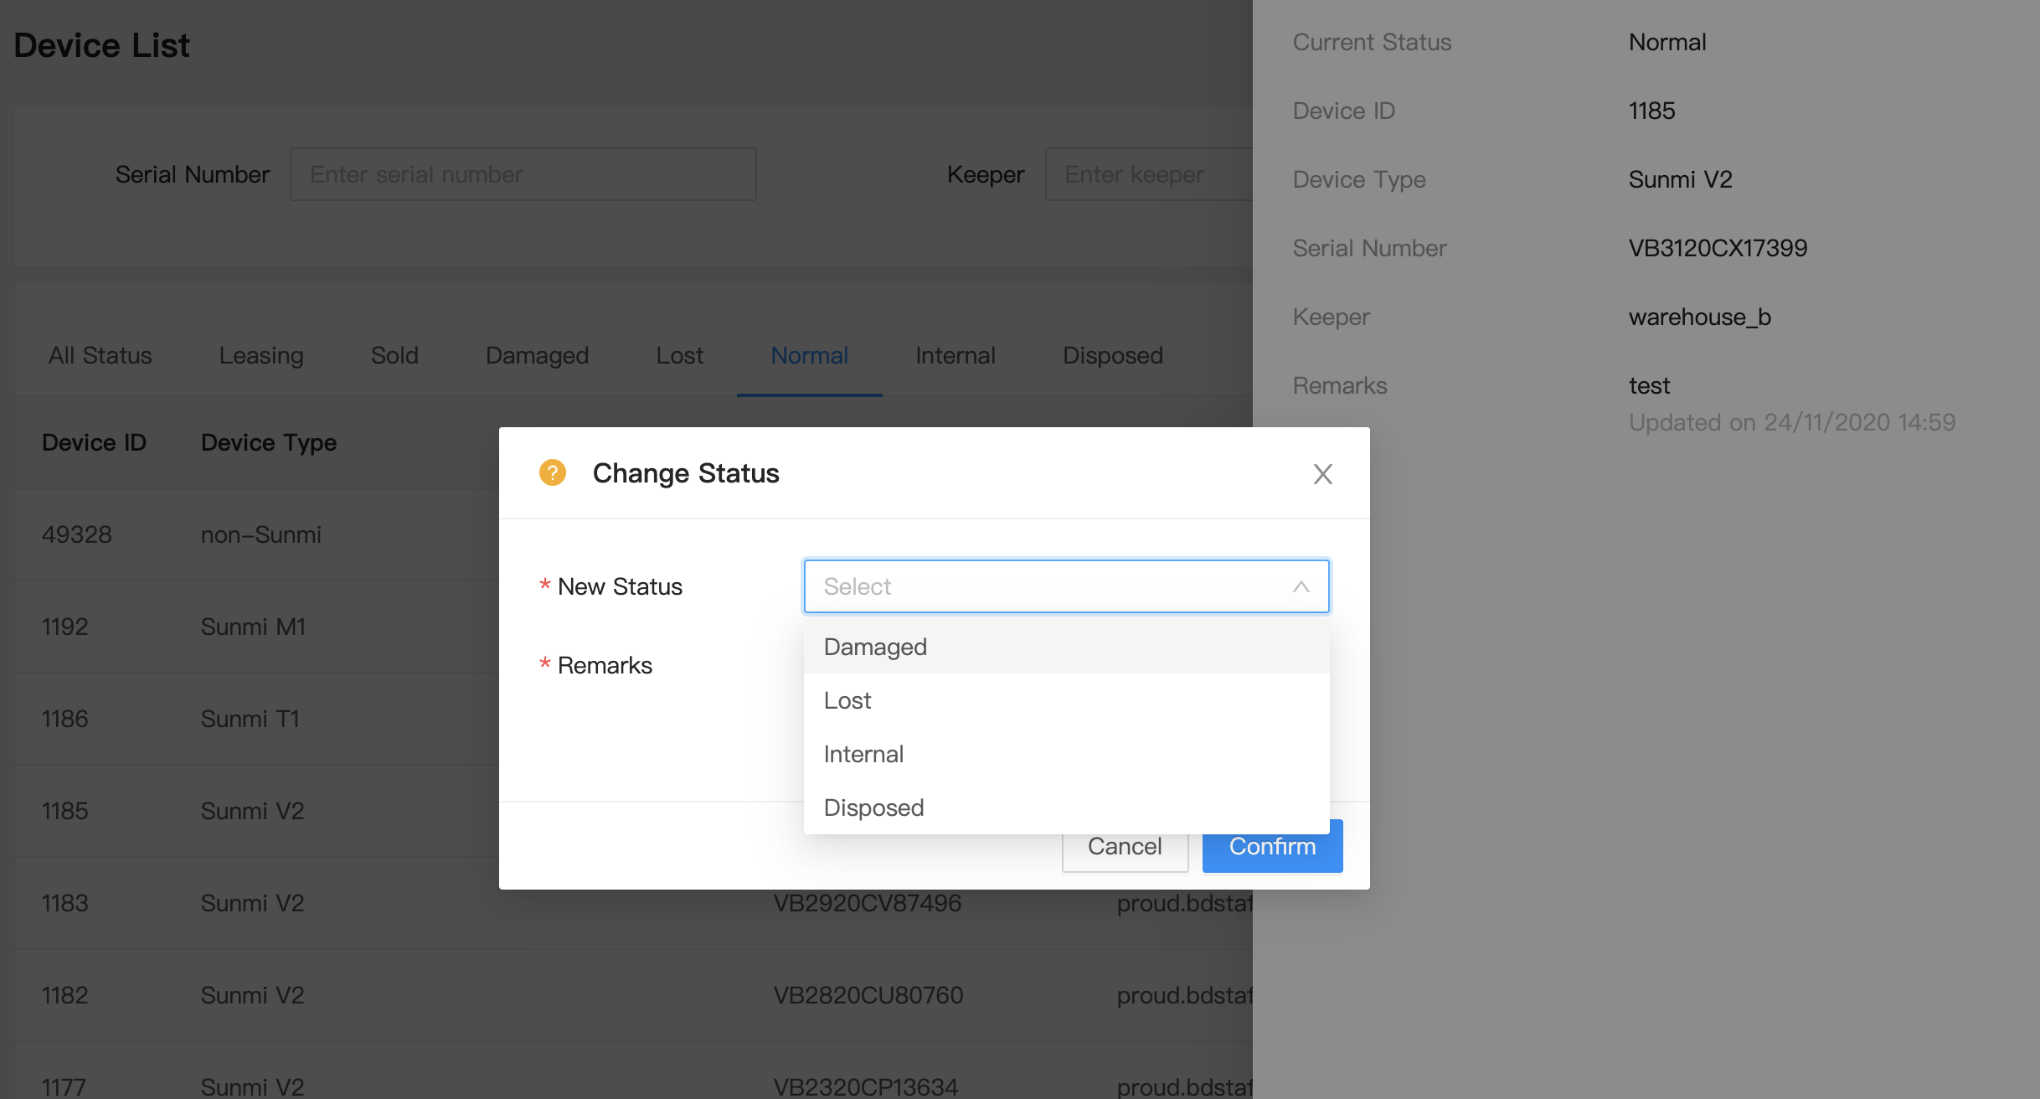 |  |  |  |  |  |  |  | 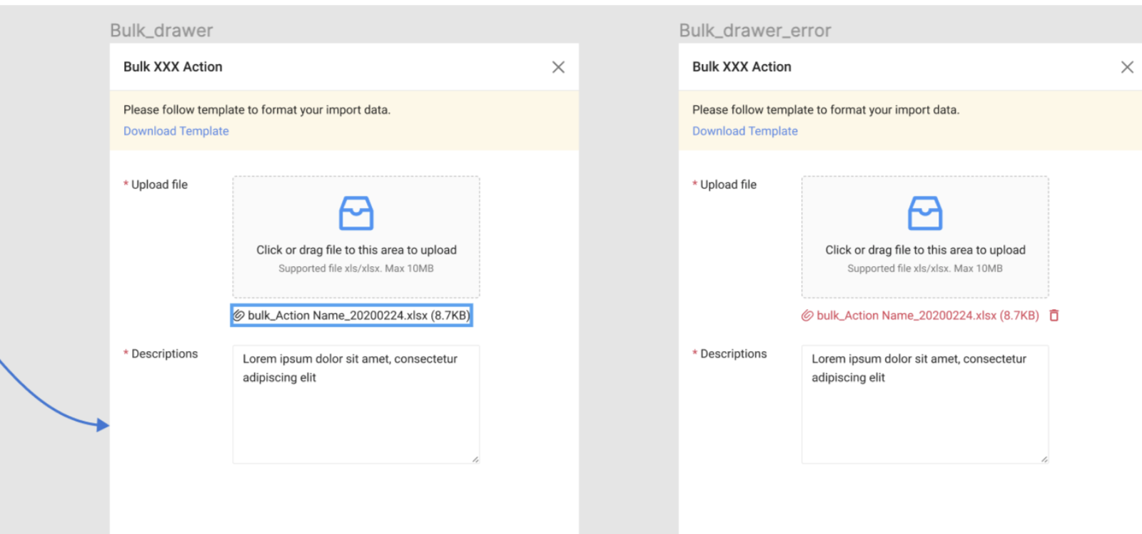
Can Change To 👉 Current Status 👇 | Normal | Internal | Damaged | Lost | Leasing | Sold | Disposed | Can Change To 👉 Current Status 👇 | Normal | Internal | Damaged | Lost | Leasing | Sold | Disposed | Can Change To 👉 Current Status 👇 | Normal | Internal | Damaged | Lost | Leasing | Sold | Disposed
Normal |  | Y | Y | Y |  |  | Y | Normal | Y | Y | Y | Y |  |  | Y | Normal(#5) |  | Y | Y | Y |  |  | Y
Internal | Y |  | Y | Y |  |  |  | Internal | Y | Y | Y | Y |  |  | Y | Internal(#6) | Y |  | Y | Y |  |  | Y
Damaged | Y | Y |  | Y |  |  |  | Damaged | Y | Y | Y | Y |  |  | Y | Damaged(#3) | Y | Y |  | Y |  |  | Y
Lost | Y |  |  |  | Y |  |  | Lost | Y | Y | Y | Y | Y |  | Y | Lost(#4) | Y | Y | Y |  | Y |  | Y
Leasing |  |  |  | Y |  |  |  | Leasing |  |  |  | Y | Y |  |  | Leasing(#1) |  |  |  | Y
Sold |  |  |  |  |  |  |  | Sold |  |  |  |  |  | Y |  | Sold(#2)
Disposed |  |  |  |  |  |  |  | Disposed | Y | Y | Y | Y |  |  | Y | Disposed(#7) | Y | Y | Y | Y

 |  |  |  |  |  |  |  |  |  |  |  |  |  |  |  | Can Change To 👉 Current Status 👇 | Leasing(#1) | Sold(#2) | Damaged(#3) | Lost(#4) | Normal(#5) | Internal(#6) | Disposed(#7)
 |  |  |  |  |  |  |  |  |  |  |  |  |  |  |  | Leasing(#1) | Y |  |  | Y
 |  |  |  |  |  |  |  |  |  |  |  |  |  |  |  | Sold(#2) |  | Y
 |  |  |  |  |  |  |  |  |  |  |  |  |  |  |  | Damaged(#3) |  |  | Y | Y | Y | Y | Y
 |  |  |  |  |  |  |  |  |  |  |  |  |  |  |  | Lost(#4) |  |  | Y | Y | Y | Y | Y
 |  |  |  |  |  |  |  |  |  |  |  |  |  |  |  | Normal(#5) |  |  | Y | Y | Y | Y | Y
 |  |  |  |  |  |  |  |  |  |  |  |  |  |  |  | Internal(#6) |  |  | Y | Y | Y | Y | Y
 |  |  |  |  |  |  |  |  |  |  |  |  |  |  |  | Disposed(#7) |  |  | Y | Y | Y | Y | Y

