Assessment
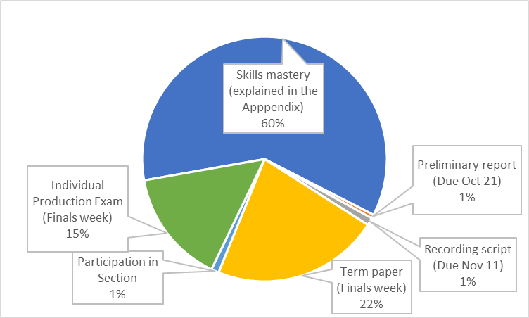
Category | Skill number and name | Skill description | # of times needed to show mastery | Where you can demonstrate it
Phonetic symbols (IPA) | 1.1 DefineSymbol | Define a phonetic symbol | 15 | quizzes
 | 1.2 GiveSymbol | Give the phonetic symbol that fits a definition | 10 | quizzes
Transcription | 2.1 TranscribeMulti | Answer a multiple-choice transcription question | 15 | quizzes
 | 2.2 TranscribeC | Free-transcribe consonants | 10 | quizzes
 | 2.3 TranscribeV | Free-transcribe vowels | 5 | quizzes
 | 2.4 TranscribeTone | Free-transcribe tones | 5 | quizzes,
 |  |  |  | Computer assignment #2 (3 points)
 | 2.5 TranscribeKnown | Free-transcribe whole words in a known system: nonsense English words, or words in a language you’ve had a chance to hear baselines for | 30 | quizzes,
Understanding articulation | 3.1 ReadVocalTract | Identify what a drawing of the vocal tract depicts (which place, manner, or IPA symbol) | 5 | quizzes
 | 3.2 GesturalScore | Translate a gestural score into IPA, or match it to a drawing of the vocal tract | 5 | quizzes
Acoustics | 4.1 SegmentSpectro | Segment a waveform/spectrogram | 5 | quizzes | reduce to 5 becaue of zoom pressures

 | 4.2 ReadSpectro | Read a waveform/spectrogram | 5 | quizzes,
 |  |  |  | Computer homework #1 (3) | reduce to 5 becaue of zoom pressures
 | 4.3 IdentifyDisplay | Identify whether an acoustic display is a waveform, spectrogram, spectrum; or, identify dimensions of a display | 2 | quizzes
 | 4.4 ReadFrequency | Use an acoustic display to determine or compare frequency (and explain how you did it) | 2 | quizzes
 | 4.5 HarmonicsFormants | Correctly use harmonics and formants: read them from a display, convert from one to the other, use the relationship, make or read a formant chart | 2 | quizzes
Application | 5 Apply | Apply your phonetics knowledge to a novel problem | 5 | quizzes

5
5

