Team Evaluation
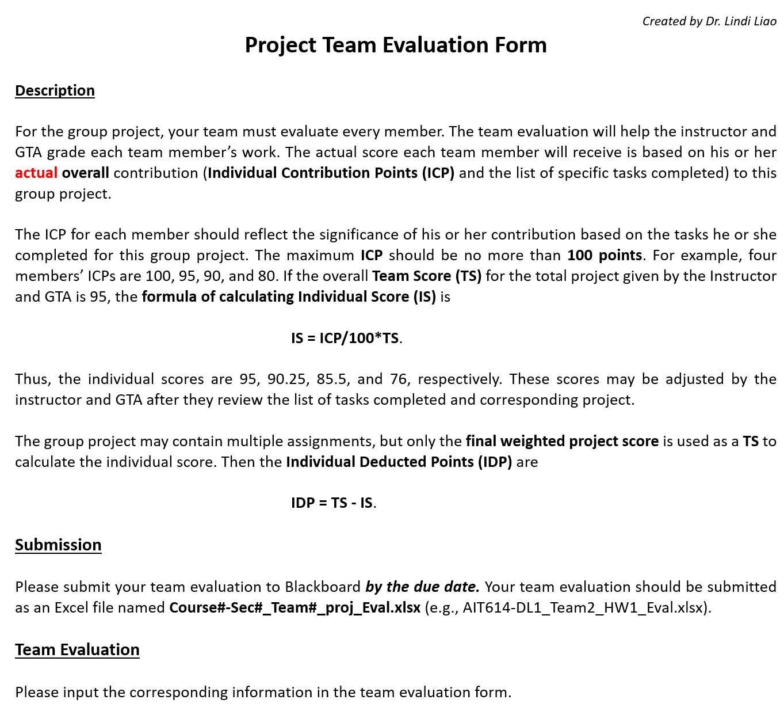

Assignment number or name: | Final Project
Your Team number or name: | Team 3

Team Member's Full Name | ICP | Specific Tasks Completed | IS | IDP
 | (<= 100 points) |  | (Instructor Only) | (Instructor Only)
Yasser Parambathkandy | 100 | 1) Finalize project scope and objectives 2) Research GloVe and USE 3) Data analysis and preprocessing using Spark 4) Generate word embeddings and train using logistic regression 5) Deploy application in Databricks cluster 6) Testing end-to-end and review 7) Project documentation and presentation 8) Resolve critical issues and overall design 9) MongoDB setup, initial dataload, and CRUD operation using pymongo | 0.0 | 0.0
Deepak Rajan | 100 | 1) Finalize project scope and objectives 2) Research AWS components – EMR, S3, API, cloudformation 3) Data analysis and preprocessing using Spark 4) Develop code to receive real-time question and perform prediction using saved model 5) Develop minimal UI for question submission and display predictions 6) Testing end-to-end and review 7) Project documentation and presentation | 0.0 | 0.0
Indranil Pal | 100 | 1) Finalize project scope and objectives 2) Generate sentence embeddings and train using logistic regression 3) Configure API gateway and S3 and other AWS components 4) Testing end-to-end and review 5)Research AWS components – EMR, S3, API, cloudformation 6) Data analysis and preprocessing using Spark 7) Project documentation and presentation | 0.0 | 0.0
 |  |  | 0.0 | 0.0
 |  |  | 0.0 | 0.0
 |  |  | 0.0 | 0.0

Team Score (TS) (Instructor Only)

