D.B

Total bags by type
 | Total
conventional | $4,146,764,335
organic | $226,411,464
TOTAL SALES BY HS
 | Sum of 4046 | Sum of 4225 | Sum of 4770
Total | $5,347,110,739 | $5,386,275,718 | $416,802,342
TOTAL SALES BY SIZE
 | Sum of Small Bags | Sum of Large Bags | Sum of XLarge Bags
Total | $3,324,870,838 | $991,615,771 | $56,689,177
Total SaLes By year
 | Total
2015 | $7,724
2016 | $7,518
2017 | $8,670
2018 | $1,746
AVOCADO SALES DASHBOARD:
Total Price
Total Volume
AveragePrice
Total Bags
4373175798
15523402593
$25,658
$1.41

Sheet3


Avocado Sales Dashboard Report:

Sheet4

Overview:
Total Volume: 1,553,407,593
Average Price: $1.41
Total Price:
$25,658
Total Bags: 437,317,579

Sheet5

Total bags by type
 | Total
conventional | $4,146,764,335
organic | $226,411,464
Conventional avocados represent 95% of total bags.
Organic avocados represent 5% only.
→ Conventional type dominates the market, while organic still has limited demand.

Sheet6
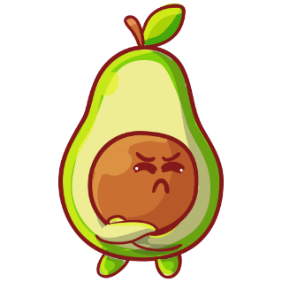
Total SaLes By year
 | Total
2015 | $7,724
2016 | $7,518
2017 | $8,670
2018 | $1,746
Sales increased from 2015 to 2017.
There was a sharp drop in 2018. → The decline may be linked to lower demand, higher prices, or supply chain issues.

Sheet7

TOTAL SALES BY SIZE
 | Sum of Small Bags | Sum of Large Bags | Sum of XLarge Bags
Total | $3,324,870,838 | $991,615,771 | $56,689,177
Small Bags generate the highest sales.
Large and XLarge Bags have minimal contribution. → Customers prefer small packaging, likely for personal or small-family use.

Sheet8

California leads all regions in sales.
Followed by Baltimore/Washington and Chicago. → Major cities and coastal regions show stronger demand. → Growth opportunities exist in Atlanta and Boston.

Sheet9

TOTAL SALES BY HS
 | Sum of 4046 | Sum of 4225 | Sum of 4770
Total | $5,347,110,739 | $5,386,275,718 | $416,802,342
4046 and 4225 categories show the highest sales.
4770 category performs poorly. → Consider reducing production or adjusting the pricing of 4770 items.

