גיליון1
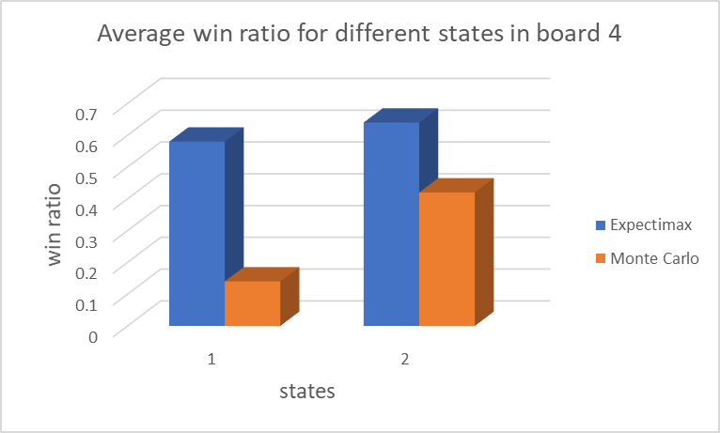
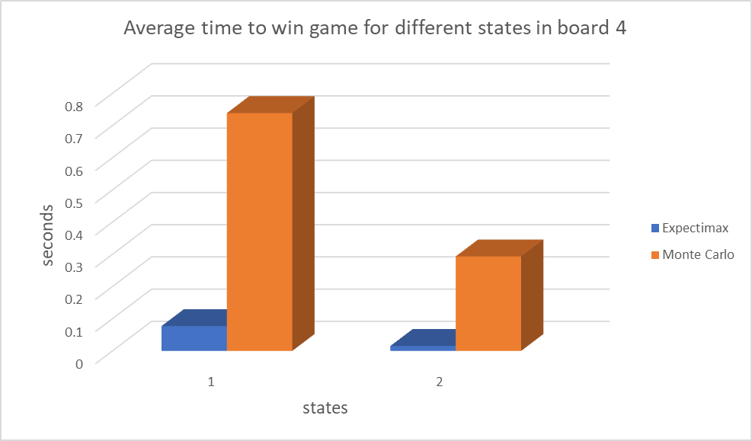
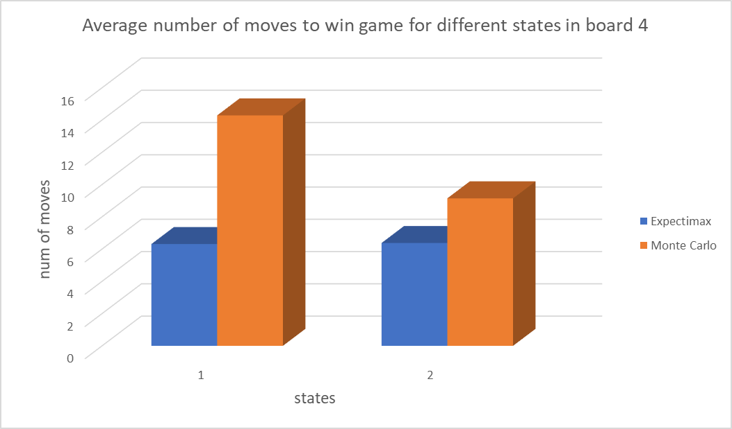
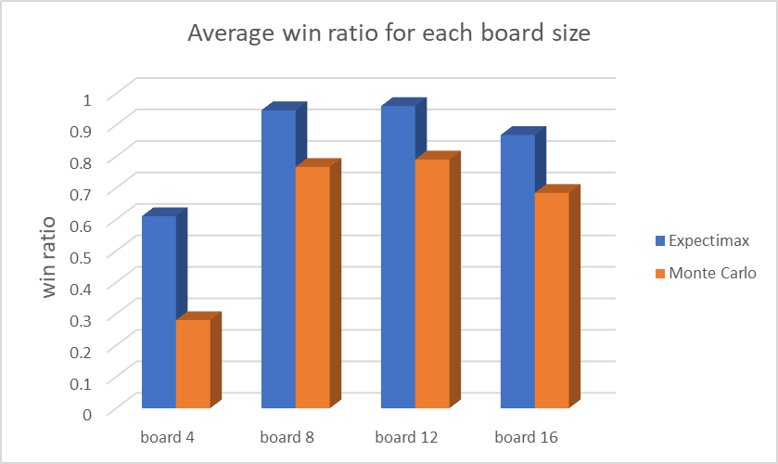
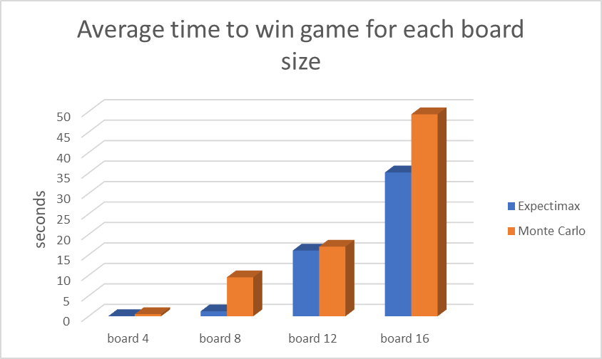
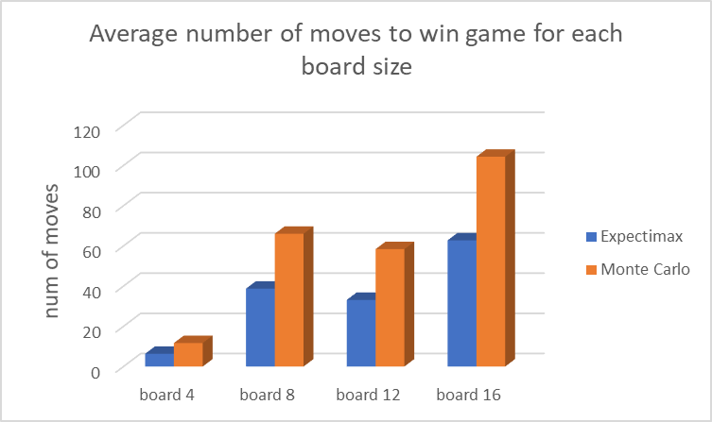
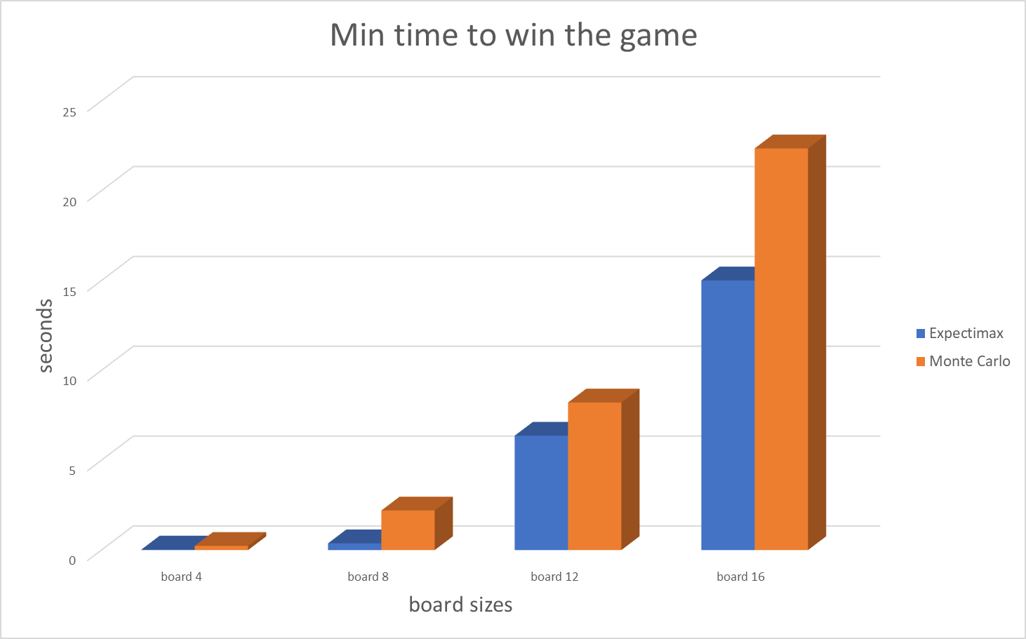
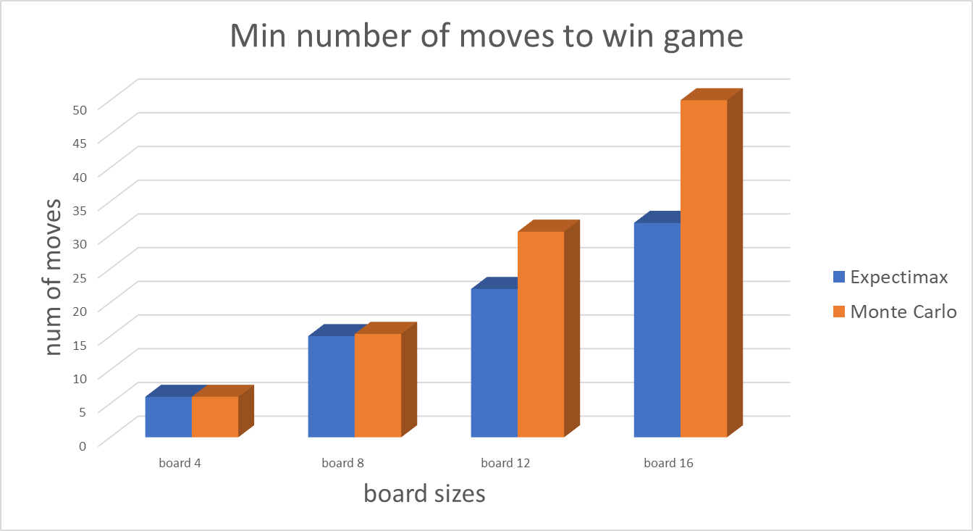
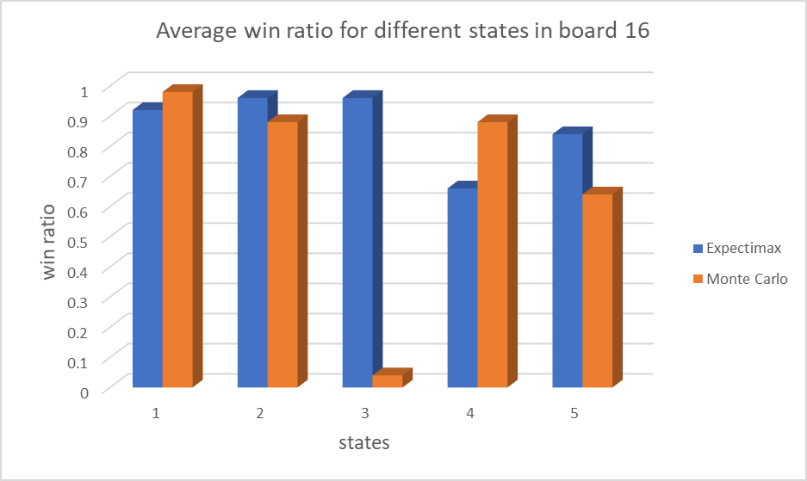
Average number of moves to win game for different states in board 16
 | Expectimax | Monte Carlo
1 | 49.086956522 | 109.08163265
2 | 66.458333333 | 100.84090909
3 | 69.625 | 61
4 | 53.787878788 | 174.36363636
5 | 74.928571429 | 76.46875
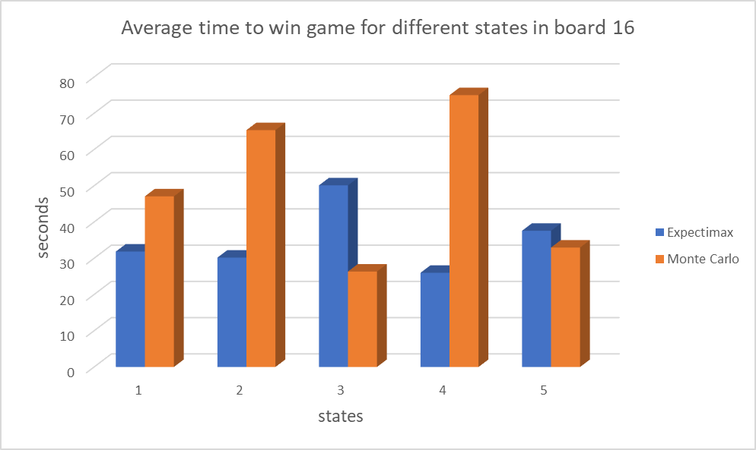

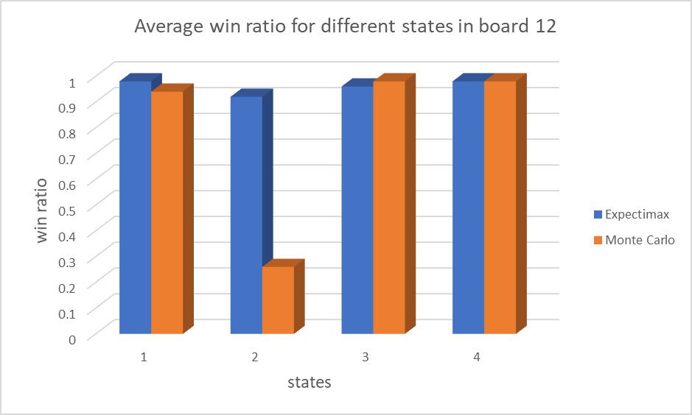
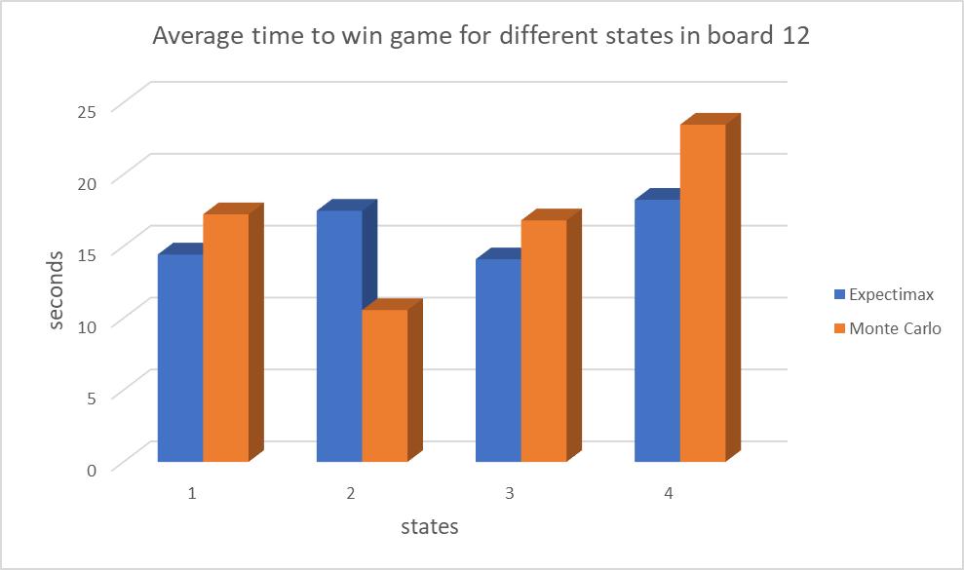
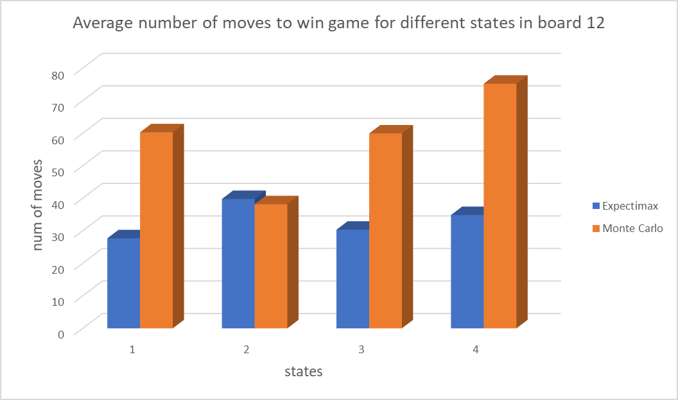

Average time to win game for different states in board 8
 | Expectimax | Monte Carlo
 | 0.7786718905 | 5.6492223283
 | 0.91747358867 | 7.0315598994
 | 1.9401260429 | 15.867186701
Average number of moves to win game for different states in board 8
 | Expectimax | Monte Carlo
 | 28.541666667 | 43.595744681
 | 29.918367347 | 57.083333333
 | 57.733333333 | 97.45
Average win ratio for different states in board 8
 | Expectimax | Monte Carlo
 | 0.96 | 0.94
 | 0.98 | 0.96
 | 0.9 | 0.4

