גיליון1
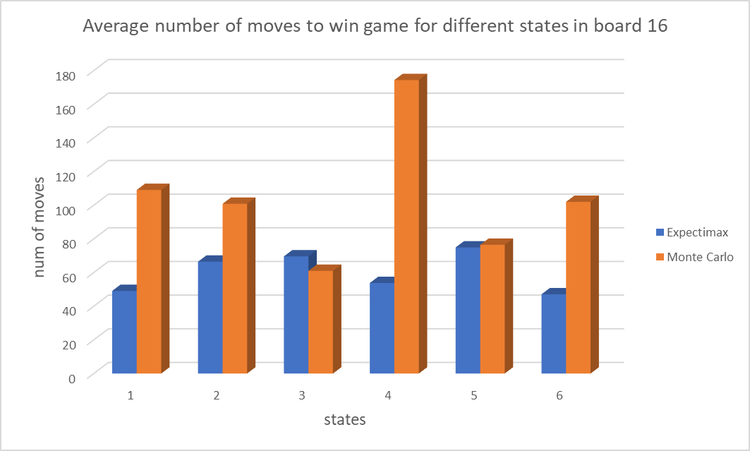
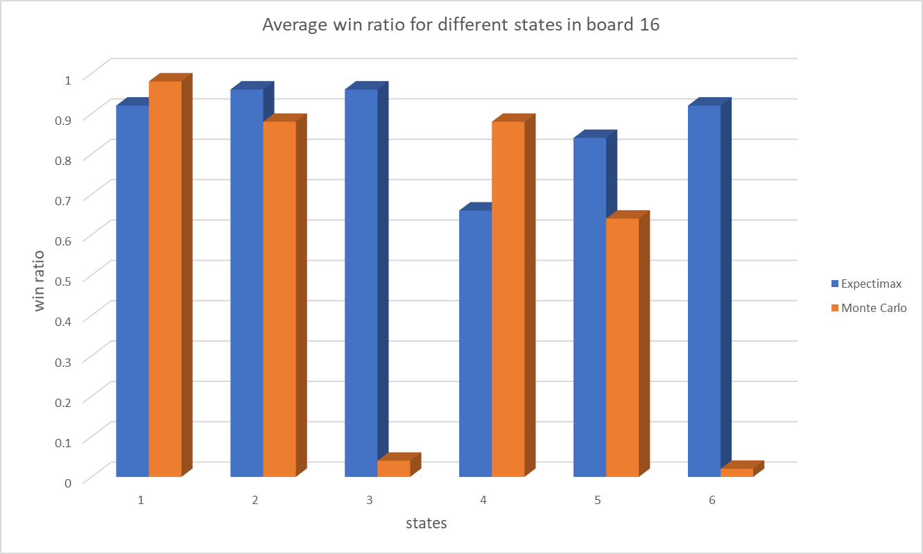
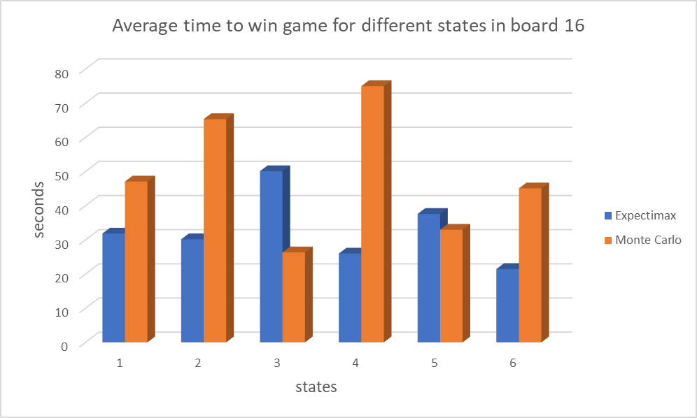

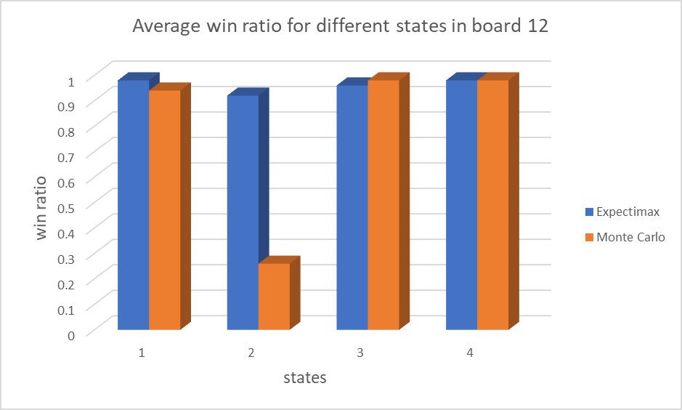
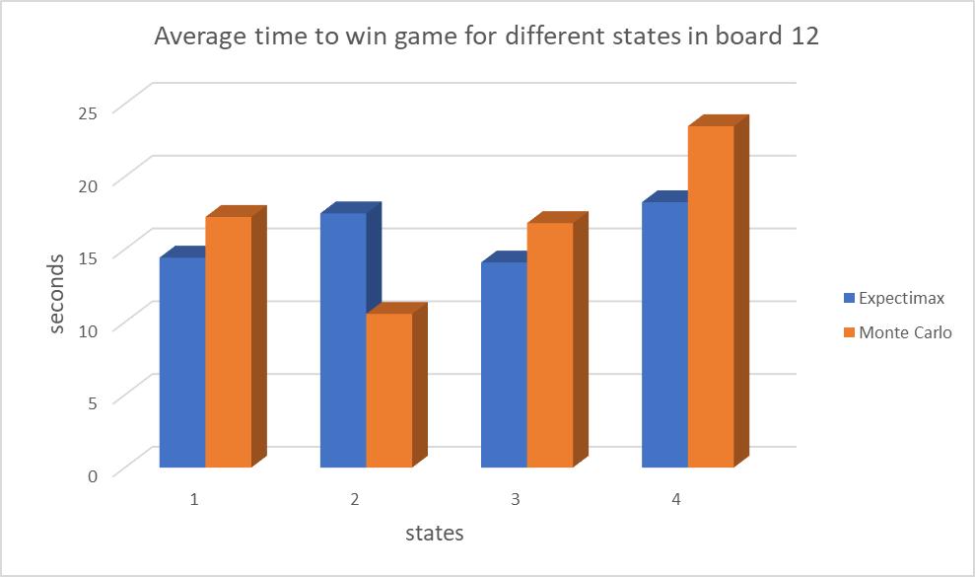
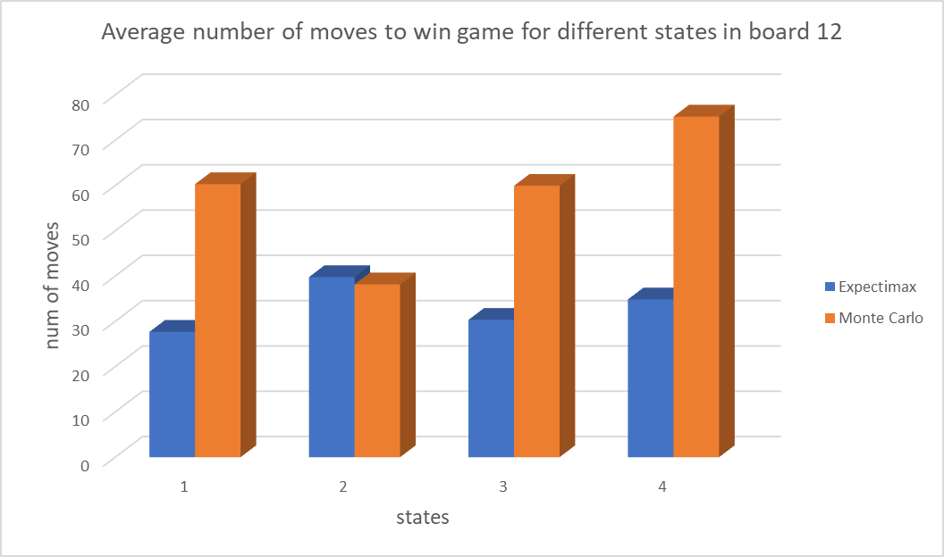

Average time to win game for different states in board 8
 | Expectimax | Monte Carlo
 | 0.7786718905 | 5.6492223283
 | 0.91747358867 | 7.0315598994
 | 1.9401260429 | 15.867186701
Average number of moves to win game for different states in board 8
 | Expectimax | Monte Carlo
 | 28.541666667 | 43.595744681
 | 29.918367347 | 57.083333333
 | 57.733333333 | 97.45
Average win ratio for different states in board 8
 | Expectimax | Monte Carlo
 | 0.96 | 0.94
 | 0.98 | 0.96
 | 0.9 | 0.4

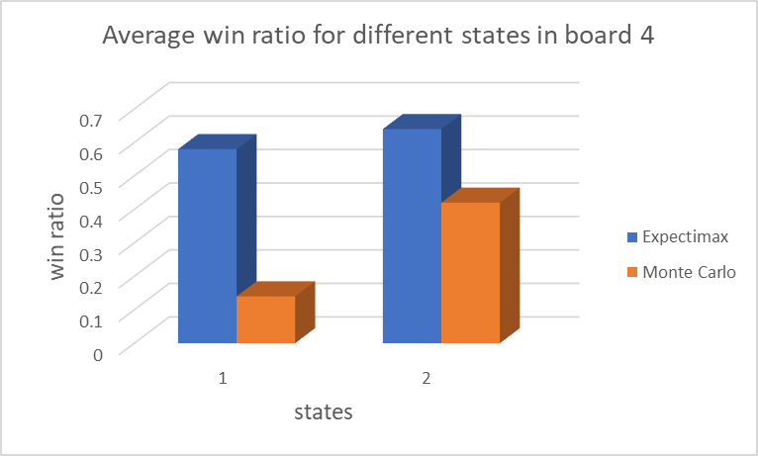
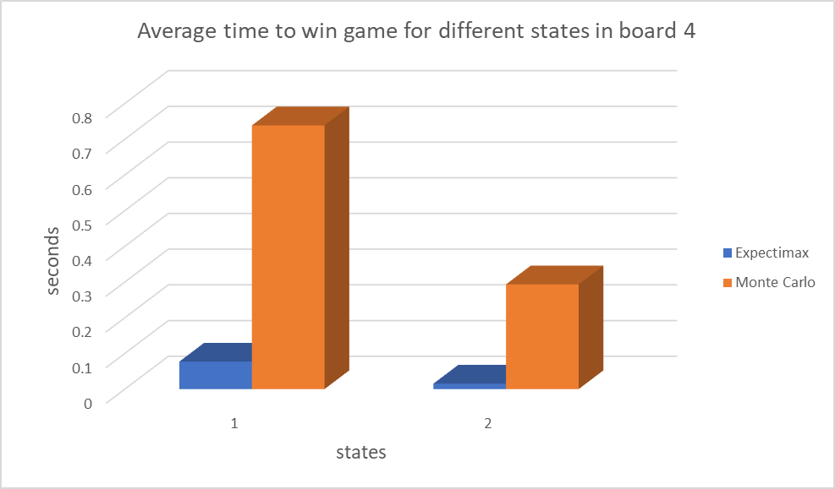
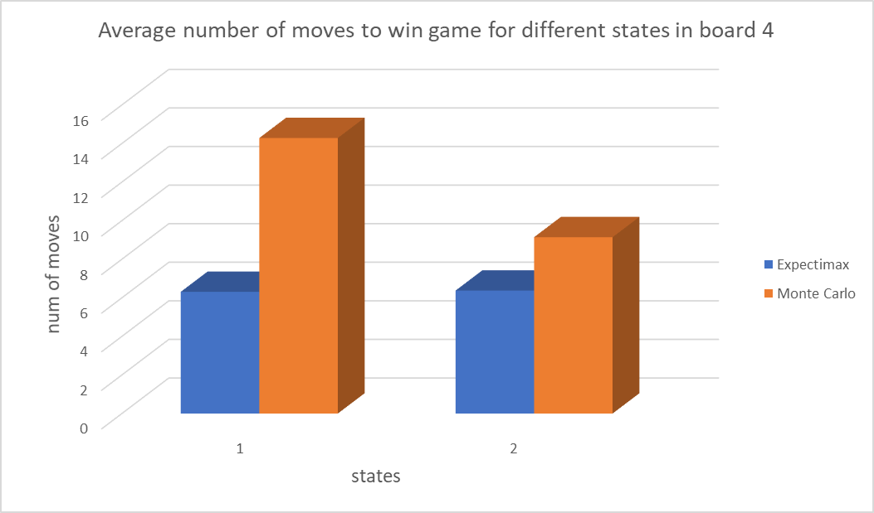

Average win ratio for each board size
 | Expectimax | Monte Carlo
board 4 | 0.61 | 0.28
board 8 | 0.94666666667 | 0.76666666667
board 12 | 0.96 | 0.79
board 16 | 0.87666666667 | 0.57333333333
Average time to win game for each board size
 | Expectimax | Monte Carlo
board 4 | 0.046164722664 | 0.51601957707
board 8 | 1.2120905074 | 9.515989643
board 12 | 16.054683867 | 17.008240659
board 16 | 32.859529713 | 48.630300119

Average number of moves to win game for each board size
 | Expectimax | Monte Carlo
board 4 | 6.3426724138 | 11.714285714
board 8 | 38.731122449 | 66.043026005
board 12 | 33.145893412 | 58.38822272
board 16 | 60.162282766 | 103.95915468

