scenario 1 & 3 & 5
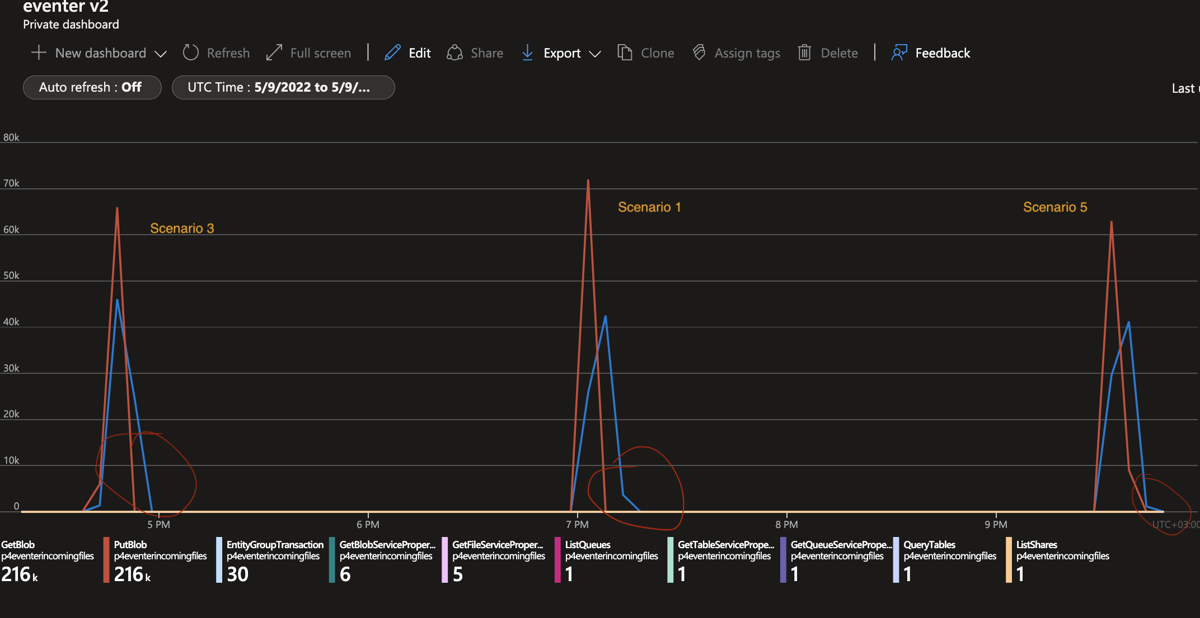

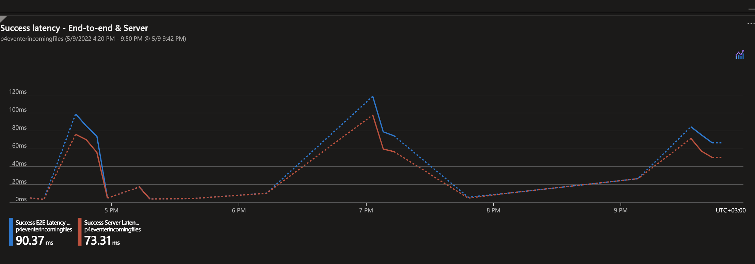

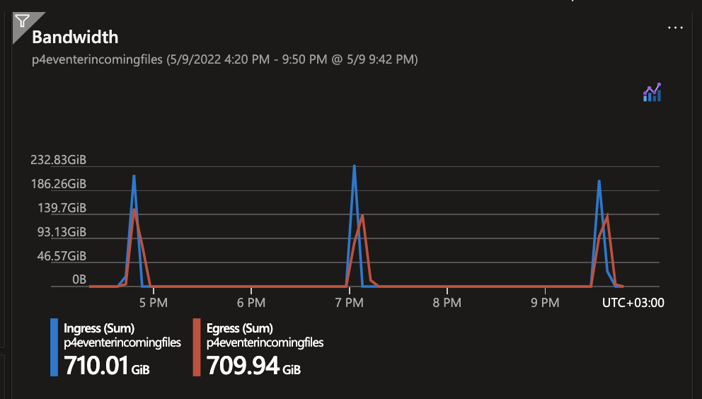

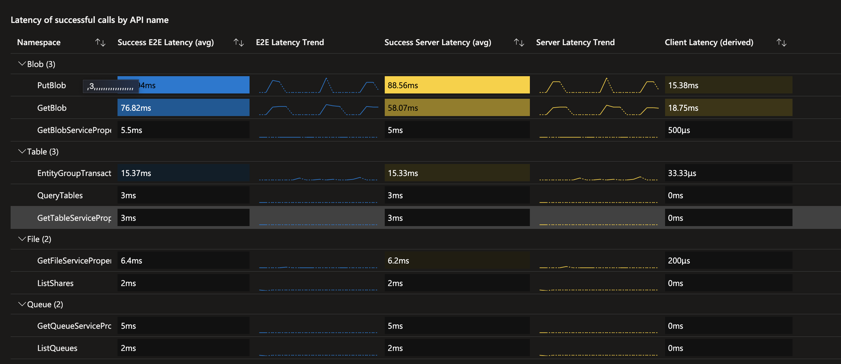

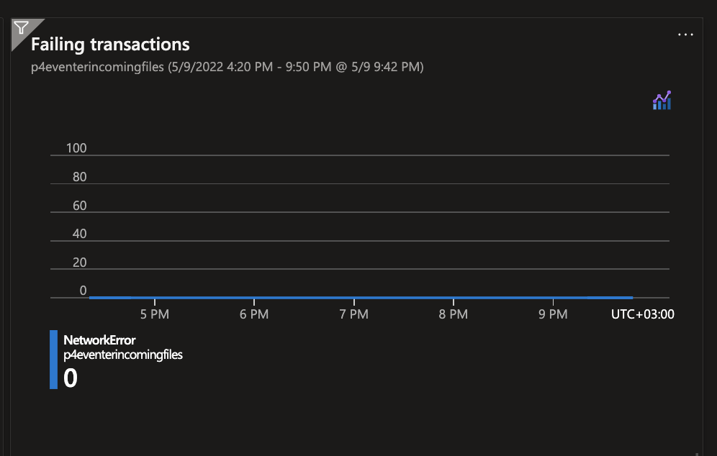

1000 Vs. 2000 Std 1h
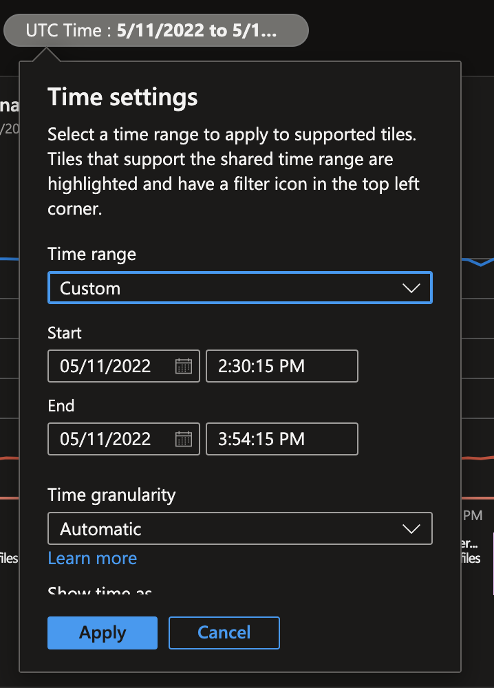
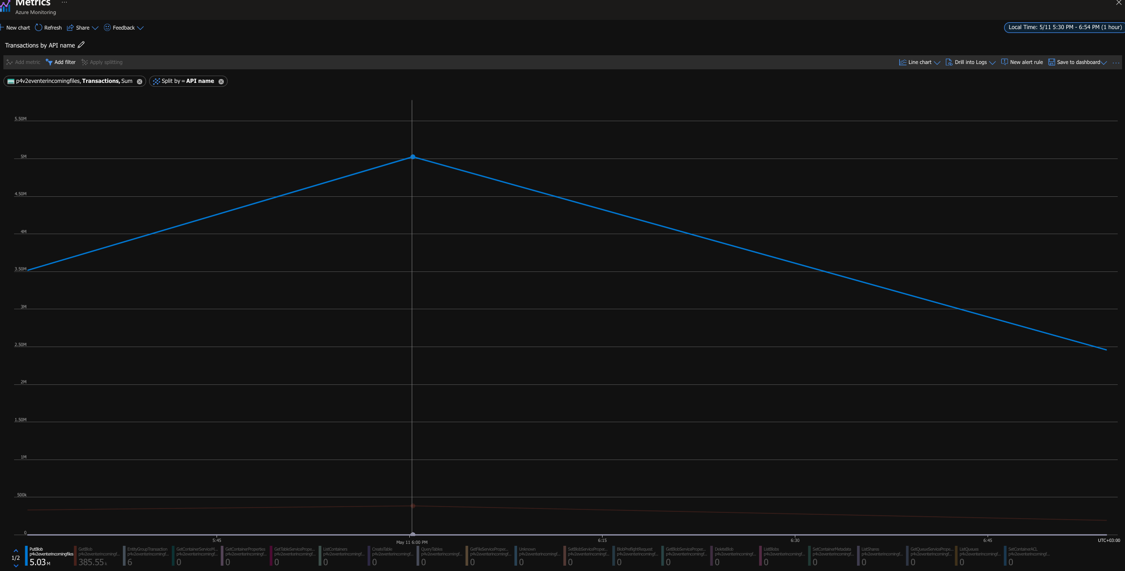
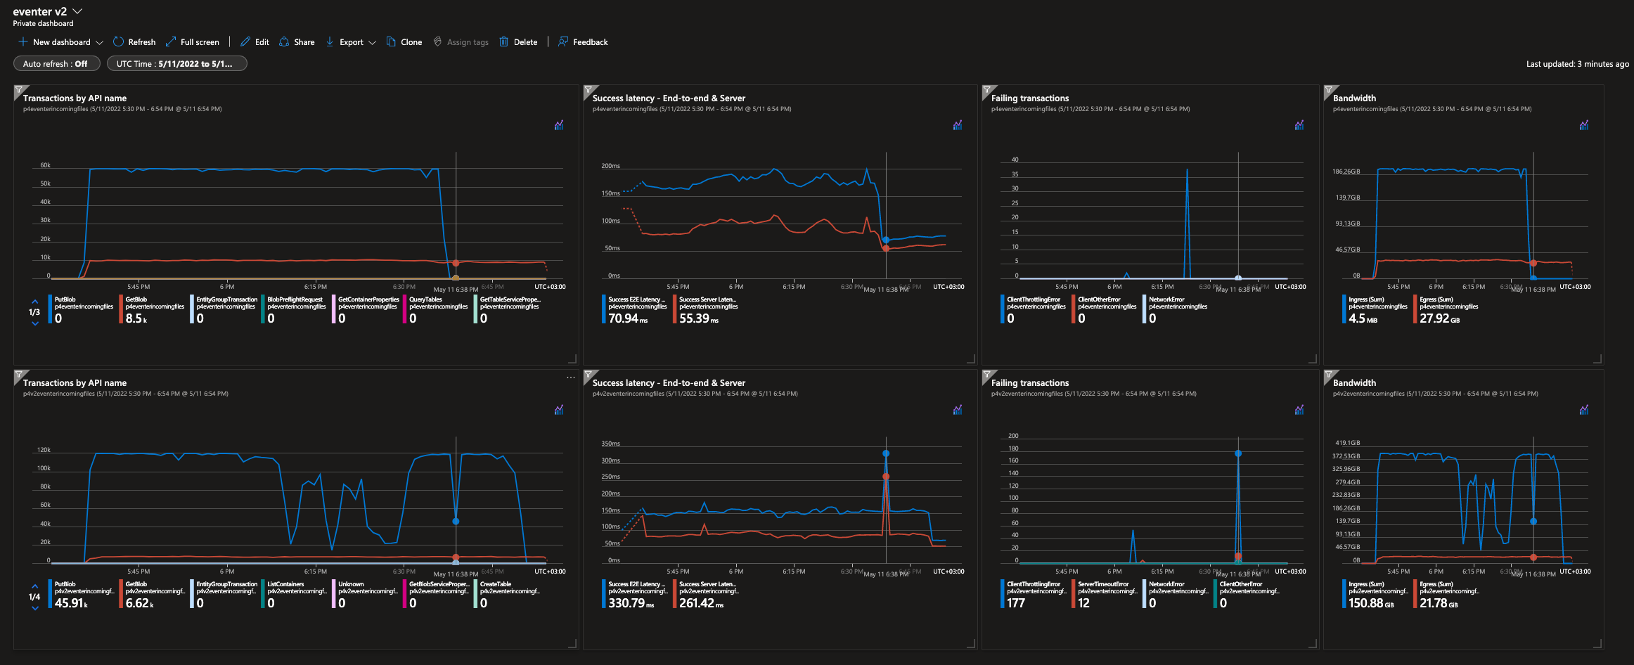

row 1 - scenario 7 | write per 1min | writes per sec | read per 1min | reads per sec
 | ~59600 | ~1000 | ~9900 | 165
row 2 - scenario 9
 |  | ~1397 |  | ~107 | It took 15min more to complete the failing PutBlob operation !!

 |  |  | calc based on 1hr granularity value

1000 Vs. 2000 Prm 1h
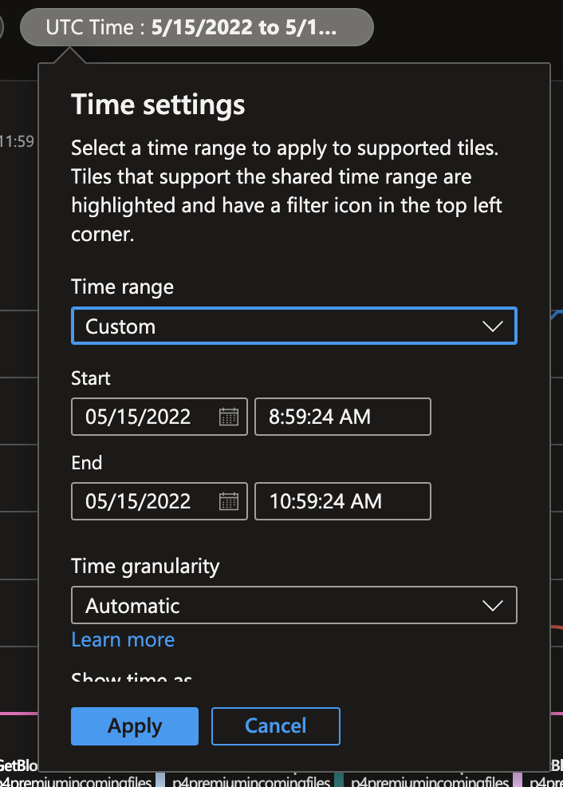
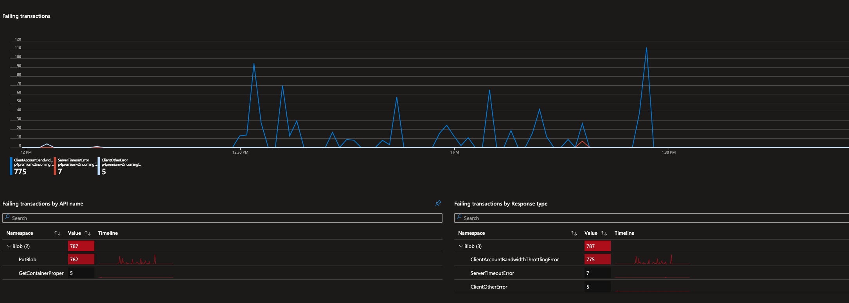
Premium disk

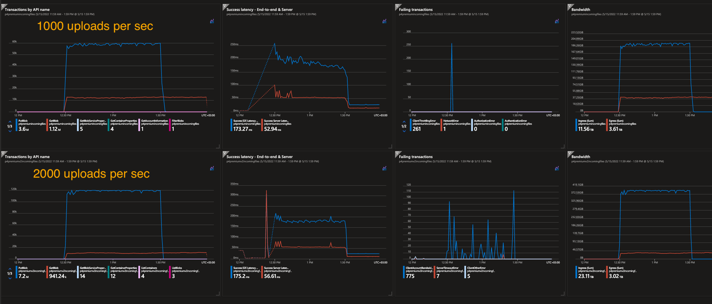

row 1 - scenario 8 | write per 1min | writes per sec | read per 1min | reads per sec
 | ~59700 | ~995 | ~12700 | ~211
row 2 - scenario 10 |  |  |  |  | client bandwitch error can be happen because reaching to storage soft limits quatas - https://docs.microsoft.com/en-us/azure/storage/common/scalability-targets-standard-account
 | ~120000 | ~2000 | ~11000 | ~186

1000 Std 2h
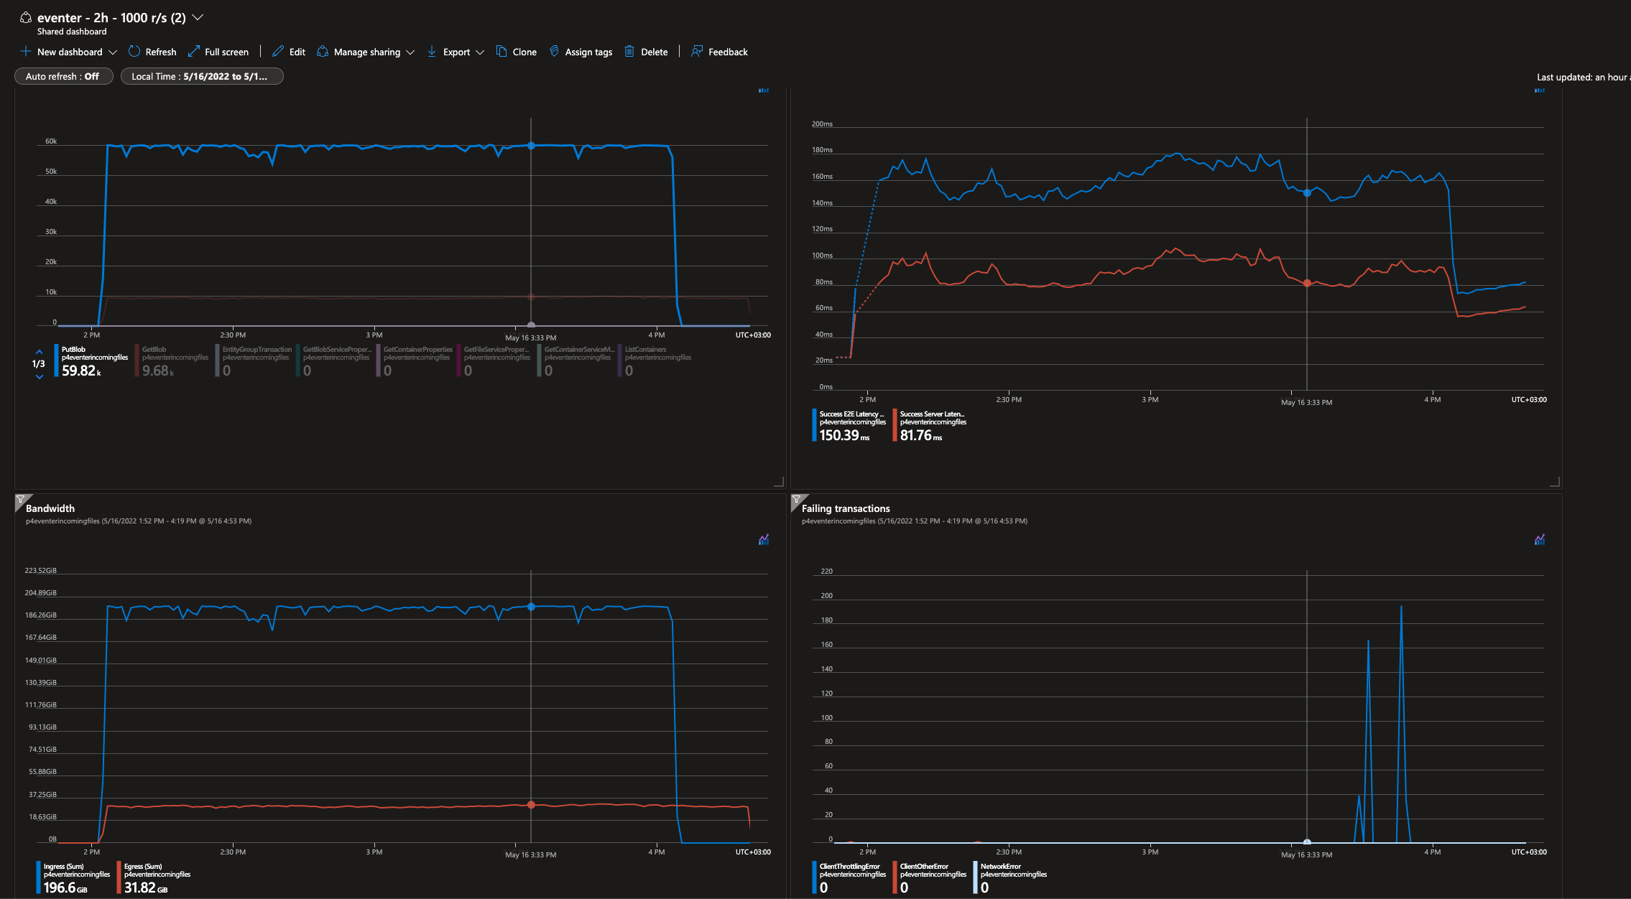
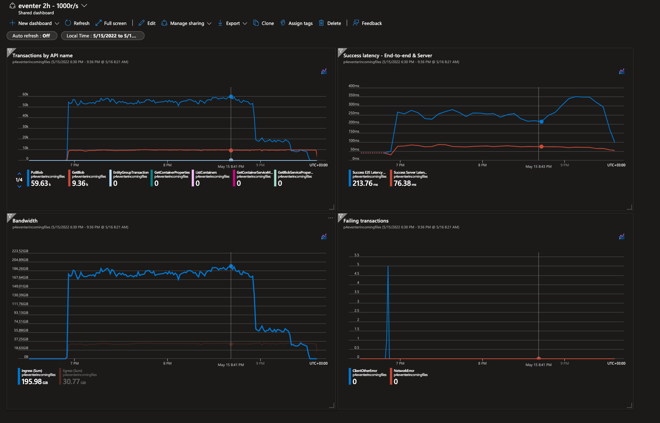
2 runs - little different results | 1min - granularity

1500 Std 2h
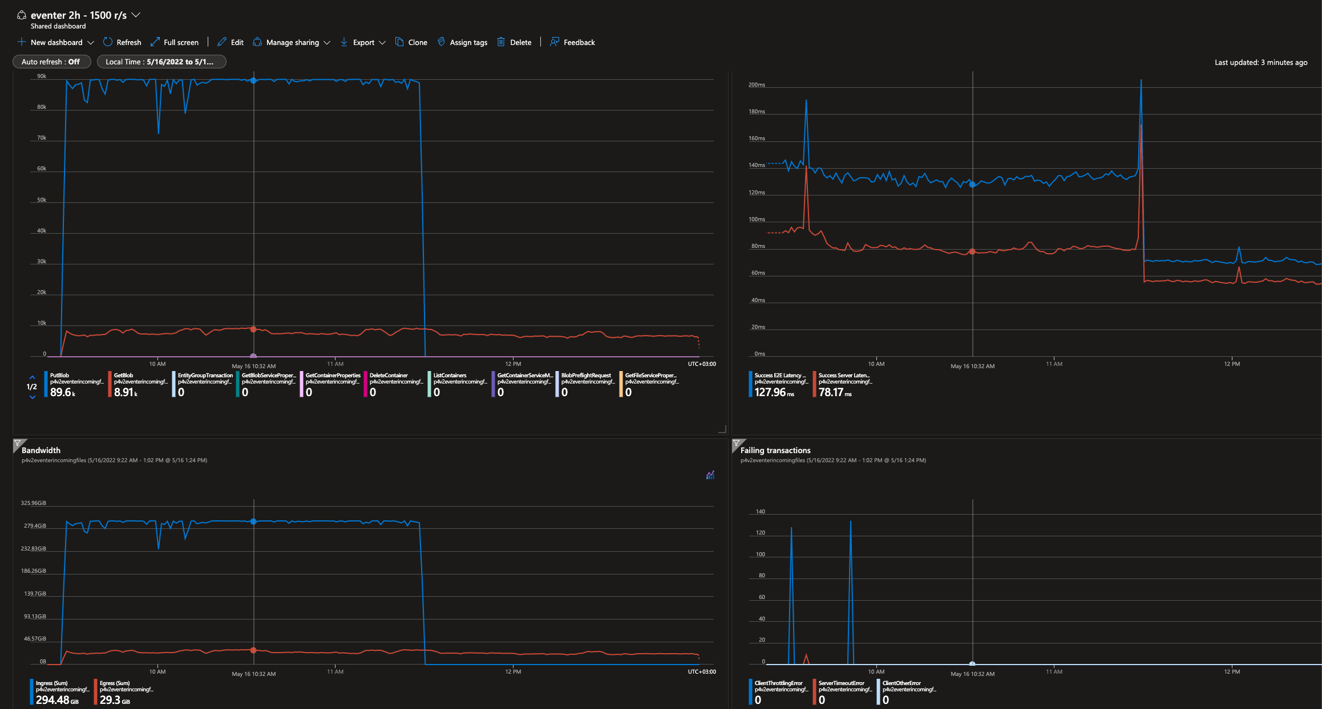
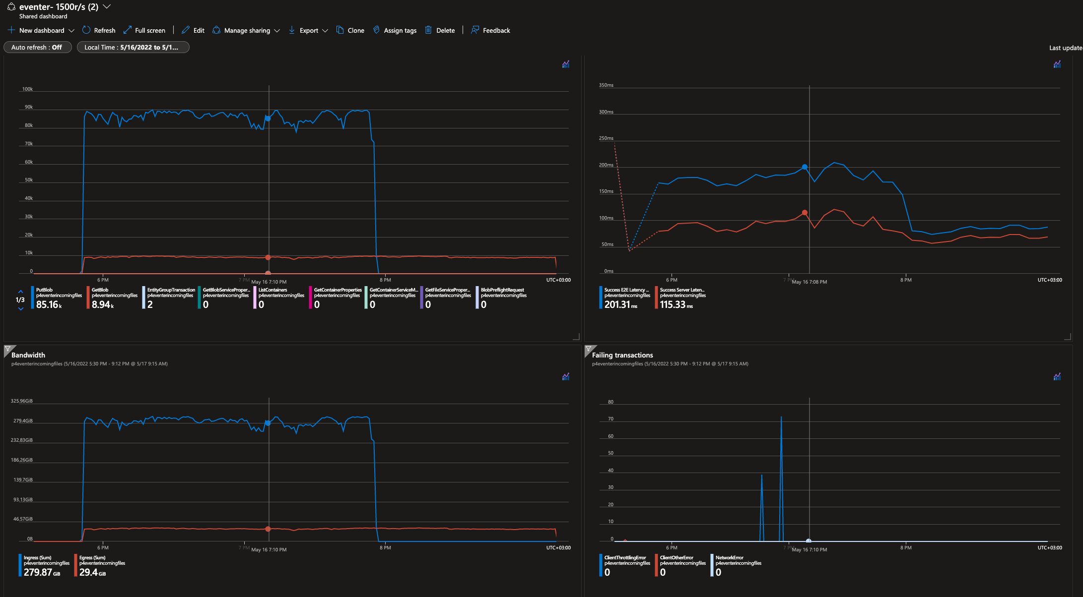
2 runs
granularity - 1min

1500 - eh prm - storage std
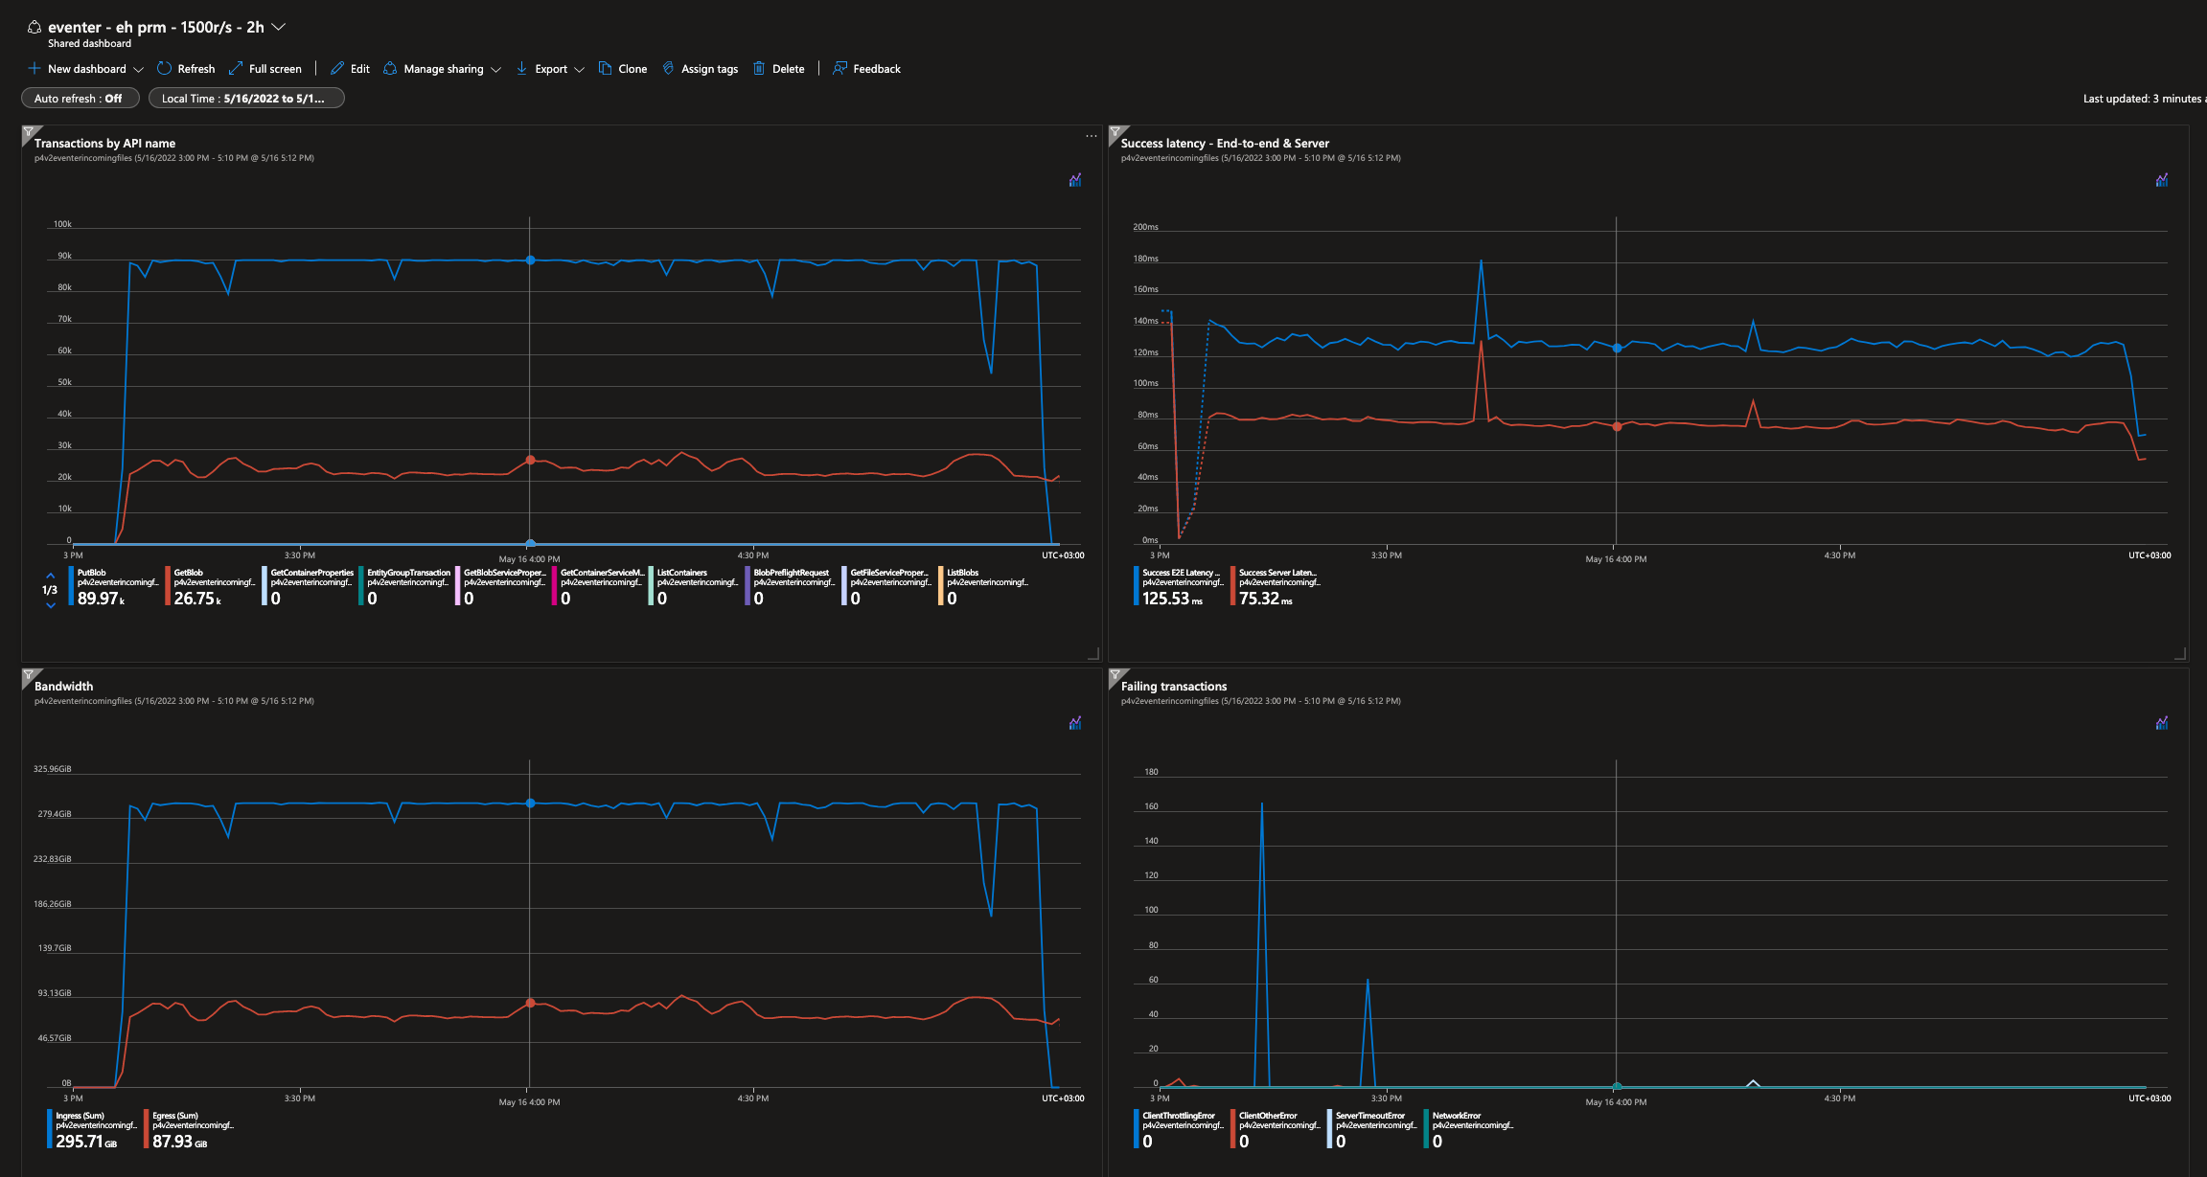
granularity - 1min

2000 - eh prm - storage std
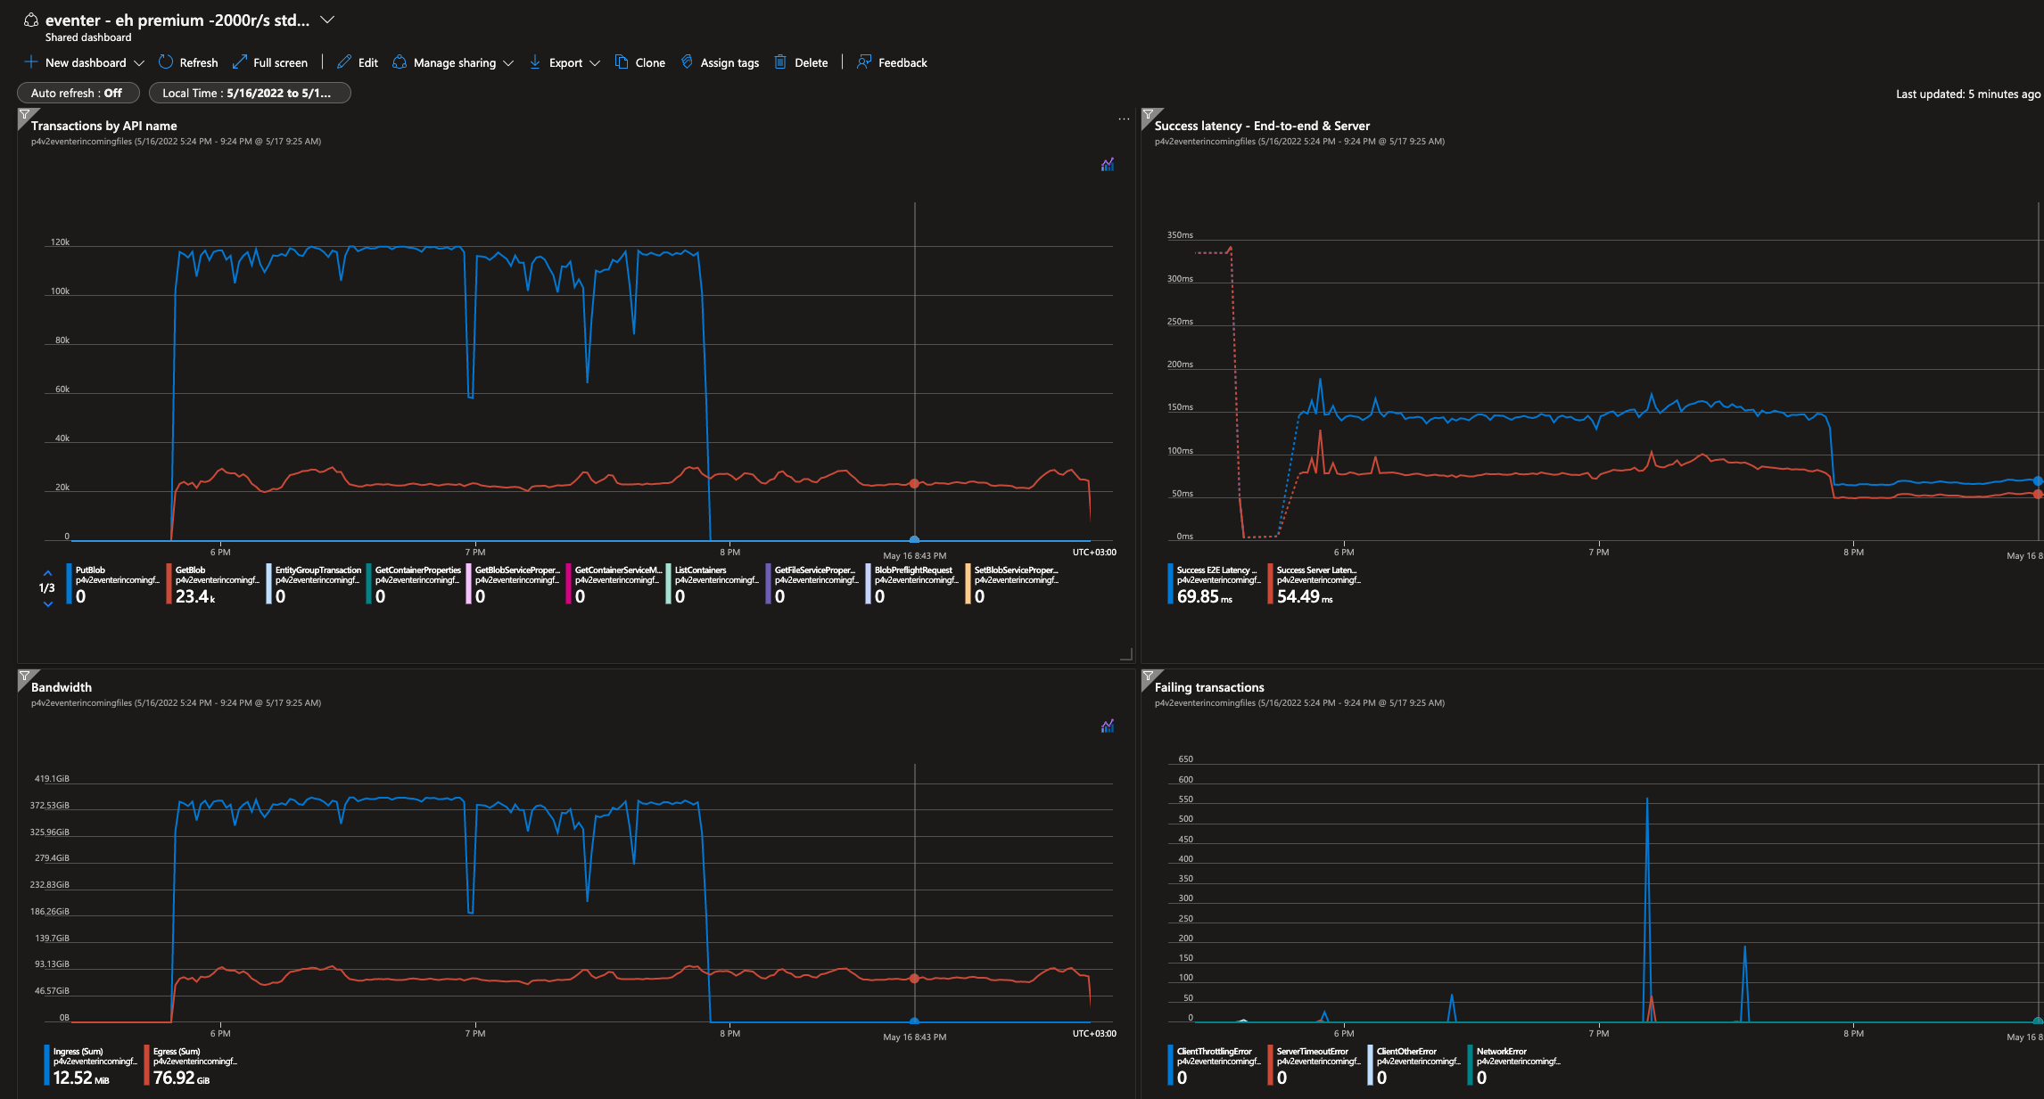
1min granularity

1700 - eh prm - storage std
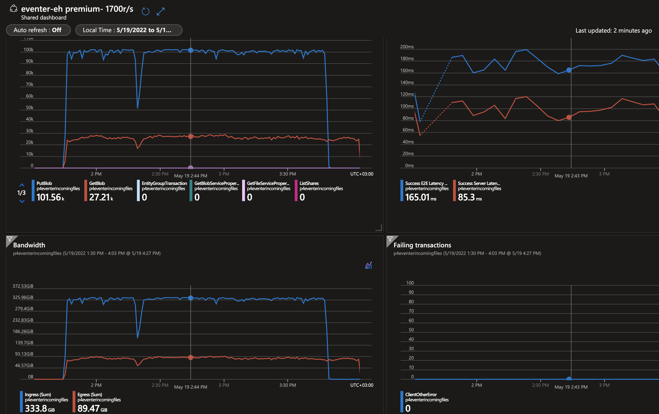
1min granularity

1700 - 2 eh prm - storage std
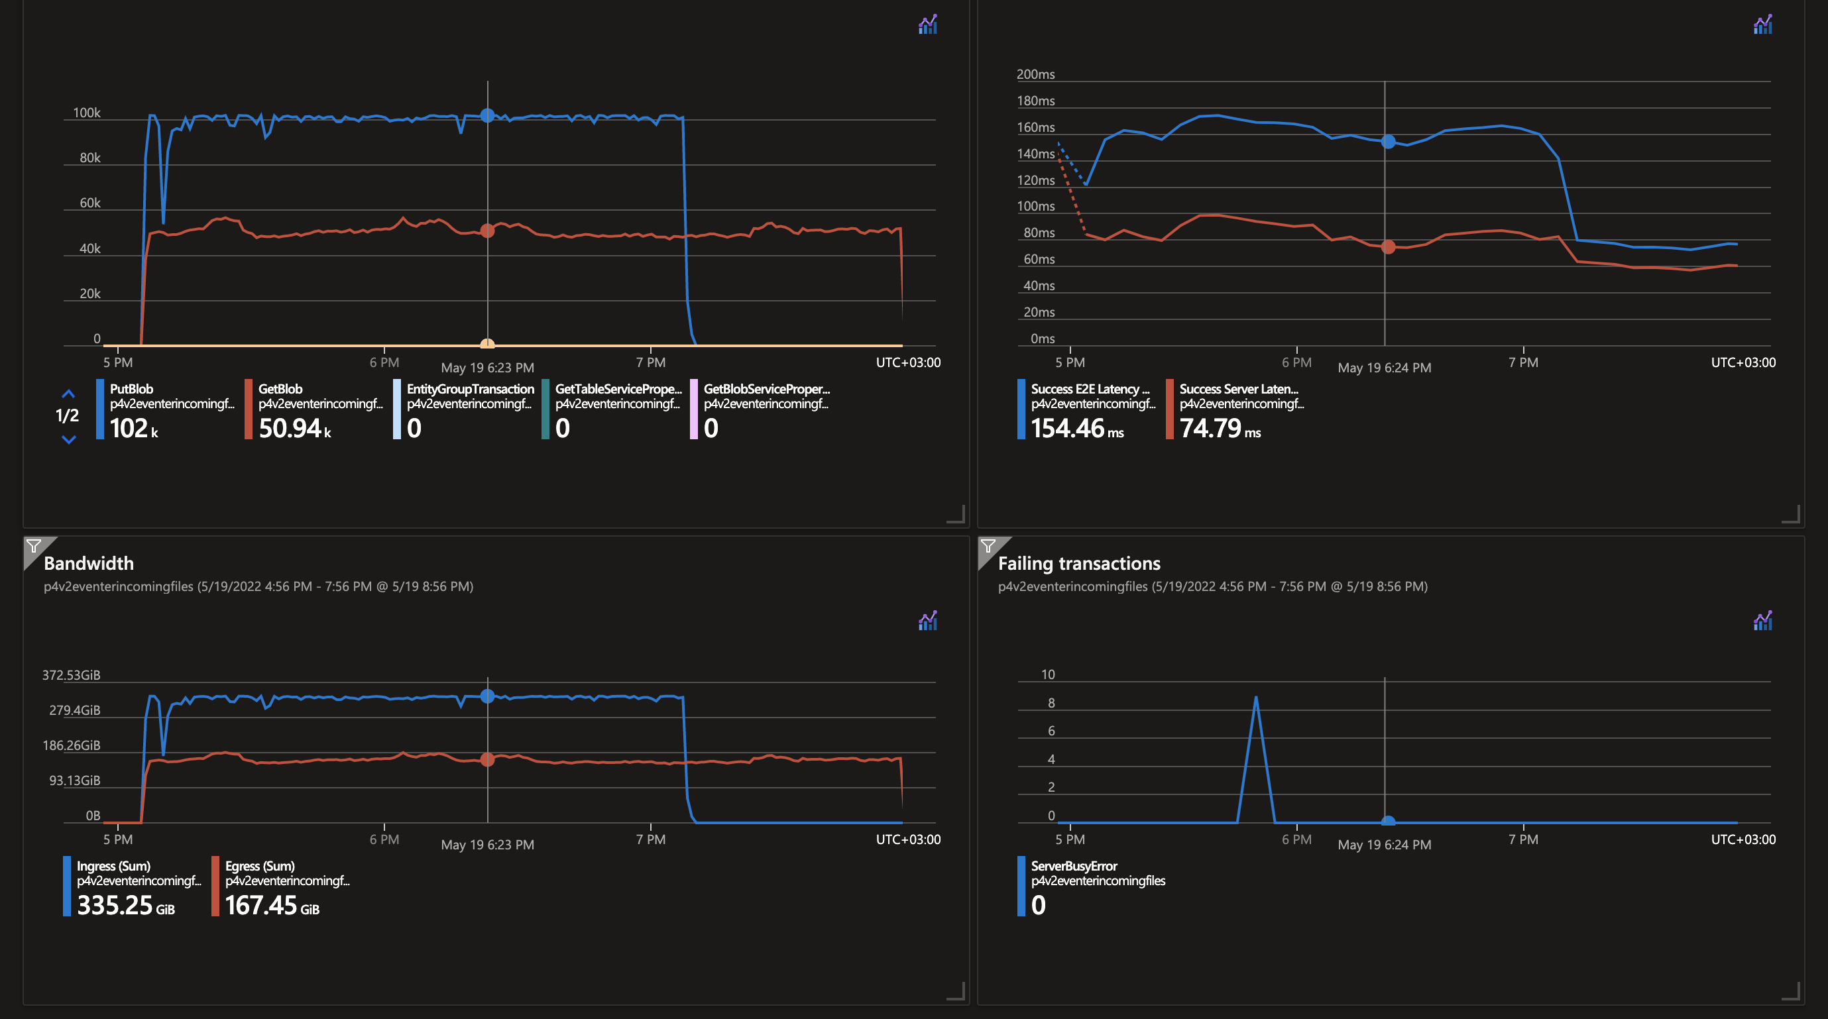
1min granularity

