scenario 1 & 3 & 5
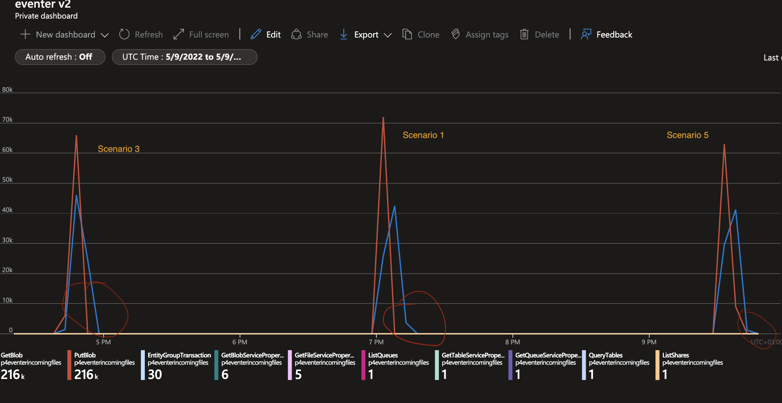

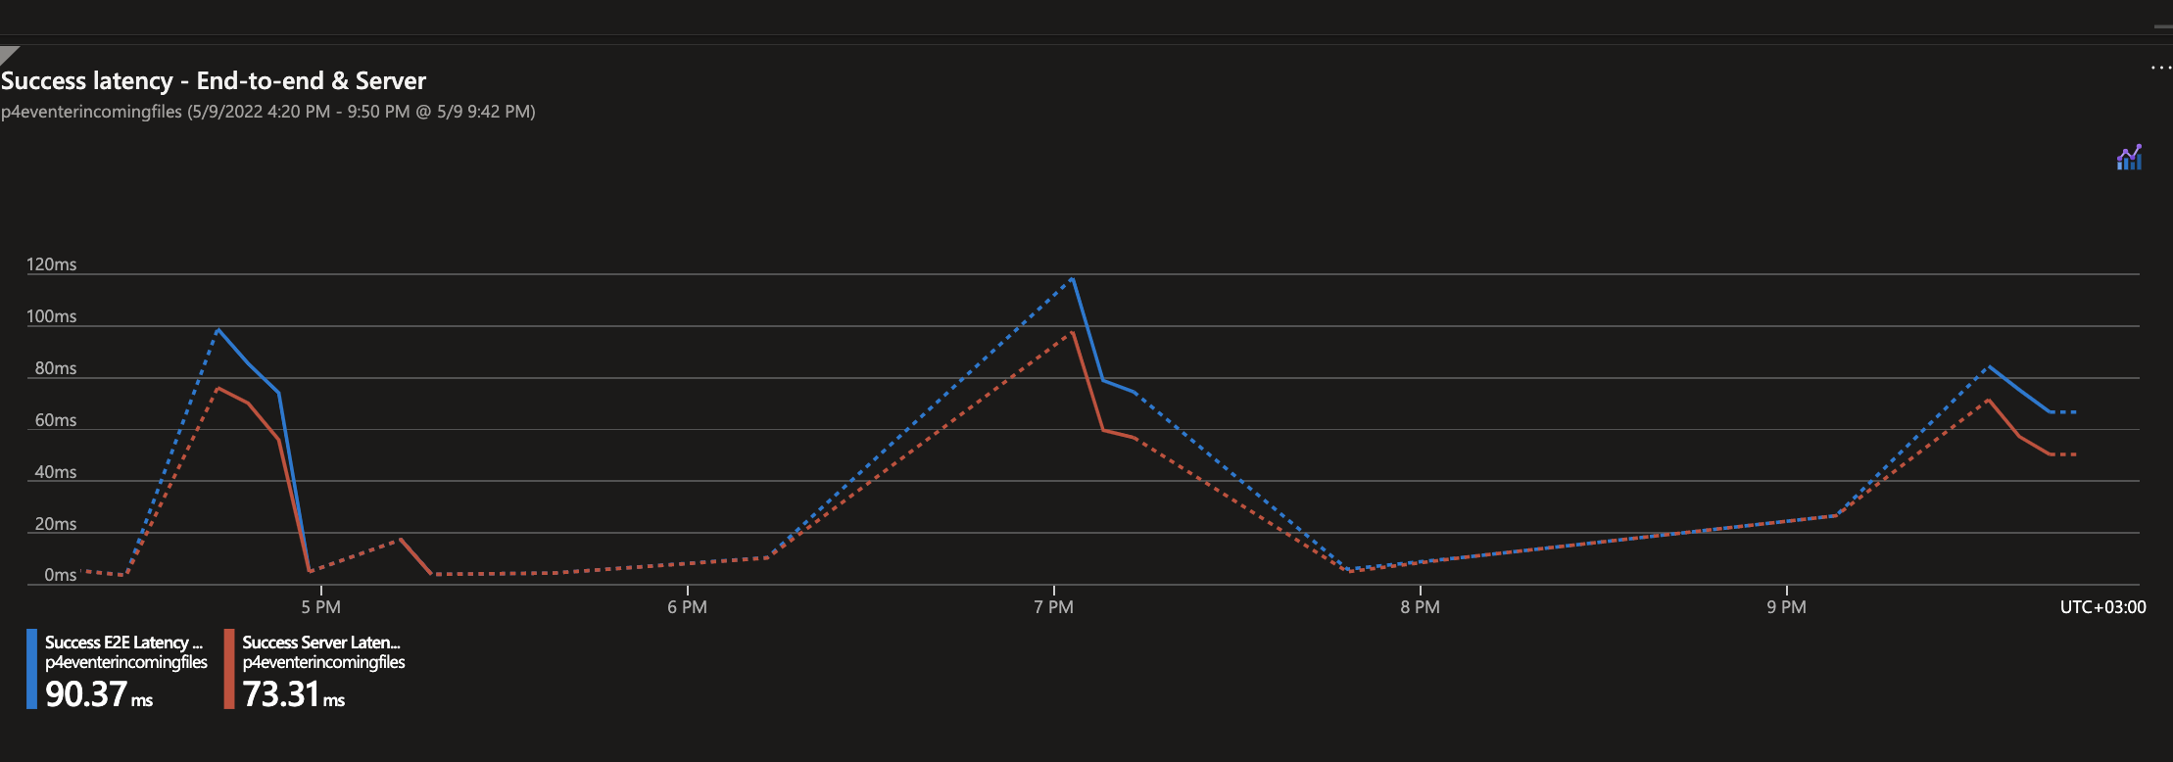

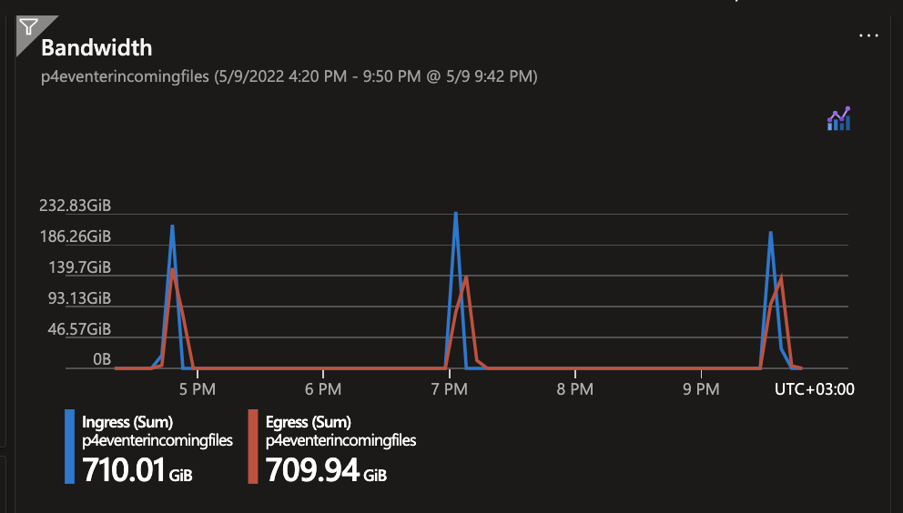

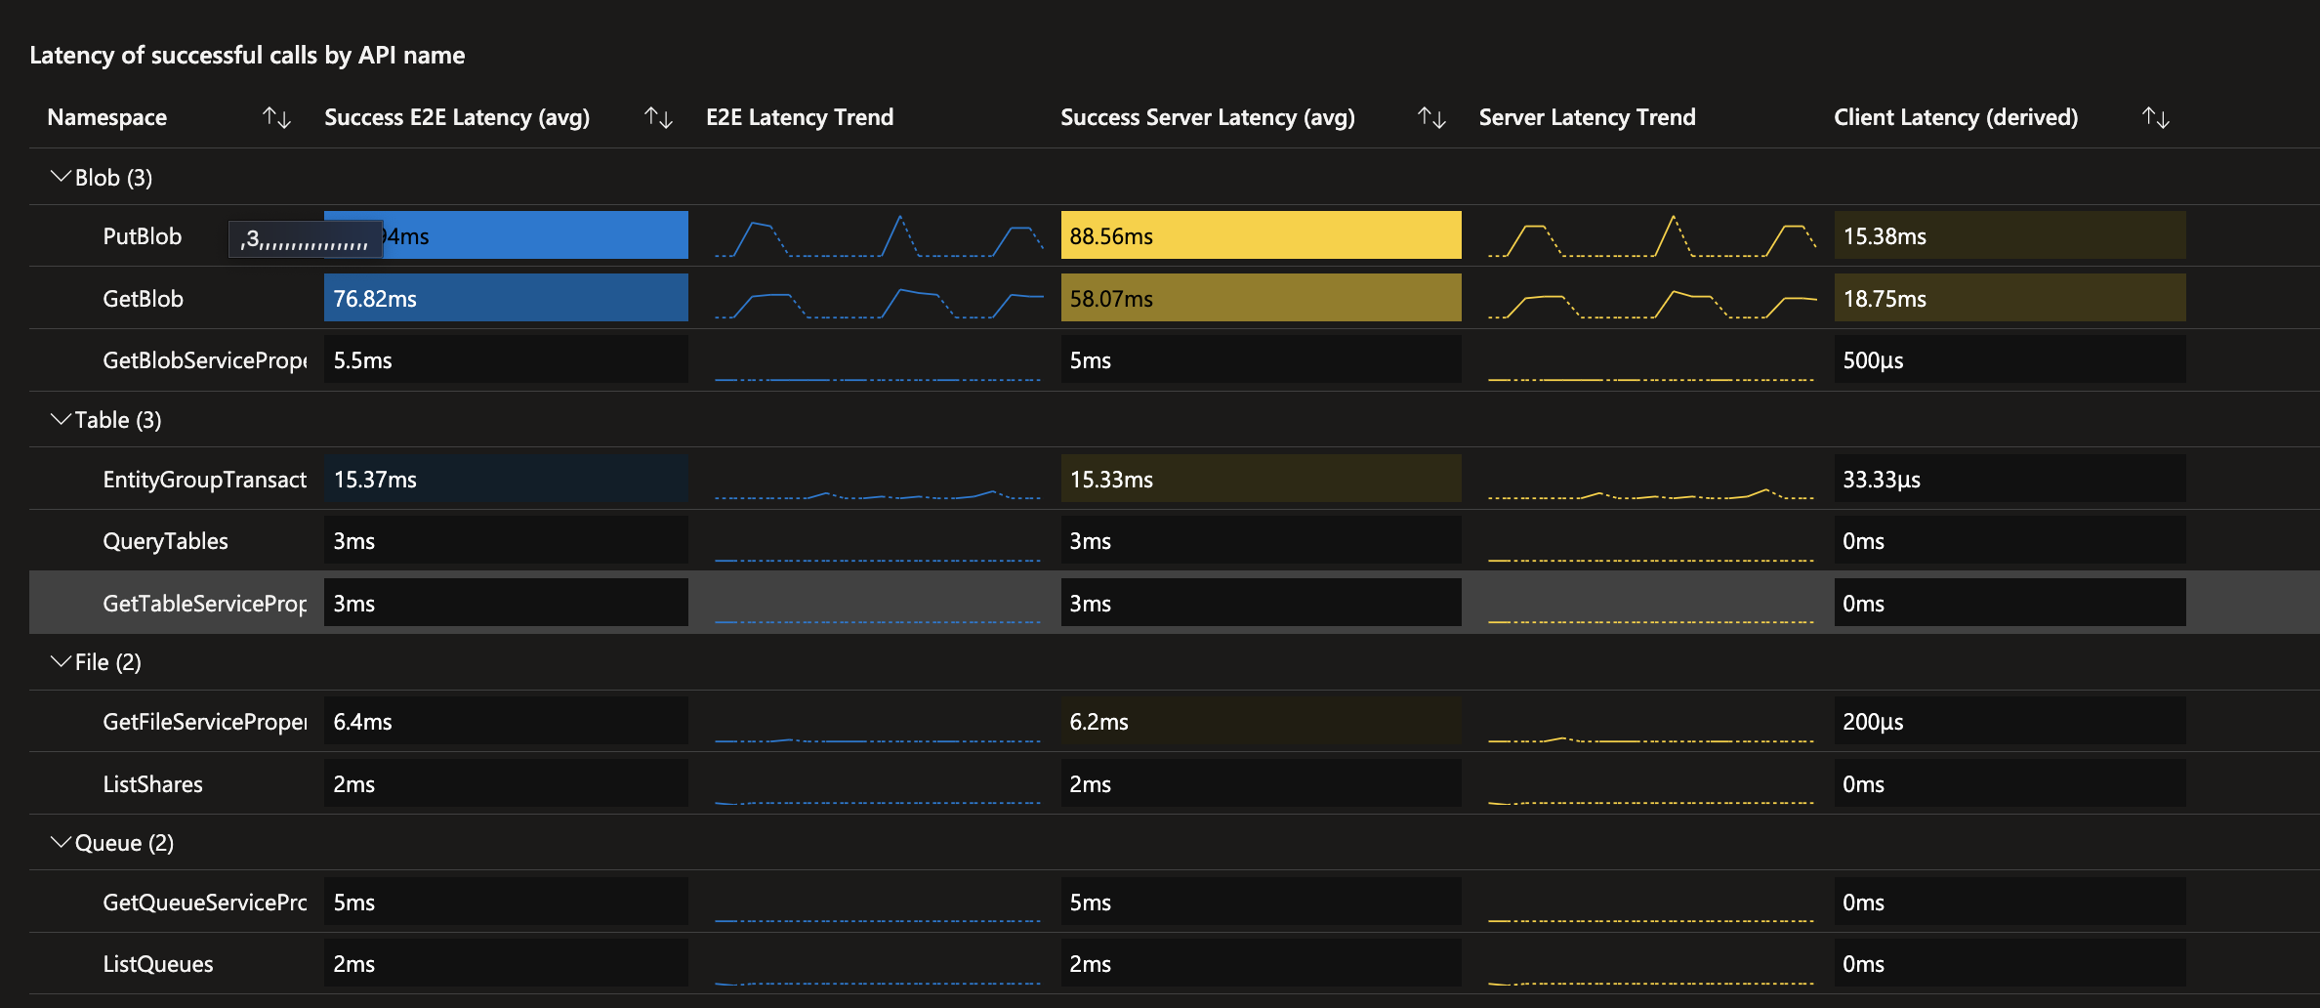

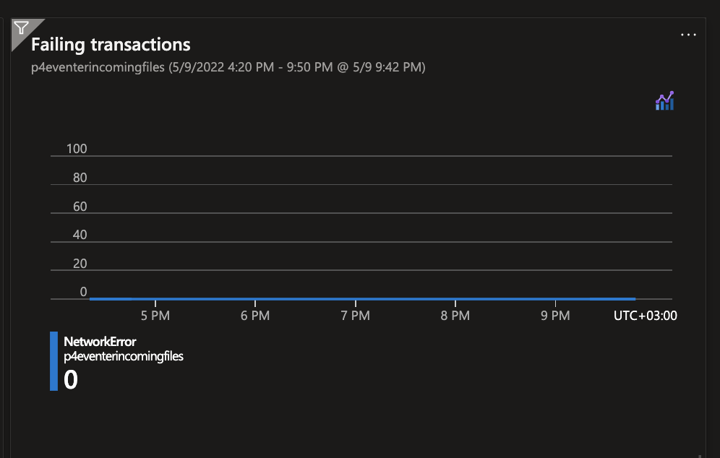

scenario 7 & 9
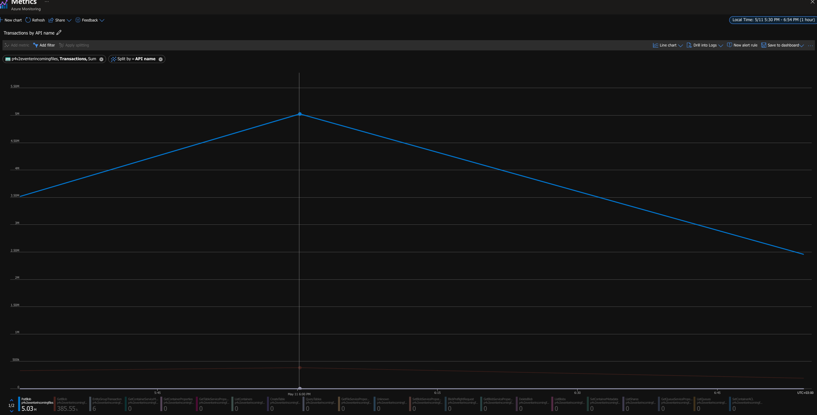
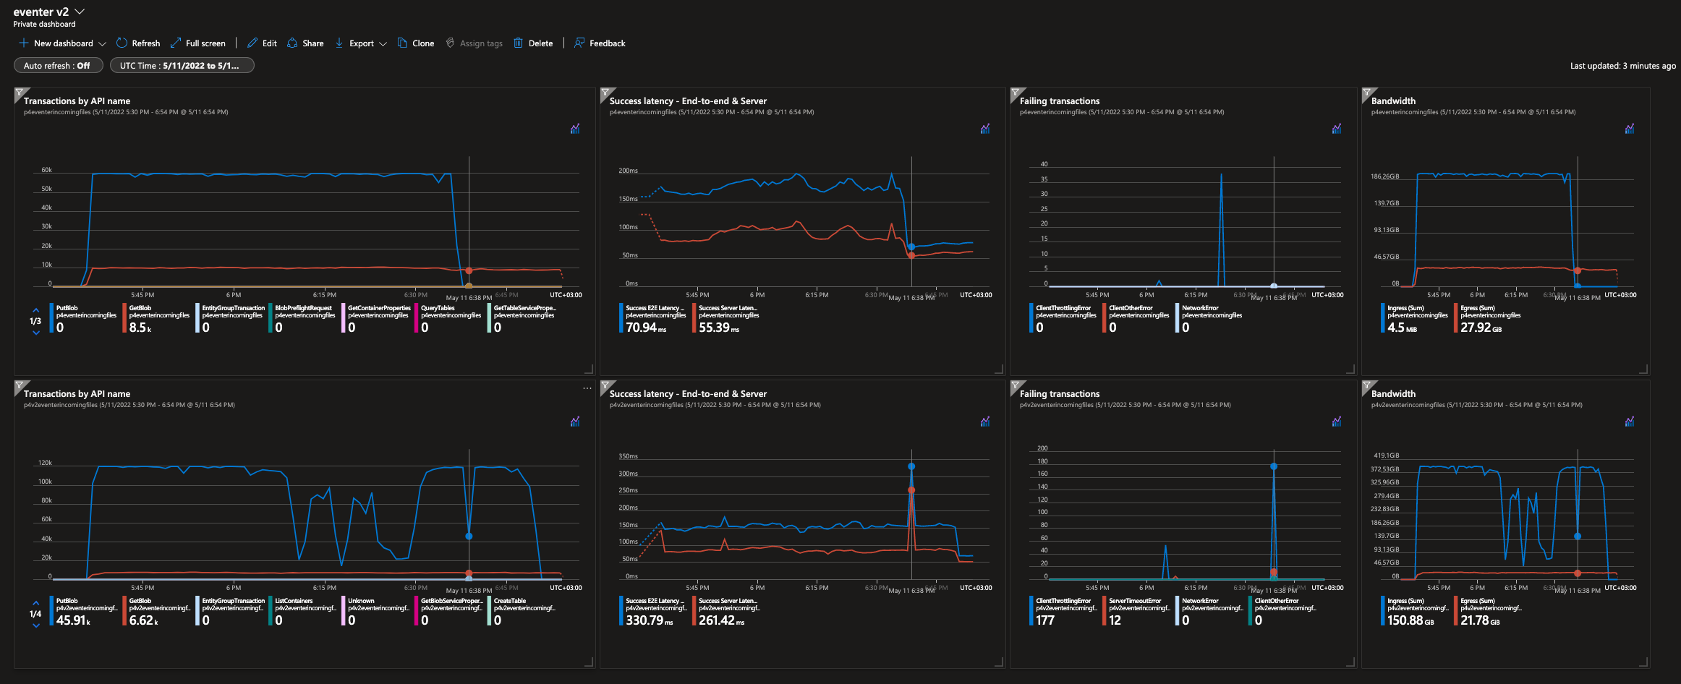

row 1 - scenario 7 | write per 1min | writes per sec | read per 1min | reads per sec
 | ~59600 | ~1000 | ~9900 | 165
row 2 - scenario 9
 |  | ~1397 |  | ~107

 |  |  | calc based on 1hr granularity value

