scenario 1 & 3 & 5
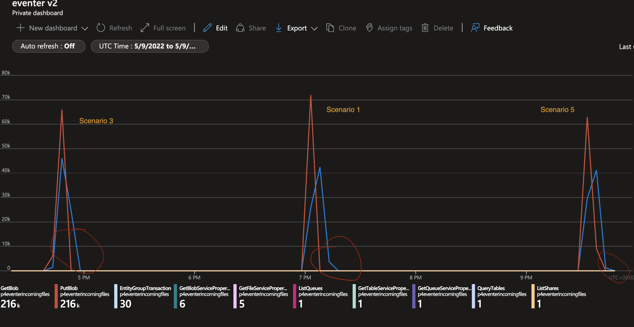

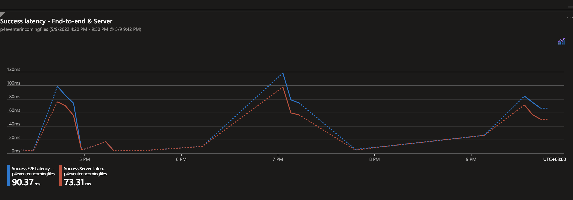

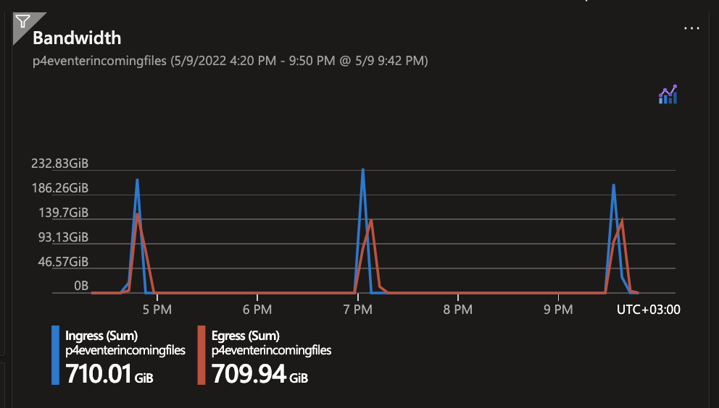

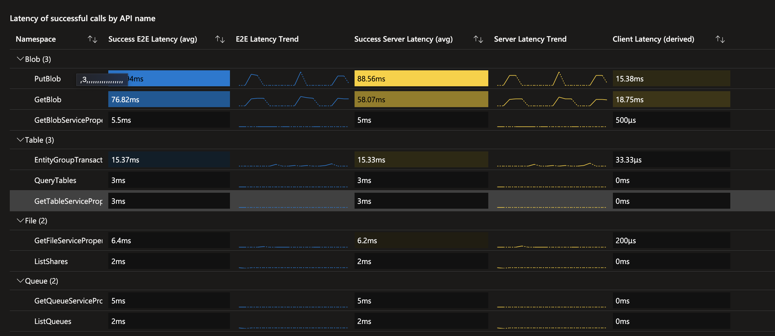

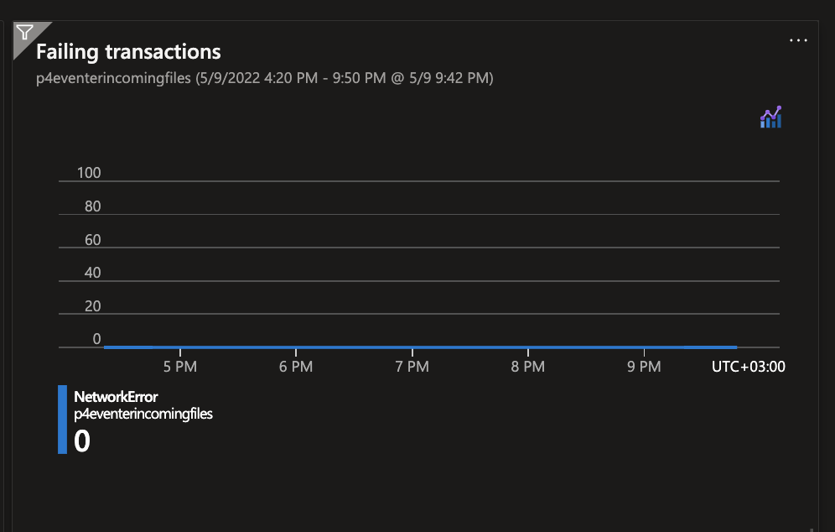

scenario 7 & 9
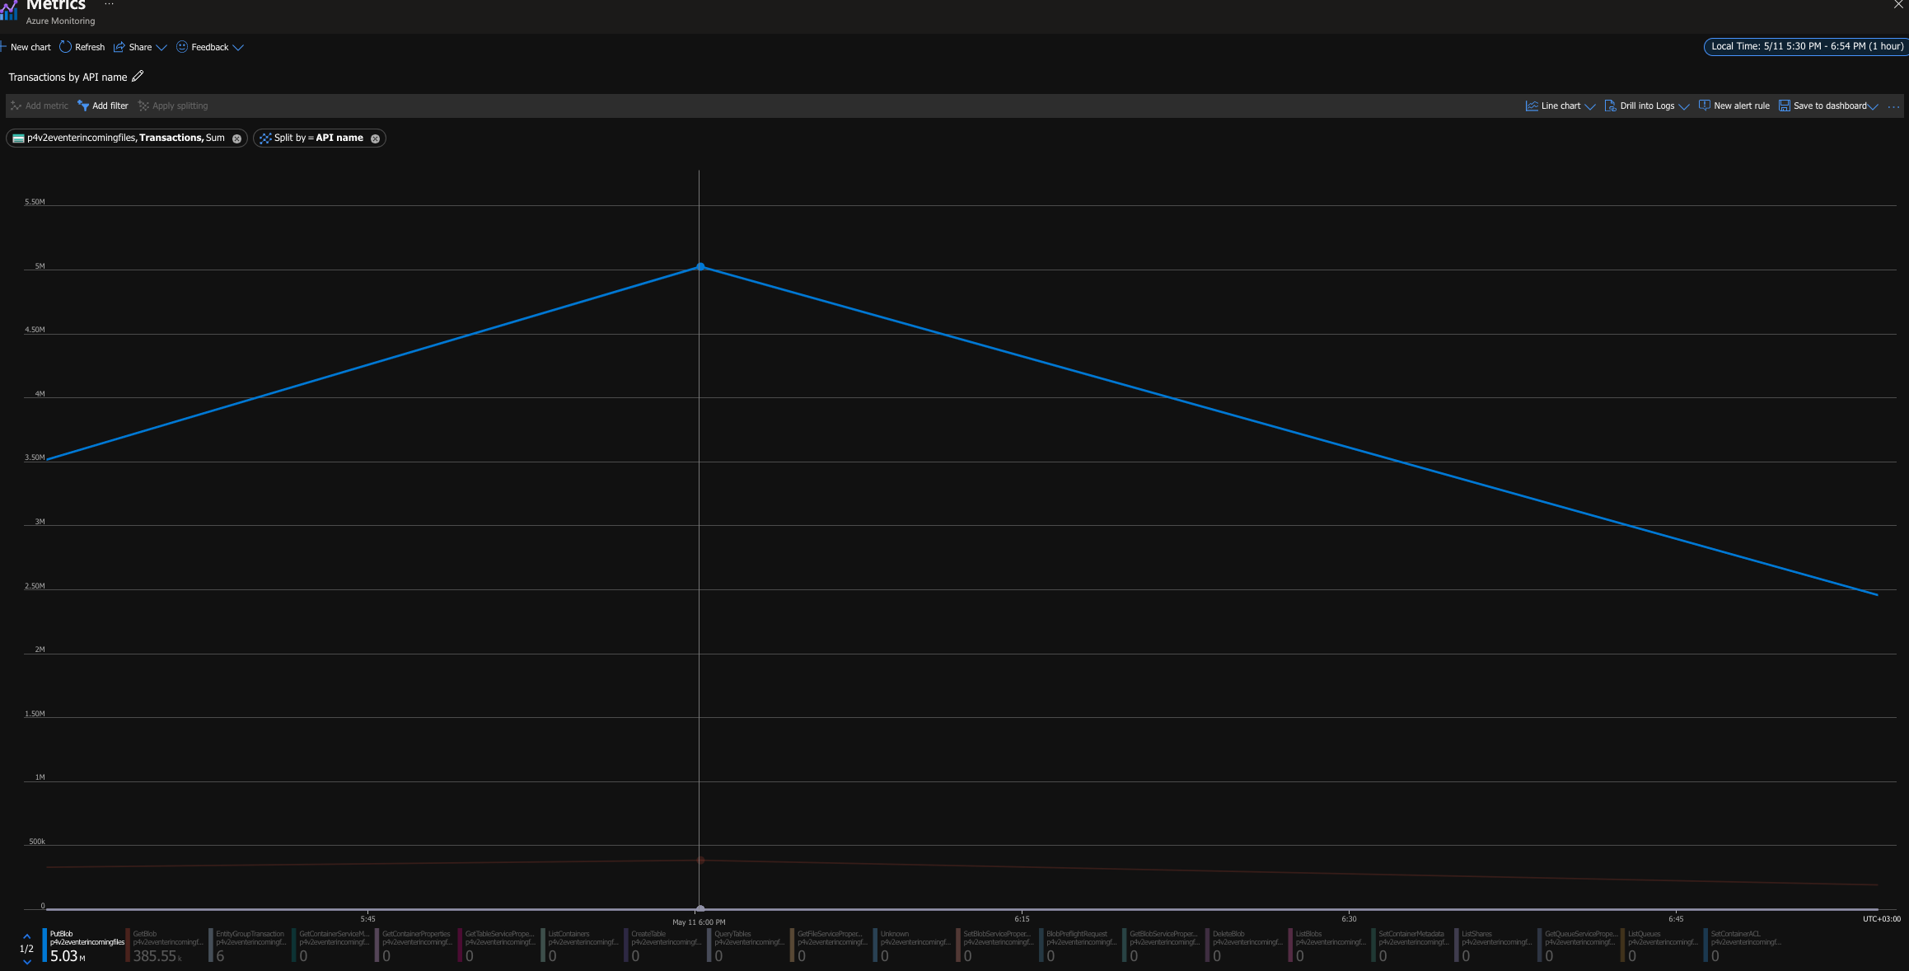
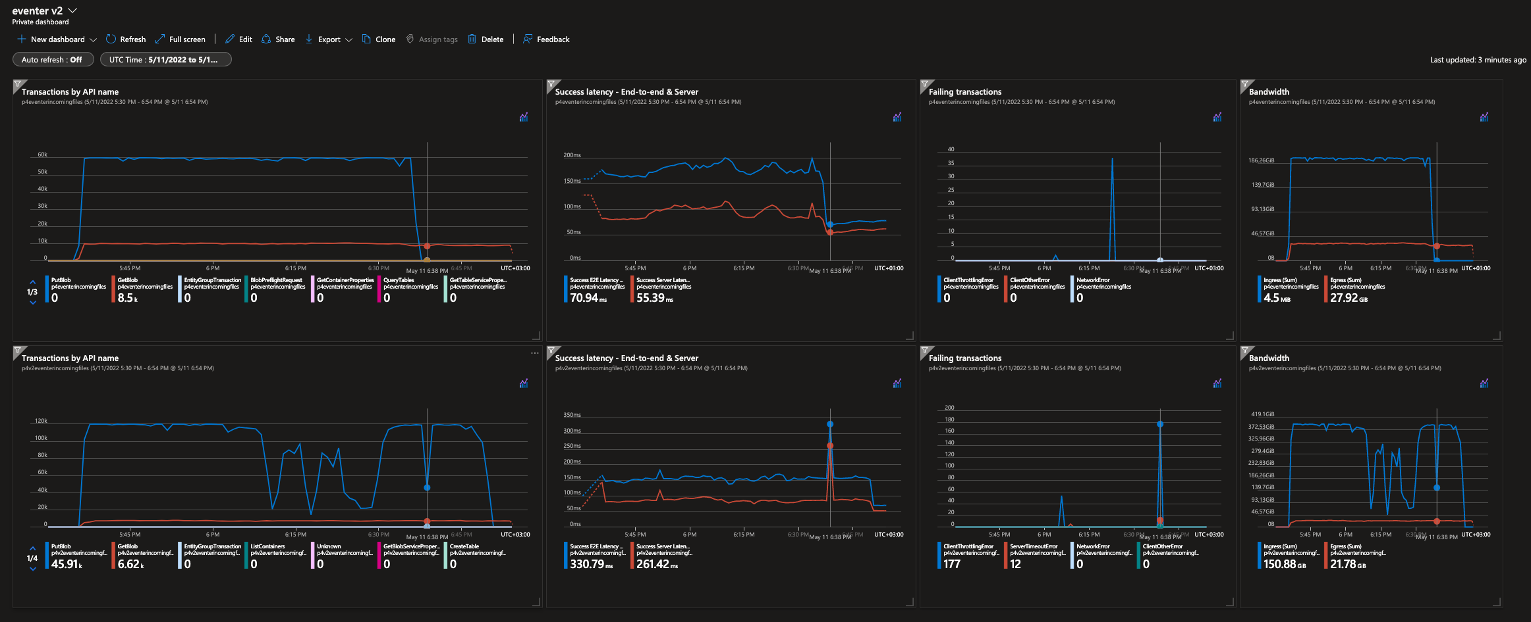

row 1 - scenario 7 | write per 1min | writes per sec | read per 1min | reads per sec
 | ~59600 | ~1000 | ~9900 | 165
row 2 - scenario 9
 |  | ~1397 |  | ~107 | It took 15min more to complete the failing PutBlob operation !!

 |  |  | calc based on 1hr granularity value

scenario 8 & 10
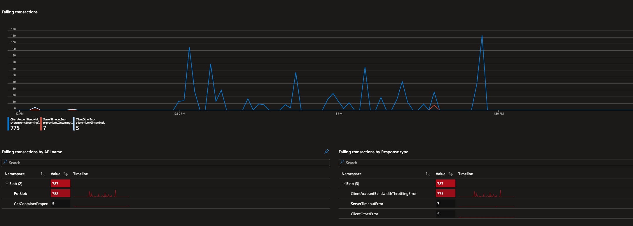
Premium disk

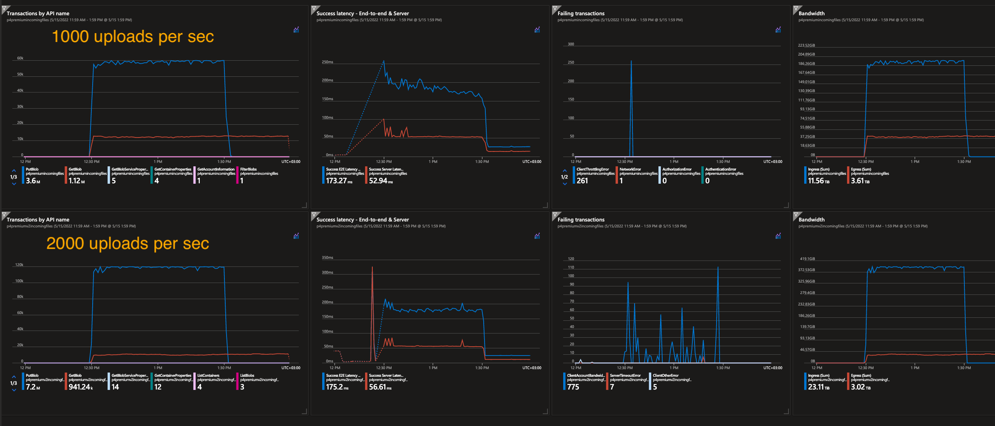

row 1 - scenario 8 | write per 1min | writes per sec | read per 1min | reads per sec
 | ~59700 | ~995 | ~12700 | ~211
row 2 - scenario 10
 | ~120000 | ~2000 | ~11000 | ~186

