PT by Category
country | (All)
 | successful | live | failed | canceled
film & video | 300 |  | 180 | 40
food | 34 | 6 | 140 | 20
games | 80 |  | 140
journalism |  |  |  | 24
music | 540 | 20 | 120 | 20
photography | 103 |  | 117
publishing | 80 |  | 127 | 30
technology | 209 |  | 213 | 178
theater | 839 | 24 | 493 | 37
Count of pledged | Column Labels
Row Labels | successful | live | failed | canceled | Grand Total
film & video | 300 |  | 180 | 40 | 520
food | 34 | 6 | 140 | 20 | 200
games | 80 |  | 140 |  | 220
journalism |  |  |  | 24 | 24
music | 540 | 20 | 120 | 20 | 700
photography | 103 |  | 117 |  | 220
publishing | 80 |  | 127 | 30 | 237
technology | 209 |  | 213 | 178 | 600
theater | 839 | 24 | 493 | 37 | 1393
Grand Total | 2185 | 50 | 1530 | 349 | 4114

PT by Sub-Category
country | (All)
Parent Category | (All)
 | successful | live | failed | canceled
animation |  |  | 100
art books |  |  |  | 20
audio |  |  |  | 24
children's books |  |  | 40
classical music | 40
documentary | 180
drama |  |  | 80
electronic music | 40
faith |  | 20 | 40
fiction |  |  | 40
food trucks |  |  | 120 | 20
gadgets |  |  | 20
hardware | 140
indie rock | 140 |  | 20
jazz |  |  | 60
makerspaces | 9 |  | 11
metal | 20
mobile games |  |  | 40
musical | 60 |  | 60 | 20
nature |  |  | 20
nonfiction | 60
people |  |  | 20
photobooks | 103 |  | 57
places |  |  | 20
plays | 694 | 19 | 353
pop | 40
radio & podcasts | 20
restaurants |  |  | 20
rock | 260
science fiction |  |  |  | 40
shorts | 60
small batch | 34 | 6
space exploration | 40 |  | 2 | 18
spaces | 85 | 5 | 80 | 17
tabletop games | 80
television | 60
translations |  |  | 47 | 10
video games |  |  | 100
wearables | 20 |  | 120 | 60
web |  |  | 60 | 100
world music |  |  |  | 20
Count of pledged | Column Labels
Row Labels | successful | live | failed | canceled | Grand Total
animation |  |  | 100 |  | 100
art books |  |  |  | 20 | 20
audio |  |  |  | 24 | 24
children's books |  |  | 40 |  | 40
classical music | 40 |  |  |  | 40
documentary | 180 |  |  |  | 180
drama |  |  | 80 |  | 80
electronic music | 40 |  |  |  | 40
faith |  | 20 | 40 |  | 60
fiction |  |  | 40 |  | 40
food trucks |  |  | 120 | 20 | 140
gadgets |  |  | 20 |  | 20
hardware | 140 |  |  |  | 140
indie rock | 140 |  | 20 |  | 160
jazz |  |  | 60 |  | 60
makerspaces | 9 |  | 11 |  | 20
metal | 20 |  |  |  | 20
mobile games |  |  | 40 |  | 40
musical | 60 |  | 60 | 20 | 140
nature |  |  | 20 |  | 20
nonfiction | 60 |  |  |  | 60
people |  |  | 20 |  | 20
photobooks | 103 |  | 57 |  | 160
places |  |  | 20 |  | 20
plays | 694 | 19 | 353 |  | 1066
pop | 40 |  |  |  | 40
radio & podcasts | 20 |  |  |  | 20
restaurants |  |  | 20 |  | 20
rock | 260 |  |  |  | 260
science fiction |  |  |  | 40 | 40
shorts | 60 |  |  |  | 60
small batch | 34 | 6 |  |  | 40
space exploration | 40 |  | 2 | 18 | 60
spaces | 85 | 5 | 80 | 17 | 187
tabletop games | 80 |  |  |  | 80
television | 60 |  |  |  | 60
translations |  |  | 47 | 10 | 57
video games |  |  | 100 |  | 100
wearables | 20 |  | 120 | 60 | 200
web |  |  | 60 | 100 | 160
world music |  |  |  | 20 | 20
Grand Total | 2185 | 50 | 1530 | 349 | 4114

Dates Chart
Category | (All) |  | Years | (All)

Count of state | Column Labels
Row Labels | successful | failed | canceled | Grand Total
Jan | 133 | 127 | 26 | 286
Feb | 150 | 124 | 29 | 303
Mar | 207 | 124 | 28 | 359
Apr | 187 | 100 | 29 | 316
May | 204 | 120 | 28 | 352
Jun | 222 | 120 | 23 | 365
Jul | 222 | 134 | 33 | 389
Aug | 196 | 155 | 39 | 390
Sep | 156 | 136 | 24 | 316
Oct | 160 | 145 | 34 | 339
Nov | 161 | 133 | 21 | 315
Dec | 187 | 112 | 35 | 334
Grand Total | 2185 | 1530 | 349 | 4064

Bonus+Word Analysis
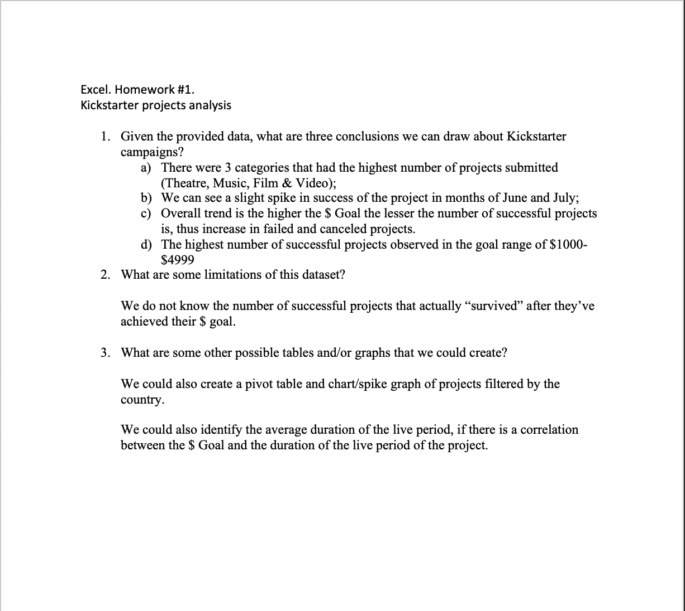
Goals | Number Successful | Number Failed | Number Canceled | Total Projects | Percentage Successful | Percentage Failed | Percentage Canceled
Less than 1000 | 322 | 113 | 18 | 453 | 71% | 25% | 4%
1000 to 4999 | 815 | 357 | 52 | 1224 | 67% | 29% | 4%
5000 to 9999 | 230 | 160 | 27 | 417 | 55% | 38% | 6%
10000 to 14999 | 65 | 59 | 12 | 136 | 48% | 43% | 9%
15000 to 19999 | 38 | 32 | 4 | 74 | 51% | 43% | 5%
20000 to 24999 | 18 | 16 | 1 | 35 | 51% | 46% | 3%
25000 to 29999 | 8 | 15 | 1 | 24 | 33% | 63% | 4%
30000 to 34999 | 6 | 6 | 1 | 13 | 46% | 46% | 8%
35000 to 39999 | 4 | 8 | 2 | 14 | 29% | 57% | 14%
40000 to 44999 | 5 | 3 | 0 | 8 | 63% | 38% | 0%
45000 to 49999 | 3 | 5 | 2 | 10 | 30% | 50% | 20%
Greater than or equal to 50000 | 55 | 198 | 83 | 336 | 16% | 59% | 25%

Kickstarter Projects Analysis

